pegipanermin
Main
 | Brand | IB103, XPro1595
 | Generic | pegipanermin
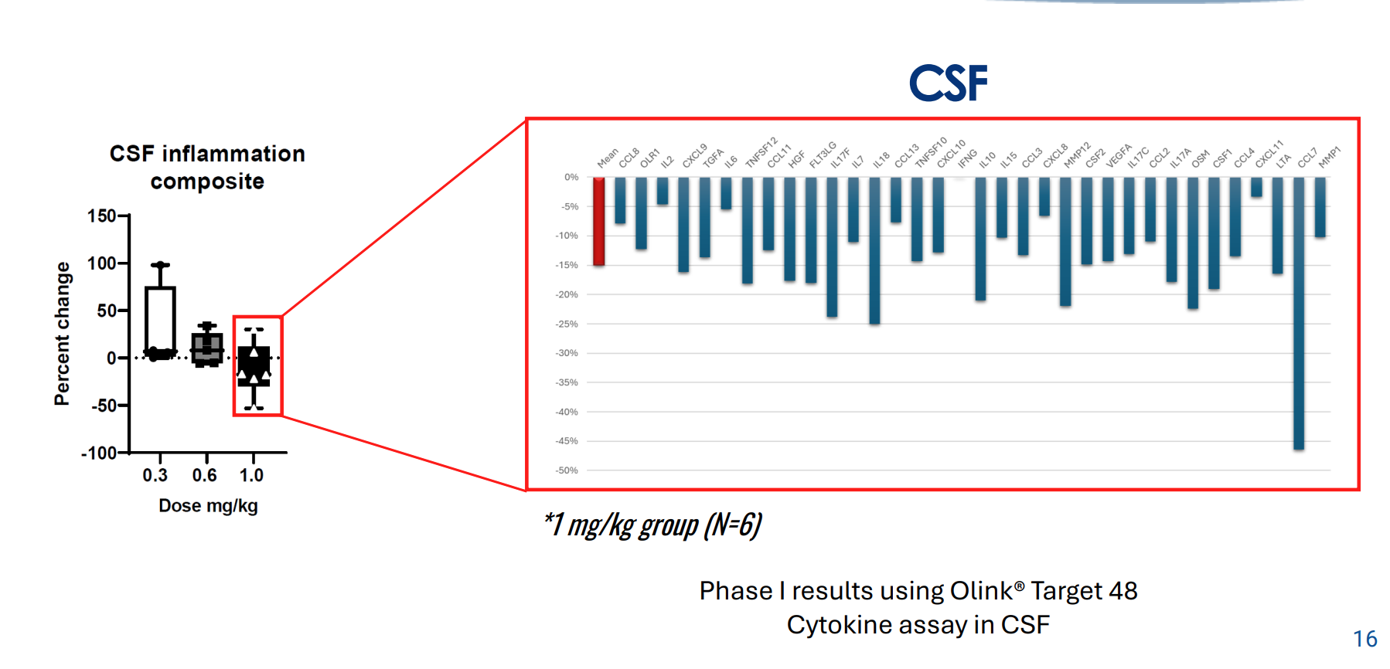
 | Indication | AD, TRD
 | Regulatory | IND on clinical hold
 | Clinical Trials
 |  | Phase II n=201 Alzheimer's - NCT0531976
 |  | n=41 trial sites | 2:1 drug:placebo
 |  | 1.0mg/kg qw for 23 weeks

 |  | EMACC at 24 weeks

