Overview
 |  |  | Direct Dilution Setup for Echo Stamping |  |  |  |  | This workbook is meant to be used to setup the 2D matrix assay on the Echo Acoustic Dispsenser as shown below. The plate(s) made with this sheet will contain just the 16 x 16 matrix and needs to have media added to the Dosing Plate. Then, the Dosing Plate is used to stamp several cell plates, with a Stamp Top Concentration, Final Assay Volume and Stamped Volume programmed to the left.
 |  |  | The only data that should be edited are highlighted in yellow.
. | . | . | TRUE | LSD1 Inhib. | . | In Use
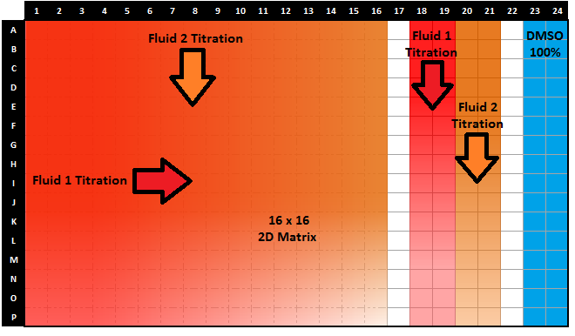
. | . | . |  | Dosing Plate
. | . | . | 1 | Stock Solution Concentration | 20000 | uM | OK
. | . | . | 1 | Total Dosing Plate Volume | 108 | uL | OK
. | . | . | 1 | Titration Volume | 1 | uL | OK
. | . | . | 1 | Dilution Ratio | 3 | (to 1) | OK
. | . | . | 1 | Dilution Steps | 16 | steps | OK
. | . | . | 1 | Dilution Replicates | 16 | replicates | OK
. | . | . | 1 | Dilution Direction (H to L) | Left to Right | on plate | OK
. | . | . | 1 | Fluid Source on Echo Plate | D1 | (A1-P1), (A13-P13) | OK
. | . | . | 1 | Backfill Source on Echo Plate | O1 | (A1-P1), (A13-P13) | OK
. | . | . |  | Stamped Plate(s)
. | . | . | 1 | Stamped Top Concentration | 2 | uM | OK
. | . | . | 1 | Final Assay Volume | 50 | uL | OK
. | . | . | 1 | Stamped Volume | 2 | uL | OK

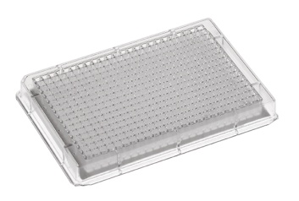
Stamped Plate
. | . | . | TRUE | AZA | . | In Use
. | . | . |  | Dosing Plate
. | . | . | 1 | Stock Solution Concentration | 25000 | uM | OK
. | . | . | 1 | Total Dosing Plate Volume | 108 | uL | OK
. | . | . | 1 | Titration Volume | 2 | uL | OK
. | . | . | 1 | Dilution Ratio | 3 | (to 1) | OK
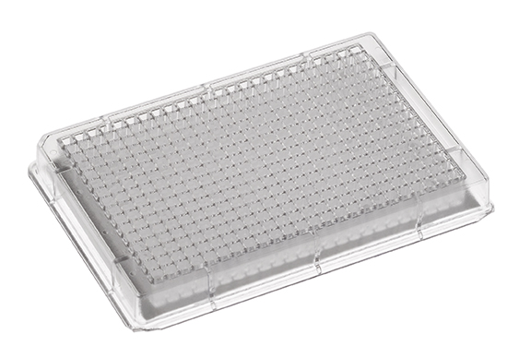
Dosing Plate
Stamped Plate
. | . | . | 1 | Dilution Steps | 16 | steps | OK
. | . | . | 1 | Dilution Replicates | 16 | replicates | OK
. | . | . | 1 | Dilution Direction (H to L) | Top to Bottom | on plate | OK
Stamped Plate
. | . | . | 1 | Fluid Source on Echo Plate | H1 | (A1-P1), (A13-P13) | OK
. | . | . | 1 | Backfill Source on Echo Plate | P1 | (A1-P1), (A13-P13) | OK
. | . | . |  | Stamped Plate(s)
. | . | . | 1 | Stamped Top Concentration | 18 | uM | OK
. | . | . | 1 | Final Assay Volume | 50 | uL | OK
. | . | . | 1 | Stamped Volume | 2 | uL | OK

 |  |  |  |  | Dilution Steps | Dilution Repli. | Dilut. Direction | A1
 |  |  |  |  | 3 | 1 | Left to Right | B1
 |  |  |  |  | 4 | 2 | Top to Bottom | C1
 |  |  |  |  | 5 | 3 |  | D1
 |  |  |  |  | 6 | 4 |  | E1
 |  |  |  |  | 7 | 5 |  | F1
 |  |  |  |  | 8 | 6 |  | G1
 |  |  |  |  | 9 | 7 |  | H1
 |  |  |  |  | 10 | 8 |  | I1
 |  |  |  |  | 11 | 9 |  | J1
 |  |  |  |  | 12 | 10 |  | K1
 |  |  |  |  | 13 | 11 |  | L1
 |  |  |  |  | 14 | 12 |  | M1
 |  |  |  |  | 15 | 13 |  | N1
 |  |  |  |  | 16 | 14 |  | O1
 |  |  |  |  |  | 15 |  | P1
 |  |  |  |  |  | 16 |  | A13
 |  |  |  |  |  |  |  | B13
 |  |  |  |  |  |  |  | C13
 |  |  |  |  |  |  |  | D13
 |  |  |  |  |  |  |  | E13
 |  |  |  |  |  |  |  | F13
 |  |  |  |  |  |  |  | G13
 |  |  |  |  |  |  |  | H13
 |  |  |  |  |  |  |  | I13
 |  |  |  |  |  |  |  | J13
 |  |  |  |  |  |  |  | K13
 |  |  |  |  |  |  |  | L13
 |  |  |  |  |  |  |  | M13
 |  |  |  |  |  |  |  | N13
 |  |  |  |  |  |  |  | O13
 |  |  |  |  |  |  |  | P13

