Sheet1
No. | Laptop |  | Spesifikasi
 | Gambar | Nama | Prosesor | Baterai | GPU | RAM | ROM | Layar | Harga
1 | 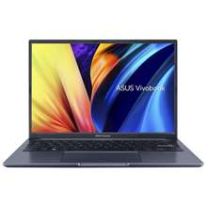 | ASUS Vivobook 14X M1403 | AMD Ryzen 5 5600H | 50 Whrs | AMD Radeon Vega 7 | 8GB | SSD 512GB | 14" | Rp. 6.000.000
2 | 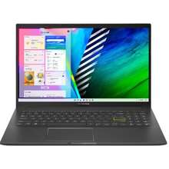 | ASUS Vivobook 15-inch OLED K513 | Intel Core i3-1115G4, Intel Core i5-1135G7 | 50 Whrs | Intel UHD Graphics | 4 - 8GB | SSD 256GB | 15.6" | Rp3,400,000
3 |  | Asus VivoBook 14 A416JA | Intel Core i3 1005G1 | 37 Whrs | Intel UHD Graphics | 4GB | SSD 256GB | 14"" | Rp. 4.300.000
4 | 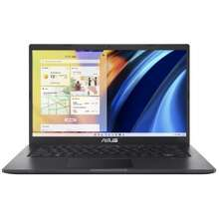 | ASUS Vivobook 14 A1400EA | Intel Core i3-1115G4 | 37 Whrs | Intel UHD Graphics | 4GB | 256GB | 14" | Rp. 3.000.000
5 | 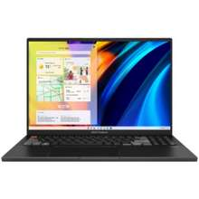 | ASUS Vivobook Pro 16X OLED N7601 | Intel Core i9-12900H | 90 Whrs | NVIDIA GeForce RTX 3060 | 16GB | SSD 1000GB | 16" | Rp27,748,000
6 | 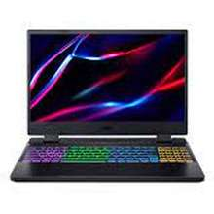 | Acer Nitro 5 15-inch AN515-58-55E6 | Intel Core i5-12500H | 30 Whrs | NVIDIA GeForce RTX 3050 | 8GB | SSD 512GB | 15.6" | Rp10,500,000
7 | 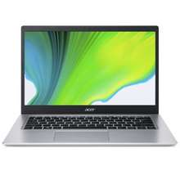 | Acer Aspire 5 Slim A514-54G | Intel Core i3-1115G4 | 48 Whrs | NVDIA GeForce MX350 | 8GB | SSD 512GB | 14" | Rp6,299,000
8 |  | Acer Aspire 5 Ryzen 5000 (A515-45) | AMD Ryzen 3 5300U | 48 Whrs | AMD Radeon Graphics | 8GB | SSD 512GB | 15.6" | Rp6,199,000
9 | 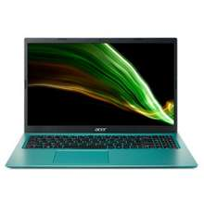 | Acer Aspire 3 A315-58 | Intel Core i5 | 36.70 Whrs | Iris Xe Graphics | 8GB | SSD 512GB | 15.6" | Rp4,950,000
10 | 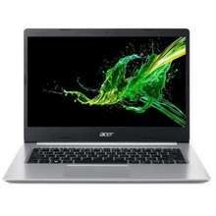 | Acer Aspire 5 A514-52G | Intel Core i5-10210U | 36.70 Whrs | NVIDIA Geforce MX350 | 8GB | SSD 1000GB | 14" | Rp3,300,000
11 | 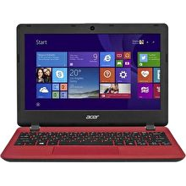 | Acer Aspire One | Intel Atom | 62 Whrs | AMD | 1GB | SSD 100GB | 10.1" | Rp798,000
12 | 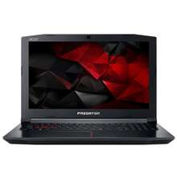 | Acer Predator Helios 300 | Intel Core i7 | 30 Whrs | GeForce® GTX 1660Ti | 32GB | SSD 512GB | 15.6" | Rp7,900,000
13 |  | Acer Predator Helios Neo 16 PHN16-71-72DN | Intel Core i7-13700HX | 90 Whrs | NVIDIA GeForce RTX 4060 | 16GB | SSD 1000GB | 16" | Rp22,900,000
14 | 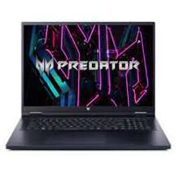 | Acer Predator Helios PH16-71-99ZW 16-inch | Intel Core i9-13900HX | 90 Whrs | NVIDIA GeForce RTX 4070 | 16GB | SSD 1000GB | 16" | Rp35,299,000
15 | 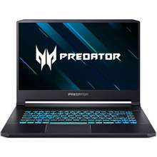 | Acer Predator Helios 500 | Intel Core i7 | 30 Whrs | NVIDIA GeForce® GTX 1070 | 16GB | SSD 256GB | 17.3" | Rp24,999,000
16 | 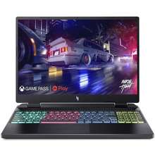 | Acer Nitro 16 AN16 AMD | AMD Ryzen 5 7535HS | 90 Whrs | NVIDIA GeForce RTX 4050 | 8GB | SSD 512GB | 16" | Rp14,850,000
17 | 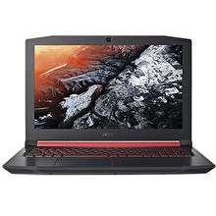 | Acer Nitro 5 AN515-57-921P | Intel Core i9-11900H | 57 Whrs | NVIDIA GeForce RTX 3060 | 32GB | SSD 1000GB | 15.6" | Rp16,999,000
18 | 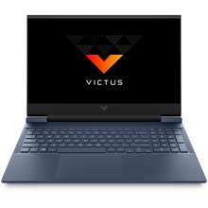 | HP Victus 16 | Intel core i7 | 70.7 Whrs | NVIDIA GeForce | 16GB | SSD 512GB | 16.1" | Rp10,999,000
19 | 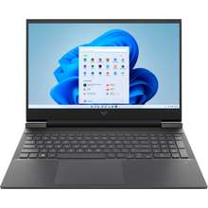 | HP Victus 15.6-inch Gaming Laptop 15-fa0116TX | Intel Core i5-12500H | 52.5 Whrs | NVIDIA GeForce GTX 1650 | 16GB | SSD 512GB | 15.6" | Rp9,700,000
20 |  | HP Victus 15-inch Gaming Laptop fa0008TX | Intel Core i7-12700H | 70 Whrs | NVIDIA® GeForce RTX™ 3050 Laptop GPU | 8GB | SSD 512GB | 15.6" | Rp10,232,000
21 |  | HP Victus 15-inch Gaming Laptop fa0011TX | Intel Core i5-12500H | 70 Whrs | NVIDIA GeForce RTX 3050 | 8GB | SSD 512GB | 15.6" | Rp10,699,000
22 |  | HP Victus 15-inch Gaming Laptop fb0009AX | AMD Ryzen™ 5 5600H | 70 Whrs | GeForce RTX™ 3050 Laptop GPU | 16GB | SSD 512GB | 15.6" | Rp10,800,000
23 |  | HP Victus 15-inch Gaming Laptop fb0012AX | AMD Ryzen™ 7 5800H | 70 Whrs | NVIDIA® GeForce RTX™ 3050 Ti | 16GB | SSD 512GB | 15.6" | Rp10,974,000
24 | 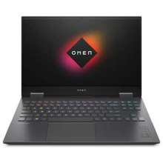 | HP OMEN Gaming 16-inch c0092AX | AMD Ryzen™ 7 5800H | 70 Whrs | NVIDIA® GeForce RTX™ 3070 | 16GB | SSD 512GB | 16.1" | Rp17,749,000
25 | 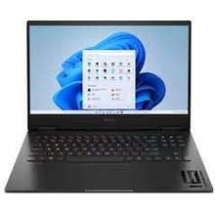 | HP OMEN 16-xf0011AX 16-inch | AMD Ryzen 7 7840HS | 70 Whrs | NVIDIA GeForce RTX 4070 | 32GB | SSD 1000GB | 16.1" | Rp18,999,000
26 |  | HP OMEN 16-n0046AX 16-inch | AMD Ryzen 9 6900HX | 70.7 Whrs | NVIDIA GeForce RTX 3070 Ti | 32GB | SSD 1000GB | 16.1" | Rp18,799,000
27 |  | HP OMEN 16-xf0017AX 16-inch | AMD Ryzen 9 7940HS | 70 Whrs | NVIDIA GeForce RTX 4070 | 32GB | SSD 2000GB | 16.1" | Rp32,299,000
28 | 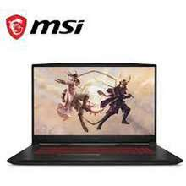 | MSI Katana GF66 | Intel Core i7 | 52 Whrs | NVIDIA® GeForce RTX™ 3060 | 4GB | SSD 512GB | 15.6" | Rp6,099,000
29 |  | MSI Bravo 15 | AMD Ryzen | 53.5 Whrs | 4GB Radeon RX 5500M | 8GB | SSD 512GB | 15.6" | Rp10,843,000
30 | 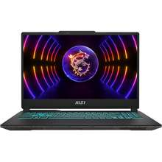 | MSI Cyborg 15 A12VF | Intel® Core™ i7-12 | 53.5 Whrs | NVIDIA GeForce RTX 4060 | 16GB | SSD 512GB | 15.6" | Rp14,399,000
31 |  | MSI Katana GF76 | Intel Core i7 | 53.5 Whrs | NVIDIA® GeForce RTX™ 3050 | 8GB | SSD 512GB | 17.3" | Rp11,000,000
32 |  | MSI Cyborg 15 A12VE | Intel® Core™ i7-12 | 53.5 Whrs | NVIDIA GeForce RTX 4050 | 16GB | SSD 512GB | 15.6" | Rp13,500,000
33 | 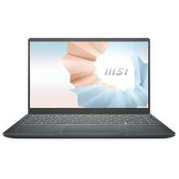 | MSI Modern 14 B5M | AMD Ryzen 5-5500U | 39 Whrs | AMD Radeon Graphics | 8GB | SSD 512GB | 14" | Rp9,299,000
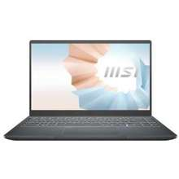 34 |  | MSI Modern 14 B10MW | Intel® Core™ i3 U | 39 Whrs | AMD Radeon™ | 8GB | SSD 256GB | 14" | Rp7,749,000
35 |  | MSI Modern 14 B4MW | AMD Ryzen 3 4300U | 39 Whrs | AMD Radeon™ | 8GB | SSD 512GB | 14" | Rp8,600,000
36 | 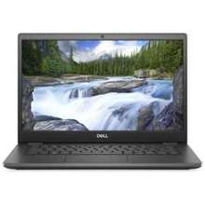 | Dell Latitude 3410 | Intel Core i3 | 40 Whrs | Intel UHD | 4GB | SSD 128GB | 14" | Rp3,450,000
37 | 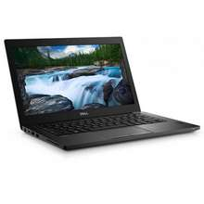 | DELL Latitude 7280 | Intel Core i5 | 60Whr | Intel HD Graphics 620 | 4GB | SSD 128GB | 12.5" | 1,840,000
38 | 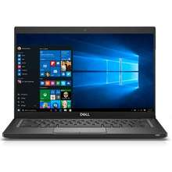 | DELL Latitude 7390 2-in-1 | Intel Core i7-8650U | 60 Whrs | Intel UHD | 16GB | SSD 128GB | 13" | Rp2,000,000
39 | 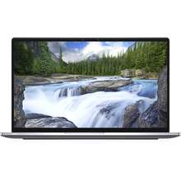 | Dell Latitude 7400 | Intel Core i7 | 52 WHr | Intel UHD | 8GB | SSD 1000GB | 14" | Rp5,600,000

