Sheet1
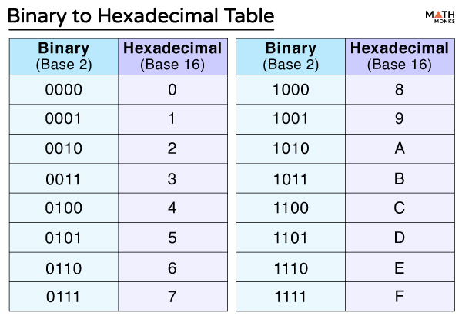
Action | Binary ( 16 byte )
 | Opcode (2) |  | Special key (2) | Data(12) [start: 64]
 | binary | hex
STOP | 1111 1111 1111 1111 |  | - | -
 |  |  | -
MouseAction | 0000 0001 0000 0000 |  | - | -
MouseMove | 0000 0001 0000 0001 |  | - | x[0-31]; y[32-63]; ~
MouseLeftClick | 0000 0001 0000 0010 |  | - | -
MouseRightClick | 0000 0001 0000 0100 |  | - | -
MouseMidClick | 0000 0001 0000 1000 |  | - | -
MouseScroll | 0000 0001 0001 0000 |  | - | -
Keyboard
KeyboardAction | 0000 0010 0000 0000
KeyboardKeyDown | 0000 0010 0000 0001 |  | - | x[0-31] ; ~
KeyboardKeyUp | 0000 0010 0000 0000 |  | - | x[0-31] ; ~

mouse | a | del | shift
0 | 1 | 0 | 0 | 0

