Charts
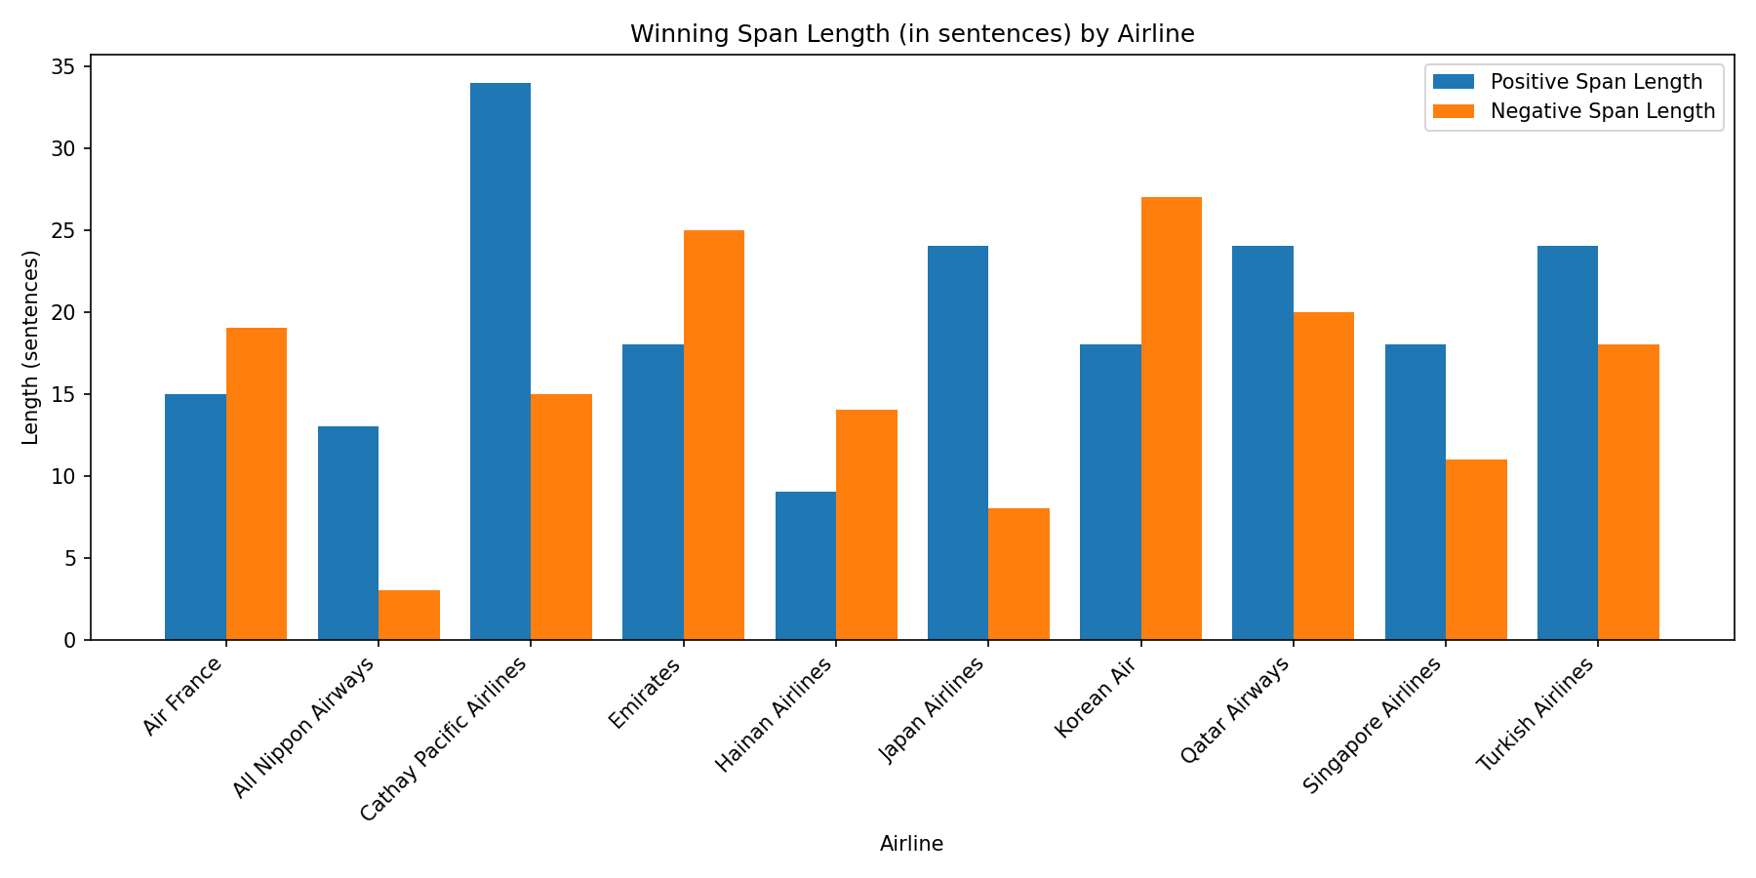
Most Positive Span Score by Airline
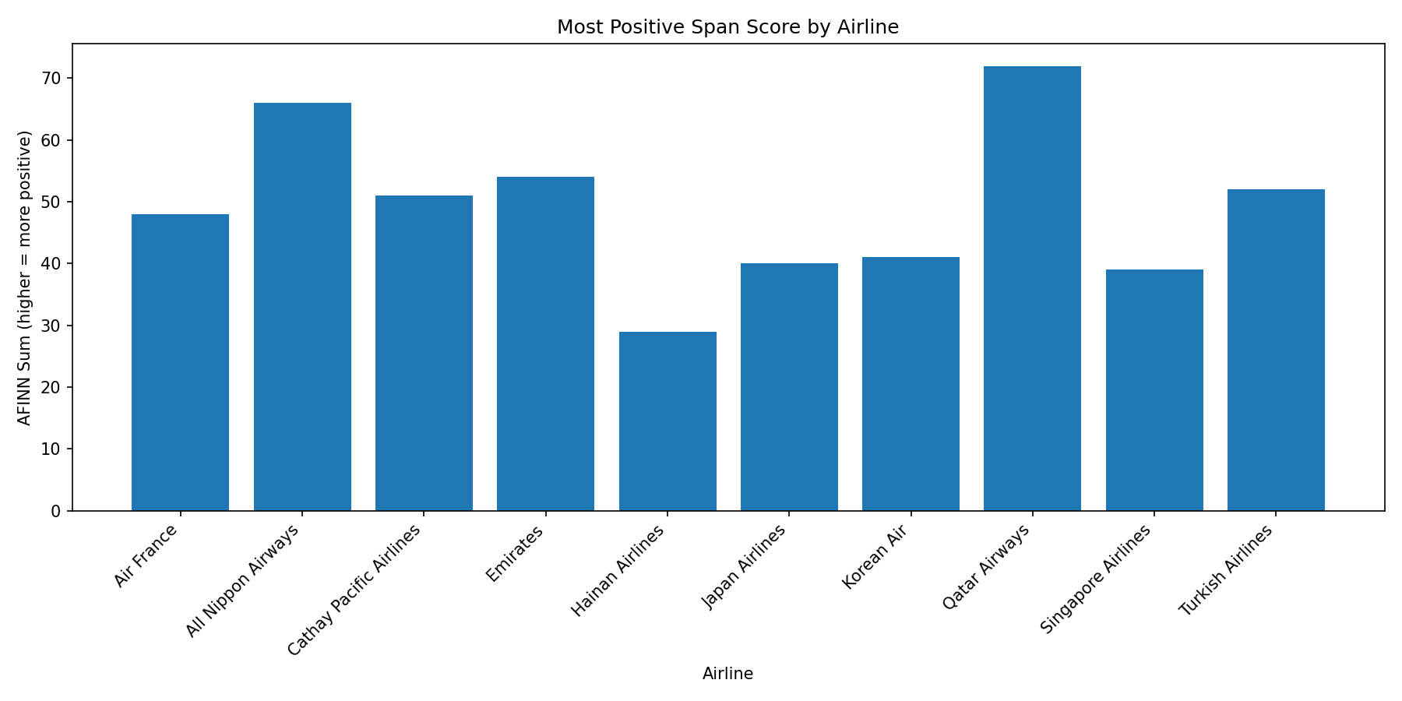

Most Negative Span Score by Airline
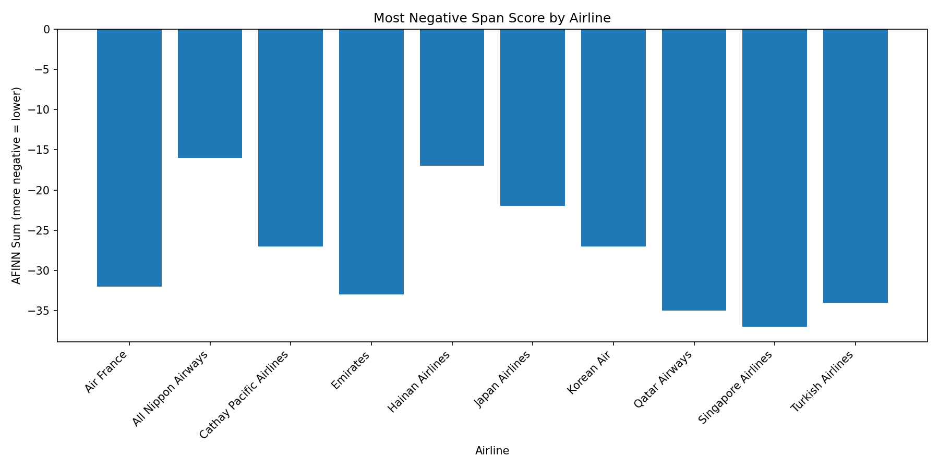

Winning Span Length (sentences) by Airline

