Info
Parameter | Levels | Comments
Year | 2019-2023 | Expect 2024 will be available en of October
Plot | 1-48
Row | A | Initial attempt to account for dry-wet gradient: each row is two plots wide
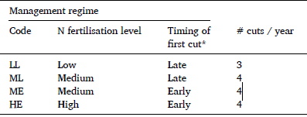
Block | A-B | A-B
Management | Data | Paper
 | B1 | LL
 | B2 | ML
 | B3 | ME
 | B4 | HE

Sward_type | Data | Paper
 | BPW | BD | Biodiverse
 | BFW | PBD | Productive biodiverse
 | C | PM | Productive monoculture
First_cut | Early | ~15 May
 | Late | ~10 June
Cut | Cut1
 | Cut2 | Not for management B1
 | Cut3
 | Cut4
 | CUM | Sum of all cuts within a year
Date_Cut | 2019-05-16
Dry_matter_content | 25.8 | %
DMY | 5598 | Dry matter yield in kg / ha
DMY_Cut2_0 | 5598 | Here, I have replaced the blank value for treatment B1 in the second cut with 0. This is only relevant when calculating treatment means per cut.

