Sheet1
Name in Geerts 2023 Supplement Tabel 2 | Value in Geerts Tabel | units in Geerts Tabel | Listed Source | Description from Geerts Tabel as well as some comments if there is a known issue
forAsympAB40 | 0.3 | DIMENSIONLESS | Fitted to nat history abeta accumulation | Asymptotic value for extrapolation of forward rate constants for Ab40 aggregation
forAsympAB42 | 2 | DIMENSIONLESS | Fitted to nat history abeta accumulation | Asymptotic value for extrapolation of forward rate constants for Ab42 aggregation
ForHillA | 2 | DIMENSIONLESS | Fitted to nat history abeta accumulation | Hill coefficient for extrapolation of forward rate constants for Ab40 aggregation
ForHillB | 3 | DIMENSIONLESS | Fitted to nat history abeta accumulation | hill coefficient for extrapolation of forward rate constants for Ab42 aggregation
BackHillA | 2.5 | DIMENSIONLESS | Fitted to nat history abeta accumulation | Hill coeficient for extrapolation of backwards rate constants for Ab40 aggregation
BackHillB | 3 | DIMENSIONLESS | Fitted to nat history abeta accumulation | Hill coeficient for extrapolation of backwards rate constants for Ab42 aggregation
forGain1 | 10 | DIMENSIONLESS | Fitted to nat history abeta accumulation | Gain value for extrapolation of forward rate constants for Ab40 aggregation
forGain2 | 7 | DIMENSIONLESS | Fitted to nat history abeta accumulation | Gain value for extrapolation of forward rate constants for Ab42 aggregation
monToDiA | 0.00018 | L / (nano * mol * h) | Calculated from Garai K 2013 PNAS v110 n0 p3321-3326. | Baseline rate constant for conversion from AB40 monomer to oligomer 2.
monToDiB | 0.0003564 | L / (nano * mol * h) | Calculated from Garai K 2013 PNAS v110 n0 p3321-3326. | Baseline rate constant for conversion from AB42 monomer to oligomer 2. *Note that my conversion from the Garai value 9.9*e2 1/M*S to nM*h gave 0.003564, higher by a factor of 10*
diToTriA | 7.20E-05 | L / (nano * mol * h) | Garai K 2013 PNAS v110 n0 p3321-3326. | Baseline rate constant for conversion from AB40 oligomer 2 to oligomer 3. In vitro data:. 20 1/(M.s) = 0.000072 1/(nM.h)
diToTriB | 0.0001368 | L / (nano * mol * h) | Garai K 2013 PNAS v110 n0 p3321-3326. | Baseline rate constant for conversion from AB42 oligomer 2 to oligomer 3. In vitro data: 38 1/(M.s) = 0.0001368 1/(nM.h)
backAsympAB40 | NA | NA | NA | Asymptotic value for extrapolation of backward rate constants. Is this equal for forward version?
backAsympAB42 | NA | NA | NA | Asymptotic value for extrapolation of backward rate constants. Is this equal for forward version?
diToMonA | NA | 1/h | Garai K 2013 PNAS v110 n0 p3321-3326. | dimer to monomer rate for AB40 if using Garai 2013 then = 9.720000
diToMonB | NA | 1/h | Garai K 2013 PNAS v110 n0 p3321-3326. | dimer to monomer rate for AB42 if using Garai 2013 then = 45.720000
triToDiA | NA | 1/h | Garai K 2013 PNAS v110 n0 p3321-3326. | trimer to dimer rate for AB40 if using Garai 2013 then = 0.0
triToDiB | NA | 1/h | Garai K 2013 PNAS v110 n0 p3321-3326. | trimer to dimer rate for AB42 if using Garai 2013 then = 1.080.0
kAPP_Potter_1st_order | 1173 | 1 / h | : Potter R, Sci Trans Med v5 189 p1, 2013 | Zero order rate constant for the production of APP
kAPP_Potter_zero_order | 293 | nano * mol / (L * h) | : Potter R, Sci Trans Med v5 189 p1, 2013 | Zero order rate constant for the production of APP
Kin_Ab40_Potter | 0.238 | 1 / h | : Potter R Sci Trans Med v5 189 p1, 2013 | rate constant for formation of AB40 from C99
Kin_Ab42_Potter | 0.015 | 1 / h | : Potter R Sci Trans Med v5 189 p1, 2013 | rate constant for formation of AB42 from C99. *Note that in Potter paper rate is 0.033*
Baseline_AB42_Oligomer_Fibril_Plaque | 5.00E-05 | L / (nano * mol * h) | Assumed | Baseline rate constant for formation of plaques from fibrils and oligomers for AB42. I am using this for all K_O#_Plaque_fortytwo rates. These are for monomer additon to oligomer forming plaque. Perhaps there is a scalar missing?
Microglia_EC50_forty | 8 | nano * mol / L | Fitted to interventional studies | EC50 for microglia clearance of AB40 monomers, oligomers and fibrils.
Microglia_EC50_forty_APOE4 | 20 | nano * mol / L | Fitted to interventional studies | Vmax for microglia clearance of AB40 monomers, oligomers and fibrils. in APOE4 subjects.
Microglia_EC50_forty_NotAPOE4 | 8 | nano * mol / L | Fitted to interventional studies | EC50 for microglia clearance of AB40 monomers, oligomers and fibrils. in non-APOE4 subjects.
Microglia_EC50_fortytwo | 300 | nano * mol / L | Fitted to interventional studies | EC50 for microglia clearance of AB40 monomers, oligomers and fibrils.
Microglia_EC50_fortytwo_APOE4 | 300 | nano * mol / L | Fitted to interventional studies | EC50 for microglia clearance of AB42 monomers, oligomers and fibrils. in APOE4 subjects.
Microglia_EC50_fortytwo_NotAPOE4 | 120 | nano * mol / L | Fitted to interventional studies | EC50 for microglia clearance of AB42 monomers, oligomers and fibrils. in non-APOE4 subjects.
Microglia_Vmax_forty | 0.00015 | nano * mol / (L * h) | Fitted to interventional studies | Vmax for microglia clearance of AB40 monomers, oligomers and fibrils.
Microglia_Vmax_forty_APOE4 | 0.0001 | nano * mol / (L * h) | Fitted to interventional studies | Vmax for microglia clearance of AB40 monomers, oligomers and fibrils. in APOE4 subjects.
Microglia_Vmax_forty_NotAPOE4 | 0.00015 | nano * mol / (L * h) | Fitted to interventional studies | Vmax for microglia clearance of AB40 monomers, oligomers and fibrils. in non-APOE4 subjects.
Microglia_Vmax_fortytwo | 0.0001 | nano * mol / (L * h) | Fitted to interventional studies | Vmax for microglia clearance of AB42 monomers, oligomers and fibrils.
Microglia_Vmax_fortytwo_APOE4 | 0.0001 | nano * mol / (L * h) | Fitted to interventional studies | Vmax for microglia clearance of AB42 monomers, oligomers and fibrils. in APOE4 subjects.
Microglia_Vmax_fortytwo_NotAPOE4 | 0.00015 | nano * mol / (L * h) | Fitted to interventional studies | Vmax for microglia clearance of AB42 monomers, oligomers and fibrils. in non-APOE4 subjects.
AB40_IDE_Hill | 2 | DIMENSIONLESS | Song ES (2010) PLoS ONE 5(3): e9719. doi:10.1371/journal.pone.0009719. | Hill coefficient for IDE removal of AB40 monomer.
AB40_IDE_IC50 | 14.142136 | DIMENSIONLESS | Song ES (2010) PLoS ONE 5(3): e9719. doi:10.1371/journal.pone.0009719. | Concentration of AB40 monomer at which IDE removal is at half the maximum
AB40_IDE_Kcat_baseline | 30000 | 1 / h | Song ES (2010) PLoS ONE 5(3): e9719. doi:10.1371/journal.pone.0009719 | Maximum rate of IDE removal of AB40 monomer. .
AB40_IDE_Kcat_exp | 1500 | 1 / h | Song ES (2010) PLoS ONE 5(3): e9719. doi:10.1371/journal.pone.0009719 | Maximum rate of IDE removal of AB40 monomer with exponential decline.
AB40_IDE_Kcat_lin | 1500 | 1 / h | Song ES (2010) PLoS ONE 5(3): e9719. doi:10.1371/journal.pone.0009719 | Maximum rate of IDE removal of AB40 monomer with linear decline.
AB42_IDE_Hill | 2 | DIMENSIONLESS | Song ES (2010) PLoS ONE 5(3): e9719. doi:10.1371/journal.pone.0009719. | Hill coefficient for IDE removal of AB42 monomer.
AB42_IDE_IC50 | 28.635642 | DIMENSIONLESS | Song ES (2010) PLoS ONE 5(3): e9719. doi:10.1371/journal.pone.0009719. | Concentration of AB42 monomer at which IDE removal is at half the maximum
AB42_IDE_Kcat_baseline | 50 | 1 / h | Song ES (2010) PLoS ONE 5(3): e9719. doi:10.1371/journal.pone.0009719 | Maximum rate of IDE removal of AB42 monomer. . Geerts 2024 publication is 1000
AB42_IDE_Kcat_exp | 50 | 1 / h | Song ES (2010) PLoS ONE 5(3): e9719. doi:10.1371/journal.pone.0009719 | Maximum rate of IDE removal of AB42 monomer with exponential decline.
AB42_IDE_Kcat_lin | 50 | 1 / h | Song ES (2010) PLoS ONE 5(3): e9719. doi:10.1371/journal.pone.0009719 | Maximum rate of IDE removal of AB42 monomer with linear decline.

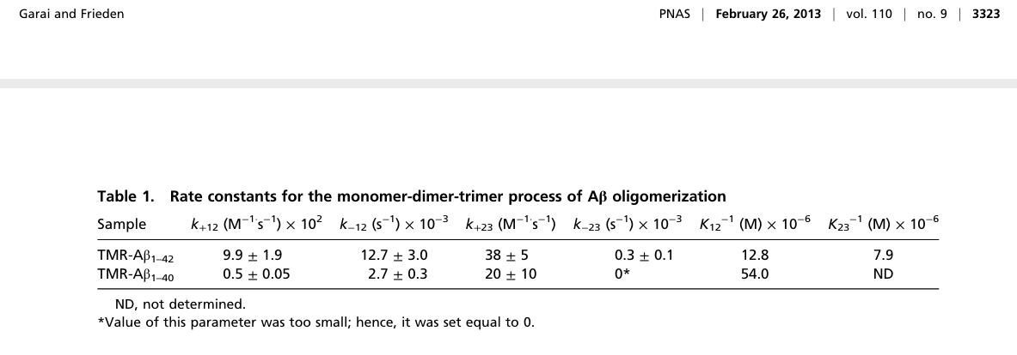
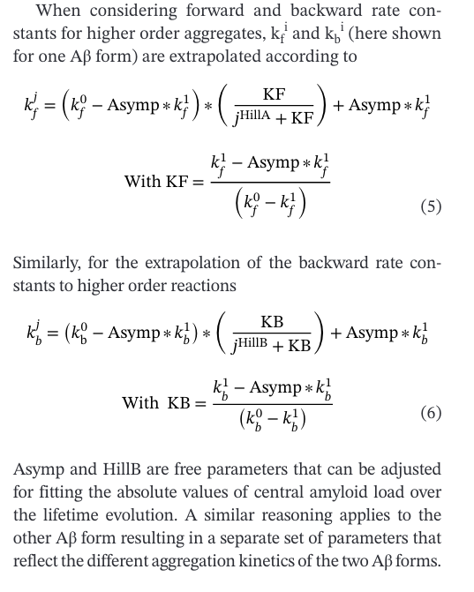

Garai K 2013 PNAS parameters
 |  |  |  | Aggregation Rate Equations

IDE Clearance

