DataFilteringInstructions
Steps to filter data for a specific city
1. Place cursor in the worksheet !gini_place_county
2. Click Data tab on top row of tool bar

3. Click Filter Icon
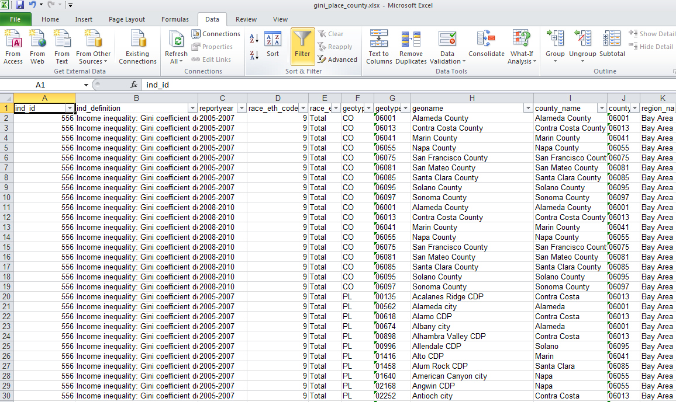
To select a time series 2006-2010 for a single city (e.g. Oakland)
4. Click on filter picklist arrow in geoname column and type in the city name in the search box
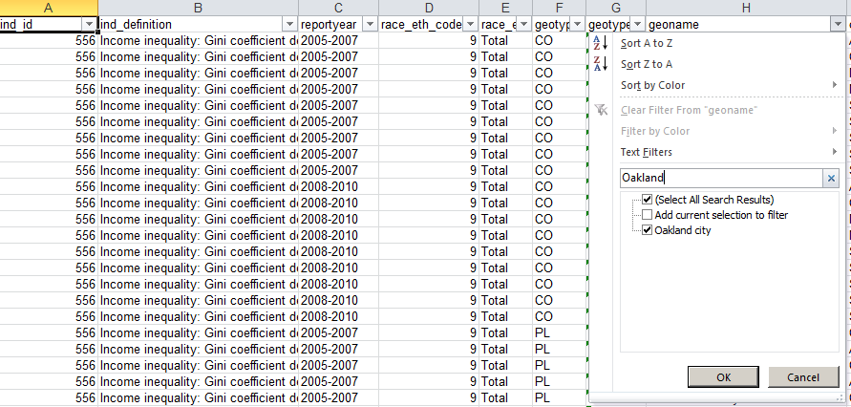
Results will look like this:

