Charts
 |  |  | Right | Right |  |  |  |  |  |  |  |  | Right
Row Labels | Sum of btc | Sum of eth | Sum of bsc | Sum of polygon-pos | Sum of polkadot | Sum of maker | Sum of osmosis | Sum of kusama | Sum of optimism | Sum of near | Sum of bch | Sum of xmr | Sum of fantom | Sum of ltc | Sum of etc | Sum of doge | Sum of xrp | Sum of solana
2021 | $91,023,348.25 | $5,412,133,025.42 | $470,822,219.69 | $8,308,718.96 | $1,414,922.99 | $31,922,565.24 | $9,715,924.23 | $19,557.66 | $5,112,246.28 | $600,281.73 | $78,162.02 | $108,627.02 | $8,535,625.56 | $390,998.76 | $37,995.88 | $1,527,776.61 | $461,844.96 | $22,537,663.84
September | $19,228,860.38 | $1,069,397,517.25 | $62,529,136.31 | $1,110,753.92 | $159,107.10 | $4,013,020.75 | $1,087,525.09 | $3,671.39 |  | $74,595.01 | $20,712.22 | $32,530.33 | $1,265,729.43 | $84,812.76 | $10,811.67 | $336,700.84 | $71,025.22 | $2,708,660.37
October | $27,470,338.71 | $1,362,298,911.05 | $91,995,108.89 | $1,425,227.45 | $269,014.66 | $5,398,247.63 | $1,722,949.38 | $3,727.75 |  | $103,296.50 | $21,657.70 | $31,168.54 | $2,834,495.18 | $100,514.96 | $10,199.07 | $484,874.81 | $67,769.40 | $5,359,547.45
November | $24,728,070.63 | $1,829,259,130.00 | $201,560,423.95 | $2,210,352.76 | $813,214.29 | $10,164,857.06 | $2,944,634.00 | $6,382.18 | $1,895,988.38 | $139,221.79 | $21,882.44 | $27,459.51 | $2,446,755.66 | $124,592.25 | $10,259.38 | $445,193.14 | $170,717.72 | $7,723,880.22
December | $19,596,078.53 | $1,151,177,467.12 | $114,737,550.53 | $3,562,384.82 | $173,586.93 | $12,346,439.81 | $3,960,815.76 | $5,776.34 | $3,216,257.90 | $283,168.43 | $13,909.67 | $17,468.65 | $1,988,645.28 | $81,078.79 | $6,725.77 | $261,007.82 | $152,332.62 | $6,745,575.80
2022 | $109,402,010.62 | $3,966,572,602.83 | $313,783,177.90 | $16,761,726.39 | $556,394.94 | $40,013,746.38 | $39,067,030.56 | $28,504.71 | $13,912,104.76 | $3,068,351.05 | $56,733.47 | $115,447.27 | $23,068,412.95 | $357,496.50 | $53,019.78 | $1,395,562.41 | $311,092.50 | $19,369,877.75
January | $13,875,351.52 | $1,339,864,937.29 | $65,191,373.02 | $5,957,525.77 | $120,061.15 | $10,612,903.24 | $9,174,984.72 | $3,506.87 | $3,412,486.40 | $954,439.08 | $9,190.10 | $16,657.72 | $6,969,254.48 | $61,392.33 | $6,462.41 | $261,053.74 | $46,795.54 | $4,274,377.65
February | $12,915,423.75 | $717,677,039.39 | $48,130,066.06 | $1,666,606.89 | $67,335.51 | $6,996,080.01 | $7,210,762.56 | $2,140.63 | $1,487,099.14 | $420,462.30 | $7,429.87 | $14,933.62 | $5,259,953.63 | $54,426.33 | $5,279.98 | $193,994.05 | $56,674.93 | $3,051,350.93
March | $13,471,338.16 | $371,279,873.28 | $40,792,159.25 | $1,316,978.78 | $67,563.95 | $5,536,594.64 | $7,937,725.86 | $3,245.12 | $854,015.69 | $297,204.02 | $11,477.98 | $15,035.02 | $4,606,445.69 | $53,169.27 | $6,531.65 | $476,459.65 | $68,596.20 | $2,349,938.87
April | $12,978,420.83 | $511,634,383.87 | $46,567,977.31 | $1,607,196.03 | $89,877.37 | $5,944,237.19 | $5,370,812.25 | $6,319.77 | $1,608,268.49 | $679,531.60 | $9,389.16 | $24,956.83 | $2,298,322.52 | $55,436.60 | $7,305.93 | $161,647.77 | $43,648.00 | $2,375,531.69
May | $16,176,771.54 | $560,521,882.26 | $34,576,609.21 | $1,547,873.34 | $70,834.60 | $4,357,049.42 | $5,777,068.34 | $2,727.58 | $2,885,551.10 | $360,269.15 | $6,471.83 | $14,376.58 | $2,927,954.78 | $36,507.49 | $3,974.55 | $90,543.07 | $27,028.35 | $1,693,713.31
June | $11,468,238.15 | $204,607,113.21 | $21,290,716.95 | $1,019,317.56 | $42,063.58 | $2,570,258.84 | $881,349.73 | $1,933.10 | $1,983,863.04 | $153,693.61 | $5,083.72 | $10,918.92 | $672,464.13 | $25,080.80 | $2,785.61 | $55,153.18 | $16,500.27 | $1,177,762.67
July | $12,098,045.45 | $109,450,118.01 | $20,091,659.12 | $1,293,352.94 | $38,375.54 | $1,523,323.43 | $794,547.46 | $1,444.40 | $604,568.20 | $57,417.62 | $3,594.04 | $12,488.78 | $130,695.67 | $23,734.91 | $4,363.43 | $64,029.80 | $15,590.72 | $1,434,531.56
August | $8,975,401.27 | $88,194,789.88 | $21,137,182.54 | $1,357,833.84 | $37,446.26 | $1,476,819.65 | $875,262.26 | $4,178.87 | $597,980.00 | $63,111.59 | $2,856.84 | $6,079.79 | $102,107.70 | $25,796.42 | $10,460.84 | $57,771.67 | $23,601.13 | $1,692,512.20
September | $7,443,019.95 | $63,342,465.65 | $16,005,434.45 | $995,041.25 | $22,836.98 | $996,479.96 | $1,044,517.37 | $3,008.37 | $478,272.70 | $82,222.08 | $1,239.92 |  | $101,214.34 | $21,952.35 | $5,855.36 | $34,909.47 | $12,657.35 | $1,320,158.87
Grand Total | $200,425,358.87 | $9,378,705,628.25 | $784,605,397.59 | $25,070,445.35 | $1,971,317.93 | $71,936,311.63 | $48,782,954.79 | $48,062.37 | $19,024,351.05 | $3,668,632.78 | $134,895.49 | $224,074.29 | $31,604,038.50 | $748,495.26 | $91,015.66 | $2,923,339.01 | $772,937.47 | $41,907,541.59

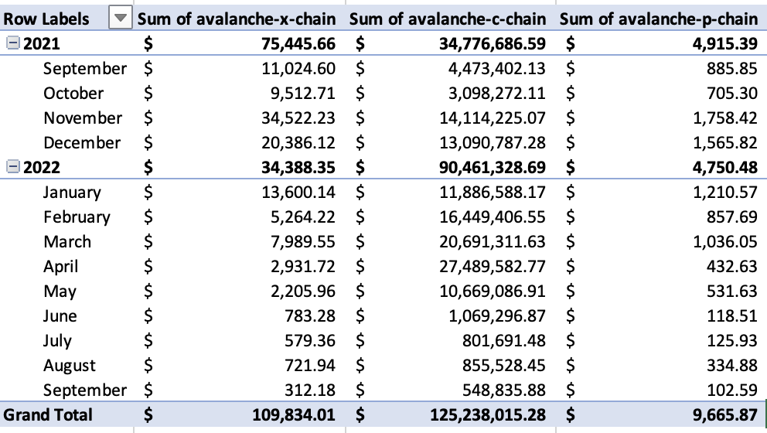
Row Labels | Sum of avalanche-x-chain | Sum of avalanche-c-chain | Sum of avalanche-p-chain
2021 | $75,445.66 | $34,776,686.59 | $4,915.39
September | $11,024.60 | $4,473,402.13 | $885.85
October | $9,512.71 | $3,098,272.11 | $705.30
November | $34,522.23 | $14,114,225.07 | $1,758.42
December | $20,386.12 | $13,090,787.28 | $1,565.82
2022 | $34,388.35 | $90,461,328.69 | $4,750.48
January | $13,600.14 | $11,886,588.17 | $1,210.57
February | $5,264.22 | $16,449,406.55 | $857.69
March | $7,989.55 | $20,691,311.63 | $1,036.05
April | $2,931.72 | $27,489,582.77 | $432.63
May | $2,205.96 | $10,669,086.91 | $531.63
June | $783.28 | $1,069,296.87 | $118.51
July | $579.36 | $801,691.48 | $125.93
August | $721.94 | $855,528.45 | $334.88
September | $312.18 | $548,835.88 | $102.59
Grand Total | $109,834.01 | $125,238,015.28 | $9,665.87

Row Labels | Sum of curve-ethereum | Sum of curve-arbitrum | Sum of curve-polygon | Sum of curve-avalanche | Sum of curve-fantom | Sum of curve-xdai | Sum of curve-optimism
2021 | $45,850,292.91 | $865,676.67 | $1,696,872.15 | $865,760.99 | $1,863,022.69
September | $8,075,416.05 | $76,623.86 | $297,247.30 | $76,623.86 | $183,675.77
October | $10,763,962.67 | $266,329.76 | $514,272.64 | $266,414.08 | $651,886.62
November | $11,386,423.24 | $250,080.93 | $360,703.42 | $250,080.93 | $540,559.94
December | $15,624,490.94 | $272,642.12 | $524,648.78 | $272,642.12 | $486,900.35
2022 | $84,257,373.86 | $1,607,482.56 | $3,077,625.11 | $1,607,906.77 | $3,800,205.62 | $153,947.55 | $313,683.05
January | $19,853,178.97 | $459,218.22 | $559,878.32 | $459,218.22 | $1,155,124.93 |  | $996.02
February | $9,577,583.36 | $194,553.55 | $455,022.21 | $194,553.55 | $719,106.08 | $4,233.75 | $1,970.85
March | $9,412,652.92 | $132,972.43 | $346,642.35 | $133,396.64 | $563,750.29 | $12,240.89 | $3,249.67
April | $10,569,753.32 | $96,375.12 | $363,161.40 | $96,375.12 | $390,405.74 | $20,400.77 | $9,493.92
May | $18,166,523.27 | $229,341.00 | $584,388.55 | $229,341.00 | $697,726.80 | $61,378.27 | $62,288.22
June | $6,983,268.49 | $198,162.19 | $353,440.09 | $198,162.19 | $141,005.33 | $31,691.69 | $88,316.09
July | $4,092,424.07 | $118,644.22 | $186,480.03 | $118,644.22 | $62,309.79 | $9,854.84 | $30,464.13
August | $3,135,058.46 | $90,284.72 | $123,150.65 | $90,284.72 | $47,715.55 | $8,217.05 | $73,612.89
September | $2,466,930.99 | $87,931.12 | $105,461.50 | $87,931.12 | $23,061.10 | $5,930.28 | $43,291.26
Grand Total | $130,107,666.77 | $2,473,159.23 | $4,774,497.25 | $2,473,667.76 | $5,663,228.31 | $153,947.55 | $313,683.05

