CustomerPivotTable
back
 | Customer Pivot Table

 | Here we are analysing the relationship between costumer-product and revenue's cost and units sold

 | Row Labels | Sum of Revenue | Sum of Cost | Sum of Units Sold
 | Gingerbread Man | €1,789.00 | 891 | 1789
 | Connellys | €934.00 | 466 | 934
 | Fitzgerald | €424.00 | 211 | 424
 | Romarics | €147.00 | 73 | 147
 | WFL | €284.00 | 141 | 284
 | Grand Total | €1,789.00 | 891 | 1789

RevenueCostPivotTable
back

 | Sum of Revenue | Sum of Cost
Chocolate Chip Cookie | 13292 | 5308
Fruit Scone | 6883 | 3151
Gingerbread Man | 1789 | 891
Jam Doughnut | 3896 | 1620
Plain Scone | 4451 | 1664
Ring Doughnut | 6471 | 2843
(blank)
 | Row Labels | Sum of Revenue | Sum of Cost
 | Chocolate Chip Cookie | 13292 | 5308
 | Fruit Scone | 6883 | 3151
 | Gingerbread Man | 1789 | 891
 | Jam Doughnut | 3896 | 1620
 | Plain Scone | 4451 | 1664
 | Ring Doughnut | 6471 | 2843
 | (blank)
 | Grand Total | 36782 | 15477

CorrelationMatrix
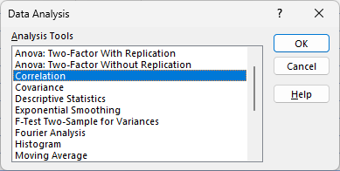
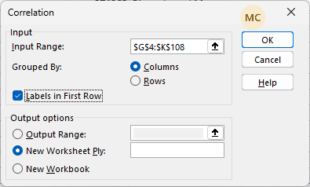
back

 |  | Step 2

 |  | Revenue | Cost | Units Sold | Date | Discount
 | Revenue
 | Cost | 0.99
 | Units Sold | 0.72 | 0.72
 | Date | -0.08 | -0.08 | -0.08 |  |  | Step 1 | Step 2
 | Discount | 0.88 | 0.87 | 0.64 | -0.05

