Format and guidance
Report Structure and Format Guidelines |  | Code Submission Format |  | General Formatting Guidelines |  | Video Demonstration Format |  | Free Form Drawing in Excel (EXTERNAL LINK) | How to Enable the Draw Tab in Excel
Section | Details | Section | Details | Section | Details | Section | Details |  | Go to File, select Excel Options, and choose Customize Ribbon.
Title Page | Include the project title, your name, course name, and date of submission. If using LaTeX, ensure proper formatting of the title page using document classes or templates. | Folder Structure | While students have flexibility in how they organize their project files, the structure should be clear and well-labeled. For example: | Use of LaTeX (Optional) | Students are encouraged to use LaTeX for report formatting. If using LaTeX, consider formatting the report in a one or two-column format. Overleaf is recommended for its ease of use and collaboration features. | Length | Keep the video between 3-4 minutes. The video should provide a concise demonstration of your project, focusing on key features like the implementation of algorithms, performance comparisons, and Gantt chart explanations. |  | Select Draw from the Main Tabs section and press OK.
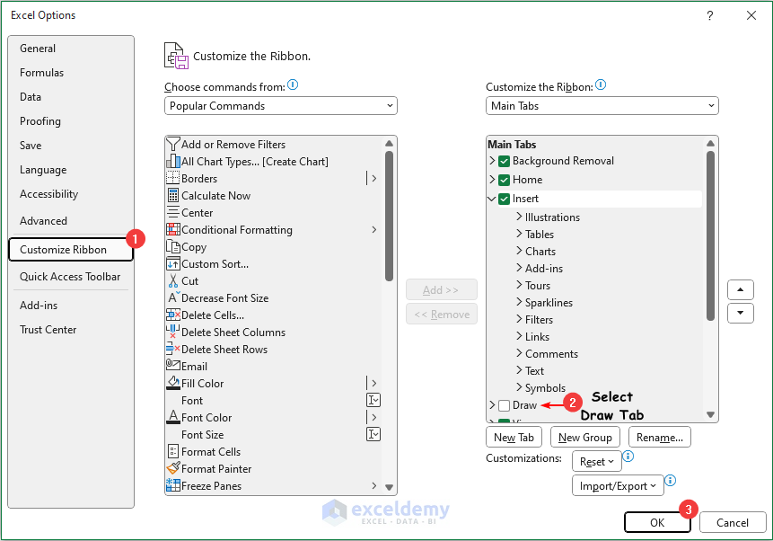
Executive Summary | Provide a brief overview of your project, outlining key objectives, methods, and results. This should be concise and give a high-level summary of your findings and conclusions. |  | - src/: Source code | Use of Excel | Excel should be used for creating charts and Gantt charts. These charts should be clearly labeled and exported as part of the final report. Ensure that the charts are also included in the submitted Excel file for reference. | Clarity | Ensure the video is clear and that the code and charts being presented are legible. Your voice should be audible, and any explanations of the implementation should be easy to follow.
Introduction | Introduce the problem you are addressing, the algorithms you selected, and the objectives of your project. Explain the relevance of CPU scheduling or deadlock detection in an operating system’s performance. |  | - docs/: Documentation (e.g., README, report, etc.) | File Naming | Use clear and consistent file names for all submissions. Each file (code, report, charts) should follow a standard naming convention, e.g., lastname_project_report.pdf, lastname_gantt_chart.xlsx. | Content | The video should include:
Methodology | Detail how you implemented the scheduling algorithms or deadlock detection methods. Explain any assumptions made, the steps taken to implement your approach, and the tools you used (e.g., Excel, programming languages, etc.). |  | - charts/: Excel files for performance charts, Gantt charts. | Deadlines | Ensure that all files are submitted before the deadline. Late submissions may not be accepted unless an extension has been granted in advance. |  | - A brief introduction to the project
Performance Metrics | Define the key metrics used to evaluate your algorithms (e.g., average wait time, turnaround time, CPU utilization). Explain how these metrics were calculated and their significance in the context of CPU scheduling or deadlock detection. | Major Caveat | The code must run as submitted. Ensure that the project is in a working structure, so it can be executed without requiring additional configuration. Test the code before submission to confirm that it runs properly. | Video Tutorial | Getting Started with Latex |  | - A demonstration of the scheduling algorithms or deadlock handling in action
Analysis and Results | Present your analysis using both written explanations and visuals (charts, graphs). Compare algorithms based on metrics and provide insights into their performance. This section should be backed by data and detailed analysis. | README File | Include a README.md file that explains how to set up and run the project. If specific instructions are needed for your setup, such as libraries or dependencies, document them clearly to avoid confusion. |  |  |  | - Highlights of performance differences
Gantt Charts | Include Gantt charts (created using Excel) showing the execution order of processes. Ensure the charts are clearly labeled and explained in the report. Highlight the differences in how each scheduling algorithm manages process execution. | File Naming Conventions | Use consistent and descriptive file names that clearly indicate the purpose of each file. For instance: |  |  |  | - A Gantt chart explanation.
Conclusion | Summarize the key findings from your project. Reflect on what you learned and provide recommendations for the situations where specific algorithms might be better suited. |  | - cpu_scheduler_algorithm.py |  |  | Submission Format | Submit the video in a common format (e.g., MP4, AVI). If the file size is too large, consider uploading the video to a platform like YouTube or Vimeo and providing a link. Ensure the video is either unlisted or accessible with the link.
References | Cite any sources used during your research. Include papers, textbooks, or online resources that informed your implementation and analysis. Follow a consistent citation style (e.g., IEEE, ACM). |  | - performance_report.pdf
 |  |  | - gantt_chart.xlsx.
 |  | Commenting Code | Ensure that your code is well-commented, especially around key functions and areas where you implemented changes. The comments should explain the functionality and assumptions made in the code.
 |  | GitHub Submission (Optional) | If you submit your project via GitHub, make sure the repository is clean and well-documented. Provide a link to the repository with your submission and include instructions for running the project in the repository's README file.

