Player's stats
KDA |  |  |  | Kill Participation |  | CS per min.

1st PLAYER | #DIV/0! |  |  | 1st PLAYER | #DIV/0! | 1st PLAYER | #DIV/0!
2nd PLAYER | #DIV/0! |  |  | 2nd PLAYER | #DIV/0! | 2nd PLAYER | #DIV/0!
3rd PLAYER | #DIV/0! |  |  | 3rd PLAYER | #DIV/0! | 3rd PLAYER | #DIV/0!
4th PLAYER | #DIV/0! |  |  | 4th PLAYER | #DIV/0! | 4th PLAYER | #DIV/0!
5th PLAYER | #DIV/0! |  |  | 5th PLAYER | #DIV/0! | 5th PLAYER | #DIV/0!

Gold % |  |  |  | Dmg % |  | Gold per min.

1st PLAYER | #DIV/0! |  |  | 1st PLAYER | #DIV/0! | 1st PLAYER | #DIV/0!
2nd PLAYER | #DIV/0! |  |  | 2nd PLAYER | #DIV/0! | 2nd PLAYER | #DIV/0!
3rd PLAYER | #DIV/0! |  |  | 3rd PLAYER | #DIV/0! | 3rd PLAYER | #DIV/0!
4th PLAYER | #DIV/0! |  |  | 4th PLAYER | #DIV/0! | 4th PLAYER | #DIV/0!
5th PLAYER | #DIV/0! |  |  | 5th PLAYER | #DIV/0! | 5th PLAYER | #DIV/0!

 |  |  |  |  |  |  |  | COLOR CODE:
CS diff. @ 15 min. |  |  |  | GOLD diff. @ 15 min. |  |  |  | TOP
 |  |  |  |  |  |  |  | JUNGLE
1st PLAYER | #DIV/0! |  |  | 1st PLAYER | #DIV/0! |  |  | MID
2nd PLAYER | #DIV/0! |  |  | 2nd PLAYER | #DIV/0! |  |  | ADC
3rd PLAYER | #DIV/0! |  |  | 3rd PLAYER | #DIV/0! |  |  | SUPPORT
4th PLAYER | #DIV/0! |  |  | 4th PLAYER | #DIV/0!
5th PLAYER | #DIV/0! |  |  | 5th PLAYER | #DIV/0!

Dmg per min. |  |  |  | Dmg per Gold unit

1st PLAYER | #DIV/0! |  |  | 1st PLAYER | #DIV/0!
2nd PLAYER | #DIV/0! |  |  | 2nd PLAYER | #DIV/0!
3rd PLAYER | #DIV/0! |  |  | 3rd PLAYER | #DIV/0!
4th PLAYER | #DIV/0! |  |  | 4th PLAYER | #DIV/0!
5th PLAYER | #DIV/0! |  |  | 5th PLAYER | #DIV/0!

control wards BOUGHT
WARDS PLACED
WARDS DESTROYED

Vision

1st PLAYER | #DIV/0! | #DIV/0! | #DIV/0!
2nd PLAYER | #DIV/0! | #DIV/0! | #DIV/0!
3rd PLAYER | #DIV/0! | #DIV/0! | #DIV/0!
4th PLAYER | #DIV/0! | #DIV/0! | #DIV/0!
5th PLAYER | #DIV/0! | #DIV/0! | #DIV/0!

Team stats
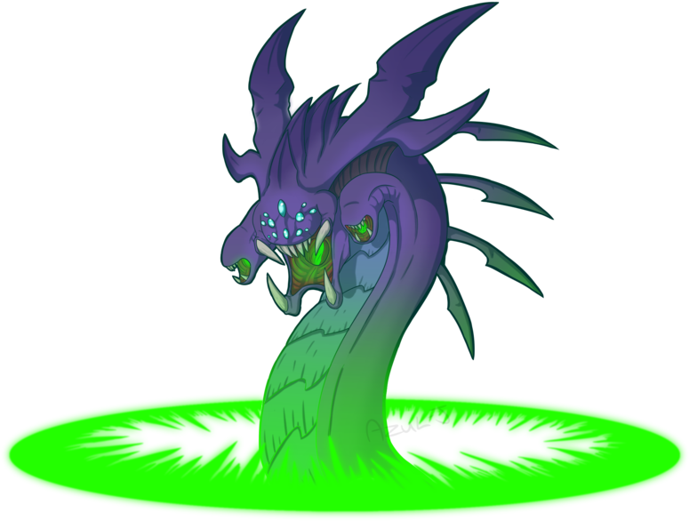
 |  |  |  |  |  |  |  | *avg stats by game
 |  |  |  | Drakes

 |  |  |  | TeamName |  |  |  |  | Enemy
 |  |  |  | #DIV/0! |  |  |  |  | #DIV/0!
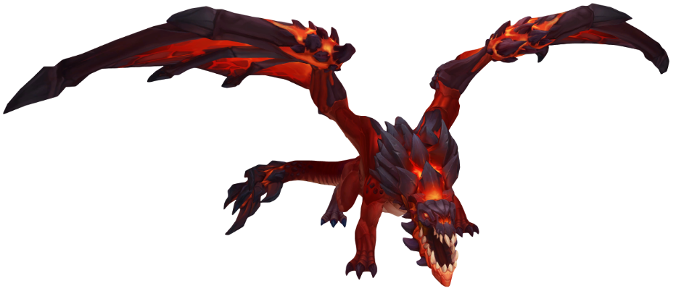

 |  |  |  | #DIV/0! | #DIV/0! | #DIV/0! | #DIV/0! | #DIV/0! | #DIV/0! | #DIV/0! | #DIV/0! | #DIV/0! | #DIV/0!

 |  |  | Towers |  |  |  | Nashors |  |  |  |  | Heralds
 |  |  | TeamName | Enemy |  |  | TeamName |  | Enemy |  |  | TeamName |  | Enemy
 |  |  | #DIV/0! | #DIV/0! |  |  | #DIV/0! |  | #DIV/0! |  |  | #DIV/0! |  | #DIV/0!

Game Time | Kills |  | Deaths | Kills/Towers |  |  | % 1st Tower |  |  | % 1st Drake |  |  | % 1st Herald |  | % 1st Baron | % 1st Blood

#DIV/0! | #DIV/0! |  | #DIV/0! | #DIV/0! |  |  | #DIV/0! |  |  | #DIV/0! |  |  | #DIV/0! |  | #DIV/0! | #DIV/0!

 | Winrate |  |  |  |  |  |  |  |  | Blue/Red Winrate

 | WIN | 0 |  |  |  |  |  |  |  | BLUE SIDE WIN |  |  | 0
 | LOSE | 0 |  |  |  |  |  |  |  | RED SIDE WIN |  |  | 0

Champions Played Stats

1st PLAYER |  |  |  |  | 2nd PLAYER |  |  |  |  | 3rd PLAYER |  |  |  |  | 4th PLAYER |  |  |  |  | 5th PLAYER
 | Champion | Games | Wins | Winrate |  | Champion | Games | Wins | Winrate |  | Champion | Games | Wins | Winrate |  | Champion | Games | Wins | Winrate |  | Champion | Games | Wins | Winrate
#NAME? |  |  |  | #DIV/0! | #NAME? |  |  |  | #DIV/0! | #NAME? |  |  |  | #DIV/0! | #NAME? |  |  |  | #DIV/0! | #NAME? |  |  |  | #DIV/0!
#NAME? |  |  |  | #DIV/0! | #NAME? |  |  |  | #DIV/0! | #NAME? |  |  |  | #DIV/0! | #NAME? |  |  |  | #DIV/0! | #NAME? |  |  |  | #DIV/0!
#NAME? |  |  |  | #DIV/0! | #NAME? |  |  |  | #DIV/0! | #NAME? |  |  |  | #DIV/0! | #NAME? |  |  |  | #DIV/0! | #NAME? |  |  |  | #DIV/0!
#NAME? |  |  |  | #DIV/0! | #NAME? |  |  |  | #DIV/0! | #NAME? |  |  |  | #DIV/0! | #NAME? |  |  |  | #DIV/0! | #NAME? |  |  |  | #DIV/0!
#NAME? |  |  |  | #DIV/0! | #NAME? |  |  |  | #DIV/0! | #NAME? |  |  |  | #DIV/0! | #NAME? |  |  |  | #DIV/0! | #NAME? |  |  |  | #DIV/0!
#NAME? |  |  |  | #DIV/0! | #NAME? |  |  |  | #DIV/0! | #NAME? |  |  |  | #DIV/0! | #NAME? |  |  |  | #DIV/0! | #NAME? |  |  |  | #DIV/0!
#NAME? |  |  |  | #DIV/0! | #NAME? |  |  |  | #DIV/0! | #NAME? |  |  |  | #DIV/0! | #NAME? |  |  |  | #DIV/0! | #NAME? |  |  |  | #DIV/0!
#NAME? |  |  |  | #DIV/0! | #NAME? |  |  |  | #DIV/0! | #NAME? |  |  |  | #DIV/0! | #NAME? |  |  |  | #DIV/0! | #NAME? |  |  |  | #DIV/0!
#NAME? |  |  |  | #DIV/0! | #NAME? |  |  |  | #DIV/0! | #NAME? |  |  |  | #DIV/0! | #NAME? |  |  |  | #DIV/0! | #NAME? |  |  |  | #DIV/0!
#NAME? |  |  |  | #DIV/0! | #NAME? |  |  |  | #DIV/0! | #NAME? |  |  |  | #DIV/0! | #NAME? |  |  |  | #DIV/0! | #NAME? |  |  |  | #DIV/0!
#NAME? |  |  |  | #DIV/0! | #NAME? |  |  |  | #DIV/0! | #NAME? |  |  |  | #DIV/0! | #NAME? |  |  |  | #DIV/0! | #NAME? |  |  |  | #DIV/0!
#NAME? |  |  |  | #DIV/0! | #NAME? |  |  |  | #DIV/0! | #NAME? |  |  |  | #DIV/0! | #NAME? |  |  |  | #DIV/0! | #NAME? |  |  |  | #DIV/0!
#NAME? |  |  |  | #DIV/0! | #NAME? |  |  |  | #DIV/0! | #NAME? |  |  |  | #DIV/0! | #NAME? |  |  |  | #DIV/0! | #NAME? |  |  |  | #DIV/0!
#NAME? |  |  |  | #DIV/0! | #NAME? |  |  |  | #DIV/0! | #NAME? |  |  |  | #DIV/0! | #NAME? |  |  |  | #DIV/0! | #NAME? |  |  |  | #DIV/0!
 |  | 0 | 0 |  |  |  | 0 | 0 |  |  |  | 0 | 0 |  |  |  | 0 | 0 |  |  |  | 0 | 0

