Mono
Type | Test Case | Details of test case | Result | Remarks
PlayBack | Bypass mode Playback | ASLA Commands: amixer cset numid=2,iface=MIXER,name="Program" 1 amixer cset numid=3,iface=MIXER,name="Configuration" 0 amixer cset numid=1,iface=MIXER,name='TASDEVICE Profile id' 0 aplay --device="hw:0,0" test.wav & | PASS | Audio Playback working as expected on Bypass mode
 |  | TinyALSA Commands: tinymix set "Program" 1 tinymix set "Configuration" 0 tinymix set "TASDEVICE Profile id" 0 tinyplay test.wav -D 0 -d 0 & | PASS
 | Tunning mode Playback | ASLA Commands: amixer cset numid=2,iface=MIXER,name="Program" 0 amixer cset numid=3,iface=MIXER,name="Configuration" 0 amixer cset numid=1,iface=MIXER,name='TASDEVICE Profile id' 4 aplay --device="hw:0,0" test.wav & | PASS | tas2781_dsp.bin is geberated by ppc3 Audio Playback working as expected on Tunning mode
 |  | TinyALSA Commands: tinymix set "Program" 0 tinymix set "Configuration" 0 tinymix set "TASDEVICE Profile id" 4 tinyplay test.wav -D 0 -d 0 & | PASS
Echo reference | Verify echo reference | ASLA Commands: amixer cset numid=2,iface=MIXER,name="Program" 0 amixer cset numid=3,iface=MIXER,name="Configuration" 0 amixer cset numid=1,iface=MIXER,name='TASDEVICE Profile id' 4 aplay -f S16_LE -r 48000 --device="hw:0,0" playback.wav & sleep 1 amixer cset numid=2,iface=MIXER,name='TASDEVICE Profile id' 5 arecord -c 2 -f S16_LE -r 48000 -d 15 --device="hw:0,0" echoref.wav & | PASS | The playback.wav is the input audio, which is 48KHZ, stereo and 32bit wav file, echoref.wav is three dB smaller than playback.wav
 |  | TinyALSA Commands: tinymix set "Program" 0 tinymix set "Configuration" 0 tinymix set "TASDEVICE Profile id" 4 tinyplay -D 0 -d 0 playback.wav & sleep 1 tinymix set "'TASDEVICE Profile id" 5 tinycap -c 2 -b 16 -r 48000 -d 15 -D 0 -d 0 echoref.wav & | PASS
Calibration | Open circuit | Remove speaker or resistance from output port. Play a seilence audio stream for 15s, then run the tas2781_ftc tool with root permission. Shell script: amixer cset numid=1,iface=MIXER,name="Program" 0 amixer cset numid=3,iface=MIXER,name="Configuration" 1 amixer cset numid=2,iface=MIXER,name='TASDEVICE Profile id' 4 aplay --device="hw:0,0" silence.wav & sleep 15 ./tas2781_ftc | PASS | Calculated Re value is 13.4ohm
 | Short circuit | connect output ports with wires Play a seilence audio stream for 15s, then run the tas2781_ftc tool with root permission. Shell script: amixer cset numid=1,iface=MIXER,name="Program" 0 amixer cset numid=3,iface=MIXER,name="Configuration" 1 amixer cset numid=2,iface=MIXER,name='TASDEVICE Profile id' 4 aplay --device="hw:0,0" silence.wav & sleep 15 ./tas2781_ftc | PASS | Calculated Re value is 0.0ohm
 | Connect to a 7.5 ohm speaker | connect output ports with 7.5ohm speaker. Play a seilence audio stream for 15s, then run the tas2781_ftc tool with root permission. Shell script: amixer cset numid=1,iface=MIXER,name="Program" 0 amixer cset numid=3,iface=MIXER,name="Configuration" 1 amixer cset numid=2,iface=MIXER,name='TASDEVICE Profile id' 4 aplay --device="hw:0,0" silence.wav & sleep 15 ./tas2781_ftc | PASS | Calculated Re value is 7.6ohm
Alsa command | #amixer contents | numid=3,iface=MIXER,name='Configuration' ; type=INTEGER,access=rw------,values=1,min=0,max=1,step=0 : values=0 numid=2,iface=MIXER,name='Program' ; type=INTEGER,access=rw------,values=1,min=0,max=1,step=0 : values=0 numid=1,iface=MIXER,name='TASDEVICE Profile id' ; type=INTEGER,access=rw------,values=1,min=0,max=6,step=1 : values=4 | PASS
 | #tinymix contents | ctl type num name value 0 INT 1 TASDEVICE Profile id 4 (range 0->6) 1 INT 1 Program 0 (range 0->1) 2 INT 1 Configuration 0 (range 0->1) | PASS
 | #alsamixer | 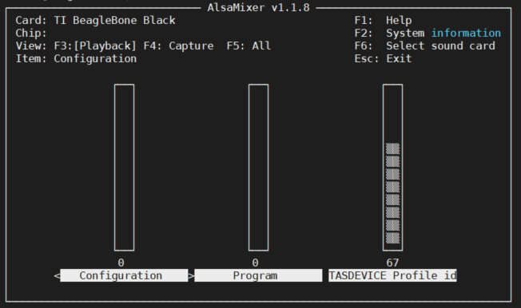 | PASS
The interface of cal bin read in | request_firmware() | Put cal bin into kernel path: "firmware/" | PASS | Works at boot up
 | filp_open() | Put cal bin into user path: "/lib/firmware/",make sure cal bin is not in kernel path: "firmware/" | PASS | Cannot open at bootup, works at first time load dsp configuration.

* All attachments are present in S-Drop

