Лист1
Y = +(1,5,8,10,11,12,14)
 |  |  |  |  |  |  |  |  |  | 000 | 001 | 011 | 010 | 110 | 111 | 101 | 100
10cc | 2cc |  |  |  |  |  |  |  | 00 | 1 |  |  |  |  | 1 | 1 | 1
1 | 0001 | + |  |  |  |  |  |  | 01 | 1 |  |  | 1 |  | 1 | 1 | 1
5 | 0101 | + |  |  |  |  |  |  | 11 | 1 |  |  | 1
8 | 1000 | + |  |  |  |  |  |  | 10 | 1 |  |  |  |  |  |  | 1
10 | 1010 | +
11 | 1011 |  |  |  |  |  |  |  | =>
12 | 1100
14 | 1110 |  |  |  |  |  |  |  |  | x5 |  |  |  | -x5
 |  |  |  |  |  |  |  |  |  | x1 |  | -x1 |  | x1 |  | -x1 |  |  | (x3*x5) + (x4*-x2*-x5) + (x1*-x3*-x5) + (-x3*-x4*x5) * (x3*-x2)
 | И-НЕ |  |  |  |  |  |  |  | x2 |  | 0 | 0 | 0 | 0 |  |  |  | -x4
 |  |  | x1 |  | не x1 |  |  | (-x4*x1) + (x4*-x3*-x1) + (x1*x3*-x2) |  |  | 0 | 0 |  | 0 |  |  |  | x4
 |  | x2 | 1 | 1 |  |  | не x4 | => | -x2 |  | 0 | 0 |  | 0 | 0 | 0 | 0
 |  |  |  |  |  | 1 | x4 | -(-(-x4*x1) * -(x4*-x3*-x1) * -(x1*x3*-x2)) |  |  | 0 | 0 | 0 | 0 | 0 | 0 |  | -x4
 |  | не x2 |  | 1 |  | 1 |  |  |  | -x3 | x3 |  | -x3 | -x3 | x3 |  | -x3
 |  |  | 1 | 1 |  |  | не x4
 |  |  | не x3 | x3 |  | не x3

 | ИЛИ-НЕ
 |  |  | x1 |  | не x1 |  |  | (x1+-x4) * (-x1+x3) * (-x3+x1) * (x2+x4+x1)
 |  | x2 |  |  | 0 | 0 | не x4 | =>
 |  |  | 0 | 0 | 0 |  | x4 | -(-(x1+-x4) * -(-x1+x3) * -(-x3+x1) * -(x2+x4+x1))
 |  | не x2 | 0 |  | 0
 |  |  |  |  | 0 | 0 | не x4
 |  |  | не x3 | x3 |  | не x3

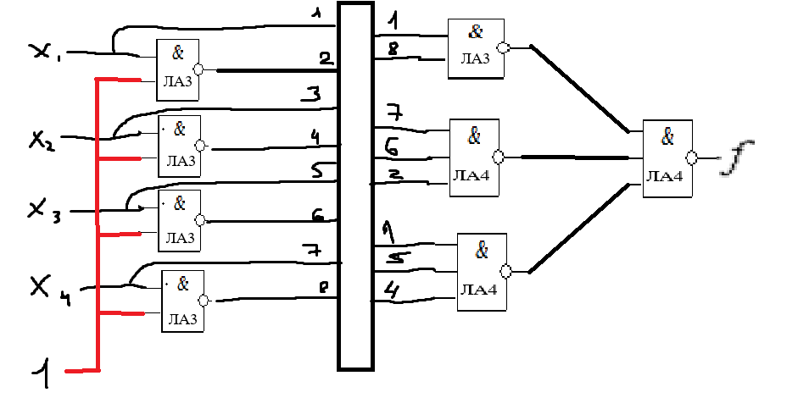
 | И-НЕ

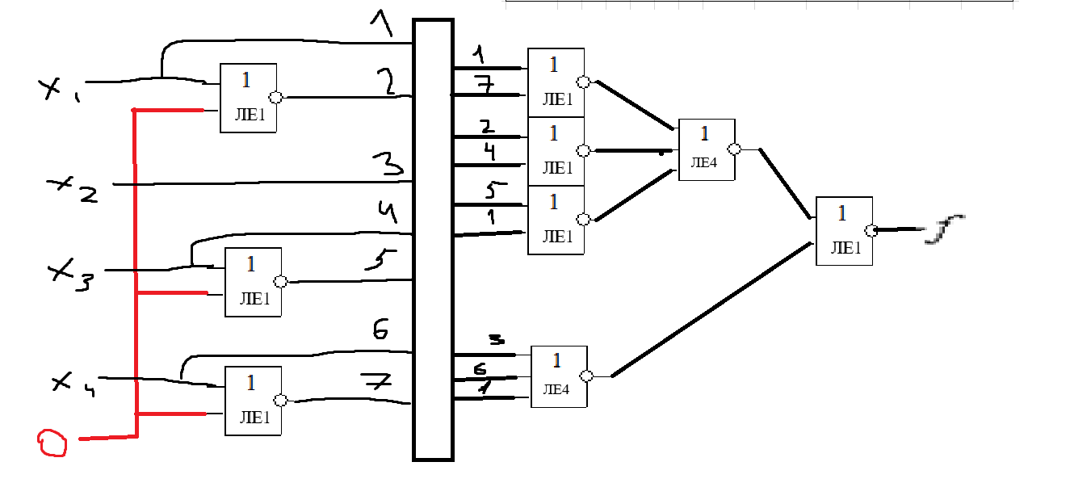
 | ИЛИ-НЕ

