Resources
https://arxiv.org/pdf/2306.15113.pdf

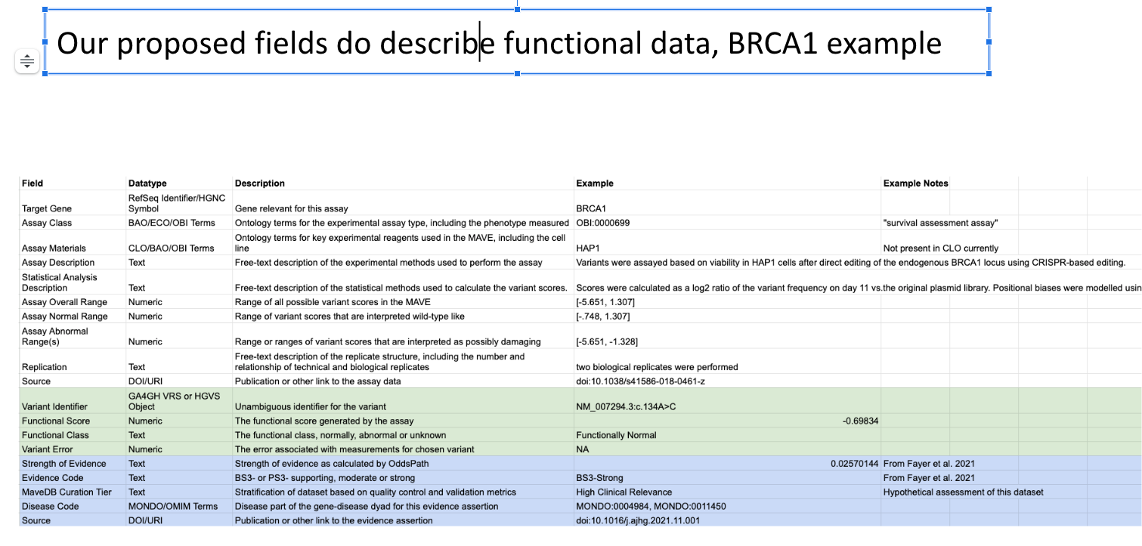

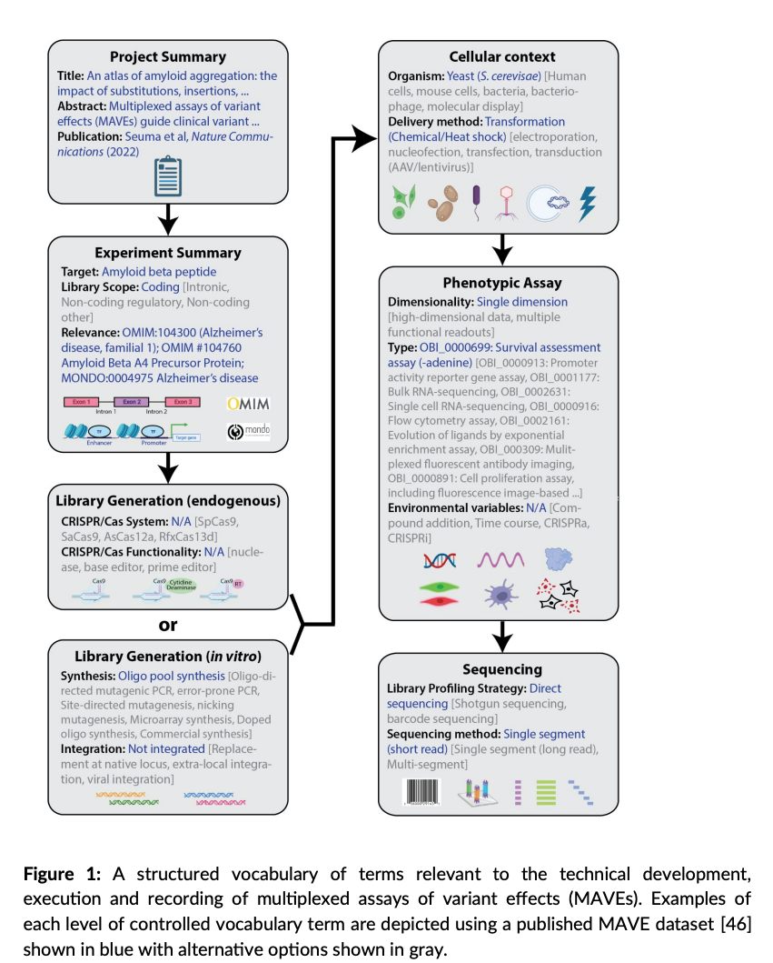

Variant (in mave hgvs) | Score | replicates | sd | conf intevals | NOT predictor scores, not gnomad

