TB_Assorted_summ
Count of size classes by station: |  |  |  | Summary of CI per station and overall (Molluscs calculation) |  |  |  |  |  | Summary of CI per station and overall (Hanley calculation) |  |  |  |  |  | Summary of oyster SH, TW, CI, and CI_Hanley by station
Legal (L) > 75mm, Adult (A) 25-75 mm, Spat (S) < 25mm

Station | A | L | S | Station | n | mean | se | min | max | Station | n | mean | se | min | max | Station | SHeight | TWeight | CIndex | CI_H
1 | 229 | 1 | 0 | 1 | 230 | 4.01 | 0.0898 | 1.46 | 8.42 | 1 | 230 | 15.1 | 0.27 | 7.1 | 29 | 1 | 49.8 | 16.6 | 4.01 | 15.1
2 | 228 | 1 | 1 | 2 | 230 | 4.18 | 0.095 | 1.12 | 9.09 | 2 | 230 | 11.5 | 0.232 | 4.25 | 27.3 | 2 | 53.9 | 24.7 | 4.18 | 11.5
3 | 219 | 11 | 0 | 3 | 230 | 3.86 | 0.0722 | 1.51 | 6.52 | 3 | 230 | 11 | 0.263 | 4.39 | 30.5 | 3 | 56.2 | 28.5 | 3.86 | 11
4 | 229 | 1 | 0 | 4 | 230 | 4.27 | 0.0845 | 1.7 | 9.27 | 4 | 230 | 13.8 | 0.262 | 6.48 | 29.5 | 4 | 51.9 | 19.8 | 4.27 | 13.8
5 | 211 | 19 | 0 | 5 | 230 | 4.67 | 0.133 | 1.24 | 10.7 | 5 | 230 | 11.4 | 0.281 | 3.4 | 29.4 | 5 | 58.8 | 32.9 | 4.67 | 11.4
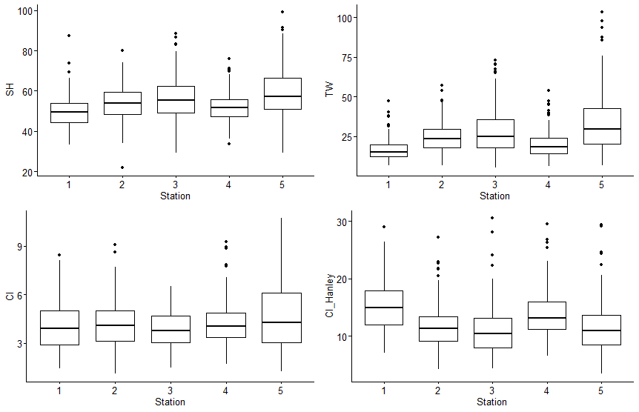
TB | 1116 | 33 | 1 | TB | 1150 | 4.2 | 0.0441 | 1.12 | 10.7 | TB | 1150 | 12.6 | 0.126 | 3.4 | 30.5
TB_Size_summ

Summary by station of mean amoung of oysters per sample with Cliona (Pres_Clio), Polydora (Pres_Poly), or both (Pres_Pests)
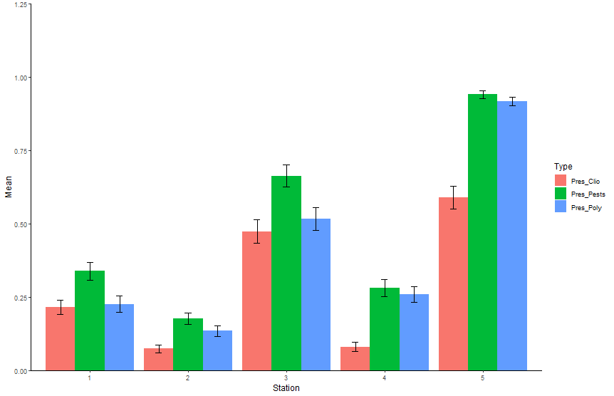
Station | Type | Mean | SE
1 | Pres_Clio | 0.215 | 0.0242
1 | Pres_Pests | 0.339 | 0.0304
1 | Pres_Poly | 0.226 | 0.0279
2 | Pres_Clio | 0.0739 | 0.0134
2 | Pres_Pests | 0.176 | 0.0198
2 | Pres_Poly | 0.135 | 0.0186
3 | Pres_Clio | 0.474 | 0.041
3 | Pres_Pests | 0.663 | 0.0377
3 | Pres_Poly | 0.517 | 0.0388
4 | Pres_Clio | 0.0804 | 0.0164
4 | Pres_Pests | 0.28 | 0.0292
4 | Pres_Poly | 0.259 | 0.0274
5 | Pres_Clio | 0.589 | 0.0389
5 | Pres_Pests | 0.941 | 0.0129
5 | Pres_Poly | 0.917 | 0.0149

Q1
Q1: WQ trends during study - overall min/max/mean; annual min/max/mean
*No data for April 2020. No Molluscs data for May 2020 (but there is Portal data)

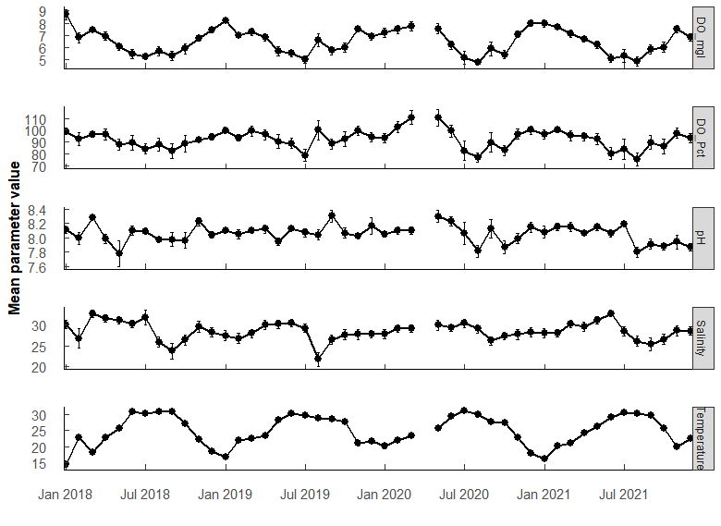
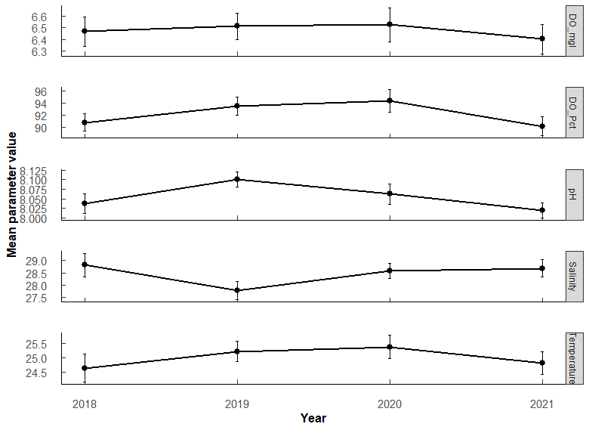

Parameter | n | Mean | SE | Min | Max | Year | Parameter | n | Mean | SE | Min | Max | PermaANOVA tests:
DO_Pct | 555 | 92.106726 | 0.79239368 | 10.6 | 152.6 | 2018 | DO_Pct | 141 | 90.8 | 1.44 | 35.3 | 133 | Comparing average annual valules. (Compare annual mean among years)
DO_mgl | 555 | 6.477313 | 0.06386955 | 0.68 | 11.8 | 2019 | DO_Pct | 147 | 93.5 | 1.45 | 48.3 | 141 | DO_mgL | Df | Sum Sq | Mean Sq | F value | Pr(>F)
Salinity | 555 | 28.453156 | 0.19077371 | 0.45 | 38.84 | 2020 | DO_Pct | 130 | 94.3 | 1.88 | 25.8 | 143 | Year | 3 | 1.2 | 0.4075 | 0.179 | 0.91
Temperature | 555 | 25.00375 | 0.20427659 | 8.05 | 33.3 | 2021 | DO_Pct | 137 | 90.2 | 1.58 | 10.6 | 153 | Residuals | 540 | 1228.1 | 2.2743
pH | 555 | 8.055833 | 0.01170206 | 6.2 | 8.78 | 2018 | DO_mgl | 141 | 6.47 | 0.126 | 2.41 | 11.8
 |  |  |  |  |  | 2019 | DO_mgl | 147 | 6.51 | 0.116 | 3.24 | 9.58
 |  |  |  |  |  | 2020 | DO_mgl | 130 | 6.53 | 0.145 | 1.79 | 10 | pH | Df | Sum Sq | Mean Sq | F value | Pr(>F)
 |  |  |  |  |  | 2021 | DO_mgl | 137 | 6.4 | 0.127 | 0.68 | 10.6 | Year | 3 | 0.52 | 0.17368 | 2.302 | 0.08
 |  |  |  |  |  | 2018 | Salinity | 141 | 28.8 | 0.469 | 0.45 | 38.8 | Residuals | 540 | 40.75 | 0.07546
 |  |  |  |  |  | 2019 | Salinity | 147 | 27.8 | 0.367 | 8.48 | 34.5
 |  |  |  |  |  | 2020 | Salinity | 130 | 28.6 | 0.3 | 19.8 | 34.6 | Salinity | Df | Sum Sq | Mean Sq | F value | Pr(>F)
 |  |  |  |  |  | 2021 | Salinity | 137 | 28.7 | 0.352 | 15.3 | 35.4 | Year | 3 | 93 | 31.06 | 1.542 | 0.20 | .
 |  |  |  |  |  | 2018 | Temperature | 141 | 24.6 | 0.474 | 8.05 | 33.3 | Residuals | 538 | 10834 | 20.14
 |  |  |  |  |  | 2019 | Temperature | 147 | 25.2 | 0.357 | 14.6 | 32.5
 |  |  |  |  |  | 2020 | Temperature | 130 | 25.4 | 0.395 | 15.8 | 32.9 | Temperature | Df | Sum Sq | Mean Sq | F value | Pr(>F)
 |  |  |  |  |  | 2021 | Temperature | 137 | 24.8 | 0.399 | 15.3 | 32.1 | Year | 3 | 46 | 15.48 | 0.667 | 0.57
 |  |  |  |  |  | 2018 | pH | 141 | 8.04 | 0.0262 | 6.2 | 8.46 | Residuals | 540 | 12529 | 23.2
 |  |  |  |  |  | 2019 | pH | 147 | 8.1 | 0.0197 | 7.31 | 8.78
 |  |  |  |  |  | 2020 | pH | 130 | 8.06 | 0.0272 | 6.72 | 8.62 | No significant difference among years in mean parameter values for any of the parameters.
 |  |  |  |  |  | 2021 | pH | 137 | 8.02 | 0.0199 | 7.25 | 8.45

Q2
Q2: WQ - which months most similar (i.e., seasonal trends)
PermANOVA, pairwise-t-test holm adjustment |  |  |  |  |  |  |  |  |  |  |  |  | PermANOVA, pairwise-t-test holm adjustment |  |  |  |  |  |  |  |  |  |  |  |  | PermANOVA, pairwise-t-test holm adjustment |  |  |  |  |  |  |  |  |  |  |  |  | PermANOVA, pairwise-t-test holm adjustment
Month_temp <- aovp(Temperature ~ Month, data = ungroup(TB_WQ_df), perm = "", nperm = 10000) |  |  |  |  |  |  |  |  |  |  |  |  | Month_sal <- aovp(Salinity ~ Month, data = ungroup(TB_WQ_df), perm = "", nperm = 10000) |  |  |  |  |  |  |  |  |  |  |  |  | Month_pH <- aovp(pH ~ Month, data = ungroup(TB_WQ_df), perm = "", nperm = 10000) |  |  |  |  |  |  |  |  |  |  |  |  | Month_DO <- aovp(DO_mgl ~ Month, data = ungroup(TB_WQ_df), perm = "", nperm = 10000)

TEMP | Df | Sum Sq | Mean Sq | F value | Pr(>F) |  |  |  |  |  |  |  | SALINITY | Df | Sum Sq | Mean Sq | F value | Pr(>F) |  |  |  |  |  |  |  | pH | Df | Sum Sq | Mean Sq | F value | Pr(>F) |  |  |  |  |  |  |  | DO mgL | Df | Sum Sq | Mean Sq | F value | Pr(>F)
Month | 11 | 10532 | 957.4 | 249.2 | 2.00E-16 | *** | F 11, 532 = 249.2, P < 0.001 |  |  |  |  |  | Month | 11 | 1777 | 161.58 | 9.359 | 1.85E-15 | *** | F 11, 530 = 9.359, P < 0.001 |  |  |  |  |  | Month | 11 | 2.94 | 0.26733 | 3.711 | 4.10E-05 | *** | F 11, 532 = 3.711, p < 0.001 |  |  |  |  |  | Month | 11 | 438.5 | 39.86 | 26.81 | 2.00E-16 | *** | F 11, 532 = 26.81, p < 0.001
Residuals | 532 | 2044 | 3.8 |  |  |  |  |  |  |  |  |  | Residuals | 530 | 9150 | 17.26 |  |  |  |  |  |  |  |  |  | Residuals | 532 | 38.33 | 0.07204 |  |  |  |  |  |  |  |  |  | Residuals | 532 | 790.9 | 1.49

Month | n | mean | sd | min | max | lower | upper | Letters | Comparison | p.value | p.adjust |  | Month | n | mean | sd | min | max | lower | upper | Letters | Comparison | p.value | p.adjust |  | Month | n | mean | sd | min | max | lower | upper | Letters | Comparison | p.value | p.adjust |  | Month | n | mean | sd | min | max | lower | upper | Letters | Comparison | p.value | p.adjust
1 | 41 | 16.806 | 2.958 | 8.05 | 24.1 | 13.848 | 19.764 | a | Jan-Feb | 1.95E-28 | 6.05E-27 | *** | 1 | 40 | 28.38 | 3.617 | 21.5 | 33.77 | 24.763 | 31.997 | abcd | Jan-Sep | 8.15e- 4 | 0.0399 | * | 1 | 41 | 8.084 | 0.172 | 7.56 | 8.37 | 7.912 | 8.256 | abc | Mar-Aug | 0.00000231 | 0.000153 | *** | 1 | 41 | 8.043 | 1.17 | 4.58 | 11.8 | 6.873 | 9.213 | a | Jan-Apr | 2.84e- 5 | 9.93E-04 | ***
2 | 47 | 21.721 | 1.639 | 18.533 | 25.85 | 20.082 | 23.36 | b | Jan-Mar | 5.35E-26 | 1.60E-24 | *** | 2 | 47 | 27.723 | 5.279 | 0.45 | 32.81 | 22.444 | 33.002 | abce | Feb-May | 6.52e- 4 | 0.0332 | * | 2 | 47 | 8.074 | 0.22 | 7.3 | 8.45 | 7.854 | 8.294 | abc | Mar-Oct | 0.0000381 | 0.00244 | ** | 2 | 47 | 7.243 | 1.019 | 4.09 | 9.77 | 6.224 | 8.262 | ab | Jan-May | 3.08E-11 | 1.60E-09 | ***
3 | 53 | 21.342 | 2.673 | 15.3 | 26.8 | 18.669 | 24.015 | b | Jan-Apr | 4.42E-39 | 1.68E-37 | *** | 3 | 53 | 29.93 | 3.626 | 21.61 | 35.45 | 26.304 | 33.556 | ad | Feb-Jun | 4.58e- 4 | 0.0243 | * | 3 | 53 | 8.16 | 0.183 | 7.67 | 8.42 | 7.977 | 8.343 | a | Jun-Aug | 0.0000363 | 0.00236 | ** | 3 | 53 | 7.414 | 1.09 | 5.02 | 10.03 | 6.324 | 8.504 | ab | Jan-Jun | 1.2E-19 | 7.54E-18 | ***
4 | 32 | 23.376 | 1.74 | 20.8 | 28.15 | 21.636 | 25.116 | c | Jan-May | 5.62E-82 | 3.20E-80 | *** | 4 | 32 | 30.527 | 3.294 | 23.65 | 35.22 | 27.233 | 33.821 | ad | Mar-Aug | 8.12e- 7 | 0.0000479 | *** | 4 | 32 | 8.053 | 0.194 | 7.51 | 8.37 | 7.859 | 8.247 | abc | Jun-Oct | 0.000397 | 0.025 | * | 4 | 32 | 6.829 | 0.959 | 4.58 | 8.65 | 5.87 | 7.788 | bc | Jan-Jul | 2.01E-23 | 1.33E-21 | ***
5 | 45 | 26.556 | 1.743 | 23 | 30.94 | 24.813 | 28.299 | d | Jan-Jun | 2.58E-122 | 1.65E-120 | *** | 5 | 44 | 30.712 | 3.352 | 22.67 | 34.69 | 27.36 | 34.064 | d | Mar-Sep | 3.56e- 8 | 0.00000221 | *** | 5 | 45 | 8.016 | 0.396 | 6.2 | 8.62 | 7.62 | 8.412 | abc | Jul-Aug | 0.000434 | 0.0265 | * | 5 | 45 | 6.257 | 1.302 | 3.34 | 9.39 | 4.955 | 7.559 | cd | Jan-Aug | 1.93E-21 | 1.26E-19 | ***
6 | 48 | 29.816 | 1.135 | 28.4 | 32.5 | 28.681 | 30.951 | ef | Jan-Jul | 4.88E-123 | 3.17E-121 | *** | 6 | 48 | 30.729 | 3.285 | 22.01 | 35.366 | 27.444 | 34.014 | d | Mar-Oct | 5.37e- 4 | 0.0279 | * | 6 | 48 | 8.133 | 0.195 | 7.73 | 8.48 | 7.938 | 8.328 | a | Aug-Sep | 0.000415 | 0.0257 | * | 6 | 48 | 5.597 | 1.214 | 3.16 | 8.1 | 4.383 | 6.811 | de | Jan-Sep | 1.11E-19 | 7.09E-18 | ***
7 | 40 | 30.468 | 1.09 | 28.6 | 32.9 | 29.378 | 31.558 | e | Jan-Aug | 1.03E-125 | 6.77E-124 | *** | 7 | 40 | 29.95 | 3.87 | 22.52 | 38.84 | 26.08 | 33.82 | acd | Apr-Aug | 8.40e- 7 | 0.0000487 | *** | 7 | 40 | 8.109 | 0.265 | 6.72 | 8.41 | 7.844 | 8.374 | ab |  |  |  |  | 7 | 40 | 5.208 | 1.333 | 0.68 | 7.74 | 3.875 | 6.541 | e | Jan-Oct | 1.94E-16 | 1.18E-14 | ***
8 | 49 | 30.05 | 1.907 | 20.1 | 32.5 | 28.143 | 31.957 | ef | Jan-Sep | 4.25E-121 | 2.68E-119 | *** | 8 | 49 | 25.819 | 5.19 | 8.48 | 33.026 | 20.629 | 31.009 | be | Apr-Sep | 6.48e- 8 | 0.00000395 | *** | 8 | 49 | 7.906 | 0.252 | 7.28 | 8.32 | 7.654 | 8.158 | c |  |  |  |  | 8 | 49 | 5.48 | 1.513 | 2.96 | 9.58 | 3.967 | 6.993 | de | Feb-May | 1.2 e- 4 | 3.83E-03 | **
9 | 57 | 29.232 | 1.757 | 25.4 | 33.3 | 27.475 | 30.989 | f | Jan-Oct | 1.48E-88 | 8.88E-87 | *** | 9 | 57 | 25.495 | 5.489 | 0.58 | 32.16 | 20.006 | 30.984 | e | Apr-Oct | 2.65e- 4 | 0.0143 | * | 9 | 57 | 8.092 | 0.388 | 6.81 | 8.78 | 7.704 | 8.48 | ab |  |  |  |  | 9 | 57 | 5.685 | 1.45 | 1.79 | 8.88 | 4.235 | 7.135 | de | Feb-Jun | 1.14E-10 | 5.47E-09 | ***
10 | 47 | 27.006 | 1.218 | 24.4 | 29.7 | 25.788 | 28.224 | d | Jan-Nov | 1.96E-23 | 5.68E-22 | *** | 10 | 47 | 27.03 | 3.973 | 18.08 | 32.09 | 23.057 | 31.003 | bce | May-Aug | 2.35e- 8 | 0.00000148 | *** | 10 | 47 | 7.937 | 0.287 | 6.93 | 8.29 | 7.65 | 8.224 | bc |  |  |  |  | 10 | 47 | 5.829 | 1.352 | 2.57 | 10.6 | 4.477 | 7.181 | de | Feb-Jul | 4.51E-14 | 2.61E-12 | ***
11 | 39 | 21.394 | 2.092 | 18 | 26.189 | 19.302 | 23.486 | b | Jan-Dec | 1.89E-14 | 4.34E-13 | *** | 11 | 39 | 28.412 | 3.822 | 21.19 | 34.009 | 24.59 | 32.234 | abcd | May-Sep | 8.10E-10 | 5.27E-08 | *** | 11 | 39 | 8.042 | 0.227 | 7.25 | 8.46 | 7.815 | 8.269 | abc |  |  |  |  | 11 | 39 | 7.236 | 0.857 | 5.99 | 9.34 | 6.379 | 8.093 | ab | Feb-Aug | 4.58E-12 | 2.43E-10 | ***
12 | 46 | 20.123 | 2.506 | 15.805 | 24.8 | 17.617 | 22.629 | g | Feb-Apr | 2.53E-04 | 3.28E-03 | ** | 12 | 46 | 28.244 | 3.341 | 19.8 | 32.15 | 24.903 | 31.585 | abcd | May-Oct | 2.83e- 5 | 0.00156 | ** | 12 | 46 | 8.055 | 0.275 | 7.59 | 8.741 | 7.78 | 8.33 | abc |  |  |  |  | 12 | 46 | 7.277 | 1.003 | 5.03 | 9.603 | 6.274 | 8.28 | ab | Feb-Sep | 2.04E-10 | 9.40E-09 | ***
 |  |  |  |  |  |  |  |  | Feb-May | 8.22E-29 | 2.63E-27 | *** |  |  |  |  |  |  |  |  |  | Jun-Aug | 1.03e- 8 | 0.000000657 | *** |  |  |  |  |  |  |  |  |  |  |  |  |  |  |  |  |  |  |  |  |  |  | Feb-Oct | 3.08e- 8 | 1.29E-06 | ***
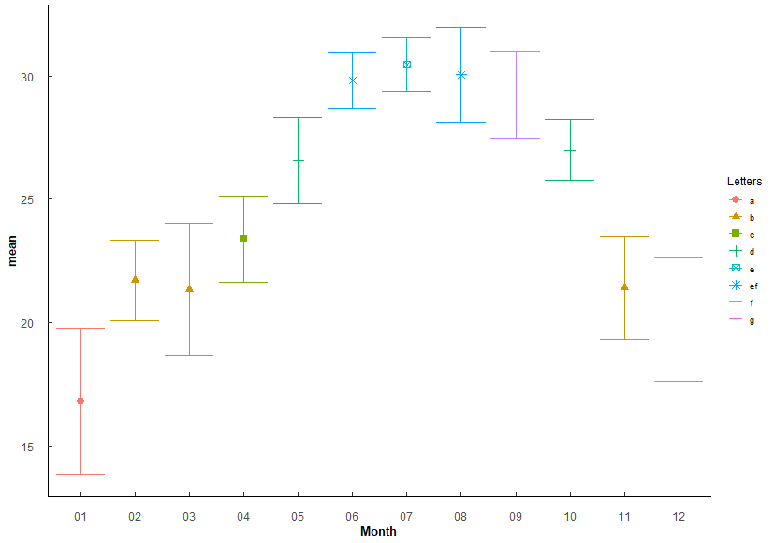
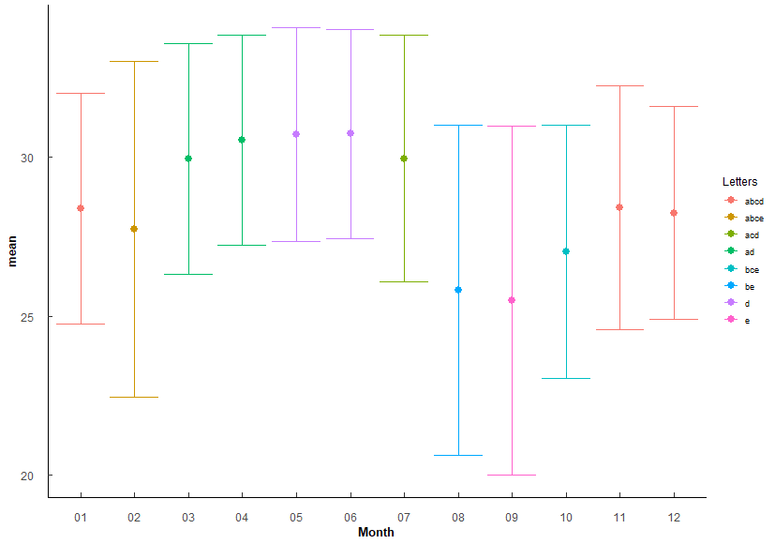
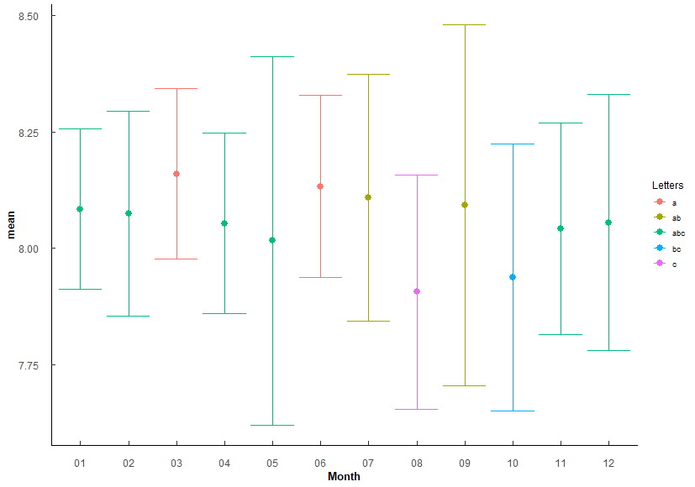
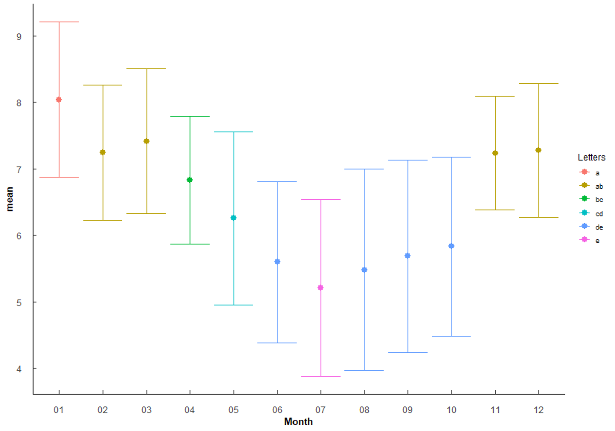
 |  |  |  |  |  |  |  |  | Feb-Jun | 2.11E-67 | 1.01E-65 | *** |  |  |  |  |  |  |  |  |  | Jun-Sep | 2.84E-10 | 1.87E-08 | *** |  |  |  |  |  |  |  |  |  |  |  |  |  |  |  |  |  |  |  |  |  |  | Mar-May | 3.63e- 6 | 1.38E-04 | ***
 |  |  |  |  |  |  |  |  | Feb-Jul | 1.75E-70 | 8.91E-69 | *** |  |  |  |  |  |  |  |  |  | Jun-Oct | 1.72e- 5 | 0.000964 | *** |  |  |  |  |  |  |  |  |  |  |  |  |  |  |  |  |  |  |  |  |  |  | Mar-Jun | 3.08E-13 | 1.76E-11 | ***
 |  |  |  |  |  |  |  |  | Feb-Aug | 7.94E-71 | 4.13E-69 | *** |  |  |  |  |  |  |  |  |  | Jul-Aug | 3.91e- 6 | 0.000223 | *** |  |  |  |  |  |  |  |  |  |  |  |  |  |  |  |  |  |  |  |  |  |  | Mar-Jul | 6.76E-17 | 4.19E-15 | ***
 |  |  |  |  |  |  |  |  | Feb-Sep | 4.81E-64 | 2.21E-62 | *** |  |  |  |  |  |  |  |  |  | Jul-Sep | 2.88e- 7 | 0.0000173 | *** |  |  |  |  |  |  |  |  |  |  |  |  |  |  |  |  |  |  |  |  |  |  | Mar-Aug | 7.67E-15 | 4.60E-13 | ***
 |  |  |  |  |  |  |  |  | Feb-Oct | 4.74E-34 | 1.61E-32 | *** |  |  |  |  |  |  |  |  |  | Sep-Nov | 7.82e- 4 | 0.0391 | * |  |  |  |  |  |  |  |  |  |  |  |  |  |  |  |  |  |  |  |  |  |  | Mar-Sep | 4.32E-13 | 2.42E-11 | ***
 |  |  |  |  |  |  |  |  | Feb-Dec | 9.55E-05 | 1.34E-03 | ** |  |  |  |  |  |  |  |  |  | Sep-Dec | 9.03e- 4 | 0.0433 | * |  |  |  |  |  |  |  |  |  |  |  |  |  |  |  |  |  |  |  |  |  |  | Mar-Oct | 1.99E-10 | 9.36E-09 | ***
 |  |  |  |  |  |  |  |  | Mar-Apr | 4.49E-06 | 7.18E-05 | *** |  |  |  |  |  |  |  |  |  |  |  |  |  |  |  |  |  |  |  |  |  |  |  |  |  |  |  |  |  |  |  |  |  |  |  | Apr-Jun | 1.15e- 5 | 4.27E-04 | ***
 |  |  |  |  |  |  |  |  | Mar-May | 2.84E+34 | 9.95E-33 | *** |  |  |  |  |  |  |  |  |  |  |  |  |  |  |  |  |  |  |  |  |  |  |  |  |  |  |  |  |  |  |  |  |  |  |  | Apr-Jul | 3.37e- 8 | 1.38E-06 | ***
 |  |  |  |  |  |  |  |  | Mar-Jun | 2.99E-75 | 1.61E-73 | *** |  |  |  |  |  |  |  |  |  |  |  |  |  |  |  |  |  |  |  |  |  |  |  |  |  |  |  |  |  |  |  |  |  |  |  | Apr-Aug | 1.5 e- 6 | 5.84E-05 | ***
 |  |  |  |  |  |  |  |  | Mar-Jul | 6.45E-78 | 3.55E-76 | *** |  |  |  |  |  |  |  |  |  |  |  |  |  |  |  |  |  |  |  |  |  |  |  |  |  |  |  |  |  |  |  |  |  |  |  | Apr-Sep | 2.56e- 5 | 9.20E-04 | ***
 |  |  |  |  |  |  |  |  | Mar-Aug | 7.37E-79 | 4.13E-77 | *** |  |  |  |  |  |  |  |  |  |  |  |  |  |  |  |  |  |  |  |  |  |  |  |  |  |  |  |  |  |  |  |  |  |  |  | Apr-Oct | 3.77e- 4 | 1.13E-02 | *
 |  |  |  |  |  |  |  |  | Mar-Sep | 3.09E-72 | 1.64E-70 | *** |  |  |  |  |  |  |  |  |  |  |  |  |  |  |  |  |  |  |  |  |  |  |  |  |  |  |  |  |  |  |  |  |  |  |  | May-Jul | 8.59e- 5 | 2.83E-03 | **
 |  |  |  |  |  |  |  |  | Mar-Oct | 4.95E-40 | 1.98E-38 | *** |  |  |  |  |  |  |  |  |  |  |  |  |  |  |  |  |  |  |  |  |  |  |  |  |  |  |  |  |  |  |  |  |  |  |  | May-Nov | 2.66e- 4 | 8.26E-03 | **
 |  |  |  |  |  |  |  |  | Mar-Dec | 2.12E-03 | 2.55E-02 | * |  |  |  |  |  |  |  |  |  |  |  |  |  |  |  |  |  |  |  |  |  |  |  |  |  |  |  |  |  |  |  |  |  |  |  | May-Dec | 7.59e- 5 | 2.58E-03 | **
 |  |  |  |  |  |  |  |  | Apr-May | 7.05E-12 | 1.41E-10 | *** |  |  |  |  |  |  |  |  |  |  |  |  |  |  |  |  |  |  |  |  |  |  |  |  |  |  |  |  |  |  |  |  |  |  |  | Jun-Nov | 9.07E-10 | 4.08E-08 | ***
 |  |  |  |  |  |  |  |  | Apr-Jun | 6.41E-40 | 2.50E-38 | *** |  |  |  |  |  |  |  |  |  |  |  |  |  |  |  |  |  |  |  |  |  |  |  |  |  |  |  |  |  |  |  |  |  |  |  | Jun-Dec | 6.12E-11 | 3.06E-09 | ***
 |  |  |  |  |  |  |  |  | Apr-Jul | 7.53E-44 | 3.16E-42 | *** |  |  |  |  |  |  |  |  |  |  |  |  |  |  |  |  |  |  |  |  |  |  |  |  |  |  |  |  |  |  |  |  |  |  |  | Jul-Nov | 5.7 e-13 | 3.14E-11 | ***
 |  |  |  |  |  |  |  |  | Apr-Aug | 1.39e-\42 | 5.69E-41 | *** |  |  |  |  |  |  |  |  |  |  |  |  |  |  |  |  |  |  |  |  |  |  |  |  |  |  |  |  |  |  |  |  |  |  |  | Jul-Dec | 2.37E-14 | 1.40E-12 | ***
 |  |  |  |  |  |  |  |  | Apr-Sep | 4.92E-36 | 1.82E-34 | *** |  |  |  |  |  |  |  |  |  |  |  |  |  |  |  |  |  |  |  |  |  |  |  |  |  |  |  |  |  |  |  |  |  |  |  | Aug-Nov | 4.95E-11 | 2.52E-09 | ***
 |  |  |  |  |  |  |  |  | Apr-Oct | 4.40E-15 | 1.10E-13 | *** |  |  |  |  |  |  |  |  |  |  |  |  |  |  |  |  |  |  |  |  |  |  |  |  |  |  |  |  |  |  |  |  |  |  |  | Aug-Dec | 2.41E-12 | 1.30E-10 | ***
 |  |  |  |  |  |  |  |  | Apr-Nov | 2.65E-05 | 3.97E-04 | *** |  |  |  |  |  |  |  |  |  |  |  |  |  |  |  |  |  |  |  |  |  |  |  |  |  |  |  |  |  |  |  |  |  |  |  | Sep-Nov | 1.79e- 9 | 7.89E-08 | ***
Months arranged by increasing mean Temp |  |  |  |  |  |  |  |  | Apr-Dec | 1.92E-12 | 4.03E-11 | *** |  |  |  |  |  |  |  |  |  |  |  |  |  |  |  |  |  |  |  |  |  |  |  |  |  |  |  |  |  |  |  |  |  |  |  | Sep-Dec | 1.09E-10 | 5.32E-09 | ***
Month | mean | sd | Letters |  |  |  |  |  | May-Jun | 6.93E-15 | 1.66E-13 | *** |  |  |  |  |  |  |  |  |  |  |  |  |  |  |  |  |  |  |  |  |  |  |  |  |  |  |  |  |  |  |  |  |  |  |  | Oct-Nov | 1.47e- 7 | 5.86E-06 | ***
1 | 16.806 | 2.958 | a |  |  |  |  |  | May-Jul | 9.12E-19 | 2.55E-17 | *** | Months arranged by increasing mean Salinity |  |  |  |  |  |  |  |  |  |  |  |  | Months arranged by increasing mean pH |  |  |  |  |  |  |  |  |  |  |  |  | Months arranged by increasing mean DO |  |  |  |  |  |  |  |  | Oct-Dec | 1.73e- 8 | 7.45E-07 | ***
12 | 20.123 | 2.506 | g |  |  |  |  |  | May-Aug | 6.85E-17 | 1.85E-15 | *** | Month | mean | sd | Letters |  |  |  |  |  |  |  |  |  | Month | mean | sd | Letters |  |  |  |  |  |  |  |  |  | Month | mean | sd | Letters
3 | 21.342 | 2.673 | b |  |  |  |  |  | May-Sep | 2.07E-11 | 3.73E-10 | *** | 9 | 25.495 | 5.489 | e |  |  |  |  |  |  |  |  |  | 8 | 7.906 | 0.252 | c |  |  |  |  |  |  |  |  |  | 7 | 5.208 | 1.333 | e
11 | 21.394 | 2.092 | b |  |  |  |  |  | May-Nov | 1.13E-29 | 3.73E-28 | *** | 8 | 25.819 | 5.19 | be |  |  |  |  |  |  |  |  |  | 10 | 7.937 | 0.287 | bc |  |  |  |  |  |  |  |  |  | 8 | 5.48 | 1.513 | de
2 | 21.721 | 1.639 | b |  |  |  |  |  | May-Dec | 1.06E-45 | 4.58E-44 | *** | 10 | 27.03 | 3.973 | bce |  |  |  |  |  |  |  |  |  | 5 | 8.016 | 0.396 | abc |  |  |  |  |  |  |  |  |  | 6 | 5.597 | 1.214 | de
4 | 23.376 | 1.74 | c |  |  |  |  |  | Jun-Oct | 8.42E-12 | 1.60E-10 | *** | 2 | 27.723 | 5.279 | abce |  |  |  |  |  |  |  |  |  | 11 | 8.042 | 0.227 | abc |  |  |  |  |  |  |  |  |  | 9 | 5.685 | 1.45 | de
5 | 26.556 | 1.743 | d |  |  |  |  |  | Jun-Nov | 1.98E-66 | 9.31E-65 | *** | 12 | 28.244 | 3.341 | abcd |  |  |  |  |  |  |  |  |  | 4 | 8.053 | 0.194 | abc |  |  |  |  |  |  |  |  |  | 10 | 5.829 | 1.352 | de
10 | 27.006 | 1.218 | d |  |  |  |  |  | Jun-Dec | 1.22E-86 | 7.17E-85 | *** | 1 | 28.38 | 3.617 | abcd |  |  |  |  |  |  |  |  |  | 12 | 8.055 | 0.275 | abc |  |  |  |  |  |  |  |  |  | 5 | 6.257 | 1.302 | cd
9 | 29.232 | 1.757 | f |  |  |  |  |  | Jul-Sep | 2.35E-03 | 2.59E-02 | * | 11 | 28.412 | 3.822 | abcd |  |  |  |  |  |  |  |  |  | 2 | 8.074 | 0.22 | abc |  |  |  |  |  |  |  |  |  | 4 | 6.829 | 0.959 | bc
6 | 29.816 | 1.135 | ef |  |  |  |  |  | Jul-Oct | 1.67E-15 | 4.34E-14 | *** | 3 | 29.93 | 3.626 | ad |  |  |  |  |  |  |  |  |  | 1 | 8.084 | 0.172 | abc |  |  |  |  |  |  |  |  |  | 11 | 7.236 | 0.857 | ab
8 | 30.05 | 1.907 | ef |  |  |  |  |  | Jul-Nov | 1.29E-69 | 6.30E-68 | *** | 7 | 29.95 | 3.87 | acd |  |  |  |  |  |  |  |  |  | 9 | 8.092 | 0.388 | ab |  |  |  |  |  |  |  |  |  | 2 | 7.243 | 1.019 | ab
7 | 30.468 | 1.09 | e |  |  |  |  |  | Jul-Dec | 7.16E-89 | 4.36E-87 | ** | 4 | 30.527 | 3.294 | ad |  |  |  |  |  |  |  |  |  | 7 | 8.109 | 0.265 | ab |  |  |  |  |  |  |  |  |  | 12 | 7.277 | 1.003 | ab
 |  |  |  |  |  |  |  |  | Aug-Oct | 1.28E-13 | 2.81E-12 | *** | 5 | 30.712 | 3.352 | d |  |  |  |  |  |  |  |  |  | 6 | 8.133 | 0.195 | a |  |  |  |  |  |  |  |  |  | 3 | 7.414 | 1.09 | ab
1 < 12 < 2/3/11 < 4 < 5/10 < 9 ≤ 6/7 ≤ 7 |  |  |  |  |  |  |  |  | Aug-Nov | 1.17E-69 | 5.87E-68 | *** | 6 | 30.729 | 3.285 | d |  |  |  |  |  |  |  |  |  | 3 | 8.16 | 0.183 | a |  |  |  |  |  |  |  |  |  | 1 | 8.043 | 1.17 | a
 |  |  |  |  |  |  |  |  | Aug-Dec | 3.69E-90 | 2.29E-88 | ***
 |  |  |  |  |  |  |  |  | Sep-Oct | 1.38E-08 | 2.35E-07 | *** | 9 ≤ 8 ≤ 10 ≤ 2 ≤ 1/11/12 ≤ 3 ≤ 7 ≤ 4 ≤ 5/6 |  |  |  |  |  |  |  |  |  |  |  |  | 8 ≤ 10 ≤ 5/11/4/12/2/1 ≤ 7/9 ≤ 3/6 |  |  |  |  |  |  |  |  |  |  |  |  | 7 ≤ 6/8/9/10 ≤ 5 ≤ 4 ≤ 2/3/11/12 ≤ 1
 |  |  |  |  |  |  |  |  | Sep-Nov | 5.10E-63 | 2.30E-61 | ***
 |  |  |  |  |  |  |  |  | Sep-Dec | 4.91E-84 | 2.85E-82 | ***
 |  |  |  |  |  |  |  |  | Oct-Nov | 1.10E-34 | 3.96E-33 | ***
 |  |  |  |  |  |  |  |  | Oct-Dec | 9.37E-52 | 4.12E-50 | ***
 |  |  |  |  |  |  |  |  | Nov-Dec | 3.00E-03 | 3.00E-02 | *

Q3
Q3: Do WQ paramters vary among stations? (How to group for analyses. May help explain differences depending on lit sources found/referenced.)
PermANOVA, pairwise-t-test holm adjustment |  |  |  |  |  |  |  |  | PermANOVA, pairwise-t-test holm adjustment |  |  |  |  |  |  |  |  |  |  |  |  | PermANOVA, pairwise-t-test holm adjustment |  |  |  |  |  |  |  |  |  |  |  |  | PermANOVA, pairwise-t-test holm adjustment
Station_temp <- aovp(Temperature ~ Station, data = ungroup(TB_WQ_df), perm = "", nperm = 10000) |  |  |  |  |  |  |  |  | Station_sal <- aovp(Salinity ~ Station, data = ungroup(TB_WQ_df), perm = "", nperm = 10000) |  |  |  |  |  |  |  |  |  |  |  |  | Station_pH <- aovp(pH ~ Station, data = ungroup(TB_WQ_df), perm = "", nperm = 10000) |  |  |  |  |  |  |  |  |  |  |  |  | Station_DO <- aovp(DO_mgl ~ Station, data = ungroup(TB_WQ_df), perm = "", nperm = 10000)

 | Df | Sum Sq | Mean Sq | F value | Pr(>F) |  |  |  |  | Df | Sum Sq | Mean Sq | F value | Pr(>F) |  |  |  |  |  |  |  |  | Df | Sum Sq | Mean Sq | F value | Pr(>F) |  |  |  |  |  |  |  |  | Df | Sum Sq | Mean Sq | F value | Pr(>F)
Station | 4 | 113 | 28.26 | 1.222 | 3.00E-01 | No significant difference |  |  | Station | 4 | 5874 | 1468.4 | 156 | 2.00E-16 | *** | F 4, 537 = 156, P < 0.001 |  |  |  |  |  | Station | 4 | 8.15 | 2.0383 | 33.18 | 2.00E-16 | *** | F 4, 539 = 33.18, p < 0.001 |  |  |  |  |  | Station | 4 | 121.2 | 30.297 | 14.74 | 1.97E-11 | *** | F 4, 539 = 14.74, p < 0.001
Residuals | 539 | 12463 | 23.12 |  |  |  |  |  | Residuals | 537 | 5054 | 9.4 |  |  |  |  |  |  |  |  |  | Residuals | 539 | 33.12 | 0.0614 |  |  |  |  |  |  |  |  |  | Residuals | 539 | 1108.2 | 2.056

Station | n | mean | sd | min | max | lower | upper | Letters | Station | n | mean | sd | min | max | lower | upper | Letters | Comparison | p.value | p.adjust |  | Station | n | mean | sd | min | max | lower | upper | Letters | Comparison | p.value | p.adjust |  | Station | n | mean | sd | min | max | lower | upper | Letters | Comparison | p.value | p.adjust
1 | 102 | 24.563 | 4.87 | 8.05 | 31.898 | 19.693 | 29.433 | a | 1 | 100 | 28.6 | 4.74 | 0.45 | 36.85 | 23.86 | 33.34 | a | 1 v 2 | 2.47e- 5 | 9.89E-05 | *** | 1 | 102 | 8.052 | 0.256 | 6.9 | 8.737 | 7.796 | 8.308 | a | 1 v 2 | 1.67e- 4 | 7.09E-04 | *** | 1 | 102 | 6.608 | 1.334 | 3.05 | 11.8 | 5.274 | 7.942 | a | 1 v 2 | 5.65e- 4 | 2.87E-03 | **
2 | 97 | 24.728 | 4.791 | 14.4 | 32.155 | 19.937 | 29.519 | a | 2 | 97 | 30.46 | 2.21 | 22.27 | 35.97 | 28.25 | 32.67 | b | 1 v 3 | 3.82E-10 | 2.29E-09 | *** | 2 | 97 | 8.185 | 0.182 | 7.48 | 8.741 | 8.003 | 8.367 | b | 1 v 3 | 1.31e- 4 | 7.09E-04 | *** | 2 | 97 | 7.313 | 1.245 | 3.86 | 10.6 | 6.068 | 8.558 | b | 1 v 5 | 3.48e- 4 | 2.44E-03 | **
3 | 120 | 24.986 | 4.766 | 14.84 | 32.093 | 20.22 | 29.752 | a | 3 | 120 | 31.25 | 2.153 | 24.22 | 38.84 | 29.097 | 33.403 | b | 1 v 4 | 1 e- 7 | 5.02E-07 | *** | 3 | 120 | 8.18 | 0.17 | 7.53 | 8.78 | 8.01 | 8.35 | b | 1 v 5 | 6.59e- 8 | 5.27E-07 | *** | 3 | 120 | 6.563 | 1.571 | 0.68 | 9.603 | 4.992 | 8.134 | a | 2 v 3 | 1.41e- 4 | 1.13E-03 | **
4 | 81 | 26.03 | 4.617 | 14.6 | 33.3 | 21.413 | 30.647 | a | 4 | 81 | 31.076 | 2.637 | 15.17 | 34.84 | 28.439 | 33.713 | b | 1 v 5 | 3.83E-36 | 2.68E-35 | *** | 4 | 81 | 8.042 | 0.243 | 7.31 | 8.55 | 7.799 | 8.285 | a | 2 v 4 | 1.44e- 4 | 7.09E-04 | *** | 4 | 81 | 6.14 | 1.564 | 3.22 | 9.25 | 4.576 | 7.704 | ac | 2 v 4 | 8.3 e- 8 | 7.47E-07 | ***
5 | 144 | 24.94 | 4.915 | 13.157 | 32.1 | 20.025 | 29.855 | a | 5 | 144 | 23.193 | 2.96 | 8.48 | 28.8 | 20.233 | 26.153 | c | 2 v 5 | 3.41E-57 | 2.73E-56 | *** | 5 | 144 | 7.876 | 0.325 | 6.2 | 8.39 | 7.551 | 8.201 | c | 2 v 5 | 7.37E-20 | 6.63E-19 | *** | 5 | 144 | 5.94 | 1.424 | 1.79 | 10.7 | 4.516 | 7.364 | c | 2 v 5 | 1.10E-12 | 1.10E-11 | ***
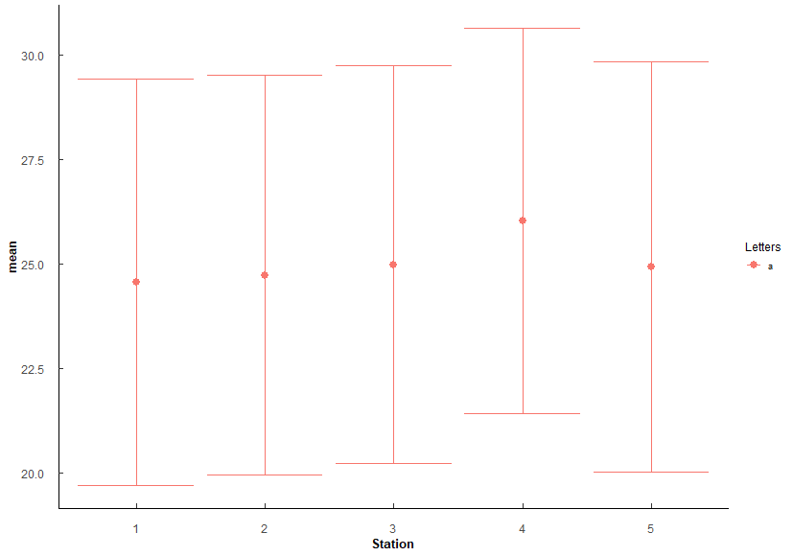
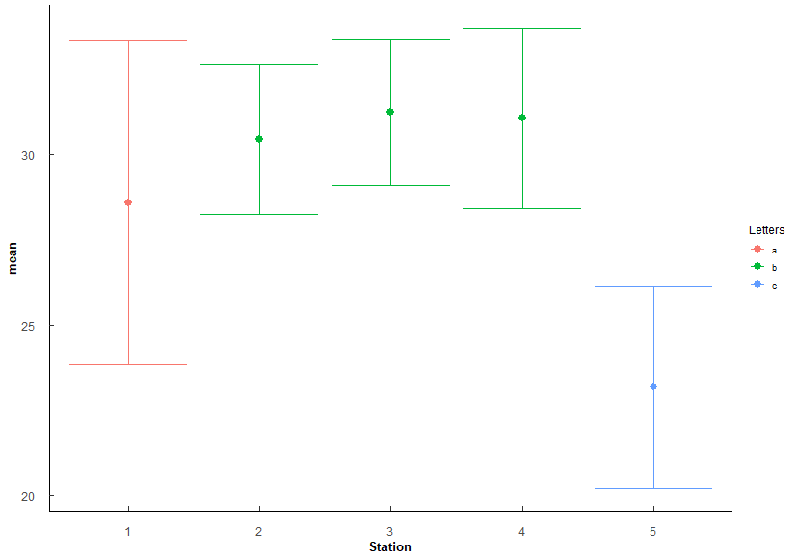
 |  |  |  |  |  |  |  |  |  |  |  |  |  |  |  |  |  | 3 v 5 | 3.56E-73 | 3.56E-72 | *** |  |  |  |  |  |  |  |  |  | 3 v 4 | 1.18e- 4 | 7.09E-04 | *** |  |  |  |  |  |  |  |  |  | 3 v 5 | 4.78e- 4 | 2.87E-03 | **
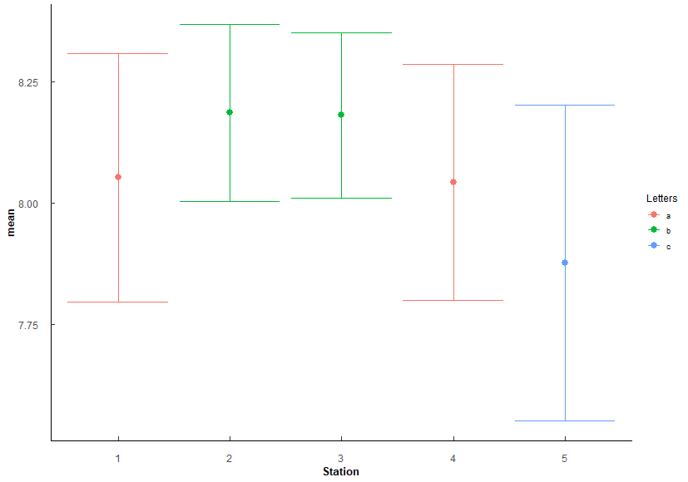
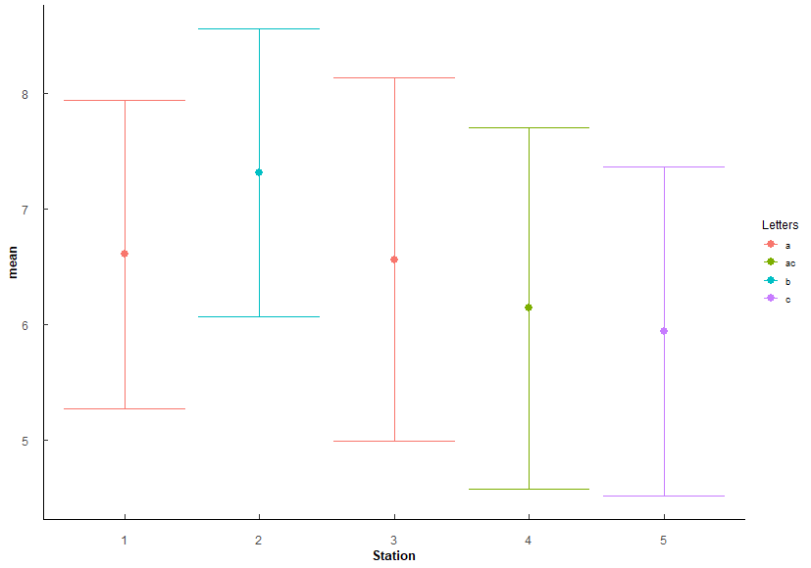
 |  |  |  |  |  |  |  |  |  |  |  |  |  |  |  |  |  | 4 v 5 | 1.72E-59 | 1.55E-58 | *** |  |  |  |  |  |  |  |  |  | 3 v 5 | 1.80E-21 | 1.80E-20 | ***
 |  |  |  |  |  |  |  |  |  |  |  |  |  |  |  |  |  |  |  |  |  |  |  |  |  |  |  |  |  |  | 4 v 5 | 1.82e- 6 | 1.27E-05 | ***

 |  |  |  |  |  |  |  |  | Stations arranged by increasing mean Salinity |  |  |  |  |  |  |  |  |  |  |  |  | Stations arranged by increasing mean pH |  |  |  |  |  |  |  |  |  |  |  |  | Stations arranged bu increasing mean DO
 |  |  |  |  |  |  |  |  | Station | mean | sd | Letters |  |  |  |  |  |  |  |  |  | Station | mean | sd | Letters |  |  |  |  |  |  |  |  |  | Station | mean | sd | Letters
 |  |  |  |  |  |  |  |  | 5 | 23.193 | 2.96 | c |  |  |  |  |  |  |  |  |  | 5 | 7.876 | 0.325 | c |  |  |  |  |  |  |  |  |  | 5 | 5.94 | 1.424 | c
 |  |  |  |  |  |  |  |  | 1 | 28.6 | 4.74 | a |  |  |  |  |  |  |  |  |  | 4 | 8.042 | 0.243 | a |  |  |  |  |  |  |  |  |  | 4 | 6.14 | 1.564 | ac
 |  |  |  |  |  |  |  |  | 2 | 30.46 | 2.21 | b |  |  |  |  |  |  |  |  |  | 1 | 8.052 | 0.256 | a |  |  |  |  |  |  |  |  |  | 3 | 6.563 | 1.571 | a
 |  |  |  |  |  |  |  |  | 4 | 31.076 | 2.637 | b |  |  |  |  |  |  |  |  |  | 3 | 8.18 | 0.17 | b |  |  |  |  |  |  |  |  |  | 1 | 6.608 | 1.334 | a
 |  |  |  |  |  |  |  |  | 3 | 31.25 | 2.153 | b |  |  |  |  |  |  |  |  |  | 2 | 8.185 | 0.182 | b |  |  |  |  |  |  |  |  |  | 2 | 7.313 | 1.245 | b

 |  |  |  |  |  |  |  |  | 5 < 1 < 2/3/4 |  |  |  |  |  |  |  |  |  |  |  |  | 5 < 1/4 < 2/3 |  |  |  |  |  |  |  |  |  |  |  |  | 5 ≤ 4 ≤ 1/3 ≤ 2
 |  |  |  |  |  |  |  |  | Lowest at 5, highest at 2-4, most variable at 1

Q4
Q4: Oyster similaries among stations? - SH, TW, CI
PermANOVA, pairwise-t-test holm adjustment |  |  |  |  |  |  |  |  |  |  |  |  | PermANOVA, pairwise-t-test holm adjustment |  |  |  |  |  |  |  |  |  |  |  |  | PermANOVA, pairwise-t-test holm adjustment |  |  |  |  |  |  |  |  |  |  |  |  | PermANOVA, pairwise-t-test holm adjustment
Station_SH <- aovp(SH ~ Station, data = ungroup(TB_CI), perm = "", nperm = 10000) |  |  |  |  |  |  |  |  |  |  |  |  | Station_TW <- aovp(TW ~ Station, data = ungroup(TB_CI), perm = "", nperm = 10000) |  |  |  |  |  |  |  |  |  |  |  |  | Station_CI <- aovp(CI ~ Station, data = ungroup(TB_CI), perm = "", nperm = 10000) |  |  |  |  |  |  |  |  |  |  |  |  | Station_CI <- aovp(CI ~ Station, data = ungroup(TB_CI), perm = "", nperm = 10000)

Shell Height | Df | Sum Sq | Mean Sq | F value | Pr(>F) |  |  |  |  |  |  |  | TotalWeight | Df | Sum Sq | Mean Sq | F value | Pr(>F) |  |  |  |  |  |  |  | ConditionIndex | Df | Sum Sq | Mean Sq | F value | Pr(>F) |  |  |  |  |  |  |  | CI_Hanley | Df | Sum Sq | Mean Sq | F value | Pr(>F)
Station | 4 | 11633 | 2908.2 | 34.03 | 2.00E-16 | *** | F 4, 1145 = 34.03, p < 0.001 |  |  |  |  |  | Station | 4 | 39331 | 9833 | 72.2 | 2.00E-16 | *** | F 4, 1145 = 72.2, p < 0.001 |  |  |  |  |  | Station | 4 | 88.1 | 22.022 | 10.16 | 4.40E-08 | *** | F 4, 1145 = 10.16, p < 0.001 |  |  |  |  |  | Station | 4 | 2985 | 746.3 | 47.28 | 2.00E-16 | *** | F 4, 1145 = 47.28, p < 0.001
Residuals | 1145 | 97854 | 85.5 |  |  |  |  |  |  |  |  |  | Residuals | 1145 | 155925 | 136 |  |  |  |  |  |  |  |  |  | Residuals | 1145 | 2482.1 | 2.168 |  |  |  |  |  |  |  |  |  | Residuals | 1145 | 18075 | 15.8

Station | n | mean | sd | min | max | lower | upper | Letters | Comparison | p.value | p.adjust |  | Station | n | mean | sd | min | max | lower | upper | Letters | Comparison | p.value | p.adjust |  | Station | n | mean | sd | min | max | lower | upper | Letters | Comparison | p.value | p.adjust |  | Station | n | mean | sd | min | max | lower | upper | Letters | Comparison | p.value | p.adjust
1 | 230 | 49.756 | 7.717 | 33.36 | 87.37 | 42.039 | 57.473 | a | 1v2 | 1.39e- 6 | 6.97E-06 | *** | 1 | 230 | 16.628 | 6.448 | 6.45 | 47.48 | 10.18 | 23.076 | a | 1 v 2 | 3.03E-13 | 1.51E-12 | *** | 1 | 230 | 4.015 | 1.362 | 1.464 | 8.42 | 2.653 | 5.377 | ab | 1 v 5 | 0.00000176 | 1.59E-05 | *** | 1 | 230 | 15.124 | 4.094 | 7.098 | 28.954 | 11.03 | 19.218 | a | 1 v 2 | 1.04E-21 | 8.31E-21 | ***
2 | 230 | 53.938 | 8.658 | 21.8 | 80.1 | 45.28 | 62.596 | b | 1v3 | 1.57E-13 | 1.25E-12 | *** | 2 | 230 | 24.659 | 8.933 | 6.62 | 57.26 | 15.726 | 33.592 | b | 1 v 3 | 1.3 e-26 | 1.04E-25 | *** | 2 | 230 | 4.184 | 1.44 | 1.116 | 9.091 | 2.744 | 5.624 | ab | 2 v 5 | 0.000365 | 2.92E-03 | ** | 2 | 230 | 11.505 | 3.515 | 4.253 | 27.252 | 7.99 | 15.02 | b | 1 v 3 | 1.41E-27 | 1.41E-26 | ***
3 | 230 | 56.197 | 10.447 | 29.37 | 88.47 | 45.75 | 66.644 | c | 1v4 | 1.5 e- 2 | 3.01E-02 | * | 3 | 230 | 28.545 | 13.941 | 5.18 | 73.22 | 14.604 | 42.486 | c | 1 v 4 | 3.84e- 3 | 3.84E-03 | ** | 3 | 230 | 3.856 | 1.095 | 1.508 | 6.523 | 2.761 | 4.951 | a | 3 v 4 | 0.00245 | 1.71E-02 | * | 3 | 230 | 10.985 | 3.993 | 4.39 | 30.513 | 6.992 | 14.978 | b | 1 v 4 | 3.24e- 4 | 1.29E-03 | **
4 | 230 | 51.855 | 7.483 | 33.53 | 76 | 44.372 | 59.338 | d | 1v5 | 9.93E-25 | 9.93E-24 | *** | 4 | 230 | 19.781 | 8.011 | 6.32 | 53.9 | 11.77 | 27.792 | d | 1 v 5 | 2.93E-46 | 2.93E-45 | *** | 4 | 230 | 4.273 | 1.281 | 1.7 | 9.268 | 2.992 | 5.554 | b | 3 v 5 | 3.4E-09 | 3.40E-08 | *** | 4 | 230 | 13.788 | 3.967 | 6.48 | 29.512 | 9.821 | 17.755 | c | 1 v 5 | 1.25E-22 | 1.12E-21 | ***
5 | 230 | 58.816 | 11.3 | 29.13 | 99.12 | 47.516 | 70.116 | e | 2v3 | 8.91e- 3 | 2.67E-02 | * | 5 | 230 | 32.889 | 17.349 | 6.86 | 103.2 | 15.54 | 50.238 | e | 2 v 3 | 3.71e- 4 | 7.42E-04 | *** | 5 | 230 | 4.674 | 2.017 | 1.245 | 10.714 | 2.657 | 6.691 | c | 4 v 5 | 3.56E-03 | 2.13E-02 | * | 5 | 230 | 11.419 | 4.258 | 3.405 | 29.437 | 7.161 | 15.677 | b | 2 v 4 | 9.86E-10 | 4.93E-09 | ***
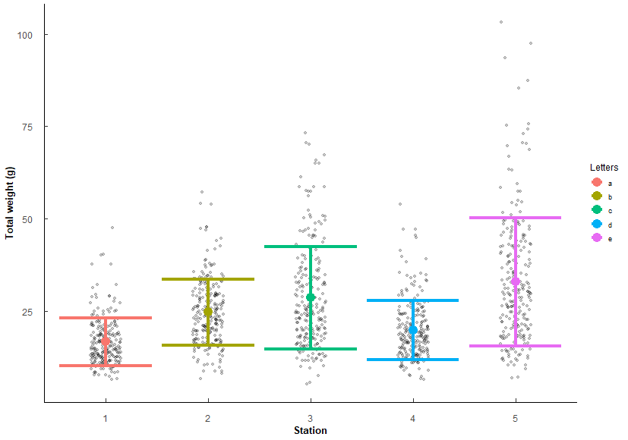
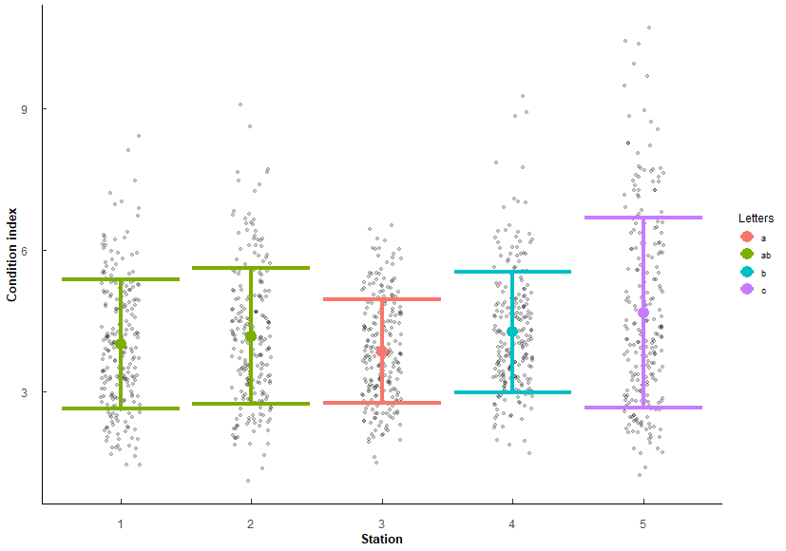
 |  |  |  |  |  |  |  |  | 2v4 | 1.58e- 2 | 3.01E-02 | * |  |  |  |  |  |  |  |  |  | 2 v 4 | 8.10e- 6 | 3.24E-05 | *** |  |  |  |  |  |  |  |  |  |  |  |  |  |  |  |  |  |  |  |  |  |  | 3 v 4 | 7.94E-14 | 5.56E-13 | ***
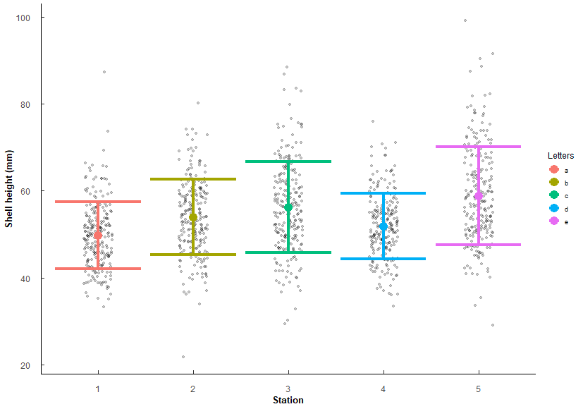
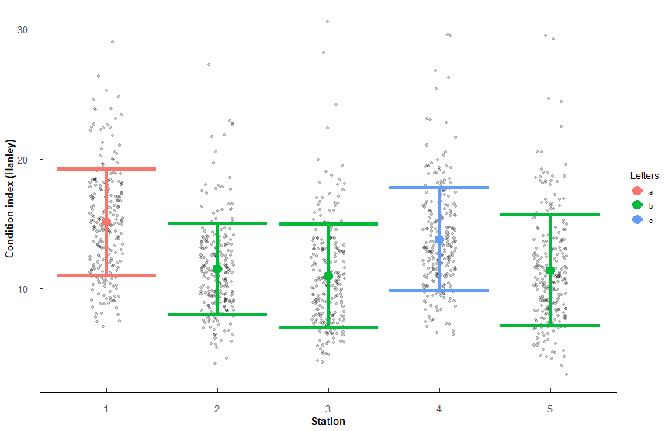
 |  |  |  |  |  |  |  |  | 2v5 | 1.93e- 8 | 1.35E-07 | *** |  |  |  |  |  |  |  |  |  | 2 v 5 | 8.06E-14 | 4.83E-13 | *** |  |  |  |  |  |  |  |  |  |  |  |  |  |  |  |  |  |  |  |  |  |  | 4 v 5 | 2.36E-10 | 1.41E-09 | ***
 |  |  |  |  |  |  |  |  | 3v4 | 5.50e- 7 | 3.30E-06 | *** |  |  |  |  |  |  |  |  |  | 3 v 4 | 2 e-15 | 1.40E-14 | ***
 |  |  |  |  |  |  |  |  | 3v5 | 2.43e- 3 | 9.72E-03 | ** |  |  |  |  |  |  |  |  |  | 3 v 5 | 6.96e- 5 | 2.09E-04 | ***
 |  |  |  |  |  |  |  |  | 4v5 | 1.69E-15 | 1.52E-14 | *** |  |  |  |  |  |  |  |  |  | 4 v 5 | 1.5 e-31 | 1.35E-30 | ***

Stations arranged by increasing mean SH |  |  |  |  |  |  |  |  |  |  |  |  | Stations arrange by increasing mean TW |  |  |  |  |  |  |  |  |  |  |  |  | Stations arranged by increasing mean CI |  |  |  |  |  |  |  |  |  |  |  |  | Stations arranged by increasing mean CI_Hanley
Station | mean | sd | Letters |  |  |  |  |  |  |  |  |  | Station | mean | sd | Letters |  |  |  |  |  |  |  |  |  | Station | mean | sd | Letters |  |  |  |  |  |  |  |  |  | Station | mean | sd | Letters
1 | 49.756 | 7.717 | a |  |  |  |  |  |  |  |  |  | 1 | 16.628 | 6.448 | a |  |  |  |  |  |  |  |  |  | 3 | 3.856 | 1.095 | a |  |  |  |  |  |  |  |  |  | 3 | 10.985 | 3.993 | b
4 | 51.855 | 7.483 | d |  |  |  |  |  |  |  |  |  | 4 | 19.781 | 8.011 | d |  |  |  |  |  |  |  |  |  | 1 | 4.015 | 1.362 | ab |  |  |  |  |  |  |  |  |  | 5 | 11.419 | 4.258 | b
2 | 53.938 | 8.658 | b |  |  |  |  |  |  |  |  |  | 2 | 24.659 | 8.933 | b |  |  |  |  |  |  |  |  |  | 2 | 4.184 | 1.44 | ab |  |  |  |  |  |  |  |  |  | 2 | 11.505 | 3.515 | b
3 | 56.197 | 10.447 | c |  |  |  |  |  |  |  |  |  | 3 | 28.545 | 13.941 | c |  |  |  |  |  |  |  |  |  | 4 | 4.273 | 1.281 | b |  |  |  |  |  |  |  |  |  | 4 | 13.788 | 3.967 | c
5 | 58.816 | 11.3 | e |  |  |  |  |  |  |  |  |  | 5 | 32.889 | 17.349 | e |  |  |  |  |  |  |  |  |  | 5 | 4.674 | 2.017 | c |  |  |  |  |  |  |  |  |  | 1 | 15.124 | 4.094 | a
 |  |  |  |  |  |  |  |  |  |  |  |  | Same order as SH (which makes sense since increasing size should increase weight). |  |  |  |  |  |  |  |  |  |  |  |  | 3 ≤ 1/2 ≤ 4 < 5 |  |  |  |  |  |  |  |  |  |  |  |  | 2/3/5 < 4 < 1
 |  |  |  |  |  |  |  |  |  |  |  |  | Factors are co-linear so should only need to use either SH or TW in any future models.

Q5
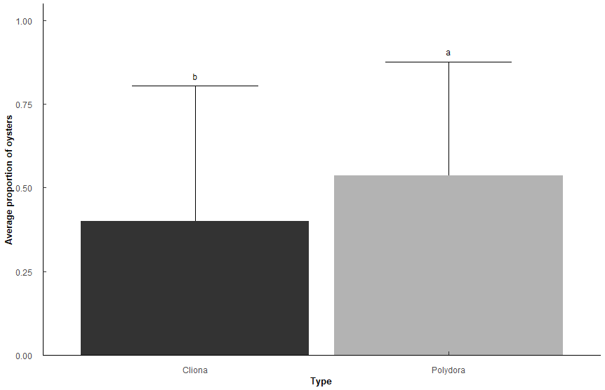
Q5: Does Polydora and Cliona differ in parasite prevalence in TB Oysters?
Presence/absence of Polydora and Cliona per sample
binomial generalized linear mixed model, emmeans post-hoc holm's adjustment |  |  |  |  |  |  |  |  |  |  |  | Predicted probabilities
Types: "Polydora", "Cliona" |  |  |  |  |  |  |  |  |  |  |  | Type | Predicted | 95% CI
Random: Station, SampleNumber |  |  |  |  |  |  |  |  |  |  |  | Cliona | 0.4 | 0.12, 0.77
 |  |  |  |  |  |  |  |  |  |  |  | Polydora | 0.54 | 0.19, 0.85
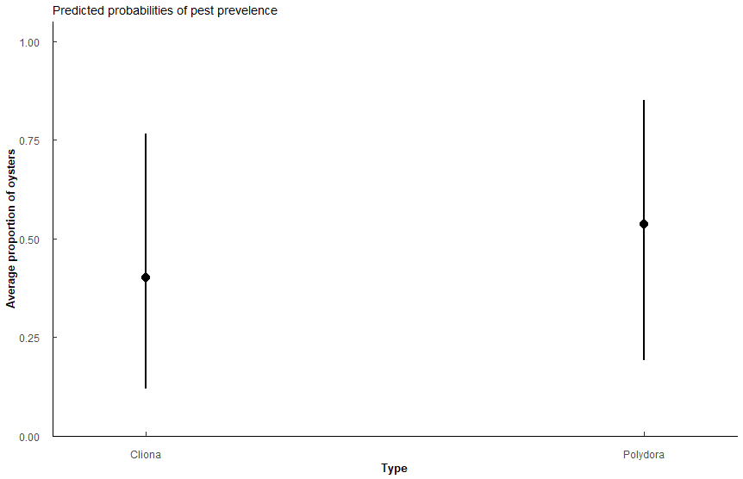
Pest_model <- glmer(Prev ~ Type + (1|Station) + (1|New_Sample_Number), family = "binomial", data = t1, control=glmerControl(optCtrl=list(maxfun=10000)))

Analysis of Deviance Table (Type II Wald chisquare tests) - model summary
Response: Prev
 | Chisq | Df | Pr(>Chisq)
Type | 2.52E+01 | 1 | 5.12E-07 | ** |  | Prevalence of Polydora and Cliona differ significantly (chi-sqaure = 25.52, P < 0.001).
 |  |  |  |  |  | Oysters in TB predicted to have Polydora (0.54, CI: 0.19-0.85) slighlty more often than Cliona (0.4, CI: 0.17-0.77)
term | Estimate | SE | t-value | p.value
(Intercept) | -0.402 | 8.12E-01 | -0.495 | 6.21E-01 | ***
TypePolydora | 0.551 | 1.10E-01 | 5.02 | 5.12E-07

Type | n | mean | sd | min | max | lower | upper | Model_mean | Lower | Upper | Letters
Cliona | 1150 | 0.428 | 0.495 | 0 | 1 | -0.067 | 0.923 | 0.4008597 | 0.097738 | 0.8051574 | b
Polydora | 1150 | 0.501 | 0.5 | 0 | 1 | 0.001 | 1.001 | 0.5371091 | 0.1581926 | 0.8775206 | a

Pairwise contrast | odds.ratio | SE | z.ratio | p.value
Cliona / Polydora | 5.77E-01 | 6.32E-02 | -5.021817 | 5.12E-07 | ***

Q6
Q6: Does Polydora or Cliona differ in parasite prevalence impact among shell surfaces in TB Oysters?
Presence/absence of Polydora and Cliona per sample
binomial generalized linear mixed model, emmeans post-hoc holm's adjustment |  |  |  |  |  |  |  |  |  |  |  |  | Cliona |  |  | Polydora
Types: Polydora, Cliona |  |  |  |  |  |  |  |  |  |  |  |  | Meas. | Predicted | 95% CI | Meas. | Predicted | 95% CI
Measurements: Internal, External |  |  |  |  |  |  |  |  |  |  |  |  | External | 0.42 | 0.19, 0.69 | External | 0.45 | 0.21, 0.72
 |  |  |  |  |  |  |  |  |  |  |  |  | Internal | 0.17 | 0.06, 0.39 | Internal | 0.33 | 0.13, 0.61
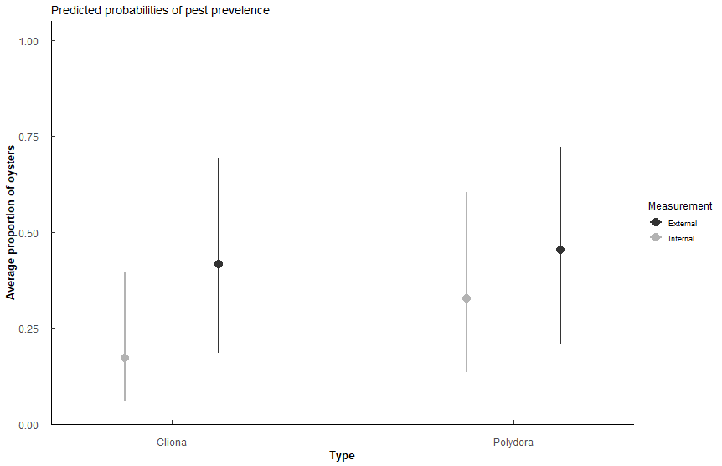
Pest_surface <- glmer(Prev ~ Type * Measurement + (1|Station), family = "binomial", data = t3, control=glmerControl(optCtrl=list(maxfun=10000)))

Analysis of Deviance Table (Type II Wald chisquare tests)
Response: Prev | MODEL FIT
 | Chisq | Df | Pr(>Chisq)
Type | 39.987 | 1 | 2.557E-10 | *** | For both pest species, the pest is more likley to be found on the external surface than on the internal surface (both p < 0.001 lines 29,31)
Measurement | 128.509 | 1 | 2.20E-16 | ***
Type:Measurement | 22.762 | 1 | 1.83E-06 | ***

term | estimate | std.error | statistic | p.value
(Intercept) | -0.336 | 0.583 | -0.576 | 5.64E-01
TypePolydora | 0.15 | 0.1 | 1.5 | 1.34E-01
Meas-Internal | -1.24 | 0.11 | -11.2 | 2.38E-29 | ***
TypePolydora:Meas-Internal | 0.71 | 0.149 | 4.77 | 1.83E-06 | ***

Measurement | Type | n | mean | sd | min | max | lower | upper | Model_mean | Lower | Upper | Letters
External | Cliona | 1150 | 0.426 | 0.495 | 0 | 1 | -0.069 | 0.921 | 0.4168103 | 0.1428395 | 0.7540148 | a
External | Polydora | 1150 | 0.452 | 0.498 | 0 | 1 | -0.046 | 0.95 | 0.4536666 | 0.162252 | 0.7807141 | a
Internal | Cliona | 1150 | 0.236 | 0.425 | 0 | 1 | -0.189 | 0.661 | 0.1714267 | 0.0458395 | 0.4711787 | c
Internal | Polydora | 1150 | 0.363 | 0.481 | 0 | 1 | -0.118 | 0.844 | 0.3283104 | 0.10224 | 0.6771938 | b

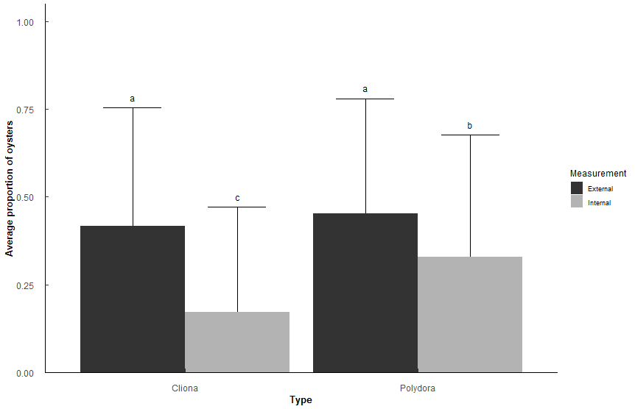
contrast | odds.ratio | SE | z.ratio | p.value
External Cliona / Internal Cliona | 3.4544659 | 0.38073446 | 11.247709 | 7.11E-15 | ***
External Cliona / Internal Polydora | 1.4622195 | 0.14962172 | 3.71322 | 1.17E-03 | **
External Polydora / Internal Polydora | 1.6988815 | 0.173384 | 5.192846 | 1.24E-06 | ***
Internal Cliona / External Polydora | 0.2491544 | 0.02748565 | -12.597318 | 0.00E+00 | ***
Internal Cliona / Internal Polydora | 0.4232838 | 0.04675428 | -7.783294 | 6.55E-14 | ***
External P/External C | not sig diff |  |  | 4.38E-01

Q7
Q7: Does Polydora or Cliona differ in parasite prevalence impact among shell position in TB Oysters?
Presence/absence of Polydora and Cliona per sample
binomial generalized linear mixed model, emmeans post-hoc holm's adjustment |  |  |  |  |  |  |  |  |  |  |  |  | Cliona |  |  | Polydora
Types: Polydora, Cliona |  |  |  |  |  |  |  |  |  |  |  |  | Meas. | Predicted | 95% CI | Meas. | Predicted | 95% CI
Measurements: Top, Bottom |  |  |  |  |  |  |  |  |  |  |  |  | Top | 0.09 | 0.03, 0.24 | Top | 0.37 | 0.16, 0.66
 |  |  |  |  |  |  |  |  |  |  |  |  | Bot | 0.42 | 0.18, 0.69 | Bot | 0.42 | 0.18, 0.70
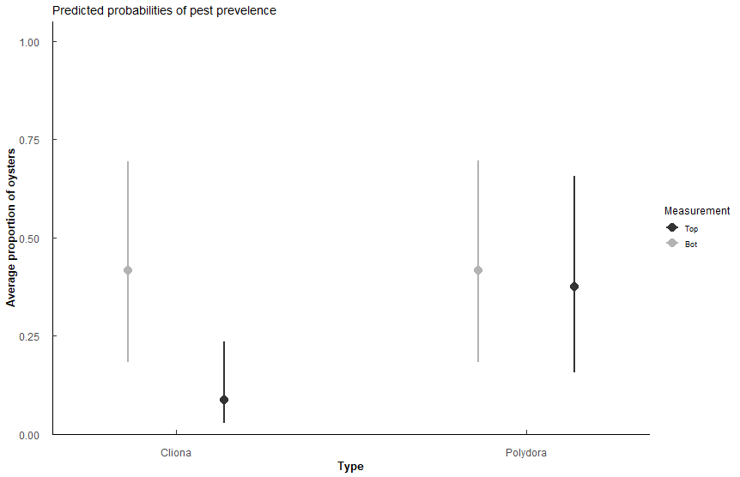
Pest_pos <- glmer(Prev ~ Type * Measurement + (1|Station), family = "binomial", data = t5, control=glmerControl(optCtrl=list(maxfun=10000)))

Analysis of Deviance Table (Type II Wald chisquare tests)
Response: Prev
 | Chisq | Df | Pr(>Chisq)
Type | 89.541 | 1 | 2.00E-17 | ***
Measurement | 135.268 | 1 | 2.20E-16 | ***
Type:Measurement | 131.924 | 1 | 2.20E-16 | ***

term | estimate | std.error | statistic | p.value
(Intercept) | -2.35 | 0.597 | -3.93 | 8.46E-05 | ***
TypePolydora | 1.83 | 0.123 | 14.9 | 4.34E-50 | ***
Meas-Bot | 2.01 | 0.123 | 16.3 | 1.74E-59 | ***
TypePolydora:Meas-Bot | -1.83 | 0.159 | -11.5 | 1.55E-30 | ***

Measurement | Type | n | mean | sd | min | max | lower | upper | Model_mean | Lower | Upper | Letters
Bot | Cliona | 1150 | 0.425 | 4.95E-01 | 0 | 1 | -0.07 | 0.92 | 0.41618488 | 0.1396076 | 0.7579813 | a
Bot | Polydora | 1150 | 0.426 | 4.95E-01 | 0 | 1 | -0.069 | 0.921 | 0.41741929 | 0.1402218 | 0.7589068 | a
Top | Cliona | 1150 | 0.148 | 3.55E-01 | 0 | 1 | -0.207 | 0.503 | 0.08745481 | 0.0211402 | 0.2983811 | b
Top | Polydora | 1150 | 0.396 | 4.89E-01 | 0 | 1 | -0.093 | 0.885 | 0.37435655 | 0.1198347 | 0.7244916 | a

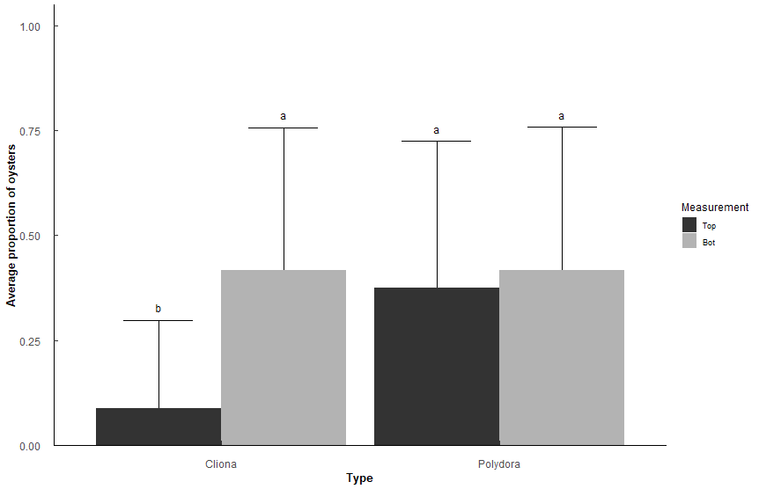
contrast | odds.ratio | SE | z.ratio | p.value
Top Cliona / Bot Cliona | 0.1344369 | 0.01658553 | -16.26533 | 0.00E+00 | ***
Top Cliona / Bot Polydora | 0.1337559 | 0.0165035 | -16.30454 | 0.00E+00 | ***
Top Cliona / Top Polydora | 0.1601662 | 0.01971229 | -14.88164 | 0.00E+00 | ***

Q8
Q8: Does Polydora and Cliona differ in parasite prevalence in TB Oysters among stations?
Presence/absence of Polydora and Cliona per sample
binomial generalized linear mixed model, emmeans post-hoc holm's adjustment
Types: "Polydora", "Cliona" |  |  |  |  |  |  |  |  |  |  |  |  | Predicted probabilities
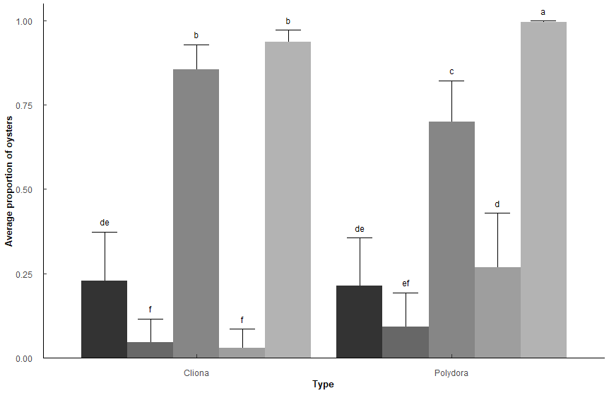
Random: SampleNumber |  |  |  |  |  |  |  |  |  |  |  |  | Station1 |  |  | Station2 |  |  | Station3 |  |  | Station4 |  |  | Station5
 |  |  |  |  |  |  |  |  |  |  |  |  | Type | Predicted | 95% CI | Type | Predicted | 95% CI | Type | Predicted | 95% CI | Type | Predicted | 95% CI | Type | Predicted | 95% CI
Pest_model <- glmer(Prev ~ Type * Station + (1|New_Sample_Number), family = "binomial", data = t1, control=glmerControl(optCtrl=list(maxfun=10000))) |  |  |  |  |  |  |  |  |  |  |  |  | Cliona | 0.23 | 0.15, 0.33 | Cliona | 0.05 | 0.02, 0.09 | Cliona | 0.86 | 0.77, 0.91 | Cliona | 0.03 | 0.01, 0.06 | Cliona | 0.94 | 0.89, 0.97
 |  |  |  |  |  |  |  |  |  |  |  |  | Polydora | 0.21 | 0.14, 0.31 | Polydora | 0.09 | 0.05, 0.16 | Polydora | 0.7 | 0.59, 0.79 | Polydora | 0.27 | 0.18, 0.38 | Polydora | 1 | 0.99, 1.00
Analysis of Deviance Table (Type II Wald chisquare tests)
Response: Prev
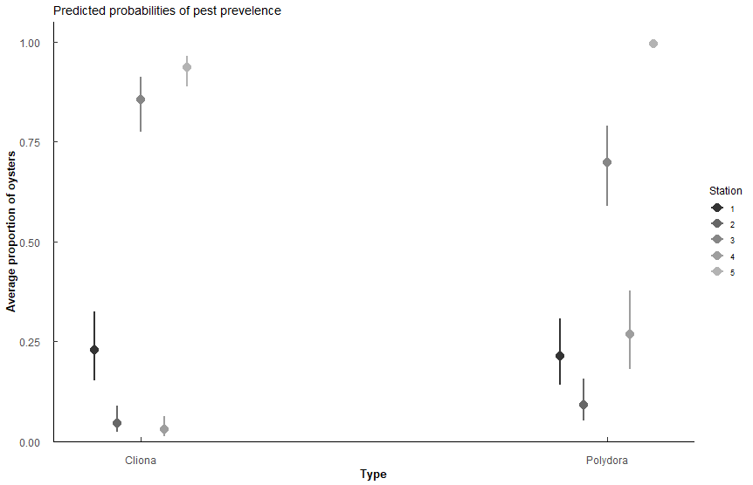
 | Chisq | Df | Pr(>Chisq)
Type | 7.56E+00 | 1 | 5.96E-03 | **
Station | 72.658 | 4 | 6.23E-15 | ***
Type:Station | 68.843 | 4 | 3.98E-14 | ***

term | Estimate | SE | t-value | p.value
(Intercept) | -1.22 | 2.50E-01 | -4.87 | 1.14E-06 | ***
TypePolydora | -0.0859 | 2.56E-01 | -0.335 | 7.37E-01
Station2 | -1.81 | 3.83E-01 | -4.72 | 2.33E-06 | ***
Station3 | 3 | 0.411 | 7.32 | 2.54E-13 | ***
Station4 | -2.27 | 0.418 | -5.43 | 5.56E-08 | ***
Station5 | 3.92 | 0.448 | 8.74 | 2.43E-18 | ***
TypePolydora:Station2 | 0.825 | 0.398 | 2.07 | 3.83E-02 | *
TypePolydora:Station3 | -0.857 | 0.372 | -2.31 | 2.11E-02 | *
TypePolydora:Station4 | 2.57 | 0.44 | 5.85 | 4.91E-09 | ***
TypePolydora:Station5 | 2.92 | 0.626 | 4.67 | 3.08E-06 | ***

Station | Type | n | mean | sd | min | max | lower | upper | Model_mean | Lower | Upper | Letters
1 | Cliona | 230 | 0.317 | 0.466 | 0 | 1 | -0.149 | 0.783 | 0.22826107 | 0.127759098 | 0.37393005 | de
1 | Polydora | 230 | 0.322 | 0.468 | 0 | 1 | -0.146 | 0.79 | 0.21347707 | 0.117664451 | 0.3558438 | de
2 | Cliona | 230 | 0.139 | 0.347 | 0 | 1 | -0.208 | 0.486 | 0.04614802 | 0.01759526 | 0.11558349 | f
2 | Polydora | 230 | 0.213 | 0.41 | 0 | 1 | -0.197 | 0.623 | 0.09198774 | 0.041057734 | 0.19335536 | ef
3 | Cliona | 230 | 0.726 | 0.447 | 0 | 1 | 0.279 | 1.173 | 0.85653395 | 0.729898283 | 0.92952951 | b
3 | Polydora | 230 | 0.613 | 0.488 | 0 | 1 | 0.125 | 1.101 | 0.69929632 | 0.538157785 | 0.82273232 | c
4 | Cliona | 230 | 0.117 | 0.323 | 0 | 1 | -0.206 | 0.44 | 0.02958681 | 0.009781114 | 0.08601329 | f
4 | Polydora | 230 | 0.378 | 0.486 | 0 | 1 | -0.108 | 0.864 | 0.26814639 | 0.151609646 | 0.42896794 | d
5 | Cliona | 230 | 0.839 | 0.368 | 0 | 1 | 0.471 | 1.207 | 0.93696061 | 0.858431423 | 0.97328471 | b
5 | Polydora | 230 | 0.978 | 0.146 | 0 | 1 | 0.832 | 1.124 | 0.99607029 | 0.976632409 | 0.99934991 | a

contrast | odds.ratio | SE | z.ratio | p.value
Cliona Station1 / Cliona Station2 | 6.11E+00 | 2.34E+00 | 4.722668 | 1.01E-04 | ***
Cliona Station1 / Cliona Station3 | 4.95E-02 | 2.03E-02 | -7.316762 | 1.15E-11 | ***
Cliona Station1 / Cliona Station4 | 9.70E+00 | 4.06E+00 | 5.432392 | 2.48E-06 | ***
Cliona Station1 / Cliona Station5 | 1.99E-02 | 8.92E-03 | -8.735492 | 8.07E-14 | ***
Cliona Station1 / Polydora Station3 | 1.27E-01 | 4.73E-02 | -5.539789 | 1.35E-06 | ***
Cliona Station1 / Polydora Station5 | 1.17E-03 | 8.58E-04 | -9.183335 | 1.16E-13 | ***
Cliona Station2 / Cliona Station3 | 8.10E-03 | 4.20E-03 | -9.289876 | 1.05E-13 | ***
Cliona Station2 / Cliona Station5 | 3.26E-03 | 1.83E-03 | -10.196482 | 8.94E-14 | ***
Cliona Station2 / Polydora Station3 | 2.08E-02 | 9.82E-03 | -8.201352 | 1.26E-13 | ***
Cliona Station2 / Polydora Station4 | 1.32E-01 | 4.99E-02 | -5.361763 | 3.67E-06 | ***
Cliona Station2 / Polydora Station5 | 1.91E-04 | 1.59E-04 | -10.256747 | 8.00E-14 | ***
Cliona Station3 / Cliona Station4 | 1.96E+02 | 1.10E+02 | 9.375379 | 9.61E-14 | ***
Cliona Station3 / Polydora Station3 | 2.57E+00 | 6.94E-01 | 3.488842 | 1.75E-02 | * | within station 3, sig diff between Polydora and Cliona
Cliona Station3 / Polydora Station4 | 1.63E+01 | 6.84E+00 | 6.652917 | 1.29E-09 | ***
Cliona Station3 / Polydora Station5 | 2.36E-02 | 1.47E-02 | -6.001699 | 8.76E-08 | ***
Cliona Station4 / Cliona Station5 | 2.05E-03 | 1.25E-03 | -10.197264 | 8.98E-14 | ***
Cliona Station4 / Polydora Station4 | 8.32E-02 | 2.95E-02 | -7.001725 | 1.14E-10 | *** | within station 4, sig diff between Polydora and Cliona
Cliona Station4 / Polydora Station5 | 1.20E-04 | 1.05E-04 | -10.327759 | 9.78E-14 | ***
Cliona Station5 / Polydora Station5 | 5.86E-02 | 3.34E-02 | -4.974866 | 2.87E-05 | *** | within station 5, sig diff between Polydora and Cliona
Polydora Station1 / Cliona Station2 | 5.61E+00 | 2.14E+00 | 4.510585 | 2.77E-04 | ***
Polydora Station1 / Cliona Station3 | 4.55E-02 | 1.88E-02 | -7.463923 | 3.84E-12 | ***
Polydora Station1 / Cliona Station4 | 8.90E+00 | 3.71E+00 | 5.24489 | 6.94E-06 | ***
Polydora Station1 / Cliona Station5 | 1.83E-02 | 8.26E-03 | -8.853358 | 7.42E-14 | ***
Polydora Station1 / Polydora Station3 | 1.17E-01 | 4.38E-02 | -5.724724 | 4.64E-07 | ***
Polydora Station1 / Polydora Station5 | 1.07E-03 | 7.91E-04 | -9.25817 | 1.09E-13 | ***
Polydora Station2 / Cliona Station3 | 1.70E-02 | 8.07E-03 | -8.571747 | 8.98E-14 | ***
Polydora Station2 / Cliona Station5 | 6.82E-03 | 3.53E-03 | -9.625099 | 7.41E-14 | ***
Polydora Station2 / Polydora Station3 | 4.36E-02 | 1.87E-02 | -7.281958 | 1.49E-11 | ***
Polydora Station2 / Polydora Station4 | 2.76E-01 | 9.58E-02 | -3.711296 | 7.87E-03 | **
Polydora Station2 / Polydora Station5 | 4.00E-04 | 3.19E-04 | -9.800082 | 1.05E-13 | ***
Polydora Station3 / Cliona Station4 | 7.63E+01 | 3.93E+01 | 8.404127 | 1.02E-13 | ***
Polydora Station3 / Cliona Station5 | 1.56E-01 | 5.64E-02 | -5.148973 | 1.16E-05 | ***
Polydora Station3 / Polydora Station4 | 6.35E+00 | 2.41E+00 | 4.870601 | 4.87E-05 | ***
Polydora Station3 / Polydora Station5 | 9.17E-03 | 5.90E-03 | -7.295013 | 1.35E-11 | ***
Polydora Station4 / Cliona Station5 | 2.47E-02 | 1.13E-02 | -8.077844 | 1.56E-13 | ***
Polydora Station4 / Polydora Station5 | 1.45E-03 | 1.08E-03 | -8.777956 | 7.69E-14 | ***

NS contrasts
contrast | odds.ratio | SE | z.ratio | p.value
Cliona Station1 / Polydora Station1 | 1.0897368 | 0.2792829 | 0.3353152 | 0.99999911 | within station 1, cliona and poly not diff
Cliona Station1 / Polydora Station2 | 2.919599 | 1.0243485 | 3.0538372 | 0.06904648
Cliona Station1 / Polydora Station4 | 0.8072605 | 0.2655815 | -0.6508045 | 0.99973662
Cliona Station2 / Cliona Station4 | 1.5868311 | 0.650243 | 1.1268123 | 0.98208145
Cliona Station2 / Polydora Station2 | 0.4775665 | 0.1452408 | -2.430078 | 0.30766548 | within station 2, cliona and poly not diff
Cliona Station3 / Cliona Station5 | 0.4016855 | 0.1422221 | -2.5760523 | 0.22892855
Polydora Station1 / Polydora Station2 | 2.6791782 | 0.9385104 | 2.8133489 | 0.13176723
Polydora Station1 / Polydora Station4 | 0.7407849 | 0.2441023 | -0.9105558 | 0.99618834
Polydora Station2 / Cliona Station4 | 3.3227437 | 1.3202814 | 3.0220226 | 0.07557209

Q9
Q10: What is the relationship between Polydora or Cliona with CI?
CI_Hanley version = (Tissue DW * 100)/Shell DW
Types: Polydora, Cliona, Both, Neither
PermANOVA, pairwise-t-test holm adjustment
CI |  |  |  |  |  |  |  |  |  | CI_Hanley
Type_CI <- aovp(CI ~ Type, data = c1, perm = "", nperm = 10000) |  |  |  |  |  |  |  |  |  | Type_CI_H <- aovp(CI_Hanley ~ Type, data = c1, perm = "", nperm = 10000)

 | Df | Sum Sq | Mean Sq | F value | Pr(>F) |  |  |  |  |  | Df | Sum Sq | Mean Sq | F value | Pr(>F)
Type | 3 | 41.8 | 13.949 | 7.074 | 1.04E-04 | *** |  |  |  | Type | 3 | 1626 | 542.1 | 31.55 | 2.00E-16 | ***
Residuals | 1096 | 2161.2 | 1.972 |  |  |  |  |  |  | Residuals | 1096 | 18828 | 17.2

Type | variable | n | mean | sd | min | max | lower | upper | Letters | Type | variable | n | mean | sd | min | max | lower | upper | Letters
Both | CI | 376 | 4.265 | 1.651 | 1.245 | 10.443 | 2.614 | 5.916 | b | Both | CI_Hanley | 376 | 11.215 | 4.067 | 3.405 | 29.437 | 7.148 | 15.282 | a
Cliona | CI | 92 | 4.026 | 1.302 | 1.686 | 7.393 | 2.724 | 5.328 | ab | Cliona | CI_Hanley | 92 | 12.257 | 4.29 | 5.969 | 24.581 | 7.967 | 16.547 | a
Neither | CI | 462 | 4.17 | 1.239 | 1.116 | 9.268 | 2.931 | 5.409 | b | Neither | CI_Hanley | 462 | 13.912 | 4.332 | 4.253 | 30.513 | 9.58 | 18.244 | b
Polydora | CI | 170 | 3.687 | 1.279 | 1.464 | 7.556 | 2.408 | 4.966 | a | Polydora | CI_Hanley | 170 | 11.814 | 3.688 | 5.479 | 28.141 | 8.126 | 15.502 | a

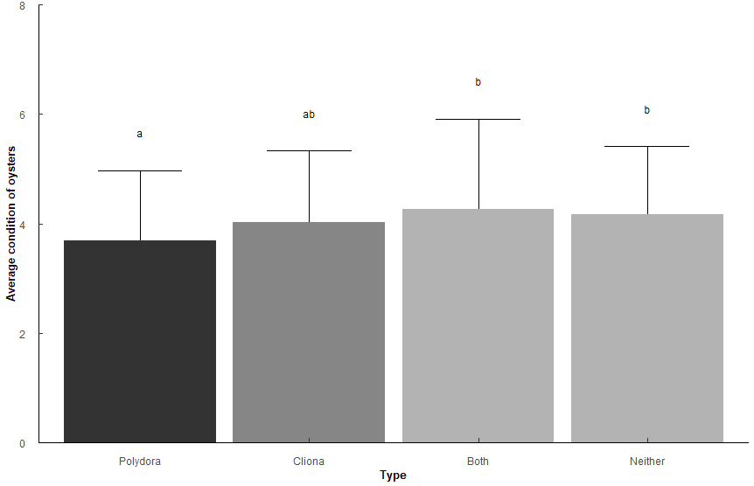
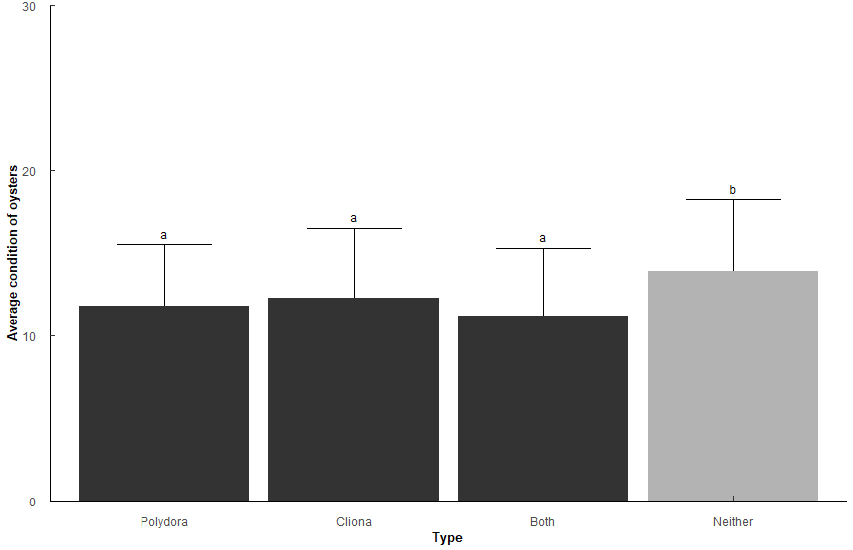
Comparison | p.value | p.adjust |  |  |  |  |  |  |  | Comparison | p.value | p.adjust
Both-Neither | 3.30E-01 | 6.60E-01 |  |  |  |  |  |  |  | Both-Neither | 4.08E-20 | 2.45E-19 | ***
Cliona-Both | 0.143 | 4.28E-01 |  |  |  |  |  |  |  | Cliona-Both | 3.09e- 2 | 9.27E-02
Cliona-Neither | 0.367 | 6.60E-01 |  |  |  |  |  |  |  | Cliona-Neither | 4.89e- 4 | 1.96E-03 | **
Polydora-Both | 0.00000906 | 5.44E-05 | *** |  |  |  |  |  |  | Polydora-Both | 1.18e- 1 | 2.36E-01
Polydora-Cliona | 0.0624 | 2.50E-01 |  |  |  |  |  |  |  | Polydora-Cliona | 4.09e- 1 | 4.09E-01
Polydora-Neither | 0.00013 | 6.50E-04 | *** |  |  |  |  |  |  | Polydora-Neither | 2.15e- 8 | 1.07E-07 | ***
CI of Polydora lower than Both and Neither |  |  |  |  |  |  |  |  |  | Any pest has lower CI than no pest (as expected)
CI of cliona similar to all |  |  |  |  |  |  |  |  |  | CI similar between either pest and both pests

Q10
Q10: What is the relationship between Polydora and Cliona proporiton of oysters affected, and percentage of shell affected? |  |  |  |  |  |  |  |  |  |  |  |  | Sake of curiosity, what happens if we only look at Cliona or Polydora, not Both?
# infected / # total oysters per sample (1 sample = 1 year/month/station) i.e. 3 infected / 5 oysters = 0.6 proportion infected |  |  |  |  |  |  |  |  |  |  |  |  | Very minor differences among stations.
Wilcoxon rank sum test with Holm p-adjustment |  |  |  |  |  |  |  |  |  |  |  |  | Pest_model_2b <- glm(Prop ~ Type * Station, family = quasibinomial, data = (t1 %>% filter(Type != "Both")))
Types: Only "Polydora", only "Cliona", "Both" polydora and cliona, "Nether" (just for Proportions since Pct = 0 for neither)
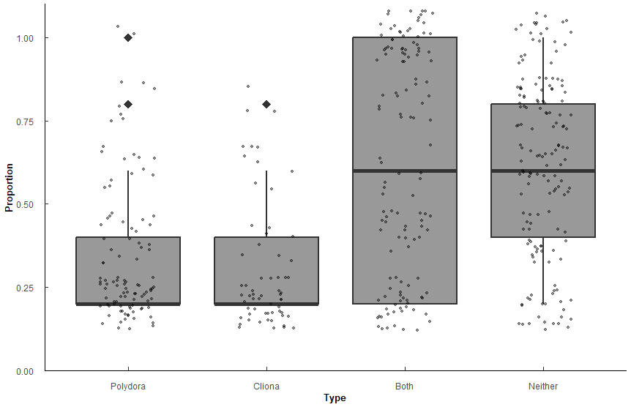
Proportions
Type | variable | n | min | max | median | q1 | q3 | mean | sd | se
Polydora | Prop | 105 | 0.2 | 1 | 0.2 | 0.2 | 0.4 | 0.341 | 0.207 | 0.02
Cliona | Prop | 62 | 0.2 | 0.8 | 0.2 | 0.2 | 0.4 | 0.306 | 0.18 | 0.023
Both | Prop | 128 | 0.2 | 1 | 0.6 | 0.2 | 1 | 0.62 | 0.337 | 0.03
Neither | Prop | 155 | 0.2 | 1 | 0.6 | 0.4 | 0.8 | 0.618 | 0.26 | 0.021

group1 | group2 | n1 | n2 | statistic | p.adj | p.adj.signif | effect_size | magnitude
Polydora | Cliona | 105 | 62 | 3549 | 5.14E-01 | ns | 0.0878 | small
Polydora | Both | 105 | 128 | 3590 | 5.60E-10 | **** | 0.42 | moderate
Polydora | Neither | 105 | 155 | 3476 | 3.94E-15 | **** | 0.501 | large
Cliona | Both | 62 | 128 | 1867 | 1.72E-09 | **** | 0.45 | moderate
Cliona | Neither | 62 | 155 | 1728 | 1.80E-13 | **** | 0.514 | large
Both | Neither | 128 | 155 | 10160 | 7.20E-01 | ns | 0.0213 | small

No significant difference between Polydora prevelence and Cliona prevelence (p = 0.514)
More likely to have both or neither than one or the other (all p < 0.001)

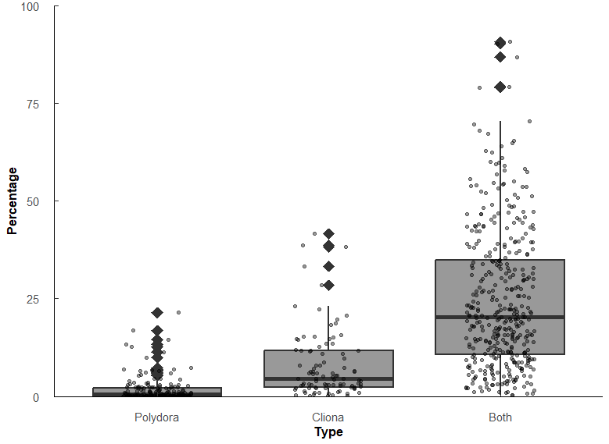

Percentage of shell affected
Type | variable | n | min | max | median | q1 | q3 | mean | sd | se
Polydora | Pct | 179 | 0.004 | 21.5 | 0.473 | 0.062 | 2.12 | 1.68 | 3.12 | 0.233
Cliona | Pct | 95 | 0.041 | 41.6 | 4.56 | 2.41 | 11.6 | 8.04 | 8.77 | 0.9 | 9.6405919662
Both | Pct | 397 | 0.307 | 90.7 | 20.3 | 10.6 | 34.8 | 24.5 | 17.8 | 0.893 | 4.451754386 | 42.917547569

group1 | group2 | n1 | n2 | statistic | p.adj | p.adj.signif | effect_size | magnitude
Polydora | Cliona | 180 | 95 | 2542 | 9.77E-22 | **** | 0.578 | large
Polydora | Both | 180 | 396 | 2341 | 7.47E-72 | **** | 0.749 | large
Cliona | Both | 95 | 396 | 6625 | 2.02E-22 | **** | 0.443 | moderate

Significant difference among percentages affected. Polydora < Cliona < Both (all p < 0.001)
Polydora affects the surface of the shell less than Cliona (r = 0.578), but when both are present the effect is compounded (both r >= 0.44)

Percentage of shell affected (controlling for Condition Index)
CI = Hanley version = (Tissue DW * 100)/Shell DW
Pest_CI_test <- aovp(Pct ~ Type * CI_Hanley, data = Combined_data, perm = "", nperm = 10000)
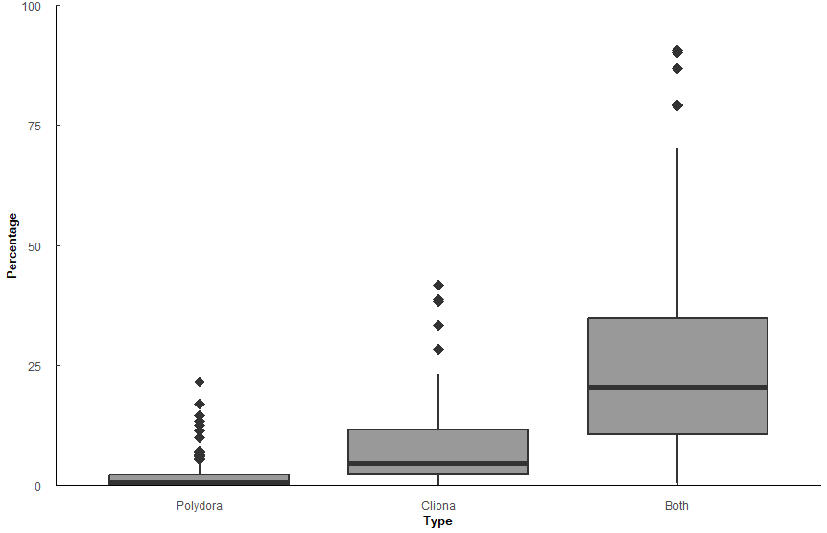
 | Df | Sum Sq | Mean Sq | F value | Pr(>F)
Type | 2 | 69648 | 34824 | 182.198 | 2.00E-16 | ***
CI_Hanley | 1 | 542 | 542 | 2.834 | 9.28E-02
Type:CI_Hanley | 2 | 4720 | 2360 | 12.348 | 5.49E-06 | ***
Residuals | 632 | 120796 | 191

Comparison | statistic | p.value | p.adjust | p.adj.signif
Polydora-Cliona | -3.64 | 2.89e- 4 | 2.89E-04 | ***
Polydora-Both | -17.7 | 2.23E-57 | 6.68E-57 | ****
Cliona-Both | -10 | 5.23E-22 | 1.05E-21 | ****

CI_Hanley | Type | emmean | se | df | conf.low | conf.high | method
11.5 | Polydora | 1.82 | 1.08 | 634 | -0.303 | 3.94 | Emmeans | test
11.5 | Cliona | 8.46 | 1.47 | 634 | 5.57 | 11.3 | Emmeans | test
11.5 | Both | 24.9 | 0.727 | 634 | 23.5 | 26.3 | Emmeans | test
with CI being equal (at 11.5), the mean percentage of shell affected by Polydora/Cliona/Both is [emmean value]

Q11
Q11: Has the proportion of oysters affected changed over time (Year) within each Station?
PermANOVA, TukeyHSD post hoc |  |  |  |  |  |  |  | PermANOVA, TukeyHSD post hoc |  |  |  |  |  |  |  |  | PermANOVA, TukeyHSD post hoc
Block: Polydora |  |  |  |  |  |  |  | Block: Cliona |  |  |  |  |  |  |  |  | Block: Both
Poly_mod <- aovp(Prop ~ Year * Station, data = ungroup(Trends2 %>% filter(Type == "Polydora")), perm = "", nperm = 10000) |  |  |  |  |  |  |  | Clio_mod <- aovp(Prop ~ Year * Station, data = ungroup(Trends2 %>% filter(Type == "Cliona")), perm = "", nperm = 10000) |  |  |  |  |  |  |  |  | Both_mod <- aovp(Prop ~ Year * Station, data = ungroup(Trends2 %>% filter(Type == "Both")), perm = "", nperm = 10000)

Polydora | Df | Sum Sq | Mean Sq | F value | Pr(>F) |  |  | Cliona | Df | Sum Sq | Mean Sq | F value | Pr(>F) |  |  |  | Both | Df | Sum Sq | Mean Sq | F value | Pr(>F)
Year | 3 | 0.271 | 0.0903 | 2.12 | 9.81E-02 |  |  | Year | 3 | 0.764 | 0.255 | 16.1 | 1.81E-09 | *** |  |  | Year | 3 | 1.73 | 0.575 | 11.7 | 3.99E-07 | ***
Station | 4 | 1.11 | 0.277 | 6.51 | 5.90E-05 | *** |  | Station | 4 | 1.02 | 0.256 | 16.2 | 1.36E-11 | *** |  |  | Station | 4 | 20.7 | 5.19 | 106 | 3.82E-49 | ***
Year:Station | 12 | 0.706 | 0.0589 | 1.39 | 1.75E-01 | ns | F(12, 210)=1.39, p = 0.175 | Year:Station | 12 | 1.15 | 0.0955 | 6.05 | 4.57E-09 | *** |  |  | Year:Station | 12 | 3.33 | 0.277 | 5.65 | 2.17E-08 | ***
Residuals | 210 | 8.92 | 0.0425 |  |  |  |  | Residuals | 210 | 3.32 | 0.0158 |  |  |  |  |  | Residuals | 210 | 10.3 | 0.0491
 |  |  |  |  |  | Polydora not significantly different among years*stations.
 |  |  |  |  |  | No change over time (year), slight differences among stations.
Level | n | mean | sd | min | max | Letters |  | Level | n | mean | sd | min | max | Letters |  |  | Level | n | mean | sd | min | max | Letters
2018 | 60 | 0.183 | 0.245 | 0 | 0.8 | a |  | 2018 | 60 | 0.04 | 0.089 | 0 | 0.4 | b |  |  | 2018 | 60 | 0.403 | 0.392 | 0 | 1 | b
2019 | 60 | 0.163 | 0.237 | 0 | 1 | a |  | 2019 | 60 | 0.027 | 0.069 | 0 | 0.2 | a |  |  | 2019 | 60 | 0.443 | 0.417 | 0 | 1 | a
2020 | 50 | 0.092 | 0.147 | 0 | 0.6 | a |  | 2020 | 50 | 0.096 | 0.152 | 0 | 0.6 | a |  |  | 2020 | 50 | 0.22 | 0.377 | 0 | 1 | b
2021 | 60 | 0.173 | 0.222 | 0 | 0.8 | a |  | 2021 | 60 | 0.17 | 0.247 | 0 | 0.8 | a |  |  | 2021 | 60 | 0.293 | 0.373 | 0 | 1 | a
1 | 46 | 0.152 | 0.18 | 0 | 0.8 | ab |  | 1 | 46 | 0.148 | 0.191 | 0 | 0.6 | ab |  |  | 1 | 46 | 0.17 | 0.242 | 0 | 1 | b
2 | 46 | 0.143 | 0.209 | 0 | 0.8 | ab |  | 2 | 46 | 0.07 | 0.105 | 0 | 0.4 | bc |  |  | 2 | 46 | 0.07 | 0.113 | 0 | 0.4 | c
3 | 46 | 0.057 | 0.161 | 0 | 1 | b |  | 3 | 46 | 0.17 | 0.249 | 0 | 0.8 | a |  |  | 3 | 46 | 0.557 | 0.398 | 0 | 1 | b
4 | 46 | 0.283 | 0.221 | 0 | 0.8 | a |  | 4 | 46 | 0.022 | 0.076 | 0 | 0.4 | cd |  |  | 4 | 46 | 0.096 | 0.173 | 0 | 0.8 | c
5 | 46 | 0.143 | 0.262 | 0 | 1 | ab |  | 5 | 46 | 0.004 | 0.029 | 0 | 0.2 | d |  |  | 5 | 46 | 0.835 | 0.287 | 0 | 1 | a

Comp | diff | lower | upper | p.adjust |  |  |  | Comp | diff | lower | upper | p.adjust |  | Comp | diff | p.adjust | Comp | diff | lower | upper | p.adjust |  | Comp | diff | p.adjust
4-3 | 0.2191592 | 0.1008924 | 0.3374261 | 7.51E-06 |  |  |  | 2019-2018 | -0.15509292 | -0.21451304 | -0.095672806 | 8.06E-10 |  | 2020:1-2019:1 | 0.2247289 | 6.60E-03 | 2019-2018 | 0.1988549 | 0.094060436 | 0.3036493 | 1.06E-05 |  | 2019:5-2018:5 | 0.3421882 | 2.70E-02
 |  |  |  |  |  |  |  | 2020-2018 | -0.10769736 | -0.17001771 | -0.0453770153 | 7.34E-05 |  | 2019:2-2018:2 | -0.2084263 | 1.01E-02 | 2020-2019 | -0.2129518 | -0.322861186 | -0.1030425 | 6.61E-06 |  | 2020:3-2018:3 | -0.6307636 | 4.79E-08
 |  |  |  |  |  |  |  | 2021-2018 | -0.10158156 | -0.16100168 | -0.0421614425 | 9.00E-05 |  | 2020:2-2018:2 | -0.2236974 | 7.10E-03 | 2021-2018 | 0.1097089 | 0.004914412 | 0.2145033 | 3.62E-02 |  | 2020:3-2019:3 | -0.6062852 | 1.99E-07
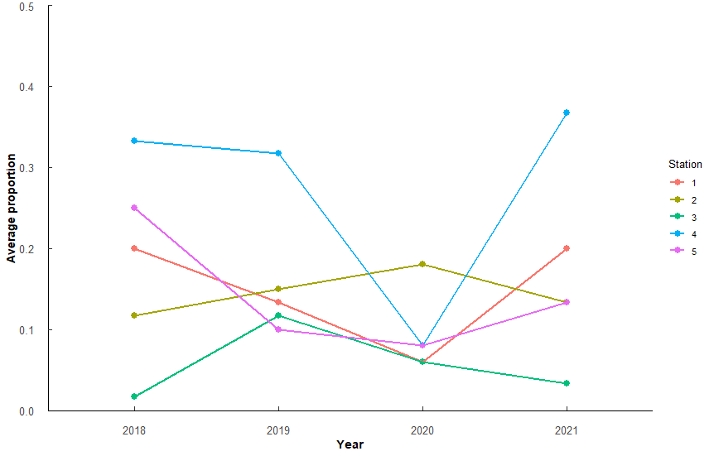
 |  |  |  |  |  |  |  | 3v2 | 0.11834047 | 0.04623527 | 0.1904456834 | 1.02E-04 |  | 2021:2-2018:2 | -0.2315816 | 1.74E-03 | 2021-2020 | 0.1238058 | 0.013896477 | 0.2337152 | 2.03E-02 |  | 2020:5-2018:5 | 0.3725697 | 1.65E-02
 |  |  |  |  |  |  |  | 4v1 | -0.07257293 | -0.14467814 | -0.0004677251 | 4.77E-02 |  | 2021:3-2018:3 | 0.1850851 | 4.73E-02 | 2v1 | -0.288811 | -0.415977159 | -0.1616449 | 2.26E-08 |  | 2021:3-2020:3 | 0.3838058 | 1.08E-02
 |  |  |  |  |  |  |  | 4v3 | -0.13593932 | -0.20804453 | -0.0638341099 | 4.95E-06 |  | 2021:3-2019:3 | 0.310178 | 1.25E-06 | 3v2 | 0.3972281 | 0.270061958 | 0.5243942 | 2.68E-14
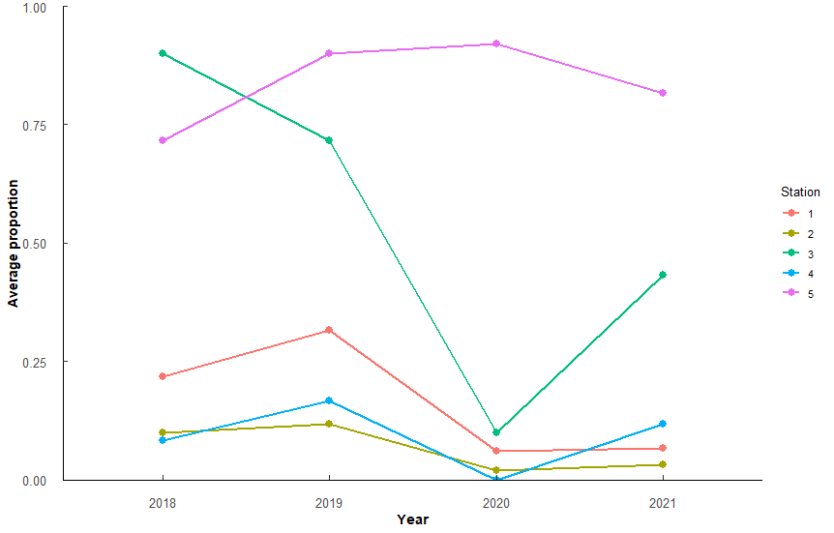
 |  |  |  |  |  |  |  | 5v1 | -0.13333888 | -0.20544409 | -0.0612336739 | 7.89E-06 |  | 2021:3-2020:3 | 0.2421158 | 1.85E-03 | 4v1 | -0.3775595 | -0.504725579 | -0.2503934 | 2.98E-13
 |  |  |  |  |  |  |  | 5v2 | -0.07836479 | -0.15047 | -0.006259584 | 2.56E-02 |  | 2021:5-2018:5 | -0.2149149 | 6.29E-03 | 4v3 | -0.4859765 | -0.613142601 | -0.3588104 | 9.99E-16
 |  |  |  |  |  |  |  | 5v3 | -0.19670527 | -0.26881048 | -0.1246000587 | 1.70E-11 |  |  |  |  | 5v1 | 0.4638198 | 0.336653735 | 0.590986 | 8.33E-15
 |  |  |  |  |  |  |  |  |  |  |  |  |  |  |  |  | 5v2 | 0.7526309 | 0.625464782 | 0.879797 | 0.00E+00
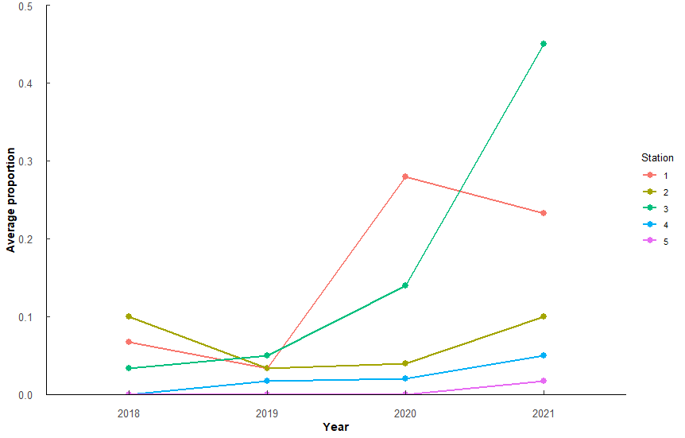
 |  |  |  |  |  |  |  |  |  |  |  |  |  |  |  |  | 5v3 | 0.3554028 | 0.228236712 | 0.4825689 | 5.59E-12
 |  |  |  |  |  |  |  |  |  |  |  |  |  |  |  |  | 5v4 | 0.8413793 | 0.714213202 | 0.9685454 | 0.00E+00

 |  |  |  |  |  |  |  | All comparisons - really only intersted in within stations (above) |  |  |  |  |  |  |  |  | Comp | diff | lower | upper | p.adjust
 |  |  |  |  |  |  |  | Comp | diff | p.adjust |  |  |  |  |  |  | 2018:2-2019:1 | -0.5643326 | -8.89E-01 | -0.23950703 | 4.53E-07
 |  |  |  |  |  |  |  | 2018:2-2019:1 | 0.231713 | 1.72E-03 |  |  |  |  |  |  | 2018:2-2021:1 | -0.3751866 | -7.00E-01 | -0.050361006 | 7.39E-03
 |  |  |  |  |  |  |  | 2018:4-2021:3 | -0.2065317 | 1.15E-02 |  |  |  |  |  |  | 2018:3-2018:1 | 0.4047938 | 8.00E-02 | 0.7296194 | 2.05E-03
 |  |  |  |  |  |  |  | 2018:5-2021:3 | -0.2499063 | 3.78E-04 |  |  |  |  |  |  | 2018:3-2018:2 | 0.7102715 | 3.85E-01 | 1.035097114 | 4.01E-11
 |  |  |  |  |  |  |  | 2019:2-2018:2 | -0.2084263 | 1.01E-02 |  |  |  |  |  |  | 2018:3-2019:2 | 0.53475 | 2.10E-01 | 0.859575565 | 2.54E-06
 |  |  |  |  |  |  |  | 2019:2-2020:1 | -0.2014421 | 3.06E-02 |  |  |  |  |  |  | 2018:3-2020:1 | 0.3922241 | 0.0515442 | 0.732904056 | 7.77E-03
 |  |  |  |  |  |  |  | 2019:4-2018:2 | -0.1948657 | 2.55E-02 |  |  |  |  |  |  | 2018:3-2020:2 | 0.6210352 | 0.28035525 | 0.961715104 | 8.48E-08
 |  |  |  |  |  |  |  | 2019:4-2021:3 | -0.3316246 | 1.32E-07 |  |  |  |  |  |  | 2018:3-2021:1 | 0.335085 | 0.01025941 | 0.659910542 | 3.49E-02
 |  |  |  |  |  |  |  | 2019:5-2018:1 | -0.1982869 | 2.03E-02 |  |  |  |  |  |  | 2018:3-2021:2 | 0.5572294 | 0.23240379 | 0.882054922 | 6.90E-07
 |  |  |  |  |  |  |  | 2019:5-2018:2 | -0.254907 | 2.45E-04 |  |  |  |  |  |  | 2018:4-2018:1 | -0.4369798 | -0.76180532 | -0.112154191 | 4.54E-04
 |  |  |  |  |  |  |  | 2019:5-2018:3 | -0.2065808 | 1.15E-02 |  |  |  |  |  |  | 2018:4-2018:3 | -0.8417736 | -1.16659916 | -0.516948025 | 1.49E-13
 |  |  |  |  |  |  |  | 2019:5-2018:4 | -0.1851342 | 4.72E-02 |  |  |  |  |  |  | 2018:4-2019:1 | -0.6958346 | -1.0206602 | -0.371009073 | 1.06E-10
 |  |  |  |  |  |  |  | 2019:5-2020:1 | -0.2479229 | 1.18E-03 |  |  |  |  |  |  | 2018:4-2019:3 | -0.8172951 | -1.14212071 | -0.492469574 | 1.68E-13
 |  |  |  |  |  |  |  | 2019:5-2021:3 | -0.3916659 | 1.50E-10 |  |  |  |  |  |  | 2018:4-2020:1 | -0.4495495 | -0.79022939 | -0.108869535 | 6.79E-04
 |  |  |  |  |  |  |  | 2020:1-2019:1 | 0.2247289 | 6.60E-03 |  |  |  |  |  |  | 2018:4-2021:1 | -0.5066886 | -0.83151418 | -0.181863049 | 1.23E-05
 |  |  |  |  |  |  |  | 2020:2-2018:2 | -0.2236974 | 7.10E-03 |  |  |  |  |  |  | 2018:4-2021:3 | -0.5948158 | -0.91964135 | -0.269990217 | 7.19E-08
 |  |  |  |  |  |  |  | 2020:2-2020:1 | -0.2167132 | 2.10E-02 |  |  |  |  |  |  | 2018:5-2018:2 | 0.6040802 | 0.2792546 | 0.928905735 | 4.06E-08
 |  |  |  |  |  |  |  | 2020:4-2018:2 | -0.2134701 | 1.42E-02 |  |  |  |  |  |  | 2018:5-2018:4 | 0.7355822 | 0.41075665 | 1.060407777 | 7.18E-12
 |  |  |  |  |  |  |  | 2020:4-2020:1 | -0.206486 | 3.84E-02 |  |  |  |  |  |  | 2018:5-2019:2 | 0.4285586 | 0.10373305 | 0.753384186 | 6.81E-04
 |  |  |  |  |  |  |  | 2020:4-2021:3 | -0.350229 | 1.03E-07 |  |  |  |  |  |  | 2018:5-2019:4 | 0.493394 | 0.16856843 | 0.818219562 | 2.52E-05
 |  |  |  |  |  |  |  | 2020:5-2018:1 | -0.2202246 | 9.03E-03 |  |  |  |  |  |  | 2018:5-2020:2 | 0.5148438 | 0.17416387 | 0.855523724 | 2.89E-05
 |  |  |  |  |  |  |  | 2020:5-2018:2 | -0.2768448 | 1.09E-04 |  |  |  |  |  |  | 2018:5-2020:3 | 0.5245722 | 0.18389232 | 0.865252176 | 1.75E-05
 |  |  |  |  |  |  |  | 2020:5-2018:3 | -0.2285186 | 5.04E-03 |  |  |  |  |  |  | 2018:5-2020:4 | 0.6496792 | 0.30899925 | 0.990359101 | 1.55E-08
 |  |  |  |  |  |  |  | 2020:5-2018:4 | -0.207072 | 2.15E-02 |  |  |  |  |  |  | 2018:5-2021:2 | 0.451038 | 0.12621241 | 0.775863543 | 2.27E-04
 |  |  |  |  |  |  |  | 2020:5-2020:1 | -0.2698606 | 5.13E-04 |  |  |  |  |  |  | 2018:5-2021:4 | 0.48254 | 0.15771445 | 0.807365586 | 4.50E-05
 |  |  |  |  |  |  |  | 2020:5-2021:3 | -0.4136037 | 1.09E-10 |  |  |  |  |  |  | 2019:2-2019:1 | -0.388811 | -0.71363661 | -0.063985481 | 4.15E-03
 |  |  |  |  |  |  |  | 2021:2-2018:2 | -0.2315816 | 1.74E-03 |  |  |  |  |  |  | 2019:3-2018:1 | 0.3803154 | 0.05548982 | 0.705140949 | 5.96E-03
 |  |  |  |  |  |  |  | 2021:2-2020:1 | -0.2245974 | 6.66E-03 |  |  |  |  |  |  | 2019:3-2018:2 | 0.6857931 | 0.36096753 | 1.010618663 | 2.08E-10
 |  |  |  |  |  |  |  | 2021:3-2018:1 | 0.193379 | 2.81E-02 |  |  |  |  |  |  | 2019:3-2019:2 | 0.5102715 | 0.18544598 | 0.835097114 | 1.01E-05
 |  |  |  |  |  |  |  | 2021:3-2018:3 | 0.1850851 | 4.73E-02 |  |  |  |  |  |  | 2019:3-2020:1 | 0.3677457 | 0.02706575 | 0.708425605 | 1.96E-02
 |  |  |  |  |  |  |  | 2021:3-2019:1 | 0.368472 | 2.22E-09 |  |  |  |  |  |  | 2019:3-2020:2 | 0.5965567 | 0.2558768 | 0.937236653 | 3.48E-07
 |  |  |  |  |  |  |  | 2021:3-2019:2 | 0.3451852 | 3.03E-08 |  |  |  |  |  |  | 2019:3-2021:2 | 0.5327509 | 0.20792534 | 0.857576471 | 2.85E-06
 |  |  |  |  |  |  |  | 2021:3-2019:3 | 0.310178 | 1.25E-06 |  |  |  |  |  |  | 2019:4-2018:3 | -0.5995854 | -0.92441094 | -0.27475981 | 5.36E-08
 |  |  |  |  |  |  |  | 2021:3-2020:2 | 0.3604563 | 3.57E-08 |  |  |  |  |  |  | 2019:4-2019:1 | -0.4536464 | -0.77847199 | -0.128820858 | 2.00E-04
 |  |  |  |  |  |  |  | 2021:3-2020:3 | 0.2421158 | 1.85E-03 |  |  |  |  |  |  | 2019:4-2019:3 | -0.5751069 | -0.89993249 | -0.250281359 | 2.38E-07
 |  |  |  |  |  |  |  | 2021:3-2021:1 | 0.2582939 | 1.82E-04 |  |  |  |  |  |  | 2019:4-2021:3 | -0.3526276 | -0.67745313 | -0.027802001 | 1.82E-02
 |  |  |  |  |  |  |  | 2021:3-2021:2 | 0.3683405 | 2.26E-09 |  |  |  |  |  |  | 2019:5-2018:1 | 0.6407907 | 0.3159651 | 0.965616236 | 3.99E-09
 |  |  |  |  |  |  |  | 2021:4-2018:1 | -0.1947342 | 2.57E-02 |  |  |  |  |  |  | 2019:5-2018:2 | 0.9462684 | 0.62144282 | 1.27109395 | 1.37E-13
 |  |  |  |  |  |  |  | 2021:4-2018:2 | -0.2513543 | 3.34E-04 |  |  |  |  |  |  | 2019:5-2018:4 | 1.0777704 | 0.75294486 | 1.402595993 | 0.00E+00
 |  |  |  |  |  |  |  | 2021:4-2018:3 | -0.2030281 | 1.47E-02 |  |  |  |  |  |  | 2019:5-2018:5 | 0.3421882 | 0.01736265 | 0.667013781 | 2.70E-02
 |  |  |  |  |  |  |  | 2021:4-2020:1 | -0.2443702 | 1.55E-03 |  |  |  |  |  |  | 2019:5-2019:1 | 0.3819358 | 0.05711022 | 0.706761354 | 5.57E-03
 |  |  |  |  |  |  |  | 2021:4-2021:3 | -0.3881132 | 2.27E-10 |  |  |  |  |  |  | 2019:5-2019:2 | 0.7707468 | 0.44592127 | 1.095572401 | 7.55E-13
 |  |  |  |  |  |  |  | 2021:5-2018:1 | -0.2714422 | 5.51E-05 |  |  |  |  |  |  | 2019:5-2019:4 | 0.8355822 | 0.51075665 | 1.160407777 | 1.52E-13
 |  |  |  |  |  |  |  | 2021:5-2018:2 | -0.3280623 | 1.93E-07 |  |  |  |  |  |  | 2019:5-2020:1 | 0.628221 | 0.28754104 | 0.968900893 | 5.56E-08
 |  |  |  |  |  |  |  | 2021:5-2018:3 | -0.2797361 | 2.53E-05 |  |  |  |  |  |  | 2019:5-2020:2 | 0.857032 | 0.51635209 | 1.19771194 | 1.69E-13
 |  |  |  |  |  |  |  | 2021:5-2018:4 | -0.2582895 | 1.82E-04 |  |  |  |  |  |  | 2019:5-2020:3 | 0.8667605 | 0.52608054 | 1.207440392 | 1.61E-13
 |  |  |  |  |  |  |  | 2021:5-2018:5 | -0.2149149 | 6.29E-03 |  |  |  |  |  |  | 2019:5-2020:4 | 0.9918674 | 0.65118746 | 1.332547316 | 1.34E-13
 |  |  |  |  |  |  |  | 2021:5-2020:1 | -0.3210782 | 1.89E-06 |  |  |  |  |  |  | 2019:5-2021:1 | 0.5710818 | 0.24625625 | 0.895907378 | 3.03E-07
 |  |  |  |  |  |  |  | 2021:5-2020:3 | -0.2227054 | 7.60E-03 |  |  |  |  |  |  | 2019:5-2021:2 | 0.7932262 | 0.46840063 | 1.118051759 | 2.65E-13
 |  |  |  |  |  |  |  | 2021:5-2021:1 | -0.2065273 | 1.15E-02 |  |  |  |  |  |  | 2019:5-2021:3 | 0.4829546 | 0.15812908 | 0.80778021 | 4.41E-05
 |  |  |  |  |  |  |  | 2021:5-2021:3 | -0.4648212 | 1.64E-13 |  |  |  |  |  |  | 2019:5-2021:4 | 0.8247282 | 0.49990267 | 1.149553801 | 1.66E-13
 |  |  |  |  |  |  |  |  |  |  |  |  |  |  |  |  | 2020:2-2019:1 | -0.4750962 | -0.81577615 | -0.134416297 | 2.06E-04
 |  |  |  |  |  |  |  |  |  |  |  |  |  |  |  |  | 2020:3-2018:3 | -0.6307636 | -0.97144356 | -0.290083701 | 4.79E-08
 |  |  |  |  |  |  |  |  |  |  |  |  |  |  |  |  | 2020:3-2019:1 | -0.4848247 | -0.8255046 | -0.144144749 | 1.29E-04
 |  |  |  |  |  |  |  |  |  |  |  |  |  |  |  |  | 2020:3-2019:3 | -0.6062852 | -0.9469651 | -0.26560525 | 1.99E-07
 |  |  |  |  |  |  |  |  |  |  |  |  |  |  |  |  | 2020:4-2018:1 | -0.3510767 | -0.69175665 | -0.010396791 | 3.53E-02
 |  |  |  |  |  |  |  |  |  |  |  |  |  |  |  |  | 2020:4-2018:3 | -0.7558706 | -1.09655048 | -0.415190625 | 1.97E-11
 |  |  |  |  |  |  |  |  |  |  |  |  |  |  |  |  | 2020:4-2019:1 | -0.6099316 | -0.95061153 | -0.269251673 | 1.62E-07
 |  |  |  |  |  |  |  |  |  |  |  |  |  |  |  |  | 2020:4-2019:3 | -0.7313921 | -1.07207203 | -0.390712174 | 9.60E-11
 |  |  |  |  |  |  |  |  |  |  |  |  |  |  |  |  | 2020:4-2020:1 | -0.3636464 | -0.719475 | -0.007817844 | 3.90E-02
 |  |  |  |  |  |  |  |  |  |  |  |  |  |  |  |  | 2020:4-2021:1 | -0.4207856 | -0.7614655 | -0.080105649 | 2.41E-03
 |  |  |  |  |  |  |  |  |  |  |  |  |  |  |  |  | 2020:4-2021:3 | -0.5089127 | -0.84959267 | -0.168232817 | 3.90E-05
 |  |  |  |  |  |  |  |  |  |  |  |  |  |  |  |  | 2020:5-2018:1 | 0.6711722 | 0.33049223 | 1.011852088 | 4.21E-09
 |  |  |  |  |  |  |  |  |  |  |  |  |  |  |  |  | 2020:5-2018:2 | 0.9766499 | 0.63596995 | 1.317329802 | 1.40E-13
 |  |  |  |  |  |  |  |  |  |  |  |  |  |  |  |  | 2020:5-2018:4 | 1.1081519 | 0.76747199 | 1.448831844 | 0.00E+00
 |  |  |  |  |  |  |  |  |  |  |  |  |  |  |  |  | 2020:5-2018:5 | 0.3725697 | 0.03188978 | 0.713249633 | 1.65E-02
 |  |  |  |  |  |  |  |  |  |  |  |  |  |  |  |  | 2020:5-2019:1 | 0.4123173 | 0.07163735 | 0.752997205 | 3.44E-03
 |  |  |  |  |  |  |  |  |  |  |  |  |  |  |  |  | 2020:5-2019:2 | 0.8011283 | 0.4604484 | 1.141808253 | 1.13E-12
 |  |  |  |  |  |  |  |  |  |  |  |  |  |  |  |  | 2020:5-2019:4 | 0.8659637 | 0.52528377 | 1.206643629 | 1.64E-13
 |  |  |  |  |  |  |  |  |  |  |  |  |  |  |  |  | 2020:5-2020:1 | 0.6586025 | 0.30277388 | 1.014431034 | 4.84E-08
 |  |  |  |  |  |  |  |  |  |  |  |  |  |  |  |  | 2020:5-2020:2 | 0.8874135 | 0.53158492 | 1.243242081 | 1.83E-13
 |  |  |  |  |  |  |  |  |  |  |  |  |  |  |  |  | 2020:5-2020:3 | 0.897142 | 0.54131337 | 1.252970533 | 1.63E-13
 |  |  |  |  |  |  |  |  |  |  |  |  |  |  |  |  | 2020:5-2020:4 | 1.0222489 | 0.6664203 | 1.378077458 | 1.33E-13
 |  |  |  |  |  |  |  |  |  |  |  |  |  |  |  |  | 2020:5-2021:1 | 0.6014633 | 0.26078337 | 0.942143229 | 2.63E-07
 |  |  |  |  |  |  |  |  |  |  |  |  |  |  |  |  | 2020:5-2021:2 | 0.8236077 | 0.48292776 | 1.16428761 | 3.67E-13
 |  |  |  |  |  |  |  |  |  |  |  |  |  |  |  |  | 2020:5-2021:3 | 0.5133361 | 0.17265621 | 0.854016062 | 3.12E-05
 |  |  |  |  |  |  |  |  |  |  |  |  |  |  |  |  | 2020:5-2021:4 | 0.8551097 | 0.5144298 | 1.195789653 | 1.71E-13
 |  |  |  |  |  |  |  |  |  |  |  |  |  |  |  |  | 2021:2-2019:1 | -0.4112904 | -0.73611597 | -0.086464839 | 1.53E-03
 |  |  |  |  |  |  |  |  |  |  |  |  |  |  |  |  | 2021:3-2018:2 | 0.4633137 | 0.13848817 | 0.788139305 | 1.22E-04
 |  |  |  |  |  |  |  |  |  |  |  |  |  |  |  |  | 2021:3-2020:2 | 0.3740774 | 0.03339744 | 0.714757295 | 1.56E-02
 |  |  |  |  |  |  |  |  |  |  |  |  |  |  |  |  | 2021:3-2020:3 | 0.3838058 | 0.04312589 | 0.724485747 | 1.08E-02
 |  |  |  |  |  |  |  |  |  |  |  |  |  |  |  |  | 2021:4-2018:3 | -0.5887314 | -0.91355697 | -0.263905834 | 1.04E-07
 |  |  |  |  |  |  |  |  |  |  |  |  |  |  |  |  | 2021:4-2019:1 | -0.4427924 | -0.76761801 | -0.117966882 | 3.42E-04
 |  |  |  |  |  |  |  |  |  |  |  |  |  |  |  |  | 2021:4-2019:3 | -0.5642529 | -0.88907851 | -0.239427383 | 4.55E-07
 |  |  |  |  |  |  |  |  |  |  |  |  |  |  |  |  | 2021:4-2021:3 | -0.3417736 | -0.66659916 | -0.016948025 | 2.74E-02
 |  |  |  |  |  |  |  |  |  |  |  |  |  |  |  |  | 2021:5-2018:1 | 0.6183113 | 0.29348575 | 0.943136879 | 1.67E-08
 |  |  |  |  |  |  |  |  |  |  |  |  |  |  |  |  | 2021:5-2018:2 | 0.923789 | 0.59896346 | 1.248614593 | 1.43E-13
 |  |  |  |  |  |  |  |  |  |  |  |  |  |  |  |  | 2021:5-2018:4 | 1.0552911 | 0.7304655 | 1.380116636 | 0.00E+00
 |  |  |  |  |  |  |  |  |  |  |  |  |  |  |  |  | 2021:5-2019:1 | 0.3594564 | 0.03463087 | 0.684281997 | 1.40E-02
 |  |  |  |  |  |  |  |  |  |  |  |  |  |  |  |  | 2021:5-2019:2 | 0.7482675 | 0.42344191 | 1.073093044 | 3.07E-12
 |  |  |  |  |  |  |  |  |  |  |  |  |  |  |  |  | 2021:5-2019:4 | 0.8131029 | 0.48827729 | 1.13792842 | 1.80E-13
 |  |  |  |  |  |  |  |  |  |  |  |  |  |  |  |  | 2021:5-2020:1 | 0.6057416 | 0.26506168 | 0.946421535 | 2.06E-07
 |  |  |  |  |  |  |  |  |  |  |  |  |  |  |  |  | 2021:5-2020:2 | 0.8345527 | 0.49387273 | 1.175232583 | 2.55E-13
 |  |  |  |  |  |  |  |  |  |  |  |  |  |  |  |  | 2021:5-2020:3 | 0.8442811 | 0.50360118 | 1.184961034 | 2.03E-13
 |  |  |  |  |  |  |  |  |  |  |  |  |  |  |  |  | 2021:5-2020:4 | 0.969388 | 0.6287081 | 1.310067959 | 1.48E-13
 |  |  |  |  |  |  |  |  |  |  |  |  |  |  |  |  | 2021:5-2021:1 | 0.5486025 | 0.22377689 | 0.873428021 | 1.14E-06
 |  |  |  |  |  |  |  |  |  |  |  |  |  |  |  |  | 2021:5-2021:2 | 0.7707468 | 0.44592127 | 1.095572401 | 7.55E-13
 |  |  |  |  |  |  |  |  |  |  |  |  |  |  |  |  | 2021:5-2021:3 | 0.4604753 | 0.13564972 | 0.785300853 | 1.41E-04
 |  |  |  |  |  |  |  |  |  |  |  |  |  |  |  |  | 2021:5-2021:4 | 0.8022489 | 0.47742331 | 1.127074444 | 2.06E-13

