Q1
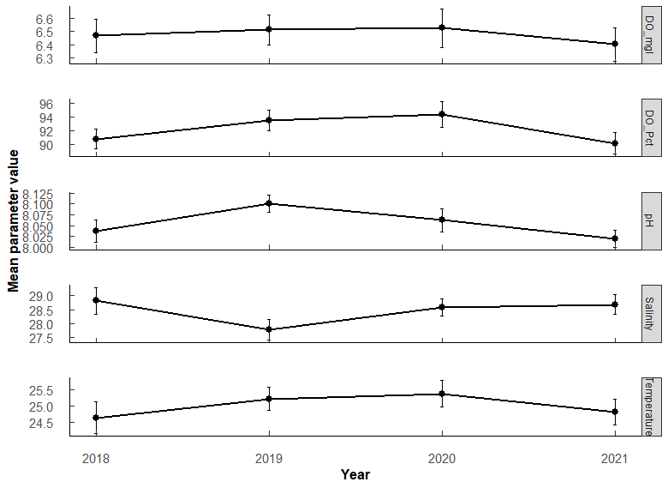
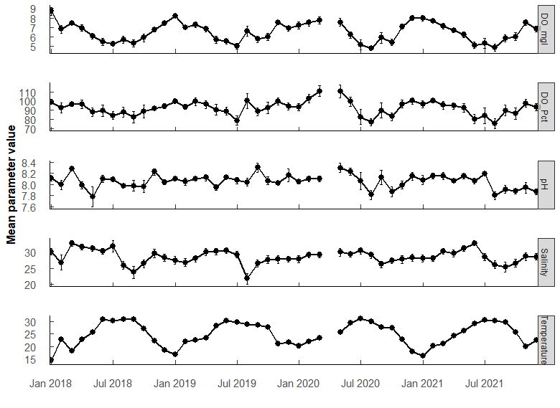
Q1: WQ trends during study - overall min/max/mean; annual min/max/mean |  |  |  |  |  |  |  |  |  |  |  |  | PermaANOVA tests:
 |  |  |  |  |  |  |  |  |  |  |  |  | Comparing average annual valules. (Compare mean per year among years)
 |  |  |  |  |  |  |  |  |  |  |  |  | DO_mgL | Df | Sum Sq | Mean Sq | F value | Pr(>F)
 |  |  |  |  |  |  |  |  |  |  |  |  | Year | 3 | 1.2 | 0.4075 | 0.179 | 0.911
 |  |  |  |  |  |  |  |  |  |  |  |  | Residuals | 540 | 1228.1 | 2.2743

 |  |  |  |  |  |  |  |  |  |  |  |  | pH | Df | Sum Sq | Mean Sq | F value | Pr(>F)
 |  |  |  |  |  |  |  |  |  |  |  |  | Year | 3 | 0.52 | 0.17368 | 2.302 | 0.0762
 |  |  |  |  |  |  |  |  |  |  |  |  | Residuals | 540 | 40.75 | 0.07546

 |  |  |  |  |  |  |  |  |  |  |  |  | SALINITY | Df | Sum Sq | Mean Sq | F value | Pr(>F)
 |  |  |  |  |  |  |  |  |  |  |  |  | Year | 3 | 93 | 31.06 | 1.542 | 0.203 | .
 |  |  |  |  |  |  |  |  |  |  |  |  | Residuals | 538 | 10834 | 20.14

 |  |  |  |  |  |  |  |  |  |  |  |  | TEMPERATURE | Df | Sum Sq | Mean Sq | F value | Pr(>F)
 |  |  |  |  |  |  |  |  |  |  |  |  | Year | 3 | 46 | 15.48 | 0.667 | 0.572
 |  |  |  |  |  |  |  |  |  |  |  |  | Residuals | 540 | 12529 | 23.2

 |  |  |  |  |  | Year | Parameter |  | Mean | SE | Min | Max
Parameter | OVERALL | Mean | SE | Min | Max | 2018 | DO_Pct | 141 | 90.8 | 1.44 | 35.3 | 133
DO_Pct | 555 | 92.106726 | 0.79239368 | 10.6 | 152.6 | 2019 | DO_Pct | 147 | 93.5 | 1.45 | 48.3 | 141
DO_mgl | 555 | 6.477313 | 0.06386955 | 0.68 | 11.8 | 2020 | DO_Pct | 130 | 94.3 | 1.88 | 25.8 | 143
Salinity | 555 | 28.453156 | 0.19077371 | 0.45 | 38.84 | 2021 | DO_Pct | 137 | 90.2 | 1.58 | 10.6 | 153
Temperature | 555 | 25.00375 | 0.20427659 | 8.05 | 33.3 | 2018 | DO_mgl | 141 | 6.47 | 0.126 | 2.41 | 11.8
pH | 555 | 8.055833 | 0.01170206 | 6.2 | 8.78 | 2019 | DO_mgl | 147 | 6.51 | 0.116 | 3.24 | 9.58
 |  |  |  |  |  | 2020 | DO_mgl | 130 | 6.53 | 0.145 | 1.79 | 10
 |  |  |  |  |  | 2021 | DO_mgl | 137 | 6.4 | 0.127 | 0.68 | 10.6
 |  |  |  |  |  | 2018 | Salinity | 141 | 28.8 | 0.469 | 0.45 | 38.8
 |  |  |  |  |  | 2019 | Salinity | 147 | 27.8 | 0.367 | 8.48 | 34.5
 |  |  |  |  |  | 2020 | Salinity | 130 | 28.6 | 0.3 | 19.8 | 34.6
 |  |  |  |  |  | 2021 | Salinity | 137 | 28.7 | 0.352 | 15.3 | 35.4
 |  |  |  |  |  | 2018 | Temperature | 141 | 24.6 | 0.474 | 8.05 | 33.3
 |  |  |  |  |  | 2019 | Temperature | 147 | 25.2 | 0.357 | 14.6 | 32.5
 |  |  |  |  |  | 2020 | Temperature | 130 | 25.4 | 0.395 | 15.8 | 32.9
 |  |  |  |  |  | 2021 | Temperature | 137 | 24.8 | 0.399 | 15.3 | 32.1
 |  |  |  |  |  | 2018 | pH | 141 | 8.04 | 0.0262 | 6.2 | 8.46
 |  |  |  |  |  | 2019 | pH | 147 | 8.1 | 0.0197 | 7.31 | 8.78
 |  |  |  |  |  | 2020 | pH | 130 | 8.06 | 0.0272 | 6.72 | 8.62
 |  |  |  |  |  | 2021 | pH | 137 | 8.02 | 0.0199 | 7.25 | 8.45

Q2
Q2: WQ - which months most similar
PermANOVA, pairwise-t-test holm adjustment
Month_temp <- aovp(Temperature ~ Month, data = ungroup(TB_WQ_df), perm = "", nperm = 10000) |  |  |  |  |  |  |  |  |  |  |  |  | Month_sal <- aovp(Salinity ~ Month, data = ungroup(TB_WQ_df), perm = "", nperm = 10000) |  |  |  |  |  |  |  |  |  |  |  |  | Month_pH <- aovp(pH ~ Month, data = ungroup(TB_WQ_df), perm = "", nperm = 10000) |  |  |  |  |  |  |  |  |  |  |  |  | Month_DO <- aovp(DO_mgl ~ Month, data = ungroup(TB_WQ_df), perm = "", nperm = 10000)

TEMP | Df | Sum Sq | Mean Sq | F value | Pr(>F) |  |  |  |  |  |  |  | SALINITY | Df | Sum Sq | Mean Sq | F value | Pr(>F) |  |  |  |  |  |  |  | pH | Df | Sum Sq | Mean Sq | F value | Pr(>F) |  |  |  |  |  |  |  | DO mgL | Df | Sum Sq | Mean Sq | F value | Pr(>F)
Month | 11 | 10532 | 957.4 | 249.2 | 2.00E-16 | *** | F 11, 532 = 249.2, P < 0.001 |  |  |  |  |  | Month | 11 | 1777 | 161.58 | 9.359 | 1.85E-15 | *** | F 11, 530 = 9.359, P < 0.001 |  |  |  |  |  | Month | 11 | 2.94 | 0.26733 | 3.711 | 4.10E-05 | *** |  |  |  |  |  |  | Month | 11 | 438.5 | 39.86 | 26.81 | <2e-16 | ***
Residuals | 532 | 2044 | 3.8 |  |  |  |  |  |  |  |  |  | Residuals | 530 | 9150 | 17.26 |  |  |  |  |  |  |  |  |  | Residuals | 532 | 38.33 | 0.07204 |  |  |  |  |  |  |  |  |  | Residuals | 532 | 790.9 | 1.49

Month | n | mean | sd | min | max | lower | upper | Letters | Comparison | p.value | p.adjust |  | Month | n | mean | sd | min | max | lower | upper | Letters | Comparison | p.value | p.adjust |  | Month | n | mean | sd | min | max | lower | upper | Letters | Comparison | p.value | p.adjust |  | Month | n | mean | sd | min | max | lower | upper | Letters | Comparison | p.value | p.adjust
1 | 41 | 16.806 | 2.958 | 8.05 | 24.1 | 13.848 | 19.764 | a | 1 01-02 | 1.95E-28 | 6.05E-27 | *** | 1 | 40 | 28.38 | 3.617 | 21.5 | 33.77 | 24.763 | 31.997 | abcd | 1 02-05 | 6.52e- 4 | 0.0332 | * | 1 | 41 | 8.084 | 0.172 | 7.56 | 8.37 | 7.912 | 8.256 | abc | 1 03-08 | 0.00000231 | 0.000153 | *** | 1 | 41 | 8.043 | 1.17 | 4.58 | 11.8 | 6.873 | 9.213 | a | 1 01-04 | 2.84e- 5 | 9.93E-04 | ***
2 | 47 | 21.721 | 1.639 | 18.533 | 25.85 | 20.082 | 23.36 | b | 2 01-03 | 5.35E-26 | 1.60E-24 | *** | 2 | 47 | 27.723 | 5.279 | 0.45 | 32.81 | 22.444 | 33.002 | abce | 2 02-06 | 4.58e- 4 | 0.0243 | * | 2 | 47 | 8.074 | 0.22 | 7.3 | 8.45 | 7.854 | 8.294 | abc | 2 06-08 | 0.0000363 | 0.00236 | ** | 2 | 47 | 7.243 | 1.019 | 4.09 | 9.77 | 6.224 | 8.262 | ab | 2 01-05 | 3.08E-11 | 1.60E-09 | ***
3 | 53 | 21.342 | 2.673 | 15.3 | 26.8 | 18.669 | 24.015 | b | 3 01-04 | 4.42E-39 | 1.68E-37 | *** | 3 | 53 | 29.93 | 3.626 | 21.61 | 35.45 | 26.304 | 33.556 | ad | 3 03-08 | 8.12e- 7 | 0.0000479 | *** | 3 | 53 | 8.16 | 0.183 | 7.67 | 8.42 | 7.977 | 8.343 | a | 3 07-08 | 0.000434 | 0.0265 | * | 3 | 53 | 7.414 | 1.09 | 5.02 | 10.03 | 6.324 | 8.504 | ab | 3 02-05 | 1.2 e- 4 | 3.83E-03 | **
4 | 32 | 23.376 | 1.74 | 20.8 | 28.15 | 21.636 | 25.116 | c | 4 02-04 | 2.53e- 4 | 3.28E-03 | ** | 4 | 32 | 30.527 | 3.294 | 23.65 | 35.22 | 27.233 | 33.821 | ad | 4 04-08 | 8.40e- 7 | 0.0000487 | *** | 4 | 32 | 8.053 | 0.194 | 7.51 | 8.37 | 7.859 | 8.247 | abc | 4 08-09 | 0.000415 | 0.0257 | * | 4 | 32 | 6.829 | 0.959 | 4.58 | 8.65 | 5.87 | 7.788 | bc | 4 03-05 | 3.63e- 6 | 1.38E-04 | ***
5 | 45 | 26.556 | 1.743 | 23 | 30.94 | 24.813 | 28.299 | d | 5 03-04 | 4.49e- 6 | 7.18E-05 | *** | 5 | 44 | 30.712 | 3.352 | 22.67 | 34.69 | 27.36 | 34.064 | d | 5 05-08 | 2.35e- 8 | 0.00000148 | *** | 5 | 45 | 8.016 | 0.396 | 6.2 | 8.62 | 7.62 | 8.412 | abc | 5 03-10 | 0.0000381 | 0.00244 | ** | 5 | 45 | 6.257 | 1.302 | 3.34 | 9.39 | 4.955 | 7.559 | cd | 5 01-06 | 1.20E-19 | 7.54E-18 | ***
6 | 48 | 29.816 | 1.135 | 28.4 | 32.5 | 28.681 | 30.951 | ef | 6 01-05 | 5.62E-82 | 3.20E-80 | *** | 6 | 48 | 30.729 | 3.285 | 22.01 | 35.366 | 27.444 | 34.014 | d | 6 06-08 | 1.03e- 8 | 0.000000657 | *** | 6 | 48 | 8.133 | 0.195 | 7.73 | 8.48 | 7.938 | 8.328 | a | 6 06-10 | 0.000397 | 0.025 | * | 6 | 48 | 5.597 | 1.214 | 3.16 | 8.1 | 4.383 | 6.811 | de | 6 02-06 | 1.14E-10 | 5.47E-09 | ***
7 | 40 | 30.468 | 1.09 | 28.6 | 32.9 | 29.378 | 31.558 | e | 7 02-05 | 8.22E-29 | 2.63E-27 | *** | 7 | 40 | 29.95 | 3.87 | 22.52 | 38.84 | 26.08 | 33.82 | acd | 7 07-08 | 3.91e- 6 | 0.000223 | *** | 7 | 40 | 8.109 | 0.265 | 6.72 | 8.41 | 7.844 | 8.374 | ab |  |  |  |  | 7 | 40 | 5.208 | 1.333 | 0.68 | 7.74 | 3.875 | 6.541 | e | 7 03-06 | 3.08E-13 | 1.76E-11 | ***
8 | 49 | 30.05 | 1.907 | 20.1 | 32.5 | 28.143 | 31.957 | ef | 8 03-05 | 2.84E-34 | 9.95E-33 | *** | 8 | 49 | 25.819 | 5.19 | 8.48 | 33.026 | 20.629 | 31.009 | be | 8 01-09 | 8.15e- 4 | 0.0399 | * | 8 | 49 | 7.906 | 0.252 | 7.28 | 8.32 | 7.654 | 8.158 | c |  |  |  |  | 8 | 49 | 5.48 | 1.513 | 2.96 | 9.58 | 3.967 | 6.993 | de | 8 04-06 | 1.15e- 5 | 4.27E-04 | ***
9 | 57 | 29.232 | 1.757 | 25.4 | 33.3 | 27.475 | 30.989 | f | 9 04-05 | 7.05E-12 | 1.41E-10 | *** | 9 | 57 | 25.495 | 5.489 | 0.58 | 32.16 | 20.006 | 30.984 | e | 9 03-09 | 3.56e- 8 | 0.00000221 | *** | 9 | 57 | 8.092 | 0.388 | 6.81 | 8.78 | 7.704 | 8.48 | ab |  |  |  |  | 9 | 57 | 5.685 | 1.45 | 1.79 | 8.88 | 4.235 | 7.135 | de | 9 01-07 | 2.01E-23 | 1.33E-21 | ***
10 | 47 | 27.006 | 1.218 | 24.4 | 29.7 | 25.788 | 28.224 | d | 10 01-06 | 2.58E-122 | 1.65E-120 | *** | 10 | 47 | 27.03 | 3.973 | 18.08 | 32.09 | 23.057 | 31.003 | bce | 10 04-09 | 6.48e- 8 | 0.00000395 | *** | 10 | 47 | 7.937 | 0.287 | 6.93 | 8.29 | 7.65 | 8.224 | bc |  |  |  |  | 10 | 47 | 5.829 | 1.352 | 2.57 | 10.6 | 4.477 | 7.181 | de | 10 02-07 | 4.51E-14 | 2.61E-12 | ***
11 | 39 | 21.394 | 2.092 | 18 | 26.189 | 19.302 | 23.486 | b | 11 02-06 | 2.11E-67 | 1.01E-65 | *** | 11 | 39 | 28.412 | 3.822 | 21.19 | 34.009 | 24.59 | 32.234 | abcd | 11 05-09 | 8.10E-10 | 5.27E-08 | *** | 11 | 39 | 8.042 | 0.227 | 7.25 | 8.46 | 7.815 | 8.269 | abc |  |  |  |  | 11 | 39 | 7.236 | 0.857 | 5.99 | 9.34 | 6.379 | 8.093 | ab | 11 03-07 | 6.76E-17 | 4.19E-15 | ***
12 | 46 | 20.123 | 2.506 | 15.805 | 24.8 | 17.617 | 22.629 | g | 12 03-06 | 2.99E-75 | 1.61E-73 | *** | 12 | 46 | 28.244 | 3.341 | 19.8 | 32.15 | 24.903 | 31.585 | abcd | 12 06-09 | 2.84E-10 | 1.87E-08 | *** | 12 | 46 | 8.055 | 0.275 | 7.59 | 8.741 | 7.78 | 8.33 | abc |  |  |  |  | 12 | 46 | 7.277 | 1.003 | 5.03 | 9.603 | 6.274 | 8.28 | ab | 12 04-07 | 3.37e- 8 | 1.38E-06 | ***
 |  |  |  |  |  |  |  |  | 13 04-06 | 6.41E-40 | 2.50E-38 | *** |  |  |  |  |  |  |  |  |  | 13 07-09 | 2.88e- 7 | 0.0000173 | *** |  |  |  |  |  |  |  |  |  |  |  |  |  |  |  |  |  |  |  |  |  |  | 13 05-07 | 8.59e- 5 | 2.83E-03 | **
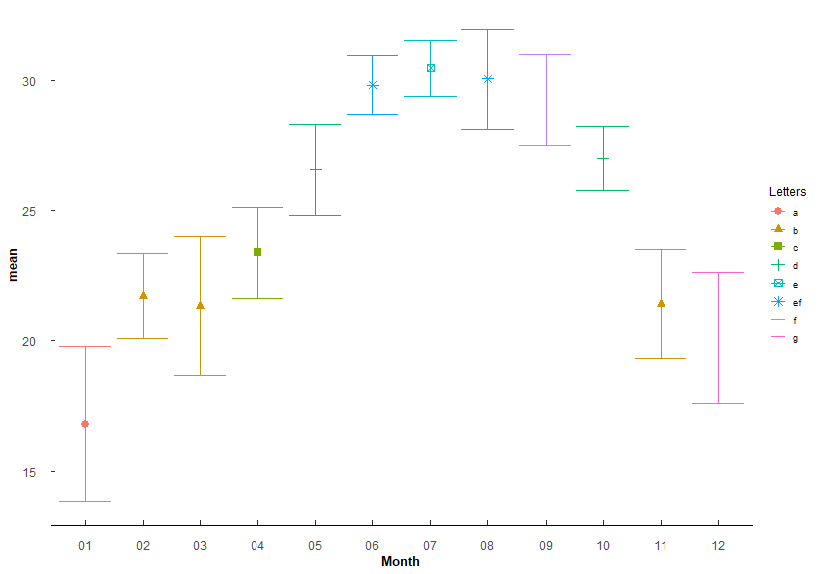
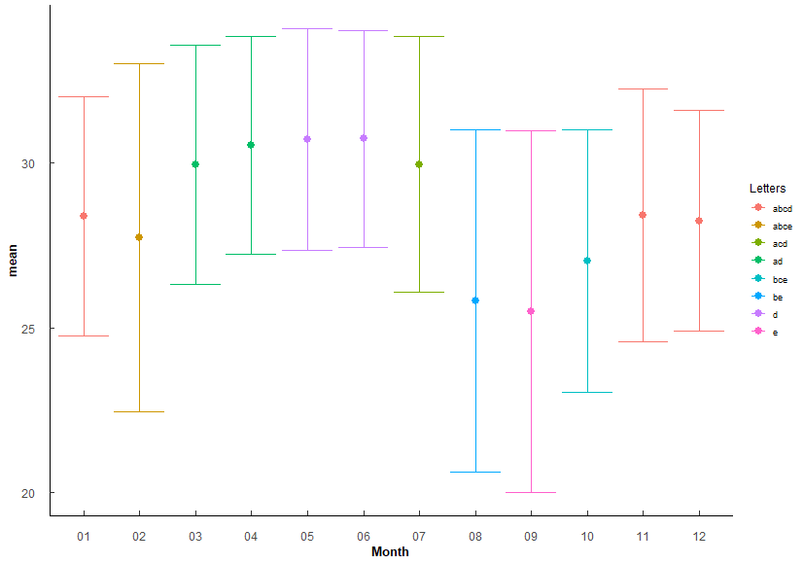
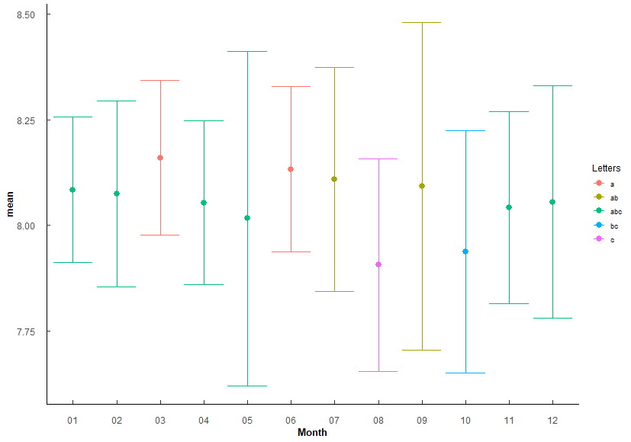
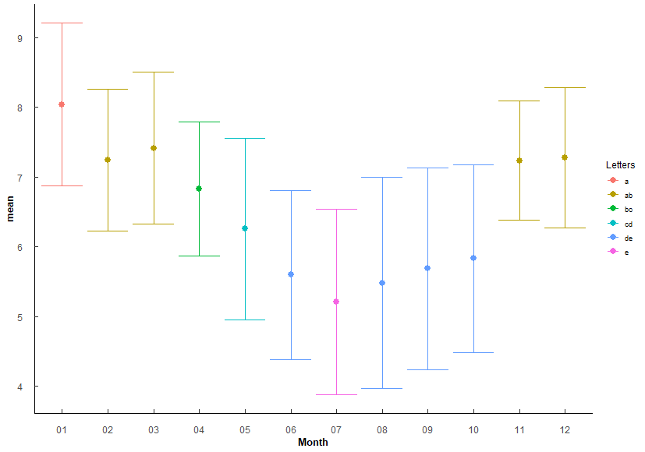
 |  |  |  |  |  |  |  |  | 14 05-06 | 6.93E-15 | 1.66E-13 | *** |  |  |  |  |  |  |  |  |  | 14 03-10 | 5.37e- 4 | 0.0279 | * |  |  |  |  |  |  |  |  |  |  |  |  |  |  |  |  |  |  |  |  |  |  | 14 01-08 | 1.93E-21 | 1.26E-19 | ***
 |  |  |  |  |  |  |  |  | 15 01-07 | 4.88E-123 | 3.17E-121 | *** |  |  |  |  |  |  |  |  |  | 15 04-10 | 2.65e- 4 | 0.0143 | * |  |  |  |  |  |  |  |  |  |  |  |  |  |  |  |  |  |  |  |  |  |  | 15 02-08 | 4.58E-12 | 2.43E-10 | ***
 |  |  |  |  |  |  |  |  | 16 02-07 | 1.75E-70 | 8.91E-69 | *** |  |  |  |  |  |  |  |  |  | 16 05-10 | 2.83e- 5 | 0.00156 | ** |  |  |  |  |  |  |  |  |  |  |  |  |  |  |  |  |  |  |  |  |  |  | 16 03-08 | 7.67E-15 | 4.60E-13 | ***
 |  |  |  |  |  |  |  |  | 17 03-07 | 6.45E-78 | 3.55E-76 | *** |  |  |  |  |  |  |  |  |  | 17 06-10 | 1.72e- 5 | 0.000964 | *** |  |  |  |  |  |  |  |  |  |  |  |  |  |  |  |  |  |  |  |  |  |  | 17 04-08 | 1.5 e- 6 | 5.84E-05 | ***
 |  |  |  |  |  |  |  |  | 18 04-07 | 7.53E-44 | 3.16E-42 | *** |  |  |  |  |  |  |  |  |  | 18 09-11 | 7.82e- 4 | 0.0391 | * |  |  |  |  |  |  |  |  |  |  |  |  |  |  |  |  |  |  |  |  |  |  | 18 01-09 | 1.11E-19 | 7.09E-18 | ***
 |  |  |  |  |  |  |  |  | 19 05-07 | 9.12E-19 | 2.55E-17 | *** |  |  |  |  |  |  |  |  |  | 19 09-12 | 9.03e- 4 | 0.0433 | * |  |  |  |  |  |  |  |  |  |  |  |  |  |  |  |  |  |  |  |  |  |  | 19 02-09 | 2.04E-10 | 9.40E-09 | ***
 |  |  |  |  |  |  |  |  | 20 01-08 | 1.03E-125 | 6.77E-124 | *** |  |  |  |  |  |  |  |  |  |  |  |  |  |  |  |  |  |  |  |  |  |  |  |  |  |  |  |  |  |  |  |  |  |  |  | 20 03-09 | 4.32E-13 | 2.42E-11 | ***
 |  |  |  |  |  |  |  |  | 21 02-08 | 7.94E-71 | 4.13E-69 | *** |  |  |  |  |  |  |  |  |  |  |  |  |  |  |  |  |  |  |  |  |  |  |  |  |  |  |  |  |  |  |  |  |  |  |  | 21 04-09 | 2.56e- 5 | 9.20E-04 | ***
 |  |  |  |  |  |  |  |  | 22 03-08 | 7.37E-79 | 4.13E-77 | *** |  |  |  |  |  |  |  |  |  |  |  |  |  |  |  |  |  |  |  |  |  |  |  |  |  |  |  |  |  |  |  |  |  |  |  | 22 01-10 | 1.94E-16 | 1.18E-14 | ***
 |  |  |  |  |  |  |  |  | 23 04-08 | 1.39E-42 | 5.69E-41 | *** |  |  |  |  |  |  |  |  |  |  |  |  |  |  |  |  |  |  |  |  |  |  |  |  |  |  |  |  |  |  |  |  |  |  |  | 23 02-10 | 3.08e- 8 | 1.29E-06 | ***
 |  |  |  |  |  |  |  |  | 24 05-08 | 6.85E-17 | 1.85E-15 | *** |  |  |  |  |  |  |  |  |  |  |  |  |  |  |  |  |  |  |  |  |  |  |  |  |  |  |  |  |  |  |  |  |  |  |  | 24 03-10 | 1.99E-10 | 9.36E-09 | ***
 |  |  |  |  |  |  |  |  | 25 01-09 | 4.25E-121 | 2.68E-119 | *** |  |  |  |  |  |  |  |  |  |  |  |  |  |  |  |  |  |  |  |  |  |  |  |  |  |  |  |  |  |  |  |  |  |  |  | 25 04-10 | 3.77e- 4 | 1.13E-02 | *
 |  |  |  |  |  |  |  |  | 26 02-09 | 4.81E-64 | 2.21E-62 | *** |  |  |  |  |  |  |  |  |  |  |  |  |  |  |  |  |  |  |  |  |  |  |  |  |  |  |  |  |  |  |  |  |  |  |  | 26 05-11 | 2.66e- 4 | 8.26E-03 | **
 |  |  |  |  |  |  |  |  | 27 03-09 | 3.09E-72 | 1.64E-70 | *** |  |  |  |  |  |  |  |  |  |  |  |  |  |  |  |  |  |  |  |  |  |  |  |  |  |  |  |  |  |  |  |  |  |  |  | 27 06-11 | 9.07E-10 | 4.08E-08 | ***
 |  |  |  |  |  |  |  |  | 28 04-09 | 4.92E-36 | 1.82E-34 | *** |  |  |  |  |  |  |  |  |  |  |  |  |  |  |  |  |  |  |  |  |  |  |  |  |  |  |  |  |  |  |  |  |  |  |  | 28 07-11 | 5.7 e-13 | 3.14E-11 | ***
 |  |  |  |  |  |  |  |  | 29 05-09 | 2.07E-11 | 3.73E-10 | *** |  |  |  |  |  |  |  |  |  |  |  |  |  |  |  |  |  |  |  |  |  |  |  |  |  |  |  |  |  |  |  |  |  |  |  | 29 08-11 | 4.95E-11 | 2.52E-09 | ***
 |  |  |  |  |  |  |  |  | 30 07-09 | 2.35e- 3 | 2.59E-02 | * |  |  |  |  |  |  |  |  |  |  |  |  |  |  |  |  |  |  |  |  |  |  |  |  |  |  |  |  |  |  |  |  |  |  |  | 30 09-11 | 1.79e- 9 | 7.89E-08 | ***
 |  |  |  |  |  |  |  |  | 31 01-10 | 1.48E-88 | 8.88E-87 | *** |  |  |  |  |  |  |  |  |  |  |  |  |  |  |  |  |  |  |  |  |  |  |  |  |  |  |  |  |  |  |  |  |  |  |  | 31 10-11 | 1.47e- 7 | 5.86E-06 | ***
 |  |  |  |  |  |  |  |  | 32 02-10 | 4.74E-34 | 1.61E-32 | *** |  |  |  |  |  |  |  |  |  |  |  |  |  |  |  |  |  |  |  |  |  |  |  |  |  |  |  |  |  |  |  |  |  |  |  | 32 05-12 | 7.59e- 5 | 2.58E-03 | **
 |  |  |  |  |  |  |  |  | 33 03-10 | 4.95E-40 | 1.98E-38 | *** |  |  |  |  |  |  |  |  |  |  |  |  |  |  |  |  |  |  |  |  |  |  |  |  |  |  |  |  |  |  |  |  |  |  |  | 33 06-12 | 6.12E-11 | 3.06E-09 | ***
 |  |  |  |  |  |  |  |  | 34 04-10 | 4.40E-15 | 1.10E-13 | *** |  |  |  |  |  |  |  |  |  |  |  |  |  |  |  |  |  |  |  |  |  |  |  |  |  |  |  |  |  |  |  |  |  |  |  | 34 07-12 | 2.37E-14 | 1.40E-12 | ***
 |  |  |  |  |  |  |  |  | 35 06-10 | 8.42E-12 | 1.60E-10 | *** |  |  |  |  |  |  |  |  |  |  |  |  |  |  |  |  |  |  |  |  |  |  |  |  |  |  |  |  |  |  |  |  |  |  |  | 35 08-12 | 2.41E-12 | 1.30E-10 | ***
 |  |  |  |  |  |  |  |  | 36 07-10 | 1.67E-15 | 4.34E-14 | *** |  |  |  |  |  |  |  |  |  |  |  |  |  |  |  |  |  |  |  |  |  |  |  |  |  |  |  |  |  |  |  |  |  |  |  | 36 09-12 | 1.09E-10 | 5.32E-09 | ***
 |  |  |  |  |  |  |  |  | 37 08-10 | 1.28E-13 | 2.81E-12 | *** |  |  |  |  |  |  |  |  |  |  |  |  |  |  |  |  |  |  |  |  |  |  |  |  |  |  |  |  |  |  |  |  |  |  |  | 37 10-12 | 1.73e- 8 | 7.45E-07 | ***
 |  |  |  |  |  |  |  |  | 38 09-10 | 1.38e- 8 | 2.35E-07 | ***
 |  |  |  |  |  |  |  |  | 39 01-11 | 1.96E-23 | 5.68E-22 | ***
 |  |  |  |  |  |  |  |  | 40 04-11 | 2.65e- 5 | 3.97E-04 | ***
 |  |  |  |  |  |  |  |  | 41 05-11 | 1.13E-29 | 3.73E-28 | ***
 |  |  |  |  |  |  |  |  | 42 06-11 | 1.98E-66 | 9.31E-65 | ***
 |  |  |  |  |  |  |  |  | 43 07-11 | 1.29E-69 | 6.30E-68 | ***
 |  |  |  |  |  |  |  |  | 44 08-11 | 1.17E-69 | 5.87E-68 | ***
 |  |  |  |  |  |  |  |  | 45 09-11 | 5.10E-63 | 2.30E-61 | ***
 |  |  |  |  |  |  |  |  | 46 10-11 | 1.10E-34 | 3.96E-33 | ***
 |  |  |  |  |  |  |  |  | 47 01-12 | 1.89E-14 | 4.34E-13 | ***
 |  |  |  |  |  |  |  |  | 48 02-12 | 9.55e- 5 | 1.34E-03 | **
 |  |  |  |  |  |  |  |  | 49 03-12 | 2.12e- 3 | 2.55E-02 | *
 |  |  |  |  |  |  |  |  | 50 04-12 | 1.92E-12 | 4.03E-11 | ***
 |  |  |  |  |  |  |  |  | 51 05-12 | 1.06E-45 | 4.58E-44 | ***
 |  |  |  |  |  |  |  |  | 52 06-12 | 1.22E-86 | 7.17E-85 | ***
 |  |  |  |  |  |  |  |  | 53 07-12 | 7.16E-89 | 4.36E-87 | ***
 |  |  |  |  |  |  |  |  | 54 08-12 | 3.69E-90 | 2.29E-88 | ***
 |  |  |  |  |  |  |  |  | 55 09-12 | 4.91E-84 | 2.85E-82 | ***
 |  |  |  |  |  |  |  |  | 56 10-12 | 9.37E-52 | 4.12E-50 | ***
 |  |  |  |  |  |  |  |  | 57 11-12 | 3 e- 3 | 3.00E-02 | *

Q3
Q3: Do WQ paramters vary among stations? (How to group for analyses.)
PermANOVA, pairwise-t-test holm adjustment
Station_temp <- aovp(Temperature ~ Station, data = ungroup(TB_WQ_df), perm = "", nperm = 10000) |  |  |  |  |  |  |  |  | Station_sal <- aovp(Salinity ~ Station, data = ungroup(TB_WQ_df), perm = "", nperm = 10000) |  |  |  |  |  |  |  |  |  |  |  |  | Station_pH <- aovp(pH ~ Station, data = ungroup(TB_WQ_df), perm = "", nperm = 10000) |  |  |  |  |  |  |  |  |  |  |  |  | Station_DO <- aovp(DO_mgl ~ Station, data = ungroup(TB_WQ_df), perm = "", nperm = 10000)
 |  |  |  |  |  |  |  |  |  |  |  |  |  |  |  |  |  | Lowest at 5, highest at 2-4, most variable at 1
 | Df | Sum Sq | Mean Sq | F value | Pr(>F) |  |  |  |  | Df | Sum Sq | Mean Sq | F value | Pr(>F) |  |  |  |  |  |  |  |  | Df | Sum Sq | Mean Sq | F value | Pr(>F) |  |  |  |  |  |  |  |  | Df | Sum Sq | Mean Sq | F value | Pr(>F)
Station | 4 | 113 | 28.26 | 1.222 | 3.00E-01 | No significant difference |  |  | Station | 4 | 5874 | 1468.4 | 156 | 2.00E-16 | *** | F 4, 537 = 156, P < 0.001 |  |  |  |  |  | Station | 4 | 8.15 | 2.0383 | 33.18 | <2e-16 | *** |  |  |  |  |  |  | Station | 4 | 121.2 | 30.297 | 14.74 | 1.97E-11 | ***
Residuals | 539 | 12463 | 23.12 |  |  |  |  |  | Residuals | 537 | 5054 | 9.4 |  |  |  |  |  |  |  |  |  | Residuals | 539 | 33.12 | 0.0614 |  |  |  |  |  |  |  |  |  | Residuals | 539 | 1108.2 | 2.056

Station | n | mean | sd | min | max | lower | upper | Letters | Station | n | mean | sd | min | max | lower | upper | Letters | Comparison | p.value | p.adjust |  | Station | n | mean | sd | min | max | lower | upper | Letters | Comparison | p.value | p.adjust |  | Station | n | mean | sd | min | max | lower | upper | Letters | Comparison | p.value | p.adjust
1 | 102 | 24.563 | 4.87 | 8.05 | 31.898 | 19.693 | 29.433 | a | 1 | 100 | 28.6 | 4.74 | 0.45 | 36.85 | 23.86 | 33.34 | a | 1 1-2 | 2.47e- 5 | 9.89E-05 | *** | 1 | 102 | 8.052 | 0.256 | 6.9 | 8.737 | 7.796 | 8.308 | a | 1 1-2 | 1.67e- 4 | 7.09E-04 | *** | 1 | 102 | 6.608 | 1.334 | 3.05 | 11.8 | 5.274 | 7.942 | a | 1 1-2 | 5.65e- 4 | 2.87E-03 | **
2 | 97 | 24.728 | 4.791 | 14.4 | 32.155 | 19.937 | 29.519 | a | 2 | 97 | 30.46 | 2.21 | 22.27 | 35.97 | 28.25 | 32.67 | b | 2 1-3 | 3.82E-10 | 2.29E-09 | *** | 2 | 97 | 8.185 | 0.182 | 7.48 | 8.741 | 8.003 | 8.367 | b | 2 1-3 | 1.31e- 4 | 7.09E-04 | *** | 2 | 97 | 7.313 | 1.245 | 3.86 | 10.6 | 6.068 | 8.558 | b | 2 2-3 | 1.41e- 4 | 1.13E-03 | **
3 | 120 | 24.986 | 4.766 | 14.84 | 32.093 | 20.22 | 29.752 | a | 3 | 120 | 31.25 | 2.153 | 24.22 | 38.84 | 29.097 | 33.403 | b | 3 1-4 | 1 e- 7 | 5.02E-07 | *** | 3 | 120 | 8.18 | 0.17 | 7.53 | 8.78 | 8.01 | 8.35 | b | 3 2-4 | 1.44e- 4 | 7.09E-04 | *** | 3 | 120 | 6.563 | 1.571 | 0.68 | 9.603 | 4.992 | 8.134 | a | 3 2-4 | 8.3 e- 8 | 7.47E-07 | ***
4 | 81 | 26.03 | 4.617 | 14.6 | 33.3 | 21.413 | 30.647 | a | 4 | 81 | 31.076 | 2.637 | 15.17 | 34.84 | 28.439 | 33.713 | b | 4 1-5 | 3.83E-36 | 2.68E-35 | *** | 4 | 81 | 8.042 | 0.243 | 7.31 | 8.55 | 7.799 | 8.285 | a | 4 3-4 | 1.18e- 4 | 7.09E-04 | *** | 4 | 81 | 6.14 | 1.564 | 3.22 | 9.25 | 4.576 | 7.704 | ac | 4 1-5 | 3.48e- 4 | 2.44E-03 | **
5 | 144 | 24.94 | 4.915 | 13.157 | 32.1 | 20.025 | 29.855 | a | 5 | 144 | 23.193 | 2.96 | 8.48 | 28.8 | 20.233 | 26.153 | c | 5 2-5 | 3.41E-57 | 2.73E-56 | *** | 5 | 144 | 7.876 | 0.325 | 6.2 | 8.39 | 7.551 | 8.201 | c | 5 1-5 | 6.59e- 8 | 5.27E-07 | *** | 5 | 144 | 5.94 | 1.424 | 1.79 | 10.7 | 4.516 | 7.364 | c | 5 2-5 | 1.10E-12 | 1.10E-11 | ***
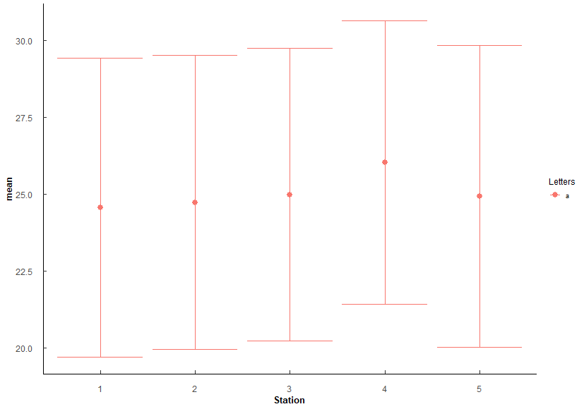
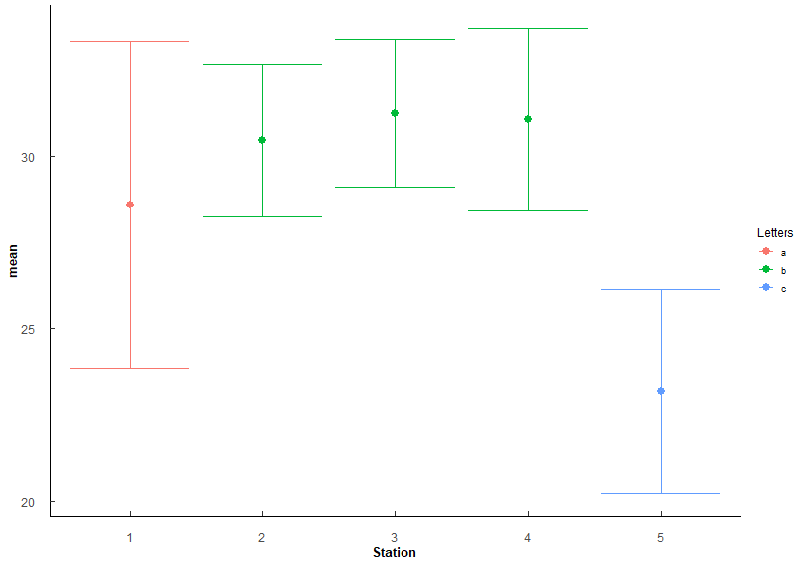
 |  |  |  |  |  |  |  |  |  |  |  |  |  |  |  |  |  | 6 3-5 | 3.56E-73 | 3.56E-72 | *** |  |  |  |  |  |  |  |  |  | 6 2-5 | 7.37E-20 | 6.63E-19 | *** |  |  |  |  |  |  |  |  |  | 6 3-5 | 4.78e- 4 | 2.87E-03 | **
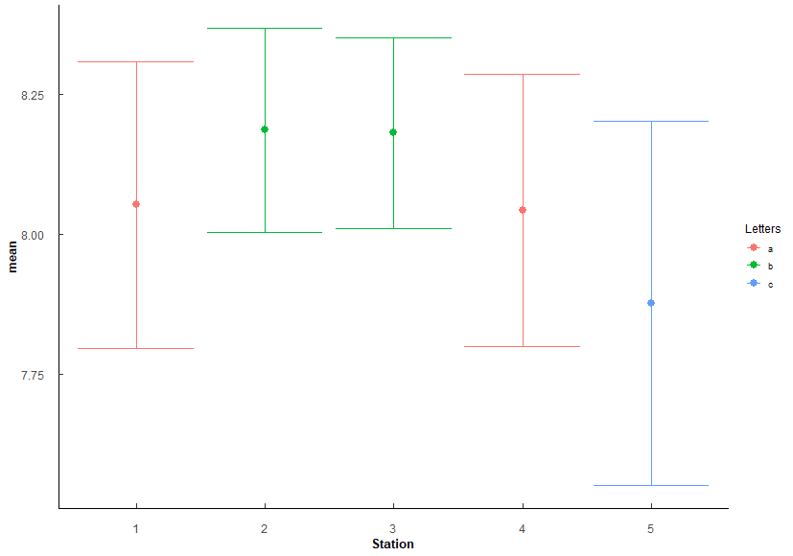
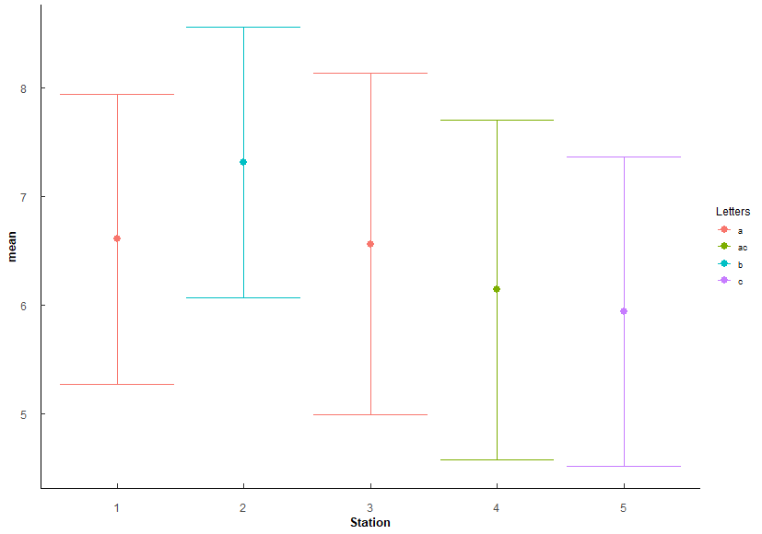
 |  |  |  |  |  |  |  |  |  |  |  |  |  |  |  |  |  | 7 4-5 | 1.72E-59 | 1.55E-58 | *** |  |  |  |  |  |  |  |  |  | 7 3-5 | 1.80E-21 | 1.80E-20 | ***
 |  |  |  |  |  |  |  |  |  |  |  |  |  |  |  |  |  |  |  |  |  |  |  |  |  |  |  |  |  |  | 8 4-5 | 1.82e- 6 | 1.27E-05 | ***

Q4
Q4: Oyster similaries among stations? - SH, TW, CI
PermANOVA, pairwise-t-test holm adjustment
Station_SH <- aovp(SH ~ Station, data = ungroup(TB_CI), perm = "", nperm = 10000) |  |  |  |  |  |  |  |  |  |  |  |  | Station_TW <- aovp(TW ~ Station, data = ungroup(TB_CI), perm = "", nperm = 10000) |  |  |  |  |  |  |  |  |  |  |  |  | Station_CI <- aovp(CI ~ Station, data = ungroup(TB_CI), perm = "", nperm = 10000)
 |  |  |  |  |  |  |  |  |  |  |  |  |  |  |  |  |  |  |  |  |  | Lowest at 5, highest at 2-4, most variable at 1
Shell Height | Df | Sum Sq | Mean Sq | F value | Pr(>F) |  |  |  |  |  |  |  | TotalWeight | Df | Sum Sq | Mean Sq | F value | Pr(>F) |  |  |  |  |  |  |  | ConditionIndex | Df | Sum Sq | Mean Sq | F value | Pr(>F)
Station | 4 | 11633 | 2908.2 | 34.03 | 2.00E-16 | *** |  |  |  |  |  |  | Station | 4 | 39331 | 9833 | 72.2 | 2.00E-16 | *** |  |  |  |  |  |  | Station | 4 | 88.1 | 22.022 | 10.16 | 4.40E-08 | ***
Residuals | 1145 | 97854 | 85.5 |  |  |  |  |  |  |  |  |  | Residuals | 1145 | 155925 | 136 |  |  |  |  |  |  |  |  |  | Residuals | 1145 | 2482.1 | 2.168

Station | n | mean | sd | min | max | lower | upper | Letters | Comparison | p.value | p.adjust |  | Station | n | mean | sd | min | max | lower | upper | Letters | Comparison | p.value | p.adjust |  | Station | n | mean | sd | min | max | lower | upper | Letters | Comparison | p.value | p.adjust
1 | 230 | 49.756 | 7.717 | 33.36 | 87.37 | 42.039 | 57.473 | a | 1 1-2 | 1.39e- 6 | 6.97E-06 | *** | 1 | 230 | 16.628 | 6.448 | 6.45 | 47.48 | 10.18 | 23.076 | a | 1 1-2 | 3.03E-13 | 1.51E-12 | *** | 1 | 230 | 4.015 | 1.362 | 1.464 | 8.42 | 2.653 | 5.377 | ab | 1 3-4 | 0.00245 | 1.71E-02 | *
2 | 230 | 53.938 | 8.658 | 21.8 | 80.1 | 45.28 | 62.596 | b | 2 1-3 | 1.57E-13 | 1.25E-12 | *** | 2 | 230 | 24.659 | 8.933 | 6.62 | 57.26 | 15.726 | 33.592 | b | 2 1-3 | 1.3 e-26 | 1.04E-25 | *** | 2 | 230 | 4.184 | 1.44 | 1.116 | 9.091 | 2.744 | 5.624 | ab | 2 1-5 | 0.00000176 | 1.59E-05 | ***
3 | 230 | 56.197 | 10.447 | 29.37 | 88.47 | 45.75 | 66.644 | c | 3 2-3 | 8.91e- 3 | 2.67E-02 | * | 3 | 230 | 28.545 | 13.941 | 5.18 | 73.22 | 14.604 | 42.486 | c | 3 2-3 | 3.71e- 4 | 7.42E-04 | *** | 3 | 230 | 3.856 | 1.095 | 1.508 | 6.523 | 2.761 | 4.951 | a | 3 2-5 | 0.000365 | 2.92E-03 | **
4 | 230 | 51.855 | 7.483 | 33.53 | 76 | 44.372 | 59.338 | d | 4 1-4 | 1.5 e- 2 | 3.01E-02 | * | 4 | 230 | 19.781 | 8.011 | 6.32 | 53.9 | 11.77 | 27.792 | d | 4 1-4 | 3.84e- 3 | 3.84E-03 | ** | 4 | 230 | 4.273 | 1.281 | 1.7 | 9.268 | 2.992 | 5.554 | b | 4 3-5 | 3.4E-09 | 3.40E-08 | ***
5 | 230 | 58.816 | 11.3 | 29.13 | 99.12 | 47.516 | 70.116 | e | 5 2-4 | 1.58e- 2 | 3.01E-02 | * | 5 | 230 | 32.889 | 17.349 | 6.86 | 103.2 | 15.54 | 50.238 | e | 5 2-4 | 8.10e- 6 | 3.24E-05 | *** | 5 | 230 | 4.674 | 2.017 | 1.245 | 10.714 | 2.657 | 6.691 | c | 5 4-5 | 3.56E-03 | 2.13E-02 | *
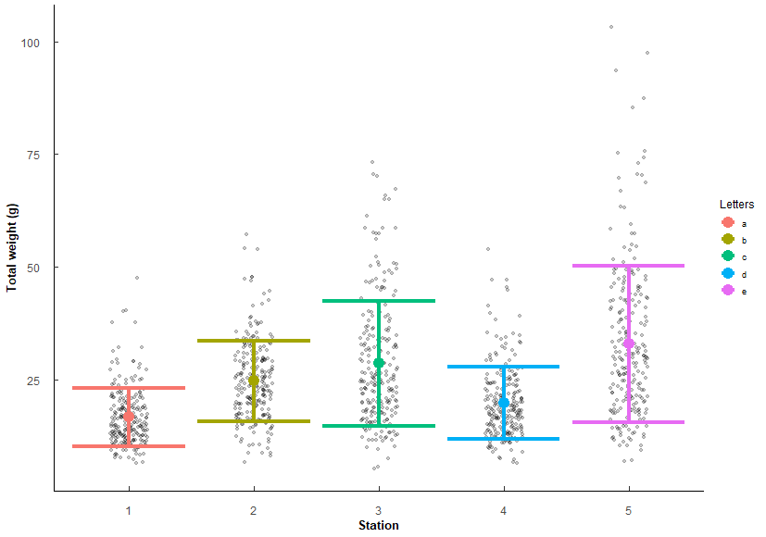
 |  |  |  |  |  |  |  |  | 6 3-4 | 5.50e- 7 | 3.30E-06 | *** |  |  |  |  |  |  |  |  |  | 6 3-4 | 2 e-15 | 1.40E-14 | ***
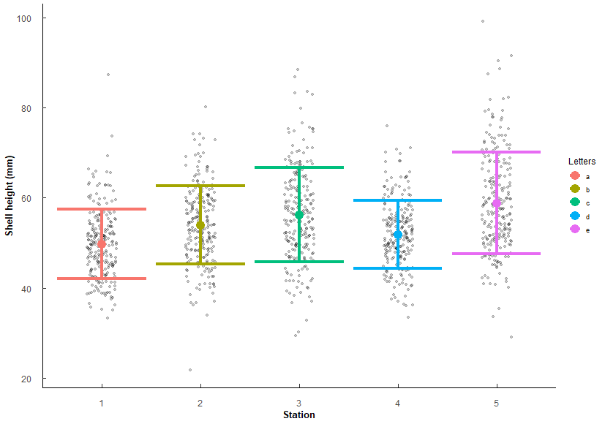
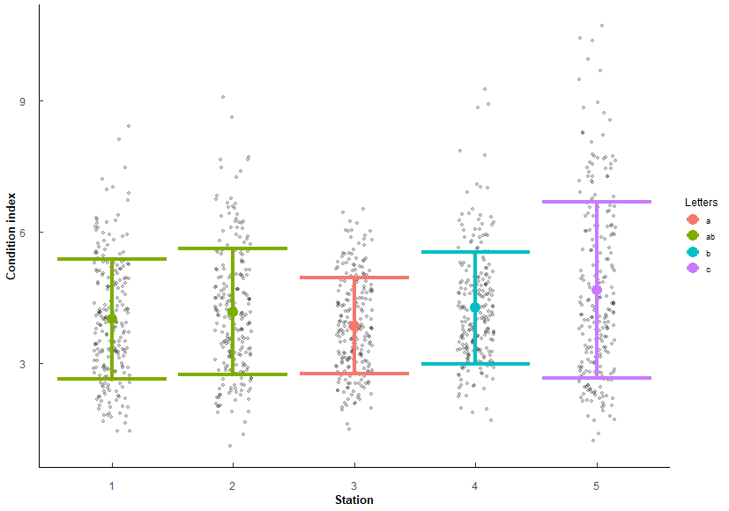
 |  |  |  |  |  |  |  |  | 7 1-5 | 9.93E-25 | 9.93E-24 | *** |  |  |  |  |  |  |  |  |  | 7 1-5 | 2.93E-46 | 2.93E-45 | ***
 |  |  |  |  |  |  |  |  | 8 2-5 | 1.93e- 8 | 1.35E-07 | *** |  |  |  |  |  |  |  |  |  | 8 2-5 | 8.06E-14 | 4.83E-13 | ***
 |  |  |  |  |  |  |  |  | 9 3-5 | 2.43e- 3 | 9.72E-03 | ** |  |  |  |  |  |  |  |  |  | 9 3-5 | 6.96e- 5 | 2.09E-04 | ***
 |  |  |  |  |  |  |  |  | 10 4-5 | 1.69E-15 | 1.52E-14 | *** |  |  |  |  |  |  |  |  |  | 10 4-5 | 1.5 e-31 | 1.35E-30 | ***

Q5
Q5: Does Polydora and Cliona differ in parasite prevalence in TB Oysters?
# infected / # total oysters per sample (1 sample = 1 year/month/station) i.e. 3 infected / 5 oysters = 0.6 proportion infected
quaisbinomial generalized linear model (inclusive of 0 and 1 proportions), emmeans post-hoc holm's adjustment
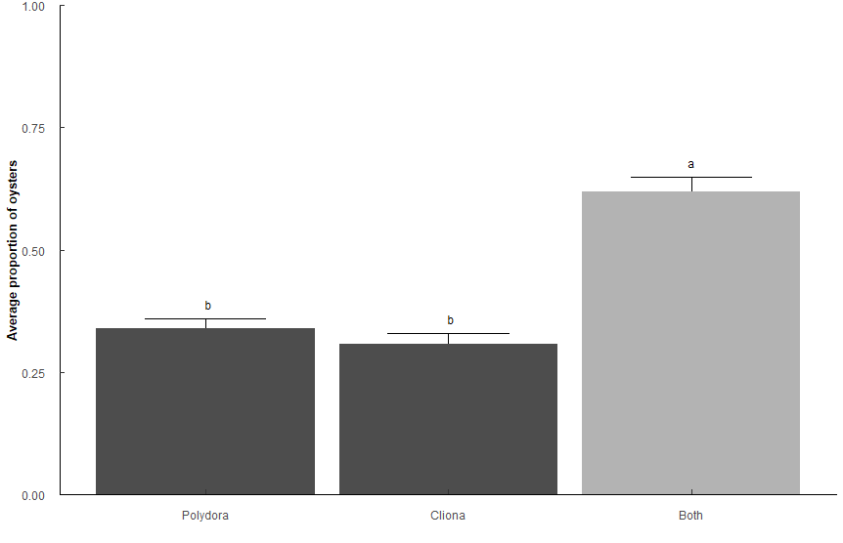
Types: Only "Polydora", only "Cliona", "Both" polydora and cliona

Pest_model <- glm(Prop ~ Type, family = quasibinomial, data = t1)

 | Sum Sq | Df | F value | Pr(>F)
Type | 25.35 | 2 | 41.333 | 2.20E-16 | ***
Residuals | 89.853 | 293

Type | n | mean | sd | min | max | lower | upper | Lower | Upper | Letters
Both | 128 | 0.619 | 0.335 | 0.2 | 1 | 0.284 | 0.954 | 0.5711942 | 0.6641329 | a
Cliona | 62 | 0.306 | 0.18 | 0.2 | 0.8 | 0.126 | 0.486 | 0.2467994 | 0.3733747 | b
Polydora | 106 | 0.34 | 0.207 | 0.2 | 1 | 0.133 | 0.547 | 0.2916094 | 0.3911758 | b

contrast | odds.ratio | SE | z.ratio | p.value
Polydora / Cliona | 1.16E+00 | 0.22136096 | 0.7980804 | 4.25E-01 | ns
Polydora / Both | 3.17E-01 | 0.0481157 | -7.5686129 | 1.13E-13 | ***
Cliona / Both | 2.72E-01 | 0.04977772 | -7.1158115 | 2.23E-12 | ***

Q6
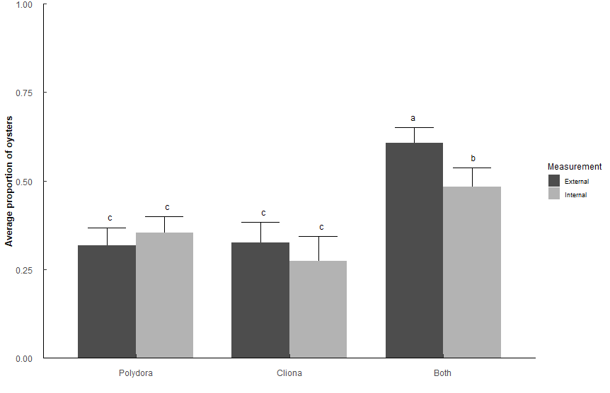
Q6: Does Polydora or Cliona differ in parasite prevalence impact among shell surfaces in TB Oysters?
# infected / # total oysters per sample (1 sample = 1 year/month/station) i.e. 3 infected / 5 oysters = 0.6 proportion infected
quaisbinomial generalized linear model (inclusive of 0 and 1 proportions), emmeans post-hoc holm's adjustment
Types: Only "Polydora", only "Cliona", "Both" polydora and cliona
Measurements: Internal, External

Side_model <- glm(Prop ~ Type * Measurement, family = quasibinomial, data = t2)

 | Sum Sq | Df | F value | Pr(>F)
Type | 27.283 | 2 | 5.33E+01 | < 2.2e-16 | ***
Measurement | 1.149 | 1 | 4.4932 | 0.034497 | *
Type:Measurement | 2.673 | 2 | 5.2263 | 0.005656 | **
Residuals | 134.779 | 527

Type | Measurement | n | mean | sd | min | max | lower | upper | Lower | Upper | Letters
Both | External | 124 | 0.608 | 0.336 | 0.2 | 1 | 0.272 | 0.944 | 0.5638623 | 0.6505631 | a
Both | External | 124 | 0.608 | 0.336 | 0.2 | 1 | 0.272 | 0.944 | 0.4306947 | 0.5371163 | b
Both | Internal | 86 | 0.484 | 0.284 | 0.2 | 1 | 0.2 | 0.768 | 0.5638623 | 0.6505631 | a
Both | Internal | 86 | 0.484 | 0.284 | 0.2 | 1 | 0.2 | 0.768 | 0.4306947 | 0.5371163 | b
Cliona | External | 69 | 0.325 | 0.194 | 0.2 | 0.8 | 0.131 | 0.519 | 0.2714305 | 0.3827948 | c
Cliona | External | 69 | 0.325 | 0.194 | 0.2 | 0.8 | 0.131 | 0.519 | 0.213738 | 0.3436255 | c
Cliona | Internal | 46 | 0.274 | 0.122 | 0.2 | 0.6 | 0.152 | 0.396 | 0.2714305 | 0.3827948 | c
Cliona | Internal | 46 | 0.274 | 0.122 | 0.2 | 0.6 | 0.152 | 0.396 | 0.213738 | 0.3436255 | c
Polydora | External | 90 | 0.318 | 0.192 | 0.2 | 1 | 0.126 | 0.51 | 0.3119016 | 0.3989874 | c
Polydora | External | 90 | 0.318 | 0.192 | 0.2 | 1 | 0.126 | 0.51 | 0.271229 | 0.3682783 | c
Polydora | Internal | 118 | 0.354 | 0.193 | 0.2 | 1 | 0.161 | 0.547 | 0.3119016 | 0.3989874 | c
Polydora | Internal | 118 | 0.354 | 0.193 | 0.2 | 1 | 0.161 | 0.547 | 0.271229 | 0.3682783 | c

contrast |  | odds.ratio | SE | z.ratio | p.value
External Polydora / External Both |  | 0.3002359 | 0.04429043 | -8.156161 | 5.19E-15
External Polydora / Internal Both |  | 0.4971498 | 0.07863065 | -4.418634 | 9.93E-05
Internal Polydora / External Both |  | 0.3535788 | 0.04760713 | -7.721487 | 1.61E-13
Internal Polydora / Internal Both |  | 0.5854785 | 0.08561332 | -3.6609 | 2.01E-03
External Cliona / External Both |  | 0.3098325 | 0.04953423 | -7.329033 | 2.78E-12
External Cliona / Internal Both |  | 0.5130406 | 0.08708624 | -3.931774 | 7.59E-04
Internal Cliona / External Both |  | 0.2431582 | 0.04652247 | -7.390754 | 1.90E-12
Internal Cliona / Internal Both |  | 0.402637 | 0.08038567 | -4.556619 | 5.72E-05
External Both / Internal Both |  | 1.6558642 | 0.23744276 | 3.517018 | 3.05E-03

Q7
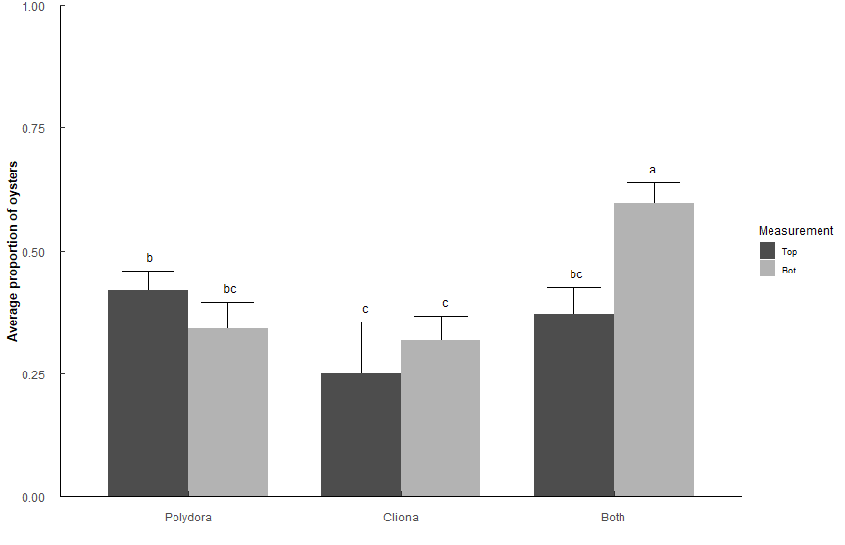
Q7: Does Polydora or Cliona differ in parasite prevalence impact among shell position in TB Oysters?
# infected / # total oysters per sample (1 sample = 1 year/month/station) i.e. 3 infected / 5 oysters = 0.6 proportion infected
quaisbinomial generalized linear model (inclusive of 0 and 1 proportions), emmeans post-hoc holm's adjustment
Types: Only "Polydora", only "Cliona", "Both" polydora and cliona
Measurements: Top, Bottom

Position_model <- glm(Prop ~ Type * Measurement, family = quasibinomial, data = t3)

 | Sum Sq | Df | F value | Pr(>F)
Type | 13.535 | 2 | 2.78E+01 | 3.24E-12 | ***
Measurement | 2.159 | 1 | 8.88E+00 | 0.003013 | **
Type:Measurement | 9.101 | 2 | 18.7225 | 1.40E-08 | ***
Residuals | 126.877 | 522

Measurement | Type | n | mean | sd | min | max | SE | Lower | Upper | Letters
Bottom | Both | 119 | 0.597 | 0.323 | 0.2 | 1 | 0.02217099 | 0.5525345 | 0.6392341 | a
Bottom | Cliona | 84 | 0.317 | 0.187 | 0.2 | 0.8 | 0.02502266 | 0.2697723 | 0.367609 | c
Bottom | Polydora | 79 | 0.342 | 0.203 | 0.2 | 1 | 0.02630865 | 0.2922219 | 0.3950349 | bc
Top | Both | 78 | 0.372 | 0.201 | 0.2 | 0.8 | 0.02697806 | 0.3206224 | 0.4260132 | bc
Top | Cliona | 20 | 0.25 | 0.089 | 0.2 | 0.4 | 0.04773548 | 0.1683176 | 0.3544291 | c
Top | Polydora | 148 | 0.419 | 0.237 | 0.2 | 1 | 0.01999439 | 0.3803178 | 0.4585388 | b

contrast |  | odds.ratio | SE | z.ratio | p.value
Top Polydora / Top Cliona |  | 2.1627907 | 0.57857072 | 2.883615 | 3.54E-02 | *
Top Polydora / Bot Cliona |  | 1.5556916 | 0.22065931 | 3.115624 | 1.84E-02 | *
Top Polydora / Bottom Both |  | 0.4873895 | 0.0601559 | -5.822917 | 6.94E-08 | ***
Bottom Polydora / Bottom Both |  | 0.3510293 | 0.05225913 | -7.032024 | 2.85E-11 | ***
Top Cliona / Bottom Both |  | 0.2253521 | 0.06101292 | -5.503674 | 4.09E-07 | ***
Bot Cliona / Bottom Both |  | 0.3132944 | 0.04632003 | -7.850021 | 6.24E-14 | ***
Top Both / Bottom Both |  | 0.400115 | 0.05911529 | -6.199862 | 7.35E-09 | ***

Q8
Q8: Does Polydora and Cliona differ in parasite prevalence in TB Oysters among stations? |  |  |  |  |  |  |  |  |  |  | Sake of curiosity, what happens if we only look at Cliona or Polydora, not Both?
# infected / # total oysters per sample (1 sample = 1 year/month/station) i.e. 3 infected / 5 oysters = 0.6 proportion infected |  |  |  |  |  |  |  |  |  |  | Very minor differences among stations.
quaisbinomial generalized linear model (inclusive of 0 and 1 proportions), emmeans post-hoc holm's adjustment |  |  |  |  |  |  |  |  |  |  | Pest_model_2b <- glm(Prop ~ Type * Station, family = quasibinomial, data = (t1 %>% filter(Type != "Both")))
Types: Only "Polydora", only "Cliona", "Both" polydora and cliona
Station: 1, 2, 3, 4, 5
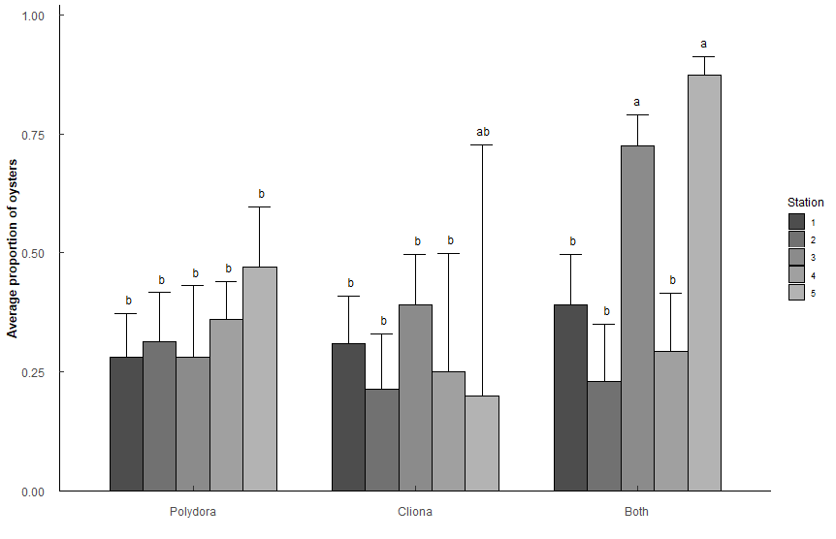
Pest_model_2 <- glm(Prop ~ Type * Station, family = quasibinomial, data = t1)
 |  |  |  |  |  |  |  |  |  |  |  | Sum Sq | Df | F value | Pr(>F)
 | Sum Sq | Df | F value | Pr(>F) |  |  |  |  |  |  | Type | 0.0319 | 1 | 0.1946 | 6.60E-01
Type | 8.906 | 2 | 19.1053 | 1.66E-08 | *** |  |  |  |  |  | Station | 1.806 | 4 | 2.7588 | 2.97E-02 | *
Station | 26.128 | 4 | 28.0241 | 2.20E-16 | *** |  |  |  |  |  | Type:Station | 1.3397 | 4 | 2.0465 | 9.05E-02 | .
Type:Station | 12.553 | 8 | 6.7319 | 4.49E-08 | *** |  |  |  |  |  | Residuals | 25.8582 | 158
Residuals | 65.498 | 281

Type | Station | n | mean | sd | min | max | SE | Lower | Upper | Letters | Station | Type | n | mean | sd | min | max | SE | Lower | Upper | Letters
Polydora | 1 | 25 | 0.28 | 0.153 | 0.2 | 0.8 | 0.0433552 | 0.20327291 | 0.3721602 | b | 1 | Cliona | 22 | 0.309 | 0.16 | 0.2 | 0.6 | 0.03985779 | 0.23682216 | 0.3920832 | ab
Polydora | 2 | 21 | 0.314 | 0.206 | 0.2 | 0.8 | 0.04890916 | 0.22706399 | 0.4169388 | b | 1 | Polydora | 25 | 0.28 | 0.153 | 0.2 | 0.8 | 0.0363284 | 0.21456114 | 0.3563423 | ab
Polydora | 3 | 10 | 0.28 | 0.253 | 0.2 | 1 | 0.06855059 | 0.16646183 | 0.4309418 | b | 2 | Cliona | 15 | 0.213 | 0.052 | 0.2 | 0.4 | 0.04279075 | 0.14128065 | 0.3089135 | b
Polydora | 4 | 36 | 0.361 | 0.184 | 0.2 | 0.8 | 0.03864985 | 0.2892788 | 0.4397442 | b | 2 | Polydora | 21 | 0.314 | 0.206 | 0.2 | 0.8 | 0.0409822 | 0.23996482 | 0.399525 | ab
Polydora | 5 | 14 | 0.471 | 0.267 | 0.2 | 1 | 0.06441125 | 0.34954506 | 0.5968167 | b | 3 | Cliona | 20 | 0.39 | 0.238 | 0.2 | 0.8 | 0.0441218 | 0.30771701 | 0.4790597 | ab
Cliona | 1 | 22 | 0.309 | 0.16 | 0.2 | 0.6 | 0.04756726 | 0.22427275 | 0.4090709 | b | 3 | Polydora | 10 | 0.28 | 0.253 | 0.2 | 1 | 0.05744024 | 0.18199368 | 0.4046745 | ab
Cliona | 2 | 15 | 0.213 | 0.052 | 0.2 | 0.4 | 0.05106753 | 0.12995499 | 0.3299214 | b | 4 | Cliona | 4 | 0.25 | 0.1 | 0.2 | 0.4 | 0.08758739 | 0.11772258 | 0.4543651 | ab
Cliona | 3 | 20 | 0.39 | 0.238 | 0.2 | 0.8 | 0.05265604 | 0.29294481 | 0.4966251 | b | 4 | Polydora | 36 | 0.361 | 0.184 | 0.2 | 0.8 | 0.03238566 | 0.30034137 | 0.4266782 | ab
Cliona | 4 | 4 | 0.25 | 0.1 | 0.2 | 0.4 | 0.10452895 | 0.10053736 | 0.4985109 | b | 5 | Cliona | 1 | 0.2 | NA | 0.2 | 0.2 | 0.16181938 | 0.03329309 | 0.6447307 | ab
Cliona | 5 | 1 | 0.2 | NA | 0.2 | 0.2 | 0.19311923 | 0.02293338 | 0.7269837 | ab | 5 | Polydora | 14 | 0.471 | 0.267 | 0.2 | 1 | 0.05397178 | 0.36843711 | 0.5769113 | a
Both | 1 | 20 | 0.39 | 0.22 | 0.2 | 1 | 0.05265604 | 0.29294481 | 0.4966251 | b
Both | 2 | 14 | 0.229 | 0.073 | 0.2 | 0.4 | 0.05418271 | 0.13959412 | 0.3511187 | b
Both | 3 | 35 | 0.726 | 0.275 | 0.2 | 1 | 0.03640964 | 0.64896225 | 0.7910872 | a | contrast | odds.ratio | SE | z.ratio | p.value
Both | 4 | 15 | 0.293 | 0.183 | 0.2 | 0.8 | 0.05675555 | 0.19530731 | 0.415175 | b | Station5 Polydora / Station2 Cliona | 3.288851 | 1.100298 | 3.558586 | 1.68E-02
Both | 5 | 44 | 0.873 | 0.229 | 0.2 | 1 | 0.02425633 | 0.81716779 | 0.9131967 | a

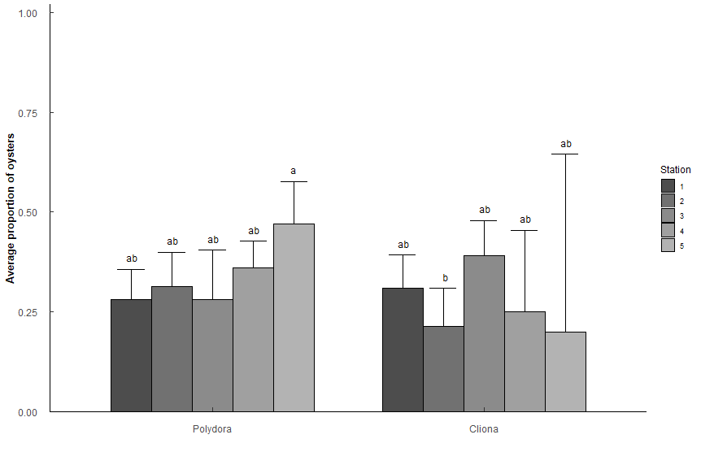
contrast |  | odds.ratio | SE | z.ratio | p.value
Station1 Polydora / Station3 Both |  | 0.14698163 | 0.04149635 | -6.791671 | 1.05E-09 | ***
Station1 Polydora / Station5 Both |  | 0.05671296 | 0.01738216 | -9.363172 | 8.12E-19 | ***
Station2 Polydora / Station3 Both |  | 0.17322835 | 0.05049304 | -6.014579 | 1.61E-07 | ***
Station2 Polydora / Station5 Both |  | 0.06684028 | 0.02105139 | -8.590074 | 8.78E-16 | ***
Station3 Polydora / Station3 Both |  | 0.14698163 | 0.05675087 | -4.966084 | 5.88E-05 | ***
Station3 Polydora / Station5 Both |  | 0.05671296 | 0.02291875 | -7.101266 | 1.19E-10 | ***
Station4 Polydora / Station3 Both |  | 0.21362547 | 0.05298708 | -6.222979 | 4.54E-08 | ***
Station4 Polydora / Station5 Both |  | 0.08242754 | 0.02268695 | -9.068016 | 1.26E-17 | ***
Station5 Polydora / Station3 Both |  | 0.337093 | 0.10674421 | -3.433945 | 4.88E-02 | *
Station5 Polydora / Station5 Both |  | 0.13006757 | 0.04401323 | -6.02771 | 1.50E-07 | ***
Station1 Cliona / Station3 Both |  | 0.16908413 | 0.0487336 | -6.166652 | 6.42E-08 | ***
Station1 Cliona / Station5 Both |  | 0.06524123 | 0.020351 | -8.750756 | 2.18E-16 | ***
Station2 Cliona / Station3 Both |  | 0.10249566 | 0.03639005 | -6.415997 | 1.32E-08 | ***
Station2 Cliona / Station5 Both |  | 0.03954802 | 0.01481258 | -8.6244 | 6.57E-16 | ***
Station3 Cliona / Station3 Both |  | 0.24164193 | 0.06938432 | -4.946415 | 6.43E-05 | ***
Station3 Cliona / Station5 Both |  | 0.09323771 | 0.0289907 | -7.630588 | 2.29E-12 | ***
Station4 Cliona / Station3 Both |  | 0.12598425 | 0.07391853 | -3.530762 | 3.44E-02 | *
Station4 Cliona / Station5 Both |  | 0.04861111 | 0.02910511 | -5.050498 | 3.83E-05 | ***
Station1 Both / Station3 Both |  | 0.24164193 | 0.06938432 | -4.946415 | 6.43E-05 | ***
Station1 Both / Station5 Both |  | 0.09323771 | 0.0289907 | -7.630588 | 2.29E-12 | ***
Station2 Both / Station3 Both |  | 0.111986 | 0.04004692 | -6.12232 | 8.39E-08 | ***
Station2 Both / Station5 Both |  | 0.04320988 | 0.01628928 | -8.333817 | 7.83E-15 | ***
Station3 Both / Station4 Both |  | 6.37405303 | 2.09883214 | 5.625151 | 1.63E-06 | ***
Station4 Both / Station5 Both |  | 0.06053459 | 0.02120055 | -8.007891 | 1.16E-13 | ***

Q9
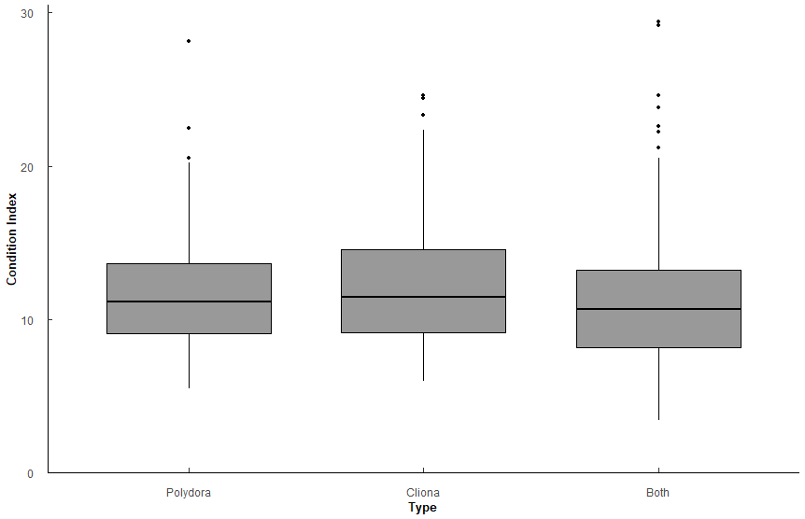
Q10: What is the relationship between Polydora or Cliona with CI?
CI = Hanley version = (Tissue DW * 100)/Shell DW
Types: Only "Polydora", only "Cliona", "Both" polydora and cliona

 | Df | Sum Sq | Mean Sq | F value | Pr(>F)
Type | 2 | 100 | 49.83 | 3.11 | 4.53E-02 | *
Residuals | 635 | 10175 | 16.02

Comparison | p.value | p.adjust
Polydora-Cliona | 0.393 | 0.39
Polydora-Both | 0.106 | 0.21
Cliona-Both | 0.0256 | 0.08

Type | variable | n | mean | sd | min | max | lower | upper | Letters
Both | CI_Hanley | 376 | 11.215 | 4.067 | 3.405 | 29.437 | 7.148 | 15.282 | a
Cliona | CI_Hanley | 92 | 12.257 | 4.29 | 5.969 | 24.581 | 7.967 | 16.547 | a
Polydora | CI_Hanley | 170 | 11.814 | 3.688 | 5.479 | 28.141 | 8.126 | 15.502 | a

No strong significance. CI of oysters affected by Cliona vs Both may be slightly higher.
Important to note that the CI isn't significantly different when it's either pest vs both pests.

Q10
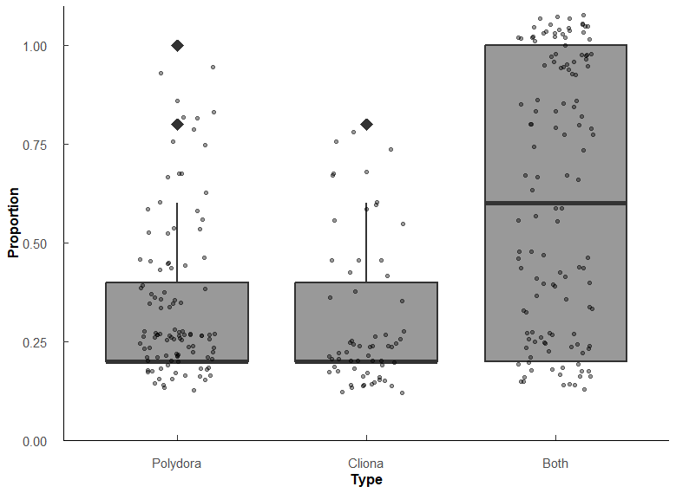
Q9: What is the relationship between Polydora and Cliona proporiton of oysters affected, and percentage of shell affected? |  |  |  |  |  |  |  |  |  | Sake of curiosity, what happens if we only look at Cliona or Polydora, not Both?
# infected / # total oysters per sample (1 sample = 1 year/month/station) i.e. 3 infected / 5 oysters = 0.6 proportion infected |  |  |  |  |  |  |  |  |  | Very minor differences among stations.
Wilcoxon rank sum test with Holm p-adjustment |  |  |  |  |  |  |  |  |  | Pest_model_2b <- glm(Prop ~ Type * Station, family = quasibinomial, data = (t1 %>% filter(Type != "Both")))
Types: Only "Polydora", only "Cliona", "Both" polydora and cliona

Proportions
Type | variable | n | min | max | q1 | median | q3
Polydora | Prop | 106 | 0.2 | 1 | 0.2 | 0.2 | 0.4
Cliona | Prop | 62 | 0.2 | 0.8 | 0.2 | 0.2 | 0.4
Both | Prop | 128 | 0.2 | 1 | 0.2 | 0.6 | 1

group1 | group2 | n1 | n2 | statistic | p.adj | p.adj.signif | effect_size | magnitude
Polydora | Cliona | 106 | 62 | 3570 | 2.76E-01 | ns | 0.0842 | small
Polydora | Both | 106 | 128 | 3613 | 3.15E-10 | **** | 0.422 | moderate
Cliona | Both | 62 | 128 | 1868 | 1.20E-09 | **** | 0.449 | moderate

No significant difference between Polydora prevelence and Cliona prevelence (p = 0.276)
More likely to have both than one or the other (both p < 0.001)

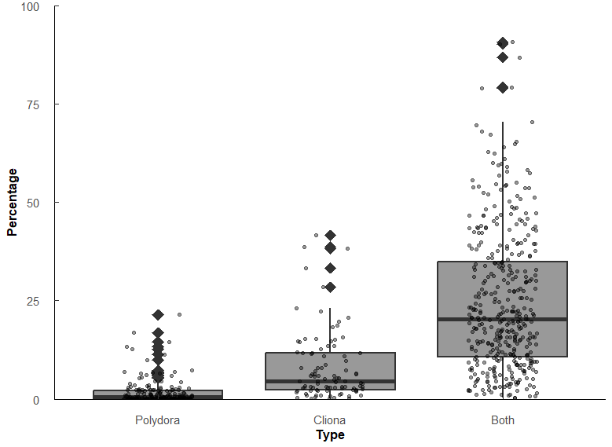
Percentage of shell affected
Type | variable | n | min | max | q1 | median | q3
Polydora | Pct | 180 | 0.004 | 21.5 | 0.063 | 0.481 | 2.17
Cliona | Pct | 95 | 0.041 | 41.6 | 2.41 | 4.56 | 11.6 | 9.4802494802
Both | Pct | 396 | 0.307 | 90.7 | 10.7 | 20.3 | 34.9 | 4.451754386 | 42.203742204

group1 | group2 | n1 | n2 | statistic | p.adj | p.adj.signif | effect_size | magnitude
Polydora | Cliona | 180 | 95 | 2542 | 9.77E-22 | **** | 0.578 | large
Polydora | Both | 180 | 396 | 2341 | 7.47E-72 | **** | 0.749 | large
Cliona | Both | 95 | 396 | 6625 | 2.02E-22 | **** | 0.443 | moderate

Significant difference among percentages affected. Polydora < Cliona < Both (all p < 0.001)
Polydora affects the surface of the shell less than Cliona (r = 0.578), but when both are present the effect is compounded (both r >= 0.44)

Percentage of shell affected (controlling for Condition Index)
CI = Hanley version = (Tissue DW * 100)/Shell DW
Pest_CI_test <- aovp(Pct ~ Type * CI_Hanley, data = Combined_data, perm = "", nperm = 10000)
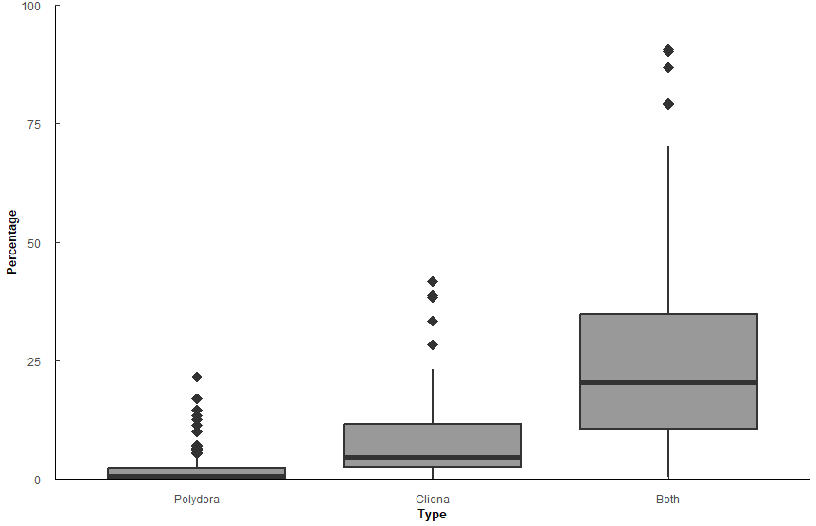
 | Df | Sum Sq | Mean Sq | F value | Pr(>F)
Type | 2 | 69648 | 34824 | 182.198 | 2.00E-16 | ***
CI_Hanley | 1 | 542 | 542 | 2.834 | 9.28E-02
Type:CI_Hanley | 2 | 4720 | 2360 | 12.348 | 5.49E-06 | ***
Residuals | 632 | 120796 | 191

Comparison | statistic | p.value | p.adjust | p.adj.signif
Polydora-Cliona | -3.64 | 2.89e- 4 | 2.89E-04 | ***
Polydora-Both | -17.7 | 2.23E-57 | 6.68E-57 | ****
Cliona-Both | -10 | 5.23E-22 | 1.05E-21 | ****

CI_Hanley | Type | emmean | se | df | conf.low | conf.high | method
11.5 | Polydora | 1.82 | 1.08 | 634 | -0.303 | 3.94 | Emmeans | test
11.5 | Cliona | 8.46 | 1.47 | 634 | 5.57 | 11.3 | Emmeans | test
11.5 | Both | 24.9 | 0.727 | 634 | 23.5 | 26.3 | Emmeans | test
with CI being equal (at 11.5), the mean percentage of shell affected by Polydora/Cliona/Both is [emmean value]

