Q1
Q1: WQ trends during study - overall min/max/mean; annual min/max/mean
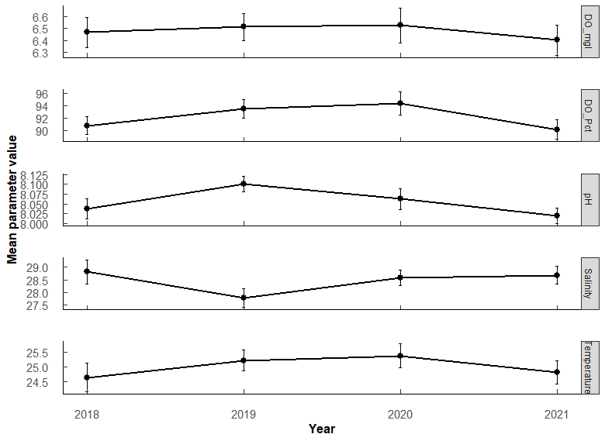
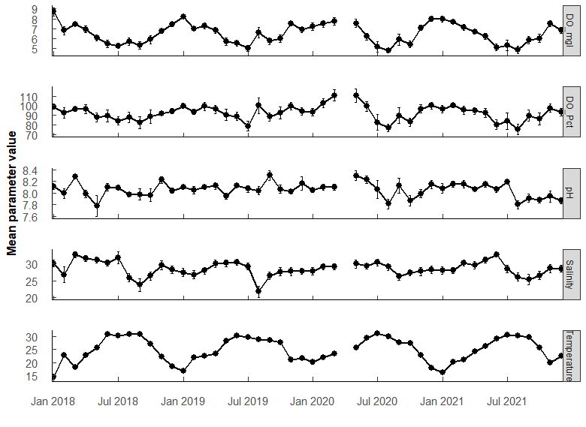

 |  |  |  |  |  | Year | Parameter |  | Mean | SE | Min | Max
Parameter |  | Mean | SE | Min | Max | 2018 | DO_Pct | 141 | 90.8 | 1.44 | 35.3 | 133
DO_Pct | 555 | 92.106726 | 0.79239368 | 10.6 | 152.6 | 2019 | DO_Pct | 147 | 93.5 | 1.45 | 48.3 | 141
DO_mgl | 555 | 6.477313 | 0.06386955 | 0.68 | 11.8 | 2020 | DO_Pct | 130 | 94.3 | 1.88 | 25.8 | 143
Salinity | 555 | 28.453156 | 0.19077371 | 0.45 | 38.84 | 2021 | DO_Pct | 137 | 90.2 | 1.58 | 10.6 | 153
Temperature | 555 | 25.00375 | 0.20427659 | 8.05 | 33.3 | 2018 | DO_mgl | 141 | 6.47 | 0.126 | 2.41 | 11.8
pH | 555 | 8.055833 | 0.01170206 | 6.2 | 8.78 | 2019 | DO_mgl | 147 | 6.51 | 0.116 | 3.24 | 9.58
 |  |  |  |  |  | 2020 | DO_mgl | 130 | 6.53 | 0.145 | 1.79 | 10
 |  |  |  |  |  | 2021 | DO_mgl | 137 | 6.4 | 0.127 | 0.68 | 10.6
 |  |  |  |  |  | 2018 | Salinity | 141 | 28.8 | 0.469 | 0.45 | 38.8
 |  |  |  |  |  | 2019 | Salinity | 147 | 27.8 | 0.367 | 8.48 | 34.5
 |  |  |  |  |  | 2020 | Salinity | 130 | 28.6 | 0.3 | 19.8 | 34.6
 |  |  |  |  |  | 2021 | Salinity | 137 | 28.7 | 0.352 | 15.3 | 35.4
 |  |  |  |  |  | 2018 | Temperature | 141 | 24.6 | 0.474 | 8.05 | 33.3
 |  |  |  |  |  | 2019 | Temperature | 147 | 25.2 | 0.357 | 14.6 | 32.5
 |  |  |  |  |  | 2020 | Temperature | 130 | 25.4 | 0.395 | 15.8 | 32.9
 |  |  |  |  |  | 2021 | Temperature | 137 | 24.8 | 0.399 | 15.3 | 32.1
 |  |  |  |  |  | 2018 | pH | 141 | 8.04 | 0.0262 | 6.2 | 8.46
 |  |  |  |  |  | 2019 | pH | 147 | 8.1 | 0.0197 | 7.31 | 8.78
 |  |  |  |  |  | 2020 | pH | 130 | 8.06 | 0.0272 | 6.72 | 8.62
 |  |  |  |  |  | 2021 | pH | 137 | 8.02 | 0.0199 | 7.25 | 8.45

Q5
Q5: Does Polydora and Cliona differ in parasite prevalence in TB Oysters? - want # infected out of total oysters per sample (1 sample = 1 year/month/station)
Pest_model <- glm(cbind(nI, nT) ~ Type, family = binomial, data = t1)

Analysis of Deviance Table (Type II tests)
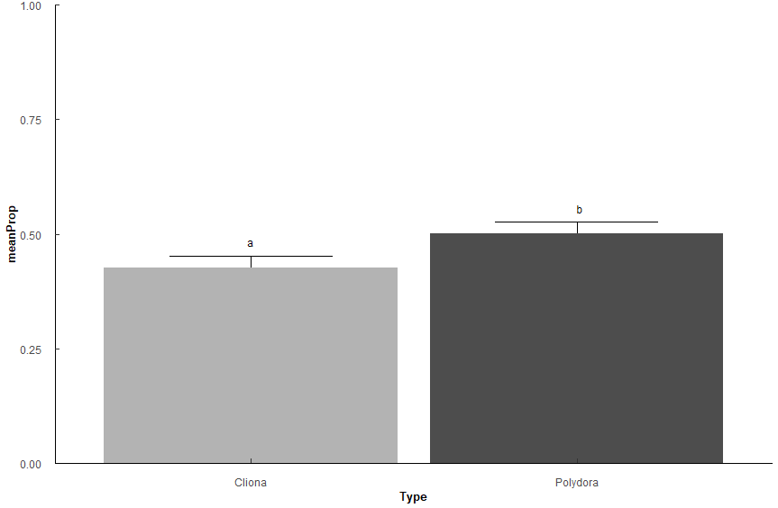
Response: cbind(nI, nT)
 | LR Chisq | Df | Pr(>Chisq)
Type | 4.6324 | 1 | 0.03137 | *
---
Signif. codes: 0 ‘***’ 0.001 ‘**’ 0.01 ‘*’ 0.05 ‘.’ 0.1 ‘ ’ 1

Type | n | meanProp | se | prob | SE | asymp.LCL | asymp.UCL | Letters
Cliona | 230 | 0.427 | 0.0259 | 0.299 | 0.0113 | 0.275 | 0.325 | a
Polydora | 230 | 0.501 | 0.0253 | 0.334 | 0.0114 | 0.309 | 0.36 | b

Q6
Q6: Does Polydora or Cliona differ in parasite prevalence impact among shell surfaces in TB Oysters? - want # infected out of total oysters per sample (1 sample = 1 year/month/station)
Side_model <- glm(cbind(nI, nT) ~ Type * Measurement, family = binomial, data = t2)

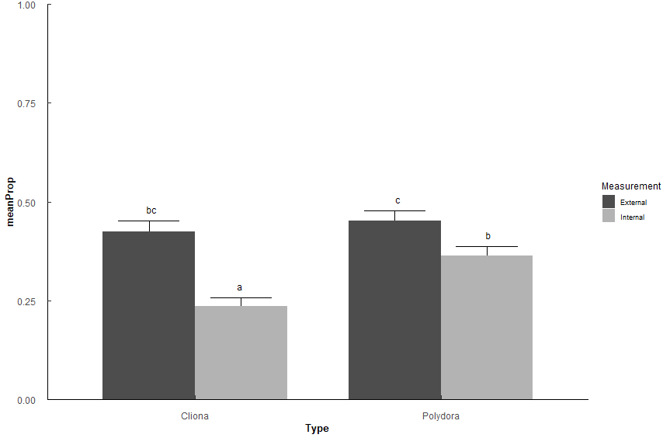
Analysis of Deviance Table (Type II tests)

Response: cbind(nI, nT)
 | LR Chisq | Df | Pr(>Chisq)
Type | 14.614 | 1 | 0.0001319 | ***
Measurement | 45.811 | 1 | 1.30E-11 | ***
Type:Measurement | 10.131 | 1 | 0.0014582 | **
---
Signif. codes: 0 ‘***’ 0.001 ‘**’ 0.01 ‘*’ 0.05 ‘.’ 0.1 ‘ ’ 1

Type | Measurement | n | meanProp | se | prob | SE | asymp.LCL | asymp.UCL | Letters
Cliona | External | 230 | 0.425 | 0.0258 | 0.298 | 0.0113 | 0.271 | 0.327 | bc
Cliona | Internal | 230 | 0.236 | 0.0213 | 0.191 | 0.0104 | 0.166 | 0.218 | a
Polydora | External | 230 | 0.452 | 0.0254 | 0.311 | 0.0113 | 0.284 | 0.34 | c
Polydora | Internal | 230 | 0.363 | 0.0238 | 0.266 | 0.0112 | 0.239 | 0.295 | b

Q7
Q7: Does Polydora or Cliona differ in parasite prevalence impact among shell position in TB Oysters? - want # infected out of total oysters per sample (1 sample = 1 year/month/station)
Position_model <- glm(cbind(nI, nT) ~ Type * Measurement, family = binomial, data = t3)

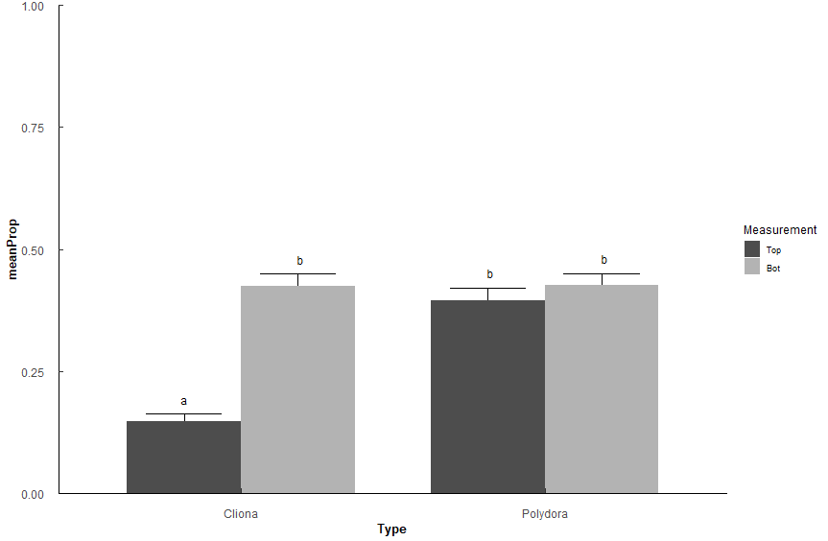
Analysis of Deviance Table (Type II tests)

Response: cbind(nI, nT)
 | LR Chisq | Df | Pr(>Chisq)
Type | 43.598 | 1 | 4.03E-11 | ***
Measurement | 63.496 | 1 | 1.61E-15 | ***
Type:Measurement | 63.478 | 1 | 1.62E-15 | ***
---
Signif. codes: 0 ‘***’ 0.001 ‘**’ 0.01 ‘*’ 0.05 ‘.’ 0.1 ‘ ’ 1

Type | Measurement | n | meanProp | se | prob | SE | asymp.LCL | asymp.UCL | Letters
Cliona | Top | 230 | 0.148 | 0.0143 | 0.129 | 0.00922 | 0.108 | 0.154 | a
Cliona | Bot | 230 | 0.424 | 0.026 | 0.298 | 0.0113 | 0.271 | 0.327 | b
Polydora | Top | 230 | 0.396 | 0.0257 | 0.283 | 0.0112 | 0.256 | 0.312 | b
Polydora | Bot | 230 | 0.426 | 0.0247 | 0.299 | 0.0113 | 0.271 | 0.328 | b

Need to rerun with scaling based on size of shell.

Q8
Q8: Does Polydora and Cliona differ in parasite prevalence in TB Oysters among stations? - # infected out of total oysters per sample (1 sample = 1 year/month/station)
Pest_model_2 <- glm(cbind(nI, nT) ~ Type * Station, family = binomial, data = t1)

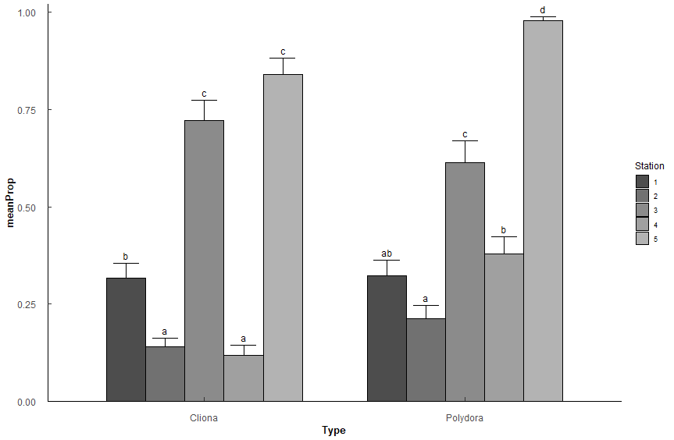
Analysis of Deviance Table (Type II tests)
Response: cbind(nI, nT)
 | LR Chisq | Df | Pr(>Chisq)
Type | 6.297 | 1 | 0.0121 | *
Station | 258.271 | 4 | < 2.2e-16 | ***
Type:Station | 26.222 | 4 | 2.85E-05 | ***
---
Signif. codes: 0 ‘***’ 0.001 ‘**’ 0.01 ‘*’ 0.05 ‘.’ 0.1 ‘ ’ 1

Type | Station | n | meanProp | se | prob | SE | asymp.LCL | asymp.UCL | Letters | Height
Cliona | 1 | 46 | 0.317 | 0.0381 | 0.241 | 0.0246 | 0.184 | 0.309 | b | 0.375
Cliona | 2 | 46 | 0.139 | 0.0223 | 0.122 | 0.0202 | 0.0789 | 0.184 | a | 0.181
Cliona | 3 | 46 | 0.722 | 0.0518 | 0.419 | 0.0248 | 0.357 | 0.484 | c | 0.794
Cliona | 4 | 46 | 0.117 | 0.0268 | 0.105 | 0.0191 | 0.0651 | 0.165 | a | 0.164
Cliona | 5 | 46 | 0.839 | 0.0424 | 0.456 | 0.0242 | 0.395 | 0.519 | c | 0.902
Polydora | 1 | 46 | 0.322 | 0.0419 | 0.243 | 0.0246 | 0.186 | 0.312 | ab | 0.384
Polydora | 2 | 46 | 0.213 | 0.0325 | 0.176 | 0.0228 | 0.125 | 0.242 | a | 0.266
Polydora | 3 | 46 | 0.613 | 0.0557 | 0.38 | 0.0252 | 0.318 | 0.447 | c | 0.689
Polydora | 4 | 46 | 0.378 | 0.0449 | 0.274 | 0.0251 | 0.215 | 0.343 | b | 0.443
Polydora | 5 | 46 | 0.978 | 0.00928 | 0.495 | 0.0234 | 0.435 | 0.555 | d | 1.01

