Q1
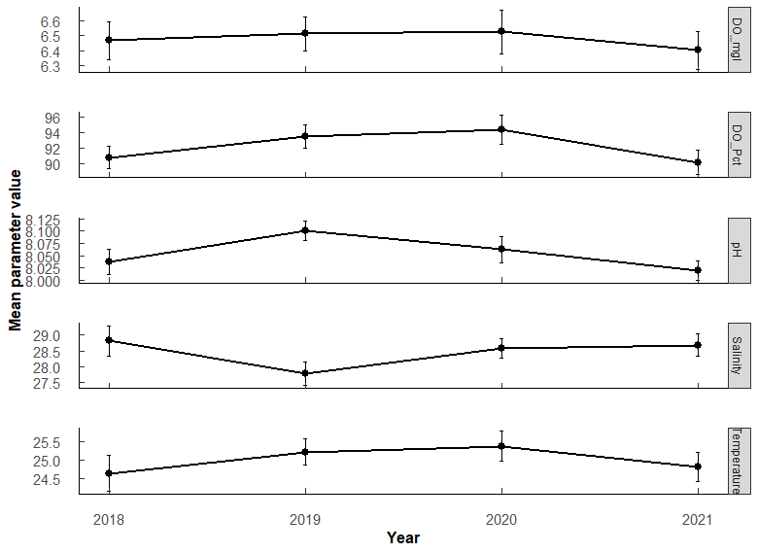
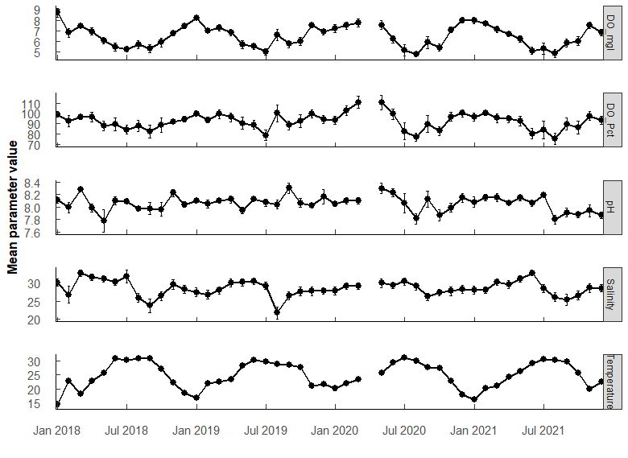
Q1: WQ trends during study - overall min/max/mean; annual min/max/mean |  |  |  |  |  |  |  |  |  |  |  |  | PermaANOVA tests:
 |  |  |  |  |  |  |  |  |  |  |  |  | Comparing average annual valules. (Compare mean per year among years)
 |  |  |  |  |  |  |  |  |  |  |  |  | DO_mgL | Df | Sum Sq | Mean Sq | F value | Pr(>F)
 |  |  |  |  |  |  |  |  |  |  |  |  | Year | 3 | 1.2 | 0.4075 | 0.179 | 0.911
 |  |  |  |  |  |  |  |  |  |  |  |  | Residuals | 540 | 1228.1 | 2.2743

 |  |  |  |  |  |  |  |  |  |  |  |  | pH | Df | Sum Sq | Mean Sq | F value | Pr(>F)
 |  |  |  |  |  |  |  |  |  |  |  |  | Year | 3 | 0.52 | 0.17368 | 2.302 | 0.0762
 |  |  |  |  |  |  |  |  |  |  |  |  | Residuals | 540 | 40.75 | 0.07546

 |  |  |  |  |  |  |  |  |  |  |  |  | SALINITY | Df | Sum Sq | Mean Sq | F value | Pr(>F)
 |  |  |  |  |  |  |  |  |  |  |  |  | Year | 3 | 93 | 31.06 | 1.542 | 0.203 | .
 |  |  |  |  |  |  |  |  |  |  |  |  | Residuals | 538 | 10834 | 20.14

 |  |  |  |  |  |  |  |  |  |  |  |  | TEMPERATURE | Df | Sum Sq | Mean Sq | F value | Pr(>F)
 |  |  |  |  |  |  |  |  |  |  |  |  | Year | 3 | 46 | 15.48 | 0.667 | 0.572
 |  |  |  |  |  |  |  |  |  |  |  |  | Residuals | 540 | 12529 | 23.2

 |  |  |  |  |  | Year | Parameter |  | Mean | SE | Min | Max
Parameter | OVERALL | Mean | SE | Min | Max | 2018 | DO_Pct | 141 | 90.8 | 1.44 | 35.3 | 133
DO_Pct | 555 | 92.106726 | 0.79239368 | 10.6 | 152.6 | 2019 | DO_Pct | 147 | 93.5 | 1.45 | 48.3 | 141
DO_mgl | 555 | 6.477313 | 0.06386955 | 0.68 | 11.8 | 2020 | DO_Pct | 130 | 94.3 | 1.88 | 25.8 | 143
Salinity | 555 | 28.453156 | 0.19077371 | 0.45 | 38.84 | 2021 | DO_Pct | 137 | 90.2 | 1.58 | 10.6 | 153
Temperature | 555 | 25.00375 | 0.20427659 | 8.05 | 33.3 | 2018 | DO_mgl | 141 | 6.47 | 0.126 | 2.41 | 11.8
pH | 555 | 8.055833 | 0.01170206 | 6.2 | 8.78 | 2019 | DO_mgl | 147 | 6.51 | 0.116 | 3.24 | 9.58
 |  |  |  |  |  | 2020 | DO_mgl | 130 | 6.53 | 0.145 | 1.79 | 10
 |  |  |  |  |  | 2021 | DO_mgl | 137 | 6.4 | 0.127 | 0.68 | 10.6
 |  |  |  |  |  | 2018 | Salinity | 141 | 28.8 | 0.469 | 0.45 | 38.8
 |  |  |  |  |  | 2019 | Salinity | 147 | 27.8 | 0.367 | 8.48 | 34.5
 |  |  |  |  |  | 2020 | Salinity | 130 | 28.6 | 0.3 | 19.8 | 34.6
 |  |  |  |  |  | 2021 | Salinity | 137 | 28.7 | 0.352 | 15.3 | 35.4
 |  |  |  |  |  | 2018 | Temperature | 141 | 24.6 | 0.474 | 8.05 | 33.3
 |  |  |  |  |  | 2019 | Temperature | 147 | 25.2 | 0.357 | 14.6 | 32.5
 |  |  |  |  |  | 2020 | Temperature | 130 | 25.4 | 0.395 | 15.8 | 32.9
 |  |  |  |  |  | 2021 | Temperature | 137 | 24.8 | 0.399 | 15.3 | 32.1
 |  |  |  |  |  | 2018 | pH | 141 | 8.04 | 0.0262 | 6.2 | 8.46
 |  |  |  |  |  | 2019 | pH | 147 | 8.1 | 0.0197 | 7.31 | 8.78
 |  |  |  |  |  | 2020 | pH | 130 | 8.06 | 0.0272 | 6.72 | 8.62
 |  |  |  |  |  | 2021 | pH | 137 | 8.02 | 0.0199 | 7.25 | 8.45

Q2
Q2: WQ - which months most similar
PermANOVA, pairwise-t-test holm adjustment
Month_temp <- aovp(Temperature ~ Month, data = ungroup(TB_WQ_df), perm = "", nperm = 10000) |  |  |  |  |  |  |  |  |  |  |  |  | Month_sal <- aovp(Salinity ~ Month, data = ungroup(TB_WQ_df), perm = "", nperm = 10000) |  |  |  |  |  |  |  |  |  |  |  |  | Month_pH <- aovp(pH ~ Month, data = ungroup(TB_WQ_df), perm = "", nperm = 10000) |  |  |  |  |  |  |  |  |  |  |  |  | Month_DO <- aovp(DO_mgl ~ Month, data = ungroup(TB_WQ_df), perm = "", nperm = 10000)

TEMP | Df | Sum Sq | Mean Sq | F value | Pr(>F) |  |  |  |  |  |  |  | SALINITY | Df | Sum Sq | Mean Sq | F value | Pr(>F) |  |  |  |  |  |  |  | pH | Df | Sum Sq | Mean Sq | F value | Pr(>F) |  |  |  |  |  |  |  | DO mgL | Df | Sum Sq | Mean Sq | F value | Pr(>F)
Month | 11 | 10532 | 957.4 | 249.2 | 2.00E-16 | *** | F 11, 532 = 249.2, P < 0.001 |  |  |  |  |  | Month | 11 | 1777 | 161.58 | 9.359 | 1.85E-15 | *** | F 11, 530 = 9.359, P < 0.001 |  |  |  |  |  | Month | 11 | 2.94 | 0.26733 | 3.711 | 4.10E-05 | *** |  |  |  |  |  |  | Month | 11 | 438.5 | 39.86 | 26.81 | <2e-16 | ***
Residuals | 532 | 2044 | 3.8 |  |  |  |  |  |  |  |  |  | Residuals | 530 | 9150 | 17.26 |  |  |  |  |  |  |  |  |  | Residuals | 532 | 38.33 | 0.07204 |  |  |  |  |  |  |  |  |  | Residuals | 532 | 790.9 | 1.49

Month | n | mean | sd | min | max | lower | upper | Letters | Comparison | p.value | p.adjust |  | Month | n | mean | sd | min | max | lower | upper | Letters | Comparison | p.value | p.adjust |  | Month | n | mean | sd | min | max | lower | upper | Letters | Comparison | p.value | p.adjust |  | Month | n | mean | sd | min | max | lower | upper | Letters | Comparison | p.value | p.adjust
1 | 41 | 16.806 | 2.958 | 8.05 | 24.1 | 13.848 | 19.764 | a | 1 01-02 | 1.95E-28 | 6.05E-27 | *** | 1 | 40 | 28.38 | 3.617 | 21.5 | 33.77 | 24.763 | 31.997 | abcd | 1 02-05 | 6.52e- 4 | 0.0332 | * | 1 | 41 | 8.084 | 0.172 | 7.56 | 8.37 | 7.912 | 8.256 | abc | 1 03-08 | 0.00000231 | 0.000153 | *** | 1 | 41 | 8.043 | 1.17 | 4.58 | 11.8 | 6.873 | 9.213 | a | 1 01-04 | 2.84e- 5 | 9.93E-04 | ***
2 | 47 | 21.721 | 1.639 | 18.533 | 25.85 | 20.082 | 23.36 | b | 2 01-03 | 5.35E-26 | 1.60E-24 | *** | 2 | 47 | 27.723 | 5.279 | 0.45 | 32.81 | 22.444 | 33.002 | abce | 2 02-06 | 4.58e- 4 | 0.0243 | * | 2 | 47 | 8.074 | 0.22 | 7.3 | 8.45 | 7.854 | 8.294 | abc | 2 06-08 | 0.0000363 | 0.00236 | ** | 2 | 47 | 7.243 | 1.019 | 4.09 | 9.77 | 6.224 | 8.262 | ab | 2 01-05 | 3.08E-11 | 1.60E-09 | ***
3 | 53 | 21.342 | 2.673 | 15.3 | 26.8 | 18.669 | 24.015 | b | 3 01-04 | 4.42E-39 | 1.68E-37 | *** | 3 | 53 | 29.93 | 3.626 | 21.61 | 35.45 | 26.304 | 33.556 | ad | 3 03-08 | 8.12e- 7 | 0.0000479 | *** | 3 | 53 | 8.16 | 0.183 | 7.67 | 8.42 | 7.977 | 8.343 | a | 3 07-08 | 0.000434 | 0.0265 | * | 3 | 53 | 7.414 | 1.09 | 5.02 | 10.03 | 6.324 | 8.504 | ab | 3 02-05 | 1.2 e- 4 | 3.83E-03 | **
4 | 32 | 23.376 | 1.74 | 20.8 | 28.15 | 21.636 | 25.116 | c | 4 02-04 | 2.53e- 4 | 3.28E-03 | ** | 4 | 32 | 30.527 | 3.294 | 23.65 | 35.22 | 27.233 | 33.821 | ad | 4 04-08 | 8.40e- 7 | 0.0000487 | *** | 4 | 32 | 8.053 | 0.194 | 7.51 | 8.37 | 7.859 | 8.247 | abc | 4 08-09 | 0.000415 | 0.0257 | * | 4 | 32 | 6.829 | 0.959 | 4.58 | 8.65 | 5.87 | 7.788 | bc | 4 03-05 | 3.63e- 6 | 1.38E-04 | ***
5 | 45 | 26.556 | 1.743 | 23 | 30.94 | 24.813 | 28.299 | d | 5 03-04 | 4.49e- 6 | 7.18E-05 | *** | 5 | 44 | 30.712 | 3.352 | 22.67 | 34.69 | 27.36 | 34.064 | d | 5 05-08 | 2.35e- 8 | 0.00000148 | *** | 5 | 45 | 8.016 | 0.396 | 6.2 | 8.62 | 7.62 | 8.412 | abc | 5 03-10 | 0.0000381 | 0.00244 | ** | 5 | 45 | 6.257 | 1.302 | 3.34 | 9.39 | 4.955 | 7.559 | cd | 5 01-06 | 1.20E-19 | 7.54E-18 | ***
6 | 48 | 29.816 | 1.135 | 28.4 | 32.5 | 28.681 | 30.951 | ef | 6 01-05 | 5.62E-82 | 3.20E-80 | *** | 6 | 48 | 30.729 | 3.285 | 22.01 | 35.366 | 27.444 | 34.014 | d | 6 06-08 | 1.03e- 8 | 0.000000657 | *** | 6 | 48 | 8.133 | 0.195 | 7.73 | 8.48 | 7.938 | 8.328 | a | 6 06-10 | 0.000397 | 0.025 | * | 6 | 48 | 5.597 | 1.214 | 3.16 | 8.1 | 4.383 | 6.811 | de | 6 02-06 | 1.14E-10 | 5.47E-09 | ***
7 | 40 | 30.468 | 1.09 | 28.6 | 32.9 | 29.378 | 31.558 | e | 7 02-05 | 8.22E-29 | 2.63E-27 | *** | 7 | 40 | 29.95 | 3.87 | 22.52 | 38.84 | 26.08 | 33.82 | acd | 7 07-08 | 3.91e- 6 | 0.000223 | *** | 7 | 40 | 8.109 | 0.265 | 6.72 | 8.41 | 7.844 | 8.374 | ab |  |  |  |  | 7 | 40 | 5.208 | 1.333 | 0.68 | 7.74 | 3.875 | 6.541 | e | 7 03-06 | 3.08E-13 | 1.76E-11 | ***
8 | 49 | 30.05 | 1.907 | 20.1 | 32.5 | 28.143 | 31.957 | ef | 8 03-05 | 2.84E-34 | 9.95E-33 | *** | 8 | 49 | 25.819 | 5.19 | 8.48 | 33.026 | 20.629 | 31.009 | be | 8 01-09 | 8.15e- 4 | 0.0399 | * | 8 | 49 | 7.906 | 0.252 | 7.28 | 8.32 | 7.654 | 8.158 | c |  |  |  |  | 8 | 49 | 5.48 | 1.513 | 2.96 | 9.58 | 3.967 | 6.993 | de | 8 04-06 | 1.15e- 5 | 4.27E-04 | ***
9 | 57 | 29.232 | 1.757 | 25.4 | 33.3 | 27.475 | 30.989 | f | 9 04-05 | 7.05E-12 | 1.41E-10 | *** | 9 | 57 | 25.495 | 5.489 | 0.58 | 32.16 | 20.006 | 30.984 | e | 9 03-09 | 3.56e- 8 | 0.00000221 | *** | 9 | 57 | 8.092 | 0.388 | 6.81 | 8.78 | 7.704 | 8.48 | ab |  |  |  |  | 9 | 57 | 5.685 | 1.45 | 1.79 | 8.88 | 4.235 | 7.135 | de | 9 01-07 | 2.01E-23 | 1.33E-21 | ***
10 | 47 | 27.006 | 1.218 | 24.4 | 29.7 | 25.788 | 28.224 | d | 10 01-06 | 2.58E-122 | 1.65E-120 | *** | 10 | 47 | 27.03 | 3.973 | 18.08 | 32.09 | 23.057 | 31.003 | bce | 10 04-09 | 6.48e- 8 | 0.00000395 | *** | 10 | 47 | 7.937 | 0.287 | 6.93 | 8.29 | 7.65 | 8.224 | bc |  |  |  |  | 10 | 47 | 5.829 | 1.352 | 2.57 | 10.6 | 4.477 | 7.181 | de | 10 02-07 | 4.51E-14 | 2.61E-12 | ***
11 | 39 | 21.394 | 2.092 | 18 | 26.189 | 19.302 | 23.486 | b | 11 02-06 | 2.11E-67 | 1.01E-65 | *** | 11 | 39 | 28.412 | 3.822 | 21.19 | 34.009 | 24.59 | 32.234 | abcd | 11 05-09 | 8.10E-10 | 5.27E-08 | *** | 11 | 39 | 8.042 | 0.227 | 7.25 | 8.46 | 7.815 | 8.269 | abc |  |  |  |  | 11 | 39 | 7.236 | 0.857 | 5.99 | 9.34 | 6.379 | 8.093 | ab | 11 03-07 | 6.76E-17 | 4.19E-15 | ***
12 | 46 | 20.123 | 2.506 | 15.805 | 24.8 | 17.617 | 22.629 | g | 12 03-06 | 2.99E-75 | 1.61E-73 | *** | 12 | 46 | 28.244 | 3.341 | 19.8 | 32.15 | 24.903 | 31.585 | abcd | 12 06-09 | 2.84E-10 | 1.87E-08 | *** | 12 | 46 | 8.055 | 0.275 | 7.59 | 8.741 | 7.78 | 8.33 | abc |  |  |  |  | 12 | 46 | 7.277 | 1.003 | 5.03 | 9.603 | 6.274 | 8.28 | ab | 12 04-07 | 3.37e- 8 | 1.38E-06 | ***
 |  |  |  |  |  |  |  |  | 13 04-06 | 6.41E-40 | 2.50E-38 | *** |  |  |  |  |  |  |  |  |  | 13 07-09 | 2.88e- 7 | 0.0000173 | *** |  |  |  |  |  |  |  |  |  |  |  |  |  |  |  |  |  |  |  |  |  |  | 13 05-07 | 8.59e- 5 | 2.83E-03 | **
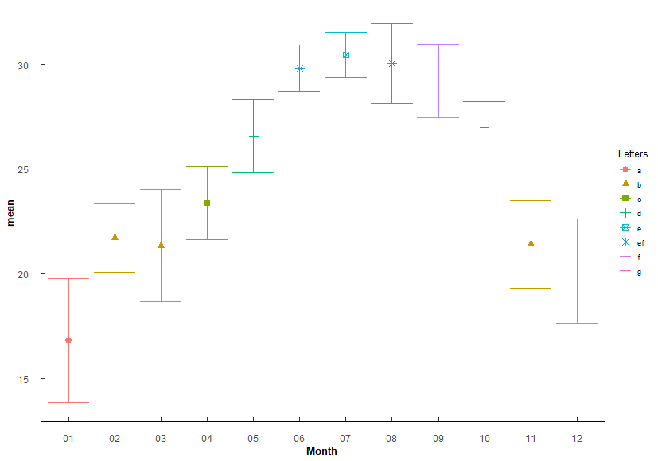
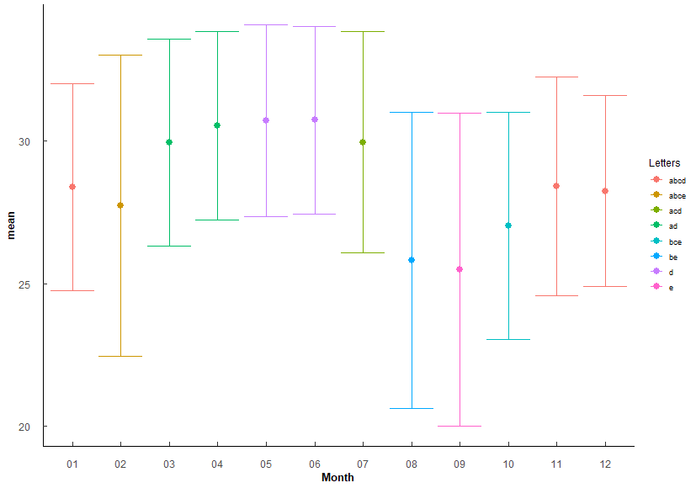
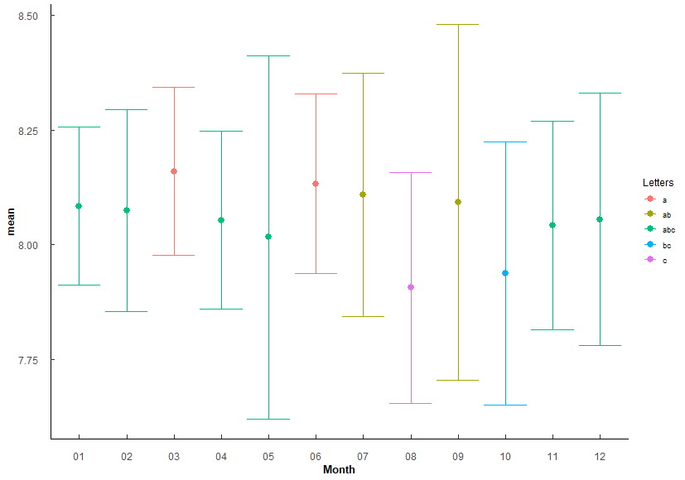
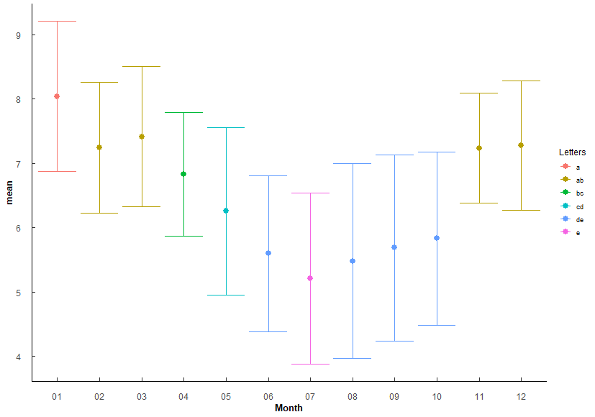
 |  |  |  |  |  |  |  |  | 14 05-06 | 6.93E-15 | 1.66E-13 | *** |  |  |  |  |  |  |  |  |  | 14 03-10 | 5.37e- 4 | 0.0279 | * |  |  |  |  |  |  |  |  |  |  |  |  |  |  |  |  |  |  |  |  |  |  | 14 01-08 | 1.93E-21 | 1.26E-19 | ***
 |  |  |  |  |  |  |  |  | 15 01-07 | 4.88E-123 | 3.17E-121 | *** |  |  |  |  |  |  |  |  |  | 15 04-10 | 2.65e- 4 | 0.0143 | * |  |  |  |  |  |  |  |  |  |  |  |  |  |  |  |  |  |  |  |  |  |  | 15 02-08 | 4.58E-12 | 2.43E-10 | ***
 |  |  |  |  |  |  |  |  | 16 02-07 | 1.75E-70 | 8.91E-69 | *** |  |  |  |  |  |  |  |  |  | 16 05-10 | 2.83e- 5 | 0.00156 | ** |  |  |  |  |  |  |  |  |  |  |  |  |  |  |  |  |  |  |  |  |  |  | 16 03-08 | 7.67E-15 | 4.60E-13 | ***
 |  |  |  |  |  |  |  |  | 17 03-07 | 6.45E-78 | 3.55E-76 | *** |  |  |  |  |  |  |  |  |  | 17 06-10 | 1.72e- 5 | 0.000964 | *** |  |  |  |  |  |  |  |  |  |  |  |  |  |  |  |  |  |  |  |  |  |  | 17 04-08 | 1.5 e- 6 | 5.84E-05 | ***
 |  |  |  |  |  |  |  |  | 18 04-07 | 7.53E-44 | 3.16E-42 | *** |  |  |  |  |  |  |  |  |  | 18 09-11 | 7.82e- 4 | 0.0391 | * |  |  |  |  |  |  |  |  |  |  |  |  |  |  |  |  |  |  |  |  |  |  | 18 01-09 | 1.11E-19 | 7.09E-18 | ***
 |  |  |  |  |  |  |  |  | 19 05-07 | 9.12E-19 | 2.55E-17 | *** |  |  |  |  |  |  |  |  |  | 19 09-12 | 9.03e- 4 | 0.0433 | * |  |  |  |  |  |  |  |  |  |  |  |  |  |  |  |  |  |  |  |  |  |  | 19 02-09 | 2.04E-10 | 9.40E-09 | ***
 |  |  |  |  |  |  |  |  | 20 01-08 | 1.03E-125 | 6.77E-124 | *** |  |  |  |  |  |  |  |  |  |  |  |  |  |  |  |  |  |  |  |  |  |  |  |  |  |  |  |  |  |  |  |  |  |  |  | 20 03-09 | 4.32E-13 | 2.42E-11 | ***
 |  |  |  |  |  |  |  |  | 21 02-08 | 7.94E-71 | 4.13E-69 | *** |  |  |  |  |  |  |  |  |  |  |  |  |  |  |  |  |  |  |  |  |  |  |  |  |  |  |  |  |  |  |  |  |  |  |  | 21 04-09 | 2.56e- 5 | 9.20E-04 | ***
 |  |  |  |  |  |  |  |  | 22 03-08 | 7.37E-79 | 4.13E-77 | *** |  |  |  |  |  |  |  |  |  |  |  |  |  |  |  |  |  |  |  |  |  |  |  |  |  |  |  |  |  |  |  |  |  |  |  | 22 01-10 | 1.94E-16 | 1.18E-14 | ***
 |  |  |  |  |  |  |  |  | 23 04-08 | 1.39E-42 | 5.69E-41 | *** |  |  |  |  |  |  |  |  |  |  |  |  |  |  |  |  |  |  |  |  |  |  |  |  |  |  |  |  |  |  |  |  |  |  |  | 23 02-10 | 3.08e- 8 | 1.29E-06 | ***
 |  |  |  |  |  |  |  |  | 24 05-08 | 6.85E-17 | 1.85E-15 | *** |  |  |  |  |  |  |  |  |  |  |  |  |  |  |  |  |  |  |  |  |  |  |  |  |  |  |  |  |  |  |  |  |  |  |  | 24 03-10 | 1.99E-10 | 9.36E-09 | ***
 |  |  |  |  |  |  |  |  | 25 01-09 | 4.25E-121 | 2.68E-119 | *** |  |  |  |  |  |  |  |  |  |  |  |  |  |  |  |  |  |  |  |  |  |  |  |  |  |  |  |  |  |  |  |  |  |  |  | 25 04-10 | 3.77e- 4 | 1.13E-02 | *
 |  |  |  |  |  |  |  |  | 26 02-09 | 4.81E-64 | 2.21E-62 | *** |  |  |  |  |  |  |  |  |  |  |  |  |  |  |  |  |  |  |  |  |  |  |  |  |  |  |  |  |  |  |  |  |  |  |  | 26 05-11 | 2.66e- 4 | 8.26E-03 | **
 |  |  |  |  |  |  |  |  | 27 03-09 | 3.09E-72 | 1.64E-70 | *** |  |  |  |  |  |  |  |  |  |  |  |  |  |  |  |  |  |  |  |  |  |  |  |  |  |  |  |  |  |  |  |  |  |  |  | 27 06-11 | 9.07E-10 | 4.08E-08 | ***
 |  |  |  |  |  |  |  |  | 28 04-09 | 4.92E-36 | 1.82E-34 | *** |  |  |  |  |  |  |  |  |  |  |  |  |  |  |  |  |  |  |  |  |  |  |  |  |  |  |  |  |  |  |  |  |  |  |  | 28 07-11 | 5.7 e-13 | 3.14E-11 | ***
 |  |  |  |  |  |  |  |  | 29 05-09 | 2.07E-11 | 3.73E-10 | *** |  |  |  |  |  |  |  |  |  |  |  |  |  |  |  |  |  |  |  |  |  |  |  |  |  |  |  |  |  |  |  |  |  |  |  | 29 08-11 | 4.95E-11 | 2.52E-09 | ***
 |  |  |  |  |  |  |  |  | 30 07-09 | 2.35e- 3 | 2.59E-02 | * |  |  |  |  |  |  |  |  |  |  |  |  |  |  |  |  |  |  |  |  |  |  |  |  |  |  |  |  |  |  |  |  |  |  |  | 30 09-11 | 1.79e- 9 | 7.89E-08 | ***
 |  |  |  |  |  |  |  |  | 31 01-10 | 1.48E-88 | 8.88E-87 | *** |  |  |  |  |  |  |  |  |  |  |  |  |  |  |  |  |  |  |  |  |  |  |  |  |  |  |  |  |  |  |  |  |  |  |  | 31 10-11 | 1.47e- 7 | 5.86E-06 | ***
 |  |  |  |  |  |  |  |  | 32 02-10 | 4.74E-34 | 1.61E-32 | *** |  |  |  |  |  |  |  |  |  |  |  |  |  |  |  |  |  |  |  |  |  |  |  |  |  |  |  |  |  |  |  |  |  |  |  | 32 05-12 | 7.59e- 5 | 2.58E-03 | **
 |  |  |  |  |  |  |  |  | 33 03-10 | 4.95E-40 | 1.98E-38 | *** |  |  |  |  |  |  |  |  |  |  |  |  |  |  |  |  |  |  |  |  |  |  |  |  |  |  |  |  |  |  |  |  |  |  |  | 33 06-12 | 6.12E-11 | 3.06E-09 | ***
 |  |  |  |  |  |  |  |  | 34 04-10 | 4.40E-15 | 1.10E-13 | *** |  |  |  |  |  |  |  |  |  |  |  |  |  |  |  |  |  |  |  |  |  |  |  |  |  |  |  |  |  |  |  |  |  |  |  | 34 07-12 | 2.37E-14 | 1.40E-12 | ***
 |  |  |  |  |  |  |  |  | 35 06-10 | 8.42E-12 | 1.60E-10 | *** |  |  |  |  |  |  |  |  |  |  |  |  |  |  |  |  |  |  |  |  |  |  |  |  |  |  |  |  |  |  |  |  |  |  |  | 35 08-12 | 2.41E-12 | 1.30E-10 | ***
 |  |  |  |  |  |  |  |  | 36 07-10 | 1.67E-15 | 4.34E-14 | *** |  |  |  |  |  |  |  |  |  |  |  |  |  |  |  |  |  |  |  |  |  |  |  |  |  |  |  |  |  |  |  |  |  |  |  | 36 09-12 | 1.09E-10 | 5.32E-09 | ***
 |  |  |  |  |  |  |  |  | 37 08-10 | 1.28E-13 | 2.81E-12 | *** |  |  |  |  |  |  |  |  |  |  |  |  |  |  |  |  |  |  |  |  |  |  |  |  |  |  |  |  |  |  |  |  |  |  |  | 37 10-12 | 1.73e- 8 | 7.45E-07 | ***
 |  |  |  |  |  |  |  |  | 38 09-10 | 1.38e- 8 | 2.35E-07 | ***
 |  |  |  |  |  |  |  |  | 39 01-11 | 1.96E-23 | 5.68E-22 | ***
 |  |  |  |  |  |  |  |  | 40 04-11 | 2.65e- 5 | 3.97E-04 | ***
 |  |  |  |  |  |  |  |  | 41 05-11 | 1.13E-29 | 3.73E-28 | ***
 |  |  |  |  |  |  |  |  | 42 06-11 | 1.98E-66 | 9.31E-65 | ***
 |  |  |  |  |  |  |  |  | 43 07-11 | 1.29E-69 | 6.30E-68 | ***
 |  |  |  |  |  |  |  |  | 44 08-11 | 1.17E-69 | 5.87E-68 | ***
 |  |  |  |  |  |  |  |  | 45 09-11 | 5.10E-63 | 2.30E-61 | ***
 |  |  |  |  |  |  |  |  | 46 10-11 | 1.10E-34 | 3.96E-33 | ***
 |  |  |  |  |  |  |  |  | 47 01-12 | 1.89E-14 | 4.34E-13 | ***
 |  |  |  |  |  |  |  |  | 48 02-12 | 9.55e- 5 | 1.34E-03 | **
 |  |  |  |  |  |  |  |  | 49 03-12 | 2.12e- 3 | 2.55E-02 | *
 |  |  |  |  |  |  |  |  | 50 04-12 | 1.92E-12 | 4.03E-11 | ***
 |  |  |  |  |  |  |  |  | 51 05-12 | 1.06E-45 | 4.58E-44 | ***
 |  |  |  |  |  |  |  |  | 52 06-12 | 1.22E-86 | 7.17E-85 | ***
 |  |  |  |  |  |  |  |  | 53 07-12 | 7.16E-89 | 4.36E-87 | ***
 |  |  |  |  |  |  |  |  | 54 08-12 | 3.69E-90 | 2.29E-88 | ***
 |  |  |  |  |  |  |  |  | 55 09-12 | 4.91E-84 | 2.85E-82 | ***
 |  |  |  |  |  |  |  |  | 56 10-12 | 9.37E-52 | 4.12E-50 | ***
 |  |  |  |  |  |  |  |  | 57 11-12 | 3 e- 3 | 3.00E-02 | *

Q3
Q3: Do WQ paramters vary among stations? (How to group for analyses.)
PermANOVA, pairwise-t-test holm adjustment
Station_temp <- aovp(Temperature ~ Station, data = ungroup(TB_WQ_df), perm = "", nperm = 10000) |  |  |  |  |  |  |  |  | Station_sal <- aovp(Salinity ~ Station, data = ungroup(TB_WQ_df), perm = "", nperm = 10000) |  |  |  |  |  |  |  |  |  |  |  |  | Station_pH <- aovp(pH ~ Station, data = ungroup(TB_WQ_df), perm = "", nperm = 10000) |  |  |  |  |  |  |  |  |  |  |  |  | Station_DO <- aovp(DO_mgl ~ Station, data = ungroup(TB_WQ_df), perm = "", nperm = 10000)
 |  |  |  |  |  |  |  |  |  |  |  |  |  |  |  |  |  | Lowest at 5, highest at 2-4, most variable at 1
 | Df | Sum Sq | Mean Sq | F value | Pr(>F) |  |  |  |  | Df | Sum Sq | Mean Sq | F value | Pr(>F) |  |  |  |  |  |  |  |  | Df | Sum Sq | Mean Sq | F value | Pr(>F) |  |  |  |  |  |  |  |  | Df | Sum Sq | Mean Sq | F value | Pr(>F)
Station | 4 | 113 | 28.26 | 1.222 | 3.00E-01 | No significant difference |  |  | Station | 4 | 5874 | 1468.4 | 156 | 2.00E-16 | *** | F 4, 537 = 156, P < 0.001 |  |  |  |  |  | Station | 4 | 8.15 | 2.0383 | 33.18 | <2e-16 | *** |  |  |  |  |  |  | Station | 4 | 121.2 | 30.297 | 14.74 | 1.97E-11 | ***
Residuals | 539 | 12463 | 23.12 |  |  |  |  |  | Residuals | 537 | 5054 | 9.4 |  |  |  |  |  |  |  |  |  | Residuals | 539 | 33.12 | 0.0614 |  |  |  |  |  |  |  |  |  | Residuals | 539 | 1108.2 | 2.056

Station | n | mean | sd | min | max | lower | upper | Letters | Station | n | mean | sd | min | max | lower | upper | Letters | Comparison | p.value | p.adjust |  | Station | n | mean | sd | min | max | lower | upper | Letters | Comparison | p.value | p.adjust |  | Station | n | mean | sd | min | max | lower | upper | Letters | Comparison | p.value | p.adjust
1 | 102 | 24.563 | 4.87 | 8.05 | 31.898 | 19.693 | 29.433 | a | 1 | 100 | 28.6 | 4.74 | 0.45 | 36.85 | 23.86 | 33.34 | a | 1 1-2 | 2.47e- 5 | 9.89E-05 | *** | 1 | 102 | 8.052 | 0.256 | 6.9 | 8.737 | 7.796 | 8.308 | a | 1 1-2 | 1.67e- 4 | 7.09E-04 | *** | 1 | 102 | 6.608 | 1.334 | 3.05 | 11.8 | 5.274 | 7.942 | a | 1 1-2 | 5.65e- 4 | 2.87E-03 | **
2 | 97 | 24.728 | 4.791 | 14.4 | 32.155 | 19.937 | 29.519 | a | 2 | 97 | 30.46 | 2.21 | 22.27 | 35.97 | 28.25 | 32.67 | b | 2 1-3 | 3.82E-10 | 2.29E-09 | *** | 2 | 97 | 8.185 | 0.182 | 7.48 | 8.741 | 8.003 | 8.367 | b | 2 1-3 | 1.31e- 4 | 7.09E-04 | *** | 2 | 97 | 7.313 | 1.245 | 3.86 | 10.6 | 6.068 | 8.558 | b | 2 2-3 | 1.41e- 4 | 1.13E-03 | **
3 | 120 | 24.986 | 4.766 | 14.84 | 32.093 | 20.22 | 29.752 | a | 3 | 120 | 31.25 | 2.153 | 24.22 | 38.84 | 29.097 | 33.403 | b | 3 1-4 | 1 e- 7 | 5.02E-07 | *** | 3 | 120 | 8.18 | 0.17 | 7.53 | 8.78 | 8.01 | 8.35 | b | 3 2-4 | 1.44e- 4 | 7.09E-04 | *** | 3 | 120 | 6.563 | 1.571 | 0.68 | 9.603 | 4.992 | 8.134 | a | 3 2-4 | 8.3 e- 8 | 7.47E-07 | ***
4 | 81 | 26.03 | 4.617 | 14.6 | 33.3 | 21.413 | 30.647 | a | 4 | 81 | 31.076 | 2.637 | 15.17 | 34.84 | 28.439 | 33.713 | b | 4 1-5 | 3.83E-36 | 2.68E-35 | *** | 4 | 81 | 8.042 | 0.243 | 7.31 | 8.55 | 7.799 | 8.285 | a | 4 3-4 | 1.18e- 4 | 7.09E-04 | *** | 4 | 81 | 6.14 | 1.564 | 3.22 | 9.25 | 4.576 | 7.704 | ac | 4 1-5 | 3.48e- 4 | 2.44E-03 | **
5 | 144 | 24.94 | 4.915 | 13.157 | 32.1 | 20.025 | 29.855 | a | 5 | 144 | 23.193 | 2.96 | 8.48 | 28.8 | 20.233 | 26.153 | c | 5 2-5 | 3.41E-57 | 2.73E-56 | *** | 5 | 144 | 7.876 | 0.325 | 6.2 | 8.39 | 7.551 | 8.201 | c | 5 1-5 | 6.59e- 8 | 5.27E-07 | *** | 5 | 144 | 5.94 | 1.424 | 1.79 | 10.7 | 4.516 | 7.364 | c | 5 2-5 | 1.10E-12 | 1.10E-11 | ***
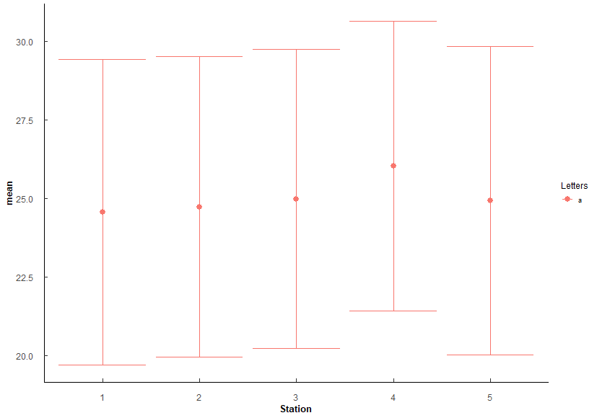
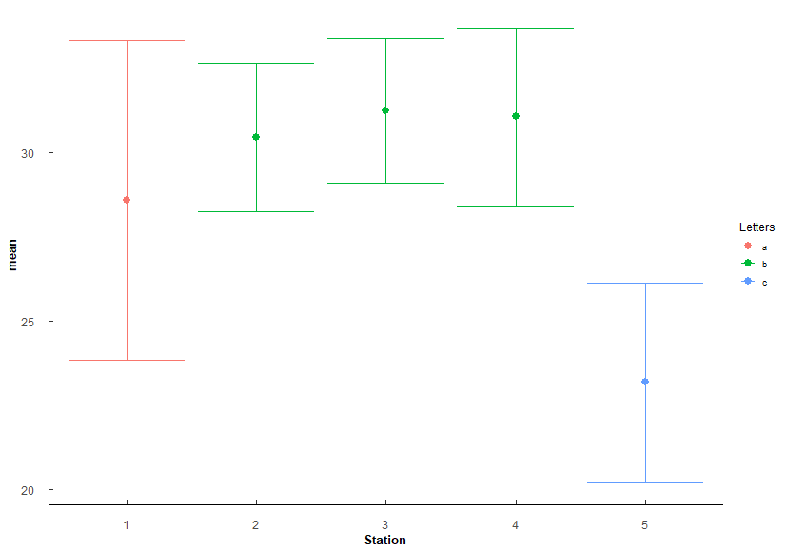
 |  |  |  |  |  |  |  |  |  |  |  |  |  |  |  |  |  | 6 3-5 | 3.56E-73 | 3.56E-72 | *** |  |  |  |  |  |  |  |  |  | 6 2-5 | 7.37E-20 | 6.63E-19 | *** |  |  |  |  |  |  |  |  |  | 6 3-5 | 4.78e- 4 | 2.87E-03 | **
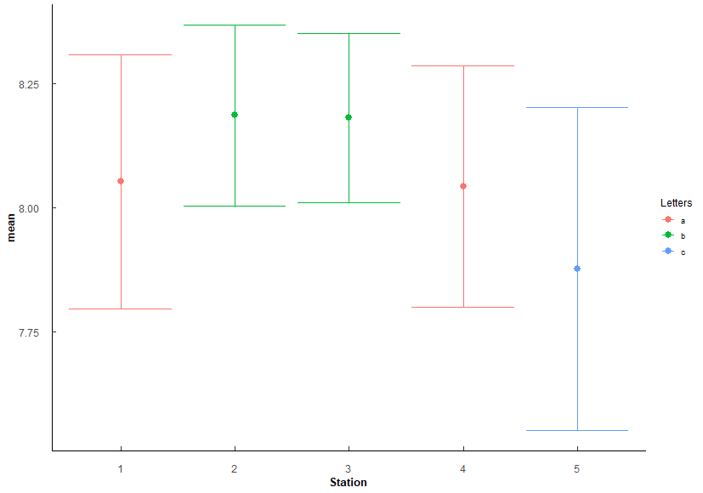
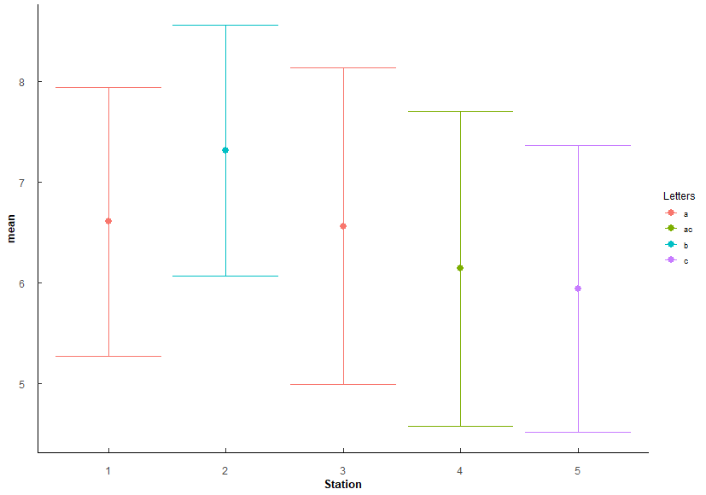
 |  |  |  |  |  |  |  |  |  |  |  |  |  |  |  |  |  | 7 4-5 | 1.72E-59 | 1.55E-58 | *** |  |  |  |  |  |  |  |  |  | 7 3-5 | 1.80E-21 | 1.80E-20 | ***
 |  |  |  |  |  |  |  |  |  |  |  |  |  |  |  |  |  |  |  |  |  |  |  |  |  |  |  |  |  |  | 8 4-5 | 1.82e- 6 | 1.27E-05 | ***

Q4
Q4: Oyster similaries among stations? - SH, TW, CI
PermANOVA, pairwise-t-test holm adjustment
Station_SH <- aovp(SH ~ Station, data = ungroup(TB_CI), perm = "", nperm = 10000) |  |  |  |  |  |  |  |  |  |  |  |  | Station_TW <- aovp(TW ~ Station, data = ungroup(TB_CI), perm = "", nperm = 10000) |  |  |  |  |  |  |  |  |  |  |  |  | Station_CI <- aovp(CI ~ Station, data = ungroup(TB_CI), perm = "", nperm = 10000)
 |  |  |  |  |  |  |  |  |  |  |  |  |  |  |  |  |  |  |  |  |  | Lowest at 5, highest at 2-4, most variable at 1
Shell Height | Df | Sum Sq | Mean Sq | F value | Pr(>F) |  |  |  |  |  |  |  | TotalWeight | Df | Sum Sq | Mean Sq | F value | Pr(>F) |  |  |  |  |  |  |  | ConditionIndex | Df | Sum Sq | Mean Sq | F value | Pr(>F)
Station | 4 | 11633 | 2908.2 | 34.03 | 2.00E-16 | *** |  |  |  |  |  |  | Station | 4 | 39331 | 9833 | 72.2 | 2.00E-16 | *** |  |  |  |  |  |  | Station | 4 | 88.1 | 22.022 | 10.16 | 4.40E-08 | ***
Residuals | 1145 | 97854 | 85.5 |  |  |  |  |  |  |  |  |  | Residuals | 1145 | 155925 | 136 |  |  |  |  |  |  |  |  |  | Residuals | 1145 | 2482.1 | 2.168

Station | n | mean | sd | min | max | lower | upper | Letters | Comparison | p.value | p.adjust |  | Station | n | mean | sd | min | max | lower | upper | Letters | Comparison | p.value | p.adjust |  | Station | n | mean | sd | min | max | lower | upper | Letters | Comparison | p.value | p.adjust
1 | 230 | 49.756 | 7.717 | 33.36 | 87.37 | 42.039 | 57.473 | a | 1 1-2 | 1.39e- 6 | 6.97E-06 | *** | 1 | 230 | 16.628 | 6.448 | 6.45 | 47.48 | 10.18 | 23.076 | a | 1 1-2 | 3.03E-13 | 1.51E-12 | *** | 1 | 230 | 4.015 | 1.362 | 1.464 | 8.42 | 2.653 | 5.377 | ab | 1 3-4 | 0.00245 | 1.71E-02 | *
2 | 230 | 53.938 | 8.658 | 21.8 | 80.1 | 45.28 | 62.596 | b | 2 1-3 | 1.57E-13 | 1.25E-12 | *** | 2 | 230 | 24.659 | 8.933 | 6.62 | 57.26 | 15.726 | 33.592 | b | 2 1-3 | 1.3 e-26 | 1.04E-25 | *** | 2 | 230 | 4.184 | 1.44 | 1.116 | 9.091 | 2.744 | 5.624 | ab | 2 1-5 | 0.00000176 | 1.59E-05 | ***
3 | 230 | 56.197 | 10.447 | 29.37 | 88.47 | 45.75 | 66.644 | c | 3 2-3 | 8.91e- 3 | 2.67E-02 | * | 3 | 230 | 28.545 | 13.941 | 5.18 | 73.22 | 14.604 | 42.486 | c | 3 2-3 | 3.71e- 4 | 7.42E-04 | *** | 3 | 230 | 3.856 | 1.095 | 1.508 | 6.523 | 2.761 | 4.951 | a | 3 2-5 | 0.000365 | 2.92E-03 | **
4 | 230 | 51.855 | 7.483 | 33.53 | 76 | 44.372 | 59.338 | d | 4 1-4 | 1.5 e- 2 | 3.01E-02 | * | 4 | 230 | 19.781 | 8.011 | 6.32 | 53.9 | 11.77 | 27.792 | d | 4 1-4 | 3.84e- 3 | 3.84E-03 | ** | 4 | 230 | 4.273 | 1.281 | 1.7 | 9.268 | 2.992 | 5.554 | b | 4 3-5 | 3.4E-09 | 3.40E-08 | ***
5 | 230 | 58.816 | 11.3 | 29.13 | 99.12 | 47.516 | 70.116 | e | 5 2-4 | 1.58e- 2 | 3.01E-02 | * | 5 | 230 | 32.889 | 17.349 | 6.86 | 103.2 | 15.54 | 50.238 | e | 5 2-4 | 8.10e- 6 | 3.24E-05 | *** | 5 | 230 | 4.674 | 2.017 | 1.245 | 10.714 | 2.657 | 6.691 | c | 5 4-5 | 3.56E-03 | 2.13E-02 | *
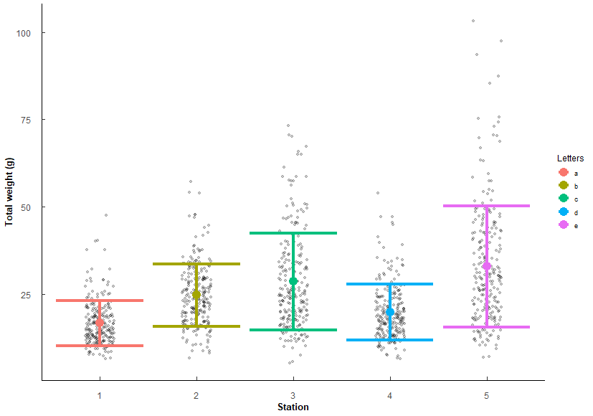
 |  |  |  |  |  |  |  |  | 6 3-4 | 5.50e- 7 | 3.30E-06 | *** |  |  |  |  |  |  |  |  |  | 6 3-4 | 2 e-15 | 1.40E-14 | ***
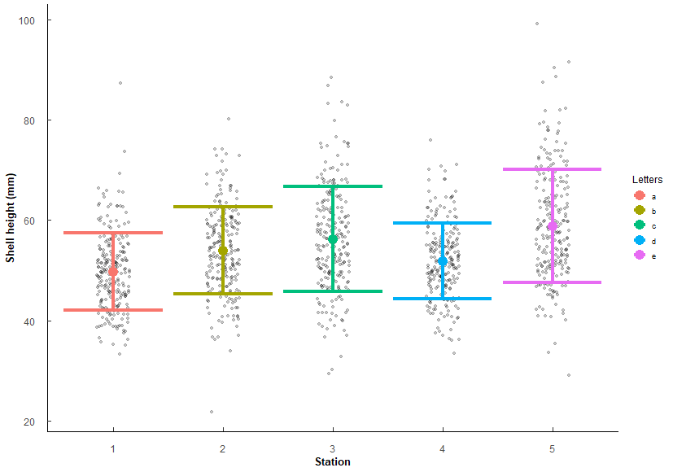
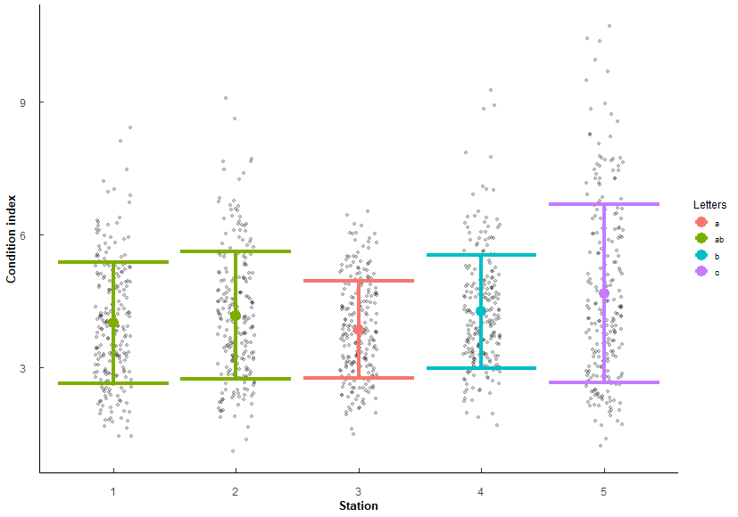
 |  |  |  |  |  |  |  |  | 7 1-5 | 9.93E-25 | 9.93E-24 | *** |  |  |  |  |  |  |  |  |  | 7 1-5 | 2.93E-46 | 2.93E-45 | ***
 |  |  |  |  |  |  |  |  | 8 2-5 | 1.93e- 8 | 1.35E-07 | *** |  |  |  |  |  |  |  |  |  | 8 2-5 | 8.06E-14 | 4.83E-13 | ***
 |  |  |  |  |  |  |  |  | 9 3-5 | 2.43e- 3 | 9.72E-03 | ** |  |  |  |  |  |  |  |  |  | 9 3-5 | 6.96e- 5 | 2.09E-04 | ***
 |  |  |  |  |  |  |  |  | 10 4-5 | 1.69E-15 | 1.52E-14 | *** |  |  |  |  |  |  |  |  |  | 10 4-5 | 1.5 e-31 | 1.35E-30 | ***

Q5
Q5: Does Polydora and Cliona differ in parasite prevalence in TB Oysters?
# infected / # total oysters per sample (1 sample = 1 year/month/station) i.e. 3 infected / 5 oysters = 0.6 proportion infected
quaisbinomial generalized linear model (inclusive of 0 and 1 proportions), emmeans post-hoc holm's adjustment
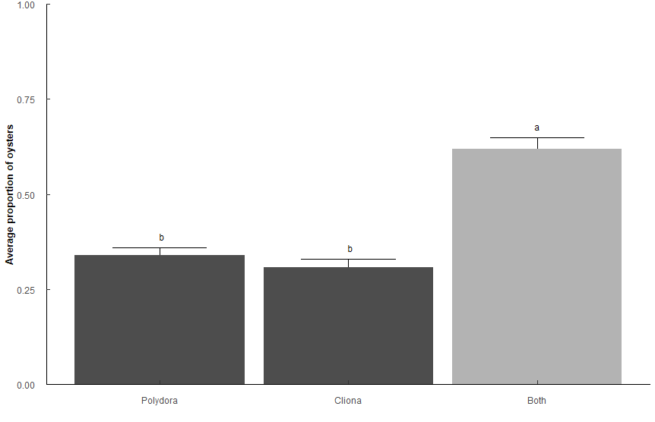
Types: Only "Polydora", only "Cliona", "Both" polydora and cliona

Pest_model <- glm(Prop ~ Type, family = quasibinomial, data = t1)

 | Sum Sq | Df | F value | Pr(>F)
Type | 25.35 | 2 | 41.333 | 2.20E-16 | ***
Residuals | 89.853 | 293

Type | n | mean | sd | min | max | lower | upper | Lower | Upper | Letters
Both | 128 | 0.619 | 0.335 | 0.2 | 1 | 0.284 | 0.954 | 0.5711942 | 0.6641329 | a
Cliona | 62 | 0.306 | 0.18 | 0.2 | 0.8 | 0.126 | 0.486 | 0.2467994 | 0.3733747 | b
Polydora | 106 | 0.34 | 0.207 | 0.2 | 1 | 0.133 | 0.547 | 0.2916094 | 0.3911758 | b

contrast | odds.ratio | SE | z.ratio | p.value
Polydora / Cliona | 1.16E+00 | 0.22136096 | 0.7980804 | 4.25E-01 | ns
Polydora / Both | 3.17E-01 | 0.0481157 | -7.5686129 | 1.13E-13 | ***
Cliona / Both | 2.72E-01 | 0.04977772 | -7.1158115 | 2.23E-12 | ***

Q6
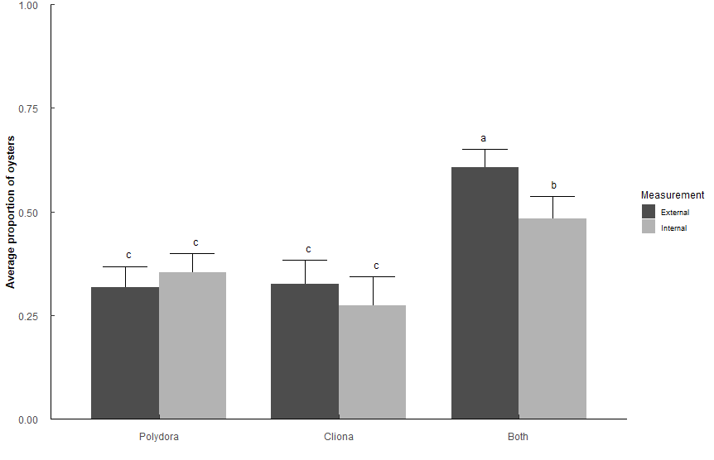
Q6: Does Polydora or Cliona differ in parasite prevalence impact among shell surfaces in TB Oysters?
# infected / # total oysters per sample (1 sample = 1 year/month/station) i.e. 3 infected / 5 oysters = 0.6 proportion infected
quaisbinomial generalized linear model (inclusive of 0 and 1 proportions), emmeans post-hoc holm's adjustment
Types: Only "Polydora", only "Cliona", "Both" polydora and cliona
Measurements: Internal, External

Side_model <- glm(Prop ~ Type * Measurement, family = quasibinomial, data = t2)

 | Sum Sq | Df | F value | Pr(>F)
Type | 27.283 | 2 | 5.33E+01 | < 2.2e-16 | ***
Measurement | 1.149 | 1 | 4.4932 | 0.034497 | *
Type:Measurement | 2.673 | 2 | 5.2263 | 0.005656 | **
Residuals | 134.779 | 527

Type | Measurement | n | mean | sd | min | max | lower | upper | Lower | Upper | Letters
Both | External | 124 | 0.608 | 0.336 | 0.2 | 1 | 0.272 | 0.944 | 0.5638623 | 0.6505631 | a
Both | External | 124 | 0.608 | 0.336 | 0.2 | 1 | 0.272 | 0.944 | 0.4306947 | 0.5371163 | b
Both | Internal | 86 | 0.484 | 0.284 | 0.2 | 1 | 0.2 | 0.768 | 0.5638623 | 0.6505631 | a
Both | Internal | 86 | 0.484 | 0.284 | 0.2 | 1 | 0.2 | 0.768 | 0.4306947 | 0.5371163 | b
Cliona | External | 69 | 0.325 | 0.194 | 0.2 | 0.8 | 0.131 | 0.519 | 0.2714305 | 0.3827948 | c
Cliona | External | 69 | 0.325 | 0.194 | 0.2 | 0.8 | 0.131 | 0.519 | 0.213738 | 0.3436255 | c
Cliona | Internal | 46 | 0.274 | 0.122 | 0.2 | 0.6 | 0.152 | 0.396 | 0.2714305 | 0.3827948 | c
Cliona | Internal | 46 | 0.274 | 0.122 | 0.2 | 0.6 | 0.152 | 0.396 | 0.213738 | 0.3436255 | c
Polydora | External | 90 | 0.318 | 0.192 | 0.2 | 1 | 0.126 | 0.51 | 0.3119016 | 0.3989874 | c
Polydora | External | 90 | 0.318 | 0.192 | 0.2 | 1 | 0.126 | 0.51 | 0.271229 | 0.3682783 | c
Polydora | Internal | 118 | 0.354 | 0.193 | 0.2 | 1 | 0.161 | 0.547 | 0.3119016 | 0.3989874 | c
Polydora | Internal | 118 | 0.354 | 0.193 | 0.2 | 1 | 0.161 | 0.547 | 0.271229 | 0.3682783 | c

contrast |  | odds.ratio | SE | z.ratio | p.value
External Polydora / External Both |  | 0.3002359 | 0.04429043 | -8.156161 | 5.19E-15
External Polydora / Internal Both |  | 0.4971498 | 0.07863065 | -4.418634 | 9.93E-05
Internal Polydora / External Both |  | 0.3535788 | 0.04760713 | -7.721487 | 1.61E-13
Internal Polydora / Internal Both |  | 0.5854785 | 0.08561332 | -3.6609 | 2.01E-03
External Cliona / External Both |  | 0.3098325 | 0.04953423 | -7.329033 | 2.78E-12
External Cliona / Internal Both |  | 0.5130406 | 0.08708624 | -3.931774 | 7.59E-04
Internal Cliona / External Both |  | 0.2431582 | 0.04652247 | -7.390754 | 1.90E-12
Internal Cliona / Internal Both |  | 0.402637 | 0.08038567 | -4.556619 | 5.72E-05
External Both / Internal Both |  | 1.6558642 | 0.23744276 | 3.517018 | 3.05E-03

Q7
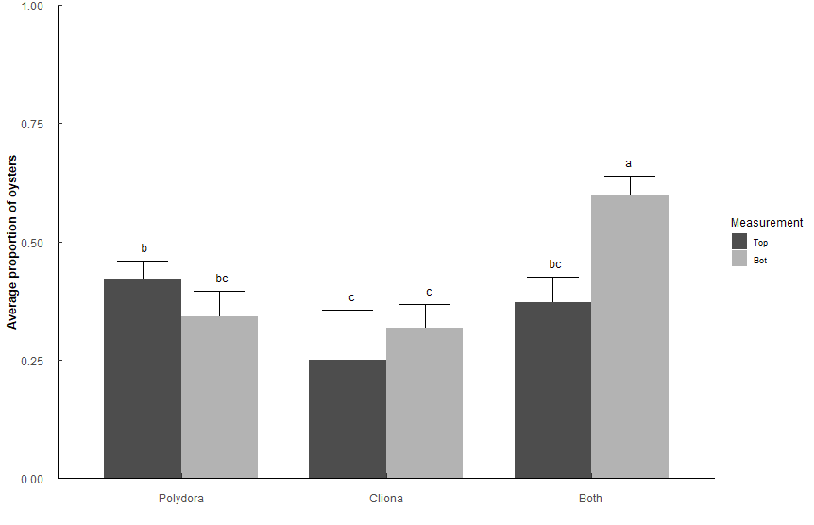
Q7: Does Polydora or Cliona differ in parasite prevalence impact among shell position in TB Oysters?
# infected / # total oysters per sample (1 sample = 1 year/month/station) i.e. 3 infected / 5 oysters = 0.6 proportion infected
quaisbinomial generalized linear model (inclusive of 0 and 1 proportions), emmeans post-hoc holm's adjustment
Types: Only "Polydora", only "Cliona", "Both" polydora and cliona
Measurements: Top, Bottom

Position_model <- glm(Prop ~ Type * Measurement, family = quasibinomial, data = t3)

 | Sum Sq | Df | F value | Pr(>F)
Type | 13.535 | 2 | 2.78E+01 | 3.24E-12 | ***
Measurement | 2.159 | 1 | 8.88E+00 | 0.003013 | **
Type:Measurement | 9.101 | 2 | 18.7225 | 1.40E-08 | ***
Residuals | 126.877 | 522

Measurement | Type | n | mean | sd | min | max | SE | Lower | Upper | Letters
Bottom | Both | 119 | 0.597 | 0.323 | 0.2 | 1 | 0.02217099 | 0.5525345 | 0.6392341 | a
Bottom | Cliona | 84 | 0.317 | 0.187 | 0.2 | 0.8 | 0.02502266 | 0.2697723 | 0.367609 | c
Bottom | Polydora | 79 | 0.342 | 0.203 | 0.2 | 1 | 0.02630865 | 0.2922219 | 0.3950349 | bc
Top | Both | 78 | 0.372 | 0.201 | 0.2 | 0.8 | 0.02697806 | 0.3206224 | 0.4260132 | bc
Top | Cliona | 20 | 0.25 | 0.089 | 0.2 | 0.4 | 0.04773548 | 0.1683176 | 0.3544291 | c
Top | Polydora | 148 | 0.419 | 0.237 | 0.2 | 1 | 0.01999439 | 0.3803178 | 0.4585388 | b

contrast |  | odds.ratio | SE | z.ratio | p.value
Top Polydora / Top Cliona |  | 2.1627907 | 0.57857072 | 2.883615 | 3.54E-02 | *
Top Polydora / Bot Cliona |  | 1.5556916 | 0.22065931 | 3.115624 | 1.84E-02 | *
Top Polydora / Bottom Both |  | 0.4873895 | 0.0601559 | -5.822917 | 6.94E-08 | ***
Bottom Polydora / Bottom Both |  | 0.3510293 | 0.05225913 | -7.032024 | 2.85E-11 | ***
Top Cliona / Bottom Both |  | 0.2253521 | 0.06101292 | -5.503674 | 4.09E-07 | ***
Bot Cliona / Bottom Both |  | 0.3132944 | 0.04632003 | -7.850021 | 6.24E-14 | ***
Top Both / Bottom Both |  | 0.400115 | 0.05911529 | -6.199862 | 7.35E-09 | ***

Q8
Q8: Does Polydora and Cliona differ in parasite prevalence in TB Oysters among stations? |  |  |  |  |  |  |  |  |  |  | Sake of curiosity, what happens if we only look at Cliona or Polydora, not Both?
# infected / # total oysters per sample (1 sample = 1 year/month/station) i.e. 3 infected / 5 oysters = 0.6 proportion infected |  |  |  |  |  |  |  |  |  |  | Very minor differences among stations.
quaisbinomial generalized linear model (inclusive of 0 and 1 proportions), emmeans post-hoc holm's adjustment |  |  |  |  |  |  |  |  |  |  | Pest_model_2b <- glm(Prop ~ Type * Station, family = quasibinomial, data = (t1 %>% filter(Type != "Both")))
Types: Only "Polydora", only "Cliona", "Both" polydora and cliona
Station: 1, 2, 3, 4, 5
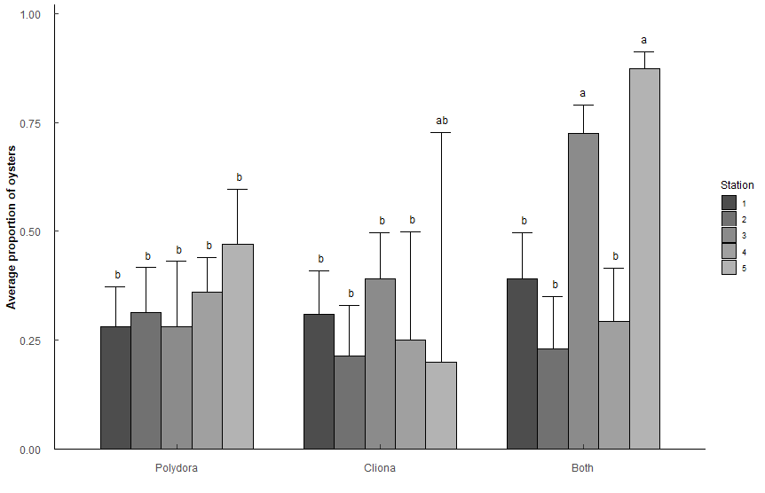
Pest_model_2 <- glm(Prop ~ Type * Station, family = quasibinomial, data = t1)
 |  |  |  |  |  |  |  |  |  |  |  | Sum Sq | Df | F value | Pr(>F)
 | Sum Sq | Df | F value | Pr(>F) |  |  |  |  |  |  | Type | 0.0319 | 1 | 0.1946 | 6.60E-01
Type | 8.906 | 2 | 19.1053 | 1.66E-08 | *** |  |  |  |  |  | Station | 1.806 | 4 | 2.7588 | 2.97E-02 | *
Station | 26.128 | 4 | 28.0241 | 2.20E-16 | *** |  |  |  |  |  | Type:Station | 1.3397 | 4 | 2.0465 | 9.05E-02 | .
Type:Station | 12.553 | 8 | 6.7319 | 4.49E-08 | *** |  |  |  |  |  | Residuals | 25.8582 | 158
Residuals | 65.498 | 281

Type | Station | n | mean | sd | min | max | SE | Lower | Upper | Letters | Station | Type | n | mean | sd | min | max | SE | Lower | Upper | Letters
Polydora | 1 | 25 | 0.28 | 0.153 | 0.2 | 0.8 | 0.0433552 | 0.20327291 | 0.3721602 | b | 1 | Cliona | 22 | 0.309 | 0.16 | 0.2 | 0.6 | 0.03985779 | 0.23682216 | 0.3920832 | ab
Polydora | 2 | 21 | 0.314 | 0.206 | 0.2 | 0.8 | 0.04890916 | 0.22706399 | 0.4169388 | b | 1 | Polydora | 25 | 0.28 | 0.153 | 0.2 | 0.8 | 0.0363284 | 0.21456114 | 0.3563423 | ab
Polydora | 3 | 10 | 0.28 | 0.253 | 0.2 | 1 | 0.06855059 | 0.16646183 | 0.4309418 | b | 2 | Cliona | 15 | 0.213 | 0.052 | 0.2 | 0.4 | 0.04279075 | 0.14128065 | 0.3089135 | b
Polydora | 4 | 36 | 0.361 | 0.184 | 0.2 | 0.8 | 0.03864985 | 0.2892788 | 0.4397442 | b | 2 | Polydora | 21 | 0.314 | 0.206 | 0.2 | 0.8 | 0.0409822 | 0.23996482 | 0.399525 | ab
Polydora | 5 | 14 | 0.471 | 0.267 | 0.2 | 1 | 0.06441125 | 0.34954506 | 0.5968167 | b | 3 | Cliona | 20 | 0.39 | 0.238 | 0.2 | 0.8 | 0.0441218 | 0.30771701 | 0.4790597 | ab
Cliona | 1 | 22 | 0.309 | 0.16 | 0.2 | 0.6 | 0.04756726 | 0.22427275 | 0.4090709 | b | 3 | Polydora | 10 | 0.28 | 0.253 | 0.2 | 1 | 0.05744024 | 0.18199368 | 0.4046745 | ab
Cliona | 2 | 15 | 0.213 | 0.052 | 0.2 | 0.4 | 0.05106753 | 0.12995499 | 0.3299214 | b | 4 | Cliona | 4 | 0.25 | 0.1 | 0.2 | 0.4 | 0.08758739 | 0.11772258 | 0.4543651 | ab
Cliona | 3 | 20 | 0.39 | 0.238 | 0.2 | 0.8 | 0.05265604 | 0.29294481 | 0.4966251 | b | 4 | Polydora | 36 | 0.361 | 0.184 | 0.2 | 0.8 | 0.03238566 | 0.30034137 | 0.4266782 | ab
Cliona | 4 | 4 | 0.25 | 0.1 | 0.2 | 0.4 | 0.10452895 | 0.10053736 | 0.4985109 | b | 5 | Cliona | 1 | 0.2 | NA | 0.2 | 0.2 | 0.16181938 | 0.03329309 | 0.6447307 | ab
Cliona | 5 | 1 | 0.2 | NA | 0.2 | 0.2 | 0.19311923 | 0.02293338 | 0.7269837 | ab | 5 | Polydora | 14 | 0.471 | 0.267 | 0.2 | 1 | 0.05397178 | 0.36843711 | 0.5769113 | a
Both | 1 | 20 | 0.39 | 0.22 | 0.2 | 1 | 0.05265604 | 0.29294481 | 0.4966251 | b
Both | 2 | 14 | 0.229 | 0.073 | 0.2 | 0.4 | 0.05418271 | 0.13959412 | 0.3511187 | b
Both | 3 | 35 | 0.726 | 0.275 | 0.2 | 1 | 0.03640964 | 0.64896225 | 0.7910872 | a | contrast | odds.ratio | SE | z.ratio | p.value
Both | 4 | 15 | 0.293 | 0.183 | 0.2 | 0.8 | 0.05675555 | 0.19530731 | 0.415175 | b | Station5 Polydora / Station2 Cliona | 3.288851 | 1.100298 | 3.558586 | 1.68E-02
Both | 5 | 44 | 0.873 | 0.229 | 0.2 | 1 | 0.02425633 | 0.81716779 | 0.9131967 | a

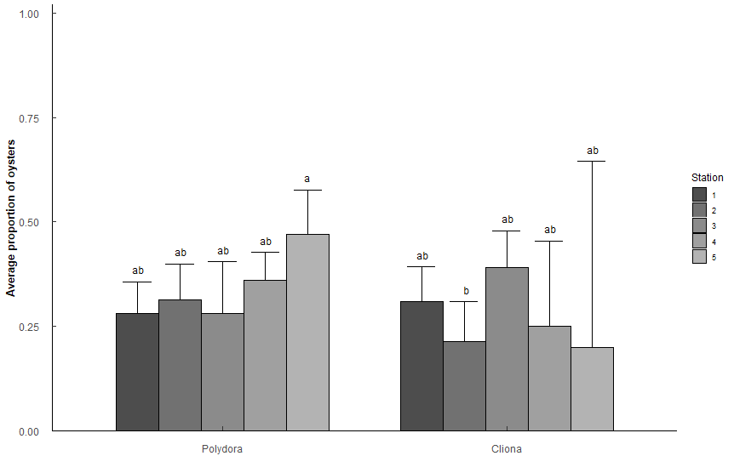
contrast |  | odds.ratio | SE | z.ratio | p.value
Station1 Polydora / Station3 Both |  | 0.14698163 | 0.04149635 | -6.791671 | 1.05E-09 | ***
Station1 Polydora / Station5 Both |  | 0.05671296 | 0.01738216 | -9.363172 | 8.12E-19 | ***
Station2 Polydora / Station3 Both |  | 0.17322835 | 0.05049304 | -6.014579 | 1.61E-07 | ***
Station2 Polydora / Station5 Both |  | 0.06684028 | 0.02105139 | -8.590074 | 8.78E-16 | ***
Station3 Polydora / Station3 Both |  | 0.14698163 | 0.05675087 | -4.966084 | 5.88E-05 | ***
Station3 Polydora / Station5 Both |  | 0.05671296 | 0.02291875 | -7.101266 | 1.19E-10 | ***
Station4 Polydora / Station3 Both |  | 0.21362547 | 0.05298708 | -6.222979 | 4.54E-08 | ***
Station4 Polydora / Station5 Both |  | 0.08242754 | 0.02268695 | -9.068016 | 1.26E-17 | ***
Station5 Polydora / Station3 Both |  | 0.337093 | 0.10674421 | -3.433945 | 4.88E-02 | *
Station5 Polydora / Station5 Both |  | 0.13006757 | 0.04401323 | -6.02771 | 1.50E-07 | ***
Station1 Cliona / Station3 Both |  | 0.16908413 | 0.0487336 | -6.166652 | 6.42E-08 | ***
Station1 Cliona / Station5 Both |  | 0.06524123 | 0.020351 | -8.750756 | 2.18E-16 | ***
Station2 Cliona / Station3 Both |  | 0.10249566 | 0.03639005 | -6.415997 | 1.32E-08 | ***
Station2 Cliona / Station5 Both |  | 0.03954802 | 0.01481258 | -8.6244 | 6.57E-16 | ***
Station3 Cliona / Station3 Both |  | 0.24164193 | 0.06938432 | -4.946415 | 6.43E-05 | ***
Station3 Cliona / Station5 Both |  | 0.09323771 | 0.0289907 | -7.630588 | 2.29E-12 | ***
Station4 Cliona / Station3 Both |  | 0.12598425 | 0.07391853 | -3.530762 | 3.44E-02 | *
Station4 Cliona / Station5 Both |  | 0.04861111 | 0.02910511 | -5.050498 | 3.83E-05 | ***
Station1 Both / Station3 Both |  | 0.24164193 | 0.06938432 | -4.946415 | 6.43E-05 | ***
Station1 Both / Station5 Both |  | 0.09323771 | 0.0289907 | -7.630588 | 2.29E-12 | ***
Station2 Both / Station3 Both |  | 0.111986 | 0.04004692 | -6.12232 | 8.39E-08 | ***
Station2 Both / Station5 Both |  | 0.04320988 | 0.01628928 | -8.333817 | 7.83E-15 | ***
Station3 Both / Station4 Both |  | 6.37405303 | 2.09883214 | 5.625151 | 1.63E-06 | ***
Station4 Both / Station5 Both |  | 0.06053459 | 0.02120055 | -8.007891 | 1.16E-13 | ***

Q9
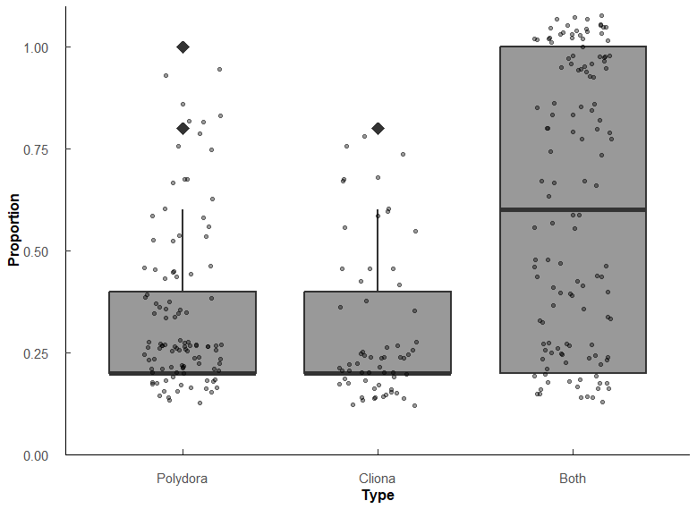
Q9: What is the relationship between Polydora and Cliona proporiton of oysters affected, and percentage of shell affected? |  |  |  |  |  |  |  |  |  | Sake of curiosity, what happens if we only look at Cliona or Polydora, not Both?
# infected / # total oysters per sample (1 sample = 1 year/month/station) i.e. 3 infected / 5 oysters = 0.6 proportion infected |  |  |  |  |  |  |  |  |  | Very minor differences among stations.
Wilcoxon rank sum test with Holm p-adjustment |  |  |  |  |  |  |  |  |  | Pest_model_2b <- glm(Prop ~ Type * Station, family = quasibinomial, data = (t1 %>% filter(Type != "Both")))
Types: Only "Polydora", only "Cliona", "Both" polydora and cliona

Proportions
Type | variable | n | min | max | q1 | median | q3
Polydora | Prop | 106 | 0.2 | 1 | 0.2 | 0.2 | 0.4
Cliona | Prop | 62 | 0.2 | 0.8 | 0.2 | 0.2 | 0.4
Both | Prop | 128 | 0.2 | 1 | 0.2 | 0.6 | 1

group1 | group2 | n1 | n2 | statistic | p.adj | p.adj.signif | effect_size | magnitude
Polydora | Cliona | 106 | 62 | 3570 | 2.76E-01 | ns | 0.0842 | small
Polydora | Both | 106 | 128 | 3613 | 3.15E-10 | **** | 0.422 | moderate
Cliona | Both | 62 | 128 | 1868 | 1.20E-09 | **** | 0.449 | moderate

No significant difference between Polydora prevelence and Cliona prevelence (p = 0.276)
More likely to have both than one or the other (both p < 0.001)

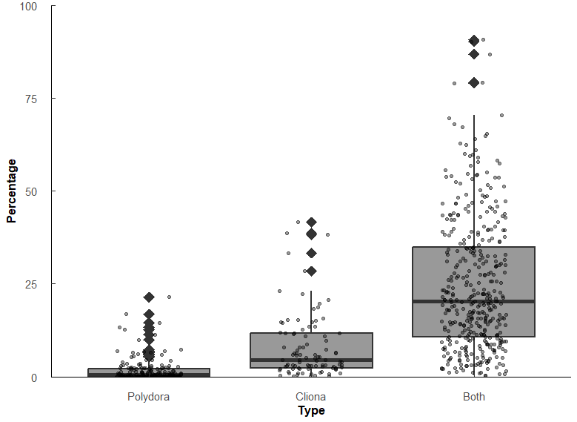
Percentage of shell affected
Type | variable | n | min | max | q1 | median | q3
Polydora | Pct | 180 | 0.004 | 21.5 | 0.063 | 0.481 | 2.17
Cliona | Pct | 95 | 0.041 | 41.6 | 2.41 | 4.56 | 11.6 | 9.4802494802
Both | Pct | 396 | 0.307 | 90.7 | 10.7 | 20.3 | 34.9 | 4.451754386 | 42.203742204

group1 | group2 | n1 | n2 | statistic | p.adj | p.adj.signif | effect_size | magnitude
Polydora | Cliona | 180 | 95 | 2542 | 9.77E-22 | **** | 0.578 | large
Polydora | Both | 180 | 396 | 2341 | 7.47E-72 | **** | 0.749 | large
Cliona | Both | 95 | 396 | 6625 | 2.02E-22 | **** | 0.443 | moderate

Significant difference among percentages affected. Polydora < Cliona < Both (all p < 0.001)
Polydora affects the surface of the shell less than Cliona (r = 0.578), but when both are present the effect is compounded (both r >= 0.44)

