Cleaned size data
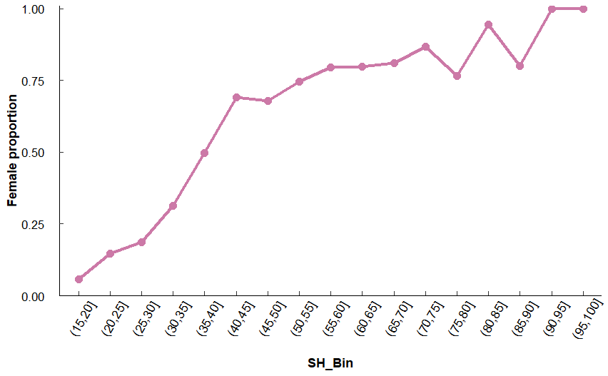
SH_Bin | Total | Sex | SH_Bin | MinSH | All_Count | All_Total | All_Ratio | MF_Count | MF_Total | MF_Ratio |  | SH_Bin | Female_count | Total | Ratio
(5,10] | 8 | F | (15,20] | 16.63 | 2 | 51 | 0.03921569 | 2 | 35 | 0.05714286 |  | (15,20] | 2 | 35 | 0.0571
(10,15] | 39 | F | (20,25] | 20.04 | 9 | 70 | 0.12857143 | 9 | 61 | 0.14754098 |  | (20,25] | 9 | 61 | 0.148
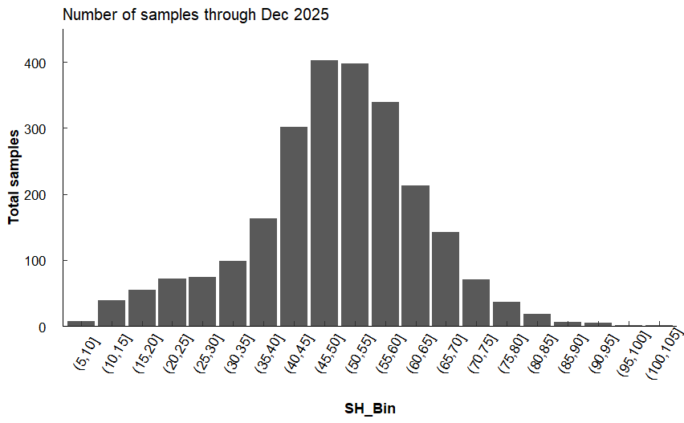
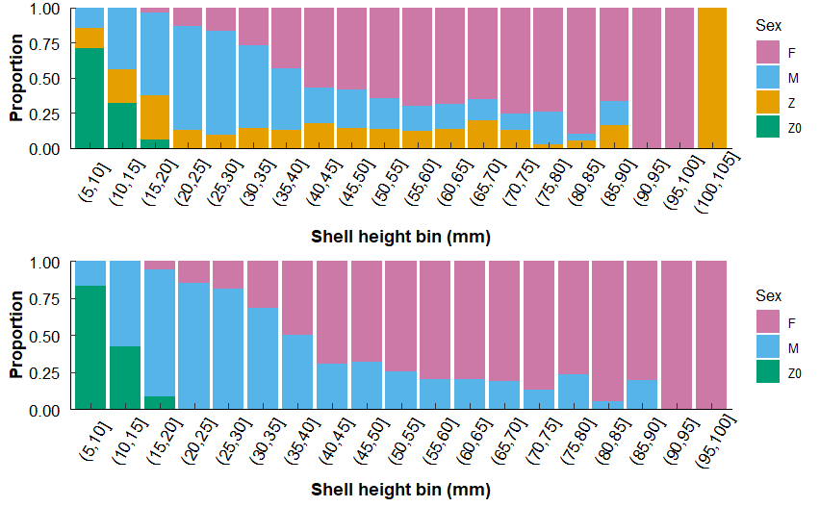
(15,20] | 55 | F | (25,30] | 25.79 | 12 | 71 | 0.16901408 | 12 | 64 | 0.1875 |  | (25,30] | 12 | 64 | 0.188
(20,25] | 72 | F | (30,35] | 30.22 | 26 | 97 | 0.26804124 | 26 | 83 | 0.31325301 |  | (30,35] | 26 | 83 | 0.313
(25,30] | 74 | F | (35,40] | 35.1 | 68 | 158 | 0.43037975 | 68 | 137 | 0.49635036 |  | (35,40] | 68 | 137 | 0.496
(30,35] | 99 | F | (40,45] | 40.02 | 165 | 291 | 0.56701031 | 165 | 239 | 0.69037657 |  | (40,45] | 165 | 239 | 0.69
(35,40] | 163 | F | (45,50] | 45.04 | 225 | 385 | 0.58441558 | 225 | 331 | 0.67975831 |  | (45,50] | 225 | 331 | 0.68
(40,45] | 302 | F | (50,55] | 50.09 | 246 | 381 | 0.64566929 | 246 | 330 | 0.74545455 |  | (50,55] | 246 | 330 | 0.745
(45,50] | 403 | F | (55,60] | 55.01 | 226 | 323 | 0.6996904 | 226 | 284 | 0.79577465 |  | (55,60] | 226 | 284 | 0.796
(50,55] | 398 | F | (60,65] | 60.01 | 139 | 202 | 0.68811881 | 139 | 174 | 0.79885057 |  | (60,65] | 139 | 174 | 0.799
(55,60] | 339 | F | (65,70] | 65.02 | 86 | 132 | 0.65151515 | 86 | 106 | 0.81132075 |  | (65,70] | 86 | 106 | 0.811
(60,65] | 213 | F | (70,75] | 70.11 | 52 | 69 | 0.75362319 | 52 | 60 | 0.86666667 |  | (70,75] | 52 | 60 | 0.867
(65,70] | 142 | F | (75,80] | 75.19 | 26 | 35 | 0.74285714 | 26 | 34 | 0.76470588 |  | (75,80] | 26 | 34 | 0.765
(70,75] | 71 | F | (80,85] | 80.29 | 17 | 19 | 0.89473684 | 17 | 18 | 0.94444444 |  | (80,85] | 17 | 18 | 0.944
(75,80] | 37 | F | (85,90] | 85.81 | 4 | 6 | 0.66666667 | 4 | 5 | 0.8 |  | (85,90] | 4 | 5 | 0.8
(80,85] | 19 | F | (90,95] | 90.09 | 5 | 5 | 1 | 5 | 5 | 1 |  | (90,95] | 5 | 5 | 1
(85,90] | 6 | F | (95,100] | 99.62 | 1 | 1 | 1 | 1 | 1 | 1 |  | (95,100] | 1 | 1 | 1
(90,95] | 5 | M | (5,10] | 9.06 | 1 | 7 | 0.14285714 | 1 | 6 | 0.16666667
(95,100] | 1 | M | (10,15] | 10.33 | 15 | 34 | 0.44117647 | 15 | 26 | 0.57692308
(100,105] | 1 | M | (15,20] | 15.6 | 30 | 51 | 0.58823529 | 30 | 35 | 0.85714286
* through December 2025 |  | M | (20,25] | 20.13 | 52 | 70 | 0.74285714 | 52 | 61 | 0.85245902
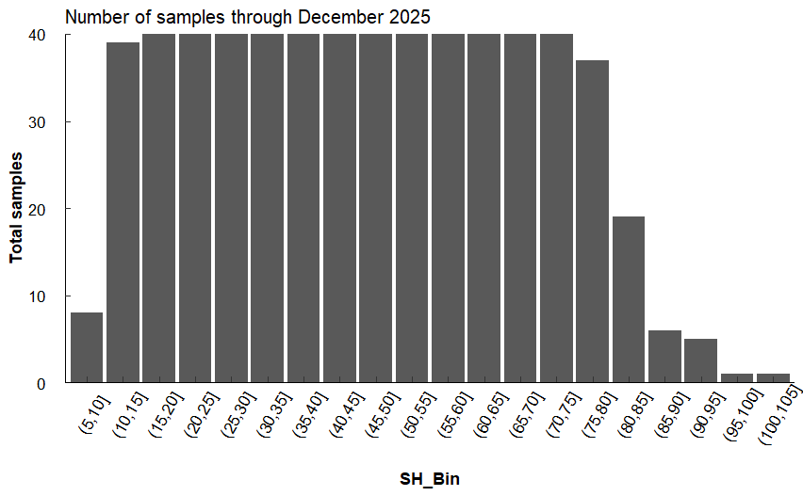
 |  | M | (25,30] | 25.12 | 52 | 71 | 0.73239437 | 52 | 64 | 0.8125 |  |  |  | Previous version without targeted smaller oysters:
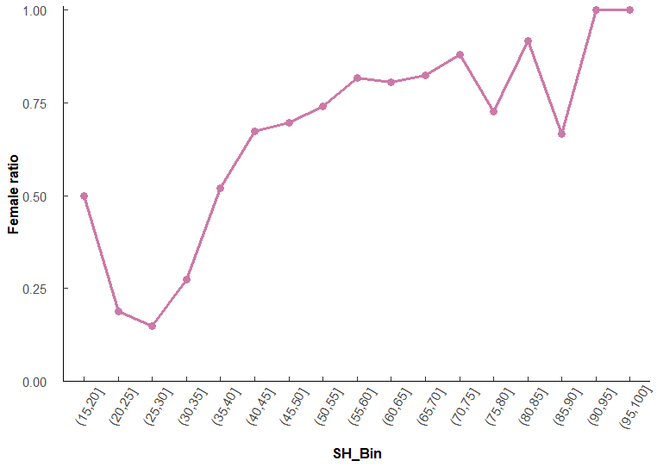
 |  | M | (30,35] | 30.06 | 57 | 97 | 0.58762887 | 57 | 83 | 0.68674699
 |  | M | (35,40] | 35.02 | 69 | 158 | 0.43670886 | 69 | 137 | 0.50364964
 |  | M | (40,45] | 40.03 | 74 | 291 | 0.25429553 | 74 | 239 | 0.30962343
 |  | M | (45,50] | 45.04 | 106 | 385 | 0.27532468 | 106 | 331 | 0.32024169
 |  | M | (50,55] | 50.07 | 84 | 381 | 0.22047244 | 84 | 330 | 0.25454545
 |  | M | (55,60] | 55.08 | 58 | 323 | 0.17956656 | 58 | 284 | 0.20422535
 |  | M | (60,65] | 60.08 | 35 | 202 | 0.17326733 | 35 | 174 | 0.20114943
 |  | M | (65,70] | 65.02 | 20 | 132 | 0.15151515 | 20 | 106 | 0.18867925
 |  | M | (70,75] | 70.25 | 8 | 69 | 0.11594203 | 8 | 60 | 0.13333333
 |  | M | (75,80] | 75.5 | 8 | 35 | 0.22857143 | 8 | 34 | 0.23529412
 |  | M | (80,85] | 83.06 | 1 | 19 | 0.05263158 | 1 | 18 | 0.05555556
 |  | M | (85,90] | 86.28 | 1 | 6 | 0.16666667 | 1 | 5 | 0.2
 |  | Z | (5,10] | 9.97 | 1 | 7 | 0.14285714 | NA | NA | NA
 |  | Z | (10,15] | 10.91 | 8 | 34 | 0.23529412 | NA | NA | NA
 |  | Z | (15,20] | 15.18 | 16 | 51 | 0.31372549 | NA | NA | NA
 |  | Z | (20,25] | 20.31 | 9 | 70 | 0.12857143 | NA | NA | NA
 |  | Z | (25,30] | 25.49 | 7 | 71 | 0.09859155 | NA | NA | NA
 |  | Z | (30,35] | 30.17 | 14 | 97 | 0.1443299 | NA | NA | NA
 |  | Z | (35,40] | 36.04 | 21 | 158 | 0.13291139 | NA | NA | NA
 |  | Z | (40,45] | 40.33 | 52 | 291 | 0.17869416 | NA | NA | NA
 |  | Z | (45,50] | 45.16 | 54 | 385 | 0.14025974 | NA | NA | NA
 |  | Z | (50,55] | 50.13 | 51 | 381 | 0.13385827 | NA | NA | NA
 |  | Z | (55,60] | 55.12 | 39 | 323 | 0.12074303 | NA | NA | NA
 |  | Z | (60,65] | 60.02 | 28 | 202 | 0.13861386 | NA | NA | NA
 |  | Z | (65,70] | 65.33 | 26 | 132 | 0.1969697 | NA | NA | NA
 |  | Z | (70,75] | 70.14 | 9 | 69 | 0.13043478 | NA | NA | NA
 |  | Z | (75,80] | 75.32 | 1 | 35 | 0.02857143 | NA | NA | NA
 |  | Z | (80,85] | 81.99 | 1 | 19 | 0.05263158 | NA | NA | NA
 |  | Z | (85,90] | 88.45 | 1 | 6 | 0.16666667 | NA | NA | NA
 |  | Z | (100,105] | 104.67 | 1 | 1 | 1 | NA | NA | NA
 |  | Z0 | (5,10] | 8.26 | 5 | 7 | 0.71428571 | 5 | 6 | 0.83333333 | Previous version without targetted smaller oysters:
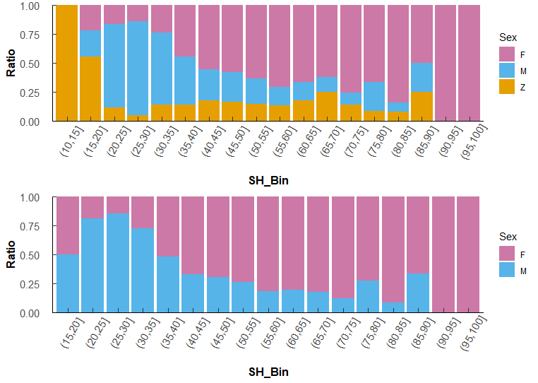
 |  | Z0 | (10,15] | 10.55 | 11 | 34 | 0.32352941 | 11 | 26 | 0.42307692
 |  | Z0 | (15,20] | 15.32 | 3 | 51 | 0.05882353 | 3 | 35 | 0.08571429

Size at maturity
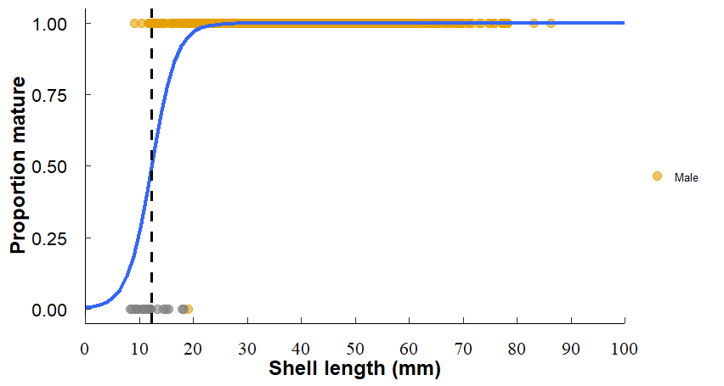
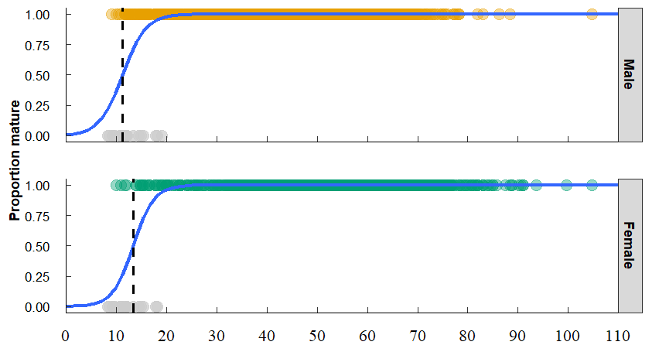
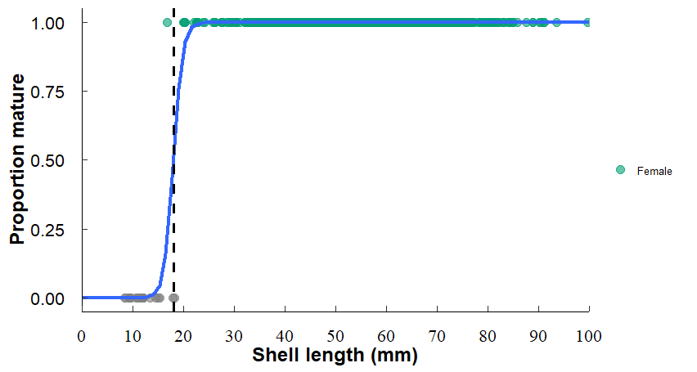
Including Z4 for both male and female: | Excluding Z4 for males and females
"Males: 0.5 = 11.1645550769084 , SE = 0.834592050773521" | "Males: 0.5 = 12.2250267518631 , SE = 0.806952460139222"
Females 0.5 = 13.2789136246237 , SE = 0.781206098397466 | "Females: 0.5 = 17.9579894710367 , SE = 0.883888564251649"

Site comparisons
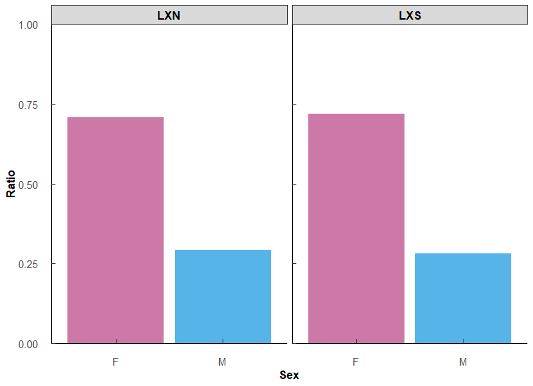
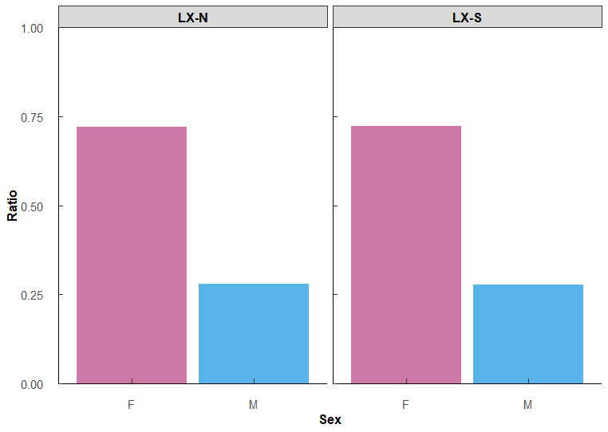
Mean ratio of Males and Females (2020-08/2024) |  |  | Mean ratio of Males and Females (all data through April 2025)
Site | Sex | MeanRatio | Site | Sex | MeanRatio
LX-N | F | 0.707 | LX-N | F | 0.733
LX-N | M | 0.293 | LX-N | M | 0.267
LX-S | F | 0.719 | LX-S | F | 0.723
LX-S | M | 0.281 | LX-S | M | 0.277

Contingency table and Chi-squared test |  |  | Contingency table and Chi-squared test

Site | F | M | Site | F | M
LX-N | 184 | 133 | LX-N | 195 | 139
LX-S | 190 | 143 | LX-S | 203 | 154

Pearson's Chi-squared test with Yates' continuity correction |  |  | Pearson's Chi-squared test with Yates' continuity correction
X-squared = 0.030667 |  |  | X-squared = 0.10702
df = 1 |  |  | df = 1
p-value = 0.861 |  |  | p-value = 0.7436
*fail to reject the null, LXN = LXS |  |  | *fail to reject the null, LXN = LXS

Year Month comps
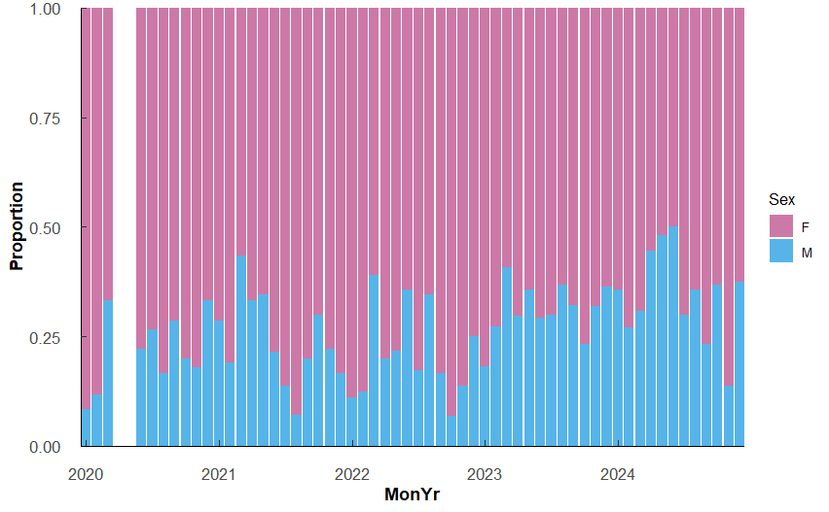
Mean ratio males and females each year, both sites |  |  |  | Mean ratio males and females each month, both sites |  |  |  | Not updated | Mean ratio males and females each MonYr, both sites

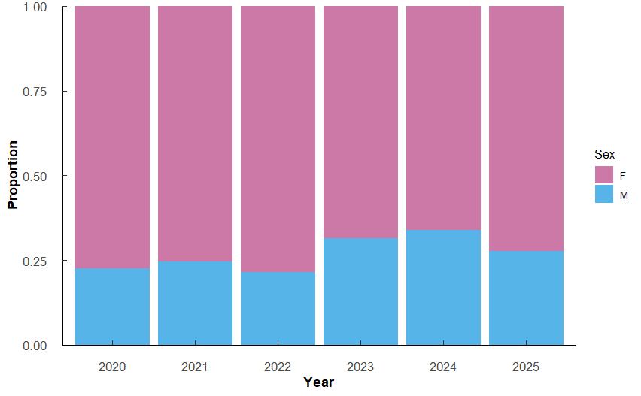
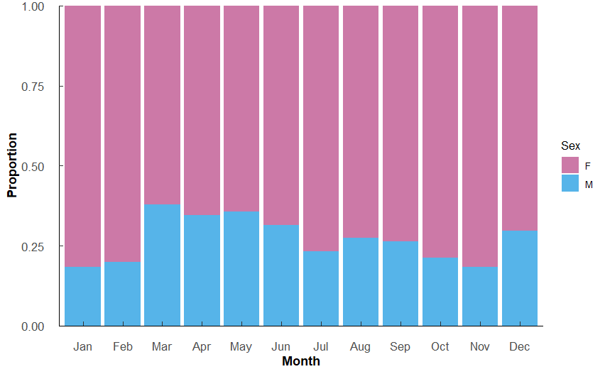
Year | Count |  | MeanRatio | Month | Count | Sex | MeanRatio |  | MonYr | Count | Sex | MeanRatio
2020 | 244 | M | 0.2254098 | Jan | 71 | M | 0.183 |  | Jan 2020 | 12 | M | 0.08333333
2020 | 244 | F | 0.7745902 | Jan | 71 | F | 0.817 |  | Jan 2020 | 12 | F | 0.91666667
2021 | 301 | M | 0.2458472 | Feb | 115 | M | 0.200 |  | Feb 2020 | 17 | M | 0.11764706
2021 | 301 | F | 0.7541528 | Feb | 115 | F | 0.800 |  | Feb 2020 | 17 | F | 0.88235294
2022 | 274 | M | 0.2153285 | Mar | 153 | M | 0.379 |  | Mar 2020 | 24 | M | 0.33333333
2022 | 274 | F | 0.7846715 | Mar | 153 | F | 0.621 |  | Mar 2020 | 24 | F | 0.66666667
2023 | 282 | M | 0.3156028 | Apr | 136 | M | 0.346 |  | Jun 2020 | 27 | M | 0.22222222
2023 | 282 | F | 0.6843972 | Apr | 136 | F | 0.654 |  | Jun 2020 | 27 | F | 0.77777778
2024 | 309 | M | 0.3398058 | May | 132 | M | 0.356 |  | Jul 2020 | 30 | M | 0.26666667
2024 | 309 | F | 0.6601942 | May | 132 | F | 0.644 |  | Jul 2020 | 30 | F | 0.73333333
2025 | 310 | M | 0.2774194 | Jun | 162 | M | 0.315 |  | Aug 2020 | 30 | M | 0.16666667
2025 | 310 | F | 0.7225806 | Jun | 162 | F | 0.685 |  | Aug 2020 | 30 | F | 0.83333333
*Numbers thorugh 12/2025 |  |  |  | Jul | 176 | M | 0.233 |  | Sep 2020 | 28 | M | 0.28571429
 |  |  |  | Jul | 176 | F | 0.767 |  | Sep 2020 | 28 | F | 0.71428571
 |  |  |  | Aug | 175 | M | 0.274 |  | Oct 2020 | 30 | M | 0.2
 |  |  |  | Aug | 175 | F | 0.726 |  | Oct 2020 | 30 | F | 0.8
 |  |  |  | Sep | 174 | M | 0.264 |  | Nov 2020 | 28 | M | 0.17857143
 |  |  |  | Sep | 174 | F | 0.736 |  | Nov 2020 | 28 | F | 0.82142857
 |  |  |  | Oct | 178 | M | 0.213 |  | Dec 2020 | 18 | M | 0.33333333
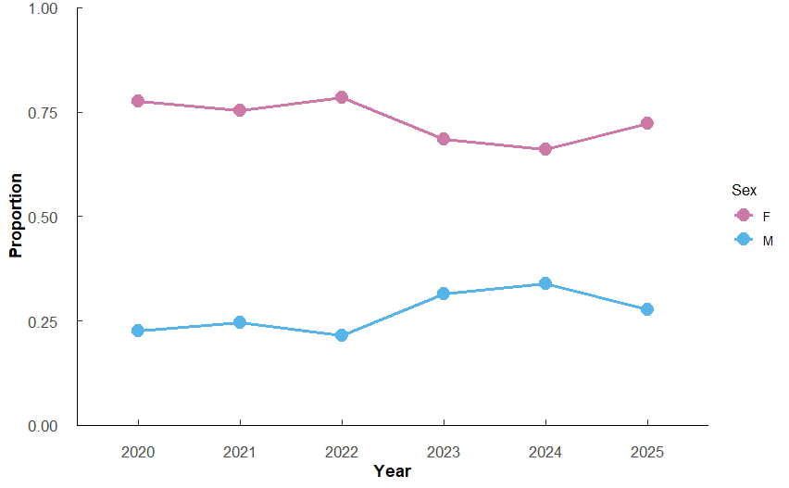
 |  |  |  | Oct | 178 | F | 0.787 |  | Dec 2020 | 18 | F | 0.66666667
 |  |  |  | Nov | 157 | M | 0.185 |  | Jan 2021 | 7 | M | 0.28571429
 |  |  |  | Nov | 157 | F | 0.815 |  | Jan 2021 | 7 | F | 0.71428571
 |  |  |  | Dec | 91 | M | 0.297 |  | Feb 2021 | 21 | M | 0.19047619
 |  |  |  | Dec | 91 | F | 0.703 |  | Feb 2021 | 21 | F | 0.80952381
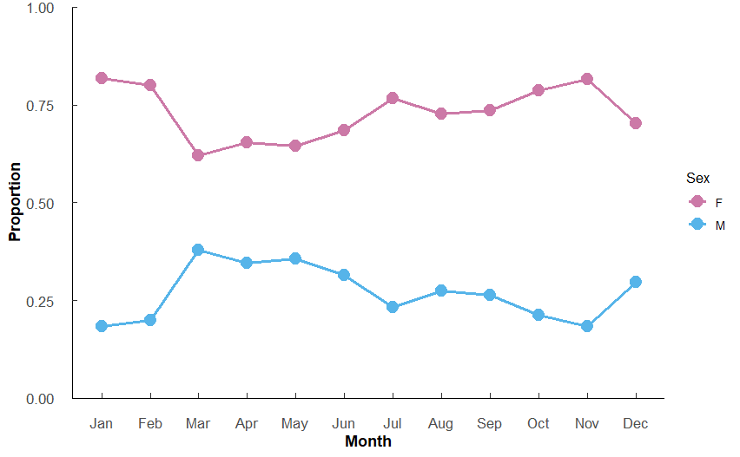
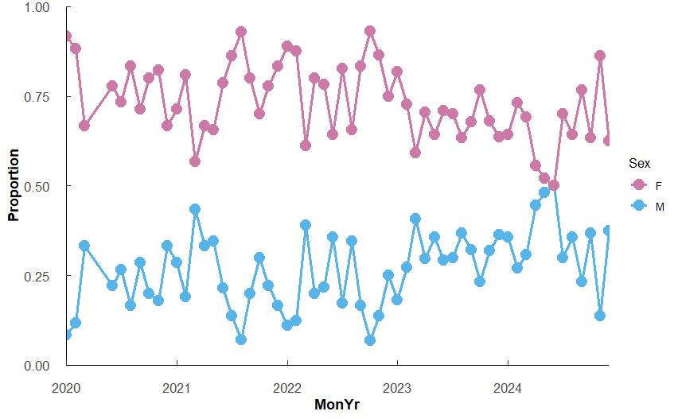
 |  |  |  | *Numbers thorugh 12/2025 |  |  |  |  | Mar 2021 | 30 | M | 0.43333333
 |  |  |  |  |  |  |  |  | Mar 2021 | 30 | F | 0.56666667
 |  |  |  |  |  |  |  |  | Apr 2021 | 30 | M | 0.33333333
 |  |  |  |  |  |  |  |  | Apr 2021 | 30 | F | 0.66666667
 |  |  |  |  |  |  |  |  | May 2021 | 29 | M | 0.34482759
 |  |  |  |  |  |  |  |  | May 2021 | 29 | F | 0.65517241
 |  |  |  |  |  |  |  |  | Jun 2021 | 28 | M | 0.21428571
 |  |  |  |  |  |  |  |  | Jun 2021 | 28 | F | 0.78571429
 |  |  |  |  |  |  |  |  | Jul 2021 | 29 | M | 0.13793103
 |  |  |  |  |  |  |  |  | Jul 2021 | 29 | F | 0.86206897
 |  |  |  |  |  |  |  |  | Aug 2021 | 28 | M | 0.07142857
 |  |  |  |  |  |  |  |  | Aug 2021 | 28 | F | 0.92857143
 |  |  |  |  |  |  |  |  | Sep 2021 | 30 | M | 0.2
 |  |  |  |  |  |  |  |  | Sep 2021 | 30 | F | 0.8
 |  |  |  |  |  |  |  |  | Oct 2021 | 30 | M | 0.3
 |  |  |  |  |  |  |  |  | Oct 2021 | 30 | F | 0.7
 |  |  |  |  |  |  |  |  | Nov 2021 | 27 | M | 0.22222222
 |  |  |  |  |  |  |  |  | Nov 2021 | 27 | F | 0.77777778
 |  |  |  |  |  |  |  |  | Dec 2021 | 12 | M | 0.16666667
 |  |  |  |  |  |  |  |  | Dec 2021 | 12 | F | 0.83333333
 |  |  |  |  |  |  |  |  | Jan 2022 | 9 | M | 0.11111111
 |  |  |  |  |  |  |  |  | Jan 2022 | 9 | F | 0.88888889
 |  |  |  |  |  |  |  |  | Feb 2022 | 16 | M | 0.125
 |  |  |  |  |  |  |  |  | Feb 2022 | 16 | F | 0.875
 |  |  |  |  |  |  |  |  | Mar 2022 | 18 | M | 0.38888889
 |  |  |  |  |  |  |  |  | Mar 2022 | 18 | F | 0.61111111
 |  |  |  |  |  |  |  |  | Apr 2022 | 25 | M | 0.2
 |  |  |  |  |  |  |  |  | Apr 2022 | 25 | F | 0.8
 |  |  |  |  |  |  |  |  | May 2022 | 23 | M | 0.2173913
 |  |  |  |  |  |  |  |  | May 2022 | 23 | F | 0.7826087
 |  |  |  |  |  |  |  |  | Jun 2022 | 28 | M | 0.35714286
 |  |  |  |  |  |  |  |  | Jun 2022 | 28 | F | 0.64285714
 |  |  |  |  |  |  |  |  | Jul 2022 | 29 | M | 0.17241379
 |  |  |  |  |  |  |  |  | Jul 2022 | 29 | F | 0.82758621
 |  |  |  |  |  |  |  |  | Aug 2022 | 29 | M | 0.34482759
 |  |  |  |  |  |  |  |  | Aug 2022 | 29 | F | 0.65517241
 |  |  |  |  |  |  |  |  | Sep 2022 | 30 | M | 0.16666667
 |  |  |  |  |  |  |  |  | Sep 2022 | 30 | F | 0.83333333
 |  |  |  |  |  |  |  |  | Oct 2022 | 29 | M | 0.06896552
 |  |  |  |  |  |  |  |  | Oct 2022 | 29 | F | 0.93103448
 |  |  |  |  |  |  |  |  | Nov 2022 | 22 | M | 0.13636364
 |  |  |  |  |  |  |  |  | Nov 2022 | 22 | F | 0.86363636
 |  |  |  |  |  |  |  |  | Dec 2022 | 16 | M | 0.25
 |  |  |  |  |  |  |  |  | Dec 2022 | 16 | F | 0.75
 |  |  |  |  |  |  |  |  | Jan 2023 | 11 | M | 0.18181818
 |  |  |  |  |  |  |  |  | Jan 2023 | 11 | F | 0.81818182
 |  |  |  |  |  |  |  |  | Feb 2023 | 11 | M | 0.27272727
 |  |  |  |  |  |  |  |  | Feb 2023 | 11 | F | 0.72727273
 |  |  |  |  |  |  |  |  | Mar 2023 | 27 | M | 0.40740741
 |  |  |  |  |  |  |  |  | Mar 2023 | 27 | F | 0.59259259
 |  |  |  |  |  |  |  |  | Apr 2023 | 27 | M | 0.2962963
 |  |  |  |  |  |  |  |  | Apr 2023 | 27 | F | 0.7037037
 |  |  |  |  |  |  |  |  | May 2023 | 28 | M | 0.35714286
 |  |  |  |  |  |  |  |  | May 2023 | 28 | F | 0.64285714
 |  |  |  |  |  |  |  |  | Jun 2023 | 24 | M | 0.29166667
 |  |  |  |  |  |  |  |  | Jun 2023 | 24 | F | 0.70833333
 |  |  |  |  |  |  |  |  | Jul 2023 | 30 | M | 0.3
 |  |  |  |  |  |  |  |  | Jul 2023 | 30 | F | 0.7
 |  |  |  |  |  |  |  |  | Aug 2023 | 30 | M | 0.36666667
 |  |  |  |  |  |  |  |  | Aug 2023 | 30 | F | 0.63333333
 |  |  |  |  |  |  |  |  | Sep 2023 | 28 | M | 0.32142857
 |  |  |  |  |  |  |  |  | Sep 2023 | 28 | F | 0.67857143
 |  |  |  |  |  |  |  |  | Oct 2023 | 30 | M | 0.23333333
 |  |  |  |  |  |  |  |  | Oct 2023 | 30 | F | 0.76666667
 |  |  |  |  |  |  |  |  | Nov 2023 | 25 | M | 0.32
 |  |  |  |  |  |  |  |  | Nov 2023 | 25 | F | 0.68
 |  |  |  |  |  |  |  |  | Dec 2023 | 11 | M | 0.36363636
 |  |  |  |  |  |  |  |  | Dec 2023 | 11 | F | 0.63636364
 |  |  |  |  |  |  |  |  | Jan 2024 | 14 | M | 0.35714286
 |  |  |  |  |  |  |  |  | Jan 2024 | 14 | F | 0.64285714
 |  |  |  |  |  |  |  |  | Feb 2024 | 26 | M | 0.26923077
 |  |  |  |  |  |  |  |  | Feb 2024 | 26 | F | 0.73076923
 |  |  |  |  |  |  |  |  | Mar 2024 | 26 | M | 0.30769231
 |  |  |  |  |  |  |  |  | Mar 2024 | 26 | F | 0.69230769
 |  |  |  |  |  |  |  |  | Apr 2024 | 27 | M | 0.44444444
 |  |  |  |  |  |  |  |  | Apr 2024 | 27 | F | 0.55555556
 |  |  |  |  |  |  |  |  | May 2024 | 25 | M | 0.48
 |  |  |  |  |  |  |  |  | May 2024 | 25 | F | 0.52
 |  |  |  |  |  |  |  |  | Jun 2024 | 28 | M | 0.5
 |  |  |  |  |  |  |  |  | Jun 2024 | 28 | F | 0.5
 |  |  |  |  |  |  |  |  | Jul 2024 | 30 | M | 0.3
 |  |  |  |  |  |  |  |  | Jul 2024 | 30 | F | 0.7
 |  |  |  |  |  |  |  |  | Aug 2024 | 28 | M | 0.35714286
 |  |  |  |  |  |  |  |  | Aug 2024 | 28 | F | 0.64285714
 |  |  |  |  |  |  |  |  | Sep 2024 | 30 | M | 0.23333333
 |  |  |  |  |  |  |  |  | Sep 2024 | 30 | F | 0.76666667
 |  |  |  |  |  |  |  |  | Oct 2024 | 30 | M | 0.36666667
 |  |  |  |  |  |  |  |  | Oct 2024 | 30 | F | 0.63333333
 |  |  |  |  |  |  |  |  | Nov 2024 | 29 | M | 0.13793103
 |  |  |  |  |  |  |  |  | Nov 2024 | 29 | F | 0.86206897
 |  |  |  |  |  |  |  |  | Dec 2024 | 16 | M | 0.375
 |  |  |  |  |  |  |  |  | Dec 2024 | 16 | F | 0.625

Year Season glm
Independent variables: Year, Year_scaled, Season, ShellHeight(scaled)

Initial models to test SH and Site differences: |  |  |  |  |  |  | Adding in Year and Season |  |  |  |  |  |  | Model comparisons
Model | K | AICc | Delta_AICc | AICcWt | Cum.Wt | LL | Model | K | AICc | Delta_AICc | AICcWt | Cum.Wt | LL | Formula: Sex_class ~ Year + Season + SH_scaled |  |  |  |  |  |  |  |  |  |  | *Difference likely due to no samples yet Oct-Dec 2025
3-Site+ShellHeight | 3 | 14799.74 | 0 | 0.87 | 0.87 | -7396.87 | 7-SH + YearScaled * Season | 9 | 13786.18 | 0 | 0.97 | 0.97 | -6884.08
2-ShellHeightOnly | 2 | 14803.47 | 3.74 | 0.13 | 1 | -7399.74 | 5-SH + Year + Season | 10 | 13793.35 | 7.17 | 0.03 | 1 | -6886.67 | Year | variable | n | mean | sd | se | prob | SE | asymp.LCL | asymp.UCL | Group | Season | variable | n | mean | sd | se | prob | SE | asymp.LCL | asymp.UCL | Group
1-SiteOnly | 2 | 17699.16 | 2899.42 | 0 | 1 | -8847.58 | 6-SH + YearScaled + Season | 6 | 13808.66 | 22.48 | 0 | 1 | -6898.33 | 2020 | Sex_class | 1214 | 0.773 | 0.419 | 0.012 | 0.672 | 0.0158 | 0.629 | 0.712 | c | Spring | Sex_class | 2287 | 0.601 | 0.49 | 0.01 | 0.634 | 0.0127 | 0.602 | 0.665 | b
 |  |  |  |  |  |  | 2-SH + Season | 5 | 13899.62 | 113.44 | 0 | 1 | -6944.81 | 2021 | Sex_class | 1505 | 0.754 | 0.431 | 0.011 | 0.638 | 0.0147 | 0.599 | 0.676 | bc | Summer | Sex_class | 3959 | 0.442 | 0.497 | 0.008 | 0.538 | 0.0115 | 0.51 | 0.567 | a
####KEY FINDINGS: |  |  |  |  |  |  | 3-SH + Year | 7 | 13956.02 | 169.84 | 0 | 1 | -6971.01 | 2022 | Sex_class | 274 | 0.785 | 0.412 | 0.025 | 0.738 | 0.0295 | 0.653 | 0.808 | c | Fall | Sex_class | 3348 | 0.627 | 0.484 | 0.008 | 0.669 | 0.0106 | 0.642 | 0.695 | bc
##Shell height is highly important (as expected) |  |  |  |  |  |  | 4-SH + YearScaled | 3 | 13973.73 | 187.55 | 0 | 1 | -6983.87 | 2023 | Sex_class | 1391 | 0.687 | 0.464 | 0.012 | 0.64 | 0.0141 | 0.603 | 0.677 | c | Winter | Sex_class | 3127 | 0.611 | 0.488 | 0.009 | 0.696 | 0.0107 | 0.669 | 0.722 | c
##Including Site doesn't improve the model much - sites are similar |  |  |  |  |  |  | 1-ShellHeightOnly | 2 | 14097.29 | 311.11 | 0 | 1 | -7046.65 | 2024 | Sex_class | 1545 | 0.66 | 0.474 | 0.012 | 0.58 | 0.014 | 0.542 | 0.616 | ab
 |  |  |  |  |  |  |  |  |  |  |  |  |  | 2025 | Sex_class | 6792 | 0.423 | 0.494 | 0.006 | 0.534 | 0.0076 | 0.514 | 0.554 | a
Best model: |  |  |  |  |  |  | ### Key findings from model selection
Tjur's R2: 0.248 |  |  |  |  |  |  | ##1. Both Season AND Year are important (5 >> 2 or 3 alone) |  |  |  |  |  |  | contrast | odds.ratio | SE | z.ratio | p.value |  |  |  |  |  |  | contrast | odds.ratio | SE | z.ratio | p.value
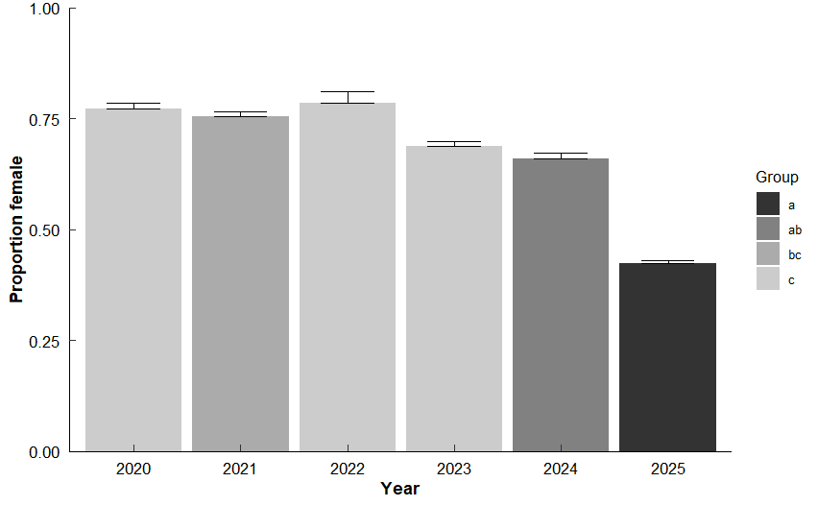
Family: binomial ( logit ) |  |  |  |  |  |  | ##2. Non-linear year effects are crucial (5 >> 6: factor vs linear year) - may change once samples are completed for 2025 |  |  |  |  |  |  | Year2020 / Year2021 | 1.16 | 0.11 | Inf | 1.565 | 0.6216 |  |  |  |  |  | Spring / Summer | 1.486028 | 0.09015515 | 6.529031 | 3.971136E-10 | ***
Formula: Sex_class ~ SH_scaled |  |  |  |  |  |  | ##3. Seasonal patterns are consistent across years |  |  |  |  |  |  | Year2020 / Year2022 | 0.727 | 0.122 | Inf | -1.893 | 0.4061 |  |  |  |  |  | Spring / Fall | 0.8584481 | 0.05436002 | -2.410303 | 0.07511836
Data: Repro_WQ2 |  |  |  |  |  |  | ##4. Temporal factors explain a lot of the variation (ΔAICc = 2.34 vs baseline)") |  |  |  |  |  |  | Year2020 / Year2023 | 1.15 | 0.108 | Inf | 1.489 | 0.6711 |  |  |  |  |  | Spring / Winter | 0.7559858 | 0.04878051 | -4.335214 | 8.582023E-05 | ***
AIC | BIC | logLik | -2*LOG(L) | df.resid |  |  |  |  |  |  |  |  |  | Year2020 / Year2024 | 1.485 | 0.136 | Inf | 4.327 | 0.0002 | ** |  |  |  |  | Summer / Fall | 0.5776796 | 0.03224646 | -9.830334 | 4.03011E-14 | ***
14097.3 | 14112.2 | -7046.6 | 14093.3 | 12719 |  |  | Best model: |  |  |  |  |  |  | Year2020 / Year2025 | 1.789 | 0.141 | Inf | 7.36 | <.0001 | *** |  |  |  |  | Summer / Winter | 0.5087292 | 0.0289797 | -11.864141 | 0 | ***
 |  |  |  |  |  |  | Tjur's R2: 0.268 |  |  |  |  |  |  | Year2021 / Year2022 | 0.627 | 0.103 | Inf | -2.833 | 0.0524 |  |  |  |  |  | Fall / Winter | 0.8806424 | 0.05256733 | -2.129324 | 0.1437858
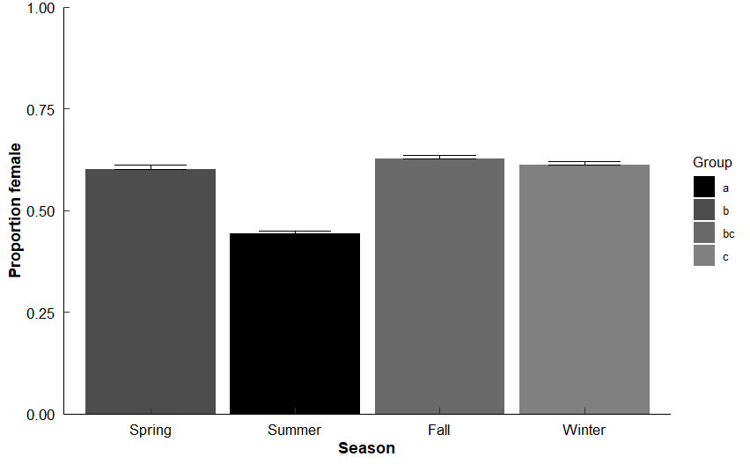
Conditional model: |  |  |  |  |  |  | Family: binomial ( logit ) |  |  |  |  |  |  | Year2021 / Year2023 | 0.991 | 0.0869 | Inf | -0.101 | 1
 | Estimate | Std. Error | z value | Pr(>|z|) |  |  | Formula: Sex_class ~ Year + Season + SH_scaled |  |  |  |  |  |  | Year2021 / Year2024 | 1.28 | 0.109 | Inf | 2.905 | 0.0427 | *
(Intercept) | 0.20065 | 0.02052 | 9.78 | <2e-16 | *** |  | Data: Repro_WQ2 |  |  |  |  |  |  | Year2021 / Year2025 | 1.542 | 0.111 | Inf | 6.024 | <.0001 | ***
SH_scaled | 1.29817 | 0.02628 | 49.4 | <2e-16 | *** |  |  |  |  |  |  |  |  | Year2022 / Year2023 | 1.582 | 0.26 | Inf | 2.793 | 0.0586
 |  |  |  |  |  |  | AIC | BIC | logLik | -2*LOG(L) | df.resid |  |  | Year2022 / Year2024 | 2.043 | 0.333 | Inf | 4.384 | 0.0002 | **
###Key findings |  |  |  |  |  |  | 13793.3 | 13867.8 | -6886.7 | 13773.3 | 12711 |  |  | Year2022 / Year2025 | 2.461 | 0.383 | Inf | 5.78 | <.0001 | ***
##Sex_class ~ SH_scaled |  |  |  |  |  |  |  |  |  |  |  |  |  | Year2023 / Year2024 | 1.291 | 0.108 | Inf | 3.056 | 0.0272 | *
## 1. Model fits the data pretty well with good residuals. |  |  |  |  |  |  | Conditional model: |  |  |  |  |  |  | Year2023 / Year2025 | 1.556 | 0.107 | Inf | 6.449 | <.0001 | ***
## 2. Tjur's R-squared is used here for a binary outcome. A value of 0.217 indicates a weak to moderate ability to discriminate between the 2 outcomes. Thus, there's lots of room for improvement. |  |  |  |  |  |  |  | Estimate | Std. Error | z value | Pr(>|z|) |  |  | Year2024 / Year2025 | 1.205 | 0.0795 | Inf | 2.825 | 0.0535
## 3. Larger oysters more likely to be female (1) |  |  |  |  |  |  | (Intercept) | 0.60424 | 0.08368 | 7.22 | 5.17E-13 | *** |  |  |  |  |  |  |  |  | * More small samples = more males in sampling
 |  |  |  |  |  |  | Year2021 | -0.14864 | 0.09496 | -1.57 | 0.1175
 |  |  |  |  |  |  | Year2022 | 0.3188 | 0.16838 | 1.89 | 0.0583 | .
 |  |  |  |  |  |  | Year2023 | -0.13976 | 0.09384 | -1.49 | 0.1364
 |  |  |  |  |  |  | Year2024 | -0.39545 | 0.09139 | -4.33 | 0.0000151 | ***
 |  |  |  |  |  |  | Year2025 | -0.5818 | 0.07904 | -7.36 | 1.83E-13 | ***
 |  |  |  |  |  |  | SeasonSummer | -0.39611 | 0.06067 | -6.53 | 6.62E-11 | ***
 |  |  |  |  |  |  | SeasonFall | 0.15263 | 0.06332 | 2.41 | 0.0159 | *
 |  |  |  |  |  |  | SeasonWinter | 0.27973 | 0.06453 | 4.34 | 0.0000146 | ***
 |  |  |  |  |  |  | SH_scaled | 1.17996 | 0.0283 | 41.7 | < 2e-16 | ***

 |  |  |  |  |  |  | ###Key findings
 |  |  |  |  |  |  | ##Sex_class ~ SH_scaled + Year + Season
 |  |  |  |  |  |  | ## 1. Model fits the data pretty well with good residuals. Tjur's R-squared value of 0.268 indicates a weak to moderate ability to discriminate between the 2 outcomes. Thus, there's lots of room for improvement, though better than the initial model.
 |  |  |  |  |  |  | ## 2. Larger oysters still more likely to be female (1)
 |  |  |  |  |  |  | ## 3. There appear to be some statistical differences between the Seasons and the Years. Closer inspection of those results to follow
 |  |  |  |  |  |  | ## 4. Differences in more recent years...

Shell height glm
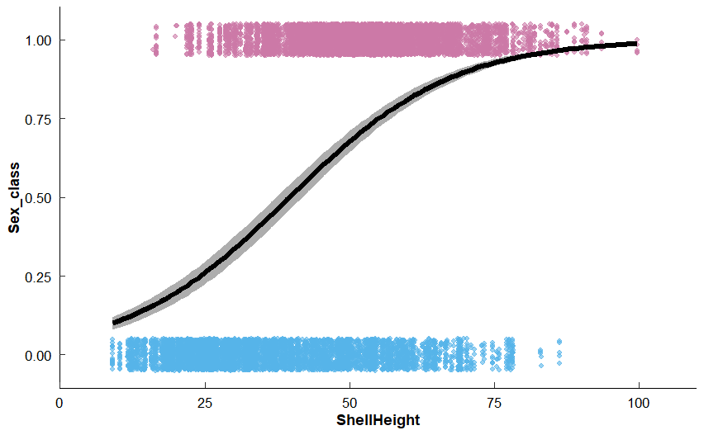
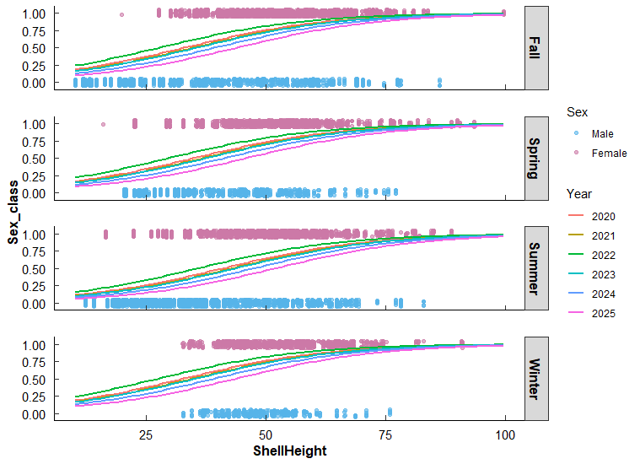
Model of SH and Sex
 |  |  |  |  |  | Predictions for each Year*Season
 | Estimate | Std. Error | z value | Pr(>|z|)
SH_scaled | 1.179961 | 0.02829551 | 41.70136 | 0.00E+00 | ***
#The coefficient for SH_scaled is 1.18 (SE = 0.028, z = 41.70, p < 0.001)

Odds ratio: 2.753517

Predictions averaged for each SH (10.3-99.62) for all Years and Seasons

