TB_Assorted_summ
Count of size classes by station: |  |  |  | Summary of CI per station and overall (Molluscs calculation) |  |  |  |  |  | Summary of CI per station and overall (Hanley calculation) |  |  |  |  |  | Summary of oyster SH, TW, CI, and CI_Hanley by station
Legal (L) > 75mm, Adult (A) 25-75 mm, Spat (S) < 25mm

Station | A | L | S | Station | n | mean | se | min | max | Station | n | mean | se | min | max | Station | SHeight | TWeight | CIndex | CI_H
1 | 229 | 1 | 0 | 1 | 230 | 4.01 | 0.0898 | 1.46 | 8.42 | 1 | 230 | 15.1 | 0.27 | 7.1 | 29 | 1 | 49.8 | 16.6 | 4.01 | 15.1
2 | 228 | 1 | 1 | 2 | 230 | 4.18 | 0.095 | 1.12 | 9.09 | 2 | 230 | 11.5 | 0.232 | 4.25 | 27.3 | 2 | 53.9 | 24.7 | 4.18 | 11.5
3 | 219 | 11 | 0 | 3 | 230 | 3.86 | 0.0722 | 1.51 | 6.52 | 3 | 230 | 11 | 0.263 | 4.39 | 30.5 | 3 | 56.2 | 28.5 | 3.86 | 11
4 | 229 | 1 | 0 | 4 | 230 | 4.27 | 0.0845 | 1.7 | 9.27 | 4 | 230 | 13.8 | 0.262 | 6.48 | 29.5 | 4 | 51.9 | 19.8 | 4.27 | 13.8
5 | 211 | 19 | 0 | 5 | 230 | 4.67 | 0.133 | 1.24 | 10.7 | 5 | 230 | 11.4 | 0.281 | 3.4 | 29.4 | 5 | 58.8 | 32.9 | 4.67 | 11.4
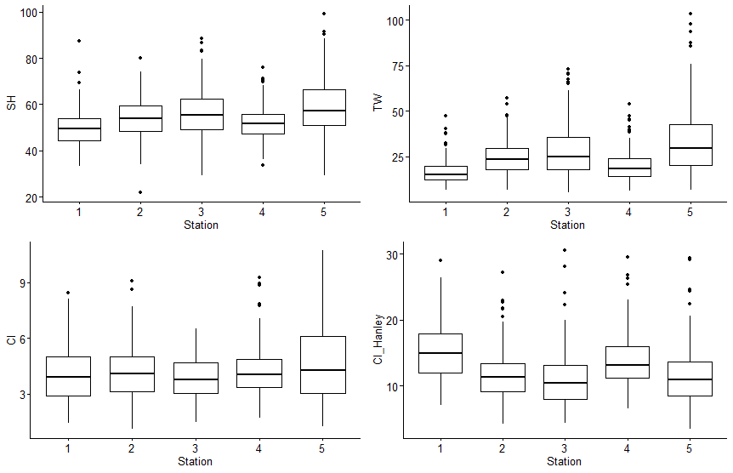
TB | 1116 | 33 | 1 | TB | 1150 | 4.2 | 0.0441 | 1.12 | 10.7 | TB | 1150 | 12.6 | 0.126 | 3.4 | 30.5
TB_Size_summ

Summary by station of mean amoung of oysters per sample with Cliona (Pres_Clio), Polydora (Pres_Poly), or both (Pres_Pests)
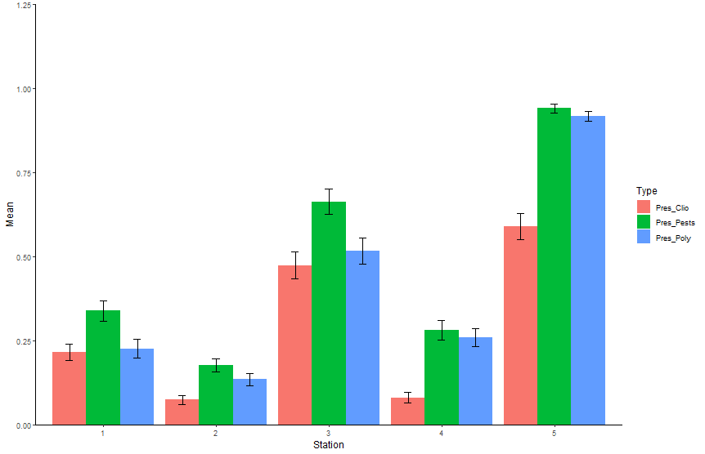
Station | Type | Mean | SE
1 | Pres_Clio | 0.215 | 0.0242
1 | Pres_Pests | 0.339 | 0.0304
1 | Pres_Poly | 0.226 | 0.0279
2 | Pres_Clio | 0.0739 | 0.0134
2 | Pres_Pests | 0.176 | 0.0198
2 | Pres_Poly | 0.135 | 0.0186
3 | Pres_Clio | 0.474 | 0.041
3 | Pres_Pests | 0.663 | 0.0377
3 | Pres_Poly | 0.517 | 0.0388
4 | Pres_Clio | 0.0804 | 0.0164
4 | Pres_Pests | 0.28 | 0.0292
4 | Pres_Poly | 0.259 | 0.0274
5 | Pres_Clio | 0.589 | 0.0389
5 | Pres_Pests | 0.941 | 0.0129
5 | Pres_Poly | 0.917 | 0.0149

Q1
Q1: WQ trends during study - overall min/max/mean; annual min/max/mean
*No data for April 2020. No Molluscs data for May 2020 (but there is Portal data)

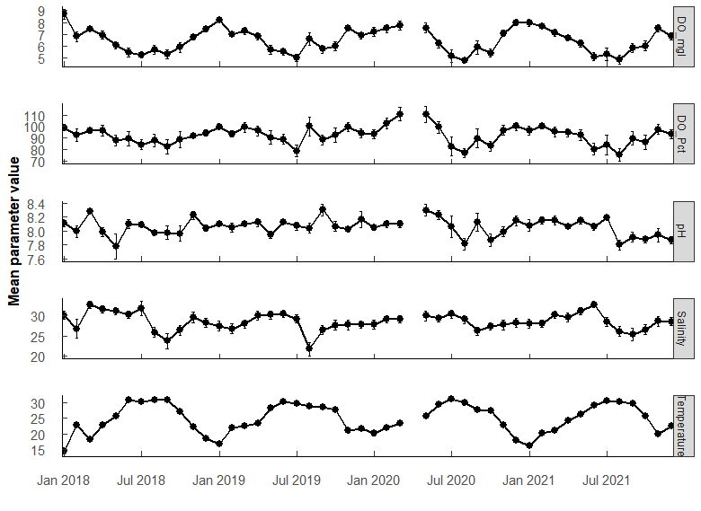
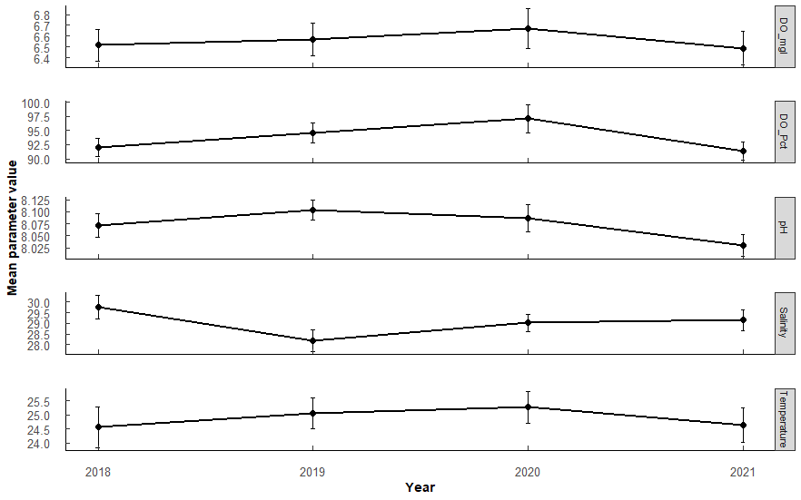

Parameter | n | Mean | SE | Min | Max | Year | Parameter | n | Mean | SE | Min | Max | PermaANOVA tests:
DO_Pct | 555 | 92.106726 | 0.79239368 | 10.6 | 152.6 | 2018 | DO_Pct | 141 | 90.8 | 1.44 | 35.3 | 133 | Comparing average annual valules. (Compare annual mean among years)
DO_mgl | 555 | 6.477313 | 0.06386955 | 0.68 | 11.8 | 2019 | DO_Pct | 147 | 93.5 | 1.45 | 48.3 | 141 | DO_mgL | Df | Sum Sq | Mean Sq | F value | Pr(>F)
Salinity | 555 | 28.453156 | 0.19077371 | 0.45 | 38.84 | 2020 | DO_Pct | 130 | 94.3 | 1.88 | 25.8 | 143 | Year | 3 | 1.1 | 0.3696 | 0.247 | 0.86
Temperature | 555 | 25.00375 | 0.20427659 | 8.05 | 33.3 | 2021 | DO_Pct | 137 | 90.2 | 1.58 | 10.6 | 153 | Residuals | 231 | 345.6 | 1.4962
pH | 555 | 8.055833 | 0.01170206 | 6.2 | 8.78 | 2018 | DO_mgl | 141 | 6.47 | 0.126 | 2.41 | 11.8
 |  |  |  |  |  | 2019 | DO_mgl | 147 | 6.51 | 0.116 | 3.24 | 9.58
 |  |  |  |  |  | 2020 | DO_mgl | 130 | 6.53 | 0.145 | 1.79 | 10 | pH | Df | Sum Sq | Mean Sq | F value | Pr(>F)
 |  |  |  |  |  | 2021 | DO_mgl | 137 | 6.4 | 0.127 | 0.68 | 10.6 | Year | 3 | 0.173 | 0.05754 | 1.69 | 0.17
 |  |  |  |  |  | 2018 | Salinity | 141 | 28.8 | 0.469 | 0.45 | 38.8 | Residuals | 231 | 7.863 | 0.03404
 |  |  |  |  |  | 2019 | Salinity | 147 | 27.8 | 0.367 | 8.48 | 34.5
 |  |  |  |  |  | 2020 | Salinity | 130 | 28.6 | 0.3 | 19.8 | 34.6 | Salinity | Df | Sum Sq | Mean Sq | F value | Pr(>F)
 |  |  |  |  |  | 2021 | Salinity | 137 | 28.7 | 0.352 | 15.3 | 35.4 | Year | 3 | 74 | 24.75 | 1.707 | 0.17
 |  |  |  |  |  | 2018 | Temperature | 141 | 24.6 | 0.474 | 8.05 | 33.3 | Residuals | 231 | 3350 | 14.5
 |  |  |  |  |  | 2019 | Temperature | 147 | 25.2 | 0.357 | 14.6 | 32.5
 |  |  |  |  |  | 2020 | Temperature | 130 | 25.4 | 0.395 | 15.8 | 32.9 | Temperature | Df | Sum Sq | Mean Sq | F value | Pr(>F)
 |  |  |  |  |  | 2021 | Temperature | 137 | 24.8 | 0.399 | 15.3 | 32.1 | Year | 3 | 20 | 6.667 | 0.299 | 0.83
 |  |  |  |  |  | 2018 | pH | 141 | 8.04 | 0.0262 | 6.2 | 8.46 | Residuals | 231 | 5143 | 22.265
 |  |  |  |  |  | 2019 | pH | 147 | 8.1 | 0.0197 | 7.31 | 8.78
 |  |  |  |  |  | 2020 | pH | 130 | 8.06 | 0.0272 | 6.72 | 8.62 | No significant difference among years in mean parameter values for any of the parameters.
 |  |  |  |  |  | 2021 | pH | 137 | 8.02 | 0.0199 | 7.25 | 8.45

Q2
Q2: WQ - which months most similar (i.e., seasonal trends)
PermANOVA, pairwise-t-test holm adjustment |  |  |  |  |  |  |  |  |  |  |  |  | PermANOVA, pairwise-t-test holm adjustment |  |  |  |  |  |  |  |  |  |  |  |  | PermANOVA, pairwise-t-test holm adjustment |  |  |  |  |  |  |  |  |  |  |  |  | PermANOVA, pairwise-t-test holm adjustment
Month_temp <- aovp(Temperature ~ Month, data = ungroup(TB_WQ_df), perm = "", nperm = 10000) |  |  |  |  |  |  |  |  |  |  |  |  | Month_sal <- aovp(Salinity ~ Month, data = ungroup(TB_WQ_df), perm = "", nperm = 10000) |  |  |  |  |  |  |  |  |  |  |  |  | Month_pH <- aovp(pH ~ Month, data = ungroup(TB_WQ_df), perm = "", nperm = 10000) |  |  |  |  |  |  |  |  |  |  |  |  | Month_DO <- aovp(DO_mgl ~ Month, data = ungroup(TB_WQ_df), perm = "", nperm = 10000)

TEMP | Df | Sum Sq | Mean Sq | F value | Pr(>F) |  |  |  |  |  |  |  | SALINITY | Df | Sum Sq | Mean Sq | F value | Pr(>F) |  |  |  |  |  |  |  | pH | Df | Sum Sq | Mean Sq | F value | Pr(>F) |  |  |  |  |  |  |  | DO mgL | Df | Sum Sq | Mean Sq | F value | Pr(>F)
Month | 11 | 4605 | 418.6 | 167.2 | 2.00E-16 | *** | F 11, 112 = 167.2, P < 0.001 |  |  |  |  |  | Month | 11 | 677.3 | 61.57 | 4.998 | 5.97E-07 | *** | F 11, 223 = 4.998, P < 0.001 |  |  |  |  |  | Month | 11 | 1.14 | 0.10362 | 3.351 | 2.68E-04 | *** | F 11, 223 = 3.351, p < 0.001 |  |  |  |  |  | Month | 11 | 175.6 | 15.963 | 20.8 | 2.00E-16 | *** | F 11, 223 = 20.8, p < 0.001
Residuals | 112 | 558 | 2.5 |  |  |  |  |  |  |  |  |  | Residuals | 223 | 2746.9 | 12.32 |  |  |  |  |  |  |  |  |  | Residuals | 223 | 6.896 | 0.03092 |  |  |  |  |  |  |  |  |  | Residuals | 223 | 171.1 | 0.767

Month | n | mean | sd | min | max | lower | upper | Letters | Comparison | p.value | p.adjust |  | Month | n | mean | sd | min | max | lower | upper | Letters | Comparison | p.value | p.adjust |  | Month | n | mean | sd | min | max | lower | upper | Letters | Comparison | p.value | p.adjust |  | Month | n | mean | sd | min | max | lower | upper | Letters | Comparison | p.value | p.adjust
1 | 20 | 17.055 | 2.539 | 13.097 | 24.1 | 14.516 | 19.594 | a | 1 01-02 | 7.12E-18 | 2.25E-16 | *** | 1 | 20 | 29.233 | 3.295 | 22.061 | 33.77 | 25.938 | 32.528 | abc | 03-09 | 0.000179 | 0.0107 | * | 1 | 20 | 8.104 | 0.121 | 7.774 | 8.31 | 7.983 | 8.225 | ab | 01-08 | 0.000611 | 0.0379 | * | 1 | 20 | 7.964 | 0.839 | 6.463 | 9.446 | 7.125 | 8.803 | a | 1 01-04 | 3.21e- 4 | 1.09E-02 | *
2 | 20 | 21.755 | 1.405 | 19.629 | 24.45 | 20.35 | 23.16 | b | 2 01-03 | 4 e-15 | 1.16E-13 | *** | 2 | 20 | 28.216 | 3.687 | 20.026 | 31.945 | 24.529 | 31.903 | abc | 04-08 | 0.000242 | 0.0143 | * | 2 | 20 | 8.092 | 0.134 | 7.843 | 8.262 | 7.958 | 8.226 | abc | 03-08 | 0.00000556 | 0.000367 | *** | 2 | 20 | 7.287 | 0.651 | 5.813 | 8.426 | 6.636 | 7.938 | ab | 2 01-05 | 1.89e- 6 | 8.13E-05 | ***
3 | 20 | 21.279 | 2.3 | 17.65 | 25.45 | 18.979 | 23.579 | bc | 3 01-04 | 3.63E-25 | 1.41E-23 | *** | 3 | 20 | 30.185 | 3.347 | 22.085 | 34.377 | 26.838 | 33.532 | ab | 04-09 | 0.0000447 | 0.00282 | ** | 3 | 20 | 8.17 | 0.128 | 7.845 | 8.34 | 8.042 | 8.298 | a | 03-10 | 0.000434 | 0.0273 | * | 3 | 20 | 7.469 | 0.768 | 6.167 | 9.633 | 6.701 | 8.237 | ab | 3 01-06 | 8.29E-15 | 5.30E-13 | ***
4 | 15 | 23.412 | 1.216 | 21.598 | 25.425 | 22.196 | 24.628 | d | 4 01-05 | 7.60E-48 | 4.41E-46 | *** | 4 | 15 | 30.946 | 2.988 | 24.37 | 34.047 | 27.958 | 33.934 | a | 05-08 | 0.0000177 | 0.00113 | ** | 4 | 15 | 8.072 | 0.147 | 7.73 | 8.34 | 7.925 | 8.219 | abc | 06-08 | 0.0000501 | 0.00326 | ** | 4 | 15 | 6.87 | 0.624 | 5.513 | 7.662 | 6.246 | 7.494 | bc | 4 01-07 | 2 e-18 | 1.32E-16 | ***
5 | 20 | 26.456 | 1.315 | 24.4 | 28.997 | 25.141 | 27.771 | e | 5 01-06 | 2.91E-68 | 1.86E-66 | *** | 5 | 20 | 31.343 | 2.901 | 24.738 | 34.53 | 28.442 | 34.244 | a | 05-09 | 0.00000226 | 0.000149 | *** | 5 | 20 | 8.092 | 0.27 | 7.403 | 8.62 | 7.822 | 8.362 | abc | 07-08 | 0.000123 | 0.00789 | ** | 5 | 20 | 6.608 | 1.162 | 4.531 | 9.39 | 5.446 | 7.77 | bcd | 5 01-08 | 1.87E-16 | 1.21E-14 | ***
6 | 20 | 29.855 | 0.838 | 28.696 | 31.35 | 29.017 | 30.693 | f | 6 01-07 | 5.39E-72 | 3.56E-70 | *** | 6 | 20 | 31.056 | 2.938 | 25.288 | 34.791 | 28.118 | 33.994 | a | 06-08 | 0.0000516 | 0.0032 | ** | 6 | 20 | 8.141 | 0.14 | 7.86 | 8.392 | 8.001 | 8.281 | ab |  |  |  |  | 6 | 20 | 5.656 | 0.863 | 4.494 | 7.605 | 4.793 | 6.519 | e | 6 01-09 | 1.08E-13 | 6.82E-12 | ***
7 | 20 | 30.524 | 0.859 | 29.488 | 32.9 | 29.665 | 31.383 | f | 7 01-08 | 1 e-69 | 6.51E-68 | *** | 7 | 20 | 30.321 | 3.459 | 23.384 | 35.06 | 26.862 | 33.78 | a | 06-09 | 0.00000719 | 0.000468 | *** | 7 | 20 | 8.128 | 0.169 | 7.653 | 8.41 | 7.959 | 8.297 | ab |  |  |  |  | 7 | 20 | 5.31 | 0.893 | 4.09 | 7.74 | 4.417 | 6.203 | e | 7 01-10 | 4.75E-12 | 2.90E-10 | ***
8 | 20 | 30.115 | 1.16 | 27.978 | 31.875 | 28.955 | 31.275 | f | 8 01-09 | 1.42E-64 | 8.97E-63 | *** | 8 | 20 | 26.474 | 4.581 | 14.809 | 32.411 | 21.893 | 31.055 | bc | 07-08 | 0.000634 | 0.0368 | * | 8 | 20 | 7.911 | 0.159 | 7.657 | 8.247 | 7.752 | 8.07 | c |  |  |  |  | 8 | 20 | 5.496 | 1.272 | 3.83 | 9.338 | 4.224 | 6.768 | e | 8 02-06 | 1.44e- 8 | 7.32E-07 | ***
9 | 20 | 29.21 | 1.338 | 27.144 | 31.583 | 27.872 | 30.548 | f | 9 01-10 | 2.98E-51 | 1.79E-49 | *** | 9 | 20 | 25.955 | 4.044 | 17.623 | 29.642 | 21.911 | 29.999 | c | 07-09 | 0.000112 | 0.00682 | ** | 9 | 20 | 8.094 | 0.237 | 7.684 | 8.47 | 7.857 | 8.331 | abc |  |  |  |  | 9 | 20 | 5.768 | 0.932 | 3.938 | 7.116 | 4.836 | 6.7 | de | 9 02-07 | 1.32E-11 | 7.94E-10 | ***
10 | 20 | 26.998 | 0.886 | 25.54 | 29.025 | 26.112 | 27.884 | e | 10 01-11 | 8.55E-16 | 2.56E-14 | *** | 10 | 20 | 27.784 | 3.555 | 20.7 | 31.748 | 24.229 | 31.339 | abc |  |  |  |  | 10 | 20 | 7.971 | 0.182 | 7.655 | 8.239 | 7.789 | 8.153 | bc |  |  |  |  | 10 | 20 | 5.939 | 0.893 | 4.501 | 8.12 | 5.046 | 6.832 | cde | 10 02-08 | 6.28E-10 | 3.45E-08 | ***
11 | 20 | 21.397 | 1.39 | 18.998 | 23.513 | 20.007 | 22.787 | bc | 11 01-12 | 4.77e- 9 | 1.00E-07 | *** | 11 | 20 | 28.778 | 3.686 | 21.578 | 32.83 | 25.092 | 32.464 | abc |  |  |  |  | 11 | 20 | 8.042 | 0.166 | 7.752 | 8.329 | 7.876 | 8.208 | abc |  |  |  |  | 11 | 20 | 7.158 | 0.671 | 6.1 | 8.327 | 6.487 | 7.829 | ab | 11 02-09 | 1.13e- 7 | 5.43E-06 | ***
12 | 20 | 20.104 | 2.359 | 16.303 | 23.675 | 17.745 | 22.463 | c | 12 02-04 | 2.44e- 3 | 3.17E-02 | * | 12 | 20 | 28.444 | 3.124 | 21.23 | 31.448 | 25.32 | 31.568 | abc |  |  |  |  | 12 | 20 | 8.058 | 0.186 | 7.793 | 8.406 | 7.872 | 8.244 | abc |  |  |  |  | 12 | 20 | 7.266 | 0.614 | 6.148 | 8.394 | 6.652 | 7.88 | ab | 12 02-10 | 2.14e- 6 | 9.00E-05 | ***
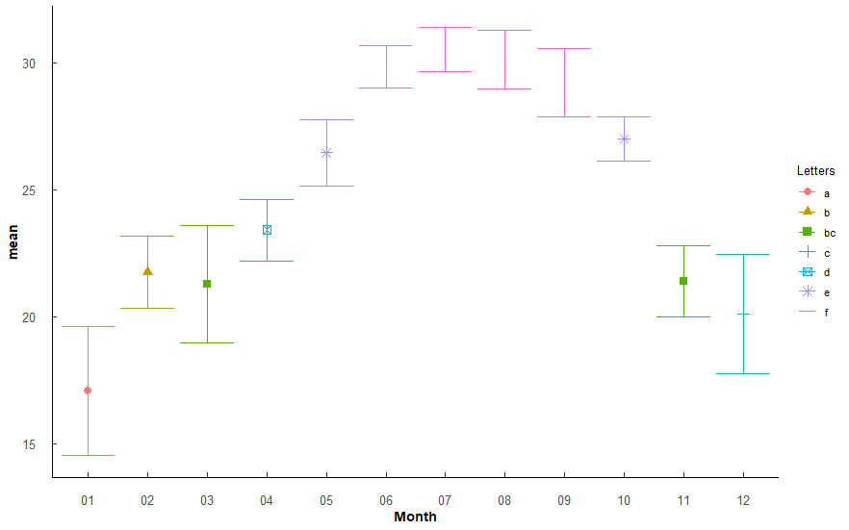
 |  |  |  |  |  |  |  |  | 13 02-05 | 7.05E-18 | 2.25E-16 | *** |  |  |  |  |  |  |  |  |  |  |  |  |  |  |  |  |  |  |  |  |  |  |  |  |  |  |  |  |  |  |  |  |  |  |  | 13 03-06 | 4.08E-10 | 2.29E-08 | ***
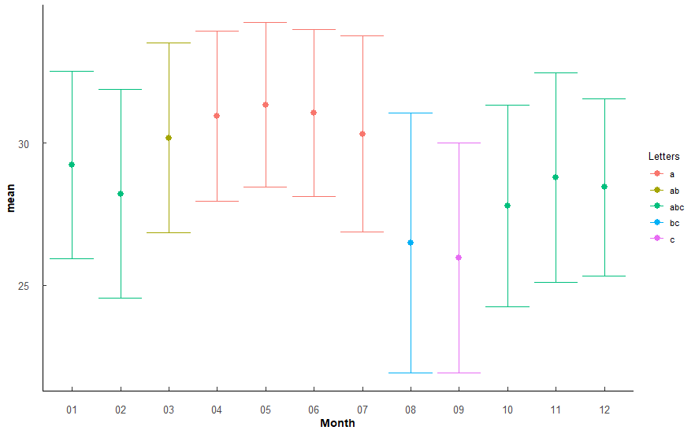
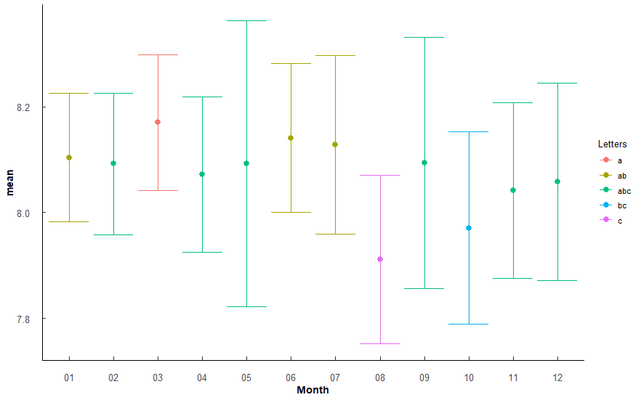
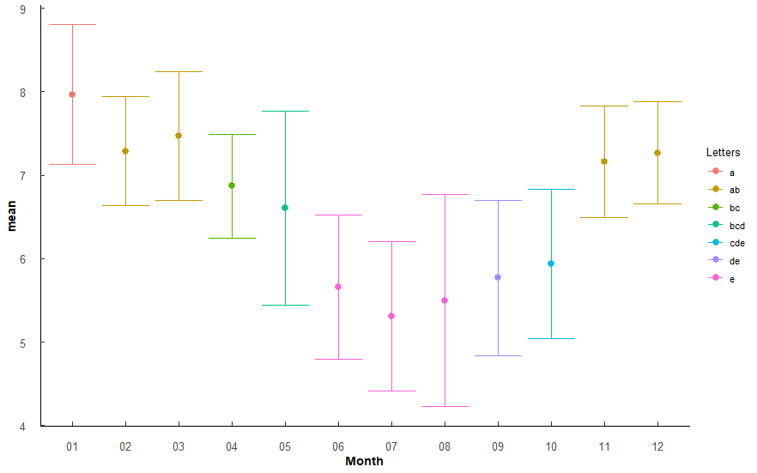
 |  |  |  |  |  |  |  |  | 14 02-06 | 1.72E-39 | 8.25E-38 | *** |  |  |  |  |  |  |  |  |  |  |  |  |  |  |  |  |  |  |  |  |  |  |  |  |  |  |  |  |  |  |  |  |  |  |  | 14 03-07 | 2.46E-13 | 1.52E-11 | ***
 |  |  |  |  |  |  |  |  | 15 02-07 | 8.27E-44 | 4.38E-42 | *** |  |  |  |  |  |  |  |  |  |  |  |  |  |  |  |  |  |  |  |  |  |  |  |  |  |  |  |  |  |  |  |  |  |  |  | 15 03-08 | 1.45E-11 | 8.55E-10 | ***
 |  |  |  |  |  |  |  |  | 16 02-08 | 3.56E-41 | 1.74E-39 | *** |  |  |  |  |  |  |  |  |  |  |  |  |  |  |  |  |  |  |  |  |  |  |  |  |  |  |  |  |  |  |  |  |  |  |  | 16 03-09 | 3.76e- 9 | 1.99E-07 | ***
 |  |  |  |  |  |  |  |  | 17 02-09 | 2.67E-35 | 1.20E-33 | *** |  |  |  |  |  |  |  |  |  |  |  |  |  |  |  |  |  |  |  |  |  |  |  |  |  |  |  |  |  |  |  |  |  |  |  | 17 03-10 | 9.23e- 8 | 4.52E-06 | ***
 |  |  |  |  |  |  |  |  | 18 02-10 | 3.79E-21 | 1.33E-19 | *** |  |  |  |  |  |  |  |  |  |  |  |  |  |  |  |  |  |  |  |  |  |  |  |  |  |  |  |  |  |  |  |  |  |  |  | 18 04-06 | 6.90e- 5 | 2.55E-03 | **
 |  |  |  |  |  |  |  |  | 19 02-12 | 1.13e- 3 | 1.58E-02 | * |  |  |  |  |  |  |  |  |  |  |  |  |  |  |  |  |  |  |  |  |  |  |  |  |  |  |  |  |  |  |  |  |  |  |  | 19 04-07 | 4.21e- 7 | 1.89E-05 | ***
 |  |  |  |  |  |  |  |  | 20 03-04 | 1.06e- 4 | 1.70E-03 | ** |  |  |  |  |  |  |  |  |  |  |  |  |  |  |  |  |  |  |  |  |  |  |  |  |  |  |  |  |  |  |  |  |  |  |  | 20 04-08 | 7.33e- 6 | 2.86E-04 | ***
 |  |  |  |  |  |  |  |  | 21 03-05 | 9.55E-21 | 3.25E-19 | *** |  |  |  |  |  |  |  |  |  |  |  |  |  |  |  |  |  |  |  |  |  |  |  |  |  |  |  |  |  |  |  |  |  |  |  | 21 04-09 | 2.9 e- 4 | 1.02E-02 | *
 |  |  |  |  |  |  |  |  | 22 03-06 | 1.43E-42 | 7.30E-41 | *** |  |  |  |  |  |  |  |  |  |  |  |  |  |  |  |  |  |  |  |  |  |  |  |  |  |  |  |  |  |  |  |  |  |  |  | 22 05-06 | 7.08e- 4 | 2.34E-02 | *
 |  |  |  |  |  |  |  |  | 23 03-07 | 7.49E-47 | 4.27E-45 | *** |  |  |  |  |  |  |  |  |  |  |  |  |  |  |  |  |  |  |  |  |  |  |  |  |  |  |  |  |  |  |  |  |  |  |  | 23 05-07 | 4.87e- 6 | 1.95E-04 | ***
 |  |  |  |  |  |  |  |  | 24 03-08 | 3.05E-44 | 1.65E-42 | *** |  |  |  |  |  |  |  |  |  |  |  |  |  |  |  |  |  |  |  |  |  |  |  |  |  |  |  |  |  |  |  |  |  |  |  | 24 05-08 | 8.17e- 5 | 2.94E-03 | **
 |  |  |  |  |  |  |  |  | 25 03-09 | 2.13E-38 | 1.00E-36 | *** |  |  |  |  |  |  |  |  |  |  |  |  |  |  |  |  |  |  |  |  |  |  |  |  |  |  |  |  |  |  |  |  |  |  |  | 25 06-11 | 1.54e- 7 | 7.22E-06 | ***
 |  |  |  |  |  |  |  |  | 26 03-10 | 4.08E-24 | 1.55E-22 | *** |  |  |  |  |  |  |  |  |  |  |  |  |  |  |  |  |  |  |  |  |  |  |  |  |  |  |  |  |  |  |  |  |  |  |  | 26 06-12 | 2.14e- 8 | 1.07E-06 | ***
 |  |  |  |  |  |  |  |  | 27 04-05 | 5.32e- 8 | 1.01E-06 | *** |  |  |  |  |  |  |  |  |  |  |  |  |  |  |  |  |  |  |  |  |  |  |  |  |  |  |  |  |  |  |  |  |  |  |  | 27 07-11 | 1.97E-10 | 1.12E-08 | ***
 |  |  |  |  |  |  |  |  | 28 04-06 | 1.14E-25 | 4.57E-24 | *** |  |  |  |  |  |  |  |  |  |  |  |  |  |  |  |  |  |  |  |  |  |  |  |  |  |  |  |  |  |  |  |  |  |  |  | 28 07-12 | 2.08E-11 | 1.21E-09 | ***
 |  |  |  |  |  |  |  |  | 29 04-07 | 1.21E-29 | 5.19E-28 | *** |  |  |  |  |  |  |  |  |  |  |  |  |  |  |  |  |  |  |  |  |  |  |  |  |  |  |  |  |  |  |  |  |  |  |  | 29 08-11 | 7.90e- 9 | 4.11E-07 | ***
 |  |  |  |  |  |  |  |  | 30 04-08 | 3.31E-27 | 1.36E-25 | *** |  |  |  |  |  |  |  |  |  |  |  |  |  |  |  |  |  |  |  |  |  |  |  |  |  |  |  |  |  |  |  |  |  |  |  | 30 08-12 | 9.62E-10 | 5.20E-08 | ***
 |  |  |  |  |  |  |  |  | 31 04-09 | 6.45E-22 | 2.32E-20 | *** |  |  |  |  |  |  |  |  |  |  |  |  |  |  |  |  |  |  |  |  |  |  |  |  |  |  |  |  |  |  |  |  |  |  |  | 31 09-11 | 1.07e- 6 | 4.71E-05 | ***
 |  |  |  |  |  |  |  |  | 32 04-10 | 2.43E-10 | 5.82E-09 | *** |  |  |  |  |  |  |  |  |  |  |  |  |  |  |  |  |  |  |  |  |  |  |  |  |  |  |  |  |  |  |  |  |  |  |  | 32 09-12 | 1.65e- 7 | 7.61E-06 | ***
 |  |  |  |  |  |  |  |  | 33 04-11 | 2.45e- 4 | 3.67E-03 | ** |  |  |  |  |  |  |  |  |  |  |  |  |  |  |  |  |  |  |  |  |  |  |  |  |  |  |  |  |  |  |  |  |  |  |  | 33 10-11 | 1.67e- 5 | 6.34E-04 | ***
 |  |  |  |  |  |  |  |  | 34 04-12 | 4.17e- 9 | 9.18E-08 | *** |  |  |  |  |  |  |  |  |  |  |  |  |  |  |  |  |  |  |  |  |  |  |  |  |  |  |  |  |  |  |  |  |  |  |  | 34 10-12 | 3.04e- 6 | 1.25E-04 | ***
Months arranged by increasing mean Temp |  |  |  |  |  |  |  |  | 35 05-06 | 9.96E-11 | 2.49E-09 | *** |  |  |  |  |  |  |  |  |  |  |  |  |  |  |  |  |  |  |  |  |  |  |  |  |  |  |  |  |  |  |  |  |  |  |  | Sep-Dec | 1.09E-10 | 5.32E-09 | ***
Month | mean | sd | Letters |  |  |  |  |  | 36 05-07 | 2.99E-14 | 8.38E-13 | *** |  |  |  |  |  |  |  |  |  |  |  |  |  |  |  |  |  |  |  |  |  |  |  |  |  |  |  |  |  |  |  |  |  |  |  | Oct-Nov | 1.47e- 7 | 5.86E-06 | ***
1 | 17.055 | 2.539 | a |  |  |  |  |  | 37 05-08 | 4.69E-12 | 1.27E-10 | *** | Months arranged by increasing mean Salinity |  |  |  |  |  |  |  |  |  |  |  |  | Months arranged by increasing mean pH |  |  |  |  |  |  |  |  |  |  |  |  | Months arranged by increasing mean DO |  |  |  |  |  |  |  |  | Oct-Dec | 1.73e- 8 | 7.45E-07 | ***
12 | 20.104 | 2.359 | c |  |  |  |  |  | 38 05-09 | 1.02e- 7 | 1.84E-06 | *** | Month | mean | sd | Letters |  |  |  |  |  |  |  |  |  | Month | mean | sd | Letters |  |  |  |  |  |  |  |  |  | Month | mean | sd | Letters
3 | 21.279 | 2.3 | bc |  |  |  |  |  | 39 05-11 | 5.04E-20 | 1.66E-18 | *** | 9 | 25.955 | 4.044 | c |  |  |  |  |  |  |  |  |  | 8 | 7.911 | 0.159 | c |  |  |  |  |  |  |  |  |  | 7 | 5.31 | 0.893 | e
11 | 21.397 | 1.39 | bc |  |  |  |  |  | 40 05-12 | 3.8 e-28 | 1.60E-26 | *** | 8 | 26.474 | 4.581 | bc |  |  |  |  |  |  |  |  |  | 10 | 7.971 | 0.182 | bc |  |  |  |  |  |  |  |  |  | 8 | 5.496 | 1.272 | e
2 | 21.755 | 1.405 | b |  |  |  |  |  | 41 06-10 | 3.61e- 8 | 7.22E-07 | *** | 10 | 27.784 | 3.555 | abc |  |  |  |  |  |  |  |  |  | 11 | 8.042 | 0.166 | abc |  |  |  |  |  |  |  |  |  | 6 | 5.656 | 0.863 | e
4 | 23.412 | 1.216 | d |  |  |  |  |  | 42 06-11 | 8.30E-42 | 4.15E-40 | *** | 2 | 28.216 | 3.687 | abc |  |  |  |  |  |  |  |  |  | 12 | 8.058 | 0.186 | abc |  |  |  |  |  |  |  |  |  | 9 | 5.768 | 0.932 | de
5 | 26.456 | 1.315 | e |  |  |  |  |  | 43 06-12 | 4.83E-50 | 2.85E-48 | *** | 12 | 28.444 | 3.124 | abc |  |  |  |  |  |  |  |  |  | 4 | 8.072 | 0.147 | abc |  |  |  |  |  |  |  |  |  | 10 | 5.939 | 0.893 | cde
10 | 26.998 | 0.886 | e |  |  |  |  |  | 44 07-10 | 2.28E-11 | 5.92E-10 | *** | 11 | 28.778 | 3.686 | abc |  |  |  |  |  |  |  |  |  | 2 | 8.092 | 0.134 | abc |  |  |  |  |  |  |  |  |  | 5 | 6.608 | 1.162 | bcd
9 | 29.21 | 1.338 | f |  |  |  |  |  | 45 07-11 | 4.24E-46 | 2.38E-44 | *** | 1 | 29.233 | 3.295 | abc |  |  |  |  |  |  |  |  |  | 5 | 8.092 | 0.27 | abc |  |  |  |  |  |  |  |  |  | 4 | 6.87 | 0.624 | bc
6 | 29.855 | 0.838 | f |  |  |  |  |  | 46 07-12 | 3.36E-54 | 2.08E-52 | *** | 3 | 30.185 | 3.347 | ab |  |  |  |  |  |  |  |  |  | 9 | 8.094 | 0.237 | abc |  |  |  |  |  |  |  |  |  | 11 | 7.158 | 0.671 | ab
8 | 30.115 | 1.16 | f |  |  |  |  |  | 47 08-10 | 2.32e- 9 | 5.33E-08 | *** | 7 | 30.321 | 3.459 | a |  |  |  |  |  |  |  |  |  | 1 | 8.104 | 0.121 | ab |  |  |  |  |  |  |  |  |  | 12 | 7.266 | 0.614 | ab
7 | 30.524 | 0.859 | f |  |  |  |  |  | 48 08-11 | 1.75E-43 | 9.12E-42 | *** | 4 | 30.946 | 2.988 | a |  |  |  |  |  |  |  |  |  | 7 | 8.128 | 0.169 | ab |  |  |  |  |  |  |  |  |  | 2 | 7.287 | 0.651 | ab
 |  |  |  |  |  |  |  |  | 49 08-12 | 1.14E-51 | 6.96E-50 | *** | 6 | 31.056 | 2.938 | a |  |  |  |  |  |  |  |  |  | 6 | 8.141 | 0.14 | ab |  |  |  |  |  |  |  |  |  | 3 | 7.469 | 0.768 | ab
1 < 12 ≤ 3/11 ≤ 2 < 4 < 5/10 < 9/6/8/ |  |  |  |  |  |  |  |  | 50 09-10 | 1.54e- 5 | 2.62E-04 | *** | 5 | 31.343 | 2.901 | a |  |  |  |  |  |  |  |  |  | 3 | 8.17 | 0.128 | a |  |  |  |  |  |  |  |  |  | 1 | 7.964 | 0.839 | a
 |  |  |  |  |  |  |  |  | 51 09-11 | 1.25E-37 | 5.76E-36 | ***
 |  |  |  |  |  |  |  |  | 52 09-12 | 5.79E-46 | 3.19E-44 | *** | 9 ≤ 8 ≤ 10/11/12/1 ≤ 3 ≤ 7/4/5/6 |  |  |  |  |  |  |  |  |  |  |  |  | 8 ≤ 10 ≤ 11/12/4/2/5/9 ≤ 1/7/6 ≤ 3 |  |  |  |  |  |  |  |  |  |  |  |  | 7/6/8 ≤ 9 ≤ 10 ≤ 5 ≤ 4 ≤ 11/12/2/3 ≤ 1
 |  |  |  |  |  |  |  |  | 53 10-11 | 2.26E-23 | 8.38E-22 | ***
 |  |  |  |  |  |  |  |  | 54 10-12 | 1.19E-31 | 5.23E-30 | ***

Q3
Q3: Do WQ paramters vary among stations? (How to group for analyses. May help explain differences depending on lit sources found/referenced.)
PermANOVA, pairwise-t-test holm adjustment |  |  |  |  |  |  |  |  | PermANOVA, pairwise-t-test holm adjustment |  |  |  |  |  |  |  |  |  |  |  |  | PermANOVA, pairwise-t-test holm adjustment |  |  |  |  |  |  |  |  |  |  |  |  | PermANOVA, pairwise-t-test holm adjustment
Station_temp <- aovp(Temperature ~ Station, data = ungroup(TB_WQ_df), perm = "", nperm = 10000) |  |  |  |  |  |  |  |  | Station_sal <- aovp(Salinity ~ Station, data = ungroup(TB_WQ_df), perm = "", nperm = 10000) |  |  |  |  |  |  |  |  |  |  |  |  | Station_pH <- aovp(pH ~ Station, data = ungroup(TB_WQ_df), perm = "", nperm = 10000) |  |  |  |  |  |  |  |  |  |  |  |  | Station_DO <- aovp(DO_mgl ~ Station, data = ungroup(TB_WQ_df), perm = "", nperm = 10000)

 | Df | Sum Sq | Mean Sq | F value | Pr(>F) |  |  |  |  | Df | Sum Sq | Mean Sq | F value | Pr(>F) |  |  |  |  |  |  |  |  | Df | Sum Sq | Mean Sq | F value | Pr(>F) |  |  |  |  |  |  |  |  | Df | Sum Sq | Mean Sq | F value | Pr(>F)
Station | 4 | 36 | 9.041 | 0.406 | 8.05E-01 | No significant difference |  |  | Station | 4 | 2174 | 543.4 | 99.96 | 2.00E-16 | *** | F 4, 230 = 99.96, P < 0.001 |  |  |  |  |  | Station | 4 | 2.805 | 0.7012 | 30.83 | 2.00E-16 | *** | F 4, 230 = 30.83, p < 0.001 |  |  |  |  |  | Station | 4 | 47.23 | 11.807 | 9.067 | 8.11E-07 | *** | F 4, 230 = 9.067, p < 0.001
Residuals | 230 | 5127 | 22.291 |  |  |  |  |  | Residuals | 230 | 1250 | 5.4 |  |  |  |  |  |  |  |  |  | Residuals | 230 | 5.231 | 0.0227 |  |  |  |  |  |  |  |  |  | Residuals | 230 | 299.51 | 1.302

Station | n | mean | sd | min | max | lower | upper | Letters | Station | n | mean | sd | min | max | lower | upper | Letters | Comparison | p.value | p.adjust |  | Station | n | mean | sd | min | max | lower | upper | Letters | Comparison | p.value | p.adjust |  | Station | n | mean | sd | min | max | lower | upper | Letters | Comparison | p.value | p.adjust
1 | 47 | 24.583 | 4.679 | 13.097 | 30.929 | 19.904 | 29.262 | a | 1 | 47 | 28.787 | 2.81 | 20.026 | 32.812 | 25.977 | 31.597 | a | 1 v 2 | 4.64e- 4 | 1.86E-03 | ** | 1 | 47 | 8.052 | 0.171 | 7.657 | 8.386 | 7.881 | 8.223 | a | 1 v 2 | 2.89e- 5 | 1.74E-04 | *** | 1 | 47 | 6.597 | 1.076 | 4.654 | 9.446 | 5.521 | 7.673 | a | 1 v 2 | 1.76E-03 | 1.23E-02 | *
2 | 47 | 24.72 | 4.698 | 14.754 | 31.112 | 20.022 | 29.418 | a | 2 | 47 | 30.496 | 2.003 | 24.611 | 34.303 | 28.493 | 32.499 | b | 1 v 3 | 3.29e- 7 | 1.97E-06 | *** | 2 | 47 | 8.185 | 0.141 | 7.792 | 8.62 | 8.044 | 8.326 | b | 1 v 3 | 8.48e- 5 | 4.24E-04 | *** | 2 | 47 | 7.342 | 1.069 | 4.685 | 9.633 | 6.273 | 8.411 | b | 2 v 3 | 0.00122 | 9.79E-03 | **
3 | 47 | 24.856 | 4.702 | 15.12 | 31.364 | 20.154 | 29.558 | a | 3 | 47 | 31.317 | 1.833 | 26.599 | 35.06 | 29.484 | 33.15 | b | 1 v 4 | 4.57e- 7 | 2.28E-06 | *** | 3 | 47 | 8.177 | 0.11 | 7.862 | 8.438 | 8.067 | 8.287 | b | 1 v 5 | 1.47e- 7 | 1.03E-06 | *** | 3 | 47 | 6.572 | 1.128 | 4.467 | 8.47 | 5.444 | 7.7 | a | 2 v 4 | 1.27E-05 | 1.14E-04 | ***
4 | 47 | 25.636 | 4.751 | 14.6 | 32.9 | 20.885 | 30.387 | a | 4 | 47 | 31.284 | 2.192 | 21.14 | 34.84 | 29.092 | 33.476 | b | 1 v 5 | 1.06E-24 | 7.43E-24 | *** | 4 | 47 | 8.066 | 0.169 | 7.678 | 8.55 | 7.897 | 8.235 | a | 2 v 4 | 1.8 e- 4 | 7.20E-04 | *** | 4 | 47 | 6.292 | 1.28 | 3.83 | 9.17 | 5.012 | 7.572 | a | 2 v 5 | 3.23E-08 | 3.23E-07 | ***
5 | 47 | 24.591 | 4.776 | 14.552 | 31.412 | 19.815 | 29.367 | a | 5 | 47 | 23.222 | 2.666 | 14.809 | 27.99 | 20.556 | 25.888 | c | 2 v 5 | 2.49E-36 | 1.99E-35 | *** | 5 | 47 | 7.883 | 0.155 | 7.403 | 8.2 | 7.728 | 8.038 | c | 2 v 5 | 7.66E-19 | 7.66E-18 | *** | 5 | 47 | 5.995 | 1.14 | 4.218 | 9.39 | 4.855 | 7.135 | a
 |  |  |  |  |  |  |  |  |  |  |  |  |  |  |  |  |  | 3 v 5 | 5.74E-42 | 5.74E-41 | *** |  |  |  |  |  |  |  |  |  | 3 v 4 | 4.8 e- 4 | 1.44E-03 | **
 |  |  |  |  |  |  |  |  |  |  |  |  |  |  |  |  |  | 4 v 5 | 9.61E-42 | 8.64E-41 | *** |  |  |  |  |  |  |  |  |  | 3 v 5 | 4.80E-18 | 4.32E-17 | ***
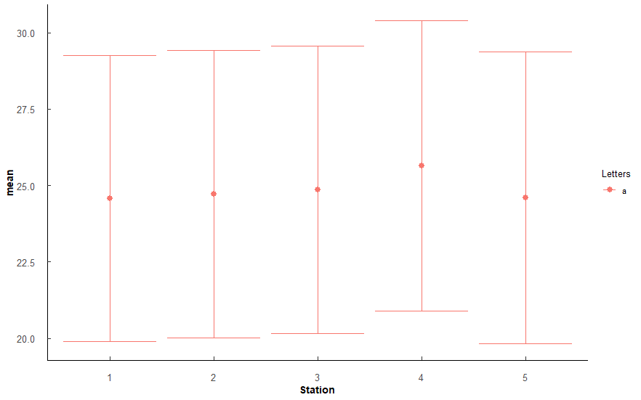
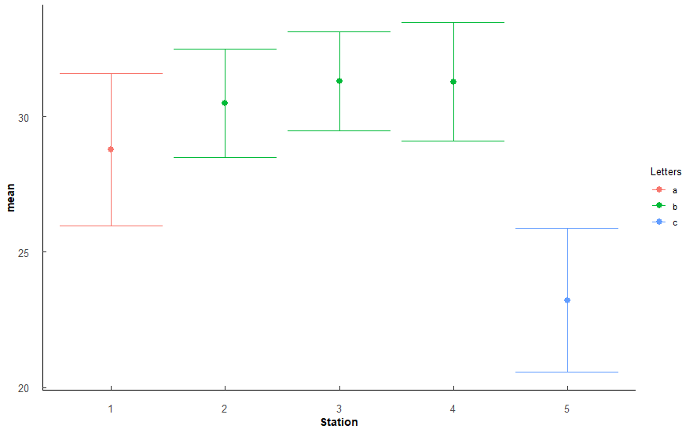
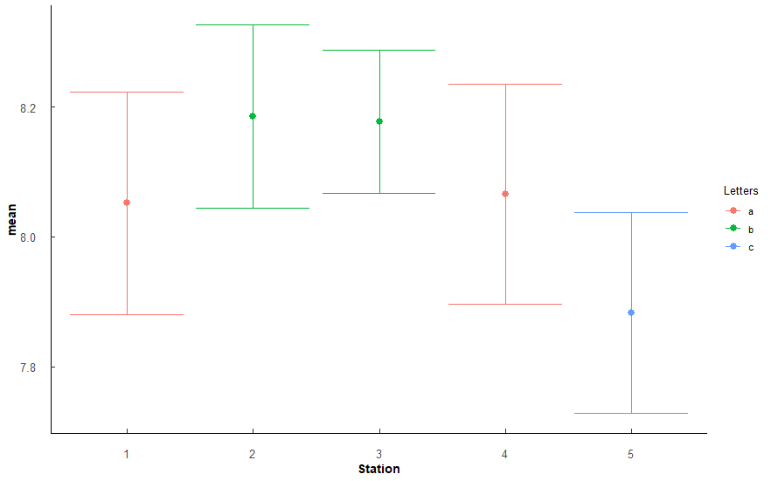
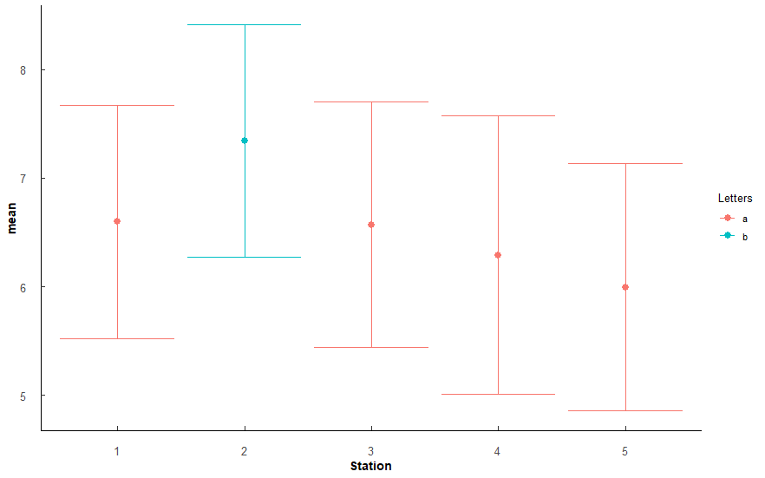
 |  |  |  |  |  |  |  |  |  |  |  |  |  |  |  |  |  |  |  |  |  |  |  |  |  |  |  |  |  |  | 4 v 5 | 1.41e- 8 | 1.13E-07 | ***

 |  |  |  |  |  |  |  |  | Stations arranged by increasing mean Salinity |  |  |  |  |  |  |  |  |  |  |  |  | Stations arranged by increasing mean pH |  |  |  |  |  |  |  |  |  |  |  |  | Stations arranged bu increasing mean DO
 |  |  |  |  |  |  |  |  | Station | mean | sd | Letters |  |  |  |  |  |  |  |  |  | Station | mean | sd | Letters |  |  |  |  |  |  |  |  |  | Station | mean | sd | Letters
 |  |  |  |  |  |  |  |  | 5 | 23.193 | 2.96 | c |  |  |  |  |  |  |  |  |  | 5 | 7.876 | 0.325 | c |  |  |  |  |  |  |  |  |  | 5 | 5.94 | 1.424 | c
 |  |  |  |  |  |  |  |  | 1 | 28.6 | 4.74 | a |  |  |  |  |  |  |  |  |  | 4 | 8.042 | 0.243 | a |  |  |  |  |  |  |  |  |  | 4 | 6.14 | 1.564 | ac
 |  |  |  |  |  |  |  |  | 2 | 30.46 | 2.21 | b |  |  |  |  |  |  |  |  |  | 1 | 8.052 | 0.256 | a |  |  |  |  |  |  |  |  |  | 3 | 6.563 | 1.571 | a
 |  |  |  |  |  |  |  |  | 4 | 31.076 | 2.637 | b |  |  |  |  |  |  |  |  |  | 3 | 8.18 | 0.17 | b |  |  |  |  |  |  |  |  |  | 1 | 6.608 | 1.334 | a
 |  |  |  |  |  |  |  |  | 3 | 31.25 | 2.153 | b |  |  |  |  |  |  |  |  |  | 2 | 8.185 | 0.182 | b |  |  |  |  |  |  |  |  |  | 2 | 7.313 | 1.245 | b

 |  |  |  |  |  |  |  |  | 5 < 1 < 2/3/4 |  |  |  |  |  |  |  |  |  |  |  |  | 5 < 1/4 < 2/3 |  |  |  |  |  |  |  |  |  |  |  |  | 5 ≤ 4 ≤ 1/3 ≤ 2
 |  |  |  |  |  |  |  |  | Lowest at 5, highest at 2-4, most variable at 1

Q4
Q4: Oyster similaries among stations? - SH, TW, CI
PermANOVA, pairwise-t-test holm adjustment |  |  |  |  |  |  |  |  |  |  |  |  | PermANOVA, pairwise-t-test holm adjustment |  |  |  |  |  |  |  |  |  |  |  |  | PermANOVA, pairwise-t-test holm adjustment |  |  |  |  |  |  |  |  |  |  |  |  | PermANOVA, pairwise-t-test holm adjustment
Station_SH <- aovp(SH ~ Station, data = ungroup(TB_CI), perm = "", nperm = 10000) |  |  |  |  |  |  |  |  |  |  |  |  | Station_TW <- aovp(TW ~ Station, data = ungroup(TB_CI), perm = "", nperm = 10000) |  |  |  |  |  |  |  |  |  |  |  |  | Station_CI <- aovp(CI ~ Station, data = ungroup(TB_CI), perm = "", nperm = 10000) |  |  |  |  |  |  |  |  |  |  |  |  | Station_CI <- aovp(CI ~ Station, data = ungroup(TB_CI), perm = "", nperm = 10000)

Shell Height | Df | Sum Sq | Mean Sq | F value | Pr(>F) |  |  |  |  |  |  |  | TotalWeight | Df | Sum Sq | Mean Sq | F value | Pr(>F) |  |  |  |  |  |  |  | ConditionIndex | Df | Sum Sq | Mean Sq | F value | Pr(>F) |  |  |  |  |  |  |  | CI_Hanley | Df | Sum Sq | Mean Sq | F value | Pr(>F)
Station | 4 | 11633 | 2908.2 | 34.03 | 2.00E-16 | *** | F 4, 1145 = 34.03, p < 0.001 |  |  |  |  |  | Station | 4 | 39331 | 9833 | 72.2 | 2.00E-16 | *** | F 4, 1145 = 72.2, p < 0.001 |  |  |  |  |  | Station | 4 | 88.1 | 22.022 | 10.16 | 4.40E-08 | *** | F 4, 1145 = 10.16, p < 0.001 |  |  |  |  |  | Station | 4 | 2985 | 746.3 | 47.28 | 2.00E-16 | *** | F 4, 1145 = 47.28, p < 0.001
Residuals | 1145 | 97854 | 85.5 |  |  |  |  |  |  |  |  |  | Residuals | 1145 | 155925 | 136 |  |  |  |  |  |  |  |  |  | Residuals | 1145 | 2482.1 | 2.168 |  |  |  |  |  |  |  |  |  | Residuals | 1145 | 18075 | 15.8

Station | n | mean | sd | min | max | lower | upper | Letters | Comparison | p.value | p.adjust |  | Station | n | mean | sd | min | max | lower | upper | Letters | Comparison | p.value | p.adjust |  | Station | n | mean | sd | min | max | lower | upper | Letters | Comparison | p.value | p.adjust |  | Station | n | mean | sd | min | max | lower | upper | Letters | Comparison | p.value | p.adjust
1 | 230 | 49.756 | 7.717 | 33.36 | 87.37 | 42.039 | 57.473 | a | 1v2 | 1.39e- 6 | 6.97E-06 | *** | 1 | 230 | 16.628 | 6.448 | 6.45 | 47.48 | 10.18 | 23.076 | a | 1 v 2 | 3.03E-13 | 1.51E-12 | *** | 1 | 230 | 4.015 | 1.362 | 1.464 | 8.42 | 2.653 | 5.377 | ab | 1 v 5 | 0.00000176 | 1.59E-05 | *** | 1 | 230 | 15.124 | 4.094 | 7.098 | 28.954 | 11.03 | 19.218 | a | 1 v 2 | 1.04E-21 | 8.31E-21 | ***
2 | 230 | 53.938 | 8.658 | 21.8 | 80.1 | 45.28 | 62.596 | b | 1v3 | 1.57E-13 | 1.25E-12 | *** | 2 | 230 | 24.659 | 8.933 | 6.62 | 57.26 | 15.726 | 33.592 | b | 1 v 3 | 1.3 e-26 | 1.04E-25 | *** | 2 | 230 | 4.184 | 1.44 | 1.116 | 9.091 | 2.744 | 5.624 | ab | 2 v 5 | 0.000365 | 2.92E-03 | ** | 2 | 230 | 11.505 | 3.515 | 4.253 | 27.252 | 7.99 | 15.02 | b | 1 v 3 | 1.41E-27 | 1.41E-26 | ***
3 | 230 | 56.197 | 10.447 | 29.37 | 88.47 | 45.75 | 66.644 | c | 1v4 | 1.5 e- 2 | 3.01E-02 | * | 3 | 230 | 28.545 | 13.941 | 5.18 | 73.22 | 14.604 | 42.486 | c | 1 v 4 | 3.84e- 3 | 3.84E-03 | ** | 3 | 230 | 3.856 | 1.095 | 1.508 | 6.523 | 2.761 | 4.951 | a | 3 v 4 | 0.00245 | 1.71E-02 | * | 3 | 230 | 10.985 | 3.993 | 4.39 | 30.513 | 6.992 | 14.978 | b | 1 v 4 | 3.24e- 4 | 1.29E-03 | **
4 | 230 | 51.855 | 7.483 | 33.53 | 76 | 44.372 | 59.338 | d | 1v5 | 9.93E-25 | 9.93E-24 | *** | 4 | 230 | 19.781 | 8.011 | 6.32 | 53.9 | 11.77 | 27.792 | d | 1 v 5 | 2.93E-46 | 2.93E-45 | *** | 4 | 230 | 4.273 | 1.281 | 1.7 | 9.268 | 2.992 | 5.554 | b | 3 v 5 | 3.4E-09 | 3.40E-08 | *** | 4 | 230 | 13.788 | 3.967 | 6.48 | 29.512 | 9.821 | 17.755 | c | 1 v 5 | 1.25E-22 | 1.12E-21 | ***
5 | 230 | 58.816 | 11.3 | 29.13 | 99.12 | 47.516 | 70.116 | e | 2v3 | 8.91e- 3 | 2.67E-02 | * | 5 | 230 | 32.889 | 17.349 | 6.86 | 103.2 | 15.54 | 50.238 | e | 2 v 3 | 3.71e- 4 | 7.42E-04 | *** | 5 | 230 | 4.674 | 2.017 | 1.245 | 10.714 | 2.657 | 6.691 | c | 4 v 5 | 3.56E-03 | 2.13E-02 | * | 5 | 230 | 11.419 | 4.258 | 3.405 | 29.437 | 7.161 | 15.677 | b | 2 v 4 | 9.86E-10 | 4.93E-09 | ***
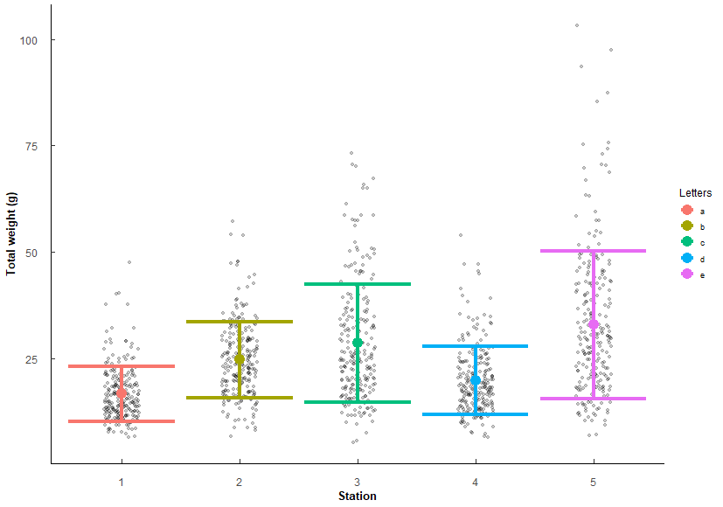
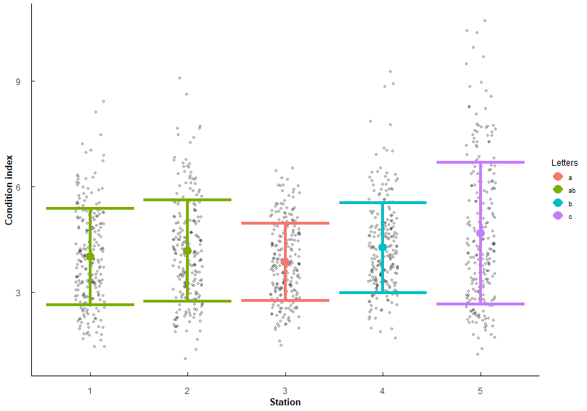
 |  |  |  |  |  |  |  |  | 2v4 | 1.58e- 2 | 3.01E-02 | * |  |  |  |  |  |  |  |  |  | 2 v 4 | 8.10e- 6 | 3.24E-05 | *** |  |  |  |  |  |  |  |  |  |  |  |  |  |  |  |  |  |  |  |  |  |  | 3 v 4 | 7.94E-14 | 5.56E-13 | ***
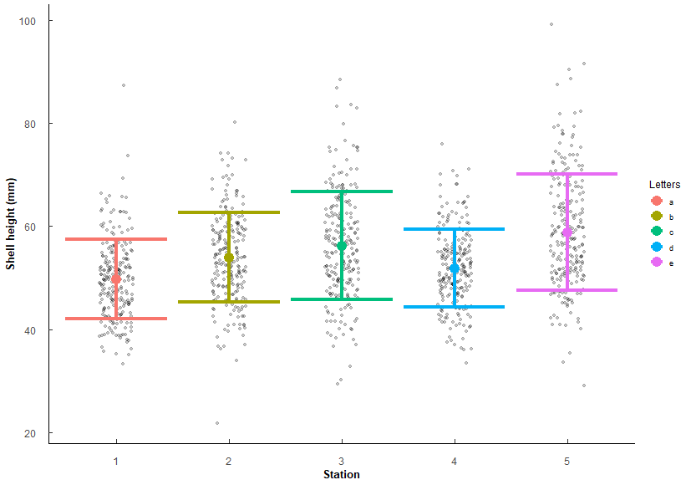
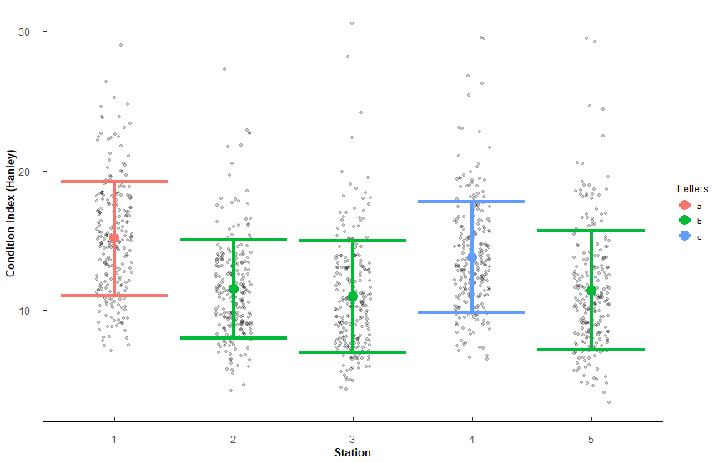
 |  |  |  |  |  |  |  |  | 2v5 | 1.93e- 8 | 1.35E-07 | *** |  |  |  |  |  |  |  |  |  | 2 v 5 | 8.06E-14 | 4.83E-13 | *** |  |  |  |  |  |  |  |  |  |  |  |  |  |  |  |  |  |  |  |  |  |  | 4 v 5 | 2.36E-10 | 1.41E-09 | ***
 |  |  |  |  |  |  |  |  | 3v4 | 5.50e- 7 | 3.30E-06 | *** |  |  |  |  |  |  |  |  |  | 3 v 4 | 2 e-15 | 1.40E-14 | ***
 |  |  |  |  |  |  |  |  | 3v5 | 2.43e- 3 | 9.72E-03 | ** |  |  |  |  |  |  |  |  |  | 3 v 5 | 6.96e- 5 | 2.09E-04 | ***
 |  |  |  |  |  |  |  |  | 4v5 | 1.69E-15 | 1.52E-14 | *** |  |  |  |  |  |  |  |  |  | 4 v 5 | 1.5 e-31 | 1.35E-30 | ***

Stations arranged by increasing mean SH |  |  |  |  |  |  |  |  |  |  |  |  | Stations arrange by increasing mean TW |  |  |  |  |  |  |  |  |  |  |  |  | Stations arranged by increasing mean CI |  |  |  |  |  |  |  |  |  |  |  |  | Stations arranged by increasing mean CI_Hanley
Station | mean | sd | Letters |  |  |  |  |  |  |  |  |  | Station | mean | sd | Letters |  |  |  |  |  |  |  |  |  | Station | mean | sd | Letters |  |  |  |  |  |  |  |  |  | Station | mean | sd | Letters
1 | 49.756 | 7.717 | a |  |  |  |  |  |  |  |  |  | 1 | 16.628 | 6.448 | a |  |  |  |  |  |  |  |  |  | 3 | 3.856 | 1.095 | a |  |  |  |  |  |  |  |  |  | 3 | 10.985 | 3.993 | b
4 | 51.855 | 7.483 | d |  |  |  |  |  |  |  |  |  | 4 | 19.781 | 8.011 | d |  |  |  |  |  |  |  |  |  | 1 | 4.015 | 1.362 | ab |  |  |  |  |  |  |  |  |  | 5 | 11.419 | 4.258 | b
2 | 53.938 | 8.658 | b |  |  |  |  |  |  |  |  |  | 2 | 24.659 | 8.933 | b |  |  |  |  |  |  |  |  |  | 2 | 4.184 | 1.44 | ab |  |  |  |  |  |  |  |  |  | 2 | 11.505 | 3.515 | b
3 | 56.197 | 10.447 | c |  |  |  |  |  |  |  |  |  | 3 | 28.545 | 13.941 | c |  |  |  |  |  |  |  |  |  | 4 | 4.273 | 1.281 | b |  |  |  |  |  |  |  |  |  | 4 | 13.788 | 3.967 | c
5 | 58.816 | 11.3 | e |  |  |  |  |  |  |  |  |  | 5 | 32.889 | 17.349 | e |  |  |  |  |  |  |  |  |  | 5 | 4.674 | 2.017 | c |  |  |  |  |  |  |  |  |  | 1 | 15.124 | 4.094 | a
 |  |  |  |  |  |  |  |  |  |  |  |  | Same order as SH (which makes sense since increasing size should increase weight). |  |  |  |  |  |  |  |  |  |  |  |  | 3 ≤ 1/2 ≤ 4 < 5 |  |  |  |  |  |  |  |  |  |  |  |  | 2/3/5 < 4 < 1
 |  |  |  |  |  |  |  |  |  |  |  |  | Factors are co-linear so should only need to use either SH or TW in any future models.

Q5
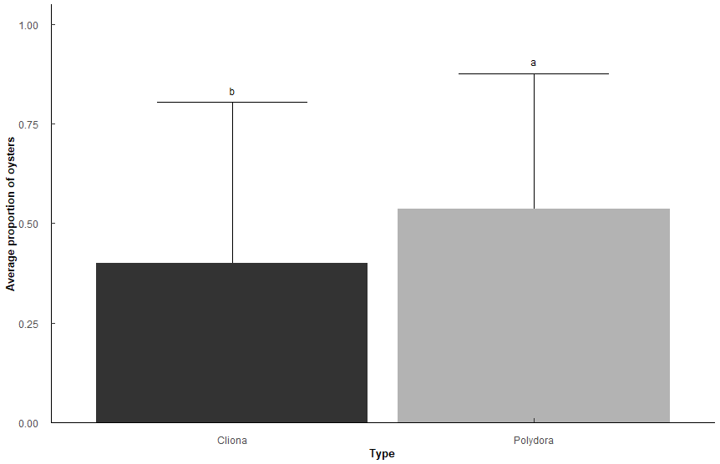
Q5: Does Polydora and Cliona differ in parasite prevalence in TB Oysters?
Presence/absence of Polydora and Cliona per sample
binomial generalized linear mixed model, emmeans post-hoc holm's adjustment |  |  |  |  |  |  |  |  |  |  |  | Predicted probabilities
Types: "Polydora", "Cliona" |  |  |  |  |  |  |  |  |  |  |  | Type | Predicted | 95% CI
Random: Station, SampleNumber |  |  |  |  |  |  |  |  |  |  |  | Cliona | 0.4 | 0.12, 0.77
 |  |  |  |  |  |  |  |  |  |  |  | Polydora | 0.54 | 0.19, 0.85
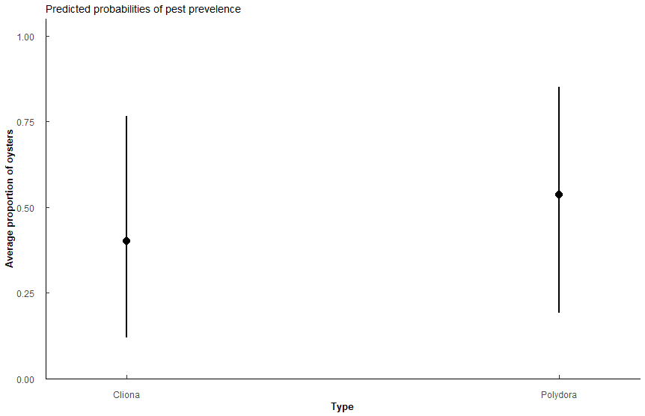
Pest_model <- glmer(Prev ~ Type + (1|Station) + (1|New_Sample_Number), family = "binomial", data = t1, control=glmerControl(optCtrl=list(maxfun=10000)))

Analysis of Deviance Table (Type II Wald chisquare tests) - model summary
Response: Prev
 | Chisq | Df | Pr(>Chisq)
Type | 2.52E+01 | 1 | 5.12E-07 | ** |  | Prevalence of Polydora and Cliona differ significantly (chi-sqaure = 25.52, P < 0.001).
 |  |  |  |  |  | Oysters in TB predicted to have Polydora (0.54, CI: 0.19-0.85) slighlty more often than Cliona (0.4, CI: 0.17-0.77)
term | Estimate | SE | t-value | p.value
(Intercept) | -0.402 | 8.12E-01 | -0.495 | 6.21E-01
TypePolydora | 0.551 | 1.10E-01 | 5.02 | 5.12E-07 | ***

Type | n | mean | sd | min | max | lower | upper | Model_mean | Lower | Upper | Letters
Cliona | 1150 | 0.428 | 0.495 | 0 | 1 | -0.067 | 0.923 | 0.4008597 | 0.097738 | 0.8051574 | b
Polydora | 1150 | 0.501 | 0.5 | 0 | 1 | 0.001 | 1.001 | 0.5371091 | 0.1581926 | 0.8775206 | a

Pairwise contrast | odds.ratio | SE | z.ratio | p.value
Cliona / Polydora | 5.77E-01 | 6.32E-02 | -5.021817 | 5.12E-07 | ***

Q6
Q6: Does Polydora or Cliona differ in parasite prevalence impact among shell surfaces in TB Oysters?
Presence/absence of Polydora and Cliona per sample
binomial generalized linear mixed model, emmeans post-hoc holm's adjustment |  |  |  |  |  |  |  |  |  |  |  |  | Cliona |  |  | Polydora
Types: Polydora, Cliona |  |  |  |  |  |  |  |  |  |  |  |  | Meas. | Predicted | 95% CI | Meas. | Predicted | 95% CI
Measurements: Internal, External |  |  |  |  |  |  |  |  |  |  |  |  | External | 0.42 | 0.19, 0.69 | External | 0.45 | 0.21, 0.72
 |  |  |  |  |  |  |  |  |  |  |  |  | Internal | 0.17 | 0.06, 0.39 | Internal | 0.33 | 0.13, 0.61
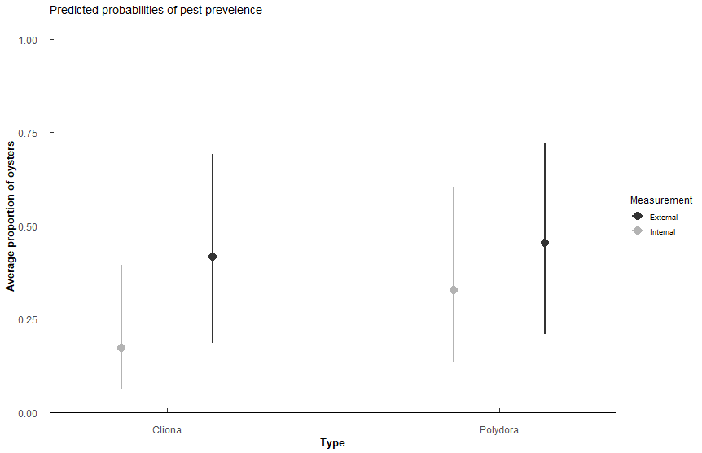
Pest_surface <- glmer(Prev ~ Type * Measurement + (1|Station), family = "binomial", data = t3, control=glmerControl(optCtrl=list(maxfun=10000)))

Analysis of Deviance Table (Type II Wald chisquare tests)
Response: Prev | MODEL FIT
 | Chisq | Df | Pr(>Chisq)
Type | 39.987 | 1 | 2.557E-10 | *** | For both pest species, the pest is more likley to be found on the external surface than on the internal surface (both p < 0.001 lines 29,31)
Measurement | 128.509 | 1 | 2.20E-16 | ***
Type:Measurement | 22.762 | 1 | 1.83E-06 | ***

term | estimate | std.error | statistic | p.value
(Intercept) | -0.336 | 0.583 | -0.576 | 5.64E-01
TypePolydora | 0.15 | 0.1 | 1.5 | 1.34E-01
Meas-Internal | -1.24 | 0.11 | -11.2 | 2.38E-29 | ***
TypePolydora:Meas-Internal | 0.71 | 0.149 | 4.77 | 1.83E-06 | ***

Measurement | Type | n | mean | sd | min | max | lower | upper | Model_mean | Lower | Upper | Letters
External | Cliona | 1150 | 0.426 | 0.495 | 0 | 1 | -0.069 | 0.921 | 0.4168103 | 0.1428395 | 0.7540148 | a
External | Polydora | 1150 | 0.452 | 0.498 | 0 | 1 | -0.046 | 0.95 | 0.4536666 | 0.162252 | 0.7807141 | a
Internal | Cliona | 1150 | 0.236 | 0.425 | 0 | 1 | -0.189 | 0.661 | 0.1714267 | 0.0458395 | 0.4711787 | c
Internal | Polydora | 1150 | 0.363 | 0.481 | 0 | 1 | -0.118 | 0.844 | 0.3283104 | 0.10224 | 0.6771938 | b

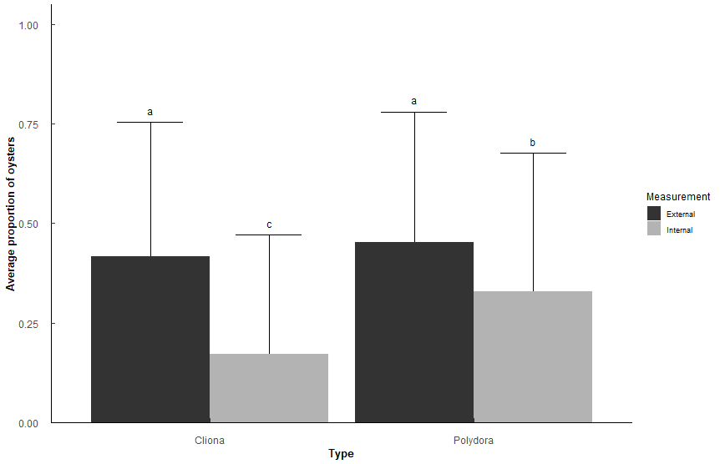
contrast | odds.ratio | SE | z.ratio | p.value
External Cliona / Internal Cliona | 3.4544659 | 0.38073446 | 11.247709 | 7.11E-15 | ***
External Cliona / Internal Polydora | 1.4622195 | 0.14962172 | 3.71322 | 1.17E-03 | **
External Polydora / Internal Polydora | 1.6988815 | 0.173384 | 5.192846 | 1.24E-06 | ***
Internal Cliona / External Polydora | 0.2491544 | 0.02748565 | -12.597318 | 0.00E+00 | ***
Internal Cliona / Internal Polydora | 0.4232838 | 0.04675428 | -7.783294 | 6.55E-14 | ***
External P/External C | not sig diff |  |  | 4.38E-01

Q7
Q7: Does Polydora or Cliona differ in parasite prevalence impact among shell position in TB Oysters?
Presence/absence of Polydora and Cliona per sample
binomial generalized linear mixed model, emmeans post-hoc holm's adjustment |  |  |  |  |  |  |  |  |  |  |  |  | Cliona |  |  | Polydora
Types: Polydora, Cliona |  |  |  |  |  |  |  |  |  |  |  |  | Meas. | Predicted | 95% CI | Meas. | Predicted | 95% CI
Measurements: Top, Bottom |  |  |  |  |  |  |  |  |  |  |  |  | Top | 0.09 | 0.03, 0.24 | Top | 0.37 | 0.16, 0.66
 |  |  |  |  |  |  |  |  |  |  |  |  | Bot | 0.42 | 0.18, 0.69 | Bot | 0.42 | 0.18, 0.70
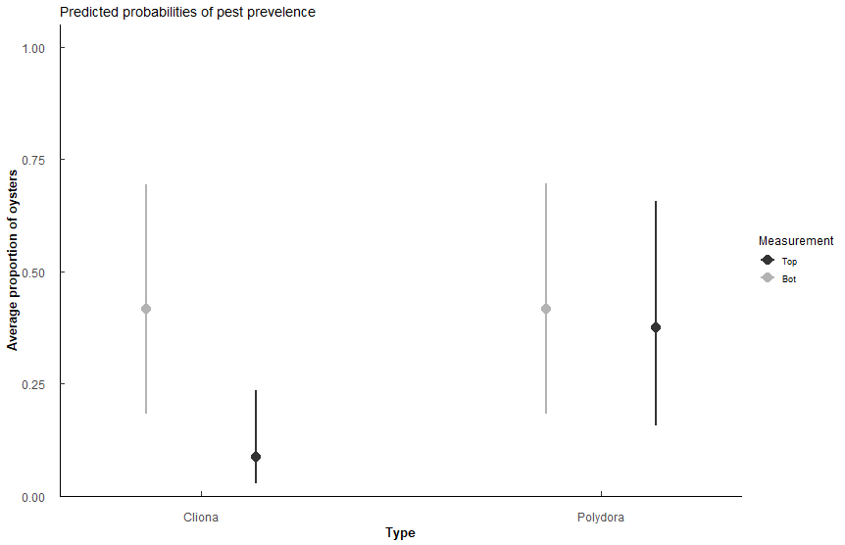
Pest_pos <- glmer(Prev ~ Type * Measurement + (1|Station), family = "binomial", data = t5, control=glmerControl(optCtrl=list(maxfun=10000)))

Analysis of Deviance Table (Type II Wald chisquare tests)
Response: Prev
 | Chisq | Df | Pr(>Chisq)
Type | 89.541 | 1 | 2.00E-17 | ***
Measurement | 135.268 | 1 | 2.20E-16 | ***
Type:Measurement | 131.924 | 1 | 2.20E-16 | ***

term | estimate | std.error | statistic | p.value
(Intercept) | -2.35 | 0.597 | -3.93 | 8.46E-05 | ***
TypePolydora | 1.83 | 0.123 | 14.9 | 4.34E-50 | ***
Meas-Bot | 2.01 | 0.123 | 16.3 | 1.74E-59 | ***
TypePolydora:Meas-Bot | -1.83 | 0.159 | -11.5 | 1.55E-30 | ***

Measurement | Type | n | mean | sd | min | max | lower | upper | Model_mean | Lower | Upper | Letters
Bot | Cliona | 1150 | 0.425 | 4.95E-01 | 0 | 1 | -0.07 | 0.92 | 0.41618488 | 0.1396076 | 0.7579813 | a
Bot | Polydora | 1150 | 0.426 | 4.95E-01 | 0 | 1 | -0.069 | 0.921 | 0.41741929 | 0.1402218 | 0.7589068 | a
Top | Cliona | 1150 | 0.148 | 3.55E-01 | 0 | 1 | -0.207 | 0.503 | 0.08745481 | 0.0211402 | 0.2983811 | b
Top | Polydora | 1150 | 0.396 | 4.89E-01 | 0 | 1 | -0.093 | 0.885 | 0.37435655 | 0.1198347 | 0.7244916 | a

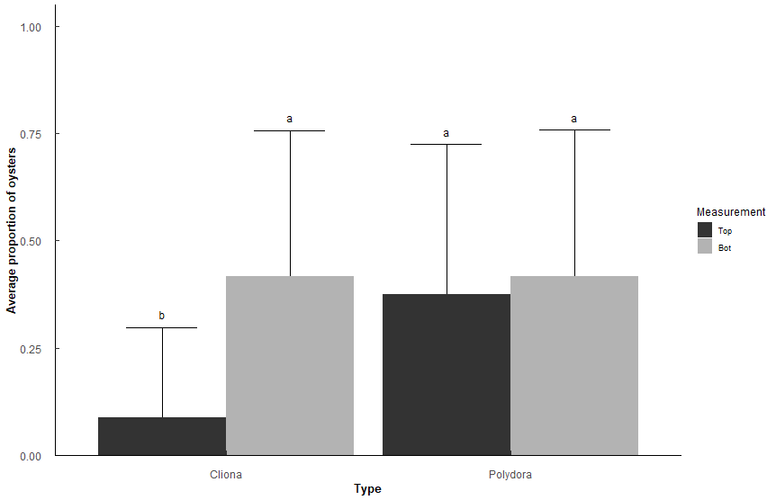
contrast | odds.ratio | SE | z.ratio | p.value
Top Cliona / Bot Cliona | 0.1344369 | 0.01658553 | -16.26533 | 0.00E+00 | ***
Top Cliona / Bot Polydora | 0.1337559 | 0.0165035 | -16.30454 | 0.00E+00 | ***
Top Cliona / Top Polydora | 0.1601662 | 0.01971229 | -14.88164 | 0.00E+00 | ***

Q8
Q8: Does Polydora and Cliona differ in parasite prevalence in TB Oysters among stations?
Presence/absence of Polydora and Cliona per sample
binomial generalized linear mixed model, emmeans post-hoc holm's adjustment
Types: "Polydora", "Cliona" |  |  |  |  |  |  |  |  |  |  |  |  | Predicted probabilities
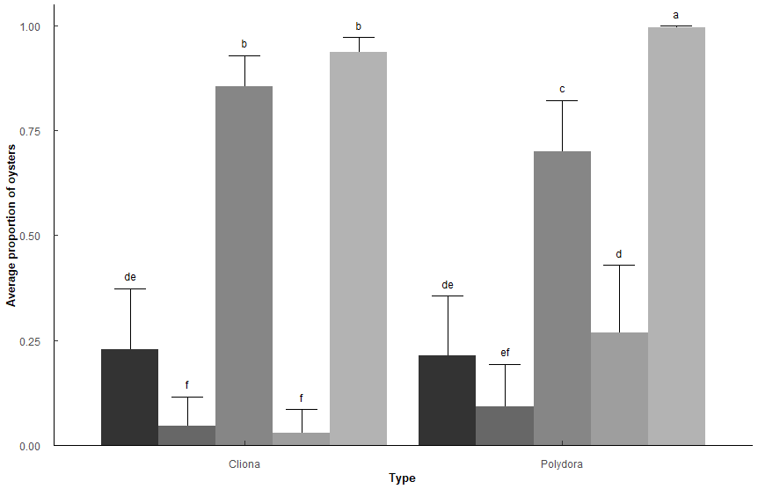
Random: SampleNumber |  |  |  |  |  |  |  |  |  |  |  |  | Station1 |  |  | Station2 |  |  | Station3 |  |  | Station4 |  |  | Station5
 |  |  |  |  |  |  |  |  |  |  |  |  | Type | Predicted | 95% CI | Type | Predicted | 95% CI | Type | Predicted | 95% CI | Type | Predicted | 95% CI | Type | Predicted | 95% CI
Pest_model <- glmer(Prev ~ Type * Station + (1|New_Sample_Number), family = "binomial", data = t1, control=glmerControl(optCtrl=list(maxfun=10000))) |  |  |  |  |  |  |  |  |  |  |  |  | Cliona | 0.23 | 0.15, 0.33 | Cliona | 0.05 | 0.02, 0.09 | Cliona | 0.86 | 0.77, 0.91 | Cliona | 0.03 | 0.01, 0.06 | Cliona | 0.94 | 0.89, 0.97
 |  |  |  |  |  |  |  |  |  |  |  |  | Polydora | 0.21 | 0.14, 0.31 | Polydora | 0.09 | 0.05, 0.16 | Polydora | 0.7 | 0.59, 0.79 | Polydora | 0.27 | 0.18, 0.38 | Polydora | 1 | 0.99, 1.00
Analysis of Deviance Table (Type II Wald chisquare tests)
Response: Prev
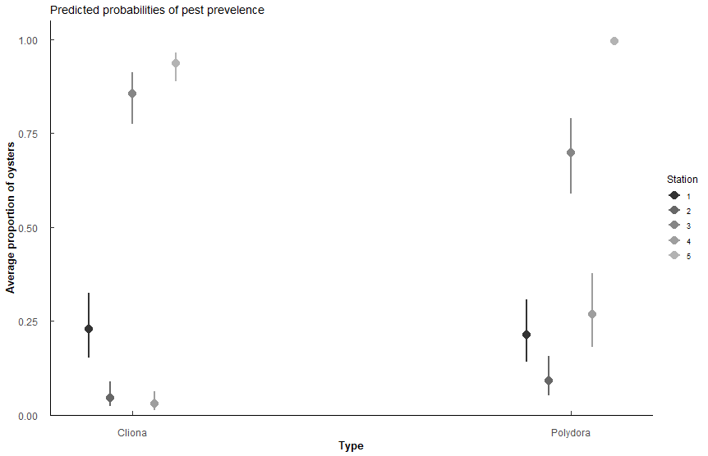
 | Chisq | Df | Pr(>Chisq)
Type | 7.56E+00 | 1 | 5.96E-03 | **
Station | 72.658 | 4 | 6.23E-15 | ***
Type:Station | 68.843 | 4 | 3.98E-14 | ***

term | Estimate | SE | t-value | p.value
(Intercept) | -1.22 | 2.50E-01 | -4.87 | 1.14E-06 | ***
TypePolydora | -0.0859 | 2.56E-01 | -0.335 | 7.37E-01
Station2 | -1.81 | 3.83E-01 | -4.72 | 2.33E-06 | ***
Station3 | 3 | 0.411 | 7.32 | 2.54E-13 | ***
Station4 | -2.27 | 0.418 | -5.43 | 5.56E-08 | ***
Station5 | 3.92 | 0.448 | 8.74 | 2.43E-18 | ***
TypePolydora:Station2 | 0.825 | 0.398 | 2.07 | 3.83E-02 | *
TypePolydora:Station3 | -0.857 | 0.372 | -2.31 | 2.11E-02 | *
TypePolydora:Station4 | 2.57 | 0.44 | 5.85 | 4.91E-09 | ***
TypePolydora:Station5 | 2.92 | 0.626 | 4.67 | 3.08E-06 | ***

Station | Type | n | mean | sd | min | max | lower | upper | Model_mean | Lower | Upper | Letters
1 | Cliona | 230 | 0.317 | 0.466 | 0 | 1 | -0.149 | 0.783 | 0.22826107 | 0.127759098 | 0.37393005 | de
1 | Polydora | 230 | 0.322 | 0.468 | 0 | 1 | -0.146 | 0.79 | 0.21347707 | 0.117664451 | 0.3558438 | de
2 | Cliona | 230 | 0.139 | 0.347 | 0 | 1 | -0.208 | 0.486 | 0.04614802 | 0.01759526 | 0.11558349 | f
2 | Polydora | 230 | 0.213 | 0.41 | 0 | 1 | -0.197 | 0.623 | 0.09198774 | 0.041057734 | 0.19335536 | ef
3 | Cliona | 230 | 0.726 | 0.447 | 0 | 1 | 0.279 | 1.173 | 0.85653395 | 0.729898283 | 0.92952951 | b
3 | Polydora | 230 | 0.613 | 0.488 | 0 | 1 | 0.125 | 1.101 | 0.69929632 | 0.538157785 | 0.82273232 | c
4 | Cliona | 230 | 0.117 | 0.323 | 0 | 1 | -0.206 | 0.44 | 0.02958681 | 0.009781114 | 0.08601329 | f
4 | Polydora | 230 | 0.378 | 0.486 | 0 | 1 | -0.108 | 0.864 | 0.26814639 | 0.151609646 | 0.42896794 | d
5 | Cliona | 230 | 0.839 | 0.368 | 0 | 1 | 0.471 | 1.207 | 0.93696061 | 0.858431423 | 0.97328471 | b
5 | Polydora | 230 | 0.978 | 0.146 | 0 | 1 | 0.832 | 1.124 | 0.99607029 | 0.976632409 | 0.99934991 | a

contrast | odds.ratio | SE | z.ratio | p.value
Cliona Station1 / Cliona Station2 | 6.11E+00 | 2.34E+00 | 4.722668 | 1.01E-04 | ***
Cliona Station1 / Cliona Station3 | 4.95E-02 | 2.03E-02 | -7.316762 | 1.15E-11 | ***
Cliona Station1 / Cliona Station4 | 9.70E+00 | 4.06E+00 | 5.432392 | 2.48E-06 | ***
Cliona Station1 / Cliona Station5 | 1.99E-02 | 8.92E-03 | -8.735492 | 8.07E-14 | ***
Cliona Station1 / Polydora Station3 | 1.27E-01 | 4.73E-02 | -5.539789 | 1.35E-06 | ***
Cliona Station1 / Polydora Station5 | 1.17E-03 | 8.58E-04 | -9.183335 | 1.16E-13 | ***
Cliona Station2 / Cliona Station3 | 8.10E-03 | 4.20E-03 | -9.289876 | 1.05E-13 | ***
Cliona Station2 / Cliona Station5 | 3.26E-03 | 1.83E-03 | -10.196482 | 8.94E-14 | ***
Cliona Station2 / Polydora Station3 | 2.08E-02 | 9.82E-03 | -8.201352 | 1.26E-13 | ***
Cliona Station2 / Polydora Station4 | 1.32E-01 | 4.99E-02 | -5.361763 | 3.67E-06 | ***
Cliona Station2 / Polydora Station5 | 1.91E-04 | 1.59E-04 | -10.256747 | 8.00E-14 | ***
Cliona Station3 / Cliona Station4 | 1.96E+02 | 1.10E+02 | 9.375379 | 9.61E-14 | ***
Cliona Station3 / Polydora Station3 | 2.57E+00 | 6.94E-01 | 3.488842 | 1.75E-02 | * | within station 3, sig diff between Polydora and Cliona
Cliona Station3 / Polydora Station4 | 1.63E+01 | 6.84E+00 | 6.652917 | 1.29E-09 | ***
Cliona Station3 / Polydora Station5 | 2.36E-02 | 1.47E-02 | -6.001699 | 8.76E-08 | ***
Cliona Station4 / Cliona Station5 | 2.05E-03 | 1.25E-03 | -10.197264 | 8.98E-14 | ***
Cliona Station4 / Polydora Station4 | 8.32E-02 | 2.95E-02 | -7.001725 | 1.14E-10 | *** | within station 4, sig diff between Polydora and Cliona
Cliona Station4 / Polydora Station5 | 1.20E-04 | 1.05E-04 | -10.327759 | 9.78E-14 | ***
Cliona Station5 / Polydora Station5 | 5.86E-02 | 3.34E-02 | -4.974866 | 2.87E-05 | *** | within station 5, sig diff between Polydora and Cliona
Polydora Station1 / Cliona Station2 | 5.61E+00 | 2.14E+00 | 4.510585 | 2.77E-04 | ***
Polydora Station1 / Cliona Station3 | 4.55E-02 | 1.88E-02 | -7.463923 | 3.84E-12 | ***
Polydora Station1 / Cliona Station4 | 8.90E+00 | 3.71E+00 | 5.24489 | 6.94E-06 | ***
Polydora Station1 / Cliona Station5 | 1.83E-02 | 8.26E-03 | -8.853358 | 7.42E-14 | ***
Polydora Station1 / Polydora Station3 | 1.17E-01 | 4.38E-02 | -5.724724 | 4.64E-07 | ***
Polydora Station1 / Polydora Station5 | 1.07E-03 | 7.91E-04 | -9.25817 | 1.09E-13 | ***
Polydora Station2 / Cliona Station3 | 1.70E-02 | 8.07E-03 | -8.571747 | 8.98E-14 | ***
Polydora Station2 / Cliona Station5 | 6.82E-03 | 3.53E-03 | -9.625099 | 7.41E-14 | ***
Polydora Station2 / Polydora Station3 | 4.36E-02 | 1.87E-02 | -7.281958 | 1.49E-11 | ***
Polydora Station2 / Polydora Station4 | 2.76E-01 | 9.58E-02 | -3.711296 | 7.87E-03 | **
Polydora Station2 / Polydora Station5 | 4.00E-04 | 3.19E-04 | -9.800082 | 1.05E-13 | ***
Polydora Station3 / Cliona Station4 | 7.63E+01 | 3.93E+01 | 8.404127 | 1.02E-13 | ***
Polydora Station3 / Cliona Station5 | 1.56E-01 | 5.64E-02 | -5.148973 | 1.16E-05 | ***
Polydora Station3 / Polydora Station4 | 6.35E+00 | 2.41E+00 | 4.870601 | 4.87E-05 | ***
Polydora Station3 / Polydora Station5 | 9.17E-03 | 5.90E-03 | -7.295013 | 1.35E-11 | ***
Polydora Station4 / Cliona Station5 | 2.47E-02 | 1.13E-02 | -8.077844 | 1.56E-13 | ***
Polydora Station4 / Polydora Station5 | 1.45E-03 | 1.08E-03 | -8.777956 | 7.69E-14 | ***

NS contrasts
contrast | odds.ratio | SE | z.ratio | p.value
Cliona Station1 / Polydora Station1 | 1.0897368 | 0.2792829 | 0.3353152 | 0.99999911 | within station 1, cliona and poly not diff
Cliona Station1 / Polydora Station2 | 2.919599 | 1.0243485 | 3.0538372 | 0.06904648
Cliona Station1 / Polydora Station4 | 0.8072605 | 0.2655815 | -0.6508045 | 0.99973662
Cliona Station2 / Cliona Station4 | 1.5868311 | 0.650243 | 1.1268123 | 0.98208145
Cliona Station2 / Polydora Station2 | 0.4775665 | 0.1452408 | -2.430078 | 0.30766548 | within station 2, cliona and poly not diff
Cliona Station3 / Cliona Station5 | 0.4016855 | 0.1422221 | -2.5760523 | 0.22892855
Polydora Station1 / Polydora Station2 | 2.6791782 | 0.9385104 | 2.8133489 | 0.13176723
Polydora Station1 / Polydora Station4 | 0.7407849 | 0.2441023 | -0.9105558 | 0.99618834
Polydora Station2 / Cliona Station4 | 3.3227437 | 1.3202814 | 3.0220226 | 0.07557209

Q9
Q9: What is the relationship between Polydora or Cliona with CI?
CI_Hanley version = (Tissue DW * 100)/Shell DW
Types: Polydora, Cliona, Both, Neither
PermANOVA, estimated marginal means holm adjustment - Staion as covariate
CI |  |  |  |  |  |  |  |  |  |  |  |  |  |  | CI_Hanley
Type_CI <- aovp(CI ~ Type * Station, data = c1, perm = "", nperm = 10000) |  |  |  |  |  |  |  |  |  |  |  |  |  |  | Type_CI_H <- aovp(CI_Hanley ~ Type * Station, data = c1, perm = "", nperm = 10000)

 | Df | Sum Sq | Mean Sq | F value | Pr(>F) |  |  |  |  |  |  |  |  |  |  | Df | Sum Sq | Mean Sq | F value | Pr(>F)
Type | 3 | 34.8 | 11.598 | 5.999 | 4.70E-04 | *** |  |  |  |  |  |  |  |  | Type | 3 | 1157 | 385.8 | 22.575 | 3.49E-14 | ***
Station | 1 | 8.1 | 8.133 | 4.207 | 4.05E-02 | * |  |  |  |  |  |  |  |  | Station | 1 | 113 | 113 | 6.612 | 1.03E-02 | *
Type:Station | 3 | 18 | 5.99 | 3.098 | 0.02603 |  |  |  |  |  |  |  |  |  | Type:Station | 3 | 75 | 24.9 | 1.458 | 2.24E-01
Residuals | 1092 | 2111 | 1.933 |  |  |  |  |  |  |  |  |  |  |  | Residuals | 1092 | 18663 | 17.1

Type | variable | n | mean | sd | min | max | lower | upper | emmean | se | df | conf.low | conf.high | Letters | Type | variable | n | mean | sd | min | max | lower | upper | emmean | se | df | conf.low | conf.high | Letters
Both | CI | 376 | 4.265 | 1.651 | 1.245 | 10.443 | 2.614 | 5.916 | 4.158316 | 0.07657337 | 1095 | 4.008069 | 4.308563 | b | Both | CI_Hanley | 376 | 11.215 | 4.067 | 3.405 | 29.437 | 7.148 | 15.282 | 11.39468 | 0.227167 | 1095 | 10.94895 | 11.84042 | a
Cliona | CI | 92 | 4.026 | 1.302 | 1.686 | 7.393 | 2.724 | 5.328 | 4.134337 | 0.14780696 | 1095 | 3.84432 | 4.424354 | ab | Cliona | CI_Hanley | 92 | 12.257 | 4.29 | 5.969 | 24.581 | 7.967 | 16.547 | 12.07453 | 0.4384927 | 1095 | 11.21415 | 12.93491 | a
Neither | CI | 462 | 4.17 | 1.239 | 1.116 | 9.268 | 2.931 | 5.409 | 4.243744 | 0.06733373 | 1095 | 4.111626 | 4.375861 | b | Neither | CI_Hanley | 462 | 13.912 | 4.332 | 4.253 | 30.513 | 9.58 | 18.244 | 13.78854 | 0.1997561 | 1095 | 13.39659 | 14.18048 | b
Polydora | CI | 170 | 3.687 | 1.279 | 1.464 | 7.556 | 2.408 | 4.966 | 3.66517 | 0.10707401 | 1095 | 3.455077 | 3.875264 | a | Polydora | CI_Hanley | 170 | 11.814 | 3.688 | 5.479 | 28.141 | 8.126 | 15.502 | 11.8503 | 0.317652 | 1095 | 11.22703 | 12.47358 | a

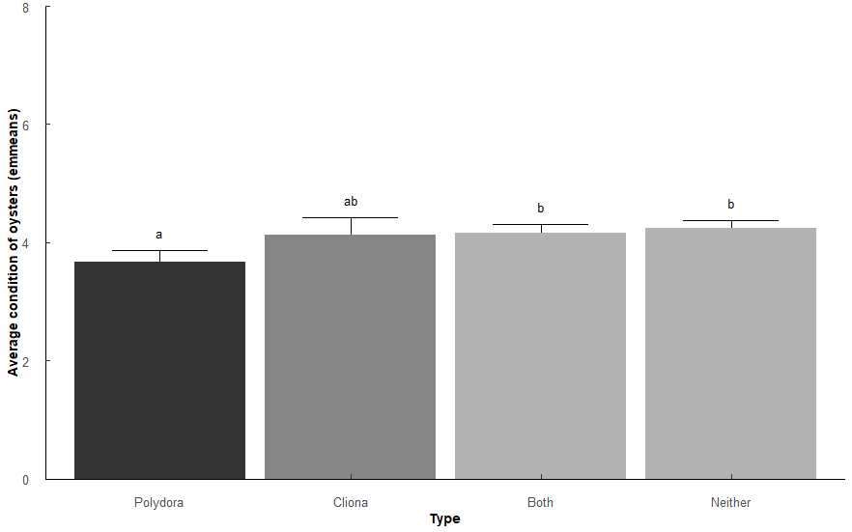
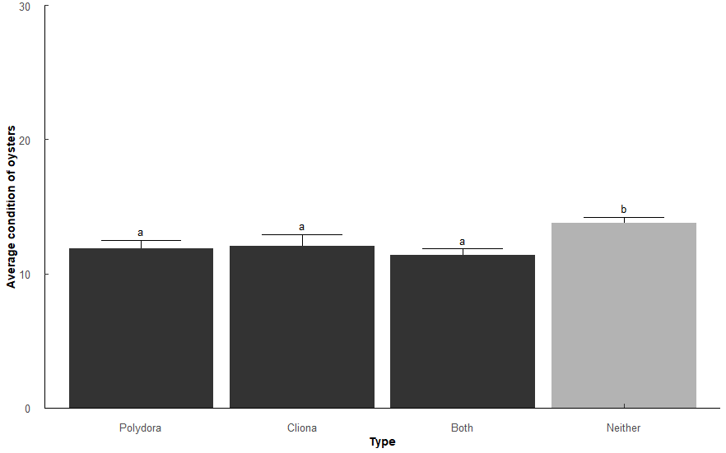
Comparison | p.value | p.adjust |  |  |  |  |  |  |  |  |  |  |  |  | Comparison | p.value | p.adjust
Polydora-Cliona | 1.06E-02 | 4.24E-02 | * |  |  |  |  |  |  |  |  |  |  |  | Polydora-Cliona | 6.80e- 1 | 6.80E-01
Polydora-Both | 0.000168 | 8.38E-04 | *** |  |  |  |  |  |  |  |  |  |  |  | Polydora-Both | 2.40e- 1 | 5.39E-01
Polydora-Neither | 0.00000604 | 3.62E-05 | *** |  |  |  |  |  |  |  |  |  |  |  | Polydora-Neither | 3.34e- 7 | 1.67E-06 | ***
Cliona-Both | 0.888 | 1.00E+00 |  |  |  |  |  |  |  |  |  |  |  |  | Cliona-Both | 1.80e- 1 | 5.39E-01
Cliona-Neither | 0.493 | 1.00E+00 |  |  |  |  |  |  |  |  |  |  |  |  | Cliona-Neither | 3.03e- 4 | 1.21E-03 | **
Both-Neither | 0.423 | 1.00E+00 |  |  |  |  |  |  |  |  |  |  |  |  | Both-Neither | 7.6E-14 | 4.56E-13 | ***
CI of Polydora lower than Both and Neither |  |  |  |  |  |  |  |  |  |  |  |  |  |  | Any pest has lower CI than no pest (as expected)
CI of cliona similar to all |  |  |  |  |  |  |  |  |  |  |  |  |  |  | CI similar between either pest and both pests

Q10
Q10: What is the relationship between Polydora and Cliona proporiton of oysters affected, and percentage of shell affected? |  |  |  |  |  |  |  |  |  |  |  |  | Sake of curiosity, what happens if we only look at Cliona or Polydora, not Both?
# infected / # total oysters per sample (1 sample = 1 year/month/station) i.e. 3 infected / 5 oysters = 0.6 proportion infected |  |  |  |  |  |  |  |  |  |  |  |  | Very minor differences among stations.
Wilcoxon rank sum test with Holm p-adjustment |  |  |  |  |  |  |  |  |  |  |  |  | Pest_model_2b <- glm(Prop ~ Type * Station, family = quasibinomial, data = (t1 %>% filter(Type != "Both")))
Types: Only "Polydora", only "Cliona", "Both" polydora and cliona, "Nether" (just for Proportions since Pct = 0 for neither)
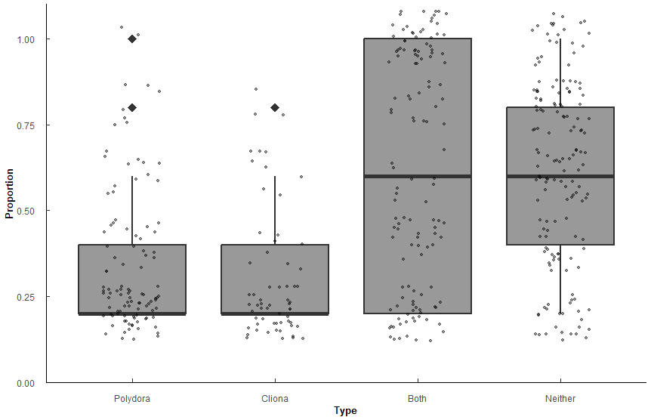
Proportions
Type | variable | n | min | max | median | q1 | q3 | mean | sd | se
Polydora | Prop | 105 | 0.2 | 1 | 0.2 | 0.2 | 0.4 | 0.341 | 0.207 | 0.02
Cliona | Prop | 62 | 0.2 | 0.8 | 0.2 | 0.2 | 0.4 | 0.306 | 0.18 | 0.023
Both | Prop | 128 | 0.2 | 1 | 0.6 | 0.2 | 1 | 0.62 | 0.337 | 0.03
Neither | Prop | 155 | 0.2 | 1 | 0.6 | 0.4 | 0.8 | 0.618 | 0.26 | 0.021

group1 | group2 | n1 | n2 | statistic | p.adj | p.adj.signif | effect_size | magnitude
Polydora | Cliona | 105 | 62 | 3549 | 5.14E-01 | ns | 0.0878 | small
Polydora | Both | 105 | 128 | 3590 | 5.60E-10 | **** | 0.42 | moderate
Polydora | Neither | 105 | 155 | 3476 | 3.94E-15 | **** | 0.501 | large
Cliona | Both | 62 | 128 | 1867 | 1.72E-09 | **** | 0.45 | moderate
Cliona | Neither | 62 | 155 | 1728 | 1.80E-13 | **** | 0.514 | large
Both | Neither | 128 | 155 | 10160 | 7.20E-01 | ns | 0.0213 | small

No significant difference between Polydora prevelence and Cliona prevelence (p = 0.514)
More likely to have both or neither than one or the other (all p < 0.001)

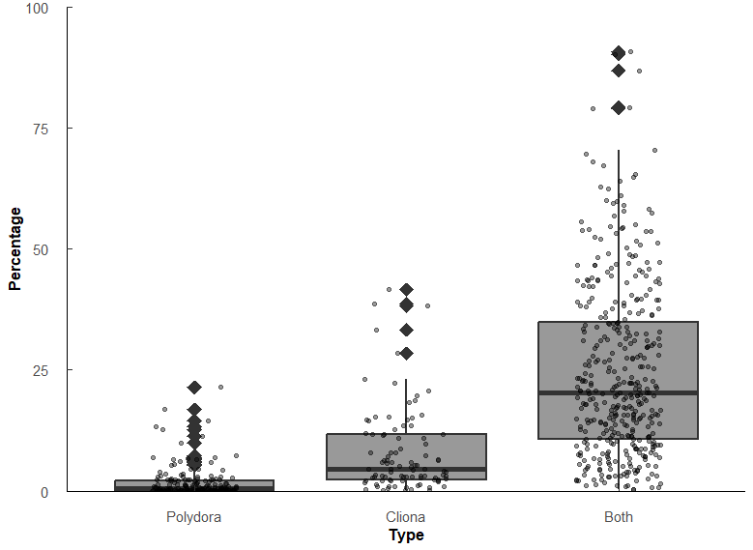

Percentage of shell affected
Type | variable | n | min | max | median | q1 | q3 | mean | sd | se
Polydora | Pct | 179 | 0.004 | 21.5 | 0.473 | 0.062 | 2.12 | 1.68 | 3.12 | 0.233
Cliona | Pct | 95 | 0.041 | 41.6 | 4.56 | 2.41 | 11.6 | 8.04 | 8.77 | 0.9 | 9.6405919662
Both | Pct | 397 | 0.307 | 90.7 | 20.3 | 10.6 | 34.8 | 24.5 | 17.8 | 0.893 | 4.451754386 | 42.917547569

group1 | group2 | n1 | n2 | statistic | p.adj | p.adj.signif | effect_size | magnitude
Polydora | Cliona | 180 | 95 | 2542 | 9.77E-22 | **** | 0.578 | large
Polydora | Both | 180 | 396 | 2341 | 7.47E-72 | **** | 0.749 | large
Cliona | Both | 95 | 396 | 6625 | 2.02E-22 | **** | 0.443 | moderate

Significant difference among percentages affected. Polydora < Cliona < Both (all p < 0.001)
Polydora affects the surface of the shell less than Cliona (r = 0.578), but when both are present the effect is compounded (both r >= 0.44)

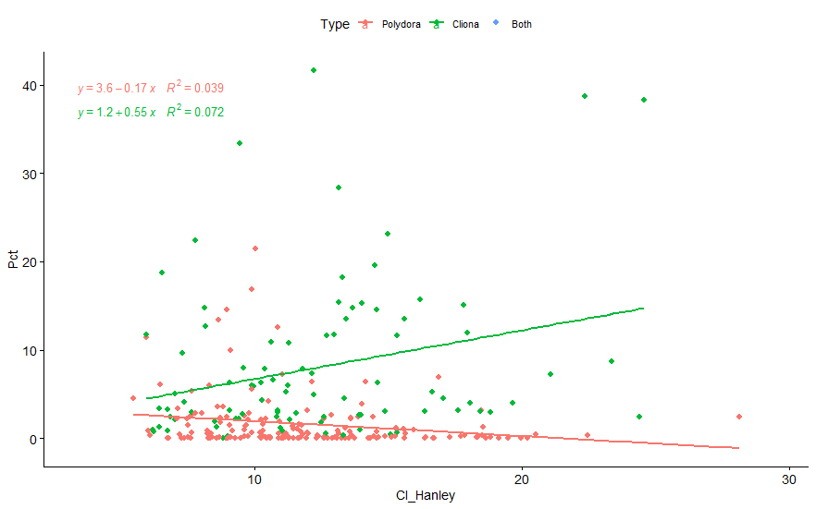

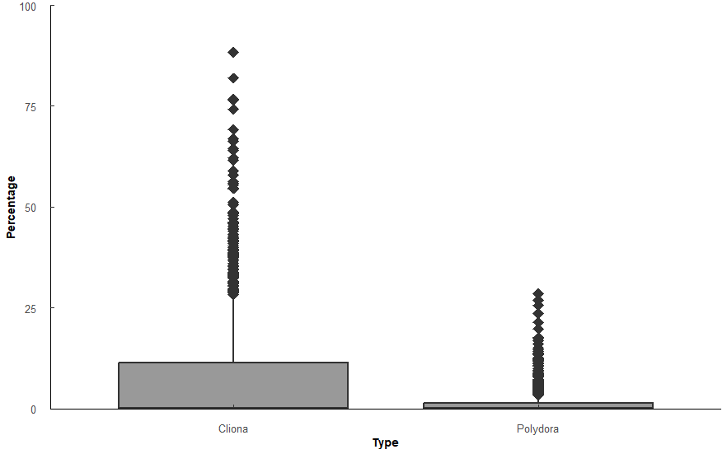
Percentage of shell affected
CI = Hanley version = (Tissue DW * 100)/Shell DW
Pest_CI_test <- aovp(Percent ~ Type * CI_Hanley, data = c3, perm = "", nperm = 10000, center = TRUE)

 | Df | Sum Sq | Mean Sq | F value | Pr(>F)
Type1 | 1 | 24344 | 24344 | 250.23 | 2.00E-16 | ***
CI_Hanley | 1 | 9199 | 9199 | 94.55 | 2.00E-16 | ***
Type1:CI_Hanley | 1 | 3692 | 3692 | 37.95 | 8.53E-10 | ***
Residuals | 2296 | 223374 | 97

Comparison | p.value | p.adjust
Cliona-Polydora | 7.27E-58 | 7.27E-58 | ***

Type | variable | n | mean | sd | min | max | lower | upper | Letters
Cliona | Percent | 1150 | 7.953 | 13.972 | 0 | 88.358 | -6.019 | 21.925 | a
Polydora | Percent | 1150 | 1.447 | 3.226 | 0 | 28.573 | -1.779 | 4.673 | b
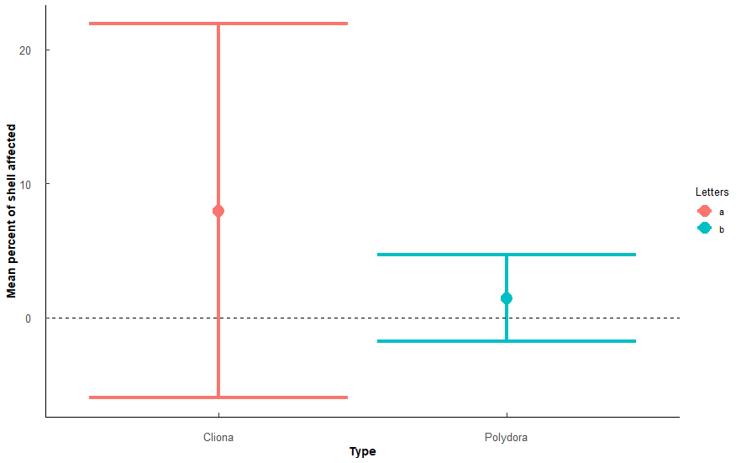
Cliona affected more of the shell on average

Q11
Q11: Has the proportion of oysters affected changed over time (Year) within each Station?
PermANOVA, TukeyHSD post hoc |  |  |  |  |  |  |  | PermANOVA, TukeyHSD post hoc |  |  |  |  |  |  |  |  | PermANOVA, TukeyHSD post hoc
Block: Polydora |  |  |  |  |  |  |  | Block: Cliona |  |  |  |  |  |  |  |  | Block: Both
Poly_mod <- aovp(Prop ~ Year * Station, data = ungroup(Trends2 %>% filter(Type == "Polydora")), perm = "", nperm = 10000) |  |  |  |  |  |  |  | Clio_mod <- aovp(Prop ~ Year * Station, data = ungroup(Trends2 %>% filter(Type == "Cliona")), perm = "", nperm = 10000) |  |  |  |  |  |  |  |  | Both_mod <- aovp(Prop ~ Year * Station, data = ungroup(Trends2 %>% filter(Type == "Both")), perm = "", nperm = 10000)

Polydora | Df | Sum Sq | Mean Sq | F value | Pr(>F) |  |  | Cliona | Df | Sum Sq | Mean Sq | F value | Pr(>F) |  |  |  | Both | Df | Sum Sq | Mean Sq | F value | Pr(>F)
Year | 3 | 0.271 | 0.0903 | 2.12 | 9.81E-02 |  |  | Year | 3 | 0.764 | 0.255 | 16.1 | 1.81E-09 | *** |  |  | Year | 3 | 1.73 | 0.575 | 11.7 | 3.99E-07 | ***
Station | 4 | 1.11 | 0.277 | 6.51 | 5.90E-05 | *** |  | Station | 4 | 1.02 | 0.256 | 16.2 | 1.36E-11 | *** |  |  | Station | 4 | 20.7 | 5.19 | 106 | 3.82E-49 | ***
Year:Station | 12 | 0.706 | 0.0589 | 1.39 | 1.75E-01 | ns | F(12, 210)=1.39, p = 0.175 | Year:Station | 12 | 1.15 | 0.0955 | 6.05 | 4.57E-09 | *** |  |  | Year:Station | 12 | 3.33 | 0.277 | 5.65 | 2.17E-08 | ***
Residuals | 210 | 8.92 | 0.0425 |  |  |  |  | Residuals | 210 | 3.32 | 0.0158 |  |  |  |  |  | Residuals | 210 | 10.3 | 0.0491
 |  |  |  |  |  | Polydora not significantly different among years*stations.
 |  |  |  |  |  | No change over time (year), slight differences among stations.
Level | n | mean | sd | min | max | Letters |  | Level | n | mean | sd | min | max | Letters |  |  | Level | n | mean | sd | min | max | Letters
2018 | 60 | 0.183 | 0.245 | 0 | 0.8 | a |  | 2018 | 60 | 0.04 | 0.089 | 0 | 0.4 | b |  |  | 2018 | 60 | 0.403 | 0.392 | 0 | 1 | b
2019 | 60 | 0.163 | 0.237 | 0 | 1 | a |  | 2019 | 60 | 0.027 | 0.069 | 0 | 0.2 | a |  |  | 2019 | 60 | 0.443 | 0.417 | 0 | 1 | a
2020 | 50 | 0.092 | 0.147 | 0 | 0.6 | a |  | 2020 | 50 | 0.096 | 0.152 | 0 | 0.6 | a |  |  | 2020 | 50 | 0.22 | 0.377 | 0 | 1 | b
2021 | 60 | 0.173 | 0.222 | 0 | 0.8 | a |  | 2021 | 60 | 0.17 | 0.247 | 0 | 0.8 | a |  |  | 2021 | 60 | 0.293 | 0.373 | 0 | 1 | a
1 | 46 | 0.152 | 0.18 | 0 | 0.8 | ab |  | 1 | 46 | 0.148 | 0.191 | 0 | 0.6 | ab |  |  | 1 | 46 | 0.17 | 0.242 | 0 | 1 | b
2 | 46 | 0.143 | 0.209 | 0 | 0.8 | ab |  | 2 | 46 | 0.07 | 0.105 | 0 | 0.4 | bc |  |  | 2 | 46 | 0.07 | 0.113 | 0 | 0.4 | c
3 | 46 | 0.057 | 0.161 | 0 | 1 | b |  | 3 | 46 | 0.17 | 0.249 | 0 | 0.8 | a |  |  | 3 | 46 | 0.557 | 0.398 | 0 | 1 | b
4 | 46 | 0.283 | 0.221 | 0 | 0.8 | a |  | 4 | 46 | 0.022 | 0.076 | 0 | 0.4 | cd |  |  | 4 | 46 | 0.096 | 0.173 | 0 | 0.8 | c
5 | 46 | 0.143 | 0.262 | 0 | 1 | ab |  | 5 | 46 | 0.004 | 0.029 | 0 | 0.2 | d |  |  | 5 | 46 | 0.835 | 0.287 | 0 | 1 | a

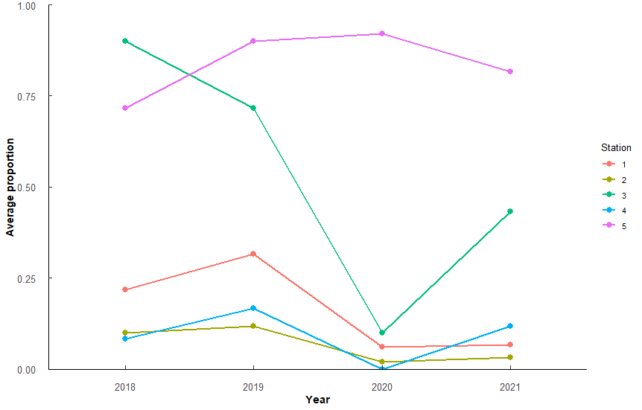
Comp | diff | lower | upper | p.adjust |  |  |  | Comp | diff | lower | upper | p.adjust |  | Comp | diff | p.adjust | Comp | diff | lower | upper | p.adjust |  | Comp | diff | p.adjust
4-3 | 0.2191592 | 0.1008924 | 0.3374261 | 7.51E-06 | *** |  |  | 2019-2018 | -0.15509292 | -0.21451304 | -0.095672806 | 8.06E-10 |  | 2018:2-2019:1 | 0.231713 | 1.72E-03 | 2019-2018 | 0.1988549 | 0.094060436 | 0.3036493 | 1.06E-05 |  | 2018:2-2019:1 | -0.5643326 | 4.53E-07
2018:4-2018:3 | 0.3097389 | 0.007645107 | 0.6118328 | 3.75E-02 | * |  |  | 2020-2018 | -0.10769736 | -0.17001771 | -0.0453770153 | 7.34E-05 |  | 2018:4-2021:3 | -0.2065317 | 1.15E-02 | 2020-2019 | -0.2129518 | -0.322861186 | -0.1030425 | 6.61E-06 |  | 2018:2-2021:1 | -0.3751866 | 7.39E-03
2019:4-2018:3 | 0.3329411 | 0.030847308 | 0.635035 | 1.48E-02 | * |  |  | 2021-2018 | -0.10158156 | -0.16100168 | -0.0421614425 | 9.00E-05 |  | 2018:5-2021:3 | -0.2499063 | 3.78E-04 | 2021-2018 | 0.1097089 | 0.004914412 | 0.2145033 | 3.62E-02 |  | 2018:3-2018:1 | 0.4047938 | 2.05E-03
2021:4-2018:3 | 0.3855488 | 0.083454971 | 0.6876427 | 1.31E-03 | ** |  |  | 3v2 | 0.11834047 | 0.04623527 | 0.1904456834 | 1.02E-04 |  | 2019:2-2018:2 | -0.2084263 | 1.01E-02 | 2021-2020 | 0.1238058 | 0.013896477 | 0.2337152 | 2.03E-02 |  | 2018:3-2018:2 | 0.7102715 | 4.01E-11
2021:4-2021:3 | 0.3264056 | 0.024311774 | 0.6284995 | 1.94E-02 | * |  |  | 4v1 | -0.07257293 | -0.14467814 | -0.0004677251 | 4.77E-02 |  | 2019:2-2020:1 | -0.2014421 | 3.06E-02 | 3v2 | 0.3972281 | 0.270061958 | 0.5243942 | 2.68E-14 |  | 2018:3-2019:2 | 0.53475 | 2.54E-06
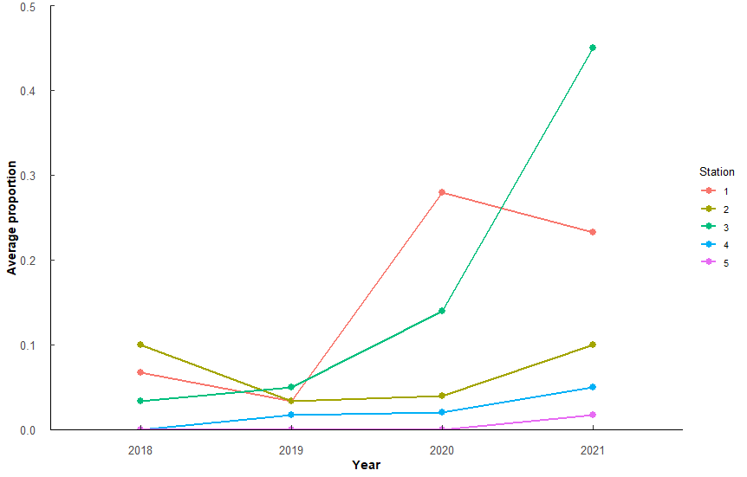
 |  |  |  |  |  |  |  | 4v3 | -0.13593932 | -0.20804453 | -0.0638341099 | 4.95E-06 |  | 2019:4-2018:2 | -0.1948657 | 2.55E-02 | 4v1 | -0.3775595 | -0.504725579 | -0.2503934 | 2.98E-13 |  | 2018:3-2020:1 | 0.3922241 | 7.77E-03
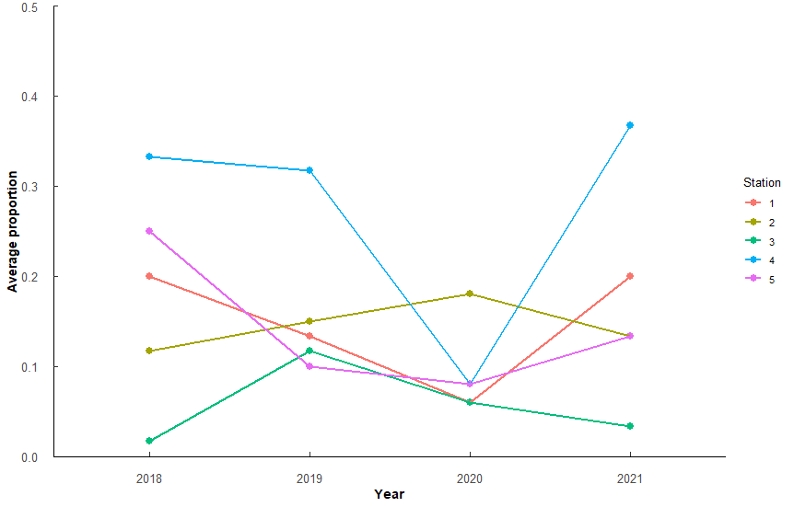
 |  |  |  |  |  |  |  | 5v1 | -0.13333888 | -0.20544409 | -0.0612336739 | 7.89E-06 |  | 2019:4-2021:3 | -0.3316246 | 1.32E-07 | 4v3 | -0.4859765 | -0.613142601 | -0.3588104 | 9.99E-16 |  | 2018:3-2020:2 | 0.6210352 | 8.48E-08
 |  |  |  |  |  |  |  | 5v2 | -0.07836479 | -0.15047 | -0.006259584 | 2.56E-02 |  | 2019:5-2018:1 | -0.1982869 | 2.03E-02 | 5v1 | 0.4638198 | 0.336653735 | 0.590986 | 8.33E-15 |  | 2018:3-2021:1 | 0.335085 | 3.49E-02
 |  |  |  |  |  |  |  | 5v3 | -0.19670527 | -0.26881048 | -0.1246000587 | 1.70E-11 |  | 2019:5-2018:2 | -0.254907 | 2.45E-04 | 5v2 | 0.7526309 | 0.625464782 | 0.879797 | 0.00E+00 |  | 2018:3-2021:2 | 0.5572294 | 6.90E-07
 |  |  |  |  |  |  |  |  |  |  |  |  |  | 2019:5-2018:3 | -0.2065808 | 1.15E-02 | 5v3 | 0.3554028 | 0.228236712 | 0.4825689 | 5.59E-12 |  | 2018:4-2018:1 | -0.4369798 | 4.54E-04
 |  |  |  |  |  |  |  |  |  |  |  |  |  | 2019:5-2018:4 | -0.1851342 | 4.72E-02 | 5v4 | 0.8413793 | 0.714213202 | 0.9685454 | 0.00E+00 |  | 2018:4-2018:3 | -0.8417736 | 1.49E-13
 |  |  |  |  |  |  |  |  |  |  |  |  |  | 2019:5-2020:1 | -0.2479229 | 1.18E-03 |  |  |  |  |  |  | 2018:4-2019:1 | -0.6958346 | 1.06E-10
 |  |  |  |  |  |  |  |  |  |  |  |  |  | 2019:5-2021:3 | -0.3916659 | 1.50E-10 |  |  |  |  |  |  | 2018:4-2019:3 | -0.8172951 | 1.68E-13
 |  |  |  |  |  |  |  |  |  |  |  |  |  | 2020:1-2019:1 | 0.2247289 | 6.60E-03 |  |  |  |  |  |  | 2018:4-2020:1 | -0.4495495 | 6.79E-04
 |  |  |  |  |  |  |  |  |  |  |  |  |  | 2020:2-2018:2 | -0.2236974 | 7.10E-03 |  |  |  |  |  |  | 2018:4-2021:1 | -0.5066886 | 1.23E-05
 |  |  |  |  |  |  |  |  |  |  |  |  |  | 2020:2-2020:1 | -0.2167132 | 2.10E-02 |  |  |  |  |  |  | 2018:4-2021:3 | -0.5948158 | 7.19E-08
 |  |  |  |  |  |  |  |  |  |  |  |  |  | 2020:4-2018:2 | -0.2134701 | 1.42E-02 |  |  |  |  |  |  | 2018:5-2018:2 | 0.6040802 | 4.06E-08
 |  |  |  |  |  |  |  |  |  |  |  |  |  | 2020:4-2020:1 | -0.206486 | 3.84E-02 |  |  |  |  |  |  | 2018:5-2018:4 | 0.7355822 | 7.18E-12
 |  |  |  |  |  |  |  |  |  |  |  |  |  | 2020:4-2021:3 | -0.350229 | 1.03E-07 |  |  |  |  |  |  | 2018:5-2019:2 | 0.4285586 | 6.81E-04
 |  |  |  |  |  |  |  |  |  |  |  |  |  | 2020:5-2018:1 | -0.2202246 | 9.03E-03 |  |  |  |  |  |  | 2018:5-2019:4 | 0.493394 | 2.52E-05
 |  |  |  |  |  |  |  |  |  |  |  |  |  | 2020:5-2018:2 | -0.2768448 | 1.09E-04 |  |  |  |  |  |  | 2018:5-2020:2 | 0.5148438 | 2.89E-05
 |  |  |  |  |  |  |  |  |  |  |  |  |  | 2020:5-2018:3 | -0.2285186 | 5.04E-03 |  |  |  |  |  |  | 2018:5-2020:3 | 0.5245722 | 1.75E-05
 |  |  |  |  |  |  |  |  |  |  |  |  |  | 2020:5-2018:4 | -0.207072 | 2.15E-02 |  |  |  |  |  |  | 2018:5-2020:4 | 0.6496792 | 1.55E-08
 |  |  |  |  |  |  |  |  |  |  |  |  |  | 2020:5-2020:1 | -0.2698606 | 5.13E-04 |  |  |  |  |  |  | 2018:5-2021:2 | 0.451038 | 2.27E-04
 |  |  |  |  |  |  |  |  |  |  |  |  |  | 2020:5-2021:3 | -0.4136037 | 1.09E-10 |  |  |  |  |  |  | 2018:5-2021:4 | 0.48254 | 4.50E-05
 |  |  |  |  |  |  |  |  |  |  |  |  |  | 2021:2-2018:2 | -0.2315816 | 1.74E-03 |  |  |  |  |  |  | 2019:2-2019:1 | -0.388811 | 4.15E-03
 |  |  |  |  |  |  |  |  |  |  |  |  |  | 2021:2-2020:1 | -0.2245974 | 6.66E-03 |  |  |  |  |  |  | 2019:3-2018:1 | 0.3803154 | 5.96E-03
 |  |  |  |  |  |  |  |  |  |  |  |  |  | 2021:3-2018:1 | 0.193379 | 2.81E-02 |  |  |  |  |  |  | 2019:3-2018:2 | 0.6857931 | 2.08E-10
 |  |  |  |  |  |  |  |  |  |  |  |  |  | 2021:3-2018:3 | 0.1850851 | 4.73E-02 |  |  |  |  |  |  | 2019:3-2019:2 | 0.5102715 | 1.01E-05
 |  |  |  |  |  |  |  |  |  |  |  |  |  | 2021:3-2019:1 | 0.368472 | 2.22E-09 |  |  |  |  |  |  | 2019:3-2020:1 | 0.3677457 | 1.96E-02
 |  |  |  |  |  |  |  |  |  |  |  |  |  | 2021:3-2019:2 | 0.3451852 | 3.03E-08 |  |  |  |  |  |  | 2019:3-2020:2 | 0.5965567 | 3.48E-07
 |  |  |  |  |  |  |  |  |  |  |  |  |  | 2021:3-2019:3 | 0.310178 | 1.25E-06 |  |  |  |  |  |  | 2019:3-2021:2 | 0.5327509 | 2.85E-06
 |  |  |  |  |  |  |  |  |  |  |  |  |  | 2021:3-2020:2 | 0.3604563 | 3.57E-08 |  |  |  |  |  |  | 2019:4-2018:3 | -0.5995854 | 5.36E-08
 |  |  |  |  |  |  |  |  |  |  |  |  |  | 2021:3-2020:3 | 0.2421158 | 1.85E-03 |  |  |  |  |  |  | 2019:4-2019:1 | -0.4536464 | 2.00E-04
 |  |  |  |  |  |  |  |  |  |  |  |  |  | 2021:3-2021:1 | 0.2582939 | 1.82E-04 |  |  |  |  |  |  | 2019:4-2019:3 | -0.5751069 | 2.38E-07
 |  |  |  |  |  |  |  |  |  |  |  |  |  | 2021:3-2021:2 | 0.3683405 | 2.26E-09 |  |  |  |  |  |  | 2019:4-2021:3 | -0.3526276 | 1.82E-02
 |  |  |  |  |  |  |  |  |  |  |  |  |  | 2021:4-2018:1 | -0.1947342 | 2.57E-02 |  |  |  |  |  |  | 2019:5-2018:1 | 0.6407907 | 3.99E-09
 |  |  |  |  |  |  |  |  |  |  |  |  |  | 2021:4-2018:2 | -0.2513543 | 3.34E-04 |  |  |  |  |  |  | 2019:5-2018:2 | 0.9462684 | 1.37E-13
 |  |  |  |  |  |  |  |  |  |  |  |  |  | 2021:4-2018:3 | -0.2030281 | 1.47E-02 |  |  |  |  |  |  | 2019:5-2018:4 | 1.0777704 | 0.00E+00
 |  |  |  |  |  |  |  |  |  |  |  |  |  | 2021:4-2020:1 | -0.2443702 | 1.55E-03 |  |  |  |  |  |  | 2019:5-2018:5 | 0.3421882 | 2.70E-02
 |  |  |  |  |  |  |  |  |  |  |  |  |  | 2021:4-2021:3 | -0.3881132 | 2.27E-10 |  |  |  |  |  |  | 2019:5-2019:1 | 0.3819358 | 5.57E-03
 |  |  |  |  |  |  |  |  |  |  |  |  |  | 2021:5-2018:1 | -0.2714422 | 5.51E-05 |  |  |  |  |  |  | 2019:5-2019:2 | 0.7707468 | 7.55E-13
 |  |  |  |  |  |  |  |  |  |  |  |  |  | 2021:5-2018:2 | -0.3280623 | 1.93E-07 |  |  |  |  |  |  | 2019:5-2019:4 | 0.8355822 | 1.52E-13
 |  |  |  |  |  |  |  |  |  |  |  |  |  | 2021:5-2018:3 | -0.2797361 | 2.53E-05 | Comp | diff | lower | upper | p.adjust |  | 2019:5-2020:1 | 0.628221 | 5.56E-08
 |  |  |  |  |  |  |  |  |  |  |  |  |  | 2021:5-2018:4 | -0.2582895 | 1.82E-04 | 2018:2-2019:1 | -0.5643326 | -8.89E-01 | -0.23950703 | 4.53E-07 |  | 2019:5-2020:2 | 0.857032 | 1.69E-13
 |  |  |  |  |  |  |  |  |  |  |  |  |  | 2021:5-2018:5 | -0.2149149 | 6.29E-03 | 2018:2-2021:1 | -0.3751866 | -7.00E-01 | -0.050361006 | 7.39E-03 |  | 2019:5-2020:3 | 0.8667605 | 1.61E-13
 |  |  |  |  |  |  |  |  |  |  |  |  |  | 2021:5-2020:1 | -0.3210782 | 1.89E-06 | 2018:3-2018:1 | 0.4047938 | 8.00E-02 | 0.7296194 | 2.05E-03 |  | 2019:5-2020:4 | 0.9918674 | 1.34E-13
 |  |  |  |  |  |  |  |  |  |  |  |  |  | 2021:5-2020:3 | -0.2227054 | 7.60E-03 | 2018:3-2018:2 | 0.7102715 | 3.85E-01 | 1.035097114 | 4.01E-11 |  | 2019:5-2021:1 | 0.5710818 | 3.03E-07
 |  |  |  |  |  |  |  |  |  |  |  |  |  | 2021:5-2021:1 | -0.2065273 | 1.15E-02 | 2018:3-2019:2 | 0.53475 | 2.10E-01 | 0.859575565 | 2.54E-06 |  | 2019:5-2021:2 | 0.7932262 | 2.65E-13
 |  |  |  |  |  |  |  |  |  |  |  |  |  | 2021:5-2021:3 | -0.4648212 | 1.64E-13 | 2018:3-2020:1 | 0.3922241 | 0.0515442 | 0.732904056 | 7.77E-03 |  | 2019:5-2021:3 | 0.4829546 | 4.41E-05
 |  |  |  |  |  |  |  |  |  |  |  |  |  |  |  |  | 2018:3-2020:2 | 0.6210352 | 0.28035525 | 0.961715104 | 8.48E-08 |  | 2019:5-2021:4 | 0.8247282 | 1.66E-13
 |  |  |  |  |  |  |  |  |  |  |  |  |  |  |  |  | 2018:3-2021:1 | 0.335085 | 0.01025941 | 0.659910542 | 3.49E-02 |  | 2020:2-2019:1 | -0.4750962 | 2.06E-04
 |  |  |  |  |  |  |  |  |  |  |  |  |  |  |  |  | 2018:3-2021:2 | 0.5572294 | 0.23240379 | 0.882054922 | 6.90E-07 |  | 2020:3-2018:3 | -0.6307636 | 4.79E-08
 |  |  |  |  |  |  |  |  |  |  |  |  |  |  |  |  | 2018:4-2018:1 | -0.4369798 | -0.76180532 | -0.112154191 | 4.54E-04 |  | 2020:3-2019:1 | -0.4848247 | 1.29E-04
 |  |  |  |  |  |  |  |  |  |  |  |  |  |  |  |  | 2018:4-2018:3 | -0.8417736 | -1.16659916 | -0.516948025 | 1.49E-13 |  | 2020:3-2019:3 | -0.6062852 | 1.99E-07
 |  |  |  |  |  |  |  |  |  |  |  |  |  |  |  |  | 2018:4-2019:1 | -0.6958346 | -1.0206602 | -0.371009073 | 1.06E-10 |  | 2020:4-2018:1 | -0.3510767 | 3.53E-02
 |  |  |  |  |  |  |  |  |  |  |  |  |  |  |  |  | 2018:4-2019:3 | -0.8172951 | -1.14212071 | -0.492469574 | 1.68E-13 |  | 2020:4-2018:3 | -0.7558706 | 1.97E-11
 |  |  |  |  |  |  |  |  |  |  |  |  |  |  |  |  | 2018:4-2020:1 | -0.4495495 | -0.79022939 | -0.108869535 | 6.79E-04 |  | 2020:4-2019:1 | -0.6099316 | 1.62E-07
 |  |  |  |  |  |  |  |  |  |  |  |  |  |  |  |  | 2018:4-2021:1 | -0.5066886 | -0.83151418 | -0.181863049 | 1.23E-05 |  | 2020:4-2019:3 | -0.7313921 | 9.60E-11
 |  |  |  |  |  |  |  |  |  |  |  |  |  |  |  |  | 2018:4-2021:3 | -0.5948158 | -0.91964135 | -0.269990217 | 7.19E-08 |  | 2020:4-2020:1 | -0.3636464 | 3.90E-02
 |  |  |  |  |  |  |  |  |  |  |  |  |  |  |  |  | 2018:5-2018:2 | 0.6040802 | 0.2792546 | 0.928905735 | 4.06E-08 |  | 2020:4-2021:1 | -0.4207856 | 2.41E-03
 |  |  |  |  |  |  |  |  |  |  |  |  |  |  |  |  | 2018:5-2018:4 | 0.7355822 | 0.41075665 | 1.060407777 | 7.18E-12 |  | 2020:4-2021:3 | -0.5089127 | 3.90E-05
 |  |  |  |  |  |  |  |  |  |  |  |  |  |  |  |  | 2018:5-2019:2 | 0.4285586 | 0.10373305 | 0.753384186 | 6.81E-04 |  | 2020:5-2018:1 | 0.6711722 | 4.21E-09
 |  |  |  |  |  |  |  |  |  |  |  |  |  |  |  |  | 2018:5-2019:4 | 0.493394 | 0.16856843 | 0.818219562 | 2.52E-05 |  | 2020:5-2018:2 | 0.9766499 | 1.40E-13
 |  |  |  |  |  |  |  |  |  |  |  |  |  |  |  |  | 2018:5-2020:2 | 0.5148438 | 0.17416387 | 0.855523724 | 2.89E-05 |  | 2020:5-2018:4 | 1.1081519 | 0.00E+00
 |  |  |  |  |  |  |  |  |  |  |  |  |  |  |  |  | 2018:5-2020:3 | 0.5245722 | 0.18389232 | 0.865252176 | 1.75E-05 |  | 2020:5-2018:5 | 0.3725697 | 1.65E-02
 |  |  |  |  |  |  |  |  |  |  |  |  |  |  |  |  | 2018:5-2020:4 | 0.6496792 | 0.30899925 | 0.990359101 | 1.55E-08 |  | 2020:5-2019:1 | 0.4123173 | 3.44E-03
 |  |  |  |  |  |  |  |  |  |  |  |  |  |  |  |  | 2018:5-2021:2 | 0.451038 | 0.12621241 | 0.775863543 | 2.27E-04 |  | 2020:5-2019:2 | 0.8011283 | 1.13E-12
 |  |  |  |  |  |  |  |  |  |  |  |  |  |  |  |  | 2018:5-2021:4 | 0.48254 | 0.15771445 | 0.807365586 | 4.50E-05 |  | 2020:5-2019:4 | 0.8659637 | 1.64E-13
 |  |  |  |  |  |  |  |  |  |  |  |  |  |  |  |  | 2019:2-2019:1 | -0.388811 | -0.71363661 | -0.063985481 | 4.15E-03 |  | 2020:5-2020:1 | 0.6586025 | 4.84E-08
 |  |  |  |  |  |  |  |  |  |  |  |  |  |  |  |  | 2019:3-2018:1 | 0.3803154 | 0.05548982 | 0.705140949 | 5.96E-03 |  | 2020:5-2020:2 | 0.8874135 | 1.83E-13
 |  |  |  |  |  |  |  |  |  |  |  |  |  |  |  |  | 2019:3-2018:2 | 0.6857931 | 0.36096753 | 1.010618663 | 2.08E-10 |  | 2020:5-2020:3 | 0.897142 | 1.63E-13
 |  |  |  |  |  |  |  |  |  |  |  |  |  |  |  |  | 2019:3-2019:2 | 0.5102715 | 0.18544598 | 0.835097114 | 1.01E-05 |  | 2020:5-2020:4 | 1.0222489 | 1.33E-13
 |  |  |  |  |  |  |  |  |  |  |  |  |  |  |  |  | 2019:3-2020:1 | 0.3677457 | 0.02706575 | 0.708425605 | 1.96E-02 |  | 2020:5-2021:1 | 0.6014633 | 2.63E-07
 |  |  |  |  |  |  |  |  |  |  |  |  |  |  |  |  | 2019:3-2020:2 | 0.5965567 | 0.2558768 | 0.937236653 | 3.48E-07 |  | 2020:5-2021:2 | 0.8236077 | 3.67E-13
 |  |  |  |  |  |  |  |  |  |  |  |  |  |  |  |  | 2019:3-2021:2 | 0.5327509 | 0.20792534 | 0.857576471 | 2.85E-06 |  | 2020:5-2021:3 | 0.5133361 | 3.12E-05
 |  |  |  |  |  |  |  |  |  |  |  |  |  |  |  |  | 2019:4-2018:3 | -0.5995854 | -0.92441094 | -0.27475981 | 5.36E-08 |  | 2020:5-2021:4 | 0.8551097 | 1.71E-13
 |  |  |  |  |  |  |  |  |  |  |  |  |  |  |  |  | 2019:4-2019:1 | -0.4536464 | -0.77847199 | -0.128820858 | 2.00E-04 |  | 2021:2-2019:1 | -0.4112904 | 1.53E-03
 |  |  |  |  |  |  |  |  |  |  |  |  |  |  |  |  | 2019:4-2019:3 | -0.5751069 | -0.89993249 | -0.250281359 | 2.38E-07 |  | 2021:3-2018:2 | 0.4633137 | 1.22E-04
 |  |  |  |  |  |  |  |  |  |  |  |  |  |  |  |  | 2019:4-2021:3 | -0.3526276 | -0.67745313 | -0.027802001 | 1.82E-02 |  | 2021:3-2020:2 | 0.3740774 | 1.56E-02
 |  |  |  |  |  |  |  |  |  |  |  |  |  |  |  |  | 2019:5-2018:1 | 0.6407907 | 0.3159651 | 0.965616236 | 3.99E-09 |  | 2021:3-2020:3 | 0.3838058 | 1.08E-02
 |  |  |  |  |  |  |  |  |  |  |  |  |  |  |  |  | 2019:5-2018:2 | 0.9462684 | 0.62144282 | 1.27109395 | 1.37E-13 |  | 2021:4-2018:3 | -0.5887314 | 1.04E-07
 |  |  |  |  |  |  |  |  |  |  |  |  |  |  |  |  | 2019:5-2018:4 | 1.0777704 | 0.75294486 | 1.402595993 | 0.00E+00 |  | 2021:4-2019:1 | -0.4427924 | 3.42E-04
 |  |  |  |  |  |  |  |  |  |  |  |  |  |  |  |  | 2019:5-2018:5 | 0.3421882 | 0.01736265 | 0.667013781 | 2.70E-02 |  | 2021:4-2019:3 | -0.5642529 | 4.55E-07
 |  |  |  |  |  |  |  |  |  |  |  |  |  |  |  |  | 2019:5-2019:1 | 0.3819358 | 0.05711022 | 0.706761354 | 5.57E-03 |  | 2021:4-2021:3 | -0.3417736 | 2.74E-02
 |  |  |  |  |  |  |  |  |  |  |  |  |  |  |  |  | 2019:5-2019:2 | 0.7707468 | 0.44592127 | 1.095572401 | 7.55E-13 |  | 2021:5-2018:1 | 0.6183113 | 1.67E-08
 |  |  |  |  |  |  |  |  |  |  |  |  |  |  |  |  | 2019:5-2019:4 | 0.8355822 | 0.51075665 | 1.160407777 | 1.52E-13 |  | 2021:5-2018:2 | 0.923789 | 1.43E-13
 |  |  |  |  |  |  |  |  |  |  |  |  |  |  |  |  | 2019:5-2020:1 | 0.628221 | 0.28754104 | 0.968900893 | 5.56E-08 |  | 2021:5-2018:4 | 1.0552911 | 0.00E+00
 |  |  |  |  |  |  |  |  |  |  |  |  |  |  |  |  | 2019:5-2020:2 | 0.857032 | 0.51635209 | 1.19771194 | 1.69E-13 |  | 2021:5-2019:1 | 0.3594564 | 1.40E-02
 |  |  |  |  |  |  |  |  |  |  |  |  |  |  |  |  | 2019:5-2020:3 | 0.8667605 | 0.52608054 | 1.207440392 | 1.61E-13 |  | 2021:5-2019:2 | 0.7482675 | 3.07E-12
 |  |  |  |  |  |  |  |  |  |  |  |  |  |  |  |  | 2019:5-2020:4 | 0.9918674 | 0.65118746 | 1.332547316 | 1.34E-13 |  | 2021:5-2019:4 | 0.8131029 | 1.80E-13
 |  |  |  |  |  |  |  |  |  |  |  |  |  |  |  |  | 2019:5-2021:1 | 0.5710818 | 0.24625625 | 0.895907378 | 3.03E-07 |  | 2021:5-2020:1 | 0.6057416 | 2.06E-07
 |  |  |  |  |  |  |  |  |  |  |  |  |  |  |  |  | 2019:5-2021:2 | 0.7932262 | 0.46840063 | 1.118051759 | 2.65E-13 |  | 2021:5-2020:2 | 0.8345527 | 2.55E-13
 |  |  |  |  |  |  |  |  |  |  |  |  |  |  |  |  | 2019:5-2021:3 | 0.4829546 | 0.15812908 | 0.80778021 | 4.41E-05 |  | 2021:5-2020:3 | 0.8442811 | 2.03E-13
 |  |  |  |  |  |  |  |  |  |  |  |  |  |  |  |  | 2019:5-2021:4 | 0.8247282 | 0.49990267 | 1.149553801 | 1.66E-13 |  | 2021:5-2020:4 | 0.969388 | 1.48E-13
 |  |  |  |  |  |  |  |  |  |  |  |  |  |  |  |  | 2020:2-2019:1 | -0.4750962 | -0.81577615 | -0.134416297 | 2.06E-04 |  | 2021:5-2021:1 | 0.5486025 | 1.14E-06
 |  |  |  |  |  |  |  |  |  |  |  |  |  |  |  |  | 2020:3-2018:3 | -0.6307636 | -0.97144356 | -0.290083701 | 4.79E-08 |  | 2021:5-2021:2 | 0.7707468 | 7.55E-13
 |  |  |  |  |  |  |  |  |  |  |  |  |  |  |  |  | 2020:3-2019:1 | -0.4848247 | -0.8255046 | -0.144144749 | 1.29E-04 |  | 2021:5-2021:3 | 0.4604753 | 1.41E-04
 |  |  |  |  |  |  |  |  |  |  |  |  |  |  |  |  | 2020:3-2019:3 | -0.6062852 | -0.9469651 | -0.26560525 | 1.99E-07 |  | 2021:5-2021:4 | 0.8022489 | 2.06E-13
 |  |  |  |  |  |  |  |  |  |  |  |  |  |  |  |  | 2020:4-2018:1 | -0.3510767 | -0.69175665 | -0.010396791 | 3.53E-02
 |  |  |  |  |  |  |  |  |  |  |  |  |  |  |  |  | 2020:4-2018:3 | -0.7558706 | -1.09655048 | -0.415190625 | 1.97E-11
 |  |  |  |  |  |  |  |  |  |  |  |  |  |  |  |  | 2020:4-2019:1 | -0.6099316 | -0.95061153 | -0.269251673 | 1.62E-07
 |  |  |  |  |  |  |  |  |  |  |  |  |  |  |  |  | 2020:4-2019:3 | -0.7313921 | -1.07207203 | -0.390712174 | 9.60E-11
 |  |  |  |  |  |  |  |  |  |  |  |  |  |  |  |  | 2020:4-2020:1 | -0.3636464 | -0.719475 | -0.007817844 | 3.90E-02
 |  |  |  |  |  |  |  |  |  |  |  |  |  |  |  |  | 2020:4-2021:1 | -0.4207856 | -0.7614655 | -0.080105649 | 2.41E-03
 |  |  |  |  |  |  |  |  |  |  |  |  |  |  |  |  | 2020:4-2021:3 | -0.5089127 | -0.84959267 | -0.168232817 | 3.90E-05
 |  |  |  |  |  |  |  |  |  |  |  |  |  |  |  |  | 2020:5-2018:1 | 0.6711722 | 0.33049223 | 1.011852088 | 4.21E-09
 |  |  |  |  |  |  |  |  |  |  |  |  |  |  |  |  | 2020:5-2018:2 | 0.9766499 | 0.63596995 | 1.317329802 | 1.40E-13
 |  |  |  |  |  |  |  |  |  |  |  |  |  |  |  |  | 2020:5-2018:4 | 1.1081519 | 0.76747199 | 1.448831844 | 0.00E+00
 |  |  |  |  |  |  |  |  |  |  |  |  |  |  |  |  | 2020:5-2018:5 | 0.3725697 | 0.03188978 | 0.713249633 | 1.65E-02
 |  |  |  |  |  |  |  |  |  |  |  |  |  |  |  |  | 2020:5-2019:1 | 0.4123173 | 0.07163735 | 0.752997205 | 3.44E-03
 |  |  |  |  |  |  |  |  |  |  |  |  |  |  |  |  | 2020:5-2019:2 | 0.8011283 | 0.4604484 | 1.141808253 | 1.13E-12
 |  |  |  |  |  |  |  |  |  |  |  |  |  |  |  |  | 2020:5-2019:4 | 0.8659637 | 0.52528377 | 1.206643629 | 1.64E-13
 |  |  |  |  |  |  |  |  |  |  |  |  |  |  |  |  | 2020:5-2020:1 | 0.6586025 | 0.30277388 | 1.014431034 | 4.84E-08
 |  |  |  |  |  |  |  |  |  |  |  |  |  |  |  |  | 2020:5-2020:2 | 0.8874135 | 0.53158492 | 1.243242081 | 1.83E-13
 |  |  |  |  |  |  |  |  |  |  |  |  |  |  |  |  | 2020:5-2020:3 | 0.897142 | 0.54131337 | 1.252970533 | 1.63E-13
 |  |  |  |  |  |  |  |  |  |  |  |  |  |  |  |  | 2020:5-2020:4 | 1.0222489 | 0.6664203 | 1.378077458 | 1.33E-13
 |  |  |  |  |  |  |  |  |  |  |  |  |  |  |  |  | 2020:5-2021:1 | 0.6014633 | 0.26078337 | 0.942143229 | 2.63E-07
 |  |  |  |  |  |  |  |  |  |  |  |  |  |  |  |  | 2020:5-2021:2 | 0.8236077 | 0.48292776 | 1.16428761 | 3.67E-13
 |  |  |  |  |  |  |  |  |  |  |  |  |  |  |  |  | 2020:5-2021:3 | 0.5133361 | 0.17265621 | 0.854016062 | 3.12E-05
 |  |  |  |  |  |  |  |  |  |  |  |  |  |  |  |  | 2020:5-2021:4 | 0.8551097 | 0.5144298 | 1.195789653 | 1.71E-13
 |  |  |  |  |  |  |  |  |  |  |  |  |  |  |  |  | 2021:2-2019:1 | -0.4112904 | -0.73611597 | -0.086464839 | 1.53E-03
 |  |  |  |  |  |  |  |  |  |  |  |  |  |  |  |  | 2021:3-2018:2 | 0.4633137 | 0.13848817 | 0.788139305 | 1.22E-04
 |  |  |  |  |  |  |  |  |  |  |  |  |  |  |  |  | 2021:3-2020:2 | 0.3740774 | 0.03339744 | 0.714757295 | 1.56E-02
 |  |  |  |  |  |  |  |  |  |  |  |  |  |  |  |  | 2021:3-2020:3 | 0.3838058 | 0.04312589 | 0.724485747 | 1.08E-02
 |  |  |  |  |  |  |  |  |  |  |  |  |  |  |  |  | 2021:4-2018:3 | -0.5887314 | -0.91355697 | -0.263905834 | 1.04E-07
 |  |  |  |  |  |  |  |  |  |  |  |  |  |  |  |  | 2021:4-2019:1 | -0.4427924 | -0.76761801 | -0.117966882 | 3.42E-04
 |  |  |  |  |  |  |  |  |  |  |  |  |  |  |  |  | 2021:4-2019:3 | -0.5642529 | -0.88907851 | -0.239427383 | 4.55E-07
 |  |  |  |  |  |  |  |  |  |  |  |  |  |  |  |  | 2021:4-2021:3 | -0.3417736 | -0.66659916 | -0.016948025 | 2.74E-02
 |  |  |  |  |  |  |  |  |  |  |  |  |  |  |  |  | 2021:5-2018:1 | 0.6183113 | 0.29348575 | 0.943136879 | 1.67E-08
 |  |  |  |  |  |  |  |  |  |  |  |  |  |  |  |  | 2021:5-2018:2 | 0.923789 | 0.59896346 | 1.248614593 | 1.43E-13
 |  |  |  |  |  |  |  |  |  |  |  |  |  |  |  |  | 2021:5-2018:4 | 1.0552911 | 0.7304655 | 1.380116636 | 0.00E+00
 |  |  |  |  |  |  |  |  |  |  |  |  |  |  |  |  | 2021:5-2019:1 | 0.3594564 | 0.03463087 | 0.684281997 | 1.40E-02
 |  |  |  |  |  |  |  |  |  |  |  |  |  |  |  |  | 2021:5-2019:2 | 0.7482675 | 0.42344191 | 1.073093044 | 3.07E-12
 |  |  |  |  |  |  |  |  |  |  |  |  |  |  |  |  | 2021:5-2019:4 | 0.8131029 | 0.48827729 | 1.13792842 | 1.80E-13
 |  |  |  |  |  |  |  |  |  |  |  |  |  |  |  |  | 2021:5-2020:1 | 0.6057416 | 0.26506168 | 0.946421535 | 2.06E-07
 |  |  |  |  |  |  |  |  |  |  |  |  |  |  |  |  | 2021:5-2020:2 | 0.8345527 | 0.49387273 | 1.175232583 | 2.55E-13
 |  |  |  |  |  |  |  |  |  |  |  |  |  |  |  |  | 2021:5-2020:3 | 0.8442811 | 0.50360118 | 1.184961034 | 2.03E-13
 |  |  |  |  |  |  |  |  |  |  |  |  |  |  |  |  | 2021:5-2020:4 | 0.969388 | 0.6287081 | 1.310067959 | 1.48E-13
 |  |  |  |  |  |  |  |  |  |  |  |  |  |  |  |  | 2021:5-2021:1 | 0.5486025 | 0.22377689 | 0.873428021 | 1.14E-06
 |  |  |  |  |  |  |  |  |  |  |  |  |  |  |  |  | 2021:5-2021:2 | 0.7707468 | 0.44592127 | 1.095572401 | 7.55E-13
 |  |  |  |  |  |  |  |  |  |  |  |  |  |  |  |  | 2021:5-2021:3 | 0.4604753 | 0.13564972 | 0.785300853 | 1.41E-04
 |  |  |  |  |  |  |  |  |  |  |  |  |  |  |  |  | 2021:5-2021:4 | 0.8022489 | 0.47742331 | 1.127074444 | 2.06E-13

Q12
Q12: Which WQ parameters best explain the trend observed in Polydora or Cliona?
1.Running full model with scaled parameters. Checking the model for collinearity and removing any factors.
2.Checking single term deletions for significant factor significance and creating model based on sig factors.
3.Models ranked using AIC and checked for goodness of fit.
4.Pest relationship to indivudal parameters illistrated

POLYDORA |  |  |  |  |  |  |  |  |  |  |  |  |  |  | CLIONA |  |  |  |  |  |  |  |  |  |  |  |  |  |  | BOTH
fullPoly <- glmer(cbind(Count, Total-Count) ~ Year + Season + Sal_s + Temp_s + Turb_s + pH_s + (1|Station), data = Poly_df, family = binomial, glmerControl(optimizer = "bobyqa", optCtrl=list(maxfun=10000))) |  |  |  |  |  |  |  |  |  |  |  |  |  |  | fullClio <- glmer(cbind(Count, Total-Count) ~ Year + Season + Sal_s + Temp_s + Turb_s + pH_s + (1|Station), data = Clio_df, family = binomial, glmerControl(optimizer = "bobyqa", optCtrl=list(maxfun=10000))) |  |  |  |  |  |  |  |  |  |  |  |  |  |  | fullBoth <- glmer(cbind(Count, Total-Count) ~ Year + Season + Sal_s + Temp_s + Turb_s + pH_s + (1|Station), data = Both_df, family = binomial, glmerControl(optimizer = "bobyqa", optCtrl=list(maxfun=10000)))
Dispersion p = 0.0468 |  | Zero-inflation p = 0.3232 |  |  |  |  |  |  |  |  |  |  |  |  | Dispersion p = 0.7108 |  | Zero-inflation p = 0.9336 |  |  |  |  |  |  |  |  |  |  |  |  | Dispersion p = 0.0352 |  | Zero-inflation p = 0.51

Correlation check
Term | VIF | VIF 95% CI | Increased SE | Tolerance | Tolerance 95% CI |  |  |  |  |  |  |  |  |  | Term | VIF | VIF 95% CI | Increased SE | Tolerance | Tolerance 95% CI |  |  |  |  |  |  |  |  |  | Term | VIF | VIF 95% CI | Increased SE | Tolerance | Tolerance 95% CI
Year | 1.19 | [1.08, 1.48] | 1.09 | 0.84 | [0.68, 0.93] |  |  |  |  |  |  |  |  |  | Year | 1.24 | [1.11, 1.53] | 1.12 | 0.8 | [0.66, 0.90] |  |  |  |  |  |  |  |  |  | Year | 1.19 | [1.08, 1.48] | 1.09 | 0.84 | [0.68, 0.93]
Season | 4.72 | [3.79, 5.95] | 2.17 | 0.21 | [0.17, 0.26] |  |  |  |  |  |  |  |  |  | Sal_s | 1.92 | [1.63, 2.37] | 1.39 | 0.52 | [0.42, 0.61] |  |  |  |  |  |  |  |  |  | Season | 4.78 | [3.84, 6.03] | 2.19 | 0.21 | [0.17, 0.26]
Sal_s | 1.73 | [1.48, 2.12] | 1.32 | 0.58 | [0.47, 0.68] |  |  |  |  |  |  |  |  |  | Temp_s | 3.5 | [2.85, 4.39] | 1.87 | 0.29 | [0.23, 0.35] |  |  |  |  |  |  |  |  |  | Sal_s | 1.59 | [1.37, 1.94] | 1.26 | 0.63 | [0.52, 0.73]
Temp_s | 2.72 | [2.24, 3.39] | 1.65 | 0.37 | [0.30, 0.45] |  |  |  |  |  |  |  |  |  | Turb_s | 1.39 | [1.22, 1.69] | 1.18 | 0.72 | [0.59, 0.82] |  |  |  |  |  |  |  |  |  | Temp_s | 3.04 | [2.49, 3.80] | 1.74 | 0.33 | [0.26, 0.40]
Turb_s | 1.12 | [1.03, 1.44] | 1.06 | 0.89 | [0.69, 0.97] |  |  |  |  |  |  |  |  |  | pH_s | 1.33 | [1.18, 1.63] | 1.15 | 0.75 | [0.61, 0.85] |  |  |  |  |  |  |  |  |  | Turb_s | 1.19 | [1.08, 1.48] | 1.09 | 0.84 | [0.68, 0.93]
pH_s | 1.23 | [1.11, 1.52] | 1.11 | 0.81 | [0.66, 0.90] |  |  |  |  |  |  |  |  |  | Season | 7.81 | [6.19, 9.93] | 2.79 | 0.13 | [0.10, 0.16] |  |  |  |  |  |  |  |  |  | pH_s | 1.15 | [1.05, 1.45] | 1.07 | 0.87 | [0.69, 0.95]

Model Drop: | npar | AIC | LRT | Pr(Chi) |  |  |  |  |  |  |  |  |  |  | Model Drop: | npar | AIC | LRT | Pr(Chi) |  |  |  |  |  |  |  |  |  |  | Model Drop: | npar | AIC | LRT | Pr(Chi)
<none> |  | 530.88 |  |  |  |  |  |  |  |  |  |  |  |  | <none> |  | 323.67 |  |  |  |  |  |  |  |  |  |  |  |  | <none> |  | 587.55
Year | 3 | 530.24 | 5.3658 | 1.47E-01 |  |  |  |  |  |  |  |  |  |  | Year | 3 | 373.35 | 55.683 | 4.91E-12 | *** |  |  |  |  |  |  |  |  |  | Year | 3 | 640.39 | 58.844 | 1.04E-12 | ***
Season | 3 | 532.64 | 7.7675 | 5.11E-02 | . |  |  |  |  |  |  |  |  |  | Season | 3 | 321.31 | 3.647 | 3.02E-01 |  |  |  |  |  |  |  |  |  |  | Season | 3 | 589.34 | 7.798 | 5.04E-02 | .
Sal_s | 1 | 528.88 | 0 | 9.97E-01 |  |  |  |  |  |  |  |  |  |  | Sal_s | 1 | 321.75 | 0.084 | 7.71E-01 |  |  |  |  |  |  |  |  |  |  | Sal_s | 1 | 587.48 | 1.934 | 1.64E-01
Temp_s | 1 | 530.15 | 1.2782 | 2.58E-01 |  |  |  |  |  |  |  |  |  |  | Temp_s | 1 | 324.01 | 2.342 | 1.26E-01 |  |  |  |  |  |  |  |  |  |  | Temp_s | 1 | 585.55 | 0.001 | 9.76E-01
Turb_s | 1 | 528.94 | 0.0601 | 8.06E-01 |  |  |  |  |  |  |  |  |  |  | Turb_s | 1 | 321.7 | 0.035 | 8.51E-01 |  |  |  |  |  |  |  |  |  |  | Turb_s | 1 | 594.44 | 8.892 | 2.86E-03 | **
pH_s | 1 | 539.51 | 10.6382 | 1.11E-03 | ** |  |  |  |  |  |  |  |  |  | pH_s | 1 | 321.97 | 0.305 | 5.81E-01 |  |  |  |  |  |  |  |  |  |  | pH_s | 1 | 592.82 | 7.275 | 6.99E-03 | **

fullPoly2 <- glmer(cbind(Count, Total-Count) ~ Year + Sal_s + Temp_s + Turb_s + pH_s + (1|Station), data = Poly_df, family = binomial, glmerControl(optimizer = "bobyqa", optCtrl=list(maxfun=10000))) |  |  |  |  |  |  |  |  |  |  |  |  |  |  | fullClio2 <- glmer(cbind(Count, Total-Count) ~ Year + Sal_s + Turb_s + pH_s + (1|Station), data = Clio_df, family = binomial, glmerControl(optimizer = "bobyqa", optCtrl=list(maxfun=10000))) |  |  |  |  |  |  |  |  |  |  |  |  |  |  | fullBoth2 <- glmer(cbind(Count, Total-Count) ~ Year + Sal_s + Turb_s + pH_s + (1|Station), data = Both_df, family = binomial, glmerControl(optimizer = "bobyqa", optCtrl=list(maxfun=10000)))
fullPoly3 <- glmer(cbind(Count, Total-Count) ~ Year + Season + pH_s + (1|Station), data = Poly_df, family = binomial, glmerControl(optimizer = "bobyqa", optCtrl=list(maxfun=10000))) |  |  |  |  |  |  |  |  |  |  |  |  |  |  | fullClio3 <- glmer(cbind(Count, Total-Count) ~ Year + Season + (1|Station), data = Clio_df, family = binomial, glmerControl(optimizer = "bobyqa", optCtrl=list(maxfun=10000))) |  |  |  |  |  |  |  |  |  |  |  |  |  |  | fullBoth3 <- glmer(cbind(Count, Total-Count) ~ Year + Season + Turb_s + pH_s + (1|Station), data = Both_df, family = binomial, glmerControl(optimizer = "bobyqa", optCtrl=list(maxfun=10000)))
 |  |  |  |  |  |  |  |  |  |  |  |  |  |  | Including extra model with closest WQ parameter (temperature)
 |  |  |  |  |  |  |  |  |  |  |  |  |  |  | fullClio4 <- glmer(cbind(Count, Total-Count) ~ Year + Season + Temp_s + (1|Station), data = Clio_df, family = binomial, glmerControl(optimizer = "bobyqa", optCtrl=list(maxfun=10000)))
Model selection table |  | Report model comparison table and describe pattern (figure) |  |  |  |  |  |  |  |  |  |  |  |  |  |  |  |  |  |  |  |  |  |  |  |  |  |  |  | Model selection table
 | (Int) | pH_s | Sal_s | Ssn_c | Tmp_s | Trb_s | Yer | df | logLik | AICc | delta | weight |  |  | Model selection table |  |  |  |  |  |  |  |  |  |  |  |  |  |  |  | (Int) | pH_s | Sal_s | Ssn_c | Tmp_s | Trb_s | Yer | df | logLik | AICc | delta | weight
fullPoly3 | -1.536 | -0.3953 |  | + |  |  | + | 9 | -254.102 | 527.1 | 0 | 0.902 |  |  |  | (Int) | pH_s | Sal_s | Ssn_c | Tmp_s | Trb_s | Yer | df | logLik | AICc | delta | weight |  |  | fullBoth3 | -0.8008 | 0.3206 |  | + |  | -0.3635 | + | 10 | -282.745 | 586.6 | 0 | 0.747
fullPoly | -1.46 | -0.3918 | 0.0007398 | + | 0.178 | 0.02874 | + | 12 | -253.438 | 532.5 | 5.35 | 0.062 |  |  | fullClio4 | -3.405 |  |  | + | -0.3532 |  | + | 9 | -150.036 | 319 | 0 | 0.431 |  |  | fullBoth | -0.6195 | 0.3472 | -0.2415 | + | 0.00464 | -0.3466 | + | 12 | -281.773 | 589.1 | 2.53 | 0.211
fullPoly2 | -1.645 | -0.4119 | 0.1864 |  | 0.002335 | 0.01112 | + | 9 | -257.322 | 533.5 | 6.44 | 0.036 |  |  | fullClio3 | -3.508 |  |  | + |  |  | + | 8 | -151.315 | 319.3 | 0.37 | 0.357 |  |  | fullBoth2 | -0.3953 | 0.4036 | -0.2841 |  |  | -0.2304 | + | 8 | -287.819 | 592.4 | 5.76 | 0.042
 |  |  |  |  |  |  |  |  |  |  |  |  |  |  | fullClio2 | -3.778 | 0.1121 | 0.1398 |  |  | -0.1013 | + | 8 | -151.927 | 320.6 | 1.6 | 0.194
 |  |  |  |  |  |  |  |  |  |  |  |  |  |  | fullClio | -3.357 | 0.0941 | -0.09043 | + | -0.3386 | -0.03108 | + | 12 | -149.833 | 325.2 | 6.27 | 0.019
 |  |  |  |  |  |  |  |  |  |  |  |  |  |  |  |  |  |  |  |  |  |  |  |  |  |  |  |  |  | Within each Year*Season, affect of Turbidity |  |  |  |  |  |  |  |  | Within each Year*Season, affect of pH
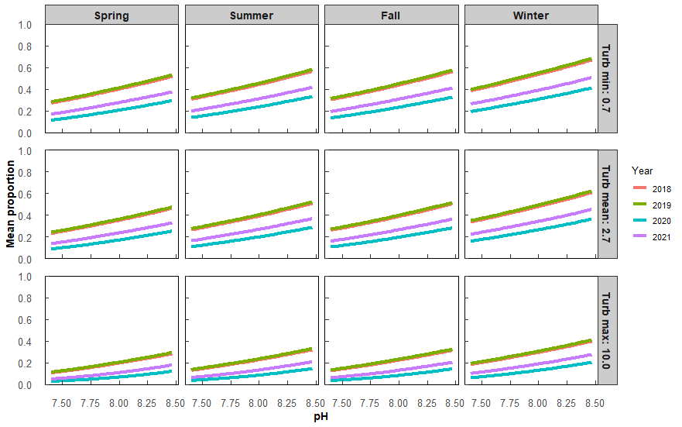
Within each Year*Season, affect of pH |  |  |  |  |  |  |  | Comparison among seasons for each year
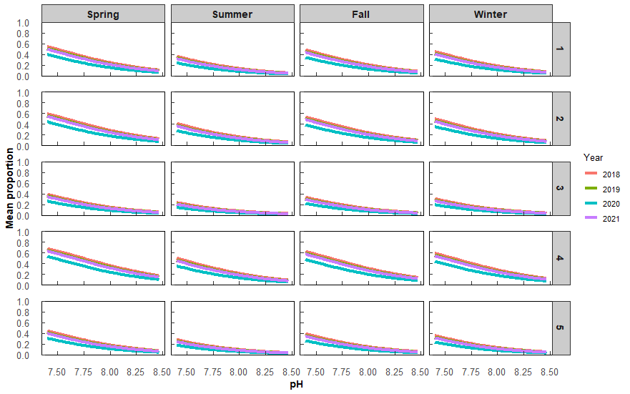
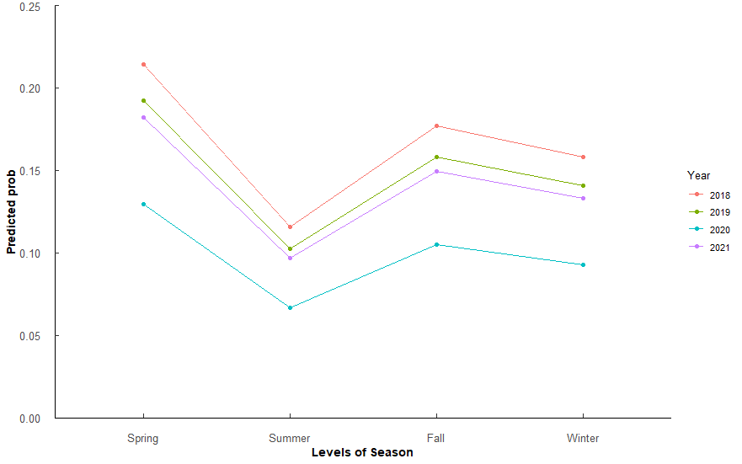
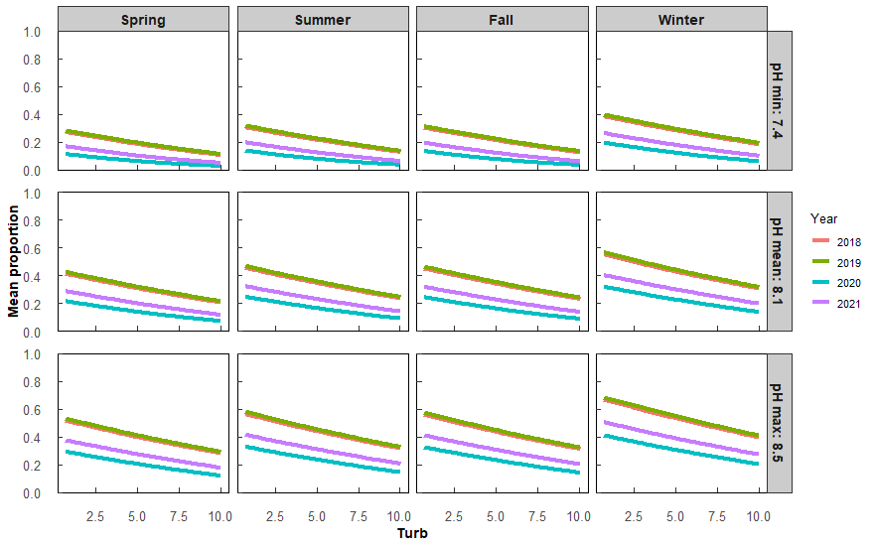
 |  |  |  |  |  |  |  |  |  |  |  |  |  |  | Within each Year*Season, affect of Temperature |  |  |  |  |  |  |  | Comparison among seasons for each year
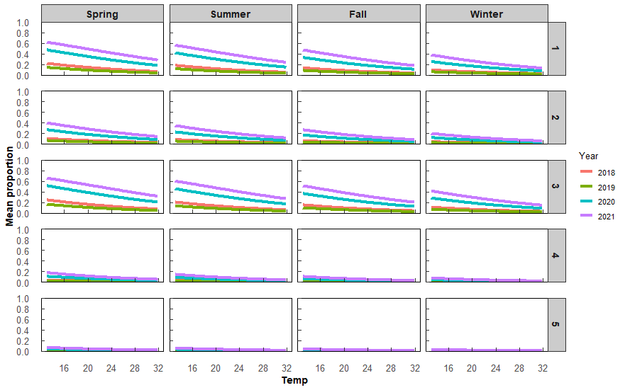
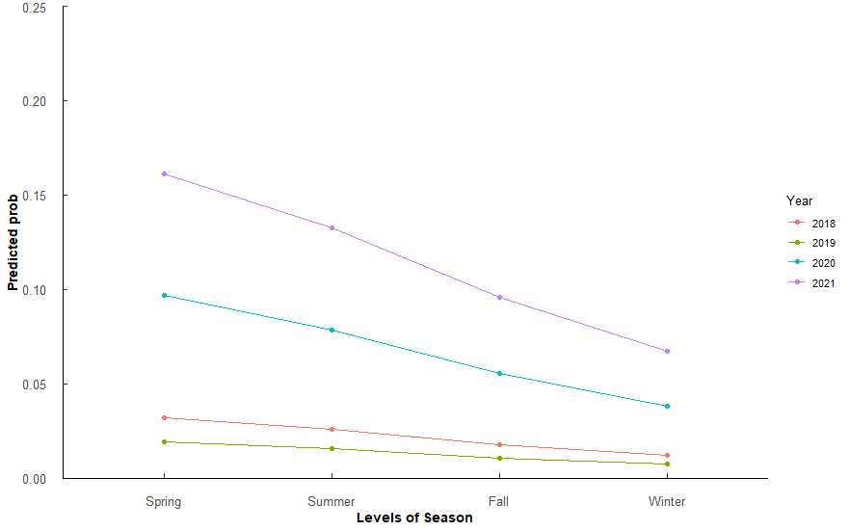

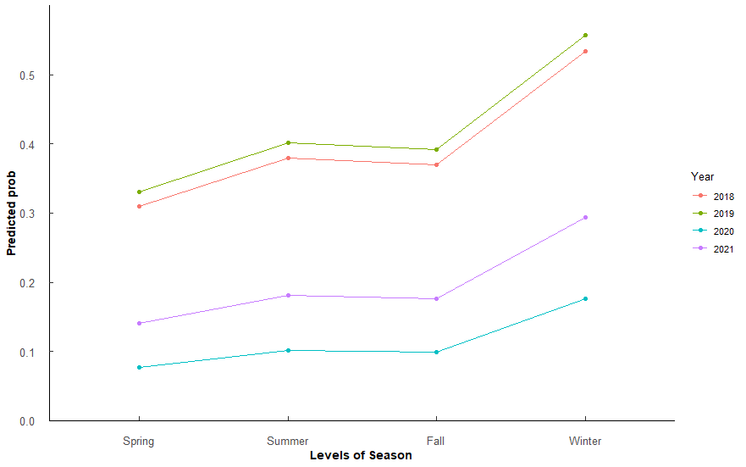

 |  |  |  |  |  |  |  |  |  |  |  |  |  |  |  |  |  |  |  |  |  |  |  |  |  |  |  |  |  | Season | Year | prob | SE | asymp.LCL | asymp.UCL |  |  | contrast | Season | odds.ratio | SE | z.ratio | p.value
 |  |  |  |  |  |  |  |  |  |  |  |  |  |  |  |  |  |  |  |  |  |  |  |  |  |  |  |  |  | Spring | 2018 | 0.30985503 | 0.18279832 | 0.07754299 | 0.7057049 |  |  | Year2018 / Year2019 | Spring | 0.9113073 | 0.2170249 | -0.3899911 | 9.80E-01
Season | Year | prob | SE | asymp.LCL | asymp.UCL |  |  | contrast | Year | odds.ratio | SE | z.ratio | p.value |  | Season | Year | prob | SE | asymp.LCL | asymp.UCL |  |  | contrast | Season | odds.ratio | SE | z.ratio | p.value |  | Summer | 2018 | 0.3789534 | 0.20067393 | 0.1029198 | 0.7644457 |  |  | Year2018 / Year2020 | Spring | 5.374617 | 1.4779839 | 6.1153746 | 5.78E-09 | ***
Spring | 2018 | 0.21432391 | 0.05001786 | 0.13224669 | 0.3280818 |  |  | Spring / Summer | 2018 | 2.0853388 | 0.5478208 | 2.7975951 | 2.65E-02 | * | Spring | 2018 | 0.032130256 | 0.022480364 | 0.007985282 | 0.12041978 |  |  | Year2018 / Year2019 | Spring | 1.6755148 | 0.81722389 | 1.058177 | 7.15E-01 |  | Fall | 2018 | 0.36986663 | 0.19866332 | 0.09944117 | 0.7572886 |  |  | Year2018 / Year2021 | Spring | 2.7512592 | 0.6815225 | 4.0856111 | 2.57E-04 | ***
Summer | 2018 | 0.11568038 | 0.03275509 | 0.06528061 | 0.1967988 |  |  | Spring / Fall | 2018 | 1.2669234 | 0.3058692 | 0.979972 | 7.61E-01 |  | Summer | 2018 | 0.025740498 | 0.018999096 | 0.005949472 | 0.10444914 |  |  | Year2018 / Year2020 | Spring | 0.3103738 | 0.12072263 | -3.007974 | 1.40E-02 | * | Winter | 2018 | 0.53438684 | 0.21270886 | 0.17686013 | 0.8597598 |  |  | Year2019 / Year2020 | Spring | 5.8977 | 1.625918 | 6.4368785 | 7.32E-10 | ***
Fall | 2018 | 0.17716888 | 0.04442236 | 0.10594083 | 0.2812229 |  |  | Spring / Winter | 2018 | 1.4522675 | 0.3754666 | 1.4432147 | 4.72E-01 |  | Fall | 2018 | 0.017933298 | 0.013121586 | 0.004221769 | 0.07291644 |  |  | Year2018 / Year2021 | Spring | 0.1724382 | 0.05929113 | -5.11202 | 1.90E-06 | *** | Spring | 2019 | 0.33005816 | 0.18885879 | 0.08456098 | 0.7243388 |  |  | Year2019 / Year2021 | Spring | 3.0190246 | 0.760648 | 4.3855008 | 6.83E-05 | ***
Winter | 2018 | 0.15813344 | 0.04197483 | 0.09194152 | 0.2584178 |  |  | Summer / Fall | 2018 | 0.6075384 | 0.1556104 | -1.9456321 | 2.09E-01 |  | Winter | 2018 | 0.012235326 | 0.009494789 | 0.002649008 | 0.05461328 |  |  | Year2019 / Year2020 | Spring | 0.1852408 | 0.08382815 | -3.725888 | 1.12E-03 | ** | Summer | 2019 | 0.40104382 | 0.20457024 | 0.11201723 | 0.7804112 |  |  | Year2020 / Year2021 | Spring | 0.5118986 | 0.1387476 | -2.4705429 | 6.46E-02
Spring | 2019 | 0.19233135 | 0.0469862 | 0.11631805 | 0.3010936 |  |  | Summer / Winter | 2018 | 0.696418 | 0.1960568 | -1.2851768 | 5.72E-01 |  | Spring | 2019 | 0.019428018 | 0.014599712 | 0.004392433 | 0.08170753 |  |  | Year2019 / Year2021 | Spring | 0.1029165 | 0.04304771 | -5.436187 | 3.26E-07 | *** | Fall | 2019 | 0.39176148 | 0.20312492 | 0.10806311 | 0.7739677 |  |  | Year2018 / Year2019 | Summer | 0.9113073 | 0.2170249 | -0.3899911 | 9.80E-01
Summer | 2019 | 0.10248958 | 0.02991818 | 0.05692883 | 0.1776447 |  |  | Fall / Winter | 2018 | 1.1462946 | 0.2993902 | 0.5227592 | 9.54E-01 |  | Summer | 2019 | 0.015523843 | 0.012283176 | 0.003252738 | 0.0708 |  |  | Year2020 / Year2021 | Spring | 0.5555822 | 0.16116874 | -2.026058 | 1.78E-01 |  | Winter | 2019 | 0.55740574 | 0.21027645 | 0.19155806 | 0.870027 |  |  | Year2018 / Year2020 | Summer | 5.374617 | 1.4779839 | 6.1153746 | 5.78E-09 | ***
Fall | 2019 | 0.15822115 | 0.0407854 | 0.0934927 | 0.25515 |  |  | Spring / Summer | 2019 | 2.0853388 | 0.5478208 | 2.7975951 | 2.65E-02 | * | Fall | 2019 | 0.010781106 | 0.008273219 | 0.002376962 | 0.04748514 |  |  | Year2018 / Year2019 | Summer | 1.6755148 | 0.81722389 | 1.058177 | 7.15E-01 |  | Spring | 2020 | 0.07709524 | 0.06214145 | 0.01485792 | 0.3163242 |  |  | Year2018 / Year2021 | Summer | 2.7512592 | 0.6815225 | 4.0856111 | 2.57E-04 | ***
Winter | 2019 | 0.14087296 | 0.03859353 | 0.08068659 | 0.2345021 |  |  | Spring / Fall | 2019 | 1.2669234 | 0.3058692 | 0.979972 | 7.61E-01 |  | Winter | 2019 | 0.007338628 | 0.005895242 | 0.001511185 | 0.03485351 |  |  | Year2018 / Year2020 | Summer | 0.3103738 | 0.12072263 | -3.007974 | 1.40E-02 | * | Summer | 2020 | 0.10195577 | 0.07887058 | 0.02055271 | 0.3805145 |  |  | Year2019 / Year2020 | Summer | 5.8977 | 1.625918 | 6.4368785 | 7.32E-10 | ***
Spring | 2020 | 0.12952054 | 0.04022855 | 0.06884683 | 0.2304327 |  |  | Spring / Winter | 2019 | 1.4522675 | 0.3754666 | 1.4432147 | 4.72E-01 |  | Spring | 2020 | 0.096623159 | 0.062682853 | 0.025510697 | 0.30410474 |  |  | Year2018 / Year2021 | Summer | 0.1724382 | 0.05929113 | -5.11202 | 1.90E-06 | *** | Fall | 2020 | 0.09845802 | 0.07676541 | 0.01965634 | 0.372981 |  |  | Year2019 / Year2021 | Summer | 3.0190246 | 0.760648 | 4.3855008 | 6.83E-05 | ***
Summer | 2020 | 0.06659958 | 0.0219092 | 0.03452593 | 0.1246228 |  |  | Summer / Fall | 2019 | 0.6075384 | 0.1556104 | -1.9456321 | 2.09E-01 |  | Summer | 2020 | 0.078447211 | 0.053624538 | 0.0195035 | 0.26701838 |  |  | Year2019 / Year2020 | Summer | 0.1852408 | 0.08382815 | -3.725888 | 1.12E-03 | ** | Winter | 2020 | 0.17596578 | 0.1248187 | 0.03801293 | 0.5357463 |  |  | Year2020 / Year2021 | Summer | 0.5118986 | 0.1387476 | -2.4705429 | 6.46E-02
Fall | 2020 | 0.10510034 | 0.032165 | 0.05667535 | 0.1867116 |  |  | Summer / Winter | 2019 | 0.696418 | 0.1960568 | -1.2851768 | 5.72E-01 |  | Fall | 2020 | 0.055565596 | 0.037023684 | 0.01454592 | 0.18996279 |  |  | Year2019 / Year2021 | Summer | 0.1029165 | 0.04304771 | -5.436187 | 3.26E-07 | *** | Spring | 2021 | 0.14029333 | 0.10366129 | 0.02938685 | 0.4679612 |  |  | Year2018 / Year2019 | Fall | 0.9113073 | 0.2170249 | -0.3899911 | 9.80E-01
Winter | 2020 | 0.09293357 | 0.02907967 | 0.04952642 | 0.1676733 |  |  | Fall / Winter | 2019 | 1.1462946 | 0.2993902 | 0.5227592 | 9.54E-01 |  | Winter | 2020 | 0.038377923 | 0.027006366 | 0.009420512 | 0.14345597 |  |  | Year2020 / Year2021 | Summer | 0.5555822 | 0.16116874 | -2.026058 | 1.78E-01 |  | Summer | 2021 | 0.18152469 | 0.12728833 | 0.03972556 | 0.5431725 |  |  | Year2018 / Year2020 | Fall | 5.374617 | 1.4779839 | 6.1153746 | 5.78E-09 | ***
Spring | 2021 | 0.18236904 | 0.04545869 | 0.10930066 | 0.2884645 |  |  | Spring / Summer | 2020 | 2.0853388 | 0.5478208 | 2.7975951 | 2.65E-02 | * | Spring | 2021 | 0.16143592 | 0.092131706 | 0.04826982 | 0.42221421 |  |  | Year2018 / Year2019 | Fall | 1.6755148 | 0.81722389 | 1.058177 | 7.15E-01 |  | Fall | 2021 | 0.17583167 | 0.12429465 | 0.03820172 | 0.5340047 |  |  | Year2018 / Year2021 | Fall | 2.7512592 | 0.6815225 | 4.0856111 | 2.57E-04 | ***
Summer | 2021 | 0.09662414 | 0.02836398 | 0.05354528 | 0.1682019 |  |  | Spring / Fall | 2020 | 1.2669234 | 0.3058692 | 0.979972 | 7.61E-01 |  | Summer | 2021 | 0.132861034 | 0.082767412 | 0.036125733 | 0.38512865 |  |  | Year2018 / Year2020 | Fall | 0.3103738 | 0.12072263 | -3.007974 | 1.40E-02 | * | Winter | 2021 | 0.29436163 | 0.17760565 | 0.07241518 | 0.6903125 |  |  | Year2019 / Year2020 | Fall | 5.8977 | 1.625918 | 6.4368785 | 7.32E-10 | ***
Fall | 2021 | 0.14969818 | 0.03880064 | 0.0883126 | 0.2424074 |  |  | Spring / Winter | 2020 | 1.4522675 | 0.3754666 | 1.4432147 | 4.72E-01 |  | Fall | 2021 | 0.095757087 | 0.059741702 | 0.026659906 | 0.29049236 |  |  | Year2018 / Year2021 | Fall | 0.1724382 | 0.05929113 | -5.11202 | 1.90E-06 | *** |  |  |  |  |  |  |  |  | Year2019 / Year2021 | Fall | 3.0190246 | 0.760648 | 4.3855008 | 6.83E-05 | ***
Winter | 2021 | 0.1331367 | 0.0364601 | 0.07637253 | 0.2219525 |  |  | Summer / Fall | 2020 | 0.6075384 | 0.1556104 | -1.9456321 | 2.09E-01 |  | Winter | 2021 | 0.067019508 | 0.045406452 | 0.017011873 | 0.2296806 |  |  | Year2019 / Year2020 | Fall | 0.1852408 | 0.08382815 | -3.725888 | 1.12E-03 | ** |  |  |  |  |  |  |  |  | Year2020 / Year2021 | Fall | 0.5118986 | 0.1387476 | -2.4705429 | 6.46E-02
 |  |  |  |  |  |  |  | Summer / Winter | 2020 | 0.696418 | 0.1960568 | -1.2851768 | 5.72E-01 |  |  |  |  |  |  |  |  |  | Year2019 / Year2021 | Fall | 0.1029165 | 0.04304771 | -5.436187 | 3.26E-07 | *** |  |  |  |  |  |  |  |  | Year2018 / Year2019 | Winter | 0.9113073 | 0.2170249 | -0.3899911 | 9.80E-01
 |  |  |  |  |  |  |  | Fall / Winter | 2020 | 1.1462946 | 0.2993902 | 0.5227592 | 9.54E-01 |  |  |  |  |  |  |  |  |  | Year2020 / Year2021 | Fall | 0.5555822 | 0.16116874 | -2.026058 | 1.78E-01 |  |  |  |  |  |  |  |  |  | Year2018 / Year2020 | Winter | 5.374617 | 1.4779839 | 6.1153746 | 5.78E-09 | ***
 |  |  |  |  |  |  |  | Spring / Summer | 2021 | 2.0853388 | 0.5478208 | 2.7975951 | 2.65E-02 | * |  |  |  |  |  |  |  |  | Year2018 / Year2019 | Winter | 1.6755148 | 0.81722389 | 1.058177 | 7.15E-01 |  |  |  |  |  |  |  |  |  | Year2018 / Year2021 | Winter | 2.7512592 | 0.6815225 | 4.0856111 | 2.57E-04 | ***
 |  |  |  |  |  |  |  | Spring / Fall | 2021 | 1.2669234 | 0.3058692 | 0.979972 | 7.61E-01 |  |  |  |  |  |  |  |  |  | Year2018 / Year2020 | Winter | 0.3103738 | 0.12072263 | -3.007974 | 1.40E-02 | * |  |  |  |  |  |  |  |  | Year2019 / Year2020 | Winter | 5.8977 | 1.625918 | 6.4368785 | 7.32E-10 | ***
 |  |  |  |  |  |  |  | Spring / Winter | 2021 | 1.4522675 | 0.3754666 | 1.4432147 | 4.72E-01 |  |  |  |  |  |  |  |  |  | Year2018 / Year2021 | Winter | 0.1724382 | 0.05929113 | -5.11202 | 1.90E-06 | *** |  |  |  |  |  |  |  |  | Year2019 / Year2021 | Winter | 3.0190246 | 0.760648 | 4.3855008 | 6.83E-05 | ***
 |  |  |  |  |  |  |  | Summer / Fall | 2021 | 0.6075384 | 0.1556104 | -1.9456321 | 2.09E-01 |  |  |  |  |  |  |  |  |  | Year2019 / Year2020 | Winter | 0.1852408 | 0.08382815 | -3.725888 | 1.12E-03 | ** |  |  |  |  |  |  |  |  | Year2020 / Year2021 | Winter | 0.5118986 | 0.1387476 | -2.4705429 | 6.46E-02
 |  |  |  |  |  |  |  | Summer / Winter | 2021 | 0.696418 | 0.1960568 | -1.2851768 | 5.72E-01 |  |  |  |  |  |  |  |  |  | Year2019 / Year2021 | Winter | 0.1029165 | 0.04304771 | -5.436187 | 3.26E-07 | ***
 |  |  |  |  |  |  |  | Fall / Winter | 2021 | 1.1462946 | 0.2993902 | 0.5227592 | 9.54E-01 |  |  |  |  |  |  |  |  |  | Year2020 / Year2021 | Winter | 0.5555822 | 0.16116874 | -2.026058 | 1.78E-01

