POLESprices
POLES prices, received February 2012

Time (Year) | 2000 | 2001 | 2002 | 2003 | 2004 | 2005 | 2006 | 2007 | 2008 | 2009 | 2010 | 2011 | 2012 | 2013 | 2014 | 2015 | 2016 | 2017 | 2018 | 2019 | 2020 | 2021 | 2022 | 2023 | 2024 | 2025 | 2026 | 2027 | 2028 | 2029 | 2030 | 2031 | 2032 | 2033 | 2034 | 2035 | 2036 | 2037 | 2038 | 2039 | 2040 | 2041 | 2042 | 2043 | 2044 | 2045 | 2046 | 2047 | 2048 | 2049 | 2050
"CPCOAL[COLEUM]" Runs: | S:\C&S Common Folder\Energy\Poles5\POLES6\bas-4
CPCOAL[COLEUM] | 9 | 9 | 7 | 10 | 16 | 13 | 14 | 19 | 30 | 14 | 14 | 14 | 15 | 15 | 15 | 15 | 15 | 16 | 16 | 16 | 16 | 16 | 16 | 17 | 17 | 17 | 17 | 17 | 17 | 17 | 17 | 18 | 18 | 18 | 18 | 18 | 18 | 18 | 19 | 19 | 19 | 19 | 19 | 19 | 19 | 20 | 20 | 20 | 20 | 20 | 20
"CPOIL[OILMARKET]" Runs: | S:\C&S Common Folder\Energy\Poles5\POLES6\bas-4
CPOIL[OILWOM] | 32 | 27 | 27 | 31 | 39 | 55 | 63 | 68 | 88 | 56 | 69 | 66 | 63 | 65 | 66 | 70 | 79 | 79 | 83 | 83 | 84 | 85 | 85 | 87 | 91 | 95 | 97 | 98 | 102 | 102 | 105 | 108 | 108 | 112 | 112 | 119 | 119 | 123 | 123 | 128 | 128 | 132 | 132 | 138 | 138 | 143 | 144 | 147 | 149 | 152 | 155
"CPGAS[GASEUM]" Runs: | S:\C&S Common Folder\Energy\Poles5\POLES6\bas-4
CPGAS[GASEUM] | 22 | 29 | 25 | 25 | 24 | 37 | 38 | 33 | 38 | 24 | 26 | 26 | 26 | 27 | 28 | 30 | 33 | 33 | 34 | 35 | 37 | 37 | 38 | 39 | 40 | 41 | 41 | 42 | 43 | 43 | 44 | 45 | 45 | 46 | 47 | 48 | 49 | 51 | 52 | 53 | 54 | 55 | 56 | 58 | 59 | 61 | 62 | 63 | 65 | 66 | 68

units | $2005/boe
conversion | 6.1 | GJ/BOE | inflation | 1.2

 | CPCOAL[COLEUM] | "CPOIL[OILMARKET]" Runs: | CPOIL[OILWOM] | "CPGAS[GASEUM]" Runs: | CPGAS[GASEUM]
2000 | 9 | 0 | 32 | 0 | 22
2001 | 9 |  | 27 |  | 29
2002 | 7 |  | 27 |  | 25
2003 | 10 |  | 31 |  | 25
2004 | 16 |  | 39 |  | 24
2005 | 13 |  | 55 |  | 37
2006 | 14 |  | 63 |  | 38
2007 | 19 |  | 68 |  | 33
2008 | 30 |  | 88 |  | 38
2009 | 14 |  | 56 |  | 24
2010 | 14 |  | 69 |  | 26
2011 | 14 |  | 66 |  | 26
2012 | 15 |  | 63 |  | 26
2013 | 15 |  | 65 |  | 27
2014 | 15 |  | 66 |  | 28
2015 | 15 |  | 70 |  | 30
2016 | 15 |  | 79 |  | 33
2017 | 16 |  | 79 |  | 33
2018 | 16 |  | 83 |  | 34
2019 | 16 |  | 83 |  | 35
2020 | 16 |  | 84 |  | 37
2021 | 16 |  | 85 |  | 37
2022 | 16 |  | 85 |  | 38
2023 | 17 |  | 87 |  | 39
2024 | 17 |  | 91 |  | 40
2025 | 17 |  | 95 |  | 41
2026 | 17 |  | 97 |  | 41
2027 | 17 |  | 98 |  | 42
2028 | 17 |  | 102 |  | 43
2029 | 17 |  | 102 |  | 43
2030 | 17 |  | 105 |  | 44
data in EURO2000/GJ | 2000 | 2001 | 2005 | 2010 | 2015 | 2020 | 2025 | 2030 | 2035 | 2040 | 2045 | 2050
oil | 3.516 | 2.946 | 5.967 | 7.532 | 7.695 | 9.193 | 10.421 | 11.528 | 13.046 | 13.959 | 15.699 | 16.910
gas | 2.451 | 3.182 | 4.063 | 2.861 | 3.324 | 4.009 | 4.452 | 4.815 | 5.300 | 5.901 | 6.640 | 7.407
coal | 0.970 | 1.038 | 1.475 | 1.547 | 1.657 | 1.756 | 1.837 | 1.914 | 1.989 | 2.063 | 2.135 | 2.206

World Energy Prices in PRIMES DGTREN scenarios, november 2007 (received from D.Gusbin for Belgian scenarios anf from GG)

Energy import prices in $ (2005) / boe
 |  |  |  | inflation | 1 | 1.2482 | US$ per EURO
 | in $ (2005) / boe |  |  | in EURO (2005)/boe |  |  | in EURO (2000)/GJ |  |  | Evolution
 | oil | gas | coal | oil | gas | coal | oil | gas | coal | oil | gas | coal
2000 | 32.3 | 20.3 | 8.9 | 25.9 | 16.3 | 7.2 | 4.2 | 2.7 | 1.2
2005 | 54.5 | 40.1 | 14.8 | 43.7 | 32.1 | 11.9 | 7.2 | 5.3 | 1.9 | 1.686 | 1.974 | 1.662
2010 | 54.5 | 43.3 | 13.7 | 43.6 | 34.7 | 11.0 | 7.2 | 5.7 | 1.8 | 0.999 | 1.079 | 0.925
2015 | 57.8 | 45.8 | 14.3 | 46.3 | 36.7 | 11.5 | 7.6 | 6.0 | 1.9 | 1.061 | 1.059 | 1.043
2020 | 61.1 | 48.9 | 14.7 | 49.0 | 39.2 | 11.7 | 8.0 | 6.4 | 1.9 | 1.058 | 1.067 | 1.022
2025 | 62.3 | 51.4 | 14.8 | 49.9 | 41.2 | 11.9 | 8.2 | 6.7 | 1.9 | 1.019 | 1.051 | 1.012
2030 | 62.8 | 51.8 | 14.9 | 50.3 | 41.5 | 11.9 | 8.2 | 6.8 | 2.0 | 1.008 | 1.008 | 1.005

from GG IA |  |  |  |  |  |  |  |  |  | 1.93 | 2.53 | 1.66
 | oil | gas | coal | oil | gas | coal | oil | gas | coal | oil | gas | coal
2000 | 32.3 | 20.3 | 8.9 | 25.9 | 16.3 | 7.2 | 4.2 | 2.7 | 1.2
2005 | 54.5 | 34.6 | 14.8 | 43.7 | 27.7 | 11.9 | 7.2 | 4.5 | 1.9 | 1.686 | 1.703 | 1.662
2010 | 54.5 | 41.5 | 13.7 | 43.6 | 33.2 | 11.0 | 7.2 | 5.5 | 1.8 | 0.999 | 1.199 | 0.925
2015 | 57.8 | 43.4 | 14.3 | 46.3 | 34.8 | 11.5 | 7.6 | 5.7 | 1.9 | 1.061 | 1.046 | 1.043
2020 | 61.1 | 46.0 | 14.7 | 49.0 | 36.9 | 11.7 | 8.0 | 6.0 | 1.9 | 1.058 | 1.060 | 1.022
2025 | 62.3 | 47.2 | 14.8 | 49.9 | 37.8 | 11.9 | 8.2 | 6.2 | 1.9 | 1.019 | 1.026 | 1.012
2030 | 62.8 | 47.6 | 14.9 | 50.3 | 38.1 | 11.9 | 8.2 | 6.3 | 2.0 | 1.008 | 1.008 | 1.005

Comparison with POLES |  |  |  |  |  |  |  |  |  | 1.93 | 2.32 | 1.66
 |  |  |  | Evolution
 | oil | gas | coal | oil | gas | coal
2000 | 3.52 | 2.45 | 0.97 |  |  |  |  | 2.7
2005 | 5.97 | 4.06 | 1.47 | 1.697 | 1.658 | 1.520 |  | 4.4
2010 | 7.53 | 2.86 | 1.55 | 1.262 | 0.704 | 1.049 |  | 3.1
2015 | 7.69 | 3.32 | 1.66 | 1.022 | 1.162 | 1.071 |  | 3.6
2020 | 9.19 | 4.01 | 1.76 | 1.195 | 1.206 | 1.060 |  | 4.4
2025 | 10.42 | 4.45 | 1.84 | 1.134 | 1.110 | 1.046 |  | 4.8
2030 | 11.53 | 4.82 | 1.91 | 1.106 | 1.082 | 1.042 |  | 5.2

 |  |  |  | 2.96 | 1.82 | 1.89

The main difference is in the gasprice evolution and mostly 2025 though the profile evolution before 2020 is slightly changed, in Poles more gradualy but higher at the end (2025

PRIMESprices 2015 Ref Scen
Energy Trends Reference Scenario 2015
 |  |  | 106.7 | 117.9 | 123.4
 |  |  | 64.6 | 71.3 | 73.9
USD of 2010 per boe |  |  | 23.3 | 25.8 | 27.4
Fossil prices PRIMES
 | 2010 | 2020 | 2030 | 2040 | 2050
Oil
Reference | 79.5 | 84.7 | 79.5 | 60 | 40
High prices
Low Prices
Gas
Reference | 50.2 | 54.8 | 50 | 36 | 24
High prices
Low Prices
Coal
Reference | 21.2 | 16.2 | 16.2 | 16.2 | 16.2
High prices
Low Prices

 | 2010 | 2020 | 2030 | 2040 | 2050
Oil P Ref | 79.5 | 84.7 | 79.5 | 60.0 | 40.0
Oil P High | 0.0 | 0.0 | 0.0 | 0.0 | 0.0
Oil P Low | 0.0 | 0.0 | 0.0 | 0.0 | 0.0
Oil T Ref | 73.8 | 84.4 | 98.1 | 112.0 | 114.6
Oil T Base | 73.8 | 90.1 | 113.0 | 153.9 | 165.8
Gas P Ref | 50.2 | 54.8 | 50.2 | 36.3 | 24.0
Gas P High | 0.0 | 0.0 | 0.0 | 0.0 | 0.0
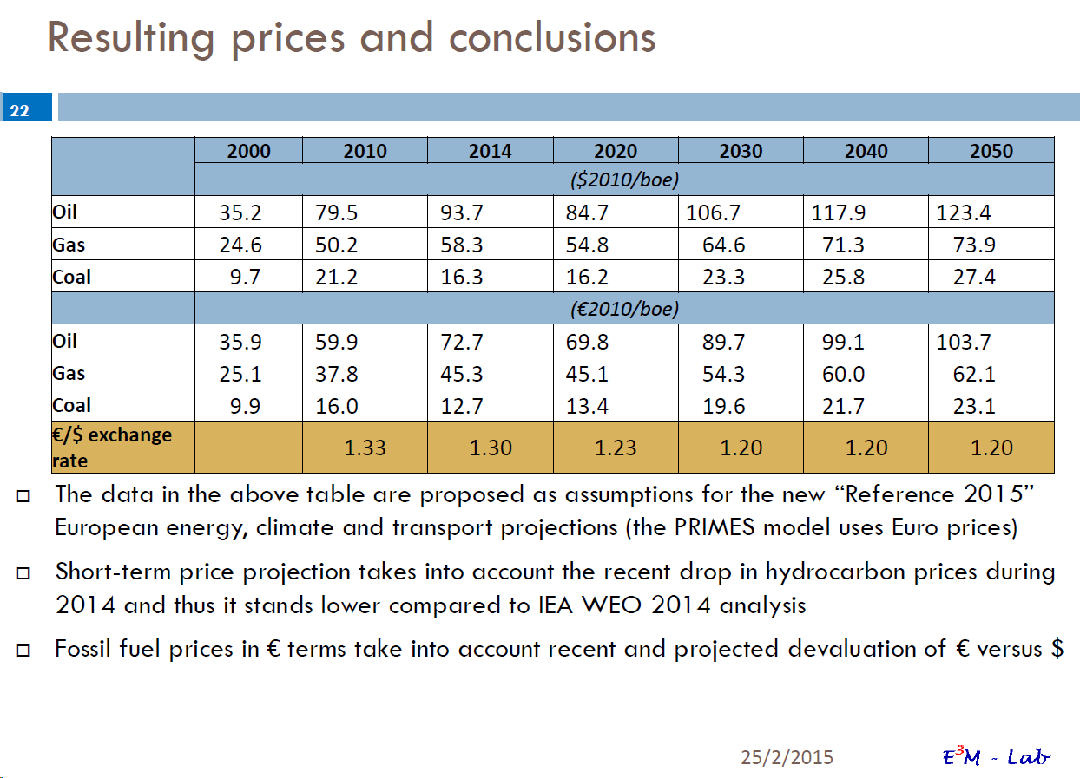
Gas P Low | 0.0 | 0.0 | 0.0 | 0.0 | 0.0
Gas T Ref | 23.1 | 30.9 | 34.3 | 40.1 | 41.1
Gas T Base | 23.2 | 32.5 | 39.1 | 53.9 | 60.1
Coal P Ref | 21.2 | 16.2 | 16.2 | 16.2 | 16.2
Coal P High | 0.0 | 0.0 | 0.0 | 0.0 | 0.0
Coal P Low | 0.0 | 0.0 | 0.0 | 0.0 | 0.0
Coal T Ref | 14.9 | 16.4 | 17.7 | 19.5 | 20.1
Coal T Base | 14.9 | 17.0 | 18.5 | 20.6 | 21.3

PRIMES in eur 2010/GJ
 | 2010 | 2020 | 2030 | 2040 | 2050
Oil
Reference | 9.82 | 11.44 | 11.44 | 8.27 | 5.51
High prices
Low Prices
Gas
Reference | 6.20 | 7.39 | 7.39 | 5.01 | 3.30
High prices
Low Prices
Coal
Reference | 2.62 | 2.20 | 2.20 | 2.20 | 2.20
High prices
Low Prices
PRIMES in eur 2010/boe
Reference | 2010 | 2020 | 2030 | 2040 | 2050 | 2040 | 2050
Oil | 59.90 | 69.80 | 69.80 | 50.43 | 33.61 | 99.10 | 103.70
Gas | 37.80 | 45.10 | 45.10 | 30.53 | 20.13 | 60.00 | 62.10
Coal | 16.00 | 13.40 | 13.40 | 13.40 | 13.40 | 21.70 | 23.10
High prices
Oil | 0.00 | 0.00 | 0.00 | 0.00 | 0.00
Gas | 0.00 | 0.00 | 0.00 | 0.00 | 0.00
Coal | 0.00 | 0.00 | 0.00 | 0.00 | 0.00
Low prices
Oil | 0.00 | 0.00 | 0.00 | 0.00 | 0.00
Gas | 0.00 | 0.00 | 0.00 | 0.00 | 0.00
Coal | 0.00 | 0.00 | 0.00 | 0.00 | 0.00

PRIMESprices SEC 2011
Energy 2050 Roadmap. Impact assessment 1 - including Part 1 of Annex 1 "Scenarios - assumptions and results" [SEC(2011)1565/1]
http://ec.europa.eu/energy/energy2020/roadmap/doc/sec_2011_1565_part1.pdf
Annex 1 Table 3: Energy import prices in the Reference scenario and low and high price variants
Primary Energy Import Prices in EU in TIMES and PRIMES
USD of 2008 per boe
Oil import prices in EU in TIMES and PRIMES
 | 2010 | 2020 | 2030 | 2040 | 2050
Oil
Reference | 84.6 | 88.4 | 105.9 | 116.2 | 126.8
High prices | 84.6 | 132.2 | 149.3 | 148.8 | 162.3
Low Prices | 84.6 | 78.8 | 91.5 | 87.9 | 83.9
Gas
Reference | 53.5 | 62.1 | 76.6 | 86.8 | 98.4
High prices | 53.5 | 85.5 | 101.5 | 111.6 | 129.0
Low Prices | 53.5 | 43.7 | 50.9 | 49.9 | 54.1
Coal
Reference | 22.6 | 28.7 | 32.6 | 32.6 | 33.5
High prices | 22.6 | 39.3 | 45.7 | 42 | 40
Low Prices | 22.6 | 21.9 | 23.8 | 22.2 | 23.1

Gas import prices in EU in TIMES and PRIMES
 | 2010 | 2020 | 2030 | 2040 | 2050
Oil P Ref | 84.6 | 88.4 | 105.9 | 116.2 | 126.8
Oil P High | 84.6 | 132.2 | 149.3 | 148.8 | 162.3
Oil P Low | 84.6 | 78.8 | 91.5 | 87.9 | 83.9
Oil T Ref | 73.8 | 84.4 | 98.1 | 112.0 | 114.6
Oil T Base | 73.8 | 90.1 | 113.0 | 153.9 | 165.8
Gas P Ref | 53.5 | 62.1 | 76.6 | 86.8 | 98.4
Gas P High | 53.5 | 85.5 | 101.5 | 111.6 | 129.0
Gas P Low | 53.5 | 43.7 | 50.9 | 49.9 | 54.1
Gas T Ref | 23.1 | 30.9 | 34.3 | 40.1 | 41.1
Gas T Base | 23.2 | 32.5 | 39.1 | 53.9 | 60.1
Coal P Ref | 22.6 | 28.7 | 32.6 | 32.6 | 33.5
Coal P High | 22.6 | 39.3 | 45.7 | 42.0 | 40.0
Coal P Low | 22.6 | 21.9 | 23.8 | 22.2 | 23.1
Coal T Ref | 14.9 | 16.4 | 17.7 | 19.5 | 20.1
Coal T Base | 14.9 | 17.0 | 18.5 | 20.6 | 21.3

Coal import prices in EU in TIMES and PRIMES
PRIMES in eur 2000/GJ
 | 2010 | 2020 | 2030 | 2040 | 2050
Oil
Reference | 12.19 | 12.74 | 15.26 | 16.74 | 18.27
High prices | 12.19 | 19.05 | 21.51 | 21.44 | 23.38
Low Prices | 12.19 | 11.35 | 13.18 | 12.66 | 12.09
Gas
Reference | 7.71 | 8.95 | 11.04 | 12.51 | 14.18
High prices | 7.71 | 12.32 | 14.62 | 16.08 | 18.59
Low Prices | 7.71 | 6.30 | 7.33 | 7.19 | 7.79
Coal
Reference | 3.26 | 4.13 | 4.70 | 4.70 | 4.83
High prices | 3.26 | 5.66 | 6.58 | 6.05 | 5.76
Low Prices | 3.26 | 3.16 | 3.43 | 3.20 | 3.33
PRIMES in eur 2000/GJ
Reference | 2010 | 2020 | 2030 | 2040 | 2050
Oil | 12.19 | 12.74 | 15.26 | 16.74 | 18.27
Gas | 7.71 | 8.95 | 11.04 | 12.51 | 14.18
Coal | 3.26 | 4.13 | 4.70 | 4.70 | 4.83
High prices
Oil | 12.19 | 19.05 | 21.51 | 21.44 | 23.38
Gas | 7.71 | 12.32 | 14.62 | 16.08 | 18.59
Coal | 3.26 | 5.66 | 6.58 | 6.05 | 5.76
Low prices
Oil | 12.19 | 11.35 | 13.18 | 12.66 | 12.09
Gas | 7.71 | 6.30 | 7.33 | 7.19 | 7.79
Coal | 3.26 | 3.16 | 3.43 | 3.20 | 3.33

