STOCK 2010
Source: http://stats.ehpa.org/hp_sales/cockpit/ |  |  |  |  |  |  | Simplification

 | Exhaust air | H-air/water | H-ground/water | Reversible air-air w/heating | Reversible other | Sanitary hot water |  | AIR | AIR REVERSIBLE | AIR Sanitary Hot Water | GROUND |  | AT | BE | CH | CZ | DE | DK | EE | ES | FI | FR | HU | IE | IT | LT | NL | NO | PL | PT | SE | SK | UK
LT | 0 | 302 | 769 | 0 | 0 | 0 | LT | 302 | 0 | 0 | 769 | AIR | 302 | 164 | 650 | 927 | 2879 | 9724 | 1200 | 9070 | 1520 | 0 | 25245 | 4226 | 59579 | 21063 | 0 | 6326 | 130781 | 20941 | 1240 | 366053 | 96565
HU | 71 | 164 | 520 | 268 | 664 | 38 | HU | 164 | 268 | 38 | 520 | AIR REVERSIBLE | 0 | 268 | 59 | 0 | 0 | 0 | 0 | 131 | 34320 | 49669 | 0 | 42163 | 0 | 0 | 67230 | 297948 | 1372 | 504182 | 715201 | 217551 | 402543
SK | 71 | 650 | 500 | 59 | 100 | 0 | SK | 650 | 59 | 0 | 500 | AIR Sanitary Hot Water | 0 | 38 | 0 | 3 | 1611 | 10 | 2060 | 5901 | 0 | 427 | 0 | 6580 | 1487 | 80685 | 0 | 0 | 102515 | 0 | 0 | 29000 | 0
IE | 90 | 927 | 1279 | 0 | 0 | 3 | IE | 927 | 0 | 3 | 1279 | GROUND | 769 | 520 | 500 | 1279 | 1954 | 8747 | 4120 | 18653 | 3735 | 0 | 16160 | 13528 | 45733 | 69213 | 0 | 34934 | 216821 | 25248 | 357 | 84737 | 372685
BE | 135 | 2879 | 1954 | 0 | 0 | 1611 | BE | 2879 | 0 | 1611 | 1954
CZ | 0 | 9724 | 8747 | 0 | 55 | 10 | CZ | 9724 | 0 | 10 | 8747
PL | 95 | 1200 | 4120 | 0 | 770 | 2060 | PL | 1200 | 0 | 2060 | 4120
NL | 922 | 9070 | 18653 | 131 | 361 | 5901 | NL | 9070 | 131 | 5901 | 18653 | Stock 2010 | AT | BE | BG | CH | CY | CZ | DE | DK | EE | ES | FI | FR | EL | HR | HU | IE | IS | IT | LT | LU | LV | MT | NL | NO | PL | PT | RO | SE | SI | SK | UK | AL | BA | ME | MK | RS | KS
EE | 176 | 1520 | 3735 | 34320 | 0 | 0 | EE | 1520 | 34320 | 0 | 3735 | Air | 302 | 470 |  | 709 |  | 930 | 4490 | 9734 | 3260 | 15102 | 35840 | 50096 |  |  | 25245 | 52969 |  | 61066 | 101748 |  |  |  | 67230 | 304274 | 234668 | 525123 |  | 716441 |  | 612604 | 499108
PT | 0 | 0 | 0 | 49669 | 4589 | 427 | PT | 0 | 49669 | 427 | 0 | Ground | 769 | 520 |  | 500 |  | 1279 | 1954 | 8747 | 4120 | 18653 | 3735 | 0 |  |  | 16160 | 13528 |  | 45733 | 69213 |  |  |  | 0 | 34934 | 216821 | 25248 |  | 357 |  | 84737 | 372685
UK | 8770 | 25245 | 16160 | 0 | 0 | 0 | UK | 25245 | 0 | 0 | 16160
DK | 4224 | 4226 | 13528 | 42163 | 0 | 6580 | DK | 4226 | 42163 | 6580 | 13528
CH | 478 | 59579 | 45733 | 0 | 0 | 1487 | CH | 59579 | 0 | 1487 | 45733
AT | 4036 | 21063 | 69213 | 0 | 0 | 80685 | AT | 21063 | 0 | 80685 | 69213
ES | 0 | 0 | 0 | 67230 | 3259 | 0 | ES | 0 | 67230 | 0 | 0
FI | 12707 | 6326 | 34934 | 297948 | 0 | 0 | FI | 6326 | 297948 | 0 | 34934
DE | 0 | 130781 | 216821 | 1372 | 3313 | 102515 | DE | 130781 | 1372 | 102515 | 216821
NO | 7632 | 20941 | 25248 | 504182 | 0 | 0 | NO | 20941 | 504182 | 0 | 25248
IT | 0 | 1240 | 357 | 715201 | 62038 | 0 | IT | 1240 | 715201 | 0 | 357
FR | 0 | 366053 | 84737 | 217551 | 33122 | 29000 | FR | 366053 | 217551 | 29000 | 84737
SE | 176180 | 96565 | 372685 | 402543 | 0 | 0 | SE | 96565 | 402543 | 0 | 372685

STOCK 2014
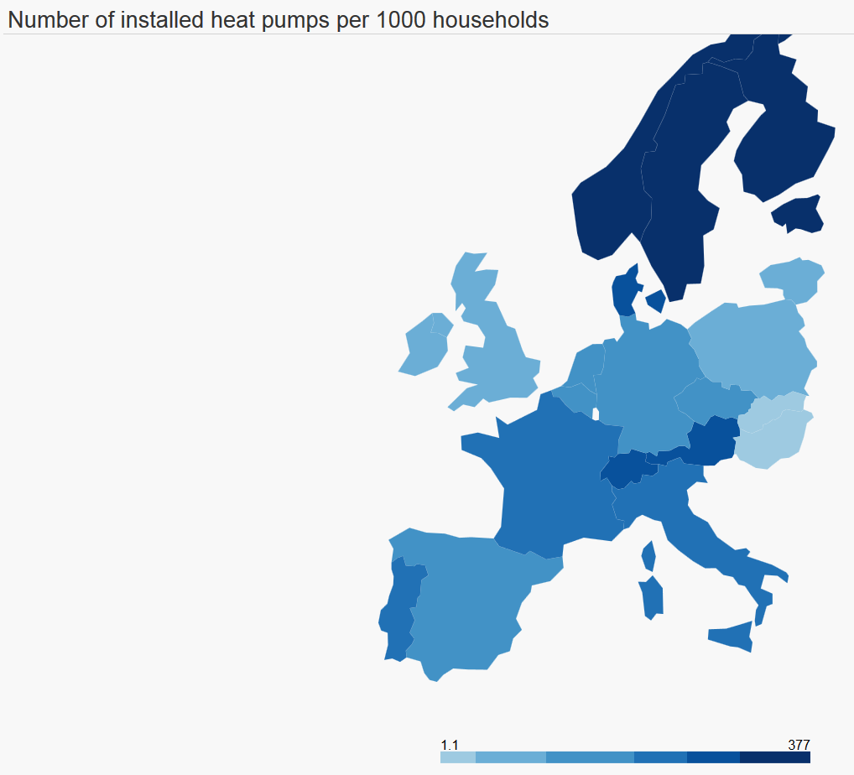
 |  |  |  |  |  |  |  |  |  |  |  |  | MARKET
Source: http://stats.ehpa.org/hp_sales/cockpit/ |  |  |  |  |  |  | Simplification |  |  |  |  |  | Absolute growth per year

 | Exhaust air | H-air/water | H-ground/water | Reversible air-air w/heating | Reversible other | Sanitary hot water |  | AIR | AIR REVERSIBLE | AIR Sanitary Hot Water | GROUND | AIR TOT | AIR | AIR REVERSIBLE | AIR Sanitary Hot Water | GROUND
LT |  | 1175 | 2868 |  | 45 |  | LT | 1175 | 0 | 0 | 2868 | 218 | 218 | 0 | 0 | 525 | 743
HU | 195 | 552 | 1845 | 614 | 1181 | 71 | HU | 552 | 614 | 71 | 1845 | 183 | 97 | 86 | 8 | 331 | 523
SK | 105 | 1499 | 1426 | 169 | 1090 | 72 | SK | 1499 | 169 | 72 | 1426 | 240 | 212 | 28 | 18 | 232 | 489
IE | 142 | 5432 | 3119 |  |  | 15 | IE | 5432 | 0 | 15 | 3119 | 1126 | 1126 | 0 | 3 | 460 | 1589
BE | 135 | 19544 | 6996 | 1820 |  | 12489 | BE | 19544 | 1820 | 12489 | 6996 | 4621 | 4166 | 455 | 2720 | 1261 | 8601
CZ | 675 | 28948 | 17469 | 0 | 55 | 20 | CZ | 28948 | 0 | 20 | 17469 | 4806 | 4806 | 0 | 3 | 2181 | 6989
PL | 361 | 6533 | 22750 | 2686 | 4450 | 28457 | PL | 6533 | 2686 | 28457 | 22750 | 2005 | 1333 | 671 | 6599 | 4658 | 13261
NL | 922 | 23527 | 35861 | 131 | 361 | 7155 | NL | 23527 | 131 | 7155 | 35861 | 3614 | 3614 | 0 | 314 | 4302 | 8230
EE | 357 | 4820 | 8875 | 81520 |  |  | EE | 4820 | 81520 | 0 | 8875 | 12625 | 825 | 11800 | 0 | 1285 | 13910
PT |  | 202 | 54 | 85780 | 6469 | 2772 | PT | 202 | 85780 | 2772 | 54 | 9078 | 51 | 9028 | 586 | 14 | 9678
UK | 13300 | 84481 | 24875 |  |  | 230 | UK | 84481 | 0 | 230 | 24875 | 14809 | 14809 | 0 | 58 | 2179 | 17045
DK | 8934 | 14122 | 25814 | 115755 |  | 15463 | DK | 14122 | 115755 | 15463 | 25814 | 20872 | 2474 | 18398 | 2221 | 3072 | 26164
CH | 549 | 105523 | 75879 | 0 |  | 12446 | CH | 105523 | 0 | 12446 | 75879 | 11486 | 11486 | 0 | 2740 | 7537 | 21762
AT | 4938 | 49974 | 89852 |  |  | 75277 | AT | 49974 | 0 | 75277 | 89852 | 7228 | 7228 | 0 | -1352 | 5160 | 11036
ES |  | 2090 | 1144 | 278896 | 18722 | 2187 | ES | 2090 | 278896 | 2187 | 1144 | 53439 | 523 | 52917 | 547 | 286 | 54272
FI | 20308 | 11055 | 85294 | 496910 |  |  | FI | 11055 | 496910 | 0 | 85294 | 50923 | 1182 | 49741 | 0 | 12590 | 63513
DE |  | 277894 | 296129 | 1372 | 3313 | 144174 | DE | 277894 | 1372 | 144174 | 296129 | 36778 | 36778 | 0 | 10415 | 19827 | 67020
NO | 9496 | 32157 | 38104 | 749025 |  |  | NO | 32157 | 749025 | 0 | 38104 | 64015 | 2804 | 61211 | 0 | 3214 | 67229
IT |  | 2889 | 2759 | 1103936 | 122677 | 1551 | IT | 2889 | 1103936 | 1551 | 2759 | 97596 | 412 | 97184 | 388 | 601 | 98584
FR |  | 507040 | 103409 | 405640 | 128929 | 209089 | FR | 507040 | 405640 | 209089 | 103409 | 82269 | 35247 | 47022 | 45022 | 4668 | 131959
SE | 214136 | 124437 | 474079 | 619234 |  |  | SE | 124437 | 619234 | 0 | 474079 | 61141 | 6968 | 54173 | 0 | 25349 | 86489

