Runfile Switches
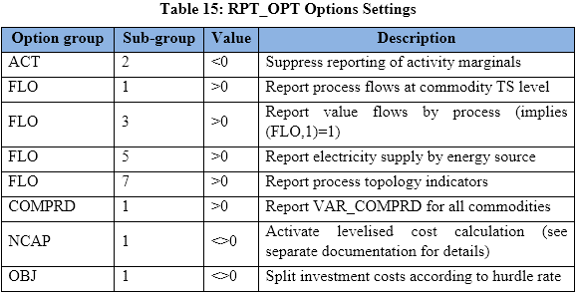

~TFM_INS
Attribute | Other_Indexes | AllRegions
RPT_OPT | NCAP~1 | 1
RPT_OPT | FLO~3 | 1
RPT_OPT | FLO~5 | 1
RPT_OPT | FLO~1 | 1
RPT_OPT | COMPRD~1 | 1
RPT_OPT | OBJ~1 | 1
RPT_OPT | NCAP~1 | 1

