Hydro_Data_Eurelectric
 | World Hydro Atlas 2010

 |  | Potential developed, TWh | Technically feasible potential, TWh | Additional technically feasible potential, TWh | % over developed potential | Potential developed, PJ | Technically feasible potential, PJ | Additional technically feasible potential, PJ
LU | Luxembourg | 0.811 | 1.027 | 0.216 | 1.2663378545 | 2.9196 | 3.6972 | 0.7776
IE | Ireland | 0.725 | 1.18 | 0.455 | 1.6275862069 | 2.61 | 4.248 | 1.638
 | Moldova | 0.318 | 1.2 | 0.882 | 3.7735849057 | 1.1448 | 4.32 | 3.1752
BE | Belgium | 1.745 | 1.939 | 0.194 | 1.1111747851 | 6.282 | 6.9804 | 0.6984
LT | Lithuania | 1.12 | 2.089 | 0.969 | 1.8651785714 | 4.032 | 7.5204 | 3.4884
CZ | Czech Republic | 2.402 | 3.38 | 0.978 | 1.4071606994 | 8.6472 | 12.168 | 3.5208
LV | Latvia | 3.36 | 4 | 0.64 | 1.1904761905 | 12.096 | 14.4 | 2.304
HY | Hungary | 0.213 | 4.59 | 4.377 | 21.549295775 | 0.7668 | 16.524 | 15.7572
CY | Cyprus | 0 | 5 | 5 |  | 0 | 18 | 18
 | Macedonia (FYR of) | 1.22 | 5.5 | 4.28 | 4.5081967213 | 4.392 | 19.8 | 15.408
SK | Slovakia | 4.28 | 6.607 | 2.327 | 1.5436915888 | 15.408 | 23.7852 | 8.3772
SI | Slovenia | 4.481 | 8.8 | 4.319 | 1.9638473555 | 16.1316 | 31.68 | 15.5484
UK | UK | 7.951 | 10.462 | 2.511 | 1.3158093322 | 28.6236 | 37.6632 | 9.0396
ME | Montenegro | 1.8 | 10.846 | 9.046 | 6.0255555556 | 6.48 | 39.0456 | 32.5656
HR | Croatia | 6.814 | 12 | 5.186 | 1.7610801291 | 24.5304 | 43.2 | 18.6696
PL | Poland | 2.938 | 12 | 9.062 | 4.0844111641 | 10.5768 | 43.2 | 32.6232
BG | Bulgaria | 4.61 | 14.8 | 10.19 | 3.2104121475 | 16.596 | 53.28 | 36.684
AL | Albania | 5.37 | 15 | 9.63 | 2.7932960894 | 19.332 | 54 | 34.668
FI | Finland | 12.564 | 16.915 | 4.351 | 1.3463069086 | 45.2304 | 60.894 | 15.6636
RS | Serbia | 10.429 | 17.6 | 7.171 | 1.6876018794 | 37.5444 | 63.36 | 25.8156
EL | Greece | 4.842 | 20 | 15.158 | 4.1305245766 | 17.4312 | 72 | 54.5688
 | Ukraine | 11.757 | 21.5 | 9.743 | 1.8286977971 | 42.3252 | 77.4 | 35.0748
BA | Bosnia-Herzegovina | 6.2 | 24 | 17.8 | 3.8709677419 | 22.32 | 86.4 | 64.08
PT | Portugal | 8.886 | 24.5 | 15.614 | 2.7571460725 | 31.9896 | 88.2 | 56.2104
DE | Germany | 23.94 | 24.7 | 0.76 | 1.0317460317 | 86.184 | 88.92 | 2.736
RO | Romania | 15.432 | 40 | 24.568 | 2.5920165889 | 55.5552 | 144 | 88.4448
CH | Switzerland | 37.59 | 41 | 3.41 | 1.0907156159 | 135.324 | 147.6 | 12.276
AT | Austria | 40.677 | 56 | 15.323 | 1.3766993633 | 146.4372 | 201.6 | 55.1628
IT | Italy | 45.511 | 60 | 14.489 | 1.3183625937 | 163.8396 | 216 | 52.1604
ES | Spain | 22.888 | 61 | 38.112 | 2.6651520447 | 82.3968 | 219.6 | 137.2032
IS | Iceland | 12.08 | 64 | 51.92 | 5.298013245 | 43.488 | 230.4 | 186.912
FR | France | 62.3 | 97.344 | 35.044 | 1.5625040128 | 224.28 | 350.4384 | 126.1584
SE | Sweden | 65.3 | 130 | 64.7 | 1.9908116386 | 235.08 | 468 | 232.92
NO | Norway | 122.7 | 204.5 | 81.8 | 1.6666666667 | 441.72 | 736.2 | 294.48
 | Turkey | 35.958 | 216 | 180.042 | 6.0070081762 | 129.4488 | 777.6 | 648.1512
 | Russia | 180 | 1670 | 1490 | 9.2777777778 | 648 | 6012 | 5364
 | EU27 | 347.405 | 623.933 | 276.528 | 1.7959816353 | 1250.658 | 2246.1588 | 995.5008
 | EURELECTRIC Europe |  |  | 0

 | Malta | 0 | 0 | 0
 | Denmark | 0.021 | 0.07 | 0.049
 | Estonia | 0.048 | 0.375 | 0.327
 | Netherlands | 0.109 | 0.4 | 0.291
 |  | 0.178 |  | -0.178

ONSHORE SUMMARY + graph
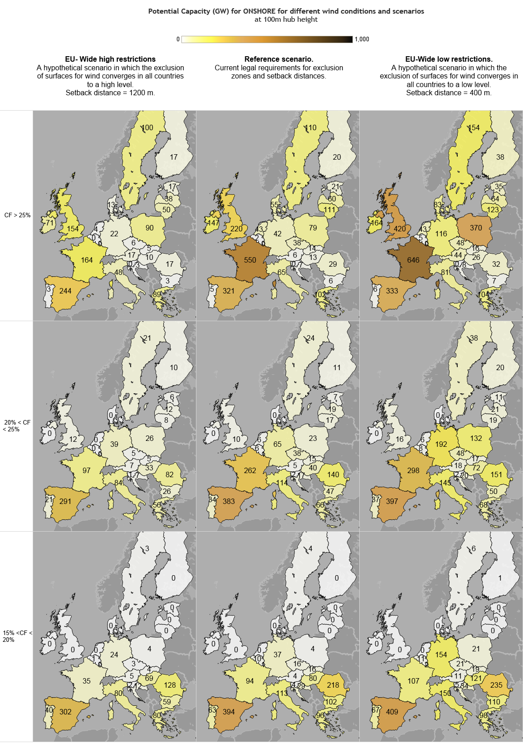

 |  | EU-Wide high restrictions |  |  | Reference - Large turbines |  |  | EU-Wide low restrictions |  |  | Average for all scenarios
 | [GW] | CF > 25% | 20% < CF < 25% | 15%< CF<20% | CF > 25% | 20% < CF < 25% | 15%< CF<20% | CF > 25% | 20% < CF < 25% | 15%< CF<20% | CF > 25% | 20% < CF < 25% | 15%< CF<20%
AT | Austria | 17.2 | 7.2 | 5.4 | 5.9 | 5.1 | 4.0 | 44.3 | 17.9 | 11.1 | 29.7% | 22.5% | 17.5% | Austria
BE | Belgium | 0.1 | 0.3 | 0.6 | 2.2 | 5.9 | 10.3 | 5.3 | 8.0 | 10.8 | 30.6% | 22.5% | 17.5% | Belgium
BG | Bulgaria | 3.3 | 25.8 | 58.8 | 6.3 | 46.7 | 102.1 | 6.8 | 50.4 | 109.6 | 26.9% | 22.5% | 17.5% | Bulgaria
HR | Croatia | 3.4 | 7.3 | 11.5 | 6.9 | 17.4 | 29.2 | 7.8 | 19.8 | 33.5 | 30.5% | 22.5% | 17.5% | Croatia
CY | Cyprus | 0.0 | 1.2 | 2.9 | 0.0 | 1.9 | 4.5 | 0.0 | 3.2 | 7.5 | / | 22.5% | 17.5% | Cyprus
CZ | Czech Republic | 5.5 | 5.1 | 2.7 | 38.4 | 37.8 | 16.5 | 48.3 | 48.1 | 20.6 | 27.6% | 22.5% | 17.5% | Czech Republic
DK | Denmark | 12.6 | 0.0 | 0.0 | 54.7 | 0.0 | 0.0 | 83.0 | 0.0 | 0.0 | 36.3% | 22.5% | 17.5% | Denmark
EE | Estonia | 17.3 | 5.7 | 0.0 | 20.5 | 6.8 | 0.0 | 34.5 | 11.4 | 0.0 | 28.4% | 22.5% | 17.5% | Estonia
FI | Finland | 16.8 | 9.6 | 0.5 | 19.7 | 11.0 | 0.5 | 38.1 | 19.8 | 0.7 | 28.8% | 22.5% | 17.5% | Finland
FR | France | 164.5 | 96.6 | 34.9 | 550.4 | 262.5 | 93.6 | 645.6 | 298.2 | 107.4 | 29.5% | 22.5% | 17.5% | France
DE | Germany | 22.3 | 39.2 | 24.5 | 42.2 | 64.8 | 37.1 | 116.4 | 191.9 | 154.3 | 29.4% | 22.5% | 17.5% | Germany
EL | Greece | 89.3 | 56.1 | 79.7 | 102.3 | 66.1 | 95.7 | 104.4 | 67.5 | 98.0 | 32.5% | 22.5% | 17.5% | Greece
HU | Hungary | 9.6 | 32.5 | 68.8 | 12.7 | 40.4 | 79.8 | 26.1 | 72.3 | 121.3 | 26.5% | 22.5% | 17.5% | Hungary
IE | Ireland | 70.9 | 0.0 | 0.0 | 146.5 | 0.0 | 0.0 | 163.5 | 0.0 | 0.0 | 44.7% | 22.5% | 17.5% | Ireland
IT | Italy | 48.0 | 83.6 | 80.1 | 64.5 | 113.8 | 113.2 | 81.1 | 144.9 | 150.0 | 28.0% | 22.5% | 17.5% | Italy
LV | Latvia | 38.5 | 12.4 | 0.0 | 60.1 | 19.4 | 0.0 | 64.2 | 20.7 | 0.0 | 29.4% | 22.5% | 17.5% | Latvia
LT | Lithuania | 49.7 | 7.6 | 0.0 | 111.2 | 17.1 | 0.0 | 123.4 | 18.9 | 0.0 | 29.7% | 22.5% | 17.5% | Lithuania
LU | Luxembourg | 0.0 | 0.1 | 0.1 | 0.0 | 0.7 | 1.2 | 0.0 | 0.9 | 1.5 | / | 22.5% | 17.5% | Luxembourg
MT | Malta | 0.0 | 0.0 | 0.0 | 0.0 | 0.0 | 0.0 | 0.1 | 0.0 | 0.0 | / | 22.5% | 17.5% | Malta
NL | Netherlands | 3.5 | 0.3 | 0.0 | 43.3 | 5.5 | 0.0 | 43.3 | 5.5 | 0.0 | 32.2% | 22.5% | 17.5% | Netherlands
PL | Poland | 90.1 | 26.4 | 4.3 | 78.8 | 22.8 | 3.8 | 370.0 | 132.3 | 20.9 | 28.3% | 22.5% | 17.5% | Poland
PT | Portugal | 2.8 | 20.9 | 40.4 | 5.2 | 34.0 | 62.6 | 5.7 | 37.0 | 67.3 | 28.1% | 22.5% | 17.5% | Portugal
RO | Romania | 16.7 | 82.5 | 128.0 | 29.2 | 139.7 | 217.7 | 31.7 | 150.9 | 235.5 | 26.4% | 22.5% | 17.5% | Romania
SK | Slovakia | 4.8 | 5.1 | 4.4 | 14.2 | 15.1 | 15.9 | 16.3 | 17.4 | 18.7 | 27.0% | 22.5% | 17.5% | Slovakia
SI | Slovenia | 0.1 | 0.8 | 1.7 | 0.4 | 2.1 | 4.3 | 0.5 | 2.4 | 5.1 | 26.5% | 22.5% | 17.5% | Slovenia
ES | Spain | 244.3 | 291.0 | 302.4 | 321.4 | 383.0 | 393.9 | 333.3 | 397.4 | 409.1 | 28.1% | 22.5% | 17.5% | Spain
SE | Sweden | 100.3 | 21.2 | 3.4 | 109.8 | 24.1 | 3.9 | 153.8 | 37.9 | 6.1 | 34.1% | 22.5% | 17.5% | Sweden
UK | United Kingdom | 153.7 | 12.2 | 0.0 | 220.2 | 9.8 | 0.0 | 420.5 | 15.9 | 0.0 | 37.3% | 22.5% | 17.5% | United Kingdom
 | EU28 | 1185.2 | 850.9 | 854.9 | 2067.1 | 1353.3 | 1289.7 | 2967.8 | 1790.9 | 1589.0

OFFSHORE SUMMARY + graph
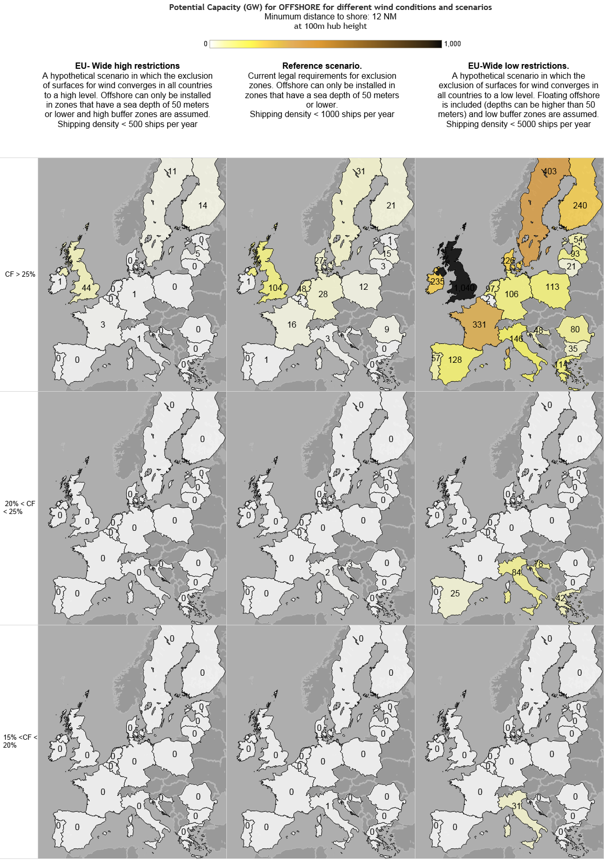
 |  | Table for offshore with capacity factor > 25%
 |  | EU-Wide high restrictions |  |  | Reference - Large turbines |  |  | EU-Wide low restrictions
 | [GW] | Water depth 60-100m Floating | Water depth 30-60m | Water depth 0-30m | Water depth 60-100m Floating | Water depth 30-60m | Water depth 0-30m | Water depth 100-1000m Floating | Water depth 60-100m Floating | Water depth 30-60m | Water depth 0-30m | 12nm zone, water depth 60-100m Floating | 12nm zone, water depth 30-60m | 12nm zone, water depth 0-30m | CF > 25%
BE | Belgium | 0.0 | 0.0 | 0.0 | 0.0 | 0.1 | 1.7 | 0.0 | 0.0 | 0.1 | 0.2 | 0.0 | 0.0 | 1.5 | 46.9% | Belgium
BG | Bulgaria | 0.0 | 0.0 | 0.0 | 0.0 | 0.4 | 0.0 | 27.0 | 11.5 | 1.3 | 0.0 | 3.4 | 12.5 | 6.7 | 33.7% | Bulgaria
HR | Croatia | 0.0 | 0.3 | 0.0 | 0.0 | 2.1 | 0.0 | 20.2 | 7.2 | 8.6 | 0.2 | 12.9 | 12.9 | 6.1 | 27.5% | Croatia
CY | Cyprus | 0.0 | 0.0 | 0.0 | 0.0 | 0.0 | 0.0 | 5.5 | 0.0 | 0.0 | 0.0 | 0.3 | 0.3 | 0.3 | 25.4% | Cyprus
DK | Denmark | 0.0 | 0.0 | 0.0 | 0.0 | 22.3 | 5.0 | 9.4 | 18.6 | 81.3 | 29.0 | 5.0 | 7.8 | 84.4 | 47.1% | Denmark
EE | Estonia | 0.0 | 0.2 | 0.0 | 0.0 | 1.2 | 0.1 | 8.4 | 6.5 | 7.2 | 1.0 | 8.6 | 12.9 | 17.6 | 45.8% | Estonia
FI | Finland | 0.0 | 7.8 | 5.8 | 0.0 | 15.1 | 6.2 | 53.0 | 68.4 | 33.5 | 8.5 | 3.2 | 30.0 | 96.2 | 45.4% | Finland
FR | France | 0.0 | 2.8 | 0.6 | 0.0 | 13.9 | 1.7 | 405.1 | 86.9 | 42.6 | 2.5 | 44.5 | 56.6 | 98.1 | 41.8% | France
DE | Germany | 0.0 | 0.0 | 1.1 | 0.0 | 17.6 | 10.3 | 0.0 | 0.0 | 53.0 | 27.2 | 0.0 | 0.0 | 25.4 | 43.7% | Germany
EL | Greece | 0.0 | 0.0 | 0.0 | 0.0 | 0.0 | 0.0 | 105.5 | 2.2 | 0.0 | 0.0 | 58.4 | 33.0 | 20.7 | 32.5% | Greece
IE | Ireland | 0.0 | 0.8 | 0.0 | 0.0 | 1.0 | 0.0 | 592.4 | 98.1 | 5.1 | 0.0 | 59.9 | 45.5 | 26.7 | 52.7% | Ireland
IT | Italy | 0.0 | 0.5 | 0.0 | 0.0 | 3.0 | 0.4 | 184.1 | 13.9 | 11.8 | 1.8 | 39.4 | 31.4 | 47.5 | 29.1% | Italy
LV | Latvia | 0.0 | 4.5 | 0.2 | 0.0 | 12.8 | 2.2 | 40.2 | 16.3 | 32.3 | 4.1 | 0.1 | 15.1 | 25.6 | 46.4% | Latvia
LT | Lithuania | 0.0 | 0.3 | 0.0 | 0.0 | 2.6 | 0.4 | 0.1 | 7.1 | 7.3 | 0.4 | 0.0 | 2.2 | 4.3 | 45.7% | Lithuania
MT | Malta | 0.0 | 0.0 | 0.0 | 0.0 | 0.0 | 0.0 | 124.9 | 2.3 | 0.0 | 0.0 | 1.1 | 0.3 | 0.0 | 29.7% | Malta
NL | Netherlands | 0.0 | 0.0 | 0.0 | 0.0 | 41.7 | 6.1 | 0.0 | 0.0 | 73.8 | 13.0 | 0.0 | 0.0 | 9.9 | 46.9% | Netherlands
PL | Poland | 0.0 | 0.2 | 0.0 | 0.0 | 6.6 | 5.7 | 5.4 | 46.8 | 24.4 | 8.3 | 4.1 | 4.1 | 25.7 | 45.2% | Poland
PT | Portugal | 0.0 | 0.0 | 0.0 | 0.0 | 0.0 | 0.0 | 57.6 | 7.2 | 0.1 | 0.0 | 18.7 | 20.1 | 11.1 | 33.9% | Portugal
RO | Romania | 0.0 | 0.2 | 0.0 | 0.0 | 8.8 | 0.0 | 29.7 | 38.8 | 29.9 | 0.0 | 0.0 | 7.0 | 4.0 | 35.7% | Romania
ES | Spain | 0.0 | 0.0 | 0.0 | 0.0 | 0.6 | 0.1 | 235.7 | 18.6 | 0.9 | 0.1 | 50.3 | 34.1 | 24.1 | 32.4% | Spain
SE | Sweden | 0.0 | 7.5 | 3.4 | 0.0 | 21.1 | 10.0 | 151.9 | 106.7 | 69.7 | 17.5 | 44.8 | 74.9 | 89.1 | 44.0% | Sweden
UK | United Kingdom | 0.0 | 30.4 | 13.6 | 0.0 | 56.9 | 46.7 | 968.2 | 452.5 | 128.7 | 62.1 | 153.5 | 146.3 | 96.5 | 48.6% | United Kingdom
 | EU28 | 0.0 | 55.4 | 24.7 | 0.0 | 227.6 | 96.6 | 3024.3 | 1009.7 | 611.7 | 175.8 | 508.2 | 546.8 | 721.4

Geothermal Chamorro
 | UNIT |  | AT | BE | BG | CH | CY | CZ | DE | DK | EE | ES | FI | FR | EL | HU | IE | IS | IT | LT | LU | LV | MT | NL | NO | PL | PT | RO | SE | SI | SK | UK | AL | BA | HR | ME | MK | RS
 | km2 | Surface | 83870 | 30528 | 110910 | 41290 | 9250 | 78866 | 357021 | 43094 | 45226 | 504782 | 338145 | 643548 | 131940 | 93030 | 70280 | 103000 | 301230 | 65200 | 2586 | 64589 | 316 | 41526 | 324220 | 312685 | 92931 | 237500 | 449964 | 20273 | 48845 | 244820 |  |  | 56594
 | kw/km2 | Heatflow | 75 | 75 | 75 | 75 | 75 | 55 | 75 | 70 | 40 | 70 | 40 | 85 | 85 | 95 | 65 | 75 | 75 | 65 | 75 | 45 | 75 | 75 | 45 | 60 | 75 | 60 | 50 | 60 | 75 | 60 | 75 | 75 | 60 | 75 | 75 | 75
 | TJ/yr per km2 | Technical potential ThermoGIS | 100 | 100 | 100 | 100 | 100 | 100 | 100 | 100 | 100 | 100 | 100 | 100 | 100 | 100 | 100 | 100 | 100 | 100 | 100 | 100 | 100 | 115 | 100 | 70 | 100 | 100 | 100 | 100 | 115 | 100 | 100 | 100 | 100 | 100 | 100 | 100

 | GEOELEC, Deliverable 2.5, November 2013, A prospective study on the geothermal potential in the EU
 | Economic potential (TWh) |  | AT | BE | BG | CH | CY | CZ | DE | DK | EE | ES | FI | FR | EL | HU | IE | IS | IT | LT | LU | LV | MT | NL | NO | PL | PT | RO | SE | SI | SK | UK | AL | BA | HR | ME | MK | RS
 |  | 2050 | 67 | 22 | 72 | 43 | 0 | 31 | 346 | 29 | 2 | 349 | 0 | 653 | 81 | 174 | 27 | 322 | 226 | 19 | 3 | 3 |  | 52 | 0 | 144 | 63 | 105 | 1 | 8 | 55 | 42 |  | 25 | 50 | 2 | 10 | 2

 | Petajoule/year Electricity
 |  | EU28 | AT | BE | BG | CH | CY | CZ | DE | DK | EE | ES | FI | FR | EL | HU | IE | IS | IT | LT | LU | LV | MT | NL | NO | PL | PT | RO | SE | SI | SK | UK | AL | BA | HR | ME | MK | RS
 | ThermoGIS technical potential
 | GEOELEC derived potential (all types of geothermal)
 | GEOELEC with 300 years instead of 30
 | Renewable potential own calculation - no exclusion of areas
 | Sustainable potential Chamorro 2014 | 678.024 | 15.768 | 6.3072 | 18.9216 | 9.4608 | 0 | 12.6144 | 72.5328 | 6.3072 | 0 | 100.9152 | 9.4608 | 141.912 | 25.2288 | 31.536 | 9.4608 | 31.536 | 34.6896 | 6.3072 | 0 | 3.1536 | 0 | 6.3072 | 18.9216 | 37.8432 | 15.768 | 28.3824 | 40.9968 | 3.1536 | 9.4608 | 31.536 | 0 | 6.3072 | 9.4608 | 0 | 6.3072 | 25.2288
 | So called Sustainable potential (1/7th of surfaces used)
 | So called Sustainable potential (all surfaces used)
 | Average TOTAL EU28 ENERGY USE

 | Petajoule/year HEAT
 |  | EU28 | AT | BE | BG | CH | CY | CZ | DE | DK | EE | ES | FI | FR | EL | HU | IE | IS | IT | LT | LU | LV | MT | NL | NO | PL | PT | RO | SE | SI | SK | UK | AL | BA | HR | ME | MK | RS
 | ThermoGIS technical potential | 439929.915 | 8387 | 3052.8 | 11091 | 4129 | 925 | 7886.6 | 35702.1 | 4309.4 | 4522.6 | 50478.2 | 33814.5 | 64354.8 | 13194 | 9303 | 7028 | 10300 | 30123 | 6520 | 258.6 | 6458.9 | 31.6 | 4775.49 | 32422 | 21887.95 | 9293.1 | 23750 | 44996.4 | 2027.3 | 5617.175 | 24482 | 0 | 0 | 5659.4 | 0 | 0 | 0
0.12 | GEOELEC derived potential (all types of geothermal) | 78720 | 2010 | 660 | 2160 | 1290 | 0 | 930 | 10380 | 870 | 60 | 10470 | 0 | 19590 | 2430 | 5220 | 810 | 9660 | 6780 | 570 | 90 | 90 | 0 | 1560 | 0 | 4320 | 1890 | 3150 | 30 | 240 | 1650 | 1260 | 0 | 750 | 1500 | 60 | 300 | 60
 | GEOELEC with 300 years instead of 30 | 7872 | 201 | 66 | 216 | 129 | 0 | 93 | 1038 | 87 | 6 | 1047 | 0 | 1959 | 243 | 522 | 81 | 966 | 678 | 57 | 9 | 9 | 0 | 156 | 0 | 432 | 189 | 315 | 3 | 24 | 165 | 126 | 0 | 75 | 150 | 6 | 30 | 6
 | Renewable potential own calculation - no exclusion of areas | 9467.9687635 | 198.369324 | 72.2048256 | 262.324332 | 97.659108 | 21.8781 | 136.79149968 | 844.4260692 | 95.13086688 | 57.04988544 | 1114.3163606 | 426.5496288 | 1725.0690269 | 353.6730864 | 278.7104376 | 144.0627552 | 243.6156 | 712.469196 | 133.649568 | 6.1164072 | 91.65954168 | 0.7474032 | 98.2172952 | 460.1070864 | 591.6500496 | 219.8004012 | 449.388 | 709.5032352 | 38.35975968 | 115.528194 | 463.2386112 | 0 | 0 | 107.08490304 | 0 | 0 | 0
 | Sustainable potential Chamorro 2014 | 5650.2 | 131.4 | 52.56 | 157.68 | 78.84 | 0 | 105.12 | 604.44 | 52.56 | 0 | 840.96 | 78.84 | 1182.6 | 210.24 | 262.8 | 78.84 | 262.8 | 289.08 | 52.56 | 0 | 26.28 | 0 | 52.56 | 157.68 | 315.36 | 131.4 | 236.52 | 341.64 | 26.28 | 78.84 | 262.8 | 0 | 52.56 | 78.84 | 0 | 52.56 | 210.24
 | So called Sustainable potential (1/7th of surfaces used) | 14201.953145 | 297.553986 | 108.3072384 | 393.486498 | 146.488662 | 32.81715 | 205.18724952 | 1266.6391038 | 142.69630032 | 85.57482816 | 1671.474541 | 639.8244432 | 2587.6035403 | 530.5096296 | 418.0656564 | 216.0941328 | 365.4234 | 1068.703794 | 200.474352 | 9.1746108 | 137.48931252 | 1.1211048 | 147.3259428 | 690.1606296 | 887.4750744 | 329.7006018 | 674.082 | 1064.2548528 | 57.53963952 | 173.292291 | 694.8579168 | 0 | 0 | 160.62735456 | 0 | 0 | 0
 | So called Sustainable potential (all surfaces used) | 94679.687635 | 1983.69324 | 722.048256 | 2623.24332 | 976.59108 | 218.781 | 1367.9149968 | 8444.260692 | 951.3086688 | 570.4988544 | 11143.163606 | 4265.496288 | 17250.690269 | 3536.730864 | 2787.104376 | 1440.627552 | 2436.156 | 7124.69196 | 1336.49568 | 61.164072 | 916.5954168 | 7.474032 | 982.172952 | 4601.070864 | 5916.500496 | 2198.004012 | 4493.88 | 7095.032352 | 383.5975968 | 1155.28194 | 4632.386112 | 0 | 0 | 1070.8490304 | 0 | 0 | 0
 | Average TOTAL EU28 ENERGY USE | 70000

 | TWh | 2629.9913232 | 55.10259 | 20.056896 | 72.86787 | 27.12753 | 6.07725 | 37.9976388 | 234.562797 | 26.4252408 | 15.8471904 | 309.5323224 | 118.486008 | 479.1858408 | 98.242524 | 77.419566 | 40.017432 | 67.671 | 197.90811 | 37.12488 | 1.699002 | 25.4609838 | 0.207612 | 27.282582 | 127.807524 | 164.347236 | 61.055667 | 124.83 | 197.084232 | 10.6554888 | 32.091165 | 128.677392 | 0 | 0 | 29.7458064 | 0 | 0 | 0
 | TW heat | 0.30022732 | 0.00629025 | 0.0022896 | 0.00831825 | 0.00309675 | 0.00069375 | 0.00433763 | 0.026776575 | 0.00301658 | 0.00180904 | 0.03533474 | 0.0135258 | 0.05470158 | 0.0112149 | 0.00883785 | 0.0045682 | 0.007725 | 0.02259225 | 0.004238 | 0.00019395 | 0.002906505 | 0.0000237 | 0.00311445 | 0.0145899 | 0.0187611 | 0.006969825 | 0.01425 | 0.0224982 | 0.00121638 | 0.003663375 | 0.0146892 | 0 | 0 | 0.00339564 | 0 | 0 | 0
 | Gwe | 45.034098 | 0.9435375 | 0.34344 | 1.2477375 | 0.4645125 | 0.1040625 | 0.6506445 | 4.01648625 | 0.452487 | 0.271356 | 5.300211 | 2.02887 | 8.205237 | 1.682235 | 1.3256775 | 0.68523 | 1.15875 | 3.3888375 | 0.6357 | 0.0290925 | 0.43597575 | 0.003555 | 0.4671675 | 2.188485 | 2.814165 | 1.04547375 | 2.1375 | 3.37473 | 0.182457 | 0.54950625 | 2.20338 | 0 | 0 | 0.509346 | 0 | 0 | 0

 | GWe | EU28 | AT | BE | BG | CH | CY | CZ | DE | DK | EE | ES | FI | FR | EL | HU | IE | IS | IT | LT | LU | LV | MT | NL | NO | PL | PT | RO | SE | SI | SK | UK | AL | BA | HR | ME | MK | RS
 | ThermoGIS technical potential | 1674.0103311 | 31.914003044 | 11.616438356 | 42.203196347 | 15.711567732 | 3.5197869102 | 30.009893455 | 135.85273973 | 16.398021309 | 17.209284627 | 192.07838661 | 128.67009132 | 244.88127854 | 50.205479452 | 35.399543379 | 26.742770167 | 39.193302892 | 114.62328767 | 24.809741248 | 0.98401826484 | 24.577245053 | 0.1202435312 | 18.171575342 | 123.37138508 | 83.287480974 | 35.361872146 | 90.372907154 | 171.21917808 | 7.7142313546 | 21.374334094 | 93.158295282 | 0 | 0 | 21.53500761 | 0 | 0 | 0
 | GEOELEC derived potential (all types of geothermal) | 299.543379 | 7.6484018265 | 2.5114155251 | 8.2191780822 | 4.9086757991 | 0 | 3.5388127854 | 39.497716895 | 3.3105022831 | 0.22831050228 | 39.840182648 | 0 | 74.543378995 | 9.2465753425 | 19.863013699 | 3.0821917808 | 36.757990868 | 25.799086758 | 2.1689497717 | 0.34246575342 | 0.34246575342 | 0 | 5.9360730594 | 0 | 16.438356164 | 7.1917808219 | 11.98630137 | 0.11415525114 | 0.91324200913 | 6.2785388128 | 4.7945205479 | 0 | 2.8538812785 | 5.7077625571 | 0.22831050228 | 1.1415525114 | 0.22831050228
 | GEOELEC with 300 years instead of 30 | 29.9543379 | 0.76484018265 | 0.25114155251 | 0.82191780822 | 0.49086757991 | 0 | 0.35388127854 | 3.9497716895 | 0.33105022831 | 0.022831050228 | 3.9840182648 | 0 | 7.4543378995 | 0.92465753425 | 1.9863013699 | 0.30821917808 | 3.6757990868 | 2.5799086758 | 0.21689497717 | 0.034246575342 | 0.034246575342 | 0 | 0.59360730594 | 0 | 1.6438356164 | 0.71917808219 | 1.198630137 | 0.011415525114 | 0.091324200913 | 0.62785388128 | 0.47945205479 | 0 | 0.28538812785 | 0.57077625571 | 0.022831050228 | 0.11415525114 | 0.022831050228
 | Renewable potential own calculation - no exclusion of areas | 36.0272784 | 0.75483 | 0.274752 | 0.99819 | 0.37161 | 0.08325 | 0.5205156 | 3.213189 | 0.3619896 | 0.2170848 | 4.2401688 | 1.623096 | 6.5641896 | 1.345788 | 1.060542 | 0.548184 | 0.927 | 2.71107 | 0.50856 | 0.023274 | 0.3487806 | 0.002844 | 0.373734 | 1.750788 | 2.251332 | 0.836379 | 1.71 | 2.699784 | 0.1459656 | 0.439605 | 1.762704 | 0 | 0 | 0.4074768 | 0 | 0 | 0
 | Sustainable potential Chamorro 2014 | 21.5 | 0.5 | 0.2 | 0.6 | 0.3 | 0 | 0.4 | 2.3 | 0.2 | 0 | 3.2 | 0.3 | 4.5 | 0.8 | 1 | 0.3 | 1 | 1.1 | 0.2 | 0 | 0.1 | 0 | 0.2 | 0.6 | 1.2 | 0.5 | 0.9 | 1.3 | 0.1 | 0.3 | 1 | 0 | 0.2 | 0.3 | 0 | 0.2 | 0.8
 | So called Sustainable potential (1/7th of surfaces used) | 54.0409176 | 1.132245 | 0.412128 | 1.497285 | 0.557415 | 0.124875 | 0.7807734 | 4.8197835 | 0.5429844 | 0.3256272 | 6.3602532 | 2.434644 | 9.8462844 | 2.018682 | 1.590813 | 0.822276 | 1.3905 | 4.066605 | 0.76284 | 0.034911 | 0.5231709 | 0.004266 | 0.560601 | 2.626182 | 3.376998 | 1.2545685 | 2.565 | 4.049676 | 0.2189484 | 0.6594075 | 2.644056 | 0 | 0 | 0.6112152 | 0 | 0 | 0
 | So called Sustainable potential (all surfaces used) | 360.272784 | 7.5483 | 2.74752 | 9.9819 | 3.7161 | 0.8325 | 5.205156 | 32.13189 | 3.619896 | 2.170848 | 42.401688 | 16.23096 | 65.641896 | 13.45788 | 10.60542 | 5.48184 | 9.27 | 27.1107 | 5.0856 | 0.23274 | 3.487806 | 0.02844 | 3.73734 | 17.50788 | 22.51332 | 8.36379 | 17.1 | 26.99784 | 1.459656 | 4.39605 | 17.62704 | 0 | 0 | 4.074768 | 0 | 0 | 0
 | Average TOTAL EU28 ENERGY USE | 0 | 0 | 0 | 0 | 0 | 0 | 0 | 0 | 0 | 0 | 0 | 0 | 0 | 0 | 0 | 0 | 0 | 0 | 0 | 0 | 0 | 0 | 0 | 0 | 0 | 0 | 0 | 0 | 0 | 0 | 0 | 0 | 0 | 0 | 0 | 0 | 0

 | EU28
GEOELEC with 300 years instead of 30 | 7872
Renewable potential own calculation - no exclusion of areas | 9467.9687635
Sustainable potential Chamorro 2014 | 5650.2
 | Table 6 Chamorro
 |  |  | EGS Technical |  |  | Sustainable
 | Country | km2 | GWe | GWe | GWe | GWe
 | Albania | 28655 | 0 | 0.3 | 3.8 | 0
 | Armenia | 29669 | 3.2 | 17 | 46 | 0.2
 | Austria | 83946 | 4.7 | 29 | 97 | 0.5
 | Azerbaijan | 85939 | 2.5 | 15 | 67 | 0.3
 | Belarus | 207722 | 0 | 1.3 | 21 | 0.2
 | Belgium | 30651 | 0.3 | 12 | 42 | 0.2
 | Bosnia and Herz | 51527 | 1.5 | 11 | 38 | 0.2
 | Bulgaria | 111023 | 0.4 | 29 | 103 | 0.6
 | Croatia | 55889 | 9.7 | 26 | 61 | 0.3
 | Czech Rep | 78755 | 0.1 | 21 | 84 | 0.4
 | Denmark | 42710 | 0 | 16 | 58 | 0.2
 | Estonia | 45932 | 0 | 0 | 1.9 | 0
 | Finland | 335280 | 0 | 1.5 | 39 | 0.3
 | France | 548055 | 74 | 364 | 998 | 4.5
 | Georgia | 69958 | 4.3 | 23 | 84 | 0.4
 | Germany | 357220 | 26 | 186 | 545 | 2.3
 | Greece | 130065 | 4.7 | 37 | 130 | 0.8
 | Hungary | 92995 | 36 | 96 | 213 | 1
 | Iceland | 102952 | 37 | 93 | 202 | 1
 | Ireland | 69638 | 0 | 7.1 | 60 | 0.3
 | Italy | 300077 | 6.9 | 42 | 192 | 1.1
 | Latvia | 64643 | 0 | 1.2 | 12 | 0.1
 | Lithuania | 65010 | 0.3 | 7.3 | 35 | 0.2
 | Luxembourg | 2581 | 0 | 1 | 3.3 | 0
 | Macedonia | 25463 | 1.4 | 10 | 32 | 0.2
 | Moldova | 33688 | 0 | 3.5 | 25 | 0.1
 | Montenegro | 13796 | 0 | 0 | 0.8 | 0
 | Netherlands | 34951 | 2.7 | 21 | 60 | 0.2
 | Norway | 320885 | 0 | 0.8 | 68 | 0.6
 | Poland | 311669 | 0.3 | 49 | 243 | 1.2
 | Portugal | 88567 | 5.6 | 33 | 112 | 0.5
 | Romania | 237377 | 0.8 | 31 | 195 | 0.9
 | Russia | 3796805 | 26 | 189 | 1258 | 8.4
 | Serbia | 88136 | 14 | 54 | 143 | 0.8
 | Slovakia | 48927 | 3.6 | 20 | 60 | 0.3
 | Slovenia | 20421 | 0.7 | 3.7 | 13 | 0.1
 | Spain | 498656 | 30 | 186 | 596 | 3.2
 | Sweden | 439961 | 2.1 | 25 | 212 | 1.3
 | Switzerland | 41489 | 3.2 | 21 | 64 | 0.3
 | Turkey | 779987 | 135 | 510 | 1320 | 6
 | UK | 244348 | 1.9 | 30 | 195 | 1
 | Ukraine | 597504 | 0.9 | 25 | 234 | 1.5

