PHS-EUROSTAT
Infrastructure - electricity - annual data [nrg_113a]

Last update | 41353.594132
Extracted on | 41360.498387
Source of data | Eurostat
Short Description | Short Description is not available
UNIT | Megawatt
PRODUCT | Electrical capacity
INDIC_NRG | Electrical capacity, main activity producers - Pumped Hydro
 |  |  |  |  |  |  |  |  | EUROSTAT
GEO/TIME | 2005 | 2006 | 2007 | 2008 | 2009 | 2010 | 2011 | Region | 2005 | 2006 | 2010 | Delta 06-05 | Delta 10-06
European Union (27 countries) | 37886 | 39425 | 41141 | 41433 | 41747 | 42109 | 42566 | AT | 2189 | 2189 | 3020 | 0 | 831
Belgium | 1307 | 1307 | 1307 | 1307 | 1307 | 1307 | 1307 | BE | 1307 | 1307 | 1307 | 0 | 0
Bulgaria | 864 | 864 | 864 | 864 | 864 | 864 | 864 | BG | 864 | 864 | 864 | 0 | 0
Czech Republic | 1147 | 1147 | 1147 | 1147 | 1147 | 1147 | 1147 | CH | 1590 | 1588 | 1753 | -2 | 165
Denmark | 0 | 0 | 0 | 0 | 0 | 0 | 0 | CY | 0 | 0 | 0 | 0 | 0
Germany (until 1990 former territory of the FRG) | 4198 | 4854 | 6552 | 6494 | 6666 | 6784 | 6777 | CZ | 1147 | 1147 | 1147 | 0 | 0
Estonia | 0 | 0 | 0 | 0 | 0 | 0 | 0 | DE | 4198 | 4854 | 6784 | 656 | 1930
Ireland | 292 | 292 | 292 | 292 | 292 | 292 | 292 | DK | 0 | 0 | 0 | 0 | 0
Greece | 699 | 699 | 699 | 699 | 571 | 571 | 699 | EE | 0 | 0 | 0 | 0 | 0
Spain | 5412 | 5412 | 5412 | 5412 | 5436 | 5260 | 5260 | ES | 5412 | 5412 | 5260 | 0 | -152
France | 7125 | 7125 | 7125 | 6985 | 6985 | 6985 | 6985 | FI | 0 | 0 | 0 | 0 | 0
Italy | 7103 | 7544 | 7544 | 7544 | 7544 | 7544 | 7544 | FR | 7125 | 7125 | 6985 | 0 | -140
Cyprus | 0 | 0 | 0 | 0 | 0 | 0 | 0 | EL | 699 | 699 | 571 | 0 | -128
Latvia | 0 | 0 | 0 | 0 | 0 | 0 | 0 | HR | 256 | 256 | 293 | 0 | 37
Lithuania | 760 | 760 | 760 | 760 | 760 | 760 | 760 | HU | 0 | 0 | 0 | 0 | 0
Luxembourg | 1100 | 1100 | 1100 | 1100 | 1100 | 1100 | 1100 | IE | 292 | 292 | 292 | 0 | 0
Hungary | 0 | 0 | 0 | 0 | 0 | 0 | 0 | IS | 0 | 0 | : | 0
Malta | 0 | 0 | 0 | 0 | 0 | 0 | 0 | IT | 7103 | 7544 | 7544 | 441 | 0
Netherlands | 0 | 0 | 0 | 0 | 0 | 0 | 0 | LT | 760 | 760 | 760 | 0 | 0
Austria | 2189 | 2189 | 2199 | 2649 | 2780 | 3020 | 3365 | LU | 1100 | 1100 | 1100 | 0 | 0
Poland | 1406 | 1406 | 1406 | 1406 | 1406 | 1406 | 1406 | LV | 0 | 0 | 0 | 0 | 0
Portugal | 537 | 1048 | 1029 | 1029 | 1029 | 1029 | 1029 | MT | 0 | 0 | 0 | 0 | 0
Romania | 0 | 0 | 0 | 0 | 92 | 92 | 92 | NL | 0 | 0 | 0 | 0 | 0
Slovenia | 0 | 0 | 0 | 0 | 0 | 180 | 180 | NO | 1251 | 1253 | 1290 | 2 | 37
Slovakia | 916 | 916 | 916 | 916 | 916 | 916 | 916 | PL | 1406 | 1406 | 1406 | 0 | 0
Finland | 0 | 0 | 0 | 0 | 0 | 0 | 0 | PT | 537 | 1048 | 1029 | 511 | -19
Sweden | 43 | 36 | 45 | 85 | 108 | 108 | 99 | RO | 0 | 0 | 92 | 0 | 92
United Kingdom | 2788 | 2726 | 2744 | 2744 | 2744 | 2744 | 2744 | SE | 43 | 36 | 108 | -7 | 72
Iceland | 0 | 0 | : | : | : | : | : | SI | 0 | 0 | 180 | 0 | 180
Norway | 1251 | 1253 | 1232 | 1314 | 1314 | 1290 | 0 | SK | 916 | 916 | 916 | 0 | 0
Switzerland | 1590 | 1588 | 1567 | 1694 | 1745 | 1753 | : | UK | 2788 | 2726 | 2744 | -62 | 18
Croatia | 256 | 256 | 293 | 293 | 293 | 293 | 293
Former Yugoslav Republic of Macedonia, the | 0 | 0 | 0 | 0 | 0 | 0 | 0
Turkey | 0 | 0 | 0 | 0 | 0 | 0 | 0
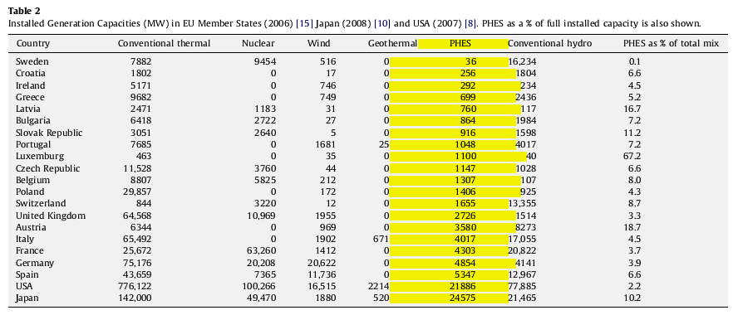
Special value:
: | not available

