Runfile Switches
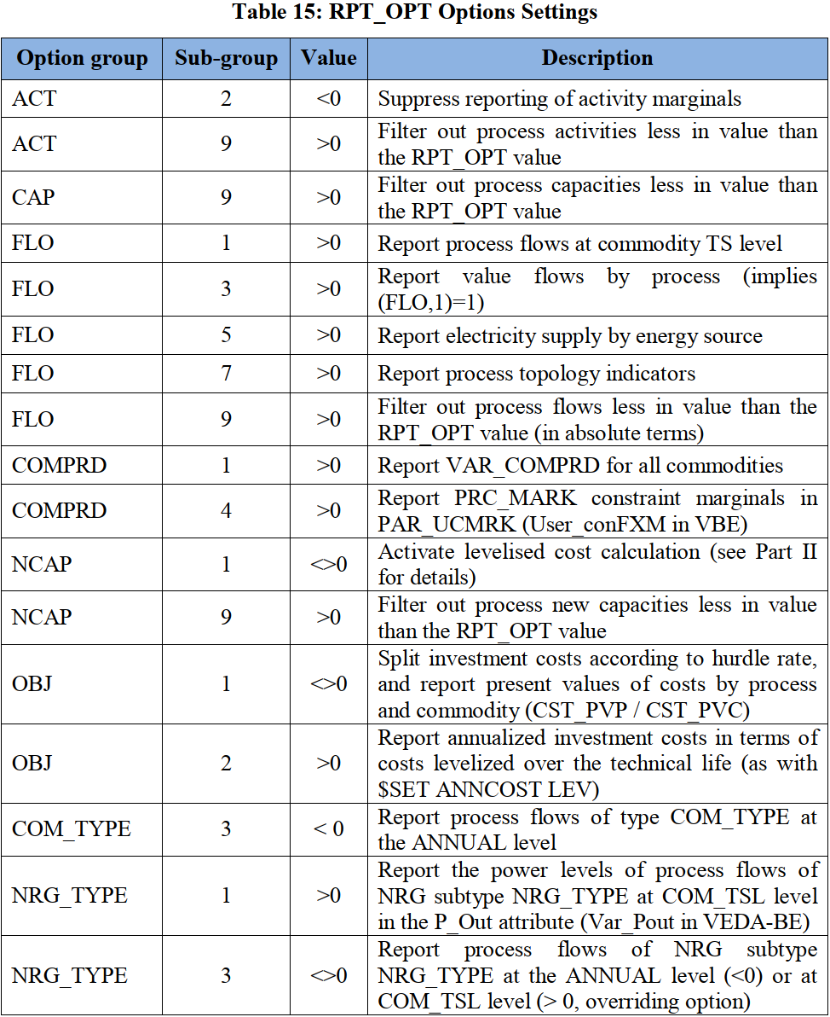

~TFM_INS
Attribute | Other_Indexes | AllRegions
RPT_OPT | NCAP~1 | 1
RPT_OPT | FLO~3 | 1
RPT_OPT | FLO~5 | 1
RPT_OPT | FLO~1 | 1
RPT_OPT | COMPRD~1 | 1
RPT_OPT | OBJ~1 | 1
RPT_OPT | NCAP~1 | 1
RPT_OPT | ACT~9 | 1.00E-03
RPT_OPT | CAP~9 | 1.00E-03
RPT_OPT | FLO~9 | 1.00E-03
RPT_OPT | NCAP~9 | 1.00E-03
RPT_OPT | ELC~1 | 1

