Лист2
Apraglutide | 1 mg |  | 5 mg |  | 10 mg
Doses | 1 | 6 | 1 | 6 | 1 | 6
Cmax (ng/ml) | 13.918 ± 11.236 | 24.238±9,225 | 94.088 ± 50.467 | 124.818 ± 72.126 | 136.855 ± 55.403 | 182.374 ± 9
CL/F, l/d |  | 17.565 ± 3.818 |  | 16.480 ± 7.341 |  | 20.747 ± 9.540
t1/2 , h |  |  |  | 72.96 ± 22.56 |  | 76.32 ± 27.60
Vz /F, l |  |  |  | 55.426 ± 23.760 |  | 105.021 ± 76.365

Source | Bolognani, F., Kruithof, A. C., Schulthess, P., Machacek, M., de Kam, M. L., Bergmann, K. R., van Gent, M., Moerland, M., Crenn, P., Greig, G., & Gal, P. (2023). Characterization of the Pharmacokinetic and Pharmacodynamic Profile of Apraglutide, a Glucagon-Like Peptide-2 Analog, in Healthy Volunteers. The Journal of pharmacology and experimental therapeutics, 386(2), 129–137. https://doi.org/10.1124/jpet.123.001582

CIGB-552 | 4.7 мг (n=3) | 7.0 мг (n=2)
Cmax​ (мкг/л) | 14.10 ± 3.42 | 15.45 ± 5.87
Tmax​ (ч) | 0.33 ± 0.14 | 0.25 ± 0.00
t1/2​ (ч) | 0.90 ± 0.06 | 3.34 ± 0.87
VZ/F (л) | 396.90 ± 30.86 | 1429.27 ± 86.98 |  |  | Неканонические АК
Cl/F (л/ч) | 306.18 ± 75.27 | 298.53 ± 18.01 |  |  | Ac-His-Ala-Arg-Ile-Lys-D-Pro-Thr-Phe-Arg-Arg-D-Leu-Lys-Trp-Lys-Tyr-Lys-Gly-Lys-Phe-Trp | CC(=O)N[C@@]([H])(CC1=CN=C-N1)C(=O)N[C@@]([H])(C)C(=O)N[C@@]([H])(CCCNC(=N)N)C(=O)N[C@@]([H])([C@]([H])(CC)C)C(=O)N[C@@]([H])(CCCCN)C(=O)N1[C@]([H])(CCC1)C(=O)N[C@@]([H])([C@]([H])(O)C)C(=O)N[C@@]([H])(Cc1ccccc1)C(=O)N[C@@]([H])(CCCNC(=N)N)C(=O)N[C@@]([H])(CCCNC(=N)N)C(=O)N[C@]([H])(CC(C)C)C(=O)N[C@@]([H])(CCCCN)C(=O)N[C@@]([H])(CC(=CN2)C1=C2C=CC=C1)C(=O)N[C@@]([H])(CCCCN)C(=O)N[C@@]([H])(Cc1ccc(O)cc1)C(=O)N[C@@]([H])(CCCCN)C(=O)NCC(=O)N[C@@]([H])(CCCCN)C(=O)N[C@@]([H])(Cc1ccccc1)C(=O)N[C@@]([H])(CC(=CN2)C1=C2C=CC=C1)C(=O)O

 | Vallespi MG, Mestre B, Marrero MA, et al. A first-in-class, first-in-human, phase I trial of CIGB-552, a synthetic peptide targeting COMMD1 to inhibit the oncogenic activity of NF-κB in patients with advanced solid tumors. Int J Cancer. 2021;149(6):1313-1321. doi:10.1002/ijc.33695

PN-943 | Modi NB, Cheng X, Mattheakis L, et al. Single- and Multiple-Dose Pharmacokinetics and Pharmacodynamics of PN-943, a Gastrointestinal-Restricted Oral Peptide Antagonist of α4β7, in Healthy Volunteers.
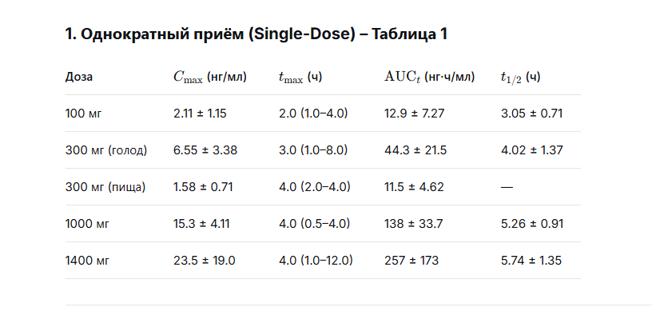

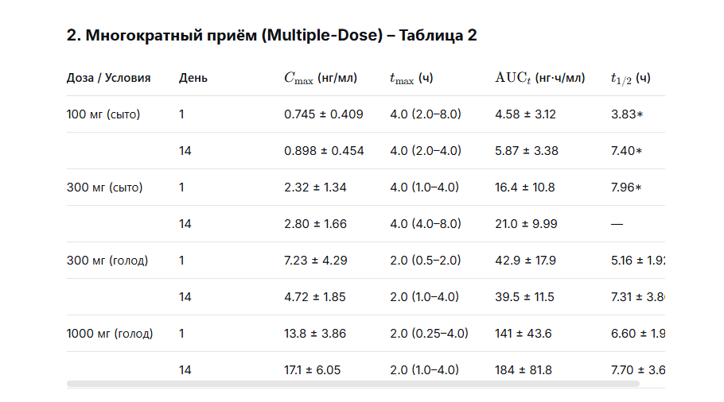

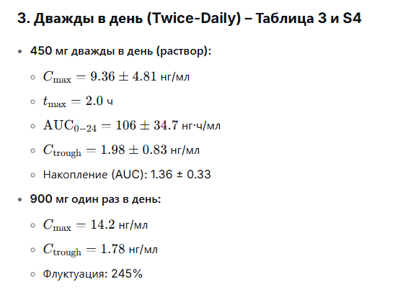

PLG0206 | Huang D, Dobbins D, Ghahramani P, Friedland I, Steckbeck J. A Phase 1 Study of the Safety, Tolerability, and Pharmacokinetics of Single Ascending Doses of a First-in-Human Engineered Cationic Peptide, PLG0206, Intravenously Administered in Healthy Subjects. Antimicrob Agents Chemother. 2022;66(1):e0144121. doi:10.1128/AAC.01441-21

