Dashboard
c
c
EBS Management Transportation and Logistic
Dashboard 2022
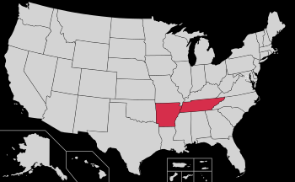
Total Trips

New York
24
Hired Transportation
5
Trips
Dashboard
Overview

 | Total
Close | 16
Far | 6
Regular | 2
Schedule
Total Expenses
Total Salaries
Total Expenses
16
6
2
Close
Region
Far

1.21867E+15
$27,900,000.00
$43,680,000.00

Drivers

Total Salaries and Wages
Total Salaries and Wages
Wages | 43680000
Salaries | 27900000
Salaries | 27900000
Wages | 43680000
 | Sum of Driver Salary | Sum of Buddy Salary
Close | 5200 | 2500
Far | 3400 | 500
Regular | 400 | 100

Months

Cargo Type

Month of Goods
Destination Distance
 | Total
Woodchip | 12
Woodpellet | 12
 | Total
Jan | $2.00
Feb | $2.00
Mar | $4.00
Apr | $1.00
May | $1.00
Jun | $2.00
Jul | $2.00
Aug | $3.00
Sep | $1.00
Oct | $4.00
Nov | $1.00
Dec | $1.00
 | Total
Air Port | $50.00
Alex | $160.00
Gidec | $180.00
Giza | $50.00
Port Said | $30.00
PT | $30.00
Safeskin | $138.00
Top glove | $130.00
Xunthai | $100.00

