experiment
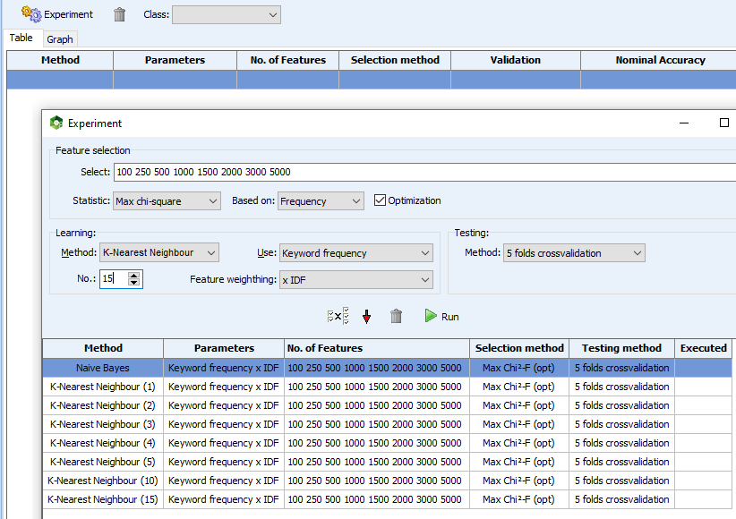
Onglet | Onglet
Text processing | Classification

Paramètres | Paramètres
> Exclusion | > Settings
Liste "English" (intégrée à Wordstat) | Variable to predict: CATEGORIE
Import exclusion_v2.stop (nos ajouts) | Validation method: 5 fold cross validation

> Postprocessing | >History / experiment
Add words with case frequency higher or equal to : 30 | Feature selection
Keep a maximum of 10 000 items based on TF-IDF | Select: 100 250 500 1000 1500 2000 3000 5000
 | Statistic: Max chi-square
 | Based on: Frequency

 | Learning
 | Method: Naive Bayes ; K Nearest Neighbors (1 2 3 4 5 10 15)
 | Use: Keyword frequency
 | Feature weighting: x IDF

 | Testing
 | Method: 5 fold cross validation

