Notes and Versions
Road tunnel quadratics spreadsheet versioning

v1 | Nov 2020. First version.
v1.1 | Dec 2020. Corrected the selection of which quadratic to use at slow vehicle speeds, added a note about density 1.2 kg/m3.
v1.2 | Apr 2021. Corrected errors in the sanity check calculation when the traffic blockage correction was active. Altered the text descriptions of the range and sanity checks to the correct rows. Modified a logic test that works in LibreOffice but fails in Excel to a test that works in both programs. Modified the error checks to catch more types of erroneous input.

Notes for use (in no particular order)

1) | This spreadsheet solves steady-state incompressible flow in a road tunnel with friction, portal losses,
 | stationary/moving traffic, portal pressure differences and jet fans. It follows the classical approach
 | given in PIARC documents, Woods Practical Guide to Fan Engineering and many BHR conference papers.

2) | If you have stationary traffic, you must set vehicle densities (veh/km). If you have moving traffic, you
 | must set vehicle flowrates (veh/hr). The descriptors and units change according to whether it is stationary
 | or moving traffic, but it is easy to forget.

3) | The traffic speed must be zero or positive. The spreadsheet could be extended to handle cases with
 | negative traffic speeds, but a simple spreadsheet is easier to prove correct. A more complex spreadsheet
 | would be harder to prove wrong.

4) | The spreadsheet does not consider area changes, friction factors varying with air velocity, or density changes.

5) | You must set which friction factor type you want to use, Darcy friction factor λ or Fanning friction
 | factor c_f (λ = 4 c_f). If you are unsure about the difference between them, read “friction-rant.pdf”
 | at https://github.com/ECB2020/Hobyah/tree/master/documentation

6) | The equations it uses are those in section IV of PIARC report 05.02.B (1995). That report is available
 | for free on PIARC's website (piarc.org) if you register your email with PIARC (also free).

7) | The basic equation that the spreadsheet solves is
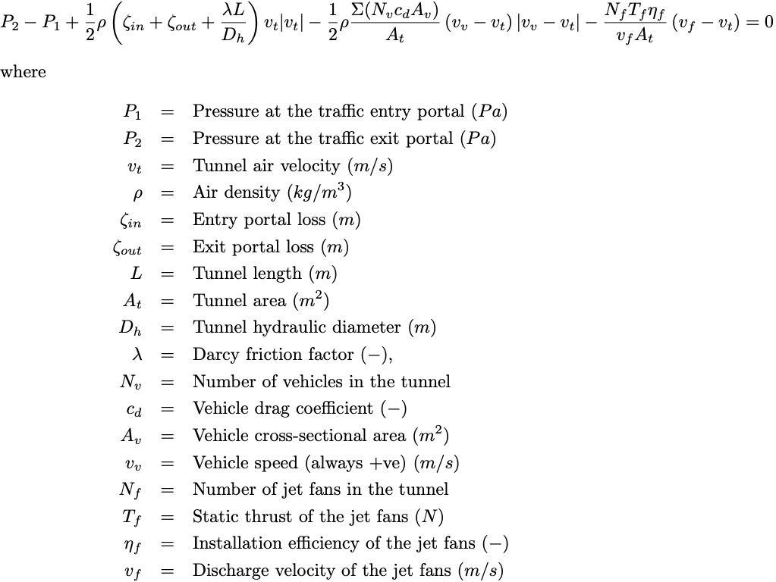

8) | Where we have positive v_t, the absolute value term |v_v – v_t| means that we have to split into two quadratics,
 | one for use when the traffic speed is higher than the airspeed, one for use when it is lower. Only the sign of
 | the traffic term changes.

9) | In the rare case where the pressure difference or reverse jet fans overpower the traffic piston effect and
 | air blows backwards through the tunnel (negative v_t) a third equation is needed. In this case we do not need
 | the absolute value term, we can solve one quadratic equation with the sign of the friction term changed.

10) | If you want the jet fans to blow against the direction of traffic, set the jet van velocity negative. Do
 | not set the count of jet fans negative or the static thrust negative – they will not be accepted as valid input.

11) | The base density of the spreadsheet is 1.2 kg/m³. This is used to convert the wind and jet fan data into
 | the same form as traffic drag and friction.

12) | The spreadsheet has sanity checks on the input data. Text inputs (“Y”, “N”, “Darcy”, “Fanning”) are
 | not case-sensitive but it will complain if non-valid text is entered. It checks that number inputs are
 | numbers and are they in the correct range. With impossible entries (like negative tunnel area)
 | the spreadsheet will state that it can't calculate due to dud tunnel geometry. Similar messages
 | appear for dud jet fan input, dud wind and dud traffic data.

13) | If you manage to get an unedited version of the spreadsheet to tell you that it can't calculate due
 | to “dud equations” then please get in touch with me. You've found a corner case that I missed during
 | testing. The “dud equations” error message is one that I wrote while developing the spreadsheet so
 | that I could track down all the errors I made while writing it. So be aware that if you start editing the
 | equations to extend the spreadsheet's capabilities, the message “dud equations” will likely appear.

