Notes and Versions
Road tunnel quadratics spreadsheet versioning

v1 | Nov 2020. First version.
v1.1 | Dec 2020. Corrected the selection of which quadratic to use at slow vehicle speeds, added a note about density 1.2 kg/m3.
v1.2 | Mar 2021. No change to the calculation. Altered the text descriptions of the range and sanity checks to the correct rows.
v1.3 | July 2023. Corrected an error in the traffic blockage. Changed the calculation and notes to match the verification document.

Notes for use (in no particular order)

1) | This spreadsheet solves steady-state incompressible flow in a road tunnel with friction, portal losses,
 | stationary/moving traffic, portal pressure differences and jet fans. It follows the classical approach
 | given in PIARC documents, Woods Practical Guide to Fan Engineering and many BHR conference papers.

2) | If you have stationary traffic, you must set vehicle densities (veh/km). If you have moving traffic, you
 | must set vehicle flowrates (veh/hr). The descriptors and units change according to whether it is stationary
 | or moving traffic, but it is easy to forget.

3) | The traffic speed must be zero or positive. The spreadsheet could be extended to handle cases with
 | negative traffic speeds, but a simple spreadsheet is easier to prove correct. A more complex spreadsheet
 | would be harder to prove wrong.

4) | The spreadsheet does not consider area changes, friction factors varying with air velocity, or density changes.

5) | You must set which friction factor type you want to use, Darcy friction factor λ or Fanning friction
 | factor c_f (λ = 4 c_f). If you are unsure about the difference between them, read “friction-rant.pdf”
 | at https://github.com/ECB2020/Hobyah/tree/master/documentation

6) | The equations it uses are those in section IV of PIARC report 05.02.B (1995). That report is available
 | for free on PIARC's website (piarc.org) if you register your email with PIARC (also free).

7) | The basic equation that the spreadsheet solves is
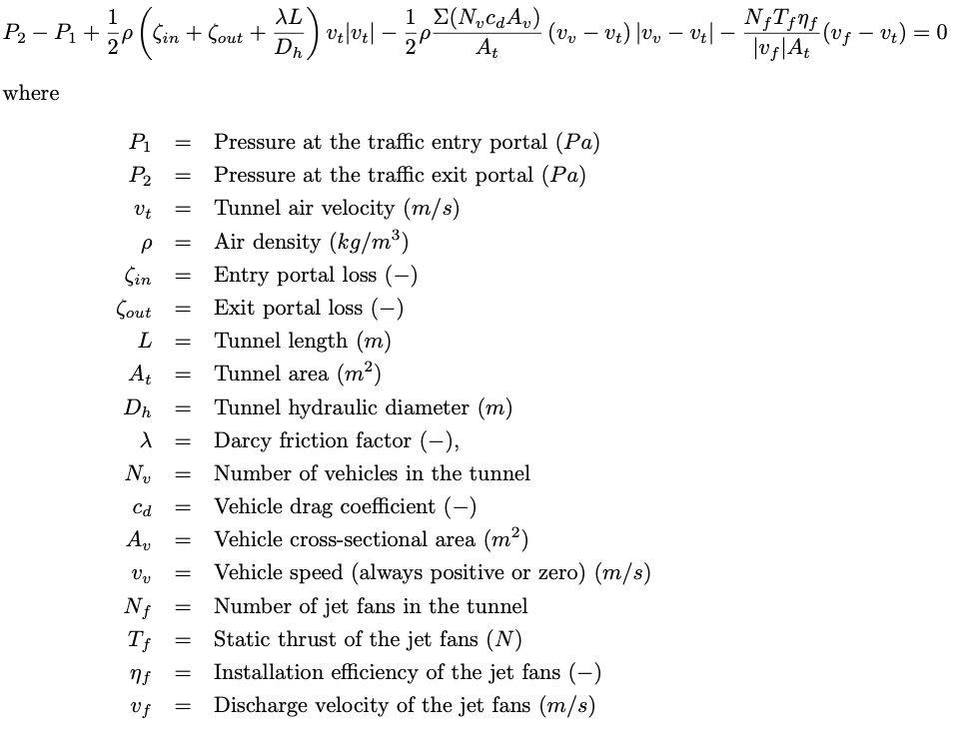

8) | Where we have positive v_t, the absolute value term |v_v – v_t| means that we have to split into two quadratics,
 | one for use when the traffic speed is lower than the airspeed, one for use when it is higher. Only the sign of the
 | traffic term changes.

9) | In the rare case where the pressure difference or reverse jet fans overpower the traffic piston effect and
 | air blows backwards through the tunnel (negative v_t) a third equation is needed. In this case we do not need
 | the absolute value term, we can solve one quadratic equation with the sign of the friction term changed.

10) | If you want the jet fans to blow against the direction of traffic, set the jet van velocity negative. Do
 | not set the count of jet fans negative or the static thrust negative – they will not be accepted as valid input.

11) | The base density of the spreadsheet is 1.2 kg/m³. This is used to convert the wind and jet fan data into
 | the same form as traffic drag and friction.

12) | The spreadsheet has sanity checks on the input data. Text inputs (“Y”, “N”, “Darcy”, “Fanning”) are
 | not case-sensitive but it will complain if non-valid text is entered. It checks that number inputs are
 | numbers and are they in the correct range. With impossible entries (like negative tunnel area)
 | the spreadsheet will state that it can't calculate due to dud tunnel geometry. Similar messages
 | appear for dud jet fan input, dud wind and dud traffic data.

13) | If you manage to get an unedited version of the spreadsheet to tell you that it can't calculate due
 | to “dud equations” then please get in touch with me. You've found a corner case that I missed during
 | testing. The “dud equations” error message is one that I wrote while developing the spreadsheet so
 | that I could track down all the errors I made while writing it. So be aware that if you start editing the
 | equations to extend the spreadsheet's capabilities, the message “dud equations” will likely appear.

