Table 1
2009
WILDFIRE ACTIVITY STATISTICS
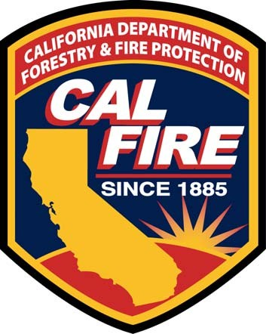
Del Walters Director
California Department of Forestry and Fire Protection
Lester A. Snow Secretary
Natural Resources Agency
Arnold Schwarzenegger Governor
State of California
TABLE OF CONTENTS
2009 WILDFIRE ACTIVITY STATISTICS
Page
Table of Contents 1-2
Foreword – Wildfire Activity Statistics 3
AREA PROTECTED
SRA Protection Area Map 4
SRA Protection Acres by Agency 5-6
CAL FIRE Direct Protection Area Map 7
CAL FIRE Direct Protection Acres by Agency 8
Graphic – Direct Protection Area – Acres by Contract County 9
WILDFIRE STATISTICS - ALL AGENCIES
2009 Fire Summary 10-11
Large Fires 300 Acres and Greater – CAL FIRE 12-13
Large Fires – Other Agencies 14-15
WILDFIRE STATISTICS - STATE RESPONSIBILITY – CONTRACT COUNTIES
State Responsibility, Fires and Acres – by Cause by Size Class, by Contract County 16
WILDFIRE STATISTICS - STATE RESPONSIBILITY – CAL FIRE DIRECT PROTECTION FIRES
Number of Fires by Cause, by Unit, by County – North Region 17-18
Number of Fires by Cause, by Unit, by County – South Region 19
Number of Fires by Size, by Unit, by County – North Region 20-21
Number of Fires by Size, by Unit, by County – South Region 22
ACRES BURNED
Number of Acres Burned by Cause, by Unit, by County – North Region 23-24
Number of Acres Burned by Cause, by Unit, by County – South Region 25
Acres Burned by Size, by Unit, by County – North Region 26-27
Acres Burned by Size Class, by Unit, by County – South Region 28
Acres Burned by Vegetation Type, by Unit, by County – North Region 29-30
Acres Burned by Vegetation Type, by Unit, by County – South Region 31
DOLLAR DAMAGE
Dollar Damage by Cause, by Unit, by County – North Region 32-33
Dollar Damage by Cause, by Unit, by County – South Region 34
Dollar Damage by Size Class, by Unit, by County – North Region 35-36
Dollar Damage by Size Class, by Unit, by County – South Region 37
TABLE OF CONTENTS CONTINUED
FIRE ACTIVITY
Graphic – Percent of Fires by Cause – Statewide Totals 38
Graphic – Number of Wildfires and Acres Burned – 2000 – 2009 39
Graphic – Number of Fires by Cause – This Year, Last Year and 5 – Year Average 40
Graphic – Fires and Acres – This Year, Last Year and 5 – Year Average 41
Graphic – Fires and Acres by Region – This Year, Last Year and 5 – Year Average 42
Graphic – CAL FIRE Direct Protection Area – Number of Fires and Acres by Month 43
Graphic – CAL FIRE Direct Protection Area – Number of Wildfires by Time 44
Graphic – CAL FIRE Direct Protection Area – Arson Fires and Acres 45
Graphic – CAL FIRE Structures Destroyed – 1989 – 2009 46
GLOSSARY
General Fire Terms and Definitions 47-48
FOREWARD
WILDFIRE ACTIVITY STATISTICS
The California Department of Forestry and Fire Protection’s (CAL FIRE) mission is to protect natural resources on State Responsibility Area from damage by wildfire. The State Responsibility Area (SRA) is state and privately-owned forest, watershed, and range land. CAL FIRE provides wildland fire protection for most SRA. The remainder is protected by federal agencies and counties under contract with the State. CAL FIRE also has cooperative fire protection agreements with Federal agencies to provide wildland fire protection on certain federal lands, and provides contracted life and property protection for numerous local governments. This additional protection of other agency land is included in the Direct Protection Responsibility (DPA) of CAL FIRE.
This annual report is a statistical record of wildland fires and damage on the CAL FIRE’s DPA. The statistical information provided in this report is gathered from California All Incident Reporting System (CAIRS), which was implemented in CAL FIRE in November 1, 2006. CAIRS collects data on wildland fires, structure fires and other incidents, such as medical emergencies, automobile accidents, lost hikers, hazardous material spills, train wrecks, floods, and earthquakes. The CAIRS data gives CAL FIRE the ability to track their workload. CAIRS is a web-based subscription service compliant with the United States Fire Administration’s (USFA) - National Fire Incident Reporting System (NFIRS).
How does CAIRS operate? After responding to an incident, fire department personnel complete one or more of the NFIRS modules. The information in these modules describes the type of incident; where it occurred; the resources used to mitigate losses and other information designed specifically to document the nature and causes of fires, hazardous material (HazMat), and emergency medical service (EMS) incidents. Information is also collected on the number of civilian and fire service casualties.
CAIRS is an information-based system with data entry, data storage, and data retrieval, whether for a single incident or in aggregate, accessed via a computer that interacts with the database. CAIRS consists of 11 modules; the Basic Module is to be completed for every incident, with additional modules used as appropriate to describe the incident. One report is completed for each incident. Several modules are optional modules depending on the situation found at the incident scene.
The majority of CAIRS data elements have been collected to provide the historical information in this report. The data used was obtained from the CAIRS database on February 23, 2010, using the Altaris CAD (Computer Aided Dispatch) system and using Business Objects version XI and Information Technology prepared Crystal Reports.
AREA PROTECTED
CAL FIRE SRA

CAL FIRE UNIT BOUNDARIES

STATE RESPONSIBILITY AREA, ACRES PROTECTED BY AGENCY – 2009**
COUNTY | CAL FIRE | USFS | BLM | NPS | CC | Other FED | Total
Alameda | 249,563 | 0 | 0 | 0 | 0 | 0 | 249,563
Alpine | 0 | 20,108 | 16,445 | 0 | 0 | 0 | 36,553
Amador | 281,745 | 10,418 | 0 | 0 | 0 | 0 | 292,162
Butte | 504,262 | 36,212 | 0 | 0 | 0 | 0 | 540,474
Calaveras | 528,502 | 2,286 | 0 | 0 | 0 | 0 | 530,788
Colusa | 253,812 | 5,405 | 0 | 0 | 0 | 0 | 259,217
Contra Costa | 200,069 | 0 | 0 | 0 | 0 | 0 | 200,069
Del Norte | 171,169 | 31,382 | 0 | 1,094 | 0 | 122 | 203,767
El Dorado | 407,307 | 160,047 | 0 | 0 | 0 | 0 | 567,354
Fresno | 742,802 | 21,908 | 0 | 0 | 0 | 0 | 764,710
Glenn | 305,701 | 6,446 | 0 | 0 | 0 | 0 | 312,148
Humboldt | 1,547,708 | 69,131 | 0 | 3,678 | 0 | 227 | 1,620,744
Imperial | 2,142 | 0 | 0 | 0 | 0 | 0 | 2,142
Inyo | 307,557 | 10,181 | 16,151 | 0 | 0 | 0 | 333,889
Kern | 0 | 29,646 | 151,114 | 0 | 1,653,512 | 83 | 1,834,355
Kings | 97,442 | 0 | 0 | 0 | 16 | 0 | 97,457
Lake | 355,077 | 39,611 | 0 | 0 | 0 | 0 | 394,688
Lassen | 581,794 | 88,058 | 377,336 | 0 | 0 | 0 | 1,047,188
Los Angeles | 0 | 30,414 | 229 | 0 | 475,517 | 0 | 506,160
Madera | 359,766 | 13,538 | 0 | 0 | 0 | 0 | 373,305
Marin | 0 | 0 | 0 | 80 | 199,965 | 93 | 200,138
Mariposa | 426,145 | 17,168 | 0 | 35 | 0 | 0 | 443,349
Mendocino | 1,842,672 | 25,012 | 0 | 0 | 0 | 0 | 1,867,684
Merced | 421,669 | 0 | 0 | 0 | 0 | 0 | 421,669
Modoc | 370,647 | 184,953 | 75,535 | 0 | 0 | 56 | 631,191
Mono | 2,287 | 46,816 | 148,987 | 0 | 0 | 0 | 198,089
Monterey | 1,245,581 | 41,392 | 0 | 26 | 0 | 2,360 | 1,289,358
Napa | 370,425 | 0 | 0 | 0 | 0 | 0 | 370,425
Nevada | 300,467 | 94,820 | 0 | 0 | 0 | 0 | 395,288
Orange | 0 | 2,407 | 0 | 0 | 108,001 | 0 | 110,409
Placer | 267,040 | 124,183 | 0 | 0 | 0 | 0 | 391,223
Plumas | 97,779 | 336,848 | 86 | 24 | 0 | 0 | 434,736
Riverside | 544,183 | 62,521 | 52,651 | 0 | 2,631 | 0 | 661,985
Sacramento | 117,328 | 0 | 0 | 0 | 0 | 0 | 117,328
San Benito | 729,770 | 0 | 0 | 61 | 0 | 0 | 729,832
San Bernardino | 284,349 | 77,045 | 0 | 55 | 15 | 0 | 361,465
San Diego | 1,109,904 | 84,511 | 0 | 0 | 14 | 951 | 1,195,380
San Francisco | 0 | 0 | 0 | 0 | 0 | 0 | 0
San Joaquin | 161,107 | 0 | 0 | 0 | 0 | 0 | 161,107
San Luis Obispo | 1,403,830 | 39,131 | 84,933 | 0 | 1,793 | 0 | 1,529,686
San Mateo | 180,924 | 0 | 0 | 0 | 0 | 0 | 180,924
Santa Barbara | 0 | 63,264 | 504 | 0 | 673,405 | 29 | 737,202
Santa Clara | 554,155 | 0 | 0 | 0 | 0 | 0 | 554,155
Santa Cruz | 234,951 | 0 | 0 | 0 | 0 | 31 | 234,982
Shasta | 1,146,685 | 216,548 | 0 | 409 | 0 | 0 | 1,363,643
Sierra | 0 | 161,362 | 2,327 | 0 | 0 | 0 | 163,689
Siskiyou | 1,006,850 | 361,615 | 0 | 0 | 0 | 347 | 1,368,813
Solano | 87,068 | 0 | 0 | 0 | 0 | 0 | 87,068
Sonoma | 794,777 | 0 | 0 | 0 | 99 | 0 | 794,875
Stanislaus | 450,393 | 0 | 0 | 0 | 0 | 0 | 450,393
Sutter | 0 | 0 | 0 | 0 | 0 | 0 | 0
Tehama | 1,144,237 | 137,974 | 0 | 0 | 0 | 0 | 1,282,210
Trinity | 257,269 | 226,899 | 0 | 0 | 0 | 0 | 484,169
Tulare | 575,331 | 12,948 | 14,738 | 2,582 | 37 | 243 | 605,880
Tuolumne | 300,477 | 58,744 | 0 | 389 | 0 | 0 | 359,611
Ventura | 0 | 45,939 | 56 | 0 | 305,666 | 220 | 351,882
Yolo | 176,274 | 0 | 0 | 0 | 0 | 0 | 176,274
Yuba | 187,998 | 28,124 | 0 | 0 | 0 | 0 | 216,121
TOTAL | 23,688,991 | 3,025,014 | 941,091 | 8,434 | 3,420,670 | 4,763 | 31,088,963

Table 4
2009 DIRECT RESPONSIBILITY AREA * ACRES PROTECTED BY CONTRACT COUNTY
 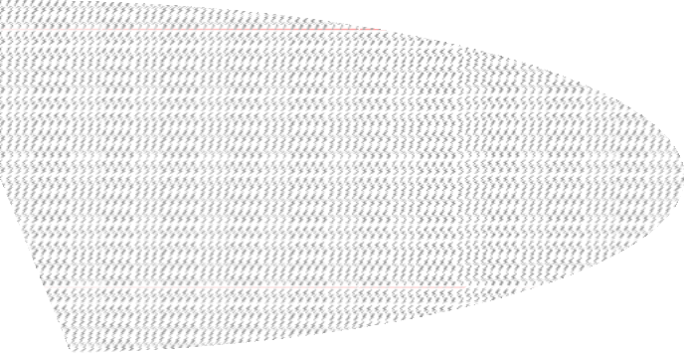  Santa Barbara 673,405 | Ventura 305,666 | Kern 1,653,512
Marin 199,965

 | Los Angeles 475,517 | Orange 111,255
*Riverside Unit protects 2,631 acres of Orange County and 623 acres in San Diego County state responsibility area
WILDFIRE STATISTICS
ALL AGENCIES

