Table 1
2010
Wildfire Activity Statistics
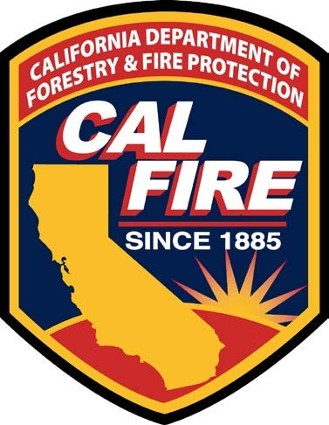
Del Walters
Director
California Department of Forestry and Fire Protection
Lester A. Snow
Secretary
Natural Resources Agency
Arnold Schwarzenegger, Governor
State of California
2010 Wildfire Activity Statistics
California Department of Forestry and Fire Protection Office of the State Fire Marshal
Administration/Executive Office
Mailing Address: P.O. Box 944246 Sacramento, CA 94244-2460 Location Address: 1131 "S" Street Sacramento, CA 95811 Phone: (916) 445-8200
Fax: (916) 445-8509
California All Incident Reporting System (CAIRS)
Phone: (916) 324-8922
Fax: (916) 445-8459
Acknowledgements
We wish to acknowledge and thank all who supplied data, resources, professional expertise, and assisted in the review and comment on the reports.
Table of Contents
Foreword — Wildfire Activity Statistics iv
2010 Statewide Fire Summary 1
Table 1. Protection Areas by Wildland Agency — Fires and Acres 1
Table 2. The Top Five Fires by Acreage Burned 1
AREA PROTECTED
Map 1. California — State Responsibility Area (SRA) 2
Table 3. State Responsibility Area, Acres Protected By Other Agencies (2010) 3-4
Map 2. CAL FIRE — Direct Protection Area (DPA) 5
WILDFIRE STATISTICS — CALIFORNIA WILDLAND FIRE AGENCIES
Table 4. Large Fires 300 Acres and Greater (State Responsibility Area) 6
Table 5. Large Fires 300 Acres and Greater (Other Agencies Direct Protection Area) 7
Table 6. Number of Fires and Acres Burned by Cause and by Size Class in Contract Counties 8-9
WILDFIRE STATISTICAL — CAL FIRE
Fires
Table 7. Number of Fires by Cause, by Unit and by County — Northern Region 10-11
Table 8. Number of Fires by Cause, by Unit and by County — Southern Region 12
Table 9. Number of Fires by Size, by Unit and by County — Northern Region 13-14
Table 10. Number of Fires by Size, by Unit and by County — Southern Region 15
Acres Burned
Table 11. Number of Acres Burned by Cause, by Unit and by County — Northern Region 16-17
Table 12. Number of Acres Burned by Cause, by Unit and by County — Southern Region 18
Table 13. Number of Acres Burned by Vegetation Type, by Unit and by County —
Northern Region 19-20
Table 14. Number of Acres Burned by Vegetation Type, by Unit and by County —
Southern Region 21
Dollar Damage
Table 15. Dollar Damage by Cause, by Unit and by County — Northern Region 22-23
Table 16. Dollar Damage by Cause, by Unit and by County — Southern Region 24
Table 17. Dollar Damage by Size Class, by Unit and by County — Northern Region 25-26
Table 18. Dollar Damage by Size Class, by Unit and by County — Southern Region 27
Fire Activity
Graphic Figure 1. Percent of Fires by Cause — Statewide Totals 28
Graphic Figure 2. Number of Acres Burned (2001-2010) — Statewide Totals 29
Graphic Figure 3. Number of Wildfires (2001-2010) — Statewide Totals 30
Graphic Figure 4. Number of Wildfires by Cause — 2010, 2009 and 5 Year Average — Statewide Totals 31
Graphic Figure 5. Wildfires and Acres — 2010, 2009 and 5 Year Average —
Statewide Totals 32
Graphic Figure 6. Wildfires and Acres by Region — 2010, 2009 and 5 Year Average 33
Graphic Figure 7. Wildfire Arson Fires and Acres 34
Graphic Figure 8. Number of Wildfires by Time of the Day 35
Graphic Figure 9. Number of Wildfires and Acres Burned by Month 36
Graphic Figure 10. CAL FIRE Structures and Outbuildings Destroyed — 1989-2010 37
Glossary 38-39
FOREWORD WILDFIRE ACTIVITY STATISTICS
The California Department of Forestry and Fire Protection (CAL FIRE) under the direction of the State Board of Forestry and Fire Protection provides an annual Wildfire Activity Statistics report. Although it contains other information as well, this report is primarily a statistical record of wildland fires, acres burned, and dollar damage incidents responded to by CAL FIRE employees (Schedule B) within
CAL FIRE Direct Protection Area (DPA). These terms are explained in the text below.
The first Forest Fire Summary (RED BOOK) was published in 1943 and has continued to this date. Prior to 1989, data and statistics were tabulated manually; today statistics are derived from an automated database and in some cases made more explicit through spatial analysis using Geographic Information System techniques. CAL FIRE began electronically entering incident data into the Emergency Activity Reporting System (EARS) on July 1, 1989. Starting in mid 2006, CAL FIRE began reporting incidents using a web-based subscription service called California All Incident Reporting System (CAIRS). This data is imported into the CAIRS database by CAL FIRE staff and the data is uploaded quarterly to the National Database maintained by the United States Fire Administration (USFA). Due to the changes in data collection, methods and systems over the years, information may not always be comparable and data may be of differing accuracy or completeness.
The existing overall fire protection system involving CAL FIRE and California as a whole is rather complex. A number of technical terms are utilized and the use of fire statistics typically presupposes some understanding of the overall framework. A description of this framework can be found at (http://www.fire.ca.gov/about/about.php); and a Glossary of terms at the end of this document.
Throughout this report the statistics are displayed by who provides the wildland fire protection. Forces include those from Schedule A, Schedule B, Contract County or federal firefighters. The second part of the statistical reporting is where the protection is provided. Areas are categorized as State Responsibility Area (SRA) or Direct Protection Area (DPA).
SRA is State and privately-owned forest, watershed, and rangeland for which the primary financial responsibility of preventing and suppressing fires rests with the State (Map 1). Just over three- quarters of SRA is protected by CAL FIRE itself. However, under cooperative agreement or other arrangements, federal agencies protect 13% of SRA and local government protects the other 11% of SRA (Table 3).
The term “Direct Protection Area” is applied to indicate when a particular fire protection organization has the primary responsibility for attacking an uncontrolled fire and for directing the suppression activity. Thus, in addition to lands in SRA, CAL FIRE may have “direct protection” responsibility on lands in federal or local jurisdiction. At the same time, federal agencies, such as the U.S. Forest Service may have “direct protection” responsibility for lands in SRA. Taken in total, the lands in SRA, federal and local areas for which CAL FIRE has “direct protection” responsibility for fire protection responses are depicted on a Map 2.
State law also permits the CAL FIRE Director to contract with local government to protect SRA lands, in this document they are referred to as Contract Counties. To date, this has happened in six counties: Kern, Los Angeles, Marin, Orange, Santa Barbara, and Ventura.
CAL FIRE provides fire protection services to many California citizens through the administration of 146 cooperative fire protection agreements in 35 of the State’s 58 counties. Statistics associated with incidents where local government reimburses CAL FIRE for services, commonly referred to as Schedule A, are displayed in Table 1, the statewide summary of wildland fires.
This report also includes a statewide summary of California wildland fires and a listing of wildland fires over three hundred acres for all wildland fire agencies (Table 5). The statistical information in
this report is gathered from data in the California All Incident Reporting System (CAIRS) and Incident Status Summaries (ICS-209) on the National Fire and Aviation Management (FAMWEB) website http://fam.nwcg.gov/fam-web/ .
Additional Wildfire Activity Statistics for previous years can be found at the following website: http://www.fire.ca.gov/fire_protection/fire_protection_fire_info_redbooks.php
2010 STATEWIDE FIRE SUMMARY
During the 2010 fire season wildland fire agencies responded to 6,394 fires which burned 134,462 acres. For wildland agencies this represents a decrease of 14% from 2009 and is 12% below the agencies 5- year average. CAL FIRE, both Schedule A and Schedule B, firefighters responded to 4,059 wildland fire incidents that burned 30,795 acres. The 2010 wildland fire tally represents a decrease of 67% from 2009 and is 4% below the CAL FIRE 5-year average.
Table 1. Protection Areas by Wildland Agency—Fires and Acres
Direct Protection Area |  |  |  |  | Fires |  | Acres Burned
CAL FIRE - Schedule B |  |  |  |  | 2,434 |  | 25,438
CAL FIRE - Schedule A |  |  |  |  | 1,625 |  | 5,357
United States Forest Service |  |  |  |  | 1,045 |  | 33,157
Contract Counties |  |  |  |  | 719 |  | 4,796
Bureau of Land Management |  |  |  |  | 280 |  | 44,567
National Park Service |  |  |  |  | 92 |  | 11,928
Bureau of Indian Affairs |  |  |  |  | 100 |  | 284
United States Fish and Wildlife Service |  |  |  |  | 19 |  | 285
Military |  |  |  |  | 80 |  | 8650
2010 Total |  |  |  |  | 6,394 |  | 134,462
5-Year Average (2006-2010) All Agencies |  |  |  |  | 7,881 |  | 917,159
5 Year Average CAL FIRE (2006-2010) Includes Schedule A |  |  |  |  | 5,718 |  | 234,205
Table 2. The Top Five Fires by Acreage Burned
Fire Name | County | Start Date | Acres Burned | Fire Cause |  | Structures Destroyed
BULL | Kern | 2010-07-26 | 16,442 | Miscellaneous |  | 14
CROWN | Los Angeles | 2010-07-29 | 14,000 | Undetermined |  | 10
CANYON | Kern | 2010-09-12 | 9,820 | Undetermined |  | 1
MCDONALD | Lassen | 2010-07-27 | 9,408 | Lightning |  | 0
ALISO | San Diego | 2010-07-13 | 3,225 | Undetermined |  | 0
Map 1. California - State Responsibility Area (SRA)

Table 26
Graphic Figure 3. Number of Wildfires (2001-2010) — Statewide Totals
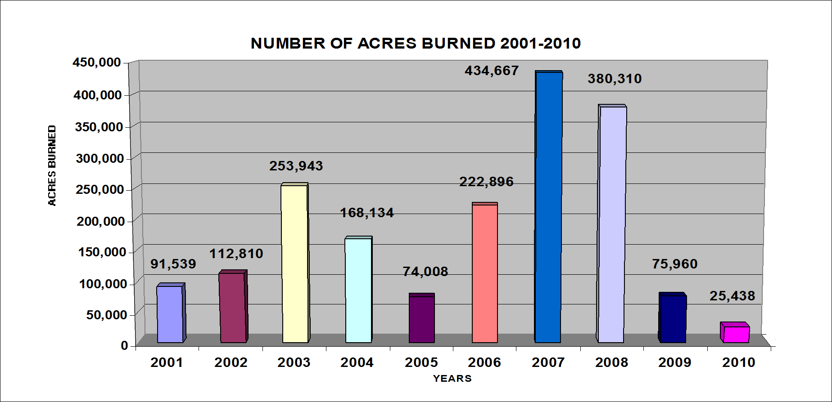 7,000 6,000 5,000 4,000 3,000 2,000 1,000 | N 6,158 5,759 | UM 5,90 | BER 1 | O 5,5 | F WIL 73 | DF 4,90 | IRES 9 | 20 4,80 | 01-2 5 3 | 10 ,61 | 0 | 3,593 | 2,858 2 | ,434

0 | 2001 2002 | 2003 |  | 2004 |  | 2005 Y | EAR | 2006 S |  | 2007 |  | 2008 | 2009 | 2010
0
Graphic Figure 4. Number of Wildfires by Cause — 2010, 2009 and 5 Year Average — Statewide Totals
CAL FIRE DIRECT PROTECTION AREA WILDFIRES BY CAUSE
2010 Fire Activity Comparison To Last Year And 5-Year Average
750
698
868
874
817
734
883
562
500
250
208
146
268
396
335
363
320
166
183
164
130 44
115 60
15 5 66
4 0 58 71
26 53
17
0
20 41 42
0 0
2010 2009 5-YR. AVG.
CAUSE
Graphic Figure 5. Wildfires and Acres — 2010, 2009 and 5 Year Average — Statewide Totals

Table 27
Graphic Figure 6. Wildfires and Acres by Region — 2010, 2009 and 5 Year Average
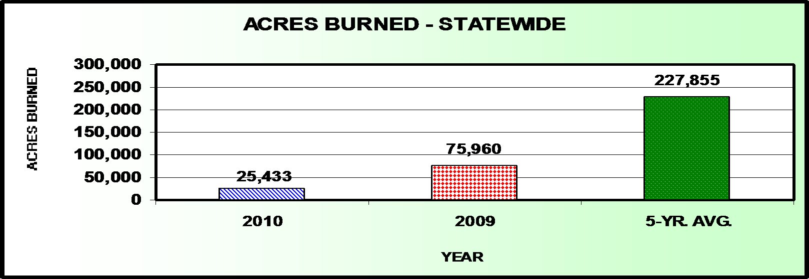 2,500 2,000 1,500 1,413 1,021 1,000 500 0 2010 |  | WILDFIRES BY REGION 1,878 980 2009 NORTHERN SO | 2,0 5 UTHERN |  |  | 79 1,381 -YR. AVG.
240,000 160,000 80,000 7,508 17,930 0 2010 | ACRES BURNED BY REGION 57,638 18,323 2009 NORTHERN SOUTH |  |  | 96, 5 ERN | 131,069 786 -YR. AVG.
Graphic Figure 7. Wildfire Arson Fires and Acres

Graphic Figure 8. Number of Wildfires by Time of the Day
300 273 287 233 243 186 148 145 150 105 112 109 87 79 54 55 60 35 45 35 22 21 17 28 23 28 0 1 2 3 4 5 6 7 8 9 10 11 12 13 14 15 16 17 18 19 20 21 22 23 24 HOUR OF DAY
Graphic Figure 9. Number of Wildfires and Acres Burned by Month

Table 28
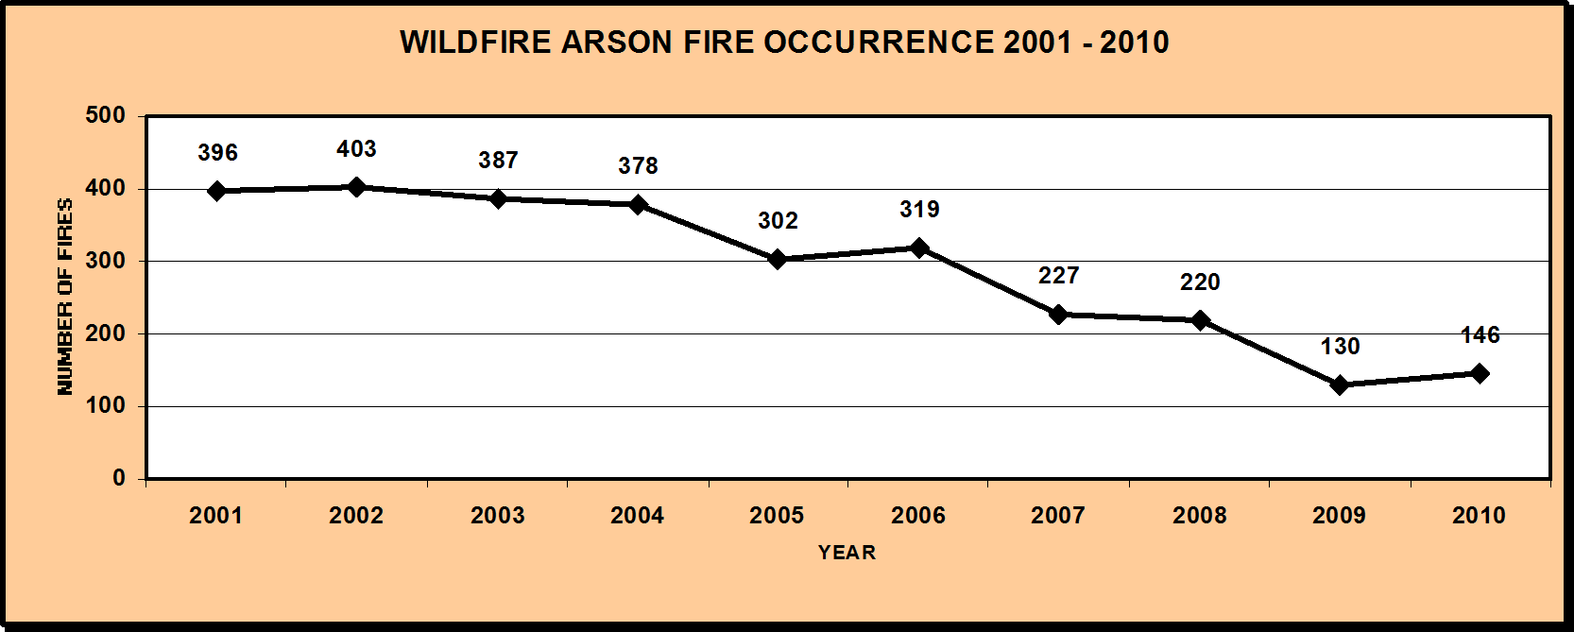
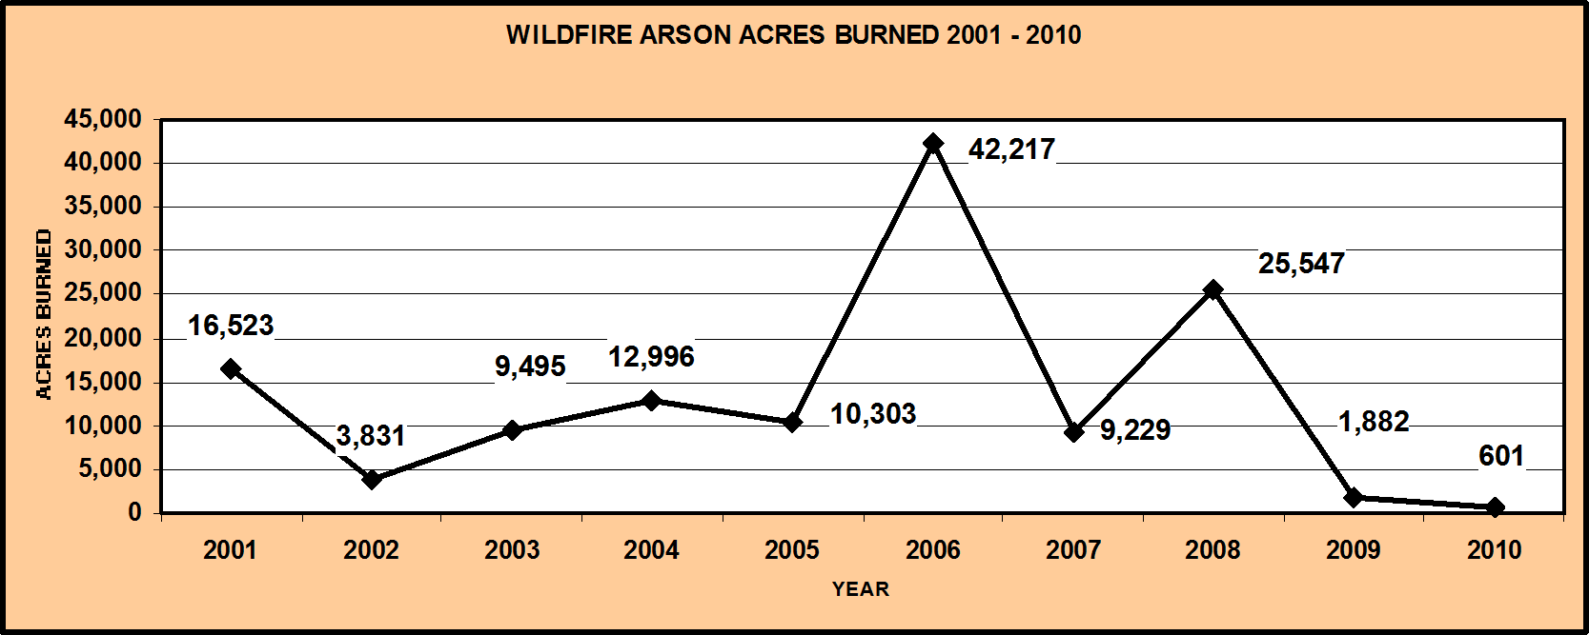
Graphic Figure 10. CAL FIRE Structures and Outbuildings Destroyed — 1989-2010
Structures Destroyed 1989-2010*



5,394
2,895
384
939
165 174
56
174 121 153 216 165
1,385
1,016
398 329 431
136 102
992
121 94
* Structure includes Residential, Commercial, and Outbuildings in the above yearly totals. 1992 includes the Fountain and Old Gulch Fires.
2003 includes the Cedar Fire which destroyed 4847 structures.
GLOSSARY
ARSON – Fires started willfully and maliciously.
BUILDING – Any structure used or intended for supporting or sheltering, use or occupancy that is defined in the California Building Code, 1994 Amendments, Chapter 2.
CAMPFIRE – Fires started from a campfire. A “campfire” is “a fire used for cooking, warmth, lighting, ceremonial or aesthetic purposes, not within a building, mobile home, or living accommodation mounted on a motor vehicle”, Public Resources Code (PRC) §4103.5. In addition to the traditional type of open campfires, this category includes lanterns, and cooking and warming stoves used in camping or ceremonial activity, etc. when outside a building, mobile home, or living accommodation mounted on a motor vehicle.
CONTRACT COUNTIES – Contract Counties (CAL FIRE contracts with local government for services) PRC §4133 and Section 55607 of the Government Code permit the CAL FIRE Director to contract with counties for protection of State Responsibility Area (SRA). In California, six counties provide fire- protection and prevention services in SRA under contract with the state. The counties of Kern, Los Angeles, Marin, Orange, Santa Barbara and Ventura are contract counties.
DEBRIS BURNING – Fires started by burning refuse, slash, trash, or rangeland.
Dooryard – Fires started by burning a trash pile, incinerator, etc., usually with a dooryard-burning permit, Form LE-62.
Other Burning – Fires started by a project, contract, slash or other burning, usually with a Project Permit Form LE-7, or application and burning permit, Form LE-5.
DIRECT PROTECTION AREA (DPA) – The area for which a particular fire protection organization has the primary responsibility for attacking an uncontrolled fire and for directing the suppression activities. Such responsibility may develop through law or contract.
EQUIPMENT USE – Fires started by the use of mechanical or electrical equipment.
Stationary Equipment – Fires started by any mechanical equipment that is stationary (not normally portable).
Portable Equipment – Fires started by any mechanical equipment or tool that is portable (not normally stationary).
Other Equipment – Fires started by any equipment not listed above.
FOREST FIRE – A fire burning uncontrolled on lands covered wholly or in part by timber, brush, grass, grain or other flammable vegetation.
INCENDIARY – Fire that is intentionally ignited under circumstances in which the person knows that the fire should not be ignited.
LIGHTNING – Fire started by lightning.
LOCAL GOVERNMENT – A fire department, especially of a municipal government, whose purpose is preventing and extinguishing fires.
MISCELLANEOUS – Fire started by events or activities that are not classified as arson, campfire, debris burning, equipment use, lightning, playing with fire, powerline, railroad, smoking, vehicle, or undetermined.
PLAYING WITH FIRE (P-W-F) – Fires started without malicious intent by children playing or experimenting with fire or fire-causing agents. Includes fires started unintentionally while playing with fireworks, toys, models and other fire-causing devices.
POWERLINE – Fire started by electrical distribution or transmission.
RAILROAD – Fire started by railroad rolling stock, such as speeder, locomotive, or rail car.
SCHEDULE A – PRC 4142 allows CAL FIRE to provide fire protection/emergency services to local governments under contracts. CAL FIRE provides fire protection services to many California citizens through the administration of 146 cooperative fire protection agreements in 35 of the State’s 58 counties.
SCHEDULE B – State personnel and resources, performing the State (CAL FIRE) mission, using State funding.
SMOKING – Fires started from smoking tobacco or other material; includes matches and other heat sources used in smoking.
STATE RESPONSIBILITY AREA (SRA) – Areas of the State in which the financial responsibility of preventing and suppressing fires has been determined by the State Board of Forestry and Fire Protection, to be primarily the responsibility of the State, PRC 4102.
UNCONTROLLED FIRE – Any fire which threatens to destroy life, property, or resources and either:
(1) is unattended by any person; (2) is attended by persons unable to prevent its unrestricted spread; and
(3) is burning with such velocity or intensity that it could not be readily controlled with those ordinary tools available to private persons at the fire scene.
UNDETERMINED – Fires that have not yet been investigated or those that have been investigated, or are under investigation, and have insufficient information to classify further.
VEHICLE – Fires started by a motorized transportation vehicle.
WILDFIRE – As defined in PRC §4103 and 4104 wildfire is any uncontrolled fire spreading through vegetative fuels that threatens to destroy life, property, or resources.
WILDLAND EXPOSURE – A combination of radiant heat, convective heat, direct flame contact and/or burning embers being projected by a vegetation fire to a structure and its immediate environment.
WILDLAND FIRE – Any fire occurring on undeveloped land. Specific to the CAIRS statistic in this report wildland fire includes: fires in natural vegetation, forests, woods, brush, or brush-and-grass mixture, grass, and cultivated vegetation.
WILDLAND-URBAN INTERFACE – A geographical area identified by the State as a “Fire Hazard Severity Zone” in accordance with the PRC §4201 through 4204 and Government Code §51175 through 51189, or other areas designed to be at a significant risk from wildfires.

