Table 1
2012
Wildfire Activity Statistics
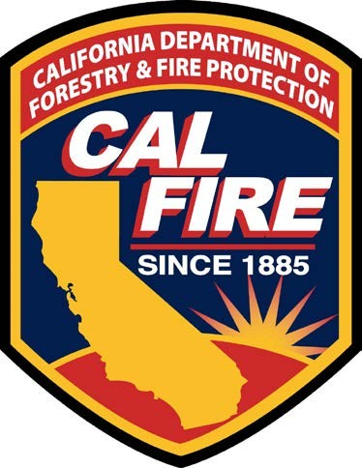
Ken Pimlott
Director
California Department of Forestry and Fire Protection
John Laird
Secretary
Natural Resources Agency
Edmund G. Brown Jr., Governor
State of California
2012 Wildfire Activity Statistics
California Department of Forestry and Fire Protection Office of the State Fire Marshal
Administration/Executive Office
Mailing Address: P.O. Box 944246 Sacramento, CA 94244-2460 Location Address: 1131 "S" Street Sacramento, CA 95811 Phone: (916) 445-8200
Fax: (916) 445-8509
California All Incident Reporting System (CAIRS)
Phone: (916) 445-8435
Fax: (916) 445-8459
Acknowledgements
We wish to acknowledge and thank all who supplied data, resources, professional expertise, and assisted in the review of the reports.
Table of Contents
Foreword — Wildfire Activity Statistics iv-v
2012 Statewide Fire Summary
Table 1. Protection Areas by Wildfire Agency — Fires and Acres 1
Table 2. The Top Five Fires by Acreage Burned 1
AREA PROTECTED
Map 1. State Responsibility Area (SRA) 2
Table 3. State Responsibility Area, Acres Protected By State and Other Agencies 3-4
Map 2. CAL FIRE — Direct Protection Area (DPA) 5
Table 4. CAL FIRE — Direct Protection Area, Acres Protected By Jurisdiction 6-7
WILDFIRE STATISTICS — CALIFORNIA WILDFIRE AGENCIES
Table 5. | Large Fires 300 Acres and Greater — State and Contract Counties Direct | 8-9
 | Protection Area
Table 6. | Large Fires 300 Acres and Greater — Other Agencies Direct Protection Area | 10-11
Table 7. | Number of Fires and Acres Burned by Cause and by Size in Contract Counties | 12-13
WILDFIRE STATISTICS — CAL FIRE
Fires
Table 8. Number of Fires by Cause, by Unit and by County — Northern Region 14-15
Table 9. Number of Fires by Cause, by Unit and by County — Southern Region 16
Table 10. Number of Fires and Acres Burned by Cause — Detailed 17-19
Table 11. Number of Fires by Size, by Unit and by County — Northern Region 20-21
Table 12. Number of Fires by Size, by Unit and by County — Southern Region 22
Acres Burned
Table 13. Number of Acres Burned by Cause, by Unit and by County — Northern Region 23-24
Table 14. Number of Acres Burned by Cause, by Unit and by County — Southern Region 25
Table 15. Number of Acres Burned by Vegetation Type, by Unit and by County — 26-27
Northern Region
Table 16. Number of Acres Burned by Vegetation Type, by Unit and by County — 28
Southern Region
Dollar Damage
Table 17. Dollar Damage by Cause, by Unit and by County — Northern Region 29-30
Table 18. Dollar Damage by Cause, by Unit and by County — Southern Region 31
Table 19. Dollar Damage by Size, by Unit and by County — Northern Region 32-33
Table 20. Dollar Damage by Size, by Unit and by County — Southern Region 34
Fire Activity Statewide
Graphic Figure 1. Percent of Fires by Cause 35
Graphic Figure 2. Number of Acres Burned — 2003-2012 36
Graphic Figure 3. Number of Fires — 2003-2012 37
Graphic Figure 4. Number of Fires by Cause — 2012, 2011 and 5 Year Average 38
Graphic Figure 5. Fires and Acres — 2012, 2011 and 5 Year Average 39
Graphic Figure 6. Fires and Acres by Region — 2012, 2011 and 5 Year Average 40
Graphic Figure 7. Arson Fires and Acres — 2003-2012 41
Graphic Figure 8. Number of Fires by Time of the Day 42
Graphic Figure 9. Number of Fires and Acres Burned by Month 43
Graphic Figure 10. Structures Destroyed — 1989-2012 44
Glossary 45-46
FOREWORD WILDFIRE ACTIVITY STATISTICS
The California Department of Forestry and Fire Protection (CAL FIRE), under the direction of the State Board of Forestry and Fire Protection, provides an annual Wildfire Activity Statistics report. Although it contains other information, this report is primarily a statistical record of wildfire incidents responded to by CAL FIRE employees (Schedule B) within CAL FIRE Direct Protection Area (DPA).
The existing overall fire protection system involving CAL FIRE and California as a whole is rather complex. A number of technical terms are utilized and the use of fire statistics typically presupposes some understanding of the overall framework. A description of this framework can be found at (http://www.fire.ca.gov/about/about.php); and in the Glossary of terms at the end of this document.
The first Forest Fire Summary (RED BOOK) was published in 1943, and has continued to this date. Prior to 1989, data and statistics were tabulated manually; today statistics are derived from an automated database and, in some cases, made more explicit through spatial analysis using Geographic Information System techniques. CAL FIRE began electronically entering incident data into the Emergency Activity Reporting System (EARS) on July 1, 1989. Starting at the end of 2006, CAL FIRE began reporting incidents using a web-based subscription service called California All Incident Reporting System (CAIRS). This data is imported into the CAIRS database by CAL FIRE staff and the data is uploaded quarterly to the National Database maintained by the United States Fire Administration (USFA). Due to the changes in data collection, methods and systems over the years, information may not always be comparable and data may be of differing accuracy or completeness.
Throughout this report, the statistics are displayed by who provides the wildfire protection. Forces include those from Schedule A, Schedule B, Contract County or federal firefighters. The second part of the statistical reporting is where the protection is provided. Areas are categorized as State Responsibility Area (SRA) or DPA.
SRA is State and privately-owned forest, watershed, and rangeland for which the primary financial responsibility of preventing and suppressing fires rests with the State (Map 1). Just over three- quarters of SRA is protected by CAL FIRE. However, under cooperative agreement or other arrangements, federal agencies protect 13% of SRA and local government protects the remaining 11% of SRA (Table 3).
The term “Direct Protection Area” is applied to indicate when a particular fire protection organization has the primary responsibility for attacking an uncontrolled fire and for directing the suppression activity. Thus, in addition to lands in SRA, CAL FIRE may have “direct protection” responsibility on lands in federal jurisdiction. At the same time, federal agencies, such as the U.S. Forest Service, may have “direct protection” responsibility for lands in SRA. The lands in SRA and federal areas for which CAL FIRE has “direct protection” responsibility for fire protection responses are depicted on Map 2.
The State contracts with six counties: Kern, Los Angeles, Marin, Orange, Santa Barbara, and Ventura, to provide protection of SRA within their boundaries.
CAL FIRE provides fire protection services to many California citizens through the administration of 146 cooperative fire protection agreements in 35 of the State's 58 counties, 25 cities, 31 fire districts and 34 other special districts and service areas. Wildfire statistics associated with incidents where local government reimburses CAL FIRE for services are displayed in Table 1.
This report also includes a statewide summary of California wildfires and a listing of wildfires over three hundred acres for all wildfire agencies (Table 5). The statistical information in this report is gathered from data in the previously defined CAIRS and Incident Status Summaries (ICS-209) on the National Fire and Aviation Management (FAMWEB) website http://fam.nwcg.gov/fam-web/ .
The data within the statistic reports and graphic displays on pages 14 through 44 includes only wildfire incidents in CAL FIRE’s DPA that are filtered into general cause categories. A description of the general cause categories can be found in the Glossary of Terms at the end of this document.
Additional Wildfire Activity Statistics for previous years can be found at the following website: http://www.fire.ca.gov/fire_protection/fire_protection_fire_info_redbooks.php

Table 16
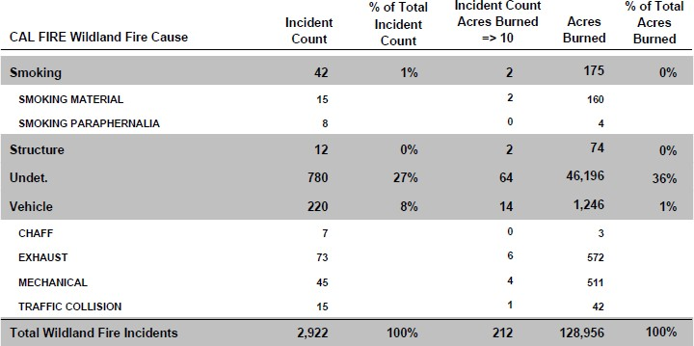
Table 11. Number of Fires by Size, by Unit and by County — Northern Region
 |  | A | B | C | D | E | F | G
NORTHERN REGION | Total | .25 acres or < | .26-9.99 acres | 10-99 acres | 100-299 acres | 300-999 acres | 1000-4999 acres | 5000 acres >
Amador | 55 | 34 | 18 | 3 | 0 | 0 | 0 | 0
El Dorado | 169 | 121 | 42 | 5 | 1 | 0 | 0 | 0
Sacramento | 12 | 5 | 4 | 3 | 0 | 0 | 0 | 0
Amador-El Dorado | 236 | 160 | 64 | 11 | 1 | 0 | 0 | 0
Butte | 114 | 53 | 56 | 4 | 1 | 0 | 0 | 0
Tehama | 4 | 1 | 2 | 0 | 0 | 0 | 1 | 0
Butte | 118 | 54 | 58 | 4 | 1 | 0 | 1 | 0
Del Norte | 35 | 25 | 5 | 5 | 0 | 0 | 0 | 0
Humboldt | 88 | 52 | 34 | 1 | 1 | 0 | 0 | 0
Humboldt-Del Norte | 123 | 77 | 39 | 6 | 1 | 0 | 0 | 0
Lassen | 25 | 12 | 10 | 2 | 1 | 0 | 0 | 0
Modoc | 9 | 3 | 6 | 0 | 0 | 0 | 0 | 0
Plumas | 8 | 5 | 2 | 0 | 1 | 0 | 0 | 0
Lassen-Modoc | 42 | 20 | 18 | 2 | 2 | 0 | 0 | 0
Mendocino | 102 | 45 | 47 | 7 | 1 | 1 | 1 | 0
Mendocino | 102 | 45 | 47 | 7 | 1 | 1 | 1 | 0
Nevada | 90 | 42 | 48 | 0 | 0 | 0 | 0 | 0
Placer | 111 | 64 | 46 | 0 | 0 | 0 | 1 | 0
Sierra | 1 | 0 | 1 | 0 | 0 | 0 | 0 | 0
Yuba | 47 | 10 | 34 | 3 | 0 | 0 | 0 | 0
Nevada-Yuba-Placer | 249 | 116 | 129 | 3 | 0 | 0 | 1 | 0
San Mateo | 15 | 8 | 6 | 1 | 0 | 0 | 0 | 0
Santa Cruz | 43 | 28 | 14 | 0 | 1 | 0 | 0 | 0
San Mateo-Santa Cruz | 58 | 36 | 20 | 1 | 1 | 0 | 0 | 0

