GP2Y0A41SK0F
fill in data |  | copy paste C code
Short range distance measured from front of the sensor to the wall
d(mm) | 1/d | ADCvalue |  | x | y | x*x | x*y | fit | d(mm) | err(mm)
100 | 0.010000 | 2813 |  | 2813 | 0.010000 | 7912969 | 28.13 | 0.0099801003803 | 100 | 0
150 | 0.006667 | 1935 |  | 1935 | 0.006667 | 3744225 | 12.9 | 0.0066585708327 | 150 | 0
200 | 0.005000 | 1520 |  | 1520 | 0.005000 | 2310400 | 7.6 | 0.0050885995773 | 196 | 4
300 | 0.003333 | 1040 |  | 1040 | 0.003333 | 1081600 | 3.4666666667 | 0.0032727292096 | 305 | 5
 |  |  |  | 7308 | 0.025 | 15049194 | 52.096666667 |  |  | 2.25
n | 4
m | 3.783063266E-06 |  | m=(n*sumxy-sumx*sumy)/(n*sumxx-sumx*sumx)
b | -0.00066165658701 |  | b=(sumy*sumxx-sumx*sumxy)/(n*sumxx-sumx*sumx)

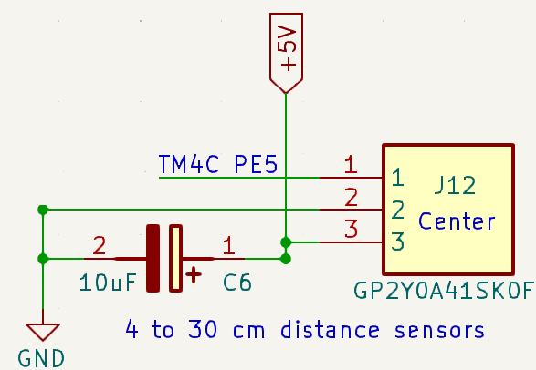
1/d = m*ADCvalue+b
1/d= 3.78306326601386E-06*ADCvalue +-0.000661656587007317
d = (1/m)/ (ADCvalue+b/m)
d= 264336/(ADCvalue -175)
1/m = | 264336
b/m= | -175
ave err= | 2.25 | mm

#define A 264336
#define B -175
d = A/(ADCvalue+B);

resistance
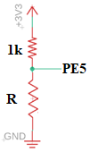
fill in data | adjust | copy paste C code
Resistance |  |  | Measured
R (ohms) | ADCvalue |  | R(ohm) | err(ohm)
470 | 1309 |  | 469 | 1
1000 | 2048 |  | 1000 | 0
2000 | 2730 |  | 2000 | 0
4700 | 3377 |  | 4703 | 3
 |  |  |  | 1.00

A | 1000
B | 4095

ave err= | 1.00 | ohm

#define A 1000
#define B 4
R = A*ADCvalue/(B-ADCvalue);

