LLC Floor Plan
Living/Learning Center (A/C)
Doubles |  | 200 | 199
Double Apartment |  | 2
Total Rooms |  | 200
Total Beds |  | 400

 | FIRST FLOOR (GROUND LEVEL)

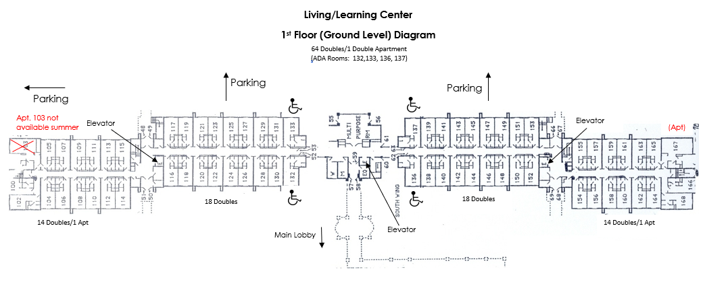

Exterior Access with Room Key

 | SECOND FLOOR (MIDDLE LEVEL)



 | THIRD FLOOR (LOBBY LEVEL)

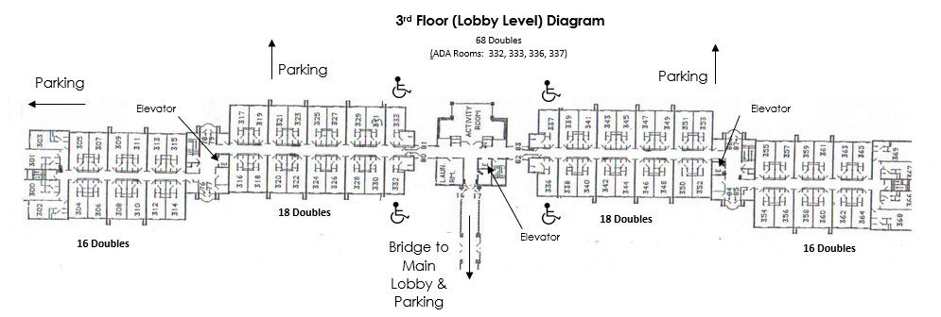

LLC 330 not available (Admissions Show Room)

