EPIFORECASTS - Rt
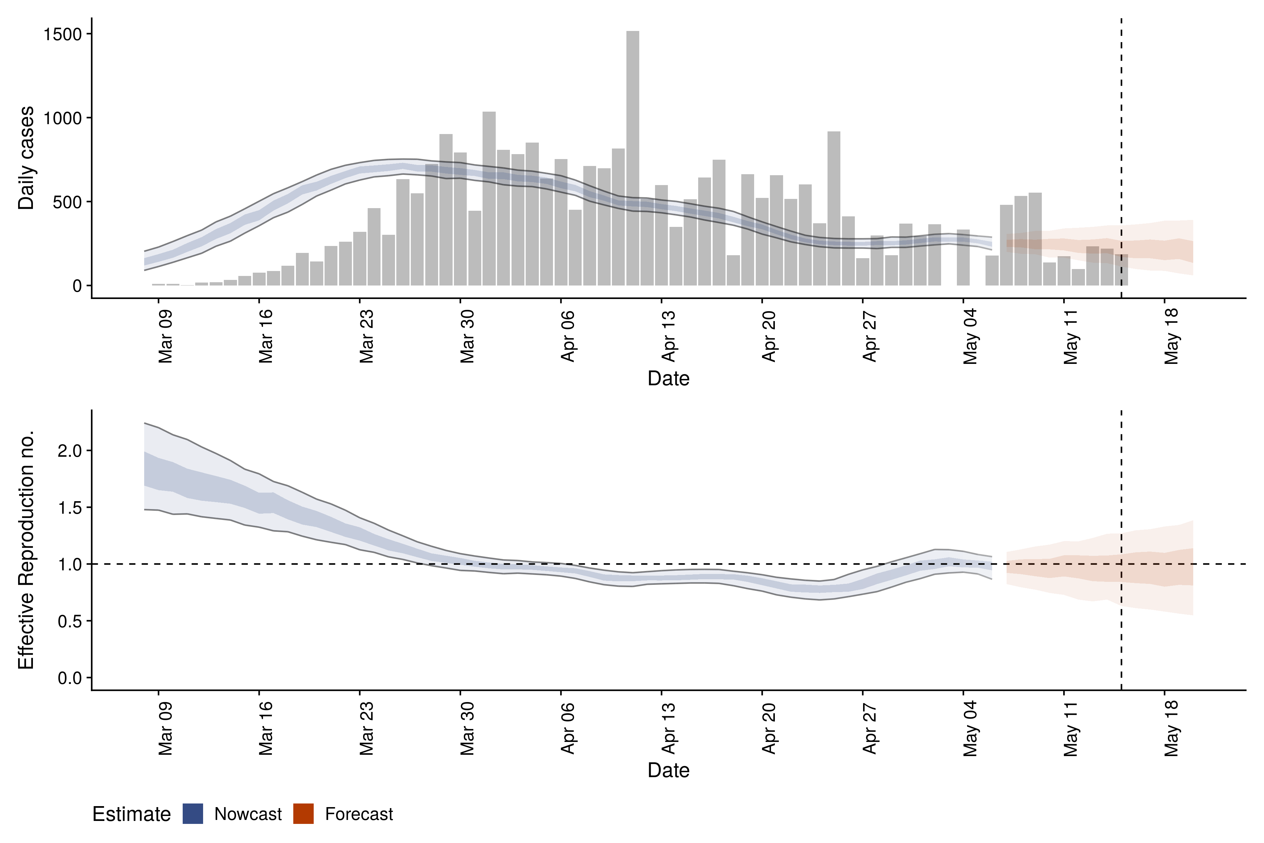
19.05.2020
 | Estimate
New confirmed cases by infection date | 252 (212 – 288)
Expected change in daily cases | Unsure
Effective reproduction no. | 1 (0.9 – 1.1)
Doubling/halving time (days) | 810 (25 – -28)
Adjusted R-squared | 0.15 (8e-14 – 0.39)

20.05.2020
 | Estimate
New confirmed cases by infection date | 242 (203 – 287)
Expected change in daily cases | Unsure
Effective reproduction no. | 1 (0.9 – 1.1)
Doubling/halving time (days) | -34 (45 – -12)
Adjusted R-squared | 0.36 (-2.1e-14 – 0.73)

21.05.2020
 | Estimate
New confirmed cases by infection date | 247 (206 – 289)
Expected change in daily cases | Unsure
Effective reproduction no. | 1 (0.9 – 1.2)
Doubling/halving time (days) | -110 (23 – -16)
Adjusted R-squared | 0.2 (-4.1e-15 – 0.52)

21.05.2020
 | Estimate
New confirmed cases by infection date | 247 (206 – 289)
Expected change in daily cases | Unsure
Effective reproduction no. | 1 (0.9 – 1.2)
Doubling/halving time (days) | -110 (23 – -16)
Adjusted R-squared | 0.2 (-4.1e-15 – 0.52)

