EPIFORECASTS - Rt
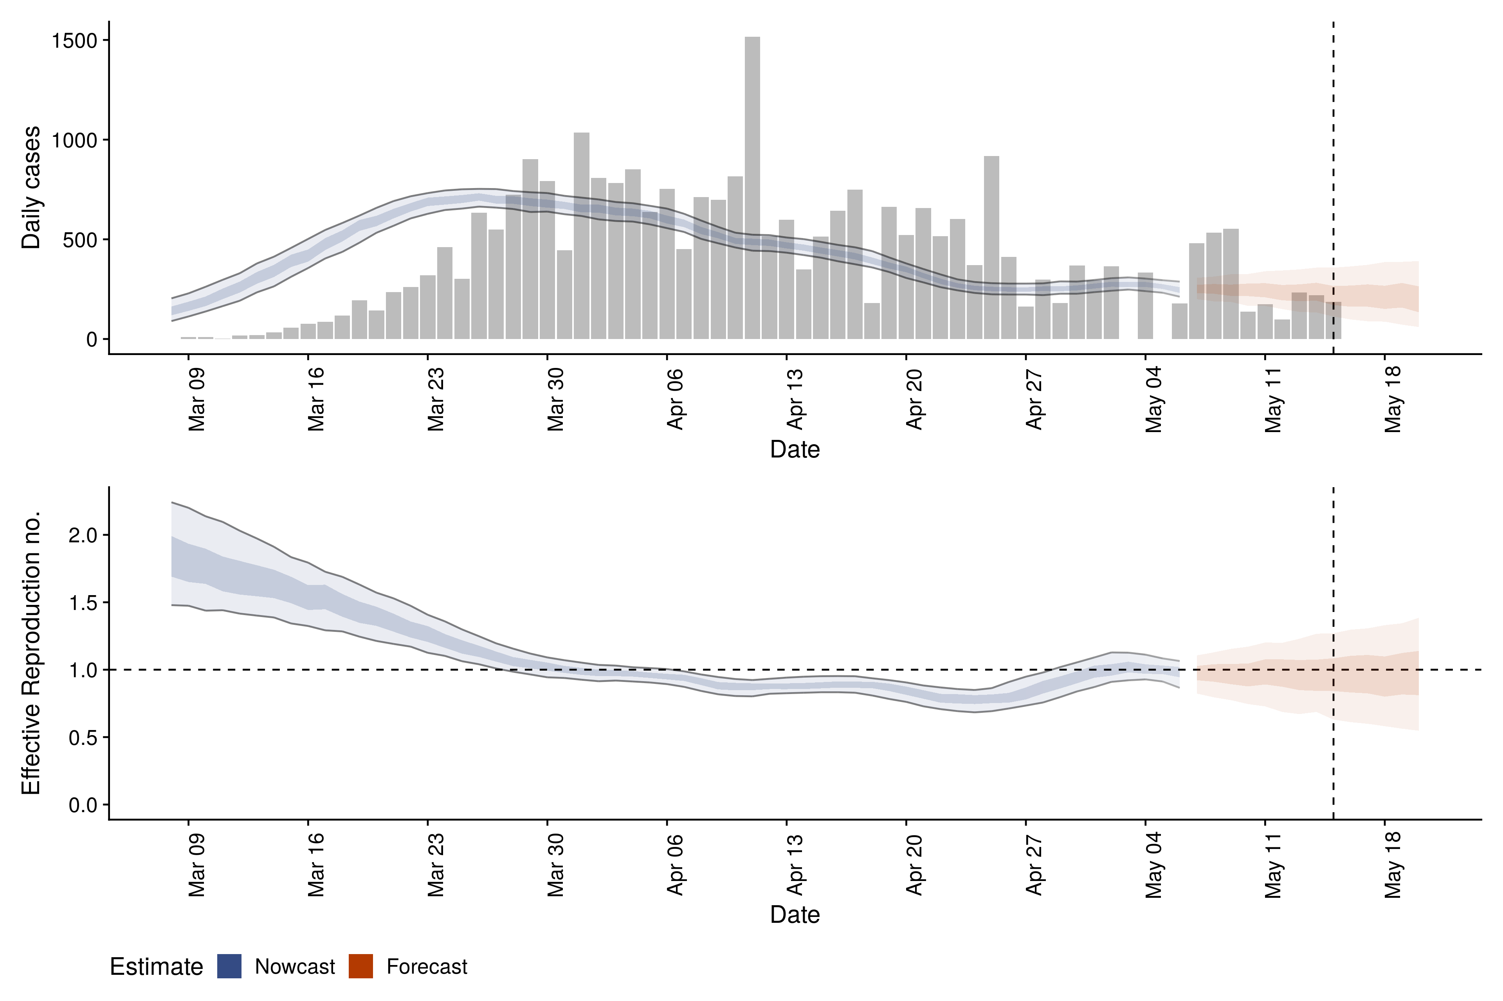
 | DATE | 19.05.2020 | 20.05.2020 | 21.05.2020 | 23.05.2020 | 24.05.2020 | 25.05.2020 | 26.05.2020 | 28.05.2020
Estimate | New confirmed cases by infection date | 252 (212 – 288) | 242 (203 – 287) | 247 (206 – 289) | 257 (212 – 302) | 273 (227 – 324) | 282 (225 – 334) | 256 (219 – 292) | 236 (201 – 267)
 | Δ (%) | - | -4.13% | 2.02% | 3.89% | 5.86% | 3.19% | -10.32% | -8.47%
 | Δ (n) | - | -10 | 5 | 10 | 16 | 9 | -26 | -20
 | Expected change in daily cases | Unsure | Unsure | Unsure | Likely increasing | Likely increasing | Increasing | Likely increasing | Unsure
 | Effective reproduction no. | 1 (0.9 – 1.1) | 1 (0.9 – 1.1) | 1 (0.9 – 1.2) | 1.1 (0.9 – 1.2) | 1.1 (1 – 1.2) | 1.1 (1 – 1.3) | 1.1 (1 – 1.2) | 1 (0.9 – 1.1)
 | Δ (%) | - | 0.00% | 0.00% | 9.09% | 0.00% | 0.00% | 0.00% | -10.00%
 | Δ (n) | - | 0 | 0 | 0.1 | 0 | 0 | 0 | -0.1
 | Doubling/halving time (days) | 810 (25 – -28) | -34 (45 – -12) | -110 (23 – -16) | 31 (13 – -82) | 19 (11 – 100) | 17 (10 – 56) | 28 (14 – -1000) | 59 (18 – -50)
 | Adjusted R-squared | 0.15 (8e-14 – 0.39) | 0.36 (-2.1e-14 – 0.73) | 0.2 (-4.1e-15 – 0.52) | 0.4 (2.3e-06 – 0.76) | 0.64 (0.31 – 0.96) | 0.7 (0.42 – 0.96) | 0.51 (0.11 – 0.91) | 0.27 (-1.2e-13 – 0.62)

COTEC-Rt
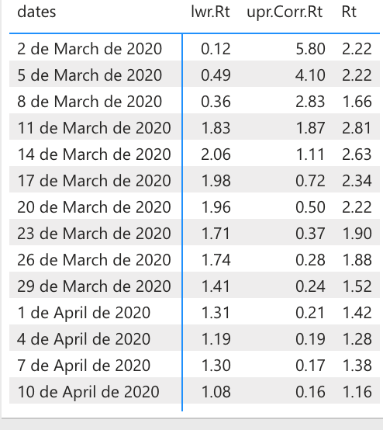
2020-05-26 |  |  |  | 2020-05-28
dates | lwr.Rt | Rt | upr .Co rr.Rt | dates | lwr.Rt | Rt | upr .Co rr.Rt
2020-03-02 | 0.11 | 2.79 | 6.16 | 2020-03-02 | 0.11 | 2.22 | 6.16
2020-03-04 | 0.15 | 2.79 | 4.81 | 2020-03-04 | 0.15 | 2.22 | 4.81
2020-03-06 | 0.57 | 2.66 | 3.97 | 2020-03-06 | 0.57 | 2.66 | 3.97
2020-03-08 | 0.26 | 1.55 | 2.85 | 2020-03-08 | 0.26 | 1.55 | 2.85
2020-03-10 | 1.1 | 2.36 | 2.38 | 2020-03-10 | 1.1 | 2.36 | 2.38
2020-03-12 | 2.08 | 2.98 | 1.71 | 2020-03-12 | 2.08 | 2.98 | 1.71
2020-03-14 | 2.07 | 2.68 | 1.2 | 2020-03-14 | 2.07 | 2.68 | 1.2
2020-03-16 | 2.28 | 2.72 | 0.87 | 2020-03-16 | 2.28 | 2.72 | 0.87
2020-03-18 | 1.82 | 2.17 | 0.69 | 2020-03-18 | 1.82 | 2.17 | 0.69
2020-03-20 | 1.89 | 2.16 | 0.54 | 2020-03-20 | 1.89 | 2.16 | 0.54
2020-03-22 | 1.74 | 1.96 | 0.43 | 2020-03-22 | 1.74 | 1.96 | 0.43
2020-03-24 | 1.81 | 1.99 | 0.35 | 2020-03-24 | 1.81 | 1.99 | 0.35
2020-03-26 | 1.83 | 1.98 | 0.3 | 2020-03-26 | 1.83 | 1.98 | 0.3
2020-03-28 | 1.44 | 1.57 | 0.26 | 2020-03-28 | 1.44 | 1.57 | 0.26
2020-03-30 | 1.49 | 1.61 | 0.23 | 2020-03-30 | 1.49 | 1.61 | 0.23
2020-04-01 | 1.36 | 1.47 | 0.22 | 2020-04-01 | 1.36 | 1.47 | 0.22
2020-04-03 | 1.24 | 1.34 | 0.2 | 2020-04-03 | 1.24 | 1.34 | 0.2
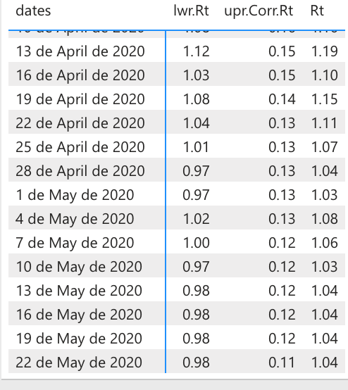
2020-04-05 | 1.15 | 1.24 | 0.19 | 2020-04-05 | 1.15 | 1.24 | 0.19
2020-04-07 | 1.21 | 1.29 | 0.18 | 2020-04-07 | 1.21 | 1.29 | 0.18
2020-04-09 | 1.22 | 1.3 | 0.16 | 2020-04-09 | 1.22 | 1.3 | 0.16
2020-04-11 | 1.07 | 1.15 | 0.16 | 2020-04-11 | 1.07 | 1.15 | 0.16
2020-04-13 | 1.1 | 1.17 | 0.15 | 2020-04-13 | 1.1 | 1.17 | 0.15
2020-04-15 | 1.05 | 1.12 | 0.14 | 2020-04-15 | 1.05 | 1.12 | 0.14
2020-04-17 | 1.07 | 1.15 | 0.15 | 2020-04-17 | 1.07 | 1.15 | 0.15
2020-04-19 | 1.08 | 1.15 | 0.14 | 2020-04-19 | 1.08 | 1.15 | 0.14
2020-04-21 | 1.05 | 1.11 | 0.13 | 2020-04-21 | 1.05 | 1.11 | 0.13
2020-04-23 | 1.05 | 1.12 | 0.13 | 2020-04-23 | 1.05 | 1.12 | 0.13
2020-04-25 | 1.01 | 1.07 | 0.13 | 2020-04-25 | 1.01 | 1.07 | 0.13
2020-04-27 | 0.98 | 1.05 | 0.13 | 2020-04-27 | 0.98 | 1.05 | 0.13
2020-04-29 | 0.98 | 1.04 | 0.13 | 2020-04-29 | 0.98 | 1.04 | 0.13
2020-05-01 | 0.95 | 1.01 | 0.13 | 2020-05-01 | 0.95 | 1.01 | 0.13
2020-05-03 | 0.98 | 1.04 | 0.13 | 2020-05-03 | 0.98 | 1.04 | 0.13
2020-05-05 | 1.04 | 1.1 | 0.13 | 2020-05-05 | 1.04 | 1.1 | 0.13
2020-05-07 | 1 | 1.06 | 0.12 | 2020-05-07 | 1 | 1.06 | 0.12
2020-05-09 | 0.96 | 1.02 | 0.12 | 2020-05-09 | 0.96 | 1.02 | 0.12
2020-05-11 | 0.98 | 1.04 | 0.12 | 2020-05-11 | 0.98 | 1.04 | 0.12
2020-05-13 | 0.98 | 1.04 | 0.12 | 2020-05-13 | 0.98 | 1.04 | 0.12
2020-05-15 | 0.98 | 1.04 | 0.12 | 2020-05-15 | 0.98 | 1.04 | 0.12
2020-05-17 | 0.97 | 1.03 | 0.13 | 2020-05-17 | 0.97 | 1.03 | 0.13
2020-05-19 | 0.98 | 1.04 | 0.12 | 2020-05-19 | 0.98 | 1.04 | 0.12
2020-05-21 | 0.99 | 1.05 | 0.11 | 2020-05-21 | 0.99 | 1.05 | 0.11
2020-05-23 | 0.97 | 1.03 | 0.11 | 2020-05-23 | 0.97 | 1.03 | 0.11
 |  |  |  | 2020-05-25 | 0.99 | 1.05 | 0.11

