EPIFORECASTS - Rt
country | date | type | median | lower_90 | upper_90 | lower_50 | upper_50 | prob_control
Portugal | 2020-03-03 | nowcast | 2.2 | 1.8 | 2.6 | 2 | 2.3 | 0
Portugal | 2020-03-04 | nowcast | 2.1 | 1.8 | 2.5 | 1.9 | 2.3 | 0
Portugal | 2020-03-05 | nowcast | 2.1 | 1.8 | 2.5 | 1.9 | 2.2 | 0
Portugal | 2020-03-06 | nowcast | 2.1 | 1.7 | 2.4 | 1.9 | 2.2 | 0
Portugal | 2020-03-07 | nowcast | 2 | 1.7 | 2.4 | 1.9 | 2.1 | 0
Portugal | 2020-03-08 | nowcast | 1.8 | 1.5 | 2.2 | 1.7 | 2 | 0
Portugal | 2020-03-09 | nowcast | 1.8 | 1.5 | 2.2 | 1.7 | 1.9 | 0
Portugal | 2020-03-10 | nowcast | 1.8 | 1.4 | 2.1 | 1.6 | 1.9 | 0
Portugal | 2020-03-11 | nowcast | 1.8 | 1.4 | 2.1 | 1.6 | 1.8 | 0
Portugal | 2020-03-12 | nowcast | 1.7 | 1.4 | 2 | 1.6 | 1.8 | 0
Portugal | 2020-03-13 | nowcast | 1.7 | 1.4 | 2 | 1.5 | 1.8 | 0
Portugal | 2020-03-14 | nowcast | 1.6 | 1.4 | 1.9 | 1.5 | 1.7 | 0
Portugal | 2020-03-15 | nowcast | 1.6 | 1.3 | 1.8 | 1.5 | 1.7 | 0
Portugal | 2020-03-16 | nowcast | 1.6 | 1.3 | 1.8 | 1.4 | 1.6 | 0
Portugal | 2020-03-17 | nowcast | 1.5 | 1.3 | 1.7 | 1.4 | 1.6 | 0
Portugal | 2020-03-18 | nowcast | 1.5 | 1.3 | 1.7 | 1.4 | 1.6 | 0
Portugal | 2020-03-19 | nowcast | 1.4 | 1.2 | 1.6 | 1.3 | 1.5 | 0
Portugal | 2020-03-20 | nowcast | 1.4 | 1.2 | 1.6 | 1.3 | 1.5 | 0
Portugal | 2020-03-21 | nowcast | 1.4 | 1.2 | 1.5 | 1.3 | 1.4 | 0
Portugal | 2020-03-22 | nowcast | 1.3 | 1.2 | 1.5 | 1.2 | 1.4 | 0
Portugal | 2020-03-23 | nowcast | 1.3 | 1.1 | 1.4 | 1.2 | 1.3 | 0
Portugal | 2020-03-24 | nowcast | 1.2 | 1.1 | 1.4 | 1.2 | 1.3 | 0
Portugal | 2020-03-25 | nowcast | 1.2 | 1.1 | 1.3 | 1.1 | 1.2 | 0
Portugal | 2020-03-26 | nowcast | 1.1 | 1 | 1.2 | 1.1 | 1.2 | 0.01
Portugal | 2020-03-27 | nowcast | 1.1 | 1 | 1.2 | 1.1 | 1.1 | 0.03
Portugal | 2020-03-28 | nowcast | 1.1 | 1 | 1.2 | 1 | 1.1 | 0.09
Portugal | 2020-03-29 | nowcast | 1 | 1 | 1.1 | 1 | 1.1 | 0.2
Portugal | 2020-03-30 | nowcast | 1 | 0.9 | 1.1 | 1 | 1.1 | 0.34
Portugal | 2020-03-31 | nowcast | 1 | 0.9 | 1.1 | 1 | 1 | 0.5
Portugal | 2020-04-01 | nowcast | 1 | 0.9 | 1.1 | 1 | 1 | 0.65
Portugal | 2020-04-02 | nowcast | 1 | 0.9 | 1 | 1 | 1 | 0.74
Portugal | 2020-04-03 | nowcast | 1 | 0.9 | 1 | 1 | 1 | 0.8
Portugal | 2020-04-04 | nowcast | 1 | 0.9 | 1 | 0.9 | 1 | 0.86
Portugal | 2020-04-05 | nowcast | 1 | 0.9 | 1 | 0.9 | 1 | 0.92
Portugal | 2020-04-06 | nowcast | 0.9 | 0.9 | 1 | 0.9 | 1 | 0.94
Portugal | 2020-04-07 | nowcast | 0.9 | 0.9 | 1 | 0.9 | 1 | 0.99
Portugal | 2020-04-08 | nowcast | 0.9 | 0.8 | 1 | 0.9 | 0.9 | 1
Portugal | 2020-04-09 | nowcast | 0.9 | 0.8 | 0.9 | 0.9 | 0.9 | 1
Portugal | 2020-04-10 | nowcast | 0.9 | 0.8 | 0.9 | 0.8 | 0.9 | 1
Portugal | 2020-04-11 | nowcast | 0.9 | 0.8 | 0.9 | 0.8 | 0.9 | 1
Portugal | 2020-04-12 | nowcast | 0.9 | 0.8 | 0.9 | 0.9 | 0.9 | 1
Portugal | 2020-04-13 | nowcast | 0.9 | 0.8 | 0.9 | 0.9 | 0.9 | 0.99
Portugal | 2020-04-14 | nowcast | 0.9 | 0.8 | 0.9 | 0.9 | 0.9 | 0.99
Portugal | 2020-04-15 | nowcast | 0.9 | 0.8 | 1 | 0.9 | 0.9 | 0.99
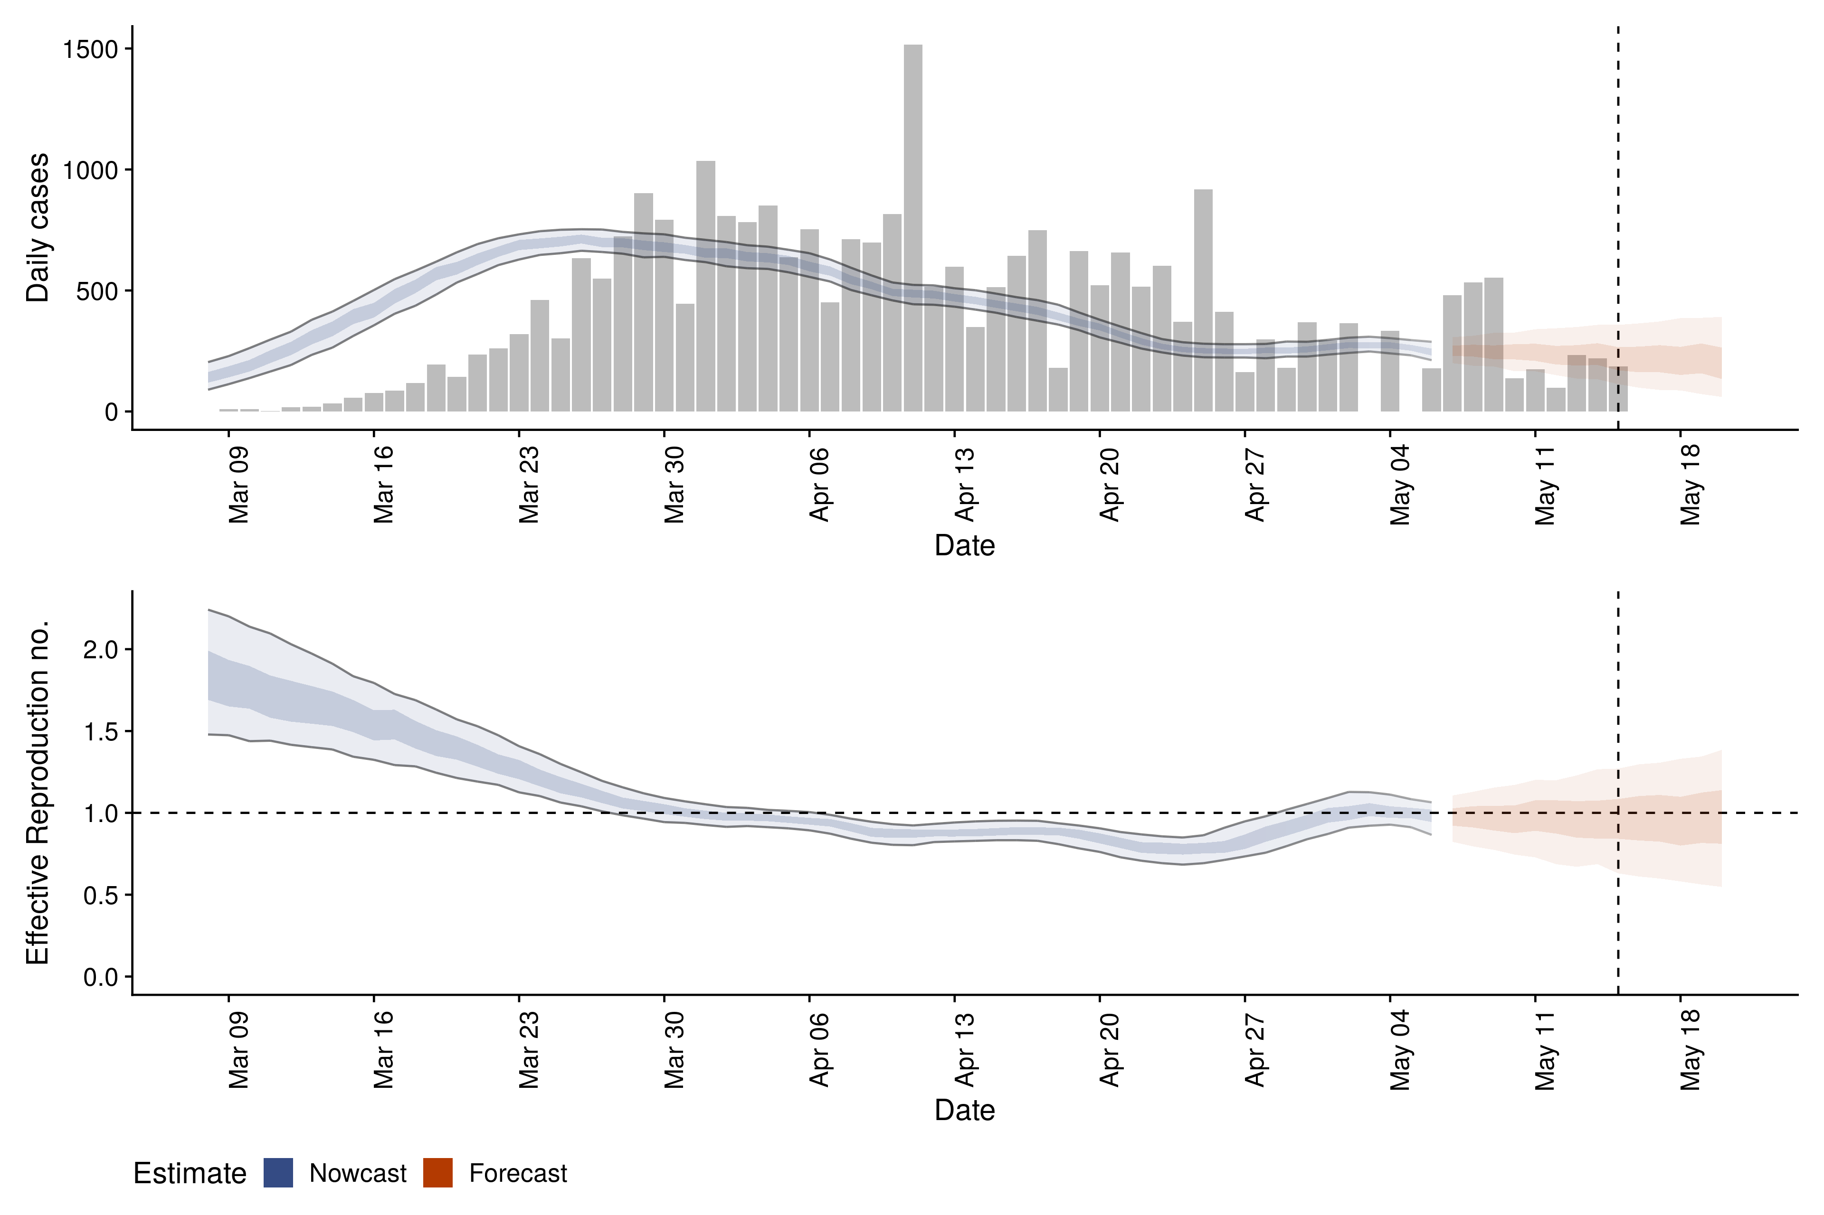
Portugal | 2020-04-16 | nowcast | 0.9 | 0.8 | 1 | 0.9 | 0.9 | 0.99
Portugal | 2020-04-17 | nowcast | 0.9 | 0.8 | 1 | 0.9 | 0.9 | 1
Portugal | 2020-04-18 | nowcast | 0.9 | 0.8 | 0.9 | 0.9 | 0.9 | 1
Portugal | 2020-04-19 | nowcast | 0.9 | 0.8 | 0.9 | 0.8 | 0.9 | 1
Portugal | 2020-04-20 | nowcast | 0.8 | 0.8 | 0.9 | 0.8 | 0.9 | 1
Portugal | 2020-04-21 | nowcast | 0.8 | 0.7 | 0.9 | 0.8 | 0.8 | 1
Portugal | 2020-04-22 | nowcast | 0.8 | 0.7 | 0.9 | 0.8 | 0.8 | 1
Portugal | 2020-04-23 | nowcast | 0.8 | 0.7 | 0.9 | 0.7 | 0.8 | 1
Portugal | 2020-04-24 | nowcast | 0.8 | 0.7 | 0.8 | 0.7 | 0.8 | 1
Portugal | 2020-04-25 | nowcast | 0.8 | 0.7 | 0.9 | 0.8 | 0.8 | 1
Portugal | 2020-04-26 | nowcast | 0.8 | 0.7 | 0.9 | 0.8 | 0.8 | 1
Portugal | 2020-04-27 | nowcast | 0.8 | 0.7 | 0.9 | 0.8 | 0.9 | 0.99
Portugal | 2020-04-28 | nowcast | 0.9 | 0.8 | 1 | 0.8 | 0.9 | 0.96
Portugal | 2020-04-29 | nowcast | 0.9 | 0.8 | 1 | 0.9 | 1 | 0.9
Portugal | 2020-04-30 | nowcast | 0.9 | 0.8 | 1.1 | 0.9 | 1 | 0.79
Portugal | 2020-05-01 | nowcast | 1 | 0.9 | 1.1 | 0.9 | 1 | 0.62
Portugal | 2020-05-02 | nowcast | 1 | 0.9 | 1.1 | 1 | 1 | 0.45
Portugal | 2020-05-03 | nowcast | 1 | 0.9 | 1.1 | 1 | 1.1 | 0.34
Portugal | 2020-05-04 | nowcast | 1 | 0.9 | 1.1 | 1 | 1 | 0.39
Portugal | 2020-05-05 | nowcast | 1 | 0.9 | 1.1 | 1 | 1 | 0.51
Portugal | 2020-05-06 | nowcast | 1 | 0.9 | 1.1 | 0.9 | 1 | 0.71 |  | Estimate
Portugal | 2020-05-07 | forecast | 1 | 0.8 | 1.1 | 0.9 | 1 | 0.65 | New confirmed cases by infection date | 252 (212 – 288)
Portugal | 2020-05-08 | forecast | 1 | 0.8 | 1.1 | 0.9 | 1 | 0.63 | Expected change in daily cases | Unsure
Portugal | 2020-05-09 | forecast | 1 | 0.8 | 1.2 | 0.9 | 1 | 0.62 | Effective reproduction no. | 1 (0.9 – 1.1)
Portugal | 2020-05-10 | forecast | 1 | 0.7 | 1.2 | 0.9 | 1 | 0.6 | Doubling/halving time (days) | 810 (25 – -28)
Portugal | 2020-05-11 | forecast | 1 | 0.7 | 1.2 | 0.9 | 1.1 | 0.58 | Adjusted R-squared | 0.15 (8e-14 – 0.39)
Portugal | 2020-05-12 | forecast | 1 | 0.7 | 1.2 | 0.9 | 1.1 | 0.61
Portugal | 2020-05-13 | forecast | 1 | 0.7 | 1.2 | 0.8 | 1.1 | 0.59
Portugal | 2020-05-14 | forecast | 1 | 0.7 | 1.3 | 0.8 | 1.1 | 0.58
Portugal | 2020-05-15 | forecast | 1 | 0.6 | 1.3 | 0.8 | 1.1 | 0.6
Portugal | 2020-05-16 | forecast | 1 | 0.6 | 1.3 | 0.8 | 1.1 | 0.57
Portugal | 2020-05-17 | forecast | 1 | 0.6 | 1.3 | 0.8 | 1.1 | 0.57
Portugal | 2020-05-18 | forecast | 1 | 0.6 | 1.3 | 0.8 | 1.1 | 0.58
Portugal | 2020-05-19 | forecast | 1 | 0.6 | 1.3 | 0.8 | 1.1 | 0.57
Portugal | 2020-05-20 | forecast | 1 | 0.5 | 1.4 | 0.8 | 1.1 | 0.57

