EPIFORECASTS - Rt
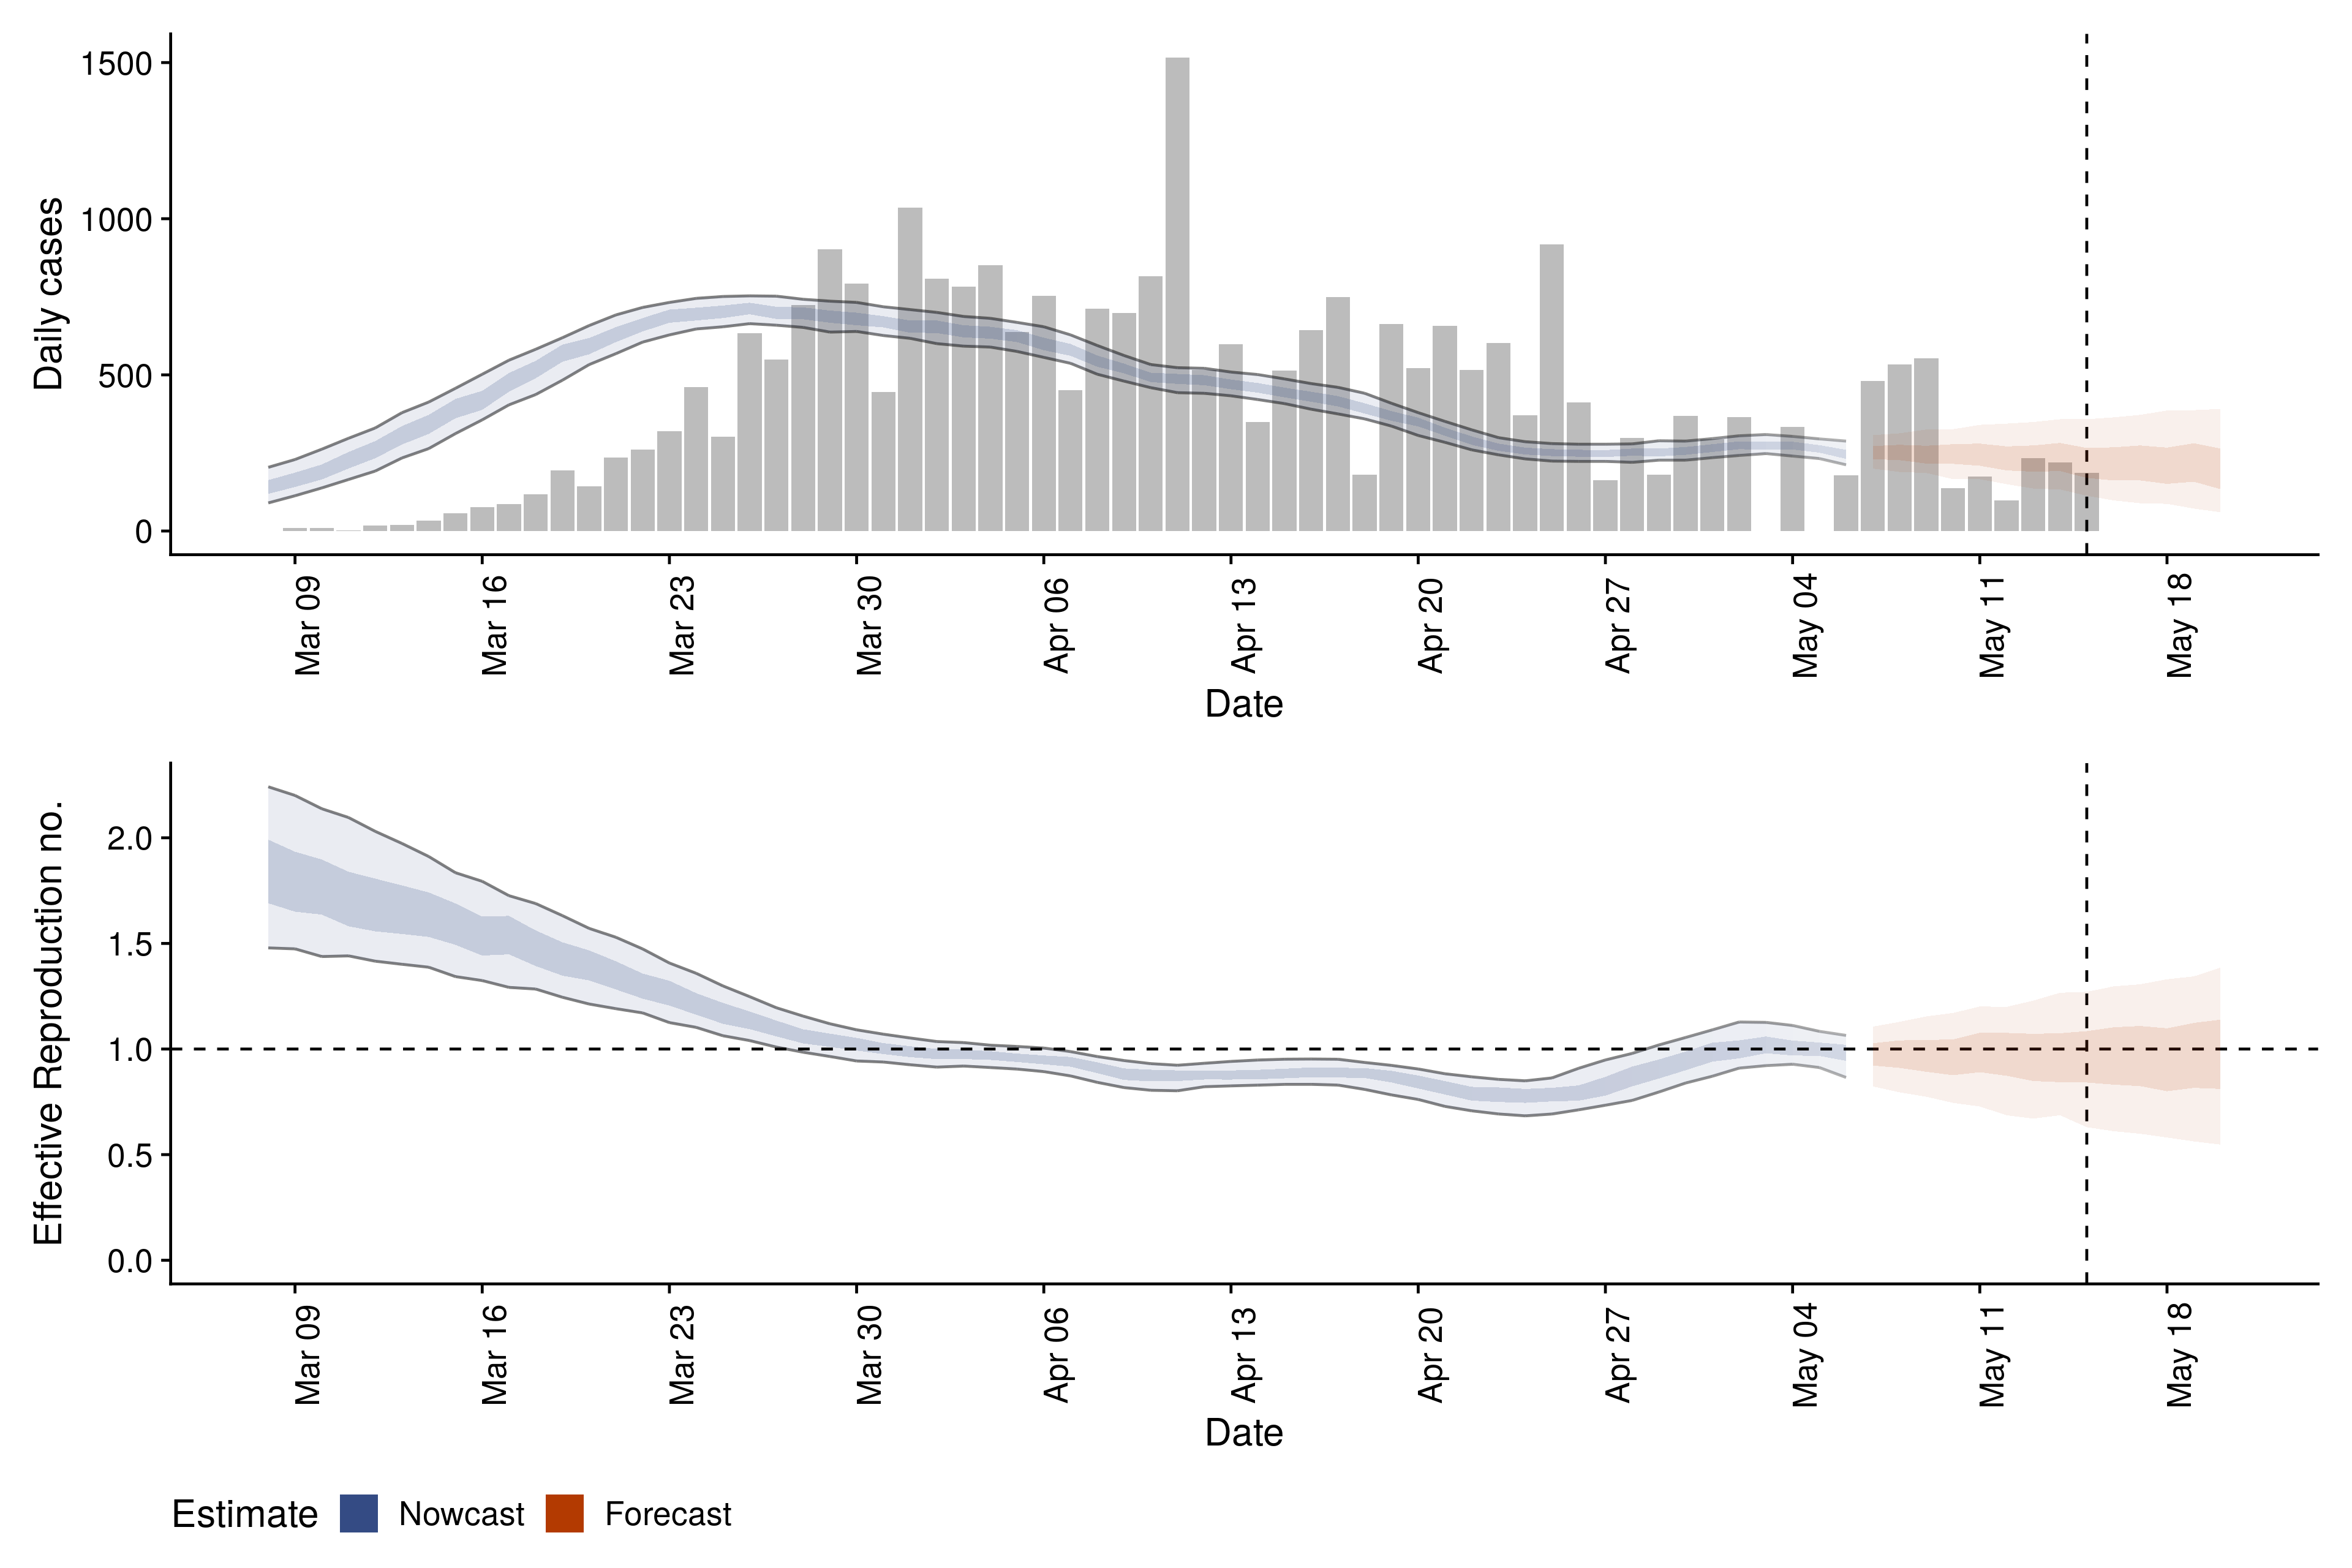
 | DATE | 19.05.2020 | 20.05.2020 | 21.05.2020 | 23.05.2020 | 24.05.2020 | 25.05.2020 | 26.05.2020 | 28.05.2020 | 29.05.2020 | 31.05.2020 | 01.06.2020
Estimate | New confirmed cases by infection date | 252 (212 – 288) | 242 (203 – 287) | 247 (206 – 289) | 257 (212 – 302) | 273 (227 – 324) | 282 (225 – 334) | 256 (219 – 292) | 236 | 246 | 249 | 271
 | Δ (%) | - | -4.13% | 2.02% | 3.89% | 5.86% | 3.19% | -10.32% | -8.47% | 4.07% | 1.20% | 8.12%
 | Δ (n) | - | -10 | 5 | 10 | 16 | 9 | -26 | -20 | 10 | 3 | 22
 | Expected change in daily cases | Unsure | Unsure | Unsure | Likely increasing | Likely increasing | Increasing | Likely increasing | Unsure | Likely increasing | Likely increasing | Increasing
 | Effective reproduction no. | 1 (0.9 – 1.1) | 1 (0.9 – 1.1) | 1 (0.9 – 1.2) | 1.1 (0.9 – 1.2) | 1.1 (1 – 1.2) | 1.1 (1 – 1.3) | 1.1 (1 – 1.2) | 1 | 1.1 | 1.1 (1 – 1.2) | 1.1 (1 – 1.2)
 | Doubling/halving time (days) | 810 (25 – -28) | -34 (45 – -12) | -110 (23 – -16) | 31 (13 – -82) | 19 (11 – 100) | 17 (10 – 56) | 28 (14 – -1000) | 59 (18 – -50) | 44 (17 – -73) | 39 (16 – -100) | 29 (14 – 16000)
 | Adjusted R-squared | 0.15 (8e-14 – 0.39) | 0.36 (-2.1e-14 – 0.73) | 0.2 (-4.1e-15 – 0.52) | 0.4 (2.3e-06 – 0.76) | 0.64 (0.31 – 0.96) | 0.7 (0.42 – 0.96) | 0.51 (0.11 – 0.91) | 0.27 (-1.2e-13 – 0.62) | 0.35 (3.7e-05 – 0.73) | 0.39 (2.8e-14 – 0.76) | 0.52 (0.13 – 0.92)

