Sheet1
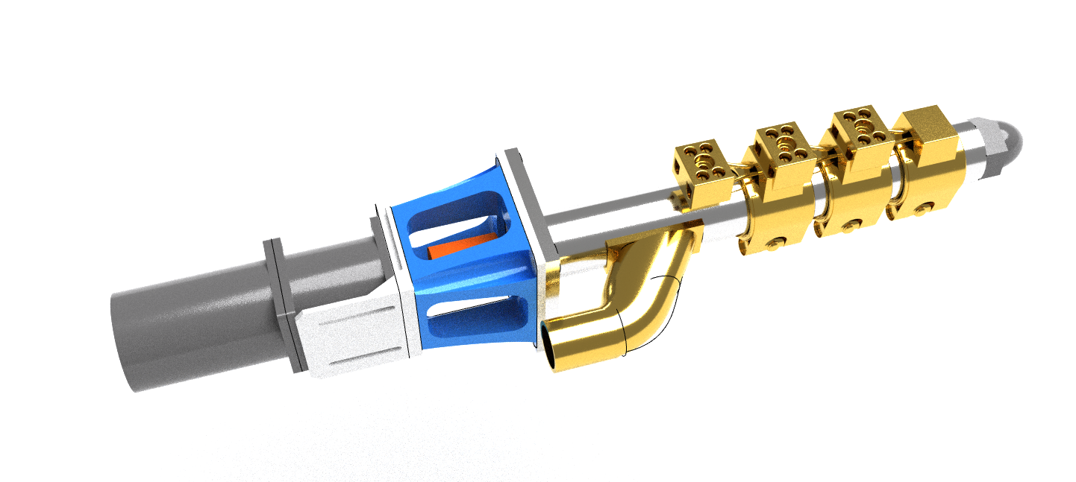
Pellet Robotic Extruder Project
model | model notes | RECIBIDO | link | Notes | units | unit price | total
noozle | Boquillas de 1,75/2,5/3mm |  | https://es.aliexpress.com/item/4000428786108.html?spm=a2g0o.detail.1000013.3.45e5149460MjXs&gps-id=pcDetailBottomMoreThisSeller&scm=1007.13339.169870.0&scm_id=1007.13339.169870.0&scm-url=1007.13339.169870.0&pvid=bc6de6c8-1e22-466d-890a-9f64e067a534&_t=gps-id:pcDetailBottomMoreThisSeller,scm-url:1007.13339.169870.0,pvid:bc6de6c8-1e22-466d-890a-9f64e067a534,tpp_buckets:668%230%23131923%2392_668%23808%234094%23143_668%23888%233325%236_668%234328%2319926%23248_668%232846%238116%23974_668%232717%237567%23949_668%231000022185%231000066058%230_668%233468%2315614%23523 | MODELO EN 20 one unit of 1.75, one unit of 2.5 and two unit of 3mm | 4 | 7.76 | 31.04
screw+barrel | juego tornillo extrusor de 20mm de diámetro |  | https://es.aliexpress.com/item/4000741158080.html?spm=2114.12010612.8148356.18.7d012f6fjWWtsd | 3mmNozzleSet | 1 | 245.67 | 245.67
PID +RELAY | Inkbird ITC-106VH+40 a black |  | https://es.aliexpress.com/item/32798114423.html | 40A SSR black | 3 | 31.65 | 94.95
heatprotection |  |  | https://www.clipcarbono.com/es/comprar-tejidos-de-kevlar-para-protecciones-aramida-resistente-ligero-comodo/1684-cinta-plana-de-fibra-de-kevlar-trenzada-de-40mm.html | heat isulation - thermal stability and burn protection | 6 | 4.69 | 28.14
FAN 80 80 |  |  | https://www.mouser.es/ProductDetail/CUI-Devices/CFM-8038B-250-498?qs=GedFDFLaBXEHb8RyWe250w%3D%3D |  | 1 | 12.54 | 12.54
fan 80x80 protectoor |  |  | https://es.rs-online.com/web/p/products/7134396 |  | 1 | 7.22 | 7.22
prensastopa m20 |  |  | https://es.rs-online.com/web/p/products/8188170 |  | 10 | 0.651 | 6.51
prensastopa m16 |  |  | https://es.rs-online.com/web/p/products/4443035 |  | 10 | 0.92 | 9.2
cable alimentacion220v |  |  | https://es.rs-online.com/web/p/products/4641352 |  | 1 | 14.69 | 14.69
led piloto rojo |  |  | https://es.rs-online.com/web/p/products/7637946 |  | 1 | 3.94 | 3.94
led piloto verde |  |  | https://es.rs-online.com/web/p/products/7637949 |  | 1 | 3.94 | 3.94
button momentaneo amarillo |  |  | https://es.rs-online.com/web/p/products/1450610 |  | 1 | 5.09 | 5.09
power supply 24vcd 6.5a |  |  | https://www.mouser.es/ProductDetail/MEAN-WELL/HRP-150N-24?qs=7MVldsJ5UazJmp5hz9dT1Q%3D%3D |  | 1 | 49.99 | 49.99
cooling fan |  |  | https://www.mouser.es/ProductDetail/NMB-Technologies/09533GA-24M-AA-00?qs=gRKWieUq2HY3Xayrc9u8qQ%3D%3D | cooling filament fans | 2 | 14.59 | 29.18
fan |  |  | https://www.mouser.es/ProductDetail/NMB-Technologies/05015SS-24R-WT-00?qs=sGAEpiMZZMup2DON%252BiRg9AT3sH6tUPnOxpdYbf2HZ3ju5yynqRkBew%3D%3D | heatsink fan | 2 | 4.43 | 8.86
Motor 23nema | strongest nema23 |  | https://www.omc-stepperonline.com/economy-planetary-gearbox/nema-23-stepper-motor-bipolar-l76mm-w-gear-raio-151-planetary-gearbox-23hs30-2804s-pg15.html?mfp=161-motor-nema-size%5BNema%2023%5D |  | 1 | 58.08 | 58.08
nema23/servo bracket |  |  | https://www.omc-stepperonline.com/stepper-motor-bracket/nema-23-bracket-for-high-precision-planetary-geared-motor-alloy-steel-bracket | motor servo or nema holder | 1 | 1.56 | 1.56
cable 4 wires | awg18 4 poles |  | https://www.omc-stepperonline.com/cable-and-connector/awg-18-high-flexible-four-core-motor-cable.html | 6 meters - price per meter | 5 | 3.09 | 15.45
cable 6 cables | awg24 6poles |  | https://www.omc-stepperonline.com/cable-and-connector/awg-24-high-flexible-shielded-encoder-cable.html | 6 meters - price per meter | 5 | 2.79 | 13.95
coupler flex | 2020-12-14 |  | https://www.omc-stepperonline.com/shaft-coupling/12mm-14mm-flexible-jaw-coupling-30x40mm-cnc-stepper-motor-key-way-shaft-coupler | test coupler | 1 | 6.75 | 6.75
coupler flex | 14+14 |  | https://www.omc-stepperonline.com/shaft-coupling/14mm-14mm-flexible-jaw-coupling-30x40mm-cnc-stepper-motor-shaft-coupler-st-jc21.html | test coupler | 1 | 6.75 | 6.75
Alubond panel | 3mm |  | https://www.mwmaterialsworld.com/es/panel-sandwich-dibond-colores-aluminio-pe.html | plata color panel 60x100 | 2 | 24.01 | 48.02
metracrilato naranja fluor |  |  | https://www.mwmaterialsworld.com/es/materiales/metacrilato/metacrilato-fluorescente/plancha-de-metacrilato-fluorescente-colores.html | plancha 60x50 naranja fluor | 2 | 30.79 | 61.58
asa black |  |  | https://eltucan.es/asa/556-3040-smartfil-asa-negro-750g.html#/20-diametro-175_mm/118-tamano-750gr |  | 1 | 20.32 | 20.32
infrared temperature sensor 5º beam |  |  | https://www.digikey.es/product-detail/es/dfrobot/SEN0263/1738-1414-ND/9490121 | https://www.luisllamas.es/arduino-y-el-termometro-infrarrojo-a-distancia-mlx90614/ | 1 | 50.66 | 50.66
 |  |  |  |  |  |  | #REF!
 |  |  |  |  |  |  | 834.08
 |  |  |  |  |  |  | #REF!

