Figure 1
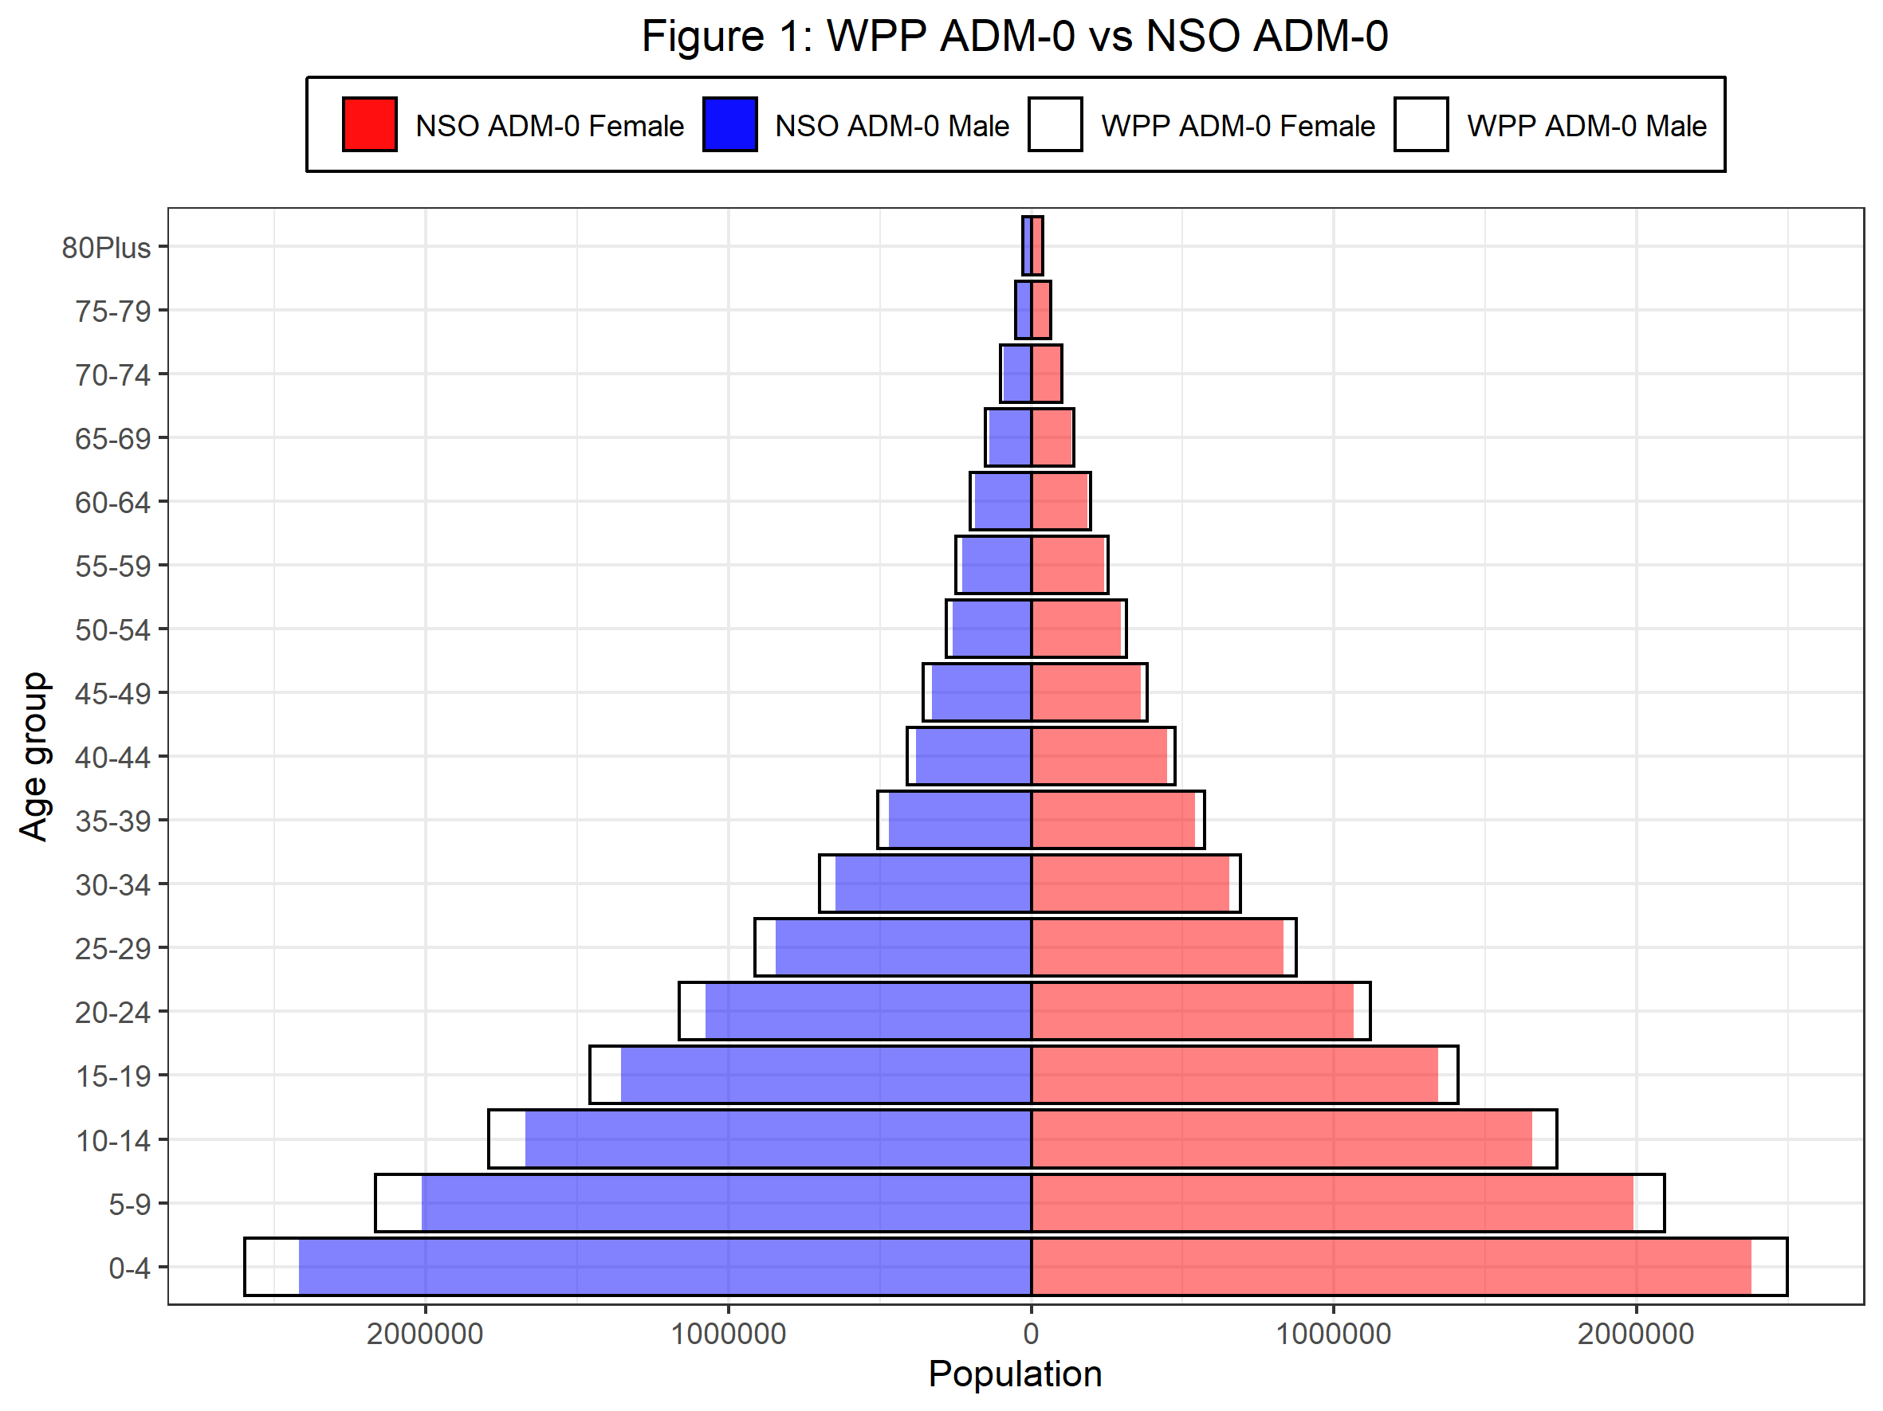
Age | F_NSO_minus_WPP_pct | M_NSO_minus_WPP_pct
0-4 | -4.69 | -6.90
5-9 | -4.86 | -7.04
10-14 | -4.63 | -6.81
15-19 | -4.69 | -6.92
20-24 | -4.99 | -7.33
25-29 | -4.92 | -7.49
30-34 | -5.21 | -7.62
35-39 | -5.58 | -7.22
40-44 | -5.47 | -7.28
45-49 | -5.41 | -7.52
50-54 | -5.61 | -7.73
55-59 | -5.22 | -8.01
60-64 | -5.49 | -8.18
65-69 | -5.42 | -8.29
70-74 | -5.95 | -8.39
75-79 | -5.53 | -7.87
80Plus | -3.37 | -5.04

Figure 2
