Sheet1
自测 | 德州扑克手牌asWin表 |  |  |  |  |  |  |  |  |  | 平均胜率与差值

(mboss888 | 对抗随机对手的胜率 |  |  |  |  |  |  |  |  |  | FULL:对抗9人的平均值
 |  | 83以上 70%区间 60%区间 50%区间 |  |  |  | 40%区间 | 30%区间 20%区间 10%区间 10%以下 |  |  |  | HU:对抗随机1个对手值

 | 起手牌 | 对抗人数 |  |  |  |  |  |  |  |  | 1. FULL |  | 2.HU |  | 3.FULL与HU差值
 |  | 1 | 2 | 3 | 4 | 5 | G | 7 | 8 |  | 手牌 | 多人平均胜率 | 手牌 | 单挑胜率 | 手牌 | 差值
 | AA
 | Aks |  |  |  |  |  |  |  |  |  | KK
 | AKo |  |  |  |  |  |  |  |  |  | QQ
 | AOS |  |  |  |  |  |  |  |  |  | JJ |  | JJ
 | AQO |  |  |  |  |  |  |  |  |  | Aks |  | TT
 | AJS |  |  |  |  |  |  |  |  |  | TT |  | 99 |  | 77
 | AJo |  |  |  |  |  |  |  |  |  | AOS |  | 88 |  | 66
 | ATS |  |  |  |  |  |  |  |  |  | AJs |  | Aks |  | KK
 | ATo |  |  |  |  |  |  |  |  |  | AKa |  | 77 |  | 55
 | A9S |  |  |  |  |  |  |  |  |  | KOS |  | AOS |  | A70
 | A90 |  |  |  |  |  |  |  |  |  | 99 |  | AKo |  | A90
 | A8S |  |  |  |  |  |  |  |  |  | ATS |  | AJs |  | A8
 | A80 |  |  |  |  |  |  |  |  |  | KJs |  | ATs |  | ATo
 | A7s |  |  |  |  |  |  |  |  |  | AQO |  | AQO |  | 44
 | A70 |  |  |  |  |  |  |  |  |  | KTs |  | AJo |  | A60
 | A6S |  |  |  |  |  |  |  |  |  | OJs |  | KQs |  | AJo
 | A60 |  |  |  |  |  |  |  |  |  | 88 |  | 66 |  | A50
 | A5S |  |  |  |  |  |  |  |  |  | AJo |  | A9s |  | AQO
 | A50 |  |  |  |  |  |  |  |  |  | A9s |  | ATo |  | AA
 | A4s |  |  |  |  |  |  |  |  |  | KQo |  | KJs |  | A8s
 | A40 |  |  |  |  |  |  |  |  |  | OTs |  | A8s |  | A9
 | A3s |  |  |  |  |  |  |  |  |  | A8s
 | A30 |  |  |  |  |  |  |  |  |  | ATO |  | KOO

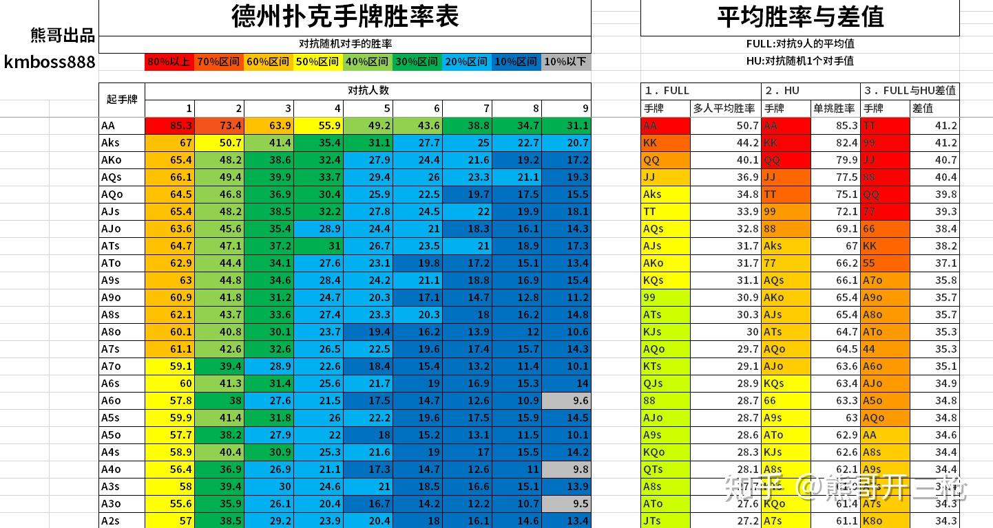

自测 | 德州扑克手牌Win表

(mboss888 | 对抗随机对手的胜率
 |  | 83以上 70%区间 60%区间 50%区间 |  |  |  | 40%区间 | 30%区间 20%区间 10%区间 10%以下

 | 起手牌 | 对抗人数
 |  | 1 | 2 | 3 | 4 | 5 | G | 7 | 8
 | AA | 85.3 | 73.4 | 63.9 | 55.9 | 49.2 | 43.6 | 38.8 | 34.7 | 31.1
 | Aks | 67 | 50.7 | 41.4 | 35.4 | 31.1 | 27.7 | 25 | 22.7 | 20.7
 | AKo | 65.4 | 48.2 | 38.6 | 32.4 | 27.9 | 24.4 | 21.6 | 19.2 | 17.2
 | AOS | 66.1 | 49.4 | 39.9 | 33.7 | 29.4 | 26 | 23.3 | 21.1 | 19.3
 | AQO | 64.5 | 46.8 | 36.9 | 30.4 | 25.9 | 22.5 | 19.7 | 17.5 | 15.5
 | AJS | 65.4 | 48.2 | 38.5 | 32.2 | 27.8 | 24.5 | 22 | 19.9 | 18元
 | AJo | 63.6 | 45.6 | 35.4 | 28.9 | 24.4 | 21 | 18.3 | 16.1 | 14.3
 | ATS | 64.7 | 47.1 | 37.2 | 31 | 26.7 | 23.5 | 21 | 18.9 | 17.3
 | ATo | 62.9 | 44.4 | 34.1 | 27.6 | 23.1 | 19.8 | 17.2 | 15.1 | 13.4
 | A9S | 63 | 44.8 | 34.6 | 28.4 | 24.2 | 21.1 | 18.8 | 16.9 | 15.4
 | A90 | 60.9 | 41.8 | 31.2 | 24.7 | 20.3 | 17.1 | 14.7 | 12.8 | 11.2
 | A8S | 62.1 | 43.7 | 33.6 | 27.4 | 23.3 | 20.3 | 18 | 16.2 | 14.8
 | A80 | 60.1 | 40.8 | 30.1 | 23.7 | 19.4 | 16.2 | 13.9 | 12 | 10.6
 | A7s | 61.1 | 42.6 | 32.6 | 26.5 | 22.5 | 19.6 | 17.4 | 15.7 | 14.3
 | A70 | 59.1 | 39.4 | 28.9 | 22.6 | 18.4 | 15.4 | 13.2 | 11.4 | 10.
 | A6S | 60 | 41.3 | 31.4 | 25.6 | 21.7 | 19 | 16.9 | 15.3 | 14
 | A60 | 57.8 | 38 | 27.6 | 21.5 | 17.5 | 14.7 | 12.6 | 10.9 | 9.6
 | A5S | 59.9 | 41.4 | 31.8 | 26 | 22.2 | 19.6 | 17.5 | 15.9 | 14.5
 | A50 | 57.7 | 38.2 | 27.9 | 22 | 18 | 15.2 | 13.1 | 11.5 | 10.1
 | A4s | 58.9 | 40.4 | 30.9 | 25.3 | 21.6 | 19 | 17 | 15.5 | 14.2
 | A40 | 56.4 | 36.9 | 26.9 | 21.1 | 17.3 | 14.7 | 12.6 | 11 | 9.8
 | A3s | 58 | 39.4 | 30 | 24.6 | 21 | 18.5 | 16.6 | 15.1 | 13.9
 | A30 | 55.6 | 35.9 | 26.1 | 20.4 | 16.7 | 14.2 | 12.2 | 10.7 | 9.5

自测 | 德州扑克手牌splitpot表

(mboss888 | 对抗随机对手的胜率
 |  | 83以上 70%区间 60%区间 50%区间 |  |  |  | 40%区间 | 30%区间 20%区间 10%区间 10%以下

 | 起手牌 | 对抗人数
 |  | 1 | 2 | 3 | 4 | 5 | G | 7 | 8
 | AA | 85.3 | 73.4 | 63.9 | 55.9 | 49.2 | 43.6 | 38.8 | 34.7 | 31.1
 | Aks | 67 | 50.7 | 41.4 | 35.4 | 31.1 | 27.7 | 25 | 22.7 | 20.7
 | AKo | 65.4 | 48.2 | 38.6 | 32.4 | 27.9 | 24.4 | 21.6 | 19.2 | 17.2
 | AOS | 66.1 | 49.4 | 39.9 | 33.7 | 29.4 | 26 | 23.3 | 21.1 | 19.3
 | AQO | 64.5 | 46.8 | 36.9 | 30.4 | 25.9 | 22.5 | 19.7 | 17.5 | 15.5
 | AJS | 65.4 | 48.2 | 38.5 | 32.2 | 27.8 | 24.5 | 22 | 19.9 | 18元
 | AJo | 63.6 | 45.6 | 35.4 | 28.9 | 24.4 | 21 | 18.3 | 16.1 | 14.3
 | ATS | 64.7 | 47.1 | 37.2 | 31 | 26.7 | 23.5 | 21 | 18.9 | 17.3
 | ATo | 62.9 | 44.4 | 34.1 | 27.6 | 23.1 | 19.8 | 17.2 | 15.1 | 13.4
 | A9S | 63 | 44.8 | 34.6 | 28.4 | 24.2 | 21.1 | 18.8 | 16.9 | 15.4
 | A90 | 60.9 | 41.8 | 31.2 | 24.7 | 20.3 | 17.1 | 14.7 | 12.8 | 11.2
 | A8S | 62.1 | 43.7 | 33.6 | 27.4 | 23.3 | 20.3 | 18 | 16.2 | 14.8
 | A80 | 60.1 | 40.8 | 30.1 | 23.7 | 19.4 | 16.2 | 13.9 | 12 | 10.6
 | A7s | 61.1 | 42.6 | 32.6 | 26.5 | 22.5 | 19.6 | 17.4 | 15.7 | 14.3
 | A70 | 59.1 | 39.4 | 28.9 | 22.6 | 18.4 | 15.4 | 13.2 | 11.4 | 10.
 | A6S | 60 | 41.3 | 31.4 | 25.6 | 21.7 | 19 | 16.9 | 15.3 | 14
 | A60 | 57.8 | 38 | 27.6 | 21.5 | 17.5 | 14.7 | 12.6 | 10.9 | 9.6
 | A5S | 59.9 | 41.4 | 31.8 | 26 | 22.2 | 19.6 | 17.5 | 15.9 | 14.5
 | A50 | 57.7 | 38.2 | 27.9 | 22 | 18 | 15.2 | 13.1 | 11.5 | 10.1
 | A4s | 58.9 | 40.4 | 30.9 | 25.3 | 21.6 | 19 | 17 | 15.5 | 14.2
 | A40 | 56.4 | 36.9 | 26.9 | 21.1 | 17.3 | 14.7 | 12.6 | 11 | 9.8
 | A3s | 58 | 39.4 | 30 | 24.6 | 21 | 18.5 | 16.6 | 15.1 | 13.9
 | A30 | 55.6 | 35.9 | 26.1 | 20.4 | 16.7 | 14.2 | 12.2 | 10.7 | 9.5

