IND_data
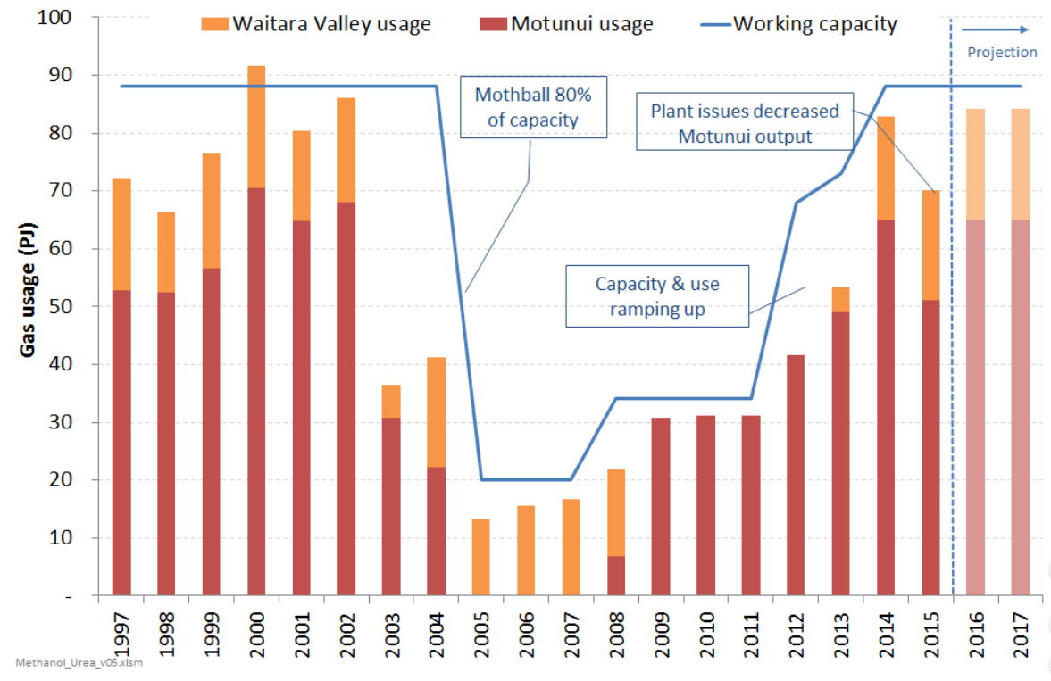
Calendar Year
2015
Converted into Petajolues using Gross Calorific Values |  |  | Coal |  |  |  |  | Oil |  |  |  |  | Natural Gas |  |  |  |  |  | Electricity
 |  |  | Bituminous | Sub-bitum. | Bituminous & Sub-bitum. | Lignite | Total | Crudes/ Feedstocks/ NGL | LPG | Petrol | Diesel | Fuel Oil | Total | Geothermal | Liquid Biofuels | Biogas | Wood | Total | Total
Industrial |  |  | 3.81 | 14.62 | 18.43 | 4.16 | 22.58 |  | 3.09 | 0.41 | 13.82 | 1.22 | 41.76 | 4.84 |  | 0.05 | 45.94 | 50.84 | 52.95 | 186.67
 | Mining |  | - | - | - | - | - |  |  | 0.00 | 2.90 | - | 0.07 |  |  |  |  |  | 1.46 | 4.43 | 2.4%
 | Food Processing |  | 0.15 | 12.99 | 13.13 | 4.14 | 17.28 |  |  | - | - | - | 17.01 |  |  |  |  |  | 8.80 | 43.09 | 23.1%
 | Textiles |  | 0.02 | 0.08 | 0.10 | - | 0.10 |  |  |  |  |  | 0.50 |  |  |  |  |  | 0.37 | 0.98 | 0.5%
 | Wood, Pulp, Paper and Printing |  | 0.02 | 0.40 | 0.42 | 0.01 | 0.43 |  |  |  |  |  | 5.03 | 4.84 |  |  | 45.94 | 50.79 | 9.82 | 66.07 | 35.4%
 | Chemicals |  | - | 0.00 | 0.00 | - | 0.00 |  |  |  |  |  | 14.23 |  |  |  |  |  | 2.84 | 17.07 | 9.1%
 | Non-metallic Minerals |  | 3.44 | 1.08 | 4.52 | 0.00 | 4.52 |  |  |  |  |  | 1.67 |  |  |  |  |  | 1.16 | 7.35 | 3.9%
 | Basic Metals |  | - | 0.07 | 0.07 | - | 0.07 |  |  | - | - | - | 2.38 |  |  |  |  |  | 23.49 | 25.94 | 13.9%
 | Mechanical/Electrical Equipment |  | - | 0.00 | 0.00 | - | 0.00 |  |  |  |  |  | 0.27 |  |  |  |  |  | 0.67 | 0.94 | 0.5%
 | Building and Construction |  | - | - | - | - | - |  |  | 0.01 | 3.72 | 0.02 | 0.44 |  |  |  |  |  | 1.37 | 5.57 | 3.0%
 | Unallocated |  | 0.17 | - | 0.17 | - | 0.17 |  | 3.09 | 0.41 | 7.19 | 1.20 | 0.16 | - |  | 0.05 | - | 0.05 | 2.97 | 15.23 | 8.2%
 |  |  |  |  |  |  | 4.80 | - | 3.09 | 0.41 | 13.82 | 1.22 | 3.11 | - | - | 0.05 | - | 0.05 | 8.00 | 34.51 | 18.5%

Industry subsectors, %
 |  | Food | WOOD | CHEM | Metals | Other
 | INDCOA | 40.10% | 0.65% |  | 0.28% | 13.92%
 | INDPET |  |  |  |  | 1.20%
 | INDDSL |  |  |  |  | 40.05%
 | INDLPG |  |  |  |  | 8.96% |  |  |  |  |  |  |  | Natural gas consumption, PJ
 | INDFOL |  |  |  |  | 3.53% |  |  |  |  |  |  |  |  |  | 2013 | 2014 | 2015 | 2016 | 2017
 | INDNGA | 39.47% | 7.62% | 83.37% | 9.18% | 9.01% |  |  |  |  |  |  |  | Stock Change |  | 2.04 | -0.37 | -2.12 | 0.97 | -3.12
 | INDGEO |  | 7.33% |  |  | 0.00%
 | INDBIG |  |  |  |  | 0.15% |  |  |  |  |  |  |  | Energy Transformation |  | 77.72 | 65.00 | 62.92 | 54.77 | 66.08
 | INDWOD |  | 69.54% |  |  | 0.00% |  |  |  |  |  |  |  | Electricity Generation |  | 54.14 | 42.08 | 41.24 | 36.81 | 46.23
 | INDELC | 20.43% | 14.86% | 16.62% | 90.54% | 23.19% |  |  |  |  |  |  |  | Cogeneration |  | 16.76 | 16.16 | 15.04 | 12.24 | 13.53
 |  |  |  |  |  |  |  |  |  |  |  |  |  | Other Transformation |  | - | - | - | - | -
 |  |  |  |  |  |  |  |  |  |  |  |  |  | Production losses & own use |  | 5.90 | 5.93 | 5.82 | 5.08 | 5.63
 |  |  |  |  |  |  |  |  |  |  |  |  |  | Transmission and distribution losses |  | 0.91 | 0.83 | 0.81 | 0.64 | 0.69

Industry fuel shares, %
 |  | Coal | 22.58 |  |  |  |  |  |  |  |  |  |  | Non-Energy Use |  | 39.57 | 59.18 | 50.18 | 58.15 | 53.32
 |  | Oil | 18.54
 |  | Natural Gas | 41.76 |  |  |  |  |  |  |  |  |  |  | Consumption |  | 71.03 | 85.08 | 78.90 | 78.82 | 78.00
 |  | Renewable energy | 4.89 |  |  |  |  |  |  |  |  |  |  | Agriculture/ Forestry/ Fishing |  | 1.55 | 1.63 | 1.65 | 1.28 | 1.45
 |  | Woody biomass | 45.94 |  |  |  |  |  |  |  |  |  |  | Industrial |  | 55.64 | 68.16 | 61.61 | 63.22 | 61.87
 |  | Electricty | 52.95 |  |  |  |  |  |  |  |  |  |  | Food Processing |  | 15.18 | 15.82 | 17.04 | 14.12 | 17.19
 |  |  |  |  |  |  |  |  |  |  |  |  |  | Wood,Pulp,Paper and Printing |  | 5.00 | 5.12 | 5.03 | 4.52 | 5.68
 |  |  |  |  |  |  |  |  |  |  |  |  |  | Chemicals |  | 27.82 | 40.15 | 34.05 | 39.16 | 32.85
 |  |  |  |  |  |  |  |  |  |  |  |  |  | Basic Metals |  | 4.48 | 3.44 | 2.38 | 2.41 | 2.47
 |  |  |  |  |  |  |  |  |  |  |  |  |  | Other |  | 3.16 | 3.62 | 3.11 | 3.01 | 3.68
 |  | Food processing | 0.23 | 43.09 |  |  |  |  |  |  |  |  |  | Commercial |  | 7.65 | 8.71 | 8.84 | 7.94 | 7.92
 |  | Wood, pulp and paper | 0.35 | 66.07 |  |  |  |  |  |  |  |  |  | Residential |  | 6.16 | 6.56 | 6.78 | 6.36 | 6.75
 |  | Chemicals industry | 0.09 | 17.07 |  |  |  |  |  |  |  |  |  | Transport |  | 0.03 | 0.02 | 0.02 | 0.01 | 0.01
 |  | Basic metals | 0.14 | 25.94
 |  | Other manufacturers | 0.18 | 34.51 |  |  |  |  |  |  |  |  |  | Methanex gas demand | PJ | 53.00 | 82.60 | 70.00
 |  |  |  |  |  |  |  |  |  |  |  |  |  |  | Motunui | 48.30 | 65.00
 |  |  |  |  |  |  |  |  |  |  |  |  |  |  | Waitara | 4.70 | 17.60
 |  |  |  |  |  |  |  |  |  |  |  |  |  | Methanex production | Mt | 1.419 | 2.196 | 1.86 | 2.18 | 1.94
 |  |  |  |  |  |  |  |  |  |  |  |  |  |  |  | 1.308 | 1.733
 |  |  |  |  |  |  |  |  |  |  |  |  |  |  |  | 0.11 | 0.46
 |  |  |  |  |  |  |  |  |  |  |  |  |  | Non-energy gas per Mt | PJ/Mt | 27.89 | 26.95 | 27.04 | 26.66 | 27.44
 |  |  |  |  |  |  |  |  |  |  |  |  |  | Energy Use | PJ/Mt | 9.4609054532 | 10.665875926 | 10.677770337

 |  |  |  |  |  |  | Source: Macro Gas Issues, Concept Consulting, 2014

Emi
~COMEMI
CommName | INDCOA | INDPET | INDDSL | INDLPG | INDFOL | INDNGA | INDGEO | INDWOD
*Units | kt/PJ | kt/PJ | kt/PJ
INDCO2 | 92.00 | 66.58 | 69.69 | 60.43 | 72.91 | 53.96 | 5.25

New Zealand’s Greenhouse Gas Inventory 1990–2016 459
Table A4.1 Gross carbon dioxide emission factors used for New Zealand’s energy sector in 2016 Emission factor (t CO2/TJ) Emission factor (t C/TJ) Source
Gas |  | Liquid fuels |  | Biomass
Maui | 52.3 | Crude oil | 69.67 | Biogas | 49.17
Kapuni | 53.56 | Regular petrol | 66.58 | Wood (industrial) | 89.47
McKee | 54.45 | Petrol – premium | 66.79 | Bioethanol | 64.2
Kaimiro | 68.14 | Diesel (10 parts (sulphur) per million) | 69.69 | Biodiesel | 67.26
Ngatoro | 68.14 | Jet kerosene | 68.53 | Wood (residential) | 89.47
TAWN | 52.72 | Av gas | 65.89 | Coal
Mangahewa | 54.44 | LPG | 60.43 | All sectors excl. electricity (sub-bituminous) | 92
Turangi | 54.79 | Heavy fuel oil | 73.63 | All sectors (bituminous) | 89.1
Pohokura | 54.72 | Light fuel oil | 72.91 | All sectors (lignite) | 93.1
Rimu/Kauri | 52.23 | Bitumen (asphalt) | 76.94
Maari | 53.22 |  |  | 1. New Zealand Emissions Trading Scheme data.
Weighted Average | 53.96 |  |  | 2. Specific gas field operator.
Kapuni LTS | 85.54 |  |  | 3. Refining NZ.
Methanol – Mixed Feed – to 94 | 62.44 |  |  | 4. IPCC Guidelines (2006).
Methanol – LTS – to 94 | 83.97 |  |  | 5. New Zealand Energy Information Handbook (Eng et al., 2008).
 |  |  |  | 6. Review of Default Emissions Factors in Draft Stationary Energy and Industrial Processes Regulations: Coal (CRL Energy, 2009).

 | geothermal |  | Proceedings 42nd New Zealand Geothermal Workshop
kawerau | 0.007 | tCO2/GJ | 24-26 November 2020
 | 7 | kT CO2/PJ | Waitangi, New Zealand
Tenon | 0.0035 | tCO2/GJ | ISSN 2703-4275
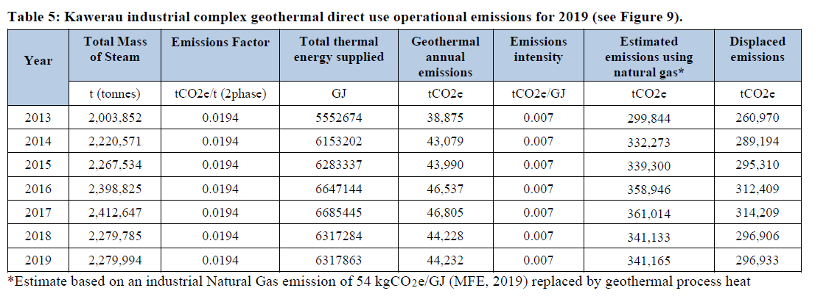
 | 3.5 | kT CO2/PJ

