RES_ELC
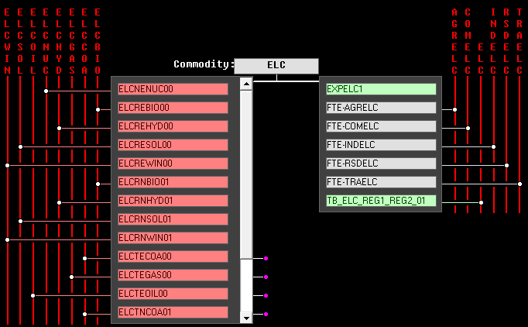

Reference Energy System (from VEDA-FE Go-To RES feature)

 | ELC template
 | Conversion (Power Sector)

