Hydro
~UC_Sets: R_E: AllRegions
~UC_Sets: T_E:
 |  |  |  | ~UC_T
UC_N | Pset_Set | Pset_PN | Year | LimType | UC_CAP | UC_RHSRT~NI | UC_RHSRT~SI | UC_RHSRT~0 | UC_Desc
UC_HYDRO_RoRsm | ELE | EHYD*RR*Sma* | 2021 | UP | 1 | 0.0 | 0.0 | 3 | New Hydro - Small RoR
 |  |  | 2025 |  |  | 0.0 | 0.1
 |  |  | 2030 |  |  | 0.0 | 0.2
 |  |  | 2035 |  |  | 0.1 | 0.2
 |  |  | 2040 |  |  | 0.1 | 0.2

~UC_Sets: R_E: AllRegions
~UC_Sets: T_E:
 |  |  |  | ~UC_T
UC_N | Pset_Set | Pset_PN | Year | LimType | UC_CAP | UC_RHSRT~NI | UC_RHSRT~SI | UC_RHSRT~0 | UC_Desc
UC_HYDRO_RoR_lrg | ELE | EHYD*RR*new* | 2021 | UP | 1 | 0.0 | 0.3 | 3 | New Hydro - Large RoR
 |  |  | 2030 |  |  | 0.0 | 0.4
 |  |  | 2035 |  |  | 0.0 | 1.0
 |  |  | 2040 |  |  | 0.0 | 1.2

~UC_Sets: R_E: AllRegions
~UC_Sets: T_E:
 |  |  |  | ~UC_T
UC_N | Pset_Set | Pset_PN | Year | LimType | UC_CAP | UC_RHSRT~NI | UC_RHSRT~SI | UC_RHSRT~0 | UC_Desc
UC_HYDRO_DAM_NEW | ELE | EHY*DAM* | 2025 | UP | 1 | 0.0 | 0.2 | 3 | New Hydro - Dams
 |  |  | 2050 |  |  | 0.0 | 1.0

~UC_Sets: R_E: AllRegions
~UC_Sets: T_E:
 |  |  |  | ~UC_T
UC_N | Pset_Set | Pset_PN | Year | LimType | UC_CAP | UC_RHSRT~NI | UC_RHSRT~SI | UC_RHSRT~0 | UC_Desc
UC_PUMPHYD_STG_LRG |  | EHY*PUM*L | 2025 | UP | 1 | 0.0 | 1.3 | 3 | Pumped hydro - large (lake onslow)

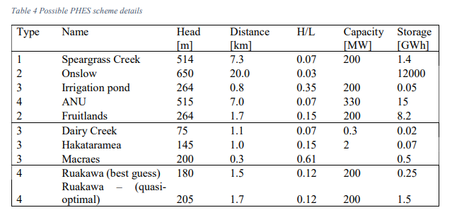
~UC_Sets: R_E: AllRegions
~UC_Sets: T_E:
 |  |  |  | ~UC_T
UC_N | Pset_Set | Pset_PN | Year | LimType | UC_CAP | UC_RHSRT~NI | UC_RHSRT~SI | UC_RHSRT~0 | UC_Desc
UC_PUMPHYD_STG_SML |  | EHY*PUM*S | 2025 | UP | 1 | 0.2 | 0.7 | 3 | Pumped hydro -small/generic

