RES_ELC
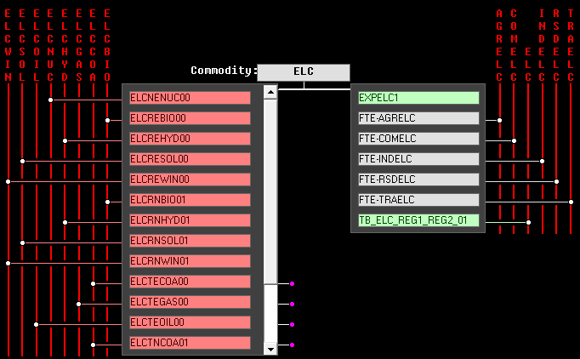

Reference Energy System (from VEDA-FE Go-To RES feature)

 | ELC template
 | Conversion (Power Sector)

Capacity data
Source: MBIE
Complete New Zealand
Table 7: Operational Electricity Generation Capacity by Plant Types (MW)1
Year End | Electricity Only Plants |  |  |  |  |  |  |  |  | Cogeneration |  |  | Total
 | Hydro | Geothermal | Biogas | Wind | Diesel | Coal/Gas | Gas | Other Thermal2 | Sub-total | Gas3 | Other4 | Sub-total

1976 | 3,665 | 173 | - | - | - | - | 400 | 600 | 4,838 | 0 | 80 | 80 | 4,918
1977 | 3,825 | 173 | - | - | - | - | 447 | 600 | 5,045 | 0 | 80 | 80 | 5,125
1978 | 3,825 | 173 | - | - | - | - | 494 | 600 | 5,092 | 0 | 80 | 80 | 5,171
1979 | 4,089 | 173 | - | - | 220 | - | 494 | 600 | 5,576 | 0 | 80 | 80 | 5,656
1980 | 4,301 | 173 | - | - | 220 | - | 494 | 600 | 5,788 | 0 | 80 | 80 | 5,868
1981 | 4,326 | 173 | - | - | 220 | - | 494 | 600 | 5,813 | 0 | 99 | 99 | 5,912
1982 | 4,328 | 157 | - | - | 220 | - | 494 | 600 | 5,799 | 0 | 99 | 99 | 5,898
1983 | 4,474 | 157 | - | - | 220 | 250 | 494 | 600 | 6,195 | 0 | 99 | 99 | 6,294
1984 | 4,543 | 157 | - | - | 220 | 750 | 494 | 600 | 6,764 | 0 | 99 | 99 | 6,863
1985 | 4,760 | 157 | - | - | 220 | 1,000 | 494 | 600 | 7,231 | 0 | 99 | 99 | 7,330
1986 | 4,760 | 157 | - | - | 220 | 1,000 | 494 | 600 | 7,231 | 0 | 99 | 99 | 7,330
1987 | 4,760 | 157 | - | - | 220 | 1,000 | 494 | 600 | 7,231 | 0 | 99 | 99 | 7,330
1988 | 4,760 | 175 | - | - | 220 | 1,000 | 314 | 600 | 7,069 | 0 | 99 | 99 | 7,168
1989 | 4,760 | 261 | - | - | 220 | 1,000 | 314 | 600 | 7,155 | 0 | 99 | 99 | 7,254
1990 | 4,760 | 261 | 4 | - | 220 | 1,000 | 314 | 600 | 7,158 | 0 | 99 | 99 | 7,257
1991 | 4,760 | 261 | 7 | - | 220 | 1,000 | 314 | 600 | 7,162 | 0 | 99 | 99 | 7,261
1992 | 5,192 | 261 | 7 | - | 220 | 1,000 | 314 | 600 | 7,594 | 0 | 99 | 99 | 7,693
1993 | 5,192 | 261 | 7 | 0 | 220 | 1,000 | 314 | 600 | 7,594 | 0 | 99 | 99 | 7,693
1994 | 5,192 | 265 | 7 | 0 | 220 | 1,000 | 314 | 600 | 7,598 | 0 | 100 | 100 | 7,698
1995 | 5,192 | 265 | 8 | 0 | 220 | 1,000 | 314 | 600 | 7,599 | 0 | 106 | 106 | 7,706
1996 | 5,192 | 248 | 11 | 4 | 220 | 1,000 | 314 | 600 | 7,589 | 0 | 101 | 101 | 7,690
1997 | 5,192 | 318 | 11 | 4 | 0 | 1,000 | 220 | 600 | 7,346 | 0 | 101 | 101 | 7,447
1998 | 5,192 | 328 | 11 | 4 | 0 | 1,000 | 357 | 480 | 7,373 | 0 | 101 | 101 | 7,474
1999 | 5,199 | 353 | 11 | 36 | 0 | 1,000 | 737 | 440 | 7,776 | 0 | 96 | 96 | 7,872
2000 | 5,202 | 365 | 11 | 36 | 0 | 1,000 | 737 | 440 | 7,791 | 0 | 101 | 101 | 7,893
2001 | 5,202 | 365 | 11 | 36 | 0 | 1,000 | 737 | 440 | 7,791 | 0 | 101 | 101 | 7,893
2002 | 5,329 | 364 | 14 | 54 | 1 | 1,000 | 737 | 440 | 7,938 | 346 | 228 | 574 | 8,512
2003 | 5,335 | 368 | 22 | 72 | 1 | 1,000 | 737 | 440 | 7,975 | 336 | 228 | 564 | 8,539
2004 | 5,336 | 368 | 22 | 166 | 162 | 1,000 | 777 | 440 | 8,271 | 336 | 228 | 564 | 8,835
2005 | 5,337 | 424 | 22 | 168 | 162 | 1,000 | 821 | 330 | 8,264 | 340 | 243 | 582 | 8,846
2006 | 5,337 | 424 | 23 | 169 | 162 | 1,000 | 832 | 330 | 8,276 | 340 | 243 | 583 | 8,860
2007 | 5,337 | 442 | 25 | 320 | 162 | 1,000 | 1,217 | 330 | 8,833 | 331 | 245 | 576 | 9,409
2008 | 5,358 | 563 | 27 | 322 | 162 | 1,000 | 1,229 | 100 | 8,761 | 336 | 245 | 581 | 9,341
2009 | 5,281 | 603 | 30 | 496 | 162 | 1,000 | 1,221 | - | 8,793 | 301 | 237 | 538 | 9,331
2010 | 5,279 | 718 | 30 | 524 | 163 | 1,000 | 1,205 | - | 8,919 | 329 | 237 | 566 | 9,485
2011 | 5,354 | 718 | 32 | 623 | 172 | 1,000 | 1,405 | - | 9,304 | 329 | 237 | 566 | 9,870
2012 | 5,368 | 718 | 32 | 623 | 180 | 750 | 1,505 | - | 9,176 | 329 | 237 | 566 | 9,742
2013 | 5,381 | 790 | 32 | 623 | 180 | 500 | 1,505 | - | 9,011 | 329 | 235 | 564 | 9,575
2014 | 5,380 | 916 | 36 | 682 | 180 | 500 | 1,507 | - | 9,202 | 329 | 235 | 564 | 9,766
2015 | 5,380 | 933 | 37 | 689 | 180 | 500 | 1,127 | - | 8,847 | 329 | 235 | 564 | 9,410
2016 | 5,380 | 933 | 33 | 689 | 180 | 500 | 1,127 | - | 8,844 | 159 | 235 | 394 | 9,238
2017 | 5,380 | 933 | 33 | 689 | 180 | 500 | 1,127 | - | 8,843 | 159 | 235 | 394 | 9,237

∆2012/2017 p.a. | 0.0% | 5.4% | 0.2% | 2.1% | 0.0% | -7.8% | -5.6% | n/a | -0.7% | -13.5% | -0.2% | -7.0% | -1.1%
∆2016/2017 | 0.0% | 0.0% | -2.7% | 0.0% | 0.0% | 0.0% | 0.0% | n/a | 0.0% | 0.0% | 0.0% | 0.0% | 0.0%
Notes
1) All capacities are net of any plant decommissioning and small scale distributed generation such as solar PV is not included.
2) 'Other Thermal' in this instance includes generation by all major coal only (Meremere), fuel oil only (Marsden A and B), and gas/fuel oil plants (New Plymouth).
3) Plants that run solely on natural gas are listed under 'gas'. Multi fuelled plants that run partly on natural gas are listed under 'other'.
4) Includes cogeneration by some multi fuel or single fuel biomass, coal, liquid fuel and geothermal plants. It also includes multi fuelled plants running partly on natural gas.
n.a. = Not applicable

this table is unused in the model but kept for info

