BOM_主控
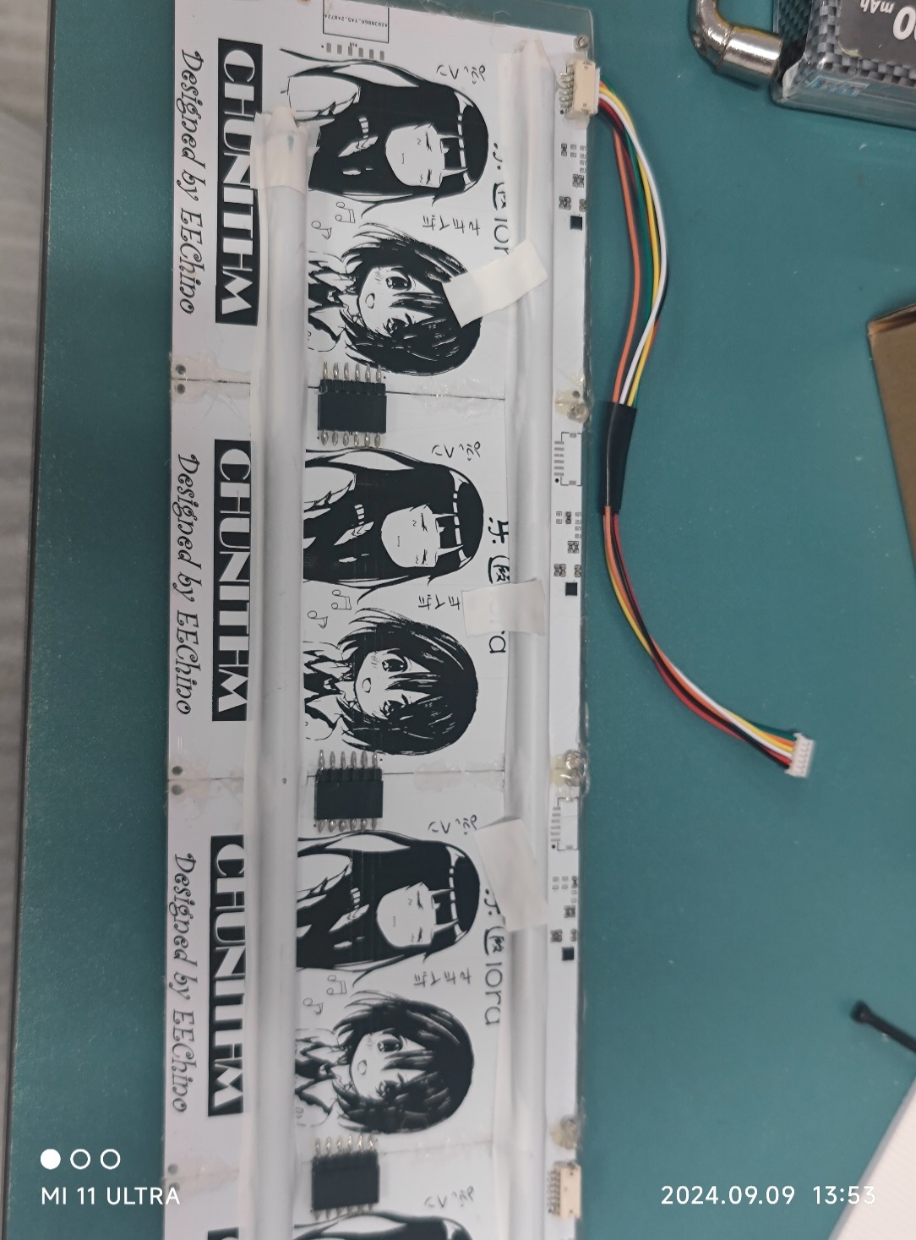
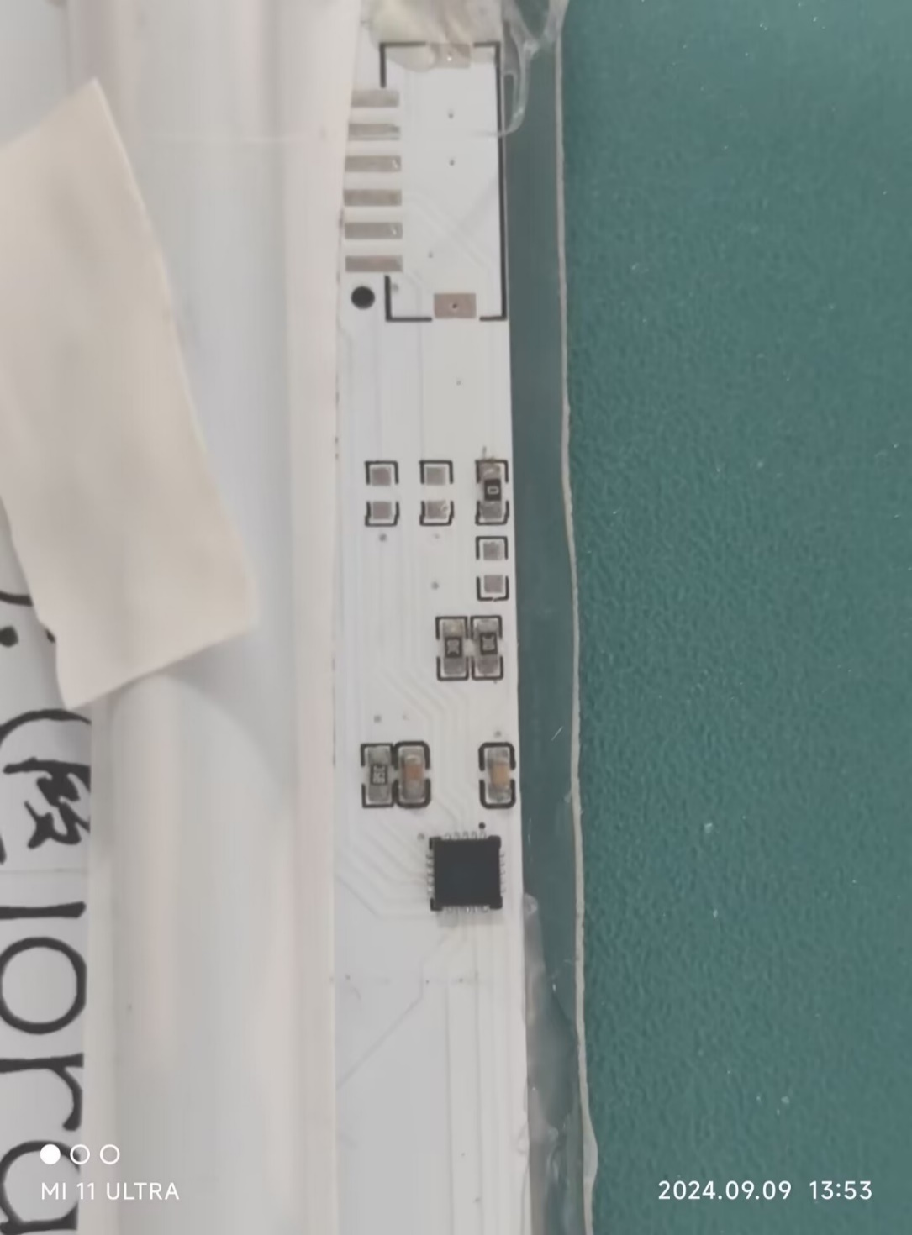
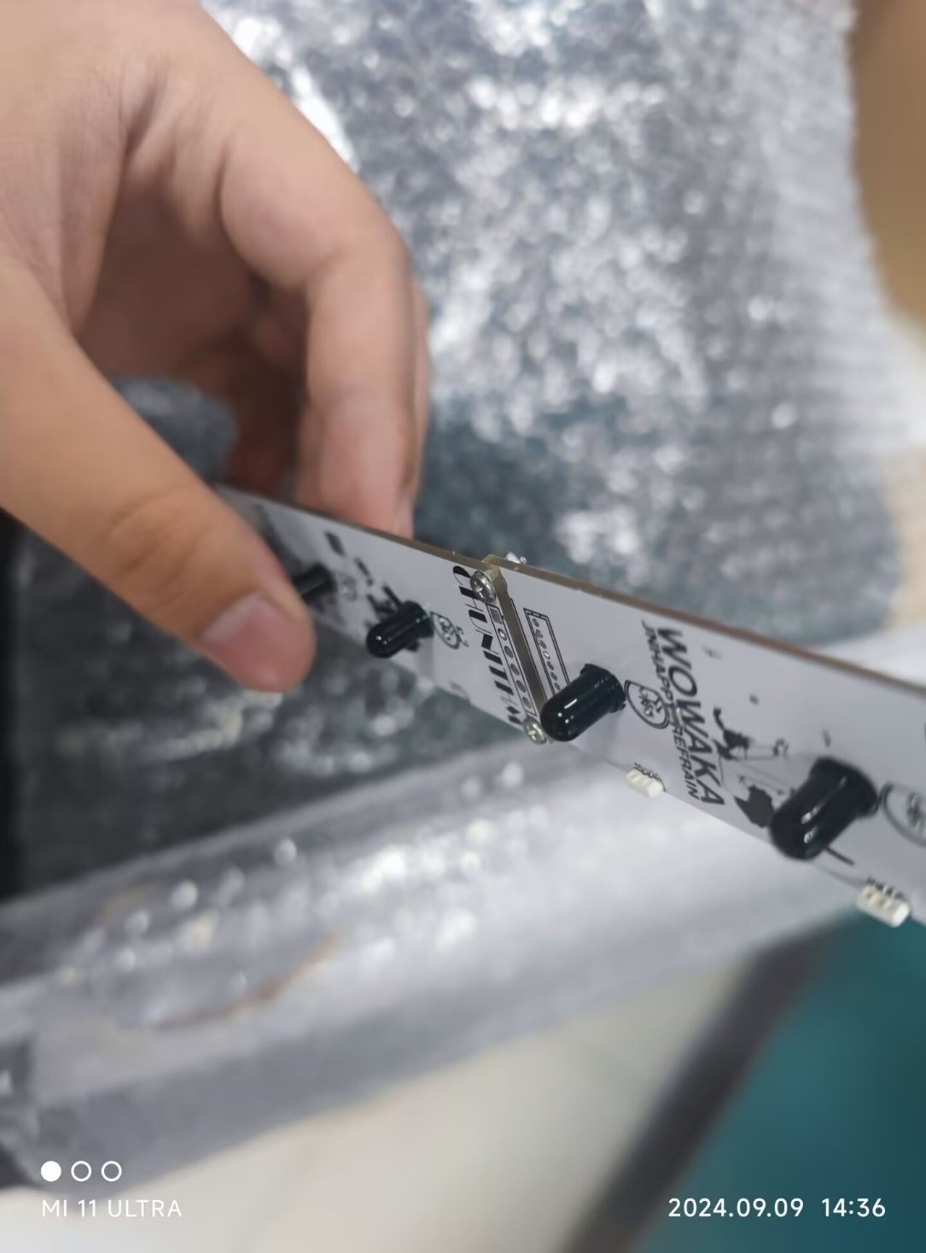
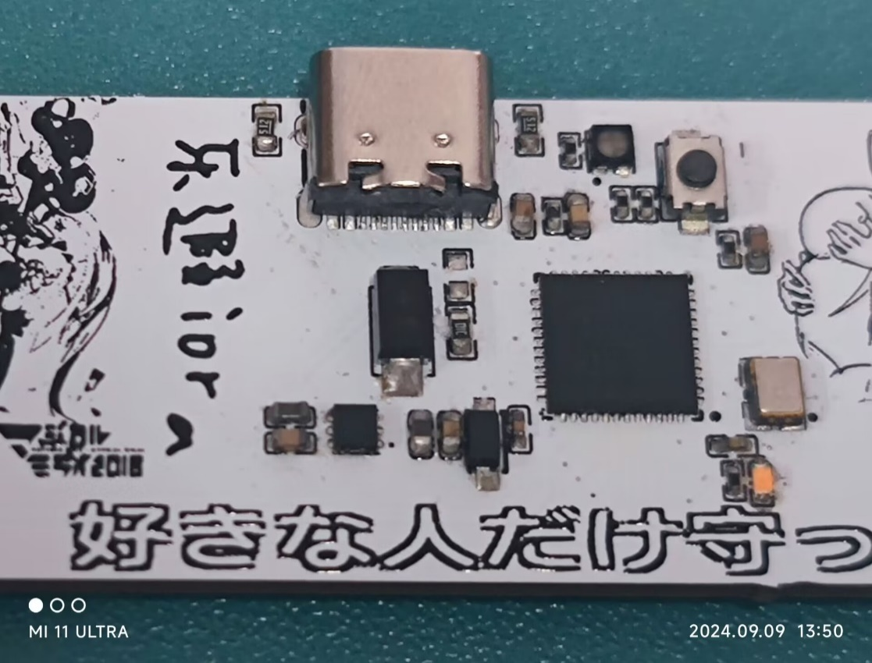
No. | 购买数量 | Comment | Designator | Footprint | 购买链接 | Manufacturer Part | Manufacturer | Supplier Part | Supplier
1 | 50 | 100nF | C3,C71,C73,C75 | C0402 | https://item.taobao.com/item.htm?id=523808399191&pisk=fbGxNkDk33xDKYOALA9usrsOvNLoHj3q2muCslqcC0n-o0Wcjx0iw1nrvjfgISD96cZlsEPDQ5nT2cr0nSZc653tbc2sslcOubndssx23V1Ts5tHxBAnuEPa1H4KSvNV0PadhCq_5TZ8qpMpxBAny_hvYfKH7eklcJUg1rw_c_T85y1b1-wsPUU_SiZ_ccgWkdQ2Jw1fMVhLlI6ens60cvUYHlCg21deSrwxjqEJTBlJT-EIluC6xnoNNlErO3v-zVHjmzo993FIL0hTd5dAYrHSJ7Z0OpB8M4mq9SGpDs4uBoHSG8Q112gb4JMtDnB4cxm8Lzw5WBzoxugqGYLNVqi3DSa7EBTKPRszUXcKM8S3vPXXyUBNQ-aylA6NWIm3rza8xE4cQOy7TzEHyU6NQ84uykYcOOWaFSC..&spm=a1z10.3-c-s.w4002-24706531953.10.67c86a4bQHeL8q
2 | 20 | 4.7uF | C4,C39 | c0402_new | （电阻电容均可以在优信电子买，注意0402和0603两种封装）
3 | 20 | 100nF | C38,C80 | c0402_new | （电阻电容比较便宜建议一次买多一点）
4 | 20 | 4.7uF | C74 | C0402
5 | 3 | BZT52C3V3 | D26 | SOD-123_L2.7-W1.6-LS3.7-RD-1 | https://item.taobao.com/item.htm?id=677745229042&pisk=f-TxGJxo0YDcBSgYYhilSsGWvSlkDEdqeKRQSOX0fLpJ1K6cIi6fPg1VsR1fhC11WL9igtAs3dLOFC-mgGD463p2Oiv9_j51Cd9OInmo-IRV7NMhW20HgFLmsrJA1iNS16fQCUmvYiRV7NM9ch85gIJLKokF6GGRP1CaCNs_l8GRs1E15ts_FQ11FOT05ue4IwAX1UMbnmWJOdW9ysISqI6WuEhGGiHHiTas8UCxL9OfePa13u8SXQdmHyRluhpdtK07kpd6ThsJW8MdQUdWlhOzHb_pw3xhD3HbWTYc6M_125a6wNtfjE_IR8CyVIx6uKFT5s8D-GBF2faNjaThAH9Y_XR5l1srMeYpkgyhp1qjwbEabi1rGhZa6uAbnW1RKjf0blS58_BnwbZabgflw9c0RlrNVZC..&spm=a1z10.3-c-s.w4002-24706531953.11.78e86a4bspr7vC
6
7 | 25 | WS2812B-4020 | LED1,LED2,LED5,LED6,LED7,LED8 | LED-SMD_WS2812B-4020（4020侧面幻彩） | https://item.taobao.com/item.htm?_u=f207psrbtu3795&id=798163200379&spm=a1z09.2.0.0.23102e8dswpdh9&skuId=5610289211615
8 | 1 | LED_0402-R | LED4 | LED_0402 | 0402贴片LED 白/红/蓝/翠绿/黄/橙/黄绿色 冰蓝色 高亮发光二极管-淘宝网 (taobao.com)
9 | 1 | FM-B2020RGBA-HG | LED9 | LED-SMD_FM-B2020RGBA-HG(可以不买，不影响游玩) | NH-B2020RGBA-HF 国星光电原装显示屏LED2020RGB七彩全彩2121RGB-淘宝网 (taobao.com)
10 | 1 | 8MHz | OSC1 | OSC-SMD_4P-L3.2-W2.5-BL-1 | https://item.taobao.com/item.htm?id=669341763060&pisk=fXInMs4Hqw8CvJcHhPxQyY16UnUTAXtWO_nJw3dz7CRsv_Kp2hRweLhyU08e_NXfZBe7RHQMZ15MTDeQRURlOCC-29Il50XfFMeB2JtCd3tzMSEAZ96BVk2yysIoblJPQpJrY2JHjDx8MSEYqc4_gnPAy-iCt2pk_pJyTDyM_LJv4pRE8RAwEKOrY_-yPolzTIUhquYkiX09cK2g2kOcLCmcCGvUYQqX_07lYp8hNTOMBdIMKeA2WDaDaM5OUMIB5koHVOQcZa5462dFoKfMkwVmxsfBUTvPtoMD_MXlje_tT2JDxBYVYEruhOYPSGxdY7gfBOAeohQT5WLJx6bXGez_1_XM9_SH7XjrWVuVBuiWQ8IZP4TeCdAvLGIonjVEff2gIX7W8d9HWR2iP4LeCpObIRcFreJ6KU5..&spm=a1z10.3-c-s.w4002-24706531953.47.71126a4b04eJzY
11 | 6 | SS8050 | Q1,Q2,Q3 | SOT-23-3_L2.9-W1.3-P1.90-LS2.4-BR | https://item.taobao.com/item.htm?id=522573790562&pisk=fSeiGg1in5l_v18iV6D1MnaWCdfdCFMj5rpxkx3VT2uBBrHtHvuEDmLq0KlZ8Wq7oVIf1AFnoyzn7dI11ju052UvHle0OKq7cRIsHGM_fxMVyaB8olZshX-nUheiYvozYCoq3wMhNxDVyaBcj6ToFxPYwKa26XuImmJwQrleYmuEbmoau2lE4mJZ3x8q7LQqR1wfnj0kSBHa15B-W4rZ7lETLsGw1l03WPwEjW3zbs923Jmis-CLbuqq6SrSNRUlnpMTqWkEm-syiqcugRHUQwWrOjyU8DzODIi3ioySCYxVQkDiSby083p8zkq4wX2d4TMiQVPxCoKlWk2gWlw3DnREIAFnZRDP4ZdeakBXhDSYLIOj_DinycyLn3Yl7pThxMYaGfoIjXIhxIOx_DisPMjH7ScZAccV.&spm=a1z10.3-c-s.w4002-24706531953.9.25766a4bE2pwZx
12 | 3 | 50R | R1,R3,R5 | R0603
13 | 8 | 5.1K | R2,R6,R114,R115,R116,R122,R123,R124 | R0603
14 | 7 | 10K | R4,R52,R112,R113,R119,R120,R121 | R0402
15 | 2 | 10K | R75,R117 | R0603
16 | 1 | 10R | R87 | R0402
17 | 1*（10只） | PT333 | RXA1,RXA2,RXA3,RXB1,RXB2,RXB3 | LED-TH_BD5.0-P2.54-RD | 原装正品 直插 IR333C-A PT333-3B 5mm发射管 接收管（10只）-淘宝网 (taobao.com)
18 | 8 | M2螺丝+螺母 | SCREW1,SCREW2,SCREW3,SCREW4,SCREW5,SCREW6,SCREW7,SCREW8 | M2螺丝
19 | 2 | KEY-3*4*2 | SW2 | SW-SMD_L4.0-W2.9-LS5.0 | 3*4 龟仔/微动/轻触开关/MP3/MP4/手机按键开关（10只）-淘宝网 (taobao.com)
20 | 1*（10只） | IR333 | TXA1,TXA2,TXA3,TXB1,TXB2,TXB3 | LED-TH_BD5.0-P2.54-FD | 原装正品 直插 IR333C-A PT333-3B 5mm发射管 接收管（10只）-淘宝网 (taobao.com)
21 | 1 | STM32G431CBU6 | U1 | UFQFPN-48_L7.0-W7.0-P0.50-BL-EP | 原装STM32G431CBU6 UFQFPN-48 ARM Cortex-M4 32位微控制器-MCU-淘宝网 (taobao.com)
22 | 3 | XY-ZH1.5-6A61 | U12 | CONN-SMD_6P-P1.50_XY-ZH1.5-6A61（买6p的） | ZH1.5MM 2/3/4/5/6/7/8/9/10P卧贴 连接器 接插件 贴片插座 10只-淘宝网 (taobao.com)

24 | 2 | GH1.25-3P卧贴 | U17 | CONN-SMD_GH1.25-3P（选3p的） | https://item.taobao.com/item.htm?id=622151561707&pisk=f-tmGQgcjE7bjWNcd4jjWRM53c0-cSs1GCEO6GCZz_57DCIAXg5PBOFNQl7VaUvBssHsliLlsQRlgoHjlN5MG_dTXKKMPlvBCnHfXxsXhGsZ9XnpsK9ffaFMj1-ca7WeU55NbbsoRGjZ9Xnin4NhAG89JROuka55IOr40C7r4OCP3trw__7PLOrVbG8q6zF57k-SjNf3izCG7Q2Ft6JVgKpv4V7blKfkOBxPnUCe3VZab3Xcoh3J3pvNkFJCRndnjusvKUSPIhMUS1bH7nIy0boFPN-yaTRxBP6kSd-CcM2Z0Ljciw-MaJEpTLvwJax-LDsc0s8OcdenMLxDMKtkBRzPmiLl-njF4iUz8Ln_fTk94Pa1uT6l9t-JjJVnguNoEYV25ZW5naHoEPaOuT6fOYDugFbVFtbN.&spm=a1z10.3-c-s.w4002-24706531953.15.2ace6a4bpBYFCc&skuId=5159336163436
25 | 2 | TVS_5CA | U39 | SMA_L4.3-W2.7-LS5.0-BI | 原装正品 SMAJ5.0CA DO-214AC 5V/双向 TVS瞬变抑制二极管 10只-淘宝网 (taobao.com)
26 | 2 | TypeC-16PIN | U40 | USB-C-SMD_TYPE-C-6PIN-2MD-073 | 贴片USB-3.1插座 Type-C母座 16P 高清传输接口 4固定插脚 双向-淘宝网 (taobao.com)

28 | 8 | BX-ZH1.5-9PZZ | U54,U55,U57,U58 | CONN-TH_9P-P1.50_ZH-1.5（选9p，直针的） | https://item.taobao.com/item.htm?id=650813789860&ns=1&priceTId=215045a017263732958113212e2117&skuId=4699291461619&spm=a21n57.1.item.49.1f9d523cKdaEqn&utparam=%7B%22aplus_abtest%22%3A%22be6168e4cea9f5156917afa07ecc102a%22%7D&xxc=ad_ztc
29 | 5 | GH1.25-2P卧贴 | U59 | CONN-SMD_2P-P1.25_GH1.25-2P(选2P) | https://item.taobao.com/item.htm?id=622151561707&pisk=f-tmGQgcjE7bjWNcd4jjWRM53c0-cSs1GCEO6GCZz_57DCIAXg5PBOFNQl7VaUvBssHsliLlsQRlgoHjlN5MG_dTXKKMPlvBCnHfXxsXhGsZ9XnpsK9ffaFMj1-ca7WeU55NbbsoRGjZ9Xnin4NhAG89JROuka55IOr40C7r4OCP3trw__7PLOrVbG8q6zF57k-SjNf3izCG7Q2Ft6JVgKpv4V7blKfkOBxPnUCe3VZab3Xcoh3J3pvNkFJCRndnjusvKUSPIhMUS1bH7nIy0boFPN-yaTRxBP6kSd-CcM2Z0Ljciw-MaJEpTLvwJax-LDsc0s8OcdenMLxDMKtkBRzPmiLl-njF4iUz8Ln_fTk94Pa1uT6l9t-JjJVnguNoEYV25ZW5naHoEPaOuT6fOYDugFbVFtbN.&spm=a1z10.3-c-s.w4002-24706531953.15.2ace6a4bpBYFCc&skuId=5159336163436
 | 2 | GH1.25-3P 线 |  | 买3p单头的线，然后再买几根杜邦线，到时候焊接再一起连下载器 | https://item.taobao.com/item.htm?id=620275448420&pisk=ffXrMV0588ezuq4S1UJebTPQuTJJFdU6E9TBxMjHVUYkP9_FxHtpqHDHtmvDxEMQ2LNpLw8VJUOWEUMeLM7dRBXBR9oR3NkIFzFRxvJBKPa_CRs82pp35s2t-yoJAHxnK2tkoE0H8GE_CRsR0F65o9y_vz5jWCtHKQAHojYvA0xl-QjmnEKpx4vHroSDkOCxqocyMPbDo61EH7ia9GTqKAo94QAzBEDn2txy7Fju9vDh33RPdSslbMA5tGdOFNyEHLsNiKxFplce8C5hFKXuoRAvttbDmaZI9n5FxOpJQD2l0L8ys97mfA_G0Mf6gtZgBLJkr69RAcz50T752tSIxjvyFsRNUdjPo2Kcw76da2ceZnK25orV1_S6gvqFHRcK9IPv0FZTXXcnWTDIaTBS9Xd48n8_jT1..&spm=a1z10.3-c-s.w4002-24706531953.9.2ace6a4b1HUSU7
23 | 2 | TLV76733DRVT | U16 | WSON-6_L2.0-W2.0-P0.65-TL-EP (推荐用这种方案) | 原装贴片TLV76733DRVT TLV76733DRVR WSON6 丝印1RQH 低压差稳压-淘宝网 (taobao.com)
 | 1 | 烧录器 |  |  | https://detail.tmall.com/item.htm?abbucket=18&id=714462421708&ns=1&priceTId=2150446a17266358660604839e6290&skuId=5173814371618&spm=a21n57.1.item.2.79e0523cAD9Ixp&utparam=%7B%22aplus_abtest%22%3A%22e2092b4cc9aba015b4d8e34521e717e0%22%7D&xxc=taobaoSearch

30 | 1 | XC6210B332MR |  | （第二种供电方案，如果要买这个，那么PCB打板的版本要选对） | https://item.taobao.com/item.htm?abbucket=18&id=559236610497&ns=1&priceTId=215045a017263739614918015e2117&spm=a21n57.1.item.148.1f9d523cKdaEqn&utparam=%7B%22aplus_abtest%22%3A%22325bc0f90b11b67bd7f9a17c6d425050%22%7D

31 | 6 | MPR121QR2 |  | 触控芯片 | 全新原装 MPR121QR2 丝印263 M121 MPR121 QFN20 触摸传感器芯片-淘宝网 (taobao.com)

32 | 6*2 | 弯排针排母 |  | 公母都要买 （6p） | https://item.taobao.com/item.htm?_u=f207psrbtuea4d&id=730241668204&spm=a1z09.2.0.0.2ca12e8dNlBo7r

33 | 10 | 75K | R1 | R0603 | 75K
34 | 50 | 0R | R2,R3,R4,R5 | R0603 | 0R
35 | 20 | 10K | R6,R7 | R0603 | 10K

36 | 1 | 磨砂亚克力板 |  | 尽量买能帮忙加工的 2mm厚 | https://detail.tmall.com/item.htm?id=746869599061&spm=a1z09.2.0.0.1b252e8dsmLBk9&_u=f207psrbtuc8db
37 | 4 | zh1.5 9p线 |  | 500mm长 双头 反向 | ZH1.5mm 端子线 间距1.5mm 28awg彩色电子线2P3P4P5P6P-12P连接线-淘宝网 (taobao.com)
38 | 3 | zh1.5 6p线 |  | 300mm长 双头 反向 | 接线的时候一定要仔细对照PCB图，千万别接反了
 |  | 焊接工具 | 热风枪，电烙铁， | LED拆焊台（可选），焊锡膏，焊油，洗板水，吸锡带 | 以后还想做些其他的话可以买个优利德的万用表
焊接成品图

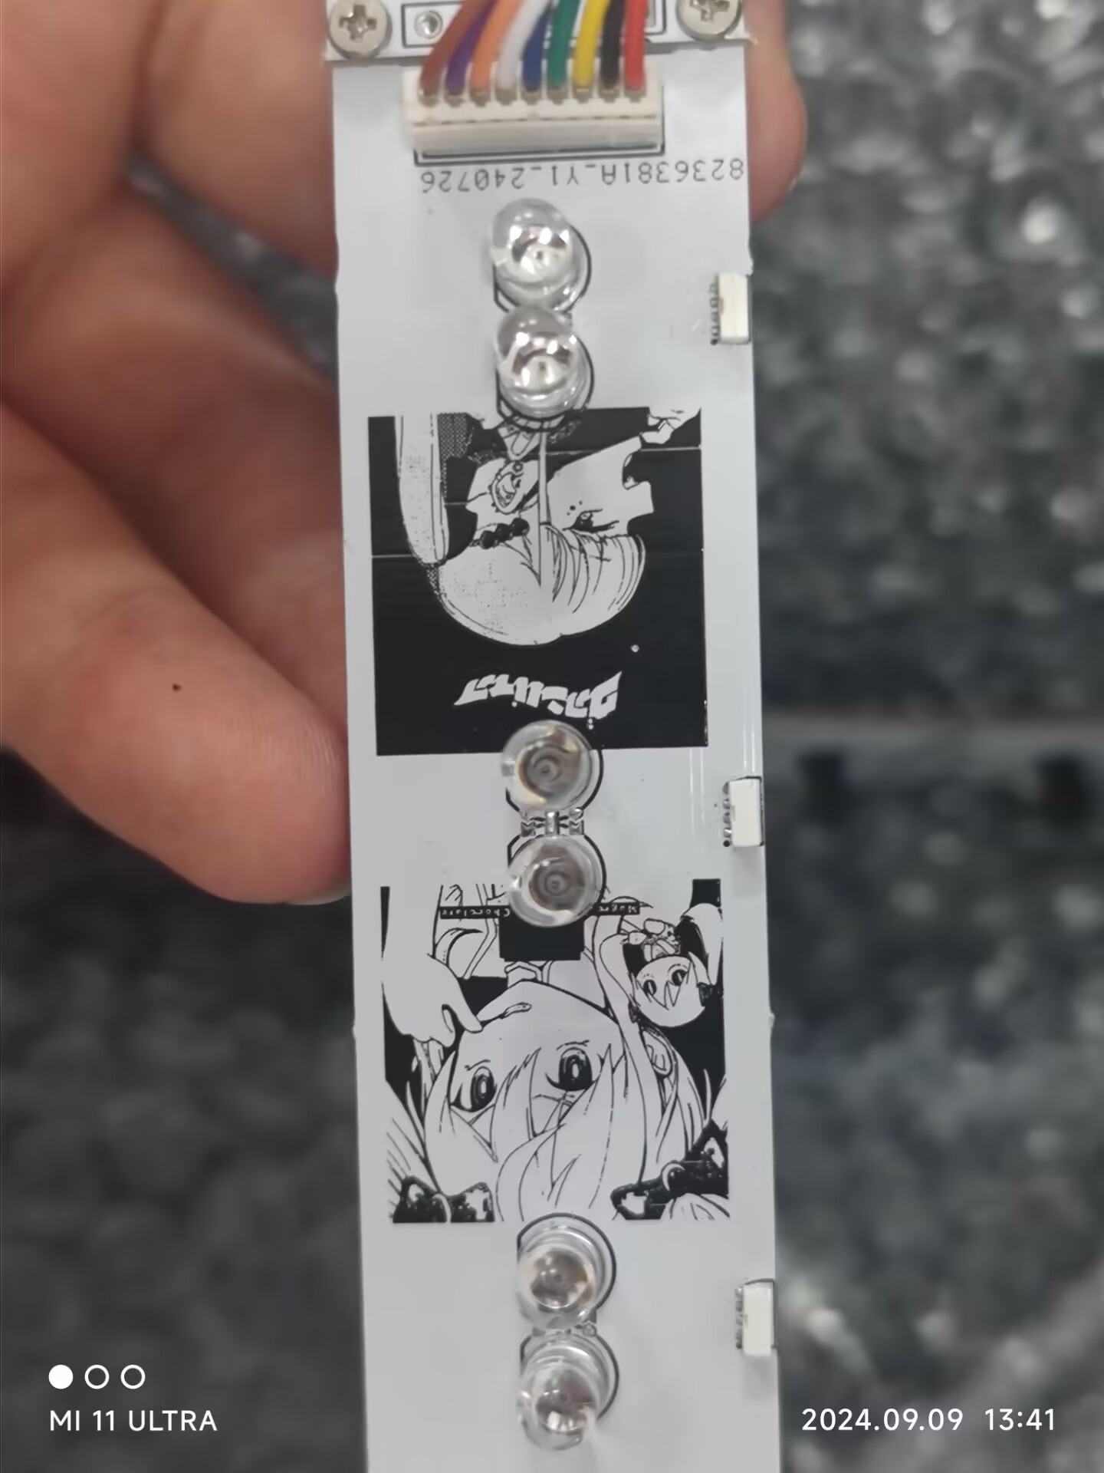
 |  |  |  | 天键盘上的灯不焊 | 注意这四个零欧姆电阻的位置，这四块板子0R电阻位置不同 |  |  |  |  | 接收管每组两个只要焊接一个

