Cover Sheet
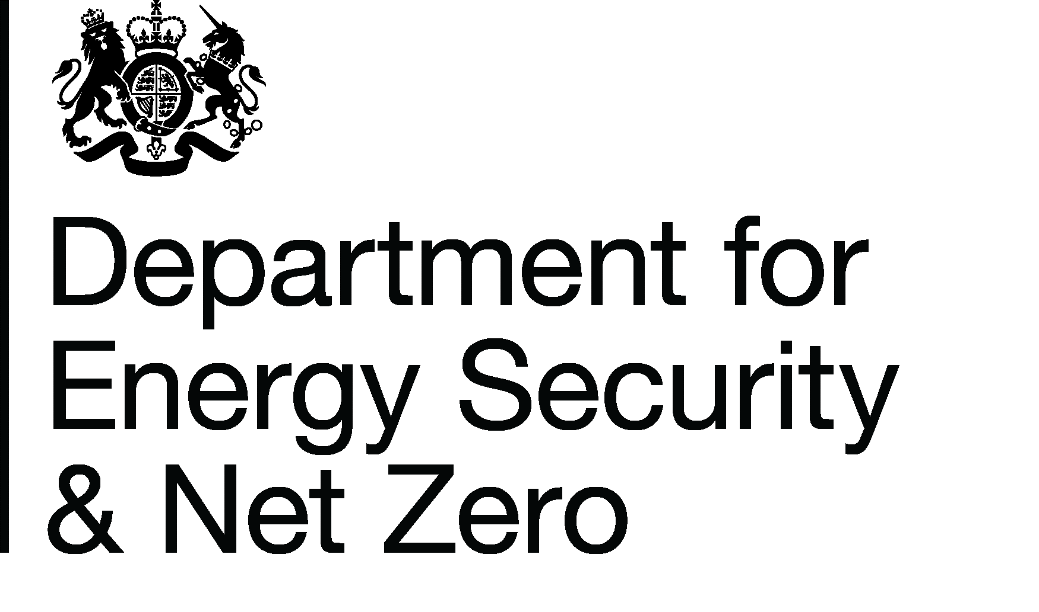
Energy Prices Domestic Prices
Average annual domestic standard electricity bills and unit costs for regions in the United Kingdom
Publication date: 29/06/2023
Data period: Financial year data for 2022/23
Next update: 28/09/2023
About this data
Data in these tables shows annual standard electricity bills and unit prices for UK domestic consumers by region and payment type in current (cash) terms.
Bills are based on fixed consumption levels of 3,600 kWh per year for standard electricity.
Further information
Quarterly Energy Prices Publication (opens in a new window)
Annual domestic energy bills webpage (opens in a new window)
Domestic price statistics data sources and methodologies (opens in a new window)
Revisions policy and standards for official statistics (opens in a new window)
Digest of United Kingdom Energy Statistics (DUKES): glossary and acronyms (opens in a new window)
Contacts
Energy Prices Statistics Team
020 7215 5073
energyprices.stats@beis.gov.uk
Press Office (media enquiries)
0207 215 1000
newsdesk@energysecurity.gov.uk

